1 (bad example)
ColdBinDischarge.ParticleOutlet.m_dot
Baseline | Modified
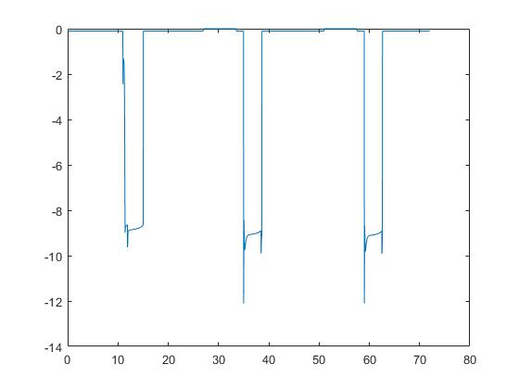 | 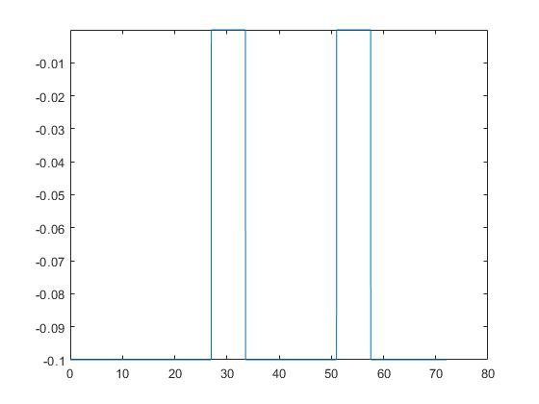

ColdBinDischarge.ParticleOutlet.T
Baseline | Modified
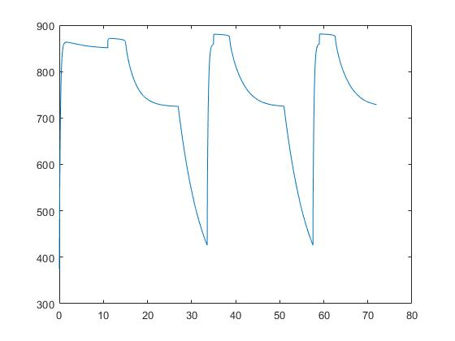 | 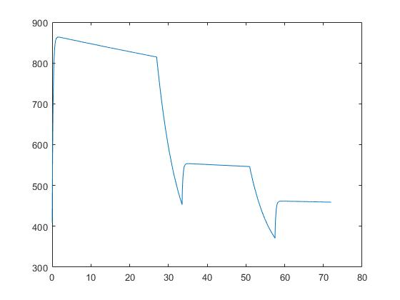

HeatExchangerDownComer.ParticleOutlet.m_dot
Baseline | Modified
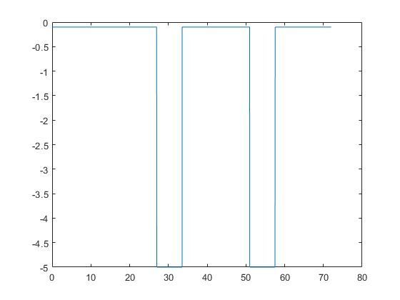 | 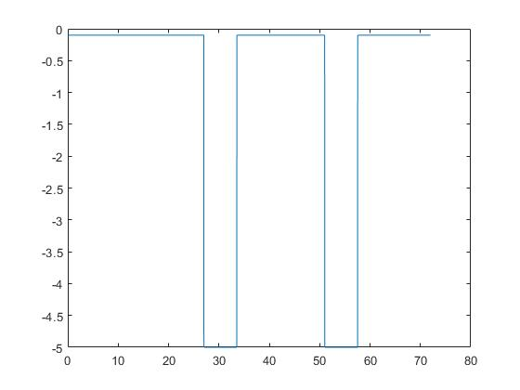

HeatExchangerDownComer.ParticleOutlet.T
Baseline | Modified
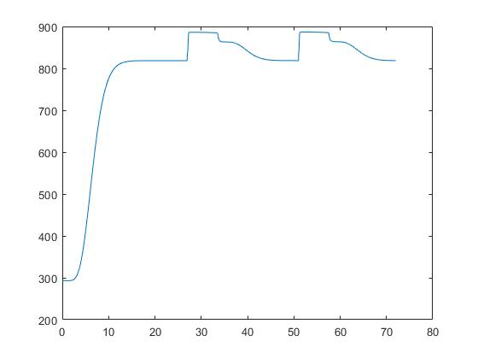 | 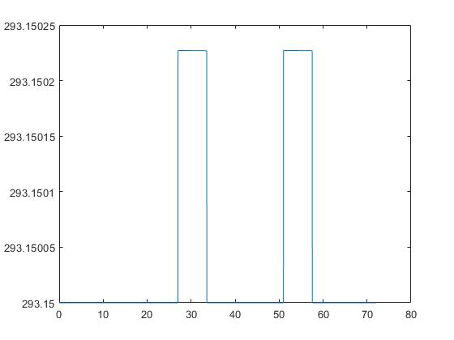

HotBinBypass.ParticleOutlet.m_dot
Baseline | Modified
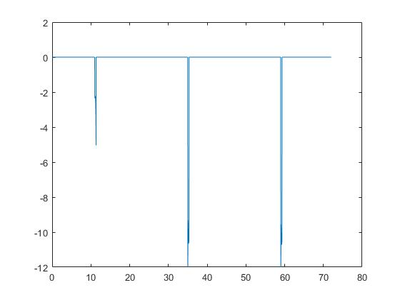 | 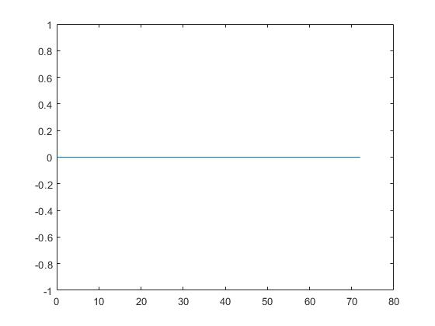

HotBinBypass.ParticleOutlet.T
Baseline | Modified
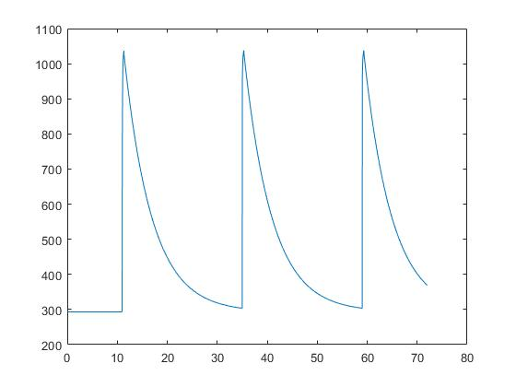 | 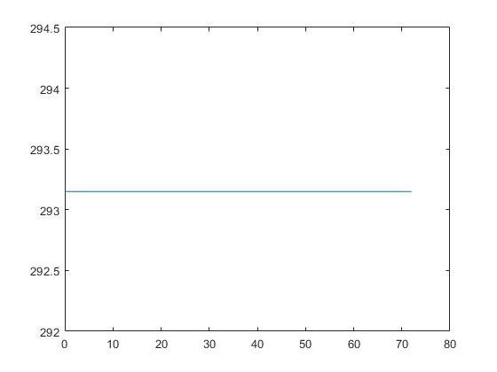

IntermediateStorageDownComer.ParticleOutlet.m_dot
Baseline | Modified
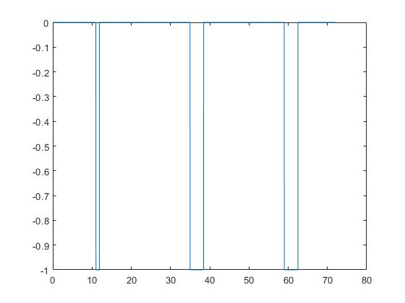

IntermediateStorageDownComer.ParticleOutlet.T
Baseline | Modified
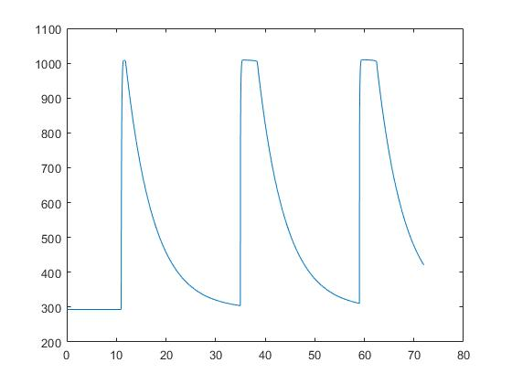

ColdBinBypass.ParticleOutlet.m_dot
Baseline | Modified

ColdBinBypass.ParticleOutlet.T
Baseline | Modified
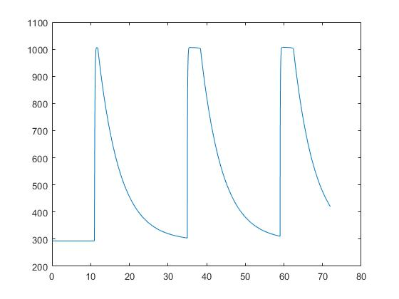

BucketElevatorDownComer.ParticleOutlet.m_dot
Baseline | Modified
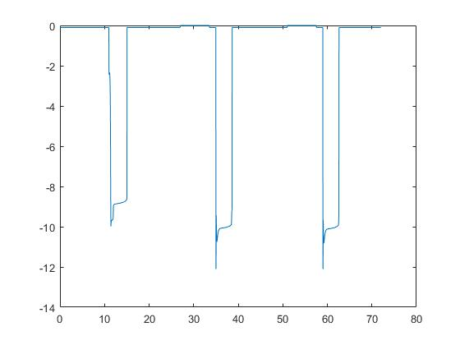

BucketElevatorDownComer.ParticleOutlet.T
Baseline | Modified
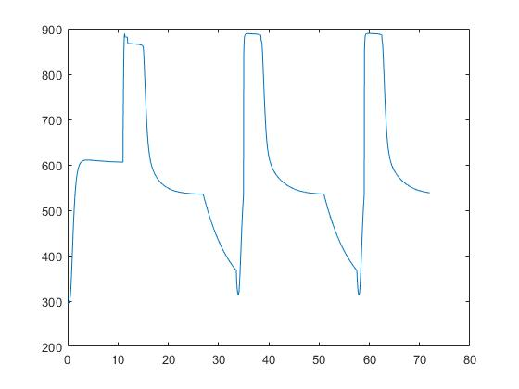 | 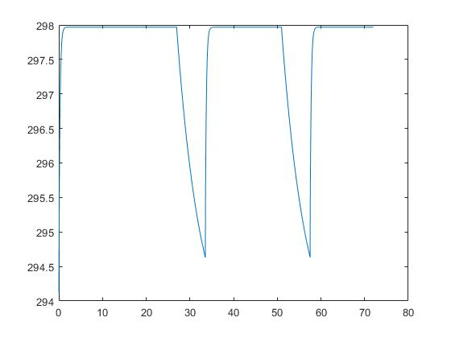

HotBinDischarge.ParticleOutlet.m_dot
Baseline | Modified
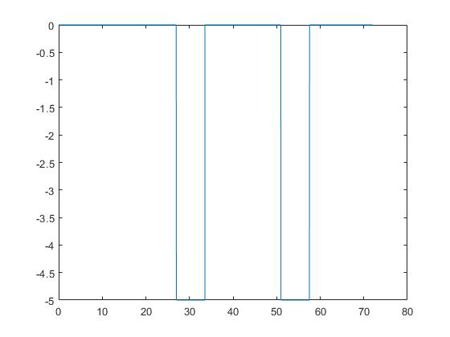 | 

HotBinDischarge.ParticleOutlet.T
Baseline | Modified
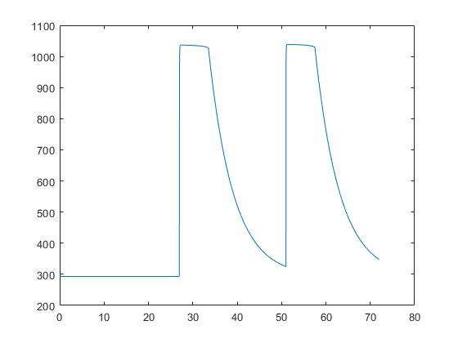 | 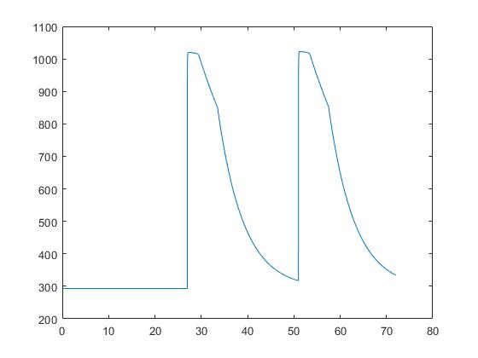

ReceiverDownComer.ParticleOutlet.m_dot
Baseline | Modified
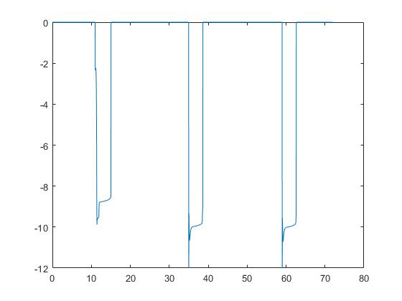

ReceiverDownComer.ParticleOutlet.T
Baseline | Modified
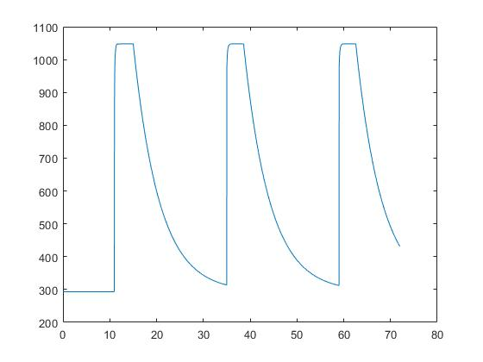

ReceiverBypass.ParticleOutlet.m_dot
Baseline | Modified
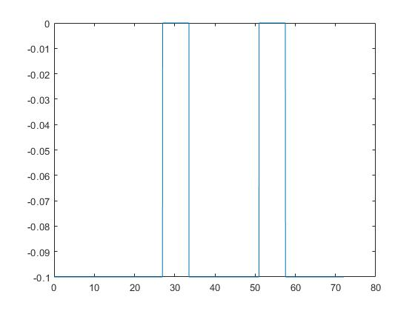 | 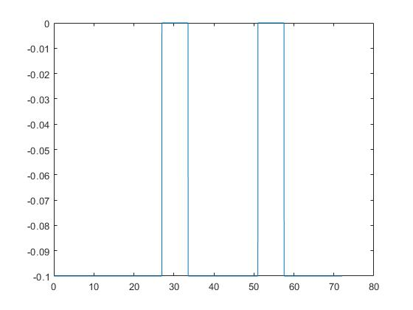

ReceiverBypass.ParticleOutlet.T
Baseline | Modified
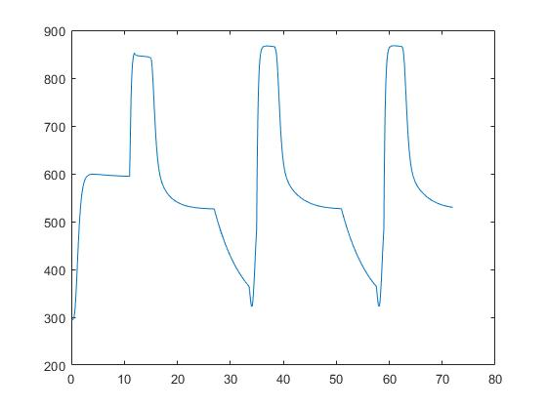 | 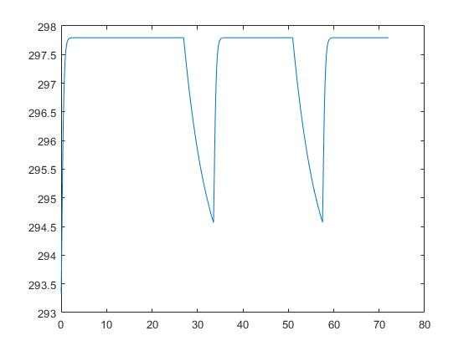

2 (current results)
HotBinDischarge.ParticleInlet.T |  |  | Info
Baseline 1 | Baseline 2 | Modified | In reviewing the results, note that the first two columns (baseline1 and baseline2) should be identical. This comparison is included to verify the functionality of the updated system model that will be used to modify the hot storage bin inputs and outputs. The third column (modified) are the results from simulating the G3P3 system with a slightly modified Hot Bin outlet temperature (HotBinDischarge.ParticleInlet.T). Hence, the third column should have small discrepancies compared to baseline1 and baseline2.
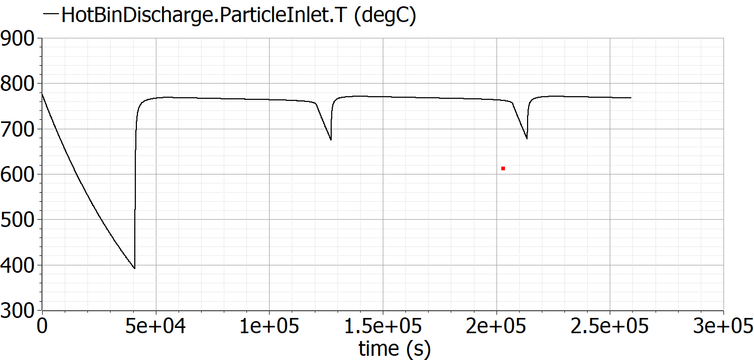 | 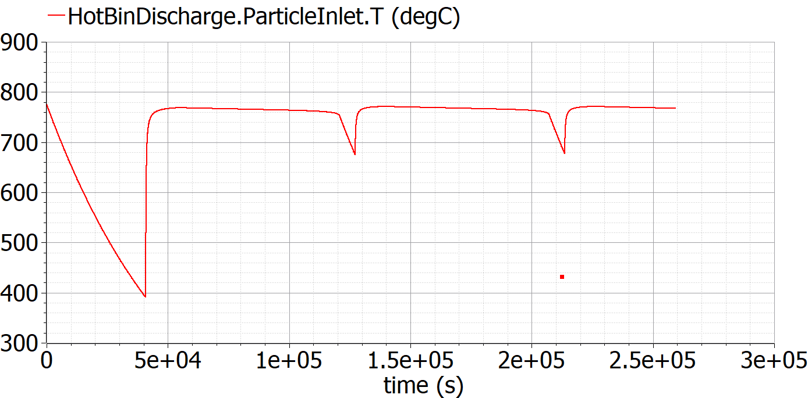 | 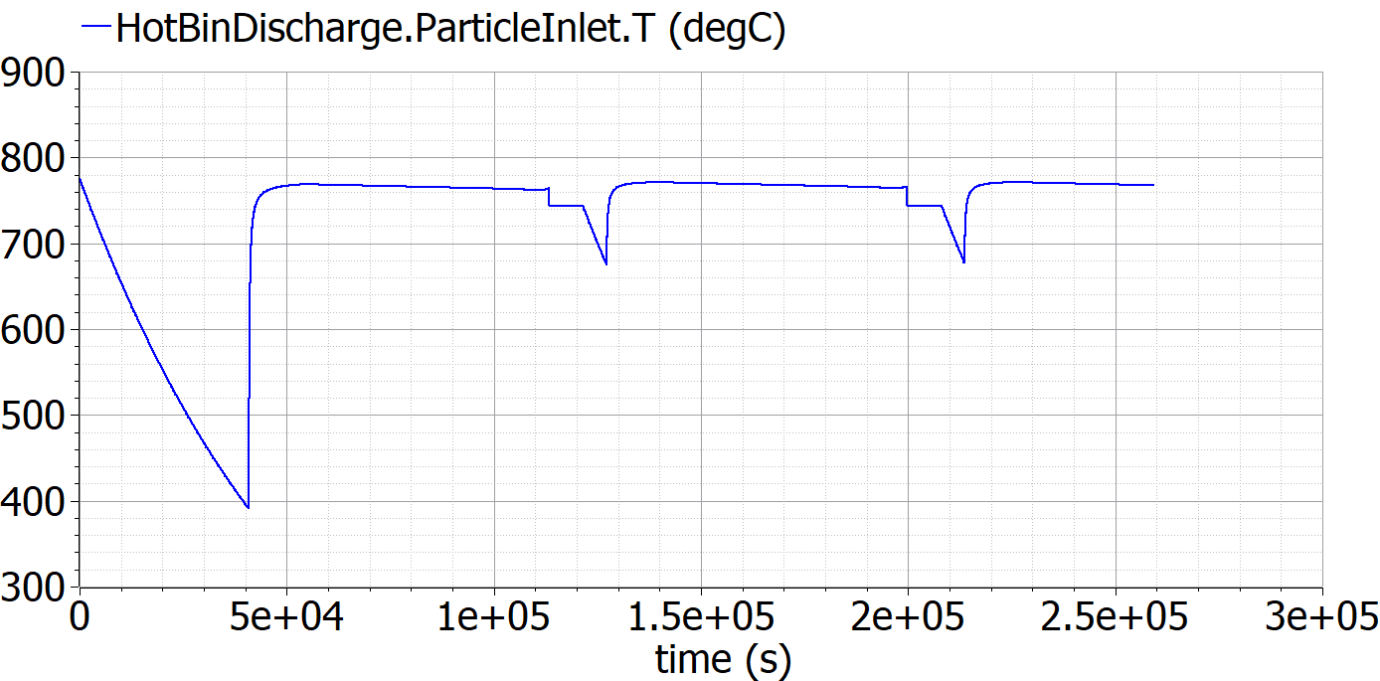

ColdBinDischarge.ParticleOutlet.m_dot
Baseline 1 | Baseline 2 | Modified
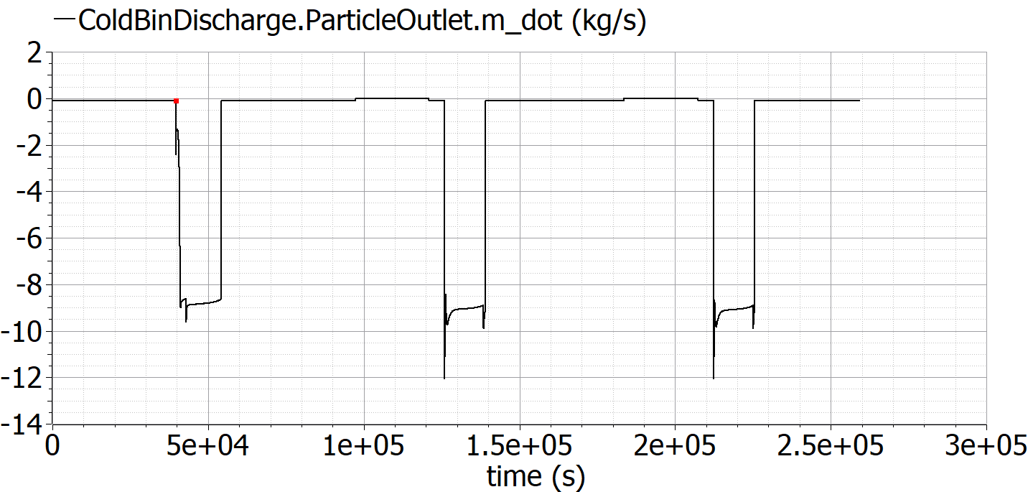 | 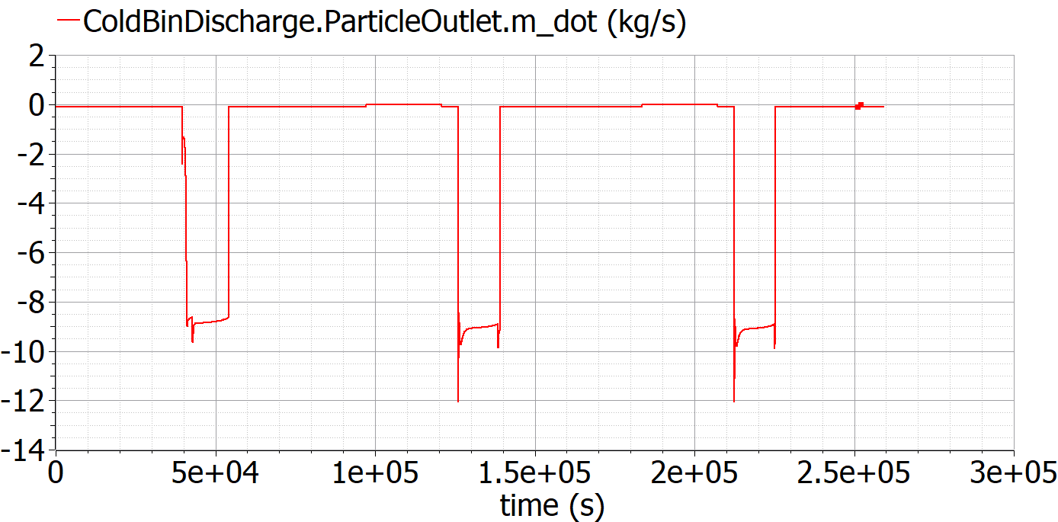 | 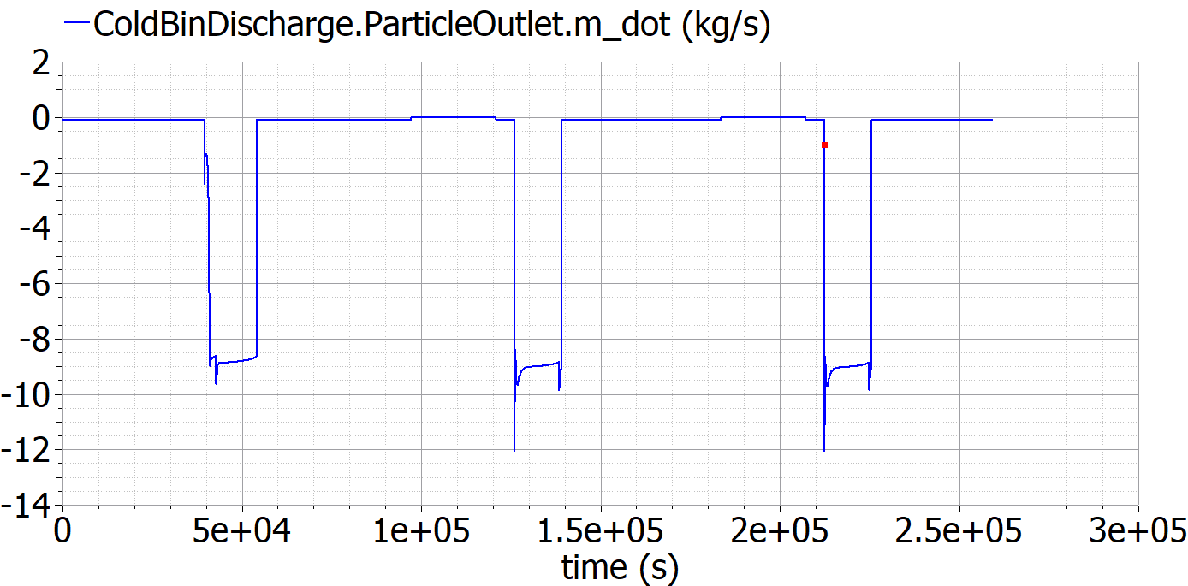

ColdBinDischarge.ParticleOutlet.T
Baseline 1 | Baseline 2 | Modified
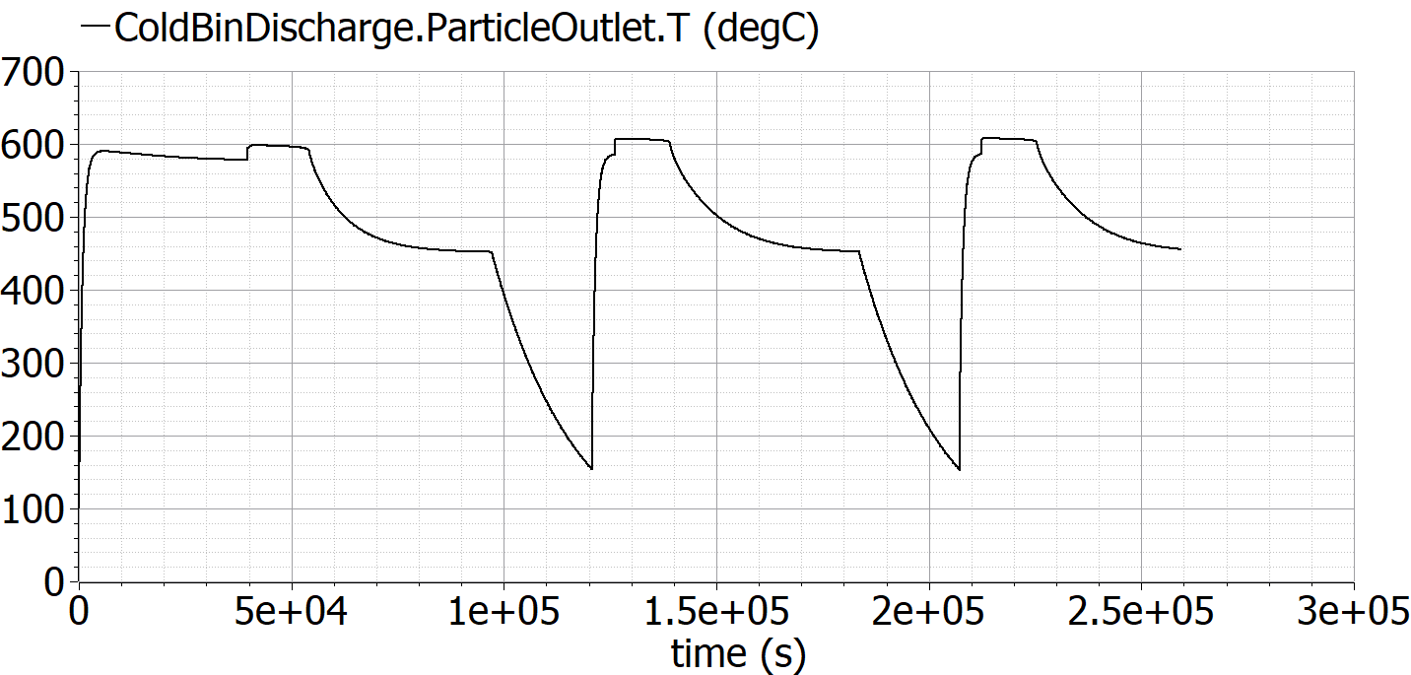 | 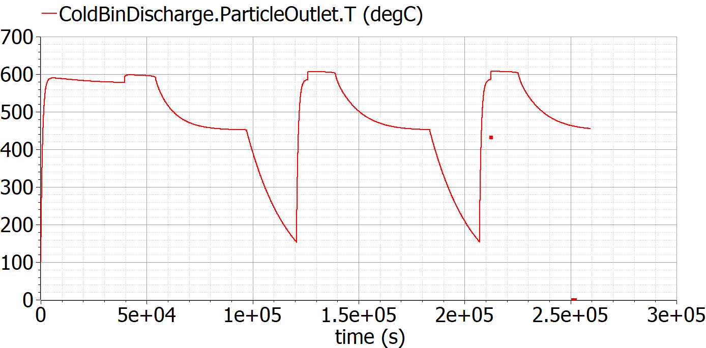 | 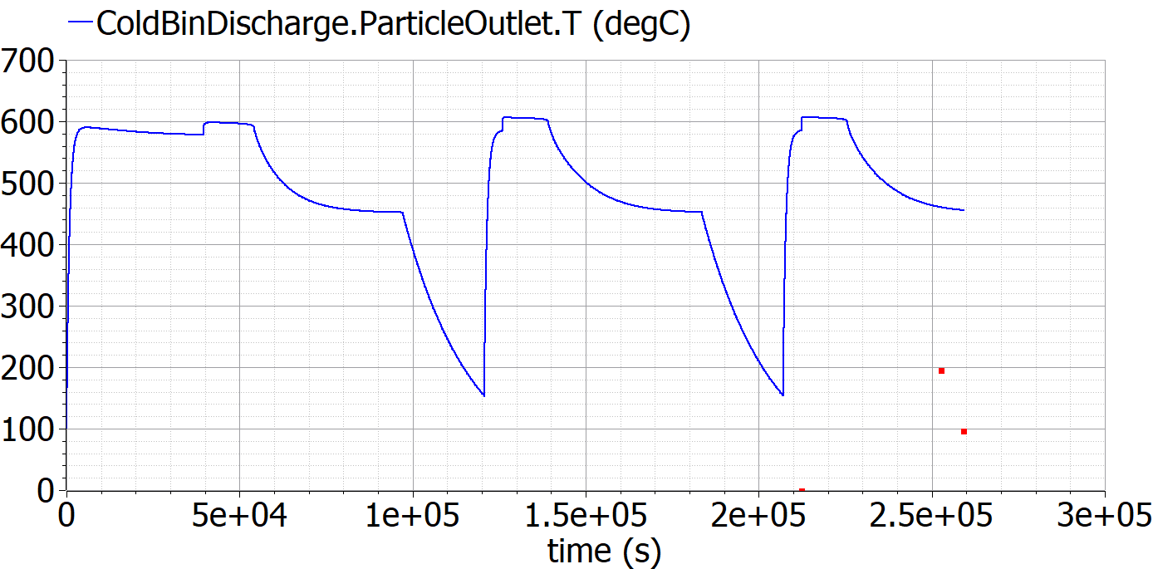

HeatExchangerDownComer.ParticleOutlet.m_dot
Baseline 1 | Baseline 2 | Modified
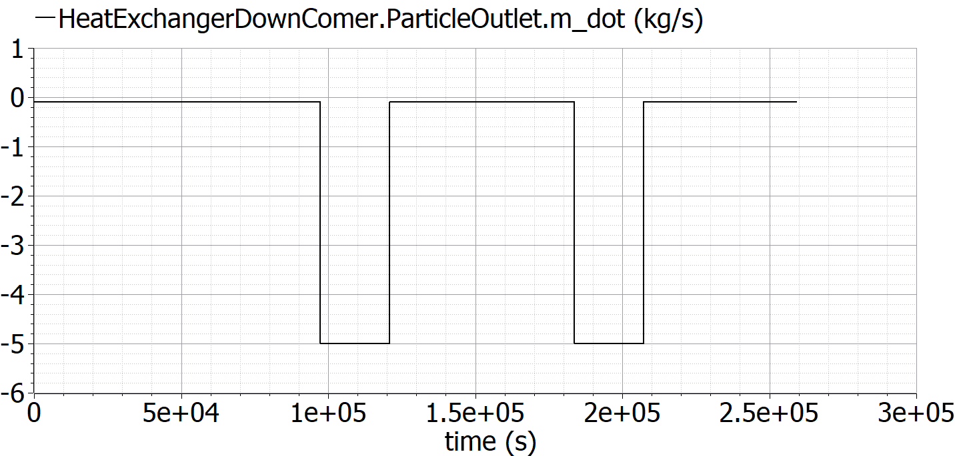 | 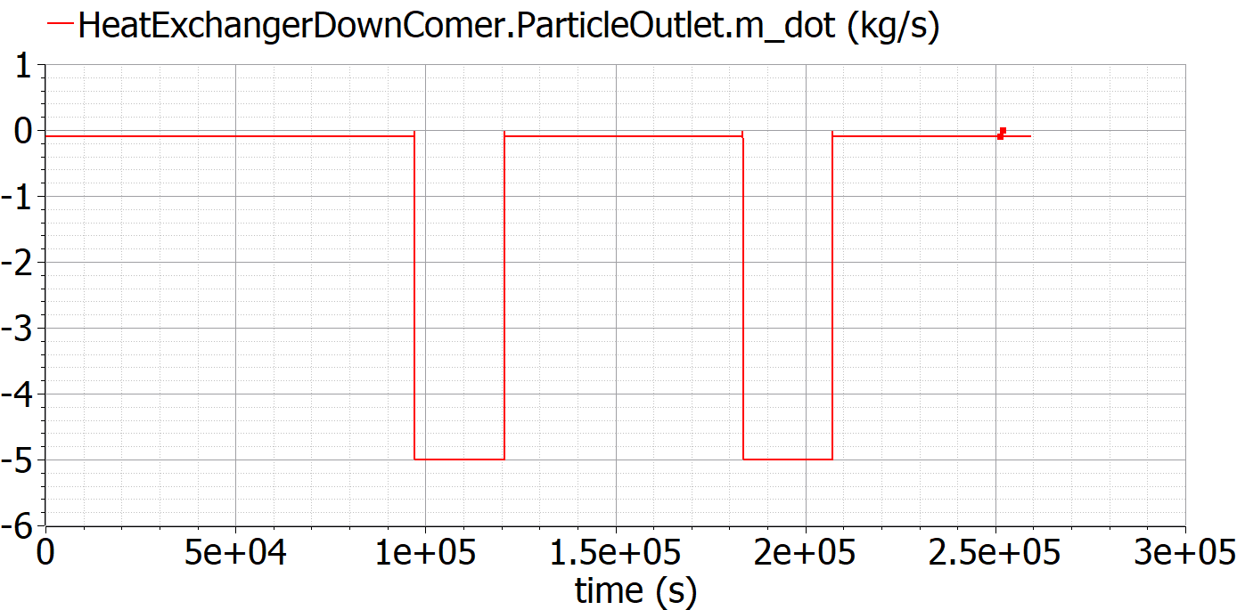 | 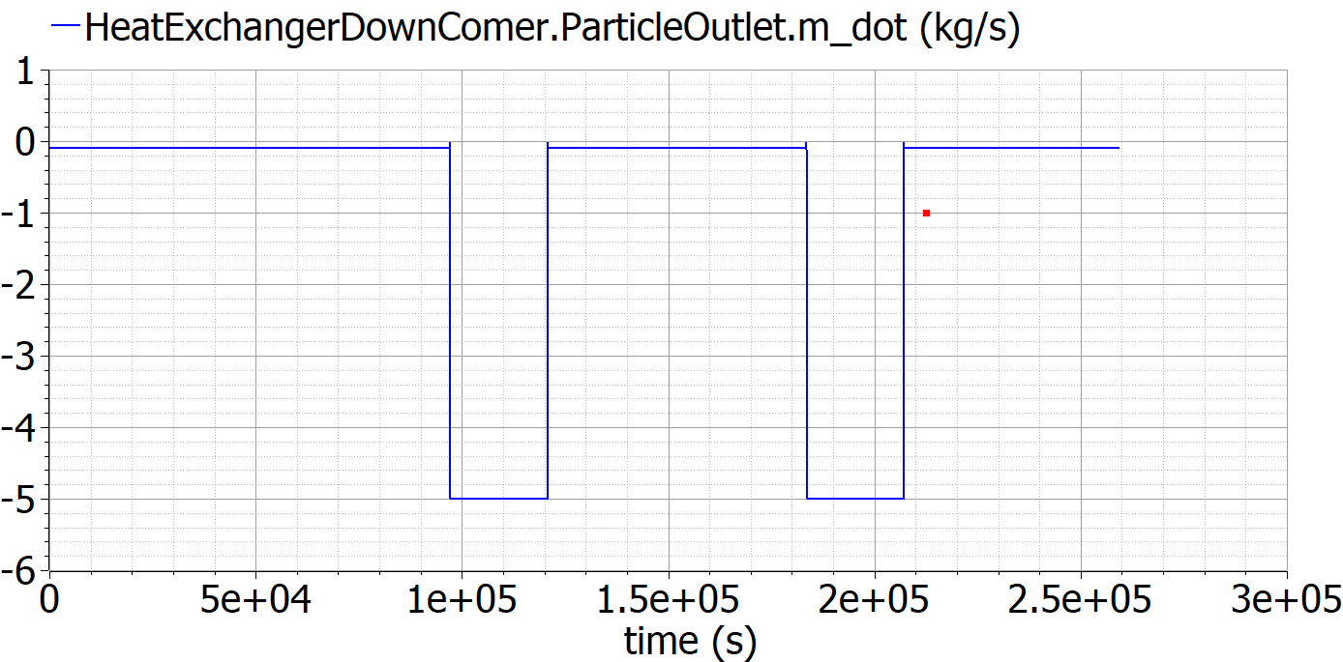

HeatExchangerDownComer.ParticleOutlet.T
Baseline 1 | Baseline 2 | Modified
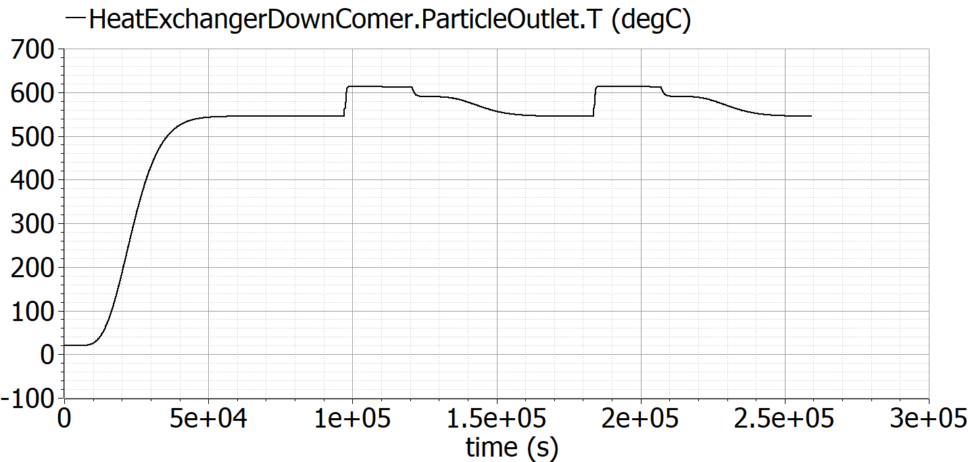 | 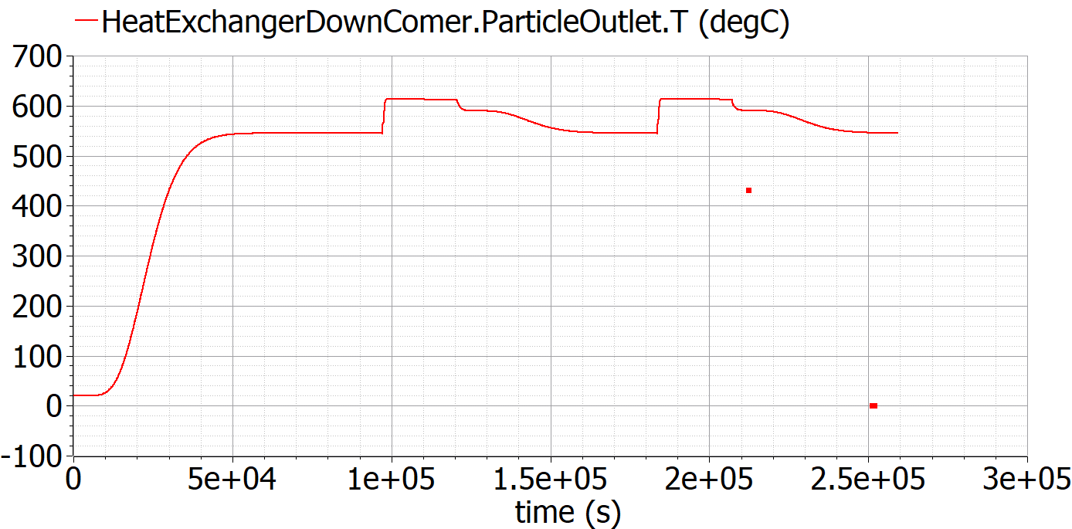 | 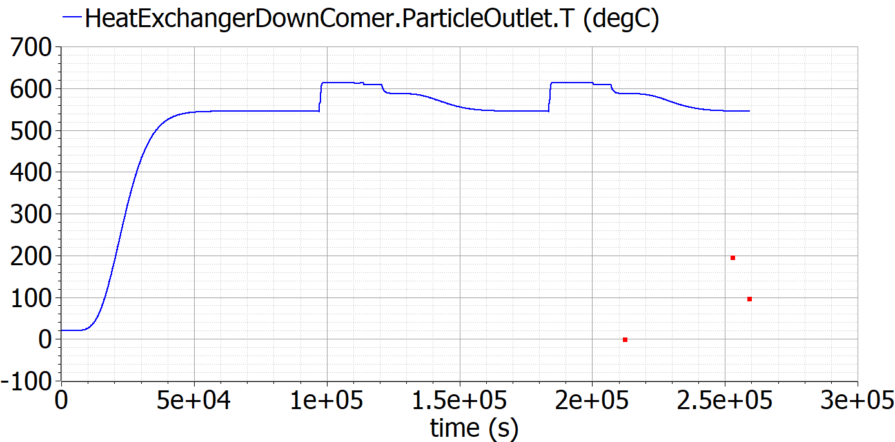

HotBinBypass.ParticleOutlet.m_dot
Baseline 1 | Baseline 2 | Modified
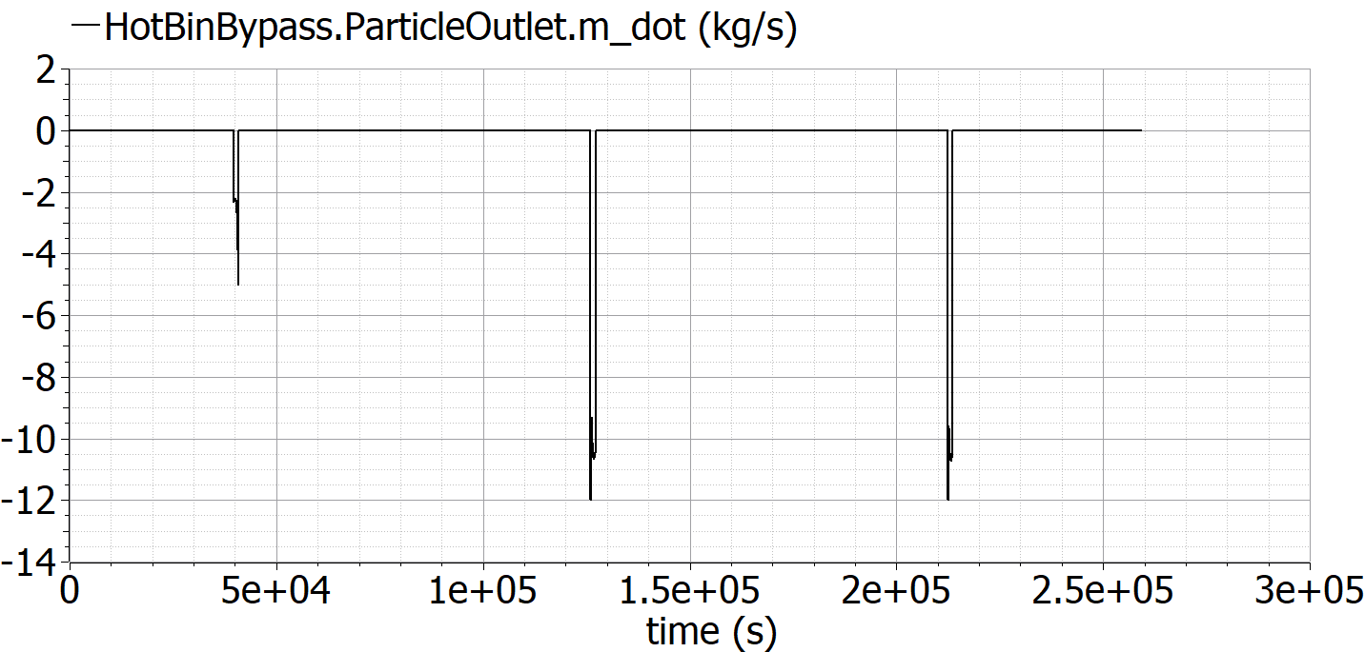 | 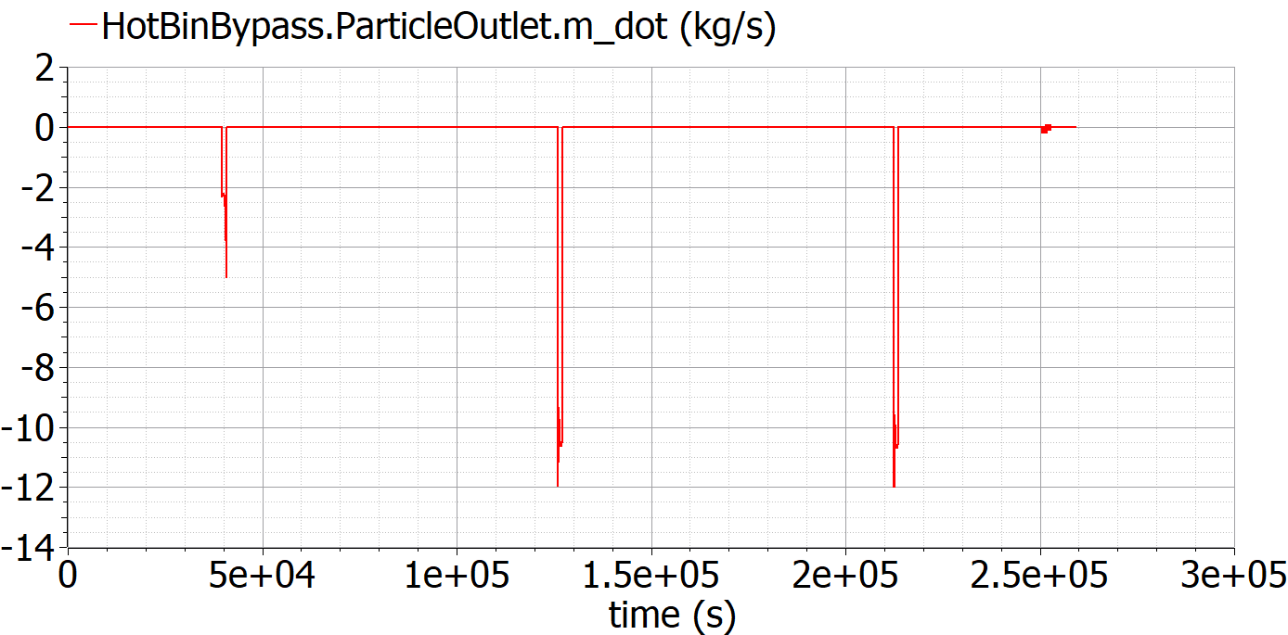 | 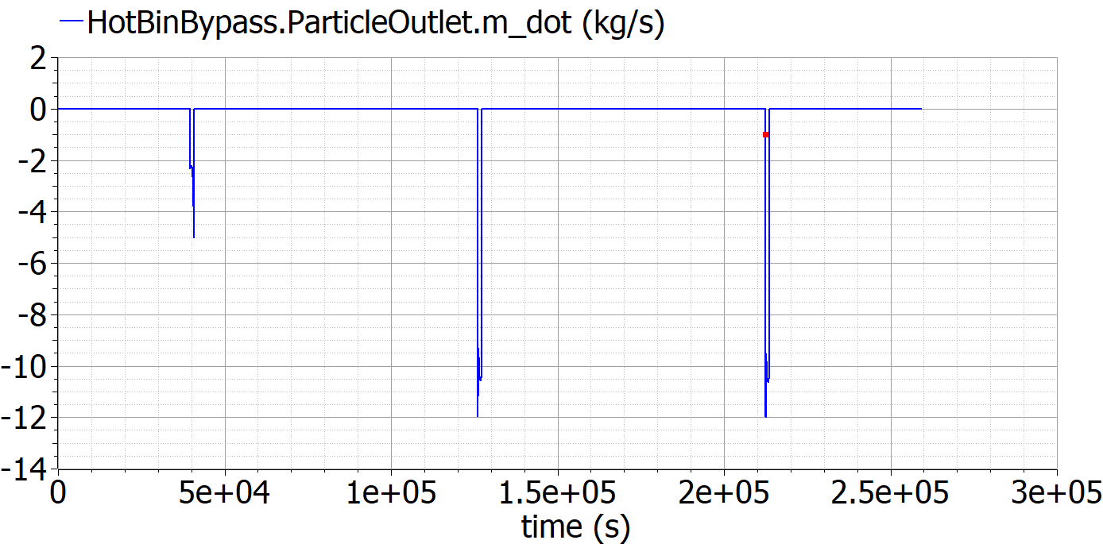

HotBinBypass.ParticleOutlet.T
Baseline 1 | Baseline 2 | Modified
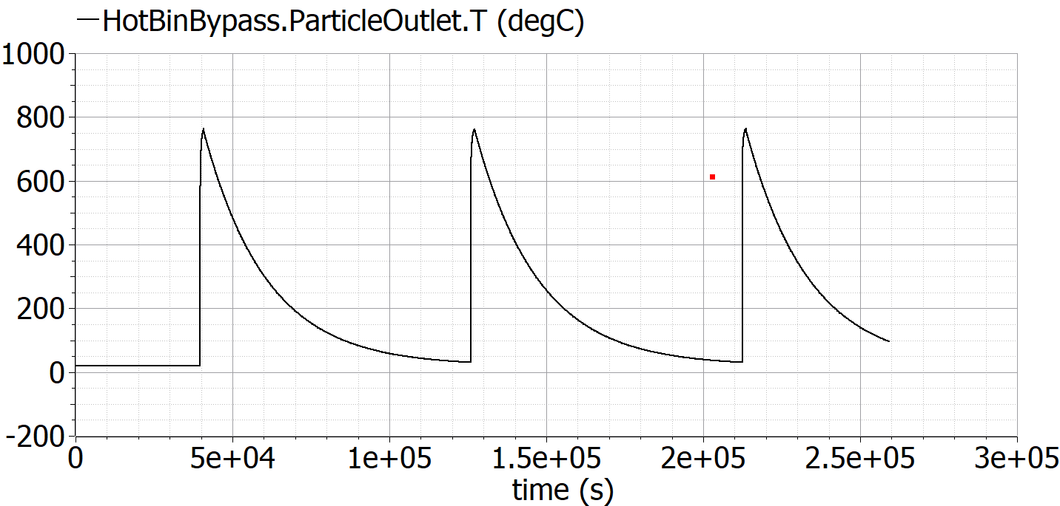 | 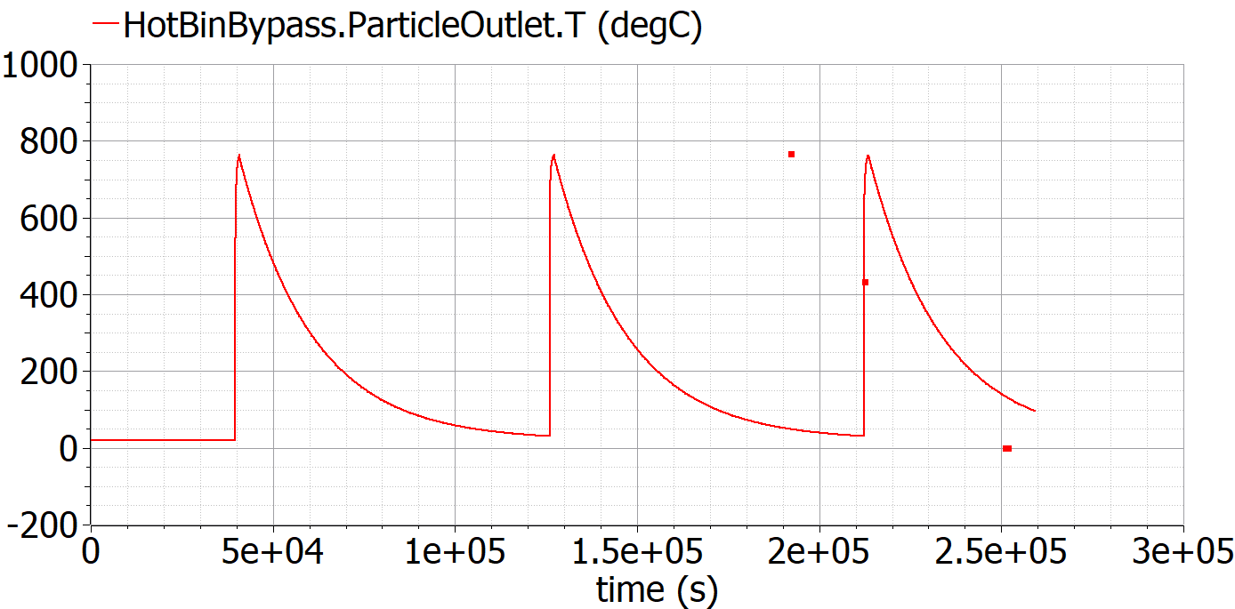 | 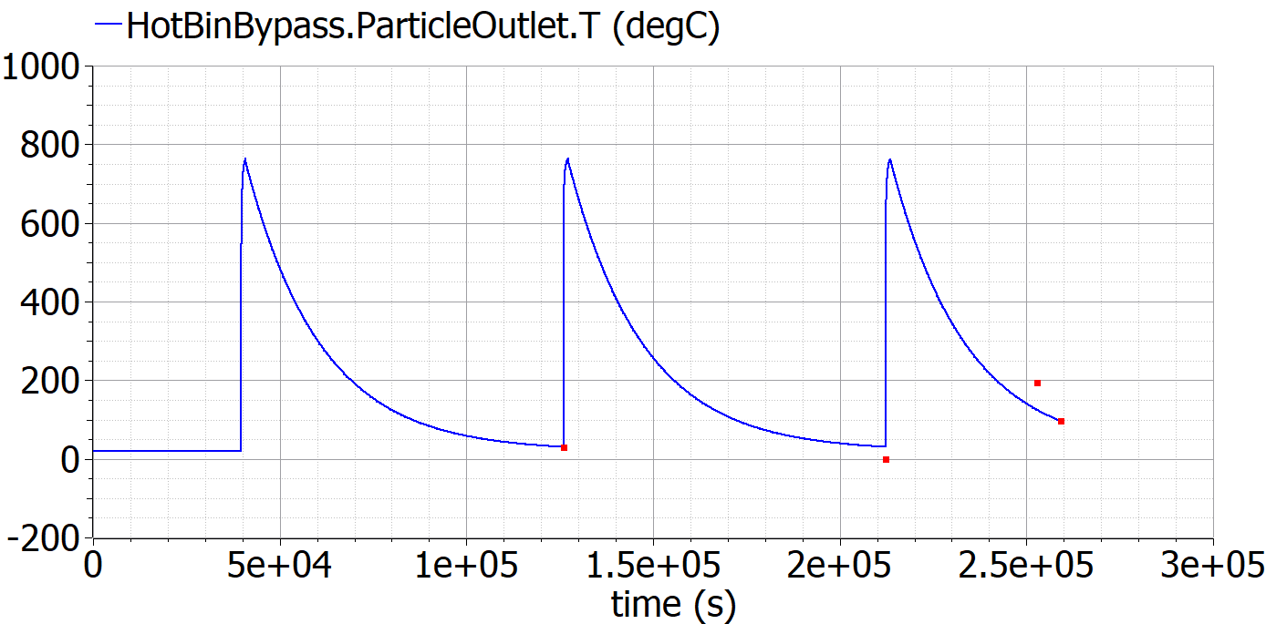

IntermediateStorageDownComer.ParticleOutlet.m_dot
Baseline 1 | Baseline 2 | Modified
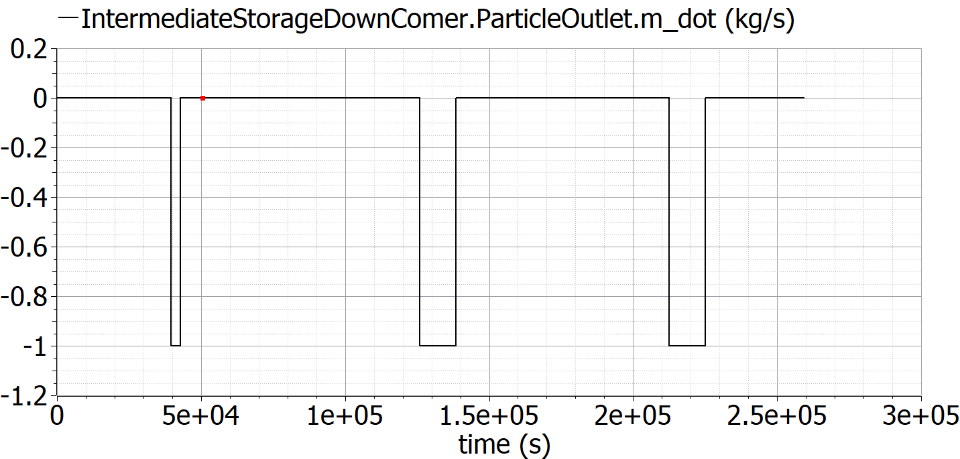 | 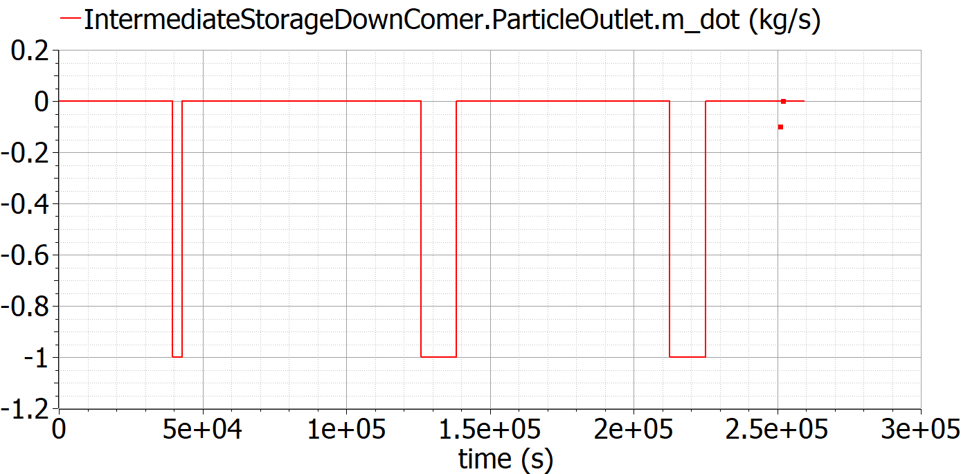 | 

IntermediateStorageDownComer.ParticleOutlet.T
Baseline 1 | Baseline 2 | Modified
 |  | 

ColdBinBypass.ParticleOutlet.m_dot
Baseline 1 | Baseline 2 | Modified
 |  | 

ColdBinBypass.ParticleOutlet.T
Baseline 1 | Baseline 2 | Modified
 |  | 

BucketElevatorDownComer.ParticleOutlet.m_dot
Baseline 1 | Baseline 2 | Modified
 |  | 

BucketElevatorDownComer.ParticleOutlet.T
Baseline 1 | Baseline 2 | Modified
 |  | 

HotBinDischarge.ParticleOutlet.m_dot
Baseline 1 | Baseline 2 | Modified
 |  | 

 | HotBinDischarge.ParticleOutlet.T
Baseline 1 | Baseline 2 | Modified
 |  | 

ReceiverDownComer.ParticleOutlet.m_dot
Baseline 1 | Baseline 2 | Modified
 |  | 

ReceiverDownComer.ParticleOutlet.T
Baseline 1 | Baseline 2 | Modified
 |  | 

ReceiverBypass.ParticleOutlet.m_dot
Baseline 1 | Baseline 2 | Modified
 |  | 

ReceiverBypass.ParticleOutlet.T
Baseline 1 | Baseline 2 | Modified
 |  | 

baseline1 System Diagram


baseline2 System Diagram


