Sayfa1
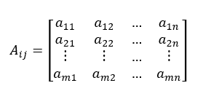
Step 1: Creating The Decision Matrix (A) | Companies | Educational Costs | Ease of Use | Support | Software Costs | Software Flexibility
 | Oracle | 490 | 6 | 9 | 410 | 7
 | SAP | 440 | 5 | 7 | 370 | 10
 | LOGO | 330 | 8 | 8 | 280 | 7
 | Canias | 250 | 9 | 7 | 220 | 5
 | Microsoft | 495 | 4 | 10 | 420 | 6
 | Workday | 350 | 3 | 6 | 440 | 8

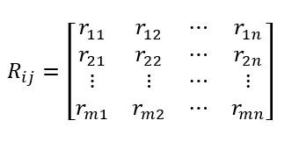
Step 2: Normalizing The Decision Matrix | Companies | Educational Costs | Ease of Use | Support | Software Costs | Software Flexibility
 | Oracle | 0.49684779397 | 0.39477101698 | 0.46229894724 | 0.45787911081 | 0.38949041885
 | SAP | 0.44614903948 | 0.32897584748 | 0.35956584786 | 0.41320797805 | 0.55641488407
 | LOGO | 0.33461177961 | 0.52636135597 | 0.41093239755 | 0.31269792934 | 0.38949041885
 | Canias | 0.25349377243 | 0.59215652546 | 0.35956584786 | 0.24569123019 | 0.27820744204
 | Microsoft | 0.50191766941 | 0.26318067798 | 0.51366549694 | 0.469046894 | 0.33384893044
 | Workday | 0.3548912814 | 0.19738550849 | 0.30819929816 | 0.49138246039 | 0.44513190726

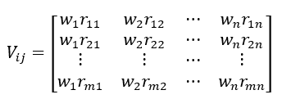
 | weight values | 0.2 | 0.25 | 0.28 | 0.3 | 0.15
Step 3: Weighting Of Normalized Decision Matrices (V) | Companies | Educational Costs | Ease of Use | Support | Software Costs | Software Flexibility
 | Oracle | 0.099369558793 | 0.098692754244 | 0.12944370523 | 0.13736373324 | 0.058423562828
 | SAP | 0.089229807896 | 0.08224396187 | 0.1006784374 | 0.12396239342 | 0.083462232611
 | LOGO | 0.066922355922 | 0.13159033899 | 0.11506107131 | 0.093809378801 | 0.058423562828
 | Canias | 0.050698754486 | 0.14803913137 | 0.1006784374 | 0.073707369058 | 0.041731116306
 | Microsoft | 0.10038353388 | 0.065795169496 | 0.14382633914 | 0.1407140682 | 0.050077339567
 | Workday | 0.070978256281 | 0.049346377122 | 0.086295803486 | 0.14741473812 | 0.066769786089

Step 4: Creaitng Ideal (A*) And Negative Ideal (A-) Solutions | A* | 0.10038353388 | 0.14803913137 | 0.14382633914 | 0.14741473812 | 0.083462232611
 | A- | 0.050698754486 | 0.049346377122 | 0.086295803486 | 0.073707369058 | 0.041731116306 | 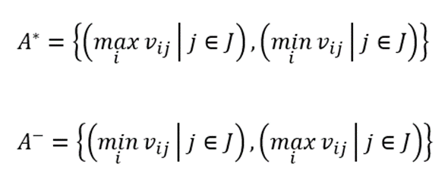

Step 5: Calculation Of Discrimination Criteria | Companies | ORACLE | SAP | LOGO | CANİAS | MICROSOFT | WORKDAY
 | Si+ | 0.058059546349 | 0.082856284186 | 0.075618274022 | 0.10725941008 | 0.089014152386 | 0.11913576455
 | Si- | 0.10486383563 | 0.083909515901 | 0.092398288444 | 0.099735249027 | 0.10299737754 | 0.080442336061

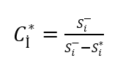
Step 6: Computing Relative Solution According To Ideal Solution | Companies | ORACLE | SAP | LOGO | CANİAS | MICROSOFT | WORKDAY
 | Ci | 0.6436389569 | 0.50315781687 | 0.54993559616 | 0.48182522901 | 0.53641246221 | 0.40306193823
 | Rank | 1 | 4 | 2 | 5 | 3 | 6

