References
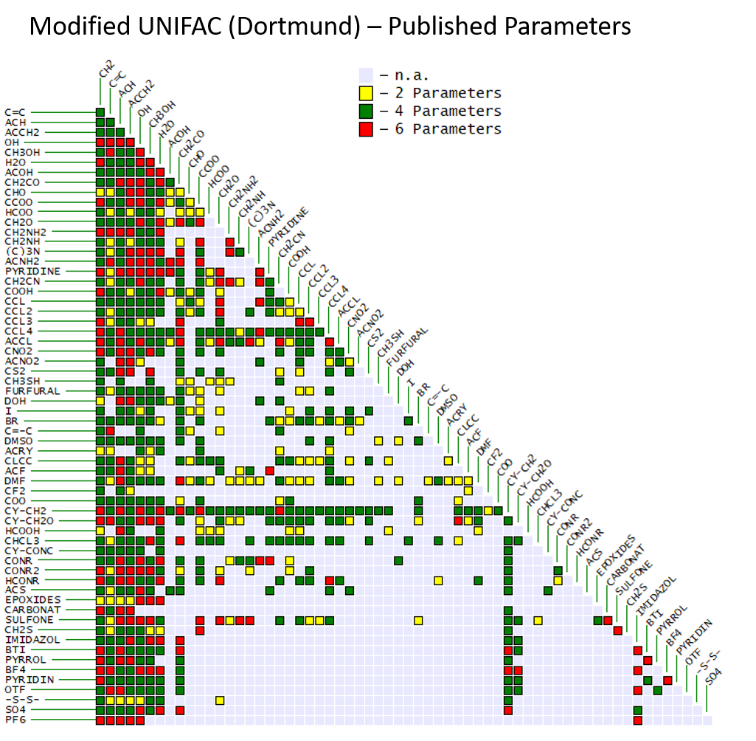
1. Weidlich,Gmehling, Ind.Eng.Chem.Res., 26, 1372 (1987)
2. Gmehling, Li, Schiller, Ind.Eng.Chem.Res., 32, 178 (1993)
3. Gmehling, Lohmann, Jakob, Li, Joh, Ind.Eng.Chem.Res., 37, 4876-4882 (1998)
4. Gmehling, Wittig, Lohmann, Joh, Ind.Eng.Chem.Res., 41, 1678-1688 (2002)
5. Wittig, Lohmann, Joh, Horstmann, Gmehling, Ind.Eng.Chem.Res., 40, 5831-5838 (2001)
6. Lohmann, Joh, Gmehling, Ind.Eng.Chem.Res., 40, 957-964 (2001)
7. Lohmann, Gmehling, J.Chem.Eng.Jpn., 34, 43-54 (2001)
8. Wittig, Lohmann Gmehling, AIChE Journal 49, 2, 530-537 (2003)
9. Jakob, Grensemann, Lohmann, Gmehling, Ind.Eng.Chem.Res. 45, 7924-7933 (2006)
10. Hector, Gmehling, Fluid Phase Equilib. 371, 82-92 (2014)
11. Constantinescu, Gmehling, J.Chem.Eng.Data, 61(8), 2738-2748 (2016)

