Sheet1
mean
4.9530324244 | mean (after applying link)
1.6 | mean

4.9530324244 | mean selected

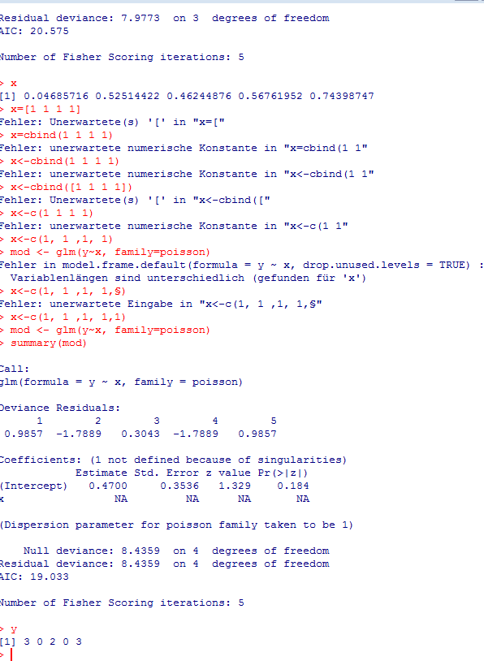
y | x
3 | 1 | 2.5995653508
0 | 1 | 0
2 | 1 | 4.3307001473
0 | 1 | 0
3 | 1 | 2.5995653508

 |  | 9.5298308489

