Flow Chart
Standardization Part Library

How to register as user?
To search for an existing part
To create a new part

Get approval from your superior
Click the specific category on the left part of the page
X
Fill in standard part filter form

Send employee ID, email and department to Bak Kah Fei (ETD3)
Superior approval

Use filter to sort out information

Fail
Revisit existing part

Get user ID and password

Part available
Part not available

Log in
Pass

Check status
Click the specific category on the left part of the page
** Pronovia will not start if Part are not register in Standardization Library

Click "New [part]"

Key in all the required statement

Click "Submit [part]"

Click "Update [part]"
Edit the data

Wait for an approval from superior

Status

Reject
Approve draft
Needs editing

If need to edit

Full Part ISIR released

Data has been deleted
Ask superior for editing

Release part

Block
X

Procedure
This procedure shows step by step on how to create an account, search for existing part and create new part in Standard Part Library

A. Register as user
> Get approval from superior for the access ( Section Head or Department Head)
> Send your employee ID, email and department to Bak Kah Fei (ETD3) via email.
> Get user ID and password to log in
> Log in |  | http://pg-ut4896c.pg2.apac.bosch.com:3666
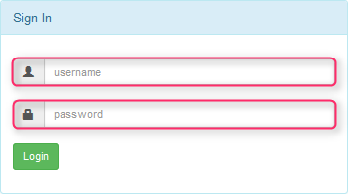

B. Step to search for an existing part
> Log in > Click the specific category on the left part of the page

 |  |  |  |  | > Please take note for active and inactive parts
 |  |  |  |  | > The ready/active part is shown in black font and non-ready/ inactive part is in grey font

 |  |  |  |  | *** Inactive parts data process in progress

 |  |  | Ready/active parts

 |  |  | Non-ready/ inactive parts

> To search => Use the search function :
 | 1. Click filter icon to access advanced filtering features
 | 2. Use the dop arrow to filter the information

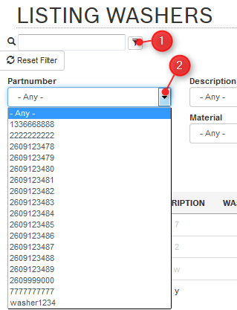

> User can also check who submitted the part

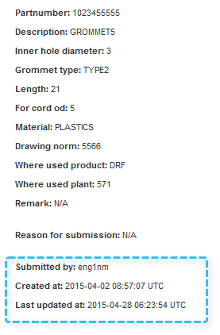

> If the part that you are finding is available in the lists, make sure you check the status
> If the status is Release, then you can use it
> If the status is Approve Draft, means it is not release for mass production yet
> If the status is Pending, means the part are still subject to change w/o prior notice. But you can check with the creator-engineer for status

> If the part that you are finding is not available in the lists, and you want to make new part, Go to create new part

C: Create new product
> Open standard part filter.
>You can click here to see the example to fill in the form
> Fill in your data in the standard part filter. Make sure fill in all demanded data

>Wait for approval from superior
 | > If pass; then can continue to create new part
 | > Go to create new part

 | > If fail;
 | > You need to revisit the existing part to search again if there are part that you can use.

> Click the specific category on the left part of the page > Click the " New [part]" button below the table

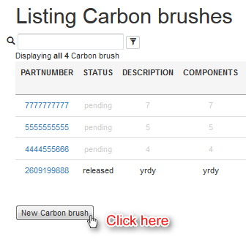

>Key in all the required statement > Click the "Submit [part]" button > Wait for an approval from superior (Status = Pending)
* If the part is submitted by engineer, the section head is responsible to approve it
* If the part is submitted by section head, the department head is responsible to approve it

 |  |  |  | * Part number must be 10 characters
 |  |  |  | * Key in all demanded statement (red box)

 |  |  |  | Click Submit [part]

> The superior will approve the draft or ask you to edit or blocked it
> Table shown below is the example of status

> If your new part is stated " Pending", that's means your new part haven't get an approval from your superior > You can edit all the data and submit again

> If your new part is stated " Need Editing";
 | > You can click pendings part to check if you have any pending part > And click the symbol shown if necessary

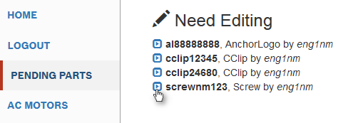

 | > For editing =>You need to edit specific statement that are asssign to you only, then click " Update"
 |  | Part created is pending for approval from Section Head.

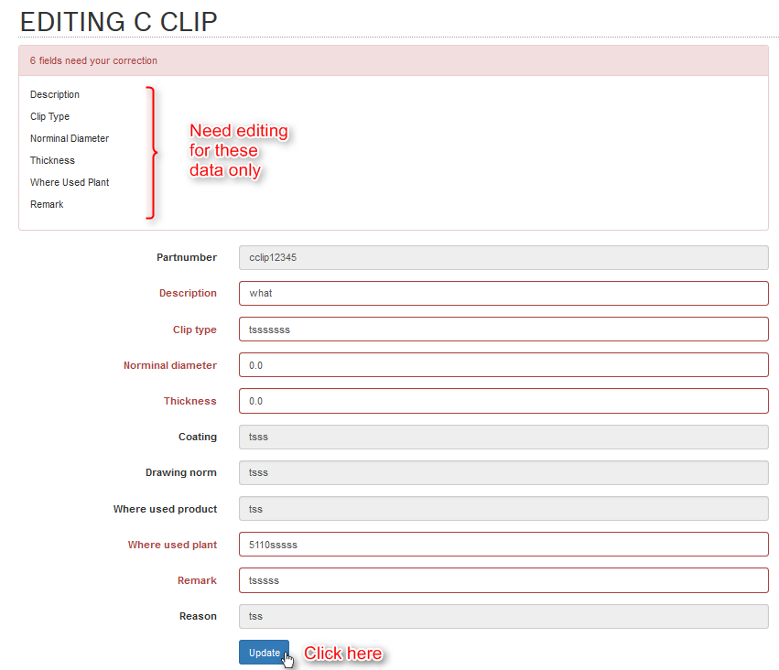
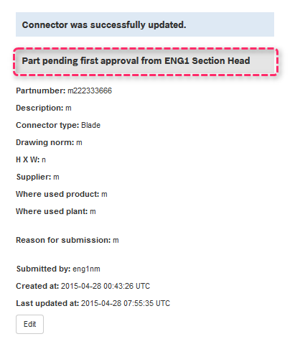

> If your new part is disappeared from the list, means superior already rejected it.
> Your data is deleted from the list.

 | Before

 | After Deleted

> If your new part are ready for for approved ( stated "Approve draft" ) :
 | 1 > You need to meet your superior for verification
 | 2 > The part should have granted full ISIR released
 | 3 > But if you want to edit the part during the process, ask approval from your superior for editing
 | 4 > Once you parts are ready for the mass production, inform your superior for to full release the data.
 | 5 > Then the part status become "Released", means released for mass production and can be used
> If your part is already released but no more applicable or invalid, then inform your superior on the request and get assist from superadmin to destroy the "Released" part from the Library

 | Before

 | After

> The part 'Released' can be set to 'Block' by Section Head and must be approved by Department Head

> If your new part's status is "Block", then you cannot edit your part (Only superadmin can destroy it)
>The 'Block' component can be set to 'Released' ONLY by Department Head
>To unblock, SH or engineer will need to communicate or write email to DH so that DH can set from block to release.

