Sheet1
1 | Import Google Services API | https://developers.google.com/android/guides/setup
2 | Create API Key | https://console.cloud.google.com/apis/dashboard?project=final-year-project-215608&organizationId=0&duration=PT1H |  | Google Cloud Platform Console -> Project ->Credentials | 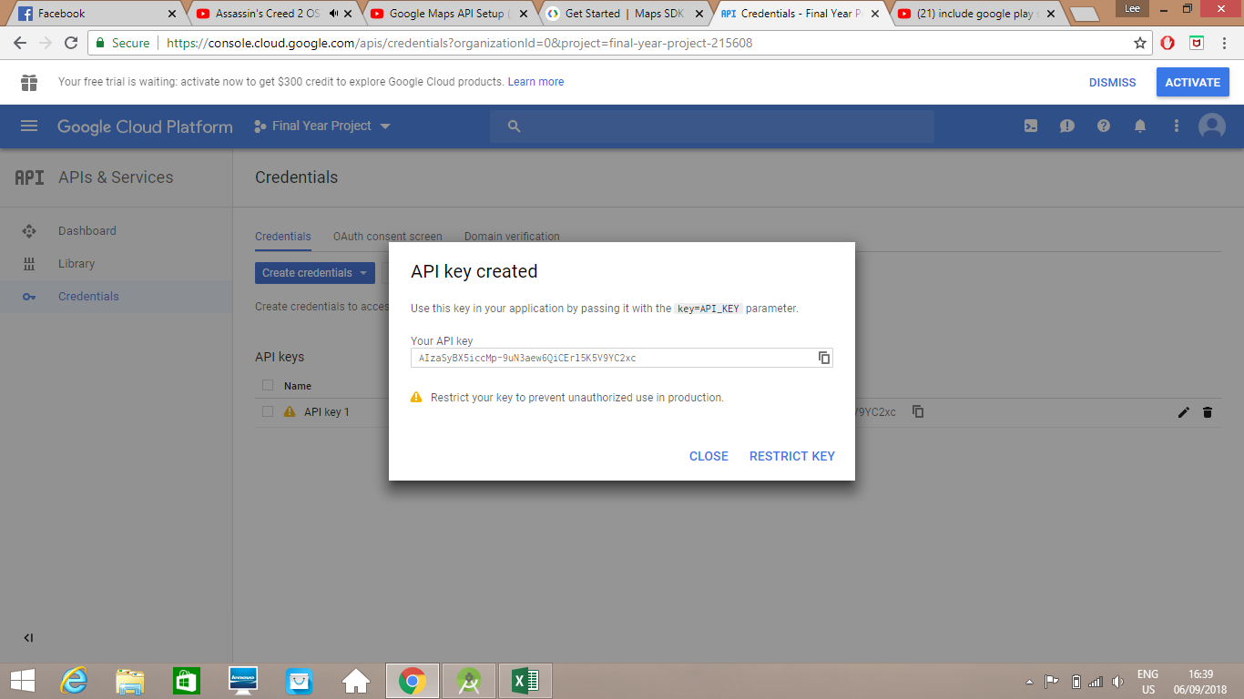
 |  |  |  |  | 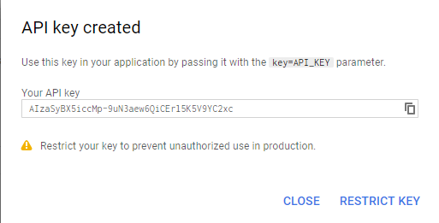
3 | Enable App | https://console.cloud.google.com/apis/library?organizationId=0&project=final-year-project-215608 |  | Library -> Maps SDK for Android -> Enable
4 | Connecting API to A.Studio |  |  | NTUST -> Final_Year_Project -> app -> src -> main ->res -> values -> strings.xml
5 | Check for version compatibility | isServicesOK |  | Final_Year_Project -> app -> src -> main -> java -> com -> |  |  | GoogleApiAvailability.getInstance().isGooglePlayServicesAvailable(MainActivity.this)
 |  |  |  | example -> lee -> googlemaps -> MainActivity
6 | Initialize map | onCreate |  |  |  |  | if(isServicesOK) init();
7 | Init function | private void init()
8 | Add button |  |  | Final_Year_Project -> app -> src -> main -> res -> layout -> |  |  | 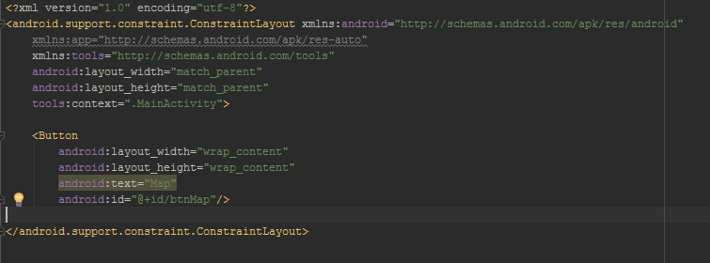
 |  |  |  | activity_main.xml
9 | Add class(Map Activity) | MapActivity |  | Final_Year_Project -> app -> src -> main -> java -> layout ->
 |  |  |  | com.example.lee. Googlemaps -> new -> java class
10 | Create Layout File(activity_map) | Put all the map stuff |  | Final_Year_Project -> app -> src -> main -> res -> layout (right click) |  |  | 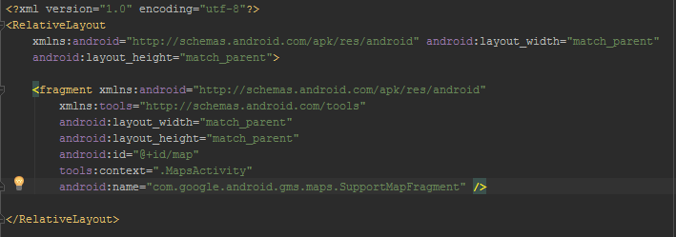
 |  |  |  | new -> Layout Resource File
11 | Add Google Permissions | https://developers.google.com/maps/documentation/android-sdk/config |  | Final_Year_Project -> app -> src -> main -> res -> AndroidManifest.xml
 |  | https://developers.google.com/maps/documentation/android-sdk/location |  |  |  |  | 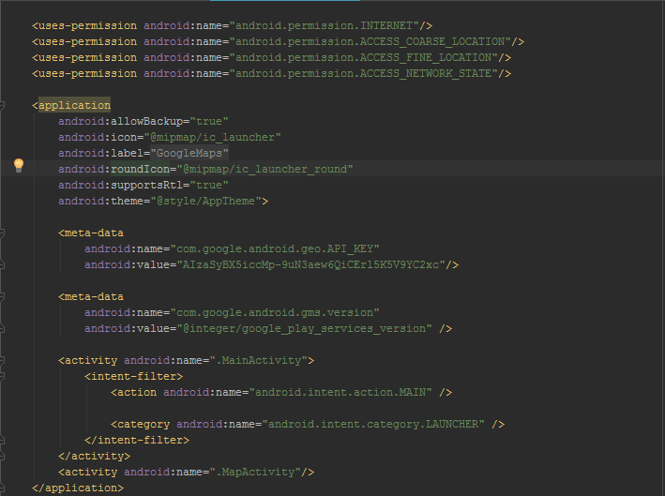

12 | Add permissions- MapActivity
13 | Connect Phone to Android Studio | https://stackoverflow.com/questions/31488295/adb-is-not-recognizing-my-redmi-note-device |  | C:\Users\Lee\AppData\Local\Android\Sdk\Local\extras\
 |  |  |  | google\usb_drivers
 |  |  |  | Note: AppData is hidden and has to be shown via:
 |  |  |  | Control Panel -> Folders(search) -> Show hidden files
 |  |  |  | Note: Xiaomi Driver
 |  |  |  | Desktop -> NTUST -> Drivers -> Xiaomi
13a | Installation failed with message Failed to finalize session : INSTALL_FAILED_USER_RESTRICTED: Install canceled by user. | https://stackoverflow.com/questions/47239251/install-failed-user-restricted-android-studio-using-redmi-4-device |  | Turn on and off enable USB installation until it works
14 | Get rid of action bar |  |  | Final_Year_Project -> app -> src -> main -> res -> values ->
 |  |  |  | styles.xml
15 | Add searchbar at top of app |  |  | activity_map.xml
16 | Get android Icon |  |  | Final_Year_Project -> app -> src -> main -> res -> drawable -> |  | 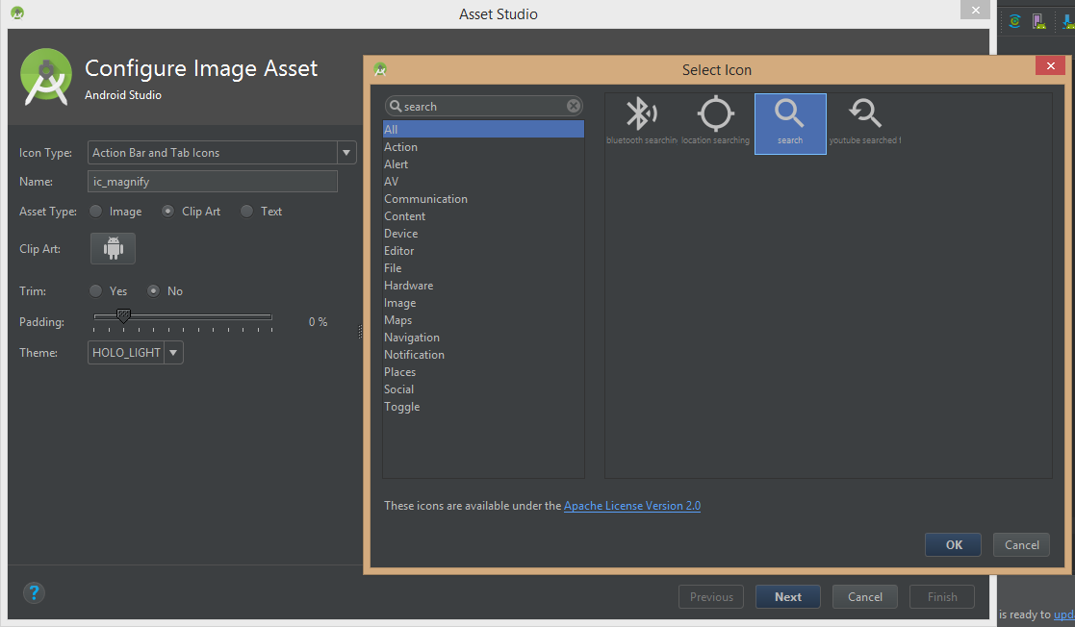
 |  |  |  | New(right click) -> Image Asset |  | 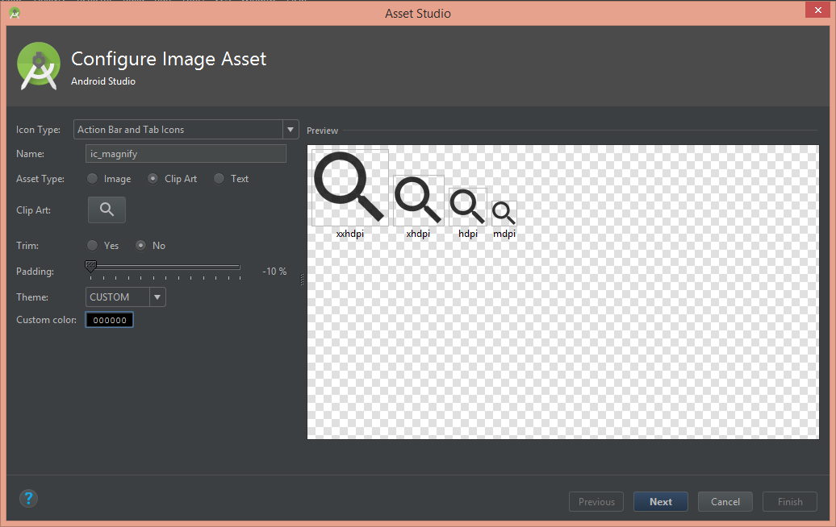

17 | Add drawable resource file(background) |  |  | Final_Year_Project -> app -> src -> main -> res -> drawable ->
 |  |  |  | New(right click) -> Drawable resource file
18 | Add google places | https://console.cloud.google.com/apis/credentials/key/7897801710765557519?project=final-year-project-215608&organizationId=0 |  | 1.Restrict API key to Android App
 |  |  |  | 2.Add package name and fingerprint
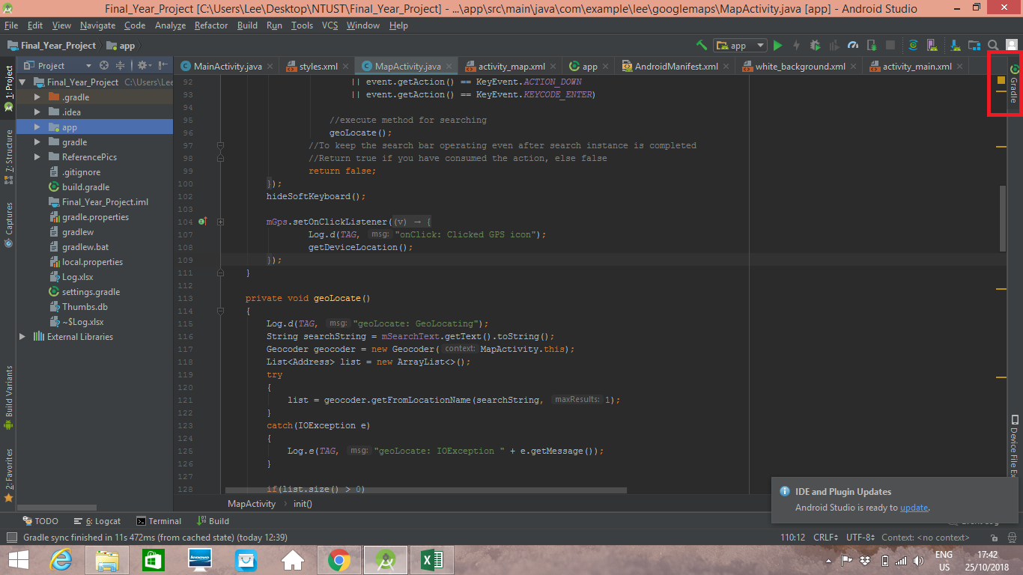
 |  |  | Gradle -> app -> Tasks -> Android -> signingReport | 3. Package name = (D46)

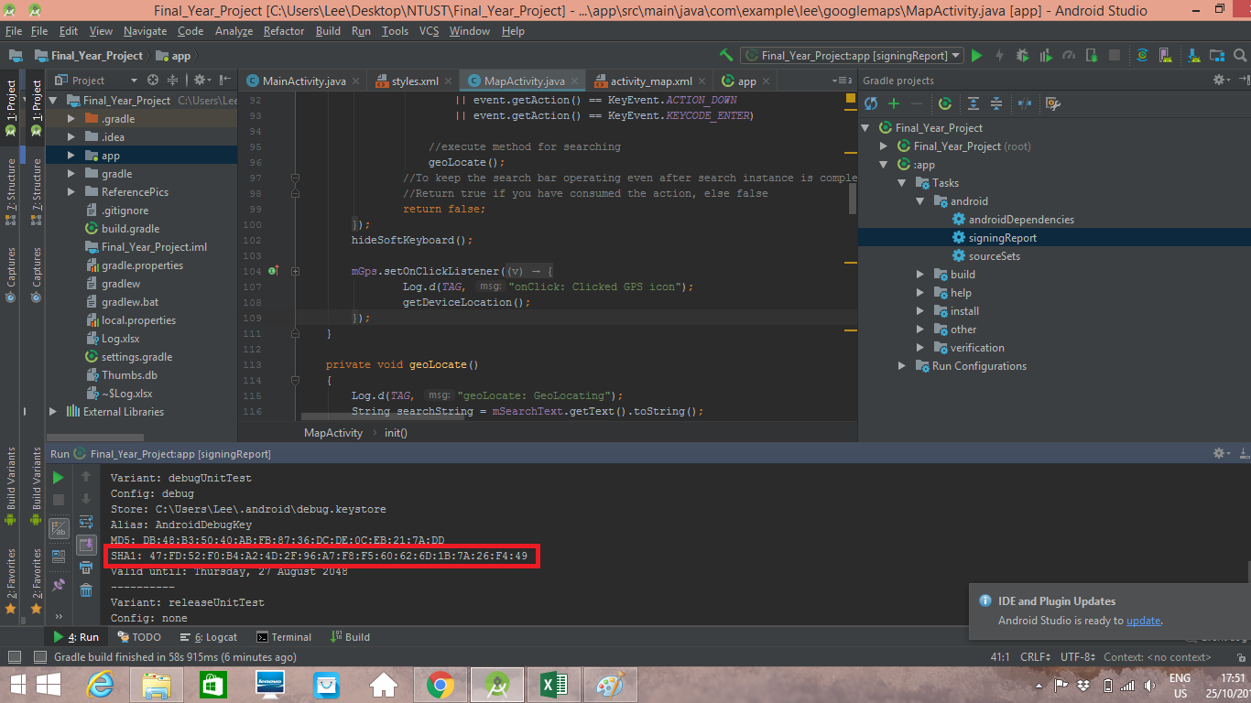

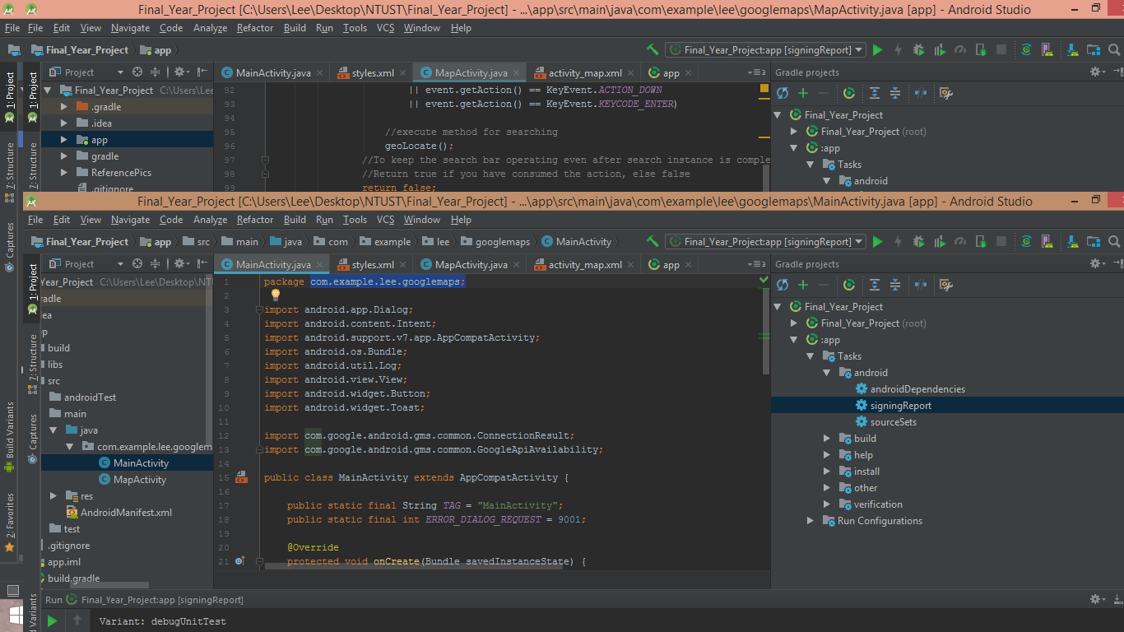

18 | Enable Google Places API | https://console.cloud.google.com/apis/library?organizationId=0&project=final-year-project-215608
19 | AutoComplete TextView | https://developers.google.com/places/android-sdk/autocomplete#get_place_predictions_programmatically |  | Sample Apps
 |  |  |  | https://github.com/googlesamples/android-play-places/blob/master/PlaceCompleteAdapter/Application/src/main/java/com/example/google/playservices/placecomplete/PlaceAutocompleteAdapter.java

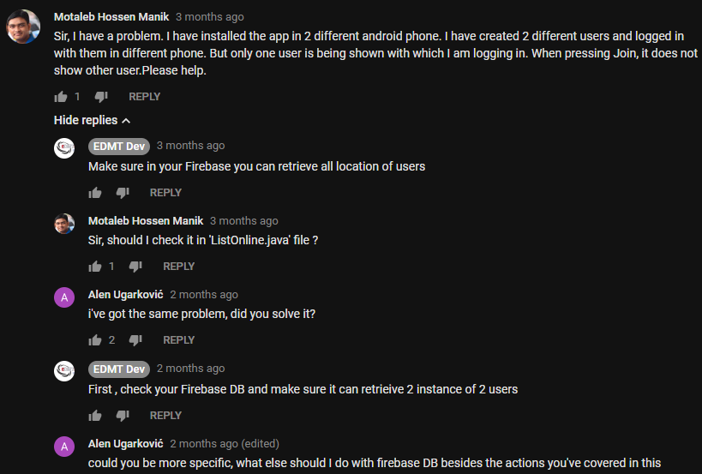

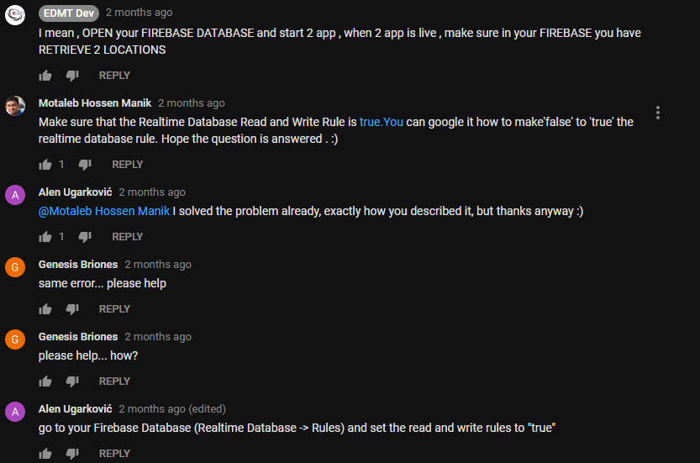

To Firebase Realtime Database |  | https://final-year-project-215608.firebaseio.com/

