NOTES
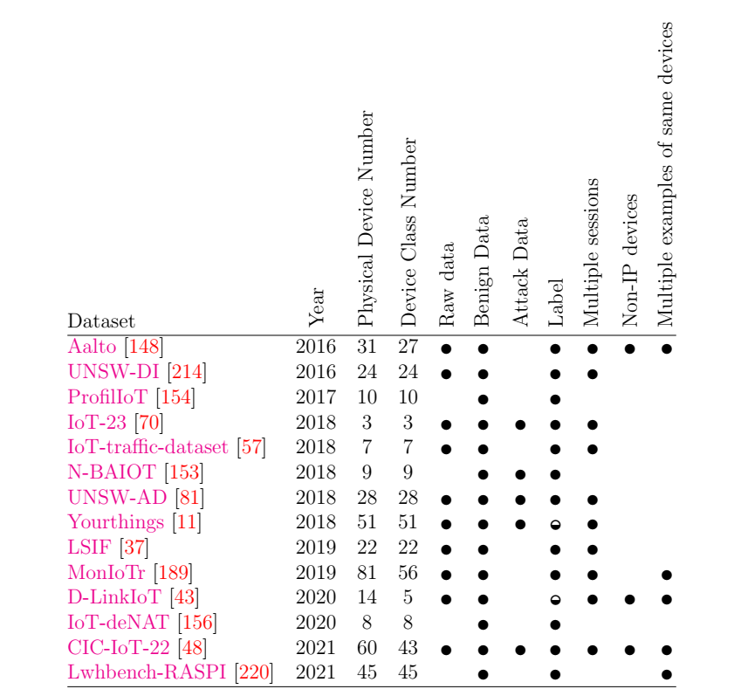
 | DADABOX pcap files are broken | I create an github issue about it
 | Monitor - DADABOX devices intersecting | Can it use for another testing phase?
 | intersecting device list | need to control
SORULAR |  |  |  |  |  | Device Number
 |  |  |  | Dataset | Year | Physical | Class
 |  |  | x | Aalto [148] | 2016 | 31 | 27
 |  |  |  | UNSW-DI [214] | 2016 | 24 | 24 | Reserved for TEST phase
 |  |  |  | ProfilIoT [154] | 2017 | 10 | 10 | It's not suitable because it doesn't have raw data.
 |  |  | x | IoT-23 [70] | 2018 | 3 | 3
 |  |  |  | IoT-traffic-dataset [57] | 2018 | 7 | 7
 |  |  |  | N-BAIOT [153] | 2018 | 9 | 9 | It's not suitable because it doesn't have raw data.
 |  |  |  | UNSW-AD [81] | 2018 | 28 | 28 | Reserved for TEST phase
 |  |  |  | Yourthings [11] | 2018 | 51 | 51
 |  |  | x | LSIF [37] | 2019 | 22 | 22
 |  |  |  | MonIoTr [189] | 2019 | 81 | 56 | Reserved for TEST phase
 |  |  | x | D-LinkIoT [43] | 2020 | 14 | 5
 |  |  |  | IoT-deNAT [156] | 2020 | 8 | 8 | It's not suitable because it doesn't have raw data.
 |  |  | x | CIC-IoT-22 [48] | 2021 | 60 | 43
 |  |  |  | Lwhbench-RASPI [220] | 2021 | 45 | 45 | It's not suitable because it doesn't have raw data.
 |  |  |  | DADABOX | 2019 | 41 | 41 | Reserved for TEST phase

