evenness
Shannon's Evennes Index
0-1
bigger number, more even |  |  |  |  | Evenness ; diversity
EVENESS |  | Wild | hatchery | aq
June | HH | 0.56604702336 | 0.66693736556 | 0.42883647189
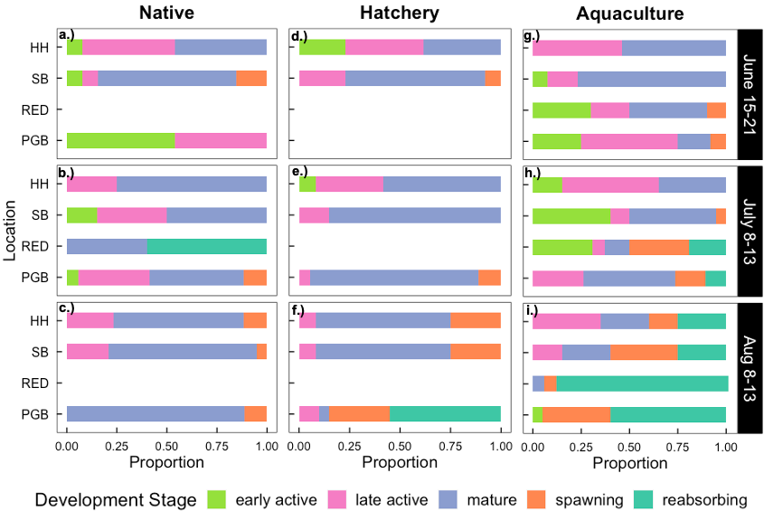
 | SB | 0.58228767099 | 0.49102109649 | 0.42691428013
 | RED | - | - | 0.79521814165
0.57 ; 0.91
0.58 ; 0.94
0.42 ; 0.69
0.67 ; 1.07
0.49 ; 0.79
0.43 ; 0.69
0.43 ; 0.68
0.80 ; 1.28
0.75 ; 1.20
 | PGB | 0.42883647189 | - | 0.74488695924
July | HH | 0.34939847028 | 0.55155546453 | 0.62045222364
 | SB | 0.62045222364 | 0.26264392341 | 0.68712801561
 | RED | 0.41816566008 | - | 0.91690752227
 | PGB | 0.70876930828 | 0.34586416802 | 0.76653105319
Aug | HH | 0.54298485677 | 0.51195464543 | 0.83579050268
 | SB | 0.43991692441 | 0.51195464543 | 0.83579050268
 | RED | - | - | 0.27421025631
 | PGB | 0.2167415673 | 0.66485777825 | 0.51180584547
0.35 ; 0.56
0.62 ; 1.0
0.42 ; 0.67
0.71 ; 1.14
0.55 ; 0.89
0.26 ; 0.42
0.35 ; 0.55
0.62 ; 1.0
0.69 ; 1.11
0.92 ; 1.48
0.77 ; 1.23
Shannon's Diversity Index
0-1
bigger number, more diverse
DIVERSITY |  | Wild | hatchery | aq
June | HH | 0.91101753962 | 1.0733942814 | 0.69018567609
 | SB | 0.93715585364 | 0.7902679685 | 0.6870920278
 | RED | - | - | 1.2798542258
 | PGB | 0.69018567609 | - | 1.1988493127
0.54 ; 0.87
0.44 ; 0.71
0.22 ; 0.35
0.51 ; 0.82
0.51 ; 0.82
0.67 ; 1.07
0.84 ; 1.35
0.84 ; 1.35
0.27 ; 0.44
0.51 ; 0.82
July | HH | 0.56233514462 | 0.88769427542 | 0.99857933159
 | SB | 0.99857933159 | 0.42270908781 | 1.105889879
 | RED | 0.67301166701 | - | 1.4757057285
 | PGB | 1.1407201959 | 0.55664690456 | 1.2336841381
Aug | HH | 0.87390041436 | 0.82395921581 | 1.3451529219
 | SB | 0.70801897646 | 0.82395921581 | 1.3451529219
 | RED | - | - | 0.44132438248
 | PGB | 0.34883209561 | 1.0700473147 | 0.82371973151

