Notes
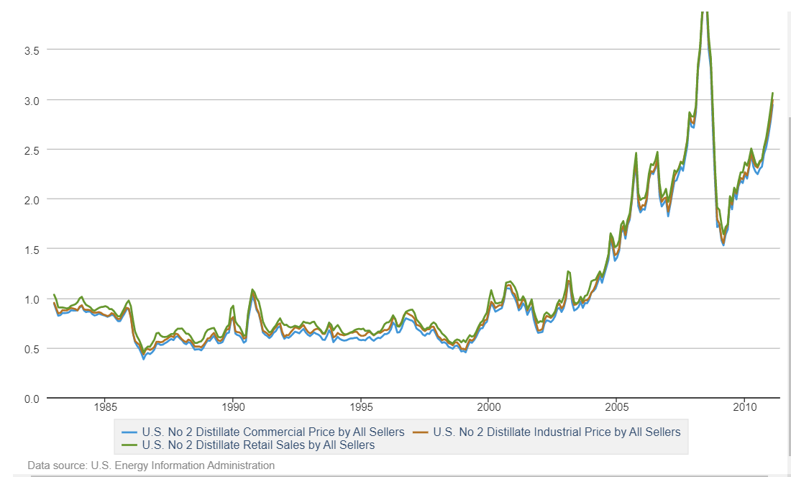
Column | Data | Description | Source | Notes | URL
p_coal_pwr | Coal shipments to the electric power sector: price, by plant state | Annual price data, in $/short ton, for coal purchased by the electric power sector, by the state of the power plant. Year used: 2020 to match coal mine data. | EIA-023 Schedule 2 |  | https://www.eia.gov/coal/data/browser/#/topic/45?agg=1,0&geo=g0fvvvvvvvvvo&rank=g&linechart=COAL.SHIP_PLANT_PRICE.US-TOT.A&columnchart=COAL.SHIP_PLANT_PRICE.US-TOT.A&map=COAL.SHIP_PLANT_PRICE.ME-TOT.A&freq=A&start=2015&end=2021&ctype=map&ltype=pin&rtype=s&pin=&rse=0&maptype=0 | LEGEND
p_coal_ind | Coal price by sector and state | Annual price data, in $/short ton, for coal used in the electric power, commercial/institutional, coke plant, and other industrial sectors, by the state of the power plant. Year used: 2016 to match Industrial Energy Databook year. | EIA-3/EIA-5/EIA-923 | - The sector used to get 'industrial' price was 'other industrial' - Some states had data withheld. Where possible, the regional price was used for these states. Where no regional price was availabe, the price for coal used for power generation was used. | https://www.eia.gov/coal/data/browser/#/topic/23?agg=1,0&geo=g0fvvvvvvvvvo&sec=gs&linechart=COAL.COST.US-98.A&columnchart=COAL.COST.US-98.A&map=COAL.COST.US-98.A&freq=A&start=2015&end=2021&ctype=map&ltype=pin&rtype=s&maptype=0&rse=0&pin= | - Black font = actual value from dataset - Blue font = value imputed from coarser regional granularity - Orange fill = value calculated (e.g. mean of several entries) - Blank = no data available
p_ng_comm | Commercial price of naturual gas, by year and state | Annual price data, in $/thousand cubic ft (Mcf), for natural gas used in the commercial sector. Year used: 2018 to match Comstock data. | EIA |  | https://www.eia.gov/dnav/ng/ng_pri_sum_a_EPG0_PCS_DMcf_a.htm
p_ng_ind | Industrial price of natural gas, by year and state | Annual price data, in $/thousand cubic ft (Mcf), for natural gas used in the commercial sector. Year used: 2016 to match Industrial Energy Databook data. | EIA |  | https://www.eia.gov/dnav/ng/ng_pri_sum_a_EPG0_PIN_DMcf_a.htm
p_ng_pwr | Electric power sector price of natural gas, by year and state | Annual price data, in $/thousand cubic ft (Mcf), for natural gas used in the electric power sector sector. Year used: 2019 to match EIA power plant emissions data | EIA | - Some states had data withheld. Where this was the case, use national price ($2.99/Mcf) | https://www.eia.gov/dnav/ng/ng_pri_sum_a_EPG0_PEU_DMcf_a.htm
p_elec_comm | Average retail price of electricity: commercial sector, by state | Annual price data, in c/kWh, for electricity used in the commercial sector. Year used: 2018 to match Comstock data. | EIA-861/EIA-861M |  | https://www.eia.gov/electricity/data/browser/#/topic/7?agg=0,1&geo=vvvvvvvvvvvvo&endsec=k&freq=A&start=2001&end=2021&ctype=map&ltype=pin&rtype=s&pin=&rse=0&maptype=0
p_elec_ind | Average retail price of electricity: industrial sector, by state | Annual price data, in c/kWh, for electricity used in the commercial sector. Year used: 2016 to match Industrial Energy Databook | EIA-861/EIA-861M |  | https://www.eia.gov/electricity/data/browser/#/topic/7?agg=1,0&geo=vvvvvvvvvvvvo&endsec=2&freq=A&start=2001&end=2021&ctype=map&ltype=pin&rtype=s&maptype=0&rse=0&pin=
p_crude | Domestic Crude Oil First Purchase Prices by Area: price | Annual price data, in $/bbl, of crude oil sold by producers for each state. Year used: average of 2019 and 2020 to match fossil fuel extraction data | EIA | - Assume first purchase of gasoline is by refineries. | https://www.eia.gov/dnav/pet/pet_pri_dfp1_k_a.htm
p_dsl | Prices of Refiner No. 2 Distillate Sales to End Users | Annual price data, in $/gallon, of no. 2 distillate fuel oil sold by refineries, by state. Year used: 2016 to match industial energy databook | EIA | - Take 'No. 2 Distillate oil' to be diesel - Assume no meaningful change in diesel price between industrial and commercial sectors (see graph below from EIA) - Data is withheld for some states. In these cases, use next highest regional granularity (e.g. PADD). All else failing, use US national price. | https://www.eia.gov/dnav/pet/pet_pri_refoth_a_EPD2_PTG_dpgal_a.htm
p_heatoil_comm | Wholesale Weekly Heating Oil Prices (October - March), by state | Weekly price data in $/gallon of heating oil during the weeks between October and March for wholesale consumers. Weeks used: average of weeks between October 2017-March 2018 and weeks between October 2018-March 2019, to match Comstock data. | EIA | - Assume all commercial consumers of heating oil are wholesale consumers (other option is residential) | https://www.eia.gov/dnav/pet/pet_pri_wfr_a_EPD2F_PWR_dpgal_w.htm
p_lpg_comm | Wholesale Propane Weekly Prices (October - March), by state | Weekly price data in $/gallon of propane during the weeks between October and March for wholesale consumers. Weeks used: average of weeks between October 2017-March 2018 and weeks between October 2018-March 2019, to match Comstock data. | EIA | - Assume all commercial consumers of propane are wholesale consumers (other option is residential) | https://www.eia.gov/dnav/pet/pet_pri_wfr_a_EPLLPA_PWR_dpgal_w.htm
p_lpg_ind | Same as above | Weekly price data in $/gallon of propane during the weeks between October and March for wholesale consumers. Weeks used: average of weeks between October 2015-March 2016 and weeks between October 2016-March 2017, to match Industrial Energy Databook data. |  | - Assume all industrial consumers of propane are wholesale consumers (other option is residential)
p_residfuel_pwr | Refiner Petroleum Product Prices by Sales Type: Residual fuel oil | Annual price data in $/gallon for residual fue oil in the U.S. One national price. Year used: average between 2016-2019. | EIA |  | https://www.eia.gov/dnav/pet/pet_pri_refoth_a_EPPR_PTG_dpgal_a.htm
p_residfuel_ind | Same as above

