Understanding
DJANGO WIKI CS50

UTILS!!!

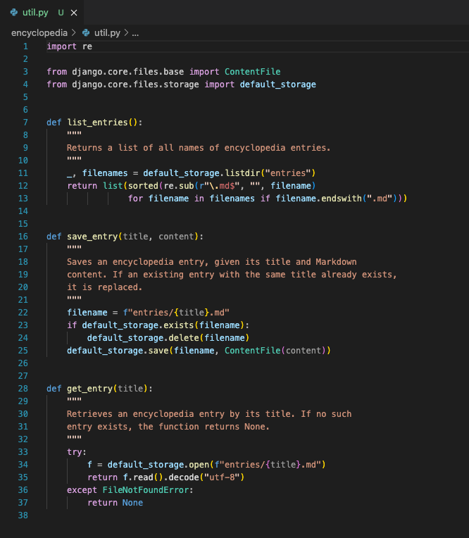

list entries
returns a list of the names of all encyclopedia entries currently saved.

save entry
Saves a new encyclopedia entry, given its title and some markdown content

get entry
Retrieves an encyclopedia entry by its title, returnign the markdown contents if it exists, or NONE if the entry does not exist.

VIEWS.PY
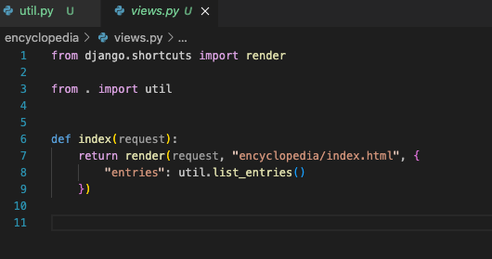

index view...
Notice how we can import and then use the util helper functions.
we are able to pass the list of all entries.

Notice how they have imported bootstrap 4.4.1

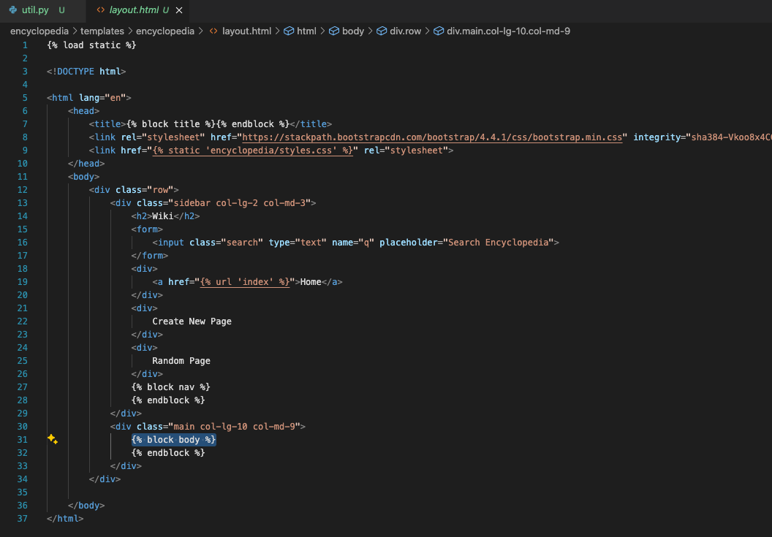
BOOTSTRAP
Notice how they have imported bootstrap 4.4.1 into this project.
But not the javascript files.
What is a better way to incorporate bootstrap into a django project?

And we are able to include the body content here...
But how does this body content get passed to this template?

 | INDEX BODY CONTENT | NAV BODY CONTENT
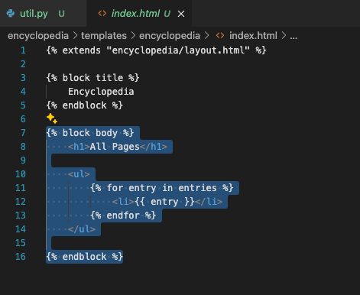

Where the heck is the nav coming from???

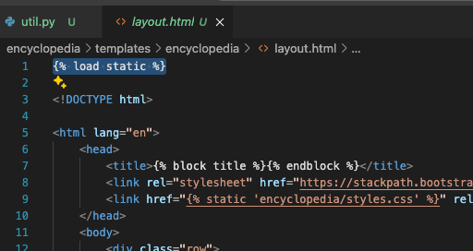

LOAD STATIC

SPEC
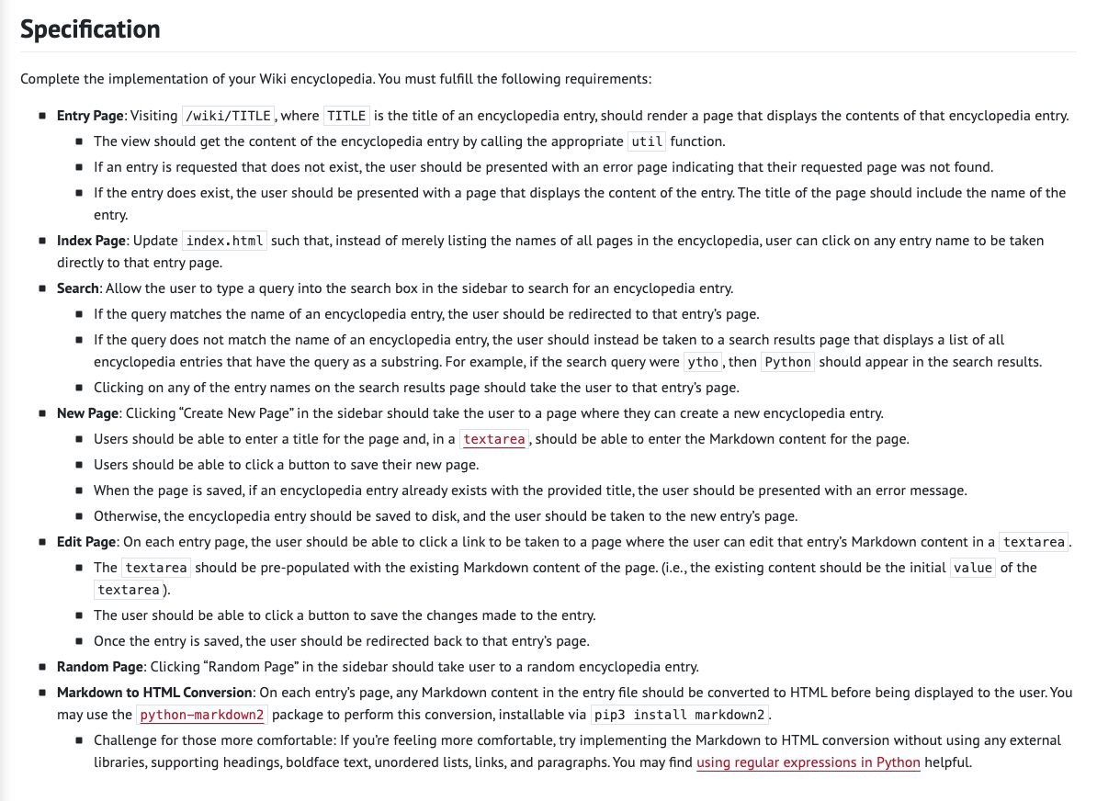

ENTRY PAGE

VISITING
This should be pretty easy... and similar to the examples that i have seen already.
The CS50 lecture probably talks about how to do this.
I think it should be just like this URL pattern
IF THE ENTRY DOES NOT EXIST
So when an entry is requested... it should be checked using the utils.get_entry( ... ) method. And a 404 error page should pop up.
Maybe we should just use 'getObjectOr404' django method...
IF THE ENTRY DOES EXIST
A web page should pop up that contains the contents of that markdown file...

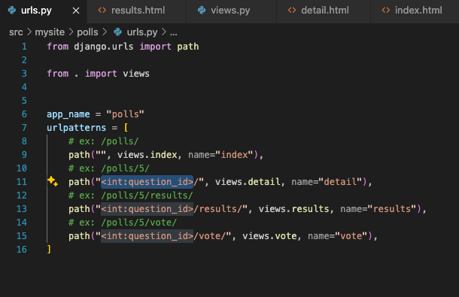
 | .

INDEX PAGE

INDEX PAGE
List the articles, and each should be a clickable link.

SEARCH PAGE

SEARCH
Search bar on the right side.
Users should be able to type a query into the search box, to serach for an encyclopedia entry. If the search term is correct, the user should be redirected to that entry page.
If no query matches ... the user should be taken to a search results page that displays a list of all encyclopedia entries that have the query as a substring...

NEW PAGE

NEW PAGE
Search bar on the right side.
Users should be able to type a query into the search box, to serach for an encyclopedia entry. If the search term is correct, the user should be redirected to that entry page.
If no query matches ... the user should be taken to a search results page that displays a list of all encyclopedia entries that have the query as a substring...

EDIT PAGE

NEW PAGE
Search bar on the right side.
Users should be able to type a query into the search box, to serach for an encyclopedia entry. If the search term is correct, the user should be redirected to that entry page.
If no query matches ... the user should be taken to a search results page that displays a list of all encyclopedia entries that have the query as a substring...

Bootstrap
IMPORT

Currently importing 4.4.1

LECTURE
 | GET parameter being passed to the greet function

 | Render an entire template
 |  | Not just putting a string onto a webpage.

 |  |  |  | Also we want to be namespacing these template files.

 |  |  | CONTEXT IS THEN BEING USED HERE! |  | CONTEXT
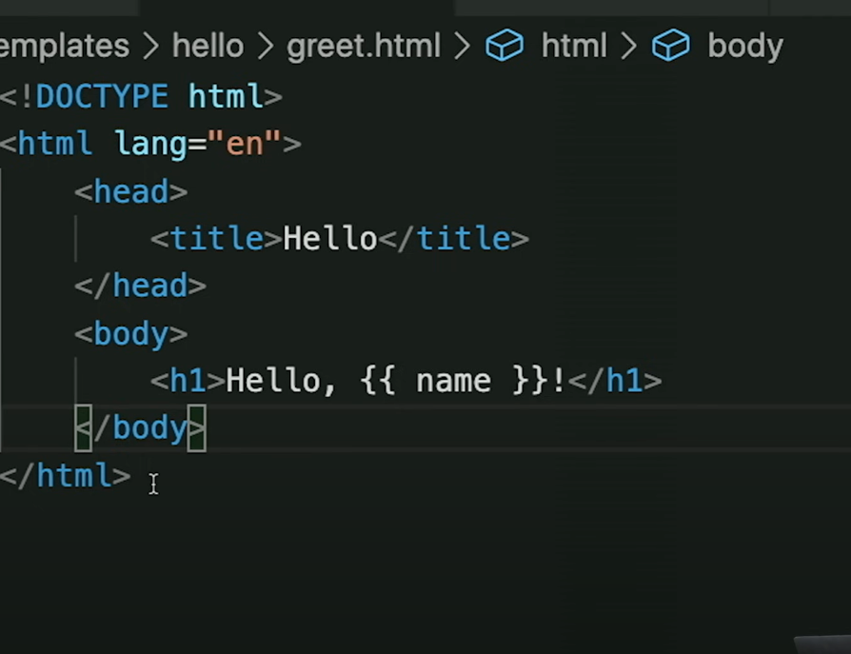

IS IT NEW YEARS

Make a new app in our django application, and include routes to it in hte main URLS

And so we have a very simple app here.. for " is it neweyears... "
And what context do we want to provide here? What variables?
Well - we will need the current date. somehow. So I think, in this index file, we need to use python to grab the current date iwth .dateTime.now() or whatever it looks like. And pass in the month and day.
Or we should just solve it in the python logic, and pass in "YES" or "NO"

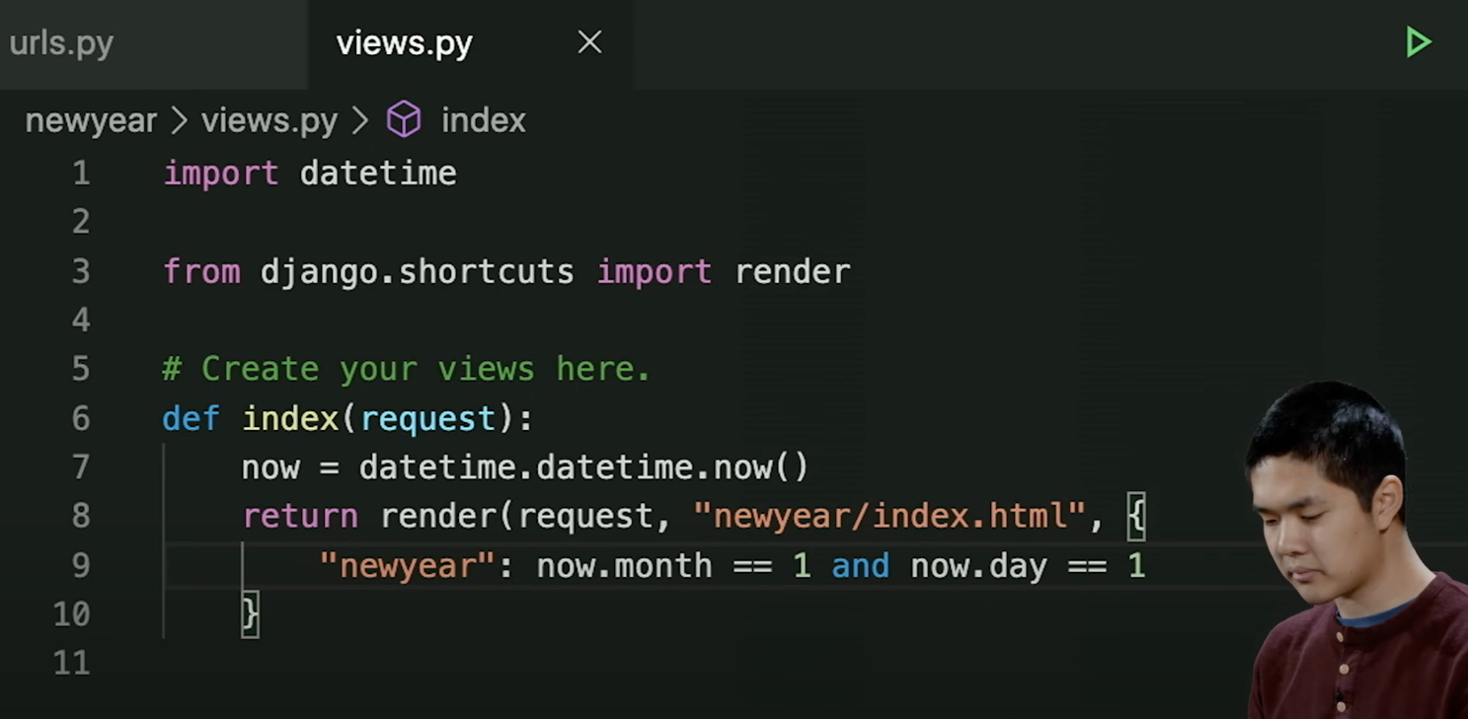
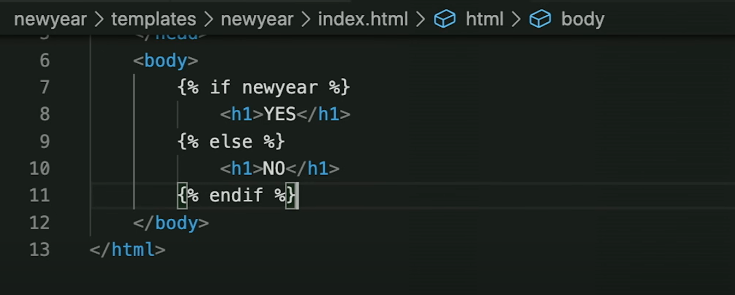

 |  |  | and this is how he does it

