Apple
Fruit/Vegetable Experiment
 | x | x |  |  |  | x | x
 | Number | Object | View | photo_ver (best) | Image_File_Path | Actual Mass (grams) | Estimated Mass (grams) [Best] | (Adjustment, mass)
 | 4 | Apple | Side |  |  | 298 | 2.065 | [3.5, 506], [2.15, 311], [2.065, 299] | apple4_sideview_298gram_3
 | 2 | Apple | Side |  |  | 254 | 2.15 | [2.475, 292], [2.15, 253] | apple2_sideview_254gram_1
 | 6 | Apple | Side |  |  | 189 | 2.15 | [1.0, 88], [2.0, 176.8], [2.15, 190] | apple6_sideview_189gram_2
 | 3 | Apple | Side |  |  | 260 | 2.83 | [2.065, 217], [2.475, 260] | apple3_sideview_260gram_1
 | 1 | Apple | Side |  |  | 264 | 3.29 | [2.475, 236], [2.15, 205], [2.78, 265] | apple1_sideview_264gram_3
 | 5 | Apple | Side |  |  | 237 | 3.9 | [2.15, 146], [3.5, 238.6] | apple5_sideview_237gram_2

Number | Object | View | photo_ver (best) | Image_File_Path | Actual Mass (grams) | Estimated Mass (grams) [Best] | (Adjustment, mass) | p
1 | Apple | Side | 3 |  | 264 | 2.78 | [2.475, 236], [2.15, 205], [2.78, 265]
 | Apple | Top | 1 |  | 264
2 | Apple | Side | 1 |  | 254 | 2.15 | [2.475, 292], [2.15, 253]
 | Apple | Top | 2 |  | 254
3 | Apple | Side | 1 |  | 260 | 2.475 | [2.065, 217], [2.475, 260] | apple3_sideview_260gram_1
 | Apple | Top | 1 |  | 260
4 | Apple | Side | 3 |  | 298 | 2.065 | [3.5, 506], [2.15, 311], [2.065, 299]
 | Apple | Top | 1 |  | 298
5 | Apple | Side | 2 |  | 237 | 3.5 | [2.15, 146], [3.5, 238.6]
 | Apple | Top | 2 |  | 237
6 | Apple | Side | 2 |  | 189 | 2.15 | [1.0, 88], [2.0, 176.8], [2.15, 190]
 | Apple | Top | 1 |  | 189
 |  |  |  |  | Average | 2.52
 |  |  |  |  | Median | 2.3125

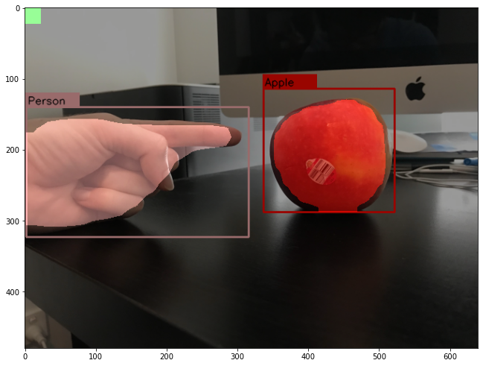
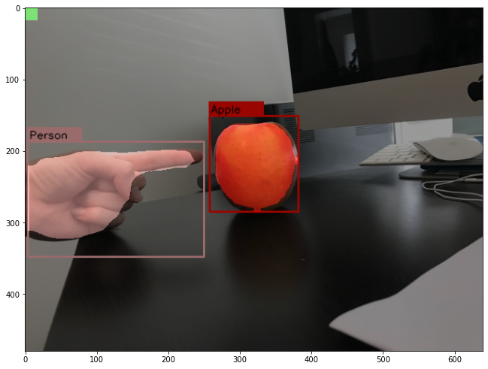
 | apple 3 Side |  |  |  | apple 1 side

Orange
 | orange | date:24-sept-22 |  |  |  |  | using sphere volume equation
Number | Object | View | photo_ver (best) | Image_File_Path | Actual Mass (grams) | Best Adjustment | (Adjustment, mass)
1 | orange | Side | 2 | orange_test2.jpg | 357 | 1.62 | [1, 220], [1.62, 357]
5 | orange | Side |  | orange5_312gram_ver4.jpg | 312 | 1.7 | [2.1, 457], [1.62, 353], [1.435, 312]
2 | orange | Side |  | orange2_327gram.jpg | 327 | 1.8 | [1.62, 355], [1.5, 328]
9 | orange | Side |  | orange9_308gram.jpg | 308 | 1.84 | [1.92, 385], [1.62, 325], [1.54, 309]
6 | orange | Side |  | orange6_319gram.jpg | 319 | 1.86 | [1.435, 286], [1.6, 318]
10 | orange | Side |  | orange10_338gram.jpg | 338 | 2.04 | [1.54, 303], [1.72, 338]
3 | orange | Side |  | orange3_333gram.jpg | 333 | 2.18 | [1.5, 276], [1.81, 332]
8 | orange | Side |  | orange8_315gram.jpg | 315 | 2.25 | [1.92, 315] | :o
4 | orange | Side |  | orange4_339gram.jpg | 339 | 2.52 | [1.81, 293], [2.1, 340]
7 | orange | Side |  | orange7_324gram.jpg | 324 | 2.64 | [1.6, 270], [1.92, 323]
 |  |  |  |  | average | 2.045
 |  |  |  |  | median | 1.95

 | examples of bad finger image segmentation and also the square block problems
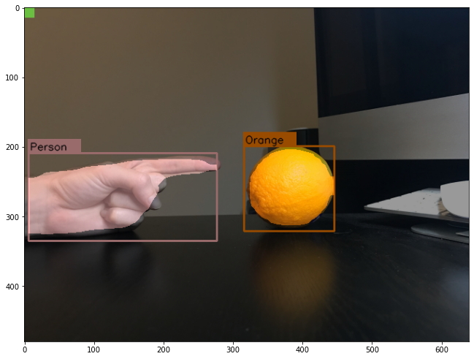
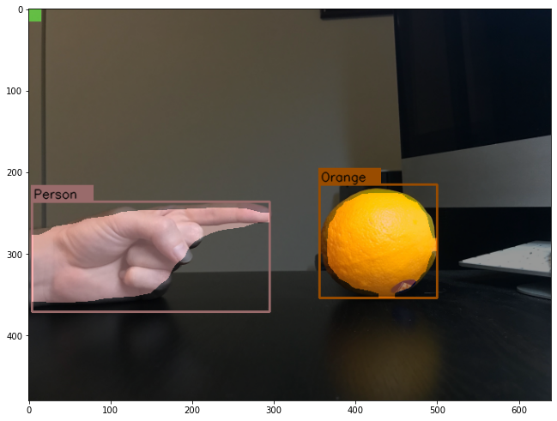

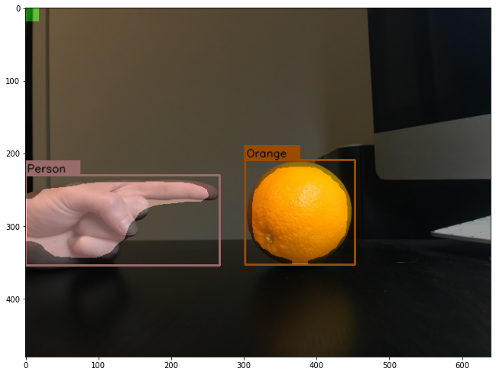
good

Banana
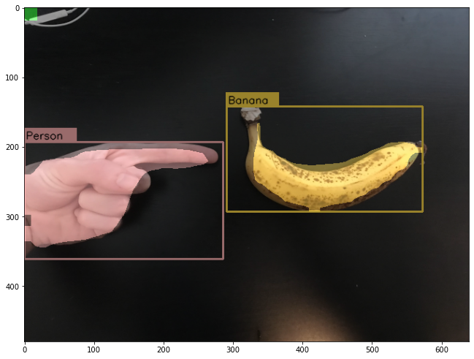
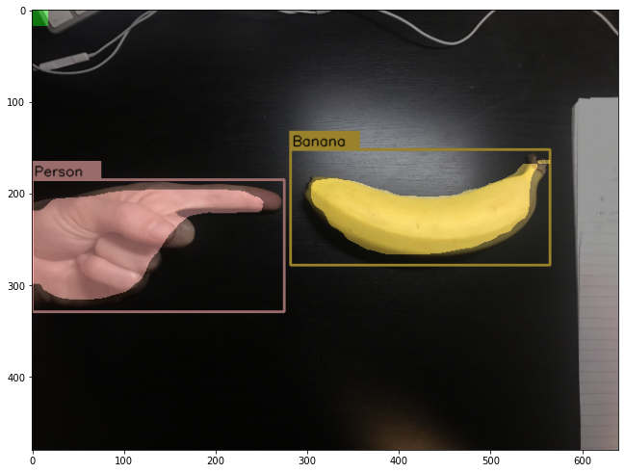
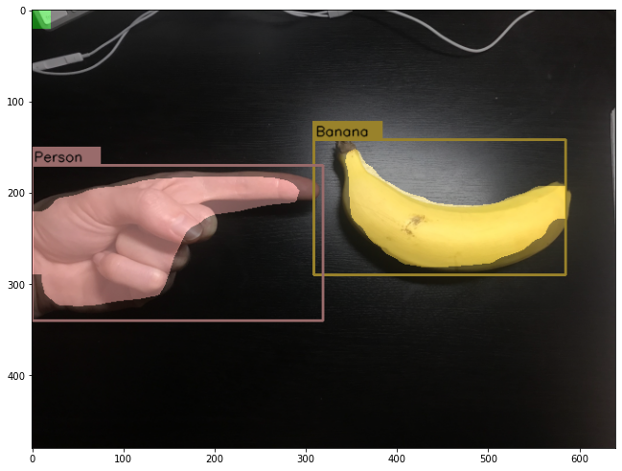
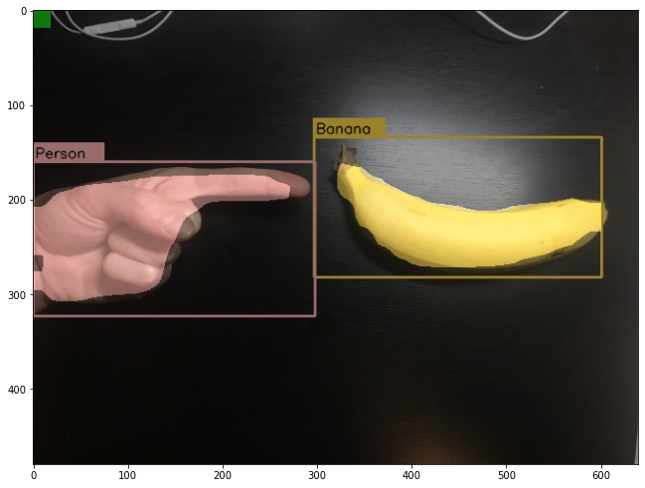
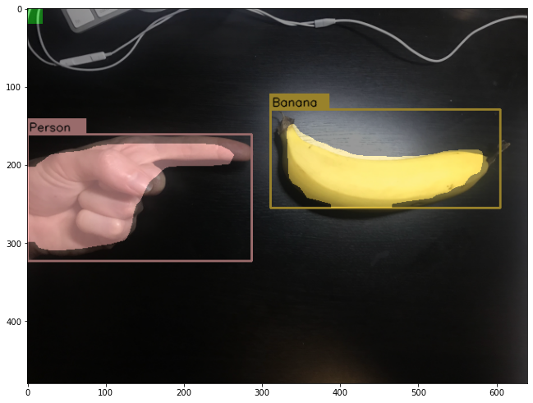
 | orange | date:26-sept-22 |  |  |  |  | using cylinder volume equation
Number | Object | View | photo_ver (best) | Image_File_Path | Actual Mass (grams) | Estimated Mass (grams) [Best] | (Adjustment, mass)
5 | banana | Top | ver5 | banana5_171grams_ver5.jpg | 171 | 1.87 | [2.18, 200], [1.87, 171]
2 | banana | Top | ver3 | banana2_145grams_ver3.jpg | 145 | 2.23 | [2.05, 133], [2.23, 145]
7 | banana | Top | ver2 | banana7_170grams_ver2.jpg | 170 | 2.38 | [2.27, 191], [2.02, 170]
3 | banana | Top | ver2 | banana3_139grams_ver2.jpg | 139 | 2.44 | [2.3, 156], [2.05,139]
8 | banana | Top | ver3 | banana8_166grams_ver3.jpg | 166 | 2.65 | [2.27, 166] (square bottom)
4 | banana | Top | ver2 | banana4_139grams_ver2.jpg | 139 | 2.7 | [1.87, 113], [2.3, 139]
6 | banana | Top | ver13 | banana6_144grams_ver13.jpg | 144 | 2.9 | [2.02, 133], [2.18, 144]
1 | banana | Top | ver3 | banana1_153grams_ver3.jpg | 153 | 3.64 | [2.23, 110], [3.1, 153]

 |  |  |  |  | Average | 2.60125
 |  |  |  |  | Median | 2.545

