1-InTheProgram
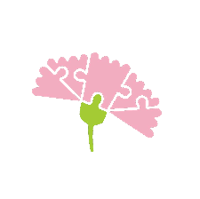
KAISAKA INC.
ACCOMPLISHMENT REPORT

Note: Use your Project Proposal and Activity and Budget in Reporting

 |  |  |  | TOTAL |  | OLD (carried over from previous year) |  |  | NEW (from current year)

 | TARGET | No. of CWDS |  | - |  | - |  |  | -

 | ACTUAL | No. of CWDS |  | - |  | - |  |  | -

 |  | No. of DS |  | - |  | - |  |  | -

IN THE PROGRAM

Age Group | Disability |  | Total No. of Children and Youngsters |  |  |  | Total No. of Children
 |  |  | in the program |  | with individual intervention plan |  | improved in line with the targets of the intervention plan |  |  |  | with transition/graduation plan
 |  |  | Boys | Girls | Boys | Girls | Boys |  | Girls |  | Boys | Girls
0-5 yrs old | All
 | with Down Syndrome
6-11 yrs old | All
 | with Down Syndrome
12-17 yrs old | All
 | with Down Syndrome
18-25 yrs old | All
 | with Down Syndrome
26 and older | All
 | with Down Syndrome
TOTAL BOYS AND GIRLS | All Disabilities |  | 0 | 0 | 0 | 0 | 0 | 0 | 0 | 0 | 0 | 0

 | All Disabilities Except Down Syndrome |  | 0 | 0 | 0 | 0 | 0 | 0 | 0 | 0 | 0 | 0

 | Down Syndrome |  | 0 | 0 | 0 | 0 | 0 | 0 | 0 | 0 | 0 | 0

 |  |  |  |  |  |  |  |  |  |  |  | .

