PICU Infusion Calculator
 |  | PICU INFUSION CALCULATOR

Weight (Kg) | 5
Drug | Norepinephrine (1mg/ml)4ml |  | ENTER THE INFORMATION
Concentration Type (Standard/Maximum) | Standard
Ordered dose | 5
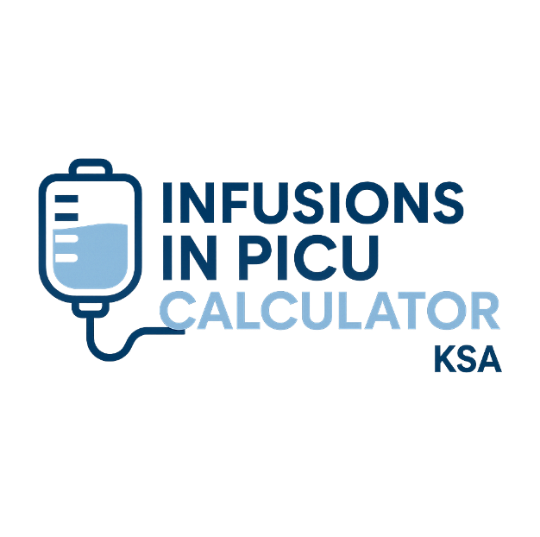
Dose Unit | mcg/kg/min

Stock Conc (mg/mL) if Heparin,Insulin,Vasopressin (Units/ml) | 4
Amount (mg) if Heparin, Insulin, Vasopressin (Units) | 1
Final Volume (mL) | 50
Diluent | (D5NS,D5W,D51/2NS,) *NS alone may Increase decomposition rate*
Resulting Conc (mg/mL) | 0.02

Stock to Draw (mL) | 0.25
Diluent to Add (mL) | 49.75

Dose (mg/hr) if Heparin,Insulin,Vasopressin (Units/ml) | 1.5
Infusion Rate (mL/hr) | 75
 | How to Prepare the Infusion: |  | Special consideration | Average starting dose (Dose range)
 | Draw 0.25 mL stock + 49.75 mL (D5NS,D5W,D51/2NS,) *NS alone may Increase decomposition rate* → Prepare 50 mL (Norepinephrine (1mg/ml)4ml - Standard conc). |  | VESICANT, Administer through large vein or Central line, Protect from light | Start at 0.05-0.1 mcg/kg/min, titrate to desire effect (0.05-2mcg/kg/min)
 |  |  |  | CREATED BY: KATHERINE CASANDRA STA. ANA RN, MSN

