Credit Score and Fraud
Credit Score Predictive of Fraud?
Feature Importances
 | Total
customer_tenure | 0.28856251054
balance_inqury_count | 0.21979189329
email_age | 0.18955267549
email_domain_yahoo.com | 0.15993642315
balance_current_amt | 0.079693918315
current_customer | 0.062297935564
credit_score | 0.0001646436542
Average Credit Score Legit vs Fraud
 | Total
1 | 555.10144231
0 | 551.83621347

According to the decision tree model, credit score is a deciding factor for predicting fraud, however it is an extremely small factor. When doing feature importance analysis, credit score was evaluated to be the lowest contributer to the model out of all the features with an importance score of about .00016. The next lowest contributer, current_customer, had a significanly higher score of about .06. The chart to the right shows the average credit score for those who were predicted as fraud and those who weren't. While the difference is very small, it shows that the accounts predicted as fraud had an average credit score of about 555.1 and those who were predicted as legit had an average credit score of about 551.8

Top 5 Fraud Predictors
Top 5 Important Predictors by Importance
 | importance
balance_current_amt | 0.079693918315
email_domain_yahoo.com | 0.15993642315
email_age | 0.18955267549
balance_inqury_count | 0.21979189329
customer_tenure | 0.28856251054

The top five features by importance are customer_tenure, balance_inqury_count, email_age, email_domain_yahoo.com, balance_current_amt.
In other words, the our models' top five predictors of whether an instance is fraud or not is to consider the duration of the customer's relationship with the service, the number of balance inquiries, how old the email is, whether the email domain is yahoo or not, and the current balance in the account.
While above only five values are listed, our model considers a total of seven predictors; the other two being current_customer (whether they are a current customer or not) and credit_score.

Scores Distribution
Fraud Predictions
 | Total
0 | 8722
1 | 1228
Probability Fraud
 | Total
0 | 21
0.08 | 35
0.0828877005347594 | 546
0.0895381715362865 | 1522
0.0985185185185185 | 5773
0.1 | 14
0.207547169811321 | 88
0.259615384615385 | 136
0.3 | 11
0.359712230215827 | 402
0.368421052631579 | 29
0.428571428571429 | 71
0.46 | 74
0.505747126436782 | 121
0.56 | 28
0.666666666666667 | 30
0.735294117647059 | 53
0.777777777777778 | 21
0.786885245901639 | 94
0.851851851851852 | 72
0.870967741935484 | 85
0.879518072289157 | 250
0.916666666666667 | 15
0.925925925925926 | 75
0.972972972972973 | 43
1 | 341
Scores Distribution
 | Descriptive Statistics
 |  | Probability Fraud | Probability Legit
 | Mean | 0.20889789542 | 0.79110210458
 | Standard Error | 0.0025783640113 | 0.0025783640113
 | Median | 0.098518518519 | 0.90148148148
 | Mode | 0.098518518519 | 0.90148148148
 | Standard Deviation | 0.25719100237 | 0.25719100237
Probability Legit
 | Total
0 | 341
0.027027027027027 | 43
0.0740740740740741 | 75
0.0833333333333333 | 15
0.120481927710843 | 250
0.129032258064516 | 85
0.148148148148148 | 72
0.213114754098361 | 94
0.222222222222222 | 21
0.264705882352941 | 53
0.333333333333333 | 30
0.44 | 28
0.494252873563218 | 121
0.54 | 74
0.571428571428571 | 71
0.631578947368421 | 29
0.640287769784173 | 402
0.7 | 11
0.740384615384615 | 136
0.792452830188679 | 88
0.9 | 14
0.901481481481481 | 5773
0.910461828463713 | 1522
0.917112299465241 | 546
0.92 | 35
1 | 21
 | Sample Variance | 0.066147211699 | 0.066147211699
 | Kurtosis | 3.2625515528 | 3.2625515528
 | Skewness | 2.1799832869 | -2.1799832869
 | Range | 1 | 1
 | Minimum | 0 | 0
 | Maximum | 1 | 1
 | Sum | 2078.5340595 | 7871.4659405
 | Count | 9950 | 9950
The mean probability of fraud is approximately 20.89%, with a mode of about 9.85%, and slightly higher standard deviation of 25.72%, suggesting a significant variation in the probability of fraudulent activities.
On the other hand, the mean probability of legit is around 79.11%, with a mode of about 90.15%, and similar variability to probability fraud.
The data is positively skewed for fraud probability, indicating a tail towards higher probabilities, while the opposite is true for legit probability, showing a tail towards lower probabilities. Both columns exhibit similar kurtosis values, suggesting that there may be some outliers in the data.
The model predicted 8,722 instances classified as legit and 1,228 instances classified as fraud, so about 14.08% of all cases were classified as fraud by the model.

Prob Fraud above 50%
Probability of Fraud 50% or Above
Confusion Matrix
 |  | Actual
 |  | 1 | 0
Predicted | 1 | 1036 | 192 | Accuracy | 0.84364820847
 |  |  |  | Precision | 0.84364820847
 | 0 | 0 | 0 | Recall | 1

Considering only entities with a probability of fraud value 50% or above, we get an accuracy and precision of about .84 and a recall of 1.
The reason for these values, as you can also see in the confusion matrix, is that we have no true or false negatives. The model does not identify anyone has legit if their probability of fraud is 50% or above. This means that the model used is values limiting the number of occasions it identifies as legit when they're actually fraud (false negatives) as opposed to identifying fraud when they're actually legit (false positive).

Model Accuracy Assessment
Model Accuracy Assessment
Confusion Matrix
 |  | Actual
 |  | 1 | 0
Predicted | 1 | 1036 | 192 | Default Accuracy | 0.20904522613 | *note that default accuracy was computed assuming that all accounts were legit
 |  |  |  | Model Accuracy (if all legit) | 0.14079339601
 | 0 | 1044 | 7678 | Model Accuracy | 0.87577889447

Accuracies
The overall decisoin tree model accuracy is high at about .88
However, if we consider that all accounts in the given data set are actually legit and calculate the accuracy of our given data set vs model, we get that the default accuracy (~.21) is actually higher than our model accuracy (~.14) In actuallity there are fraud cases, so it is difficult to say anything about the state of our model using these metrics

Queries Used
Credit Score and Fraud | Fraud above 50%
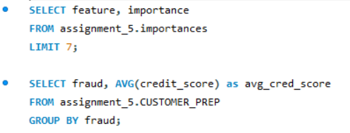
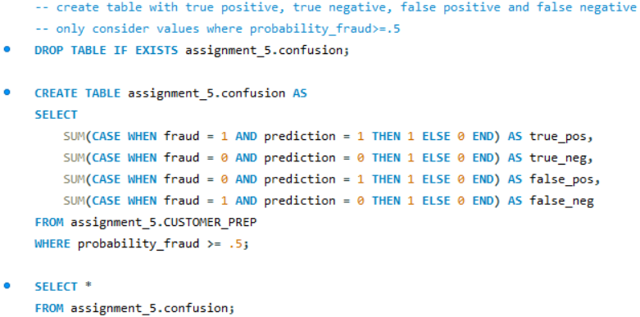

Top 5 Fraud Predictors

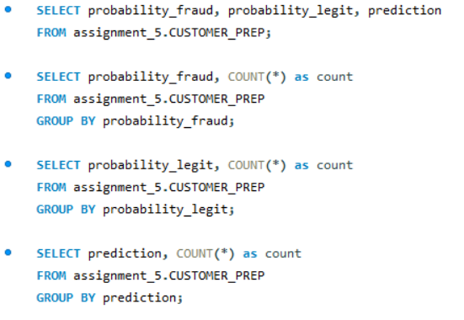
Scores Distribution
 | Model Accuracy Assessment

