Constant current
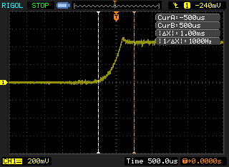
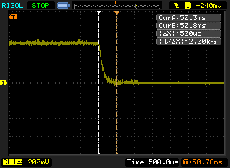
Current transient
0 A => 3 A | 1 ms
3 A => 0 A | 0.5 ms

Constant voltage
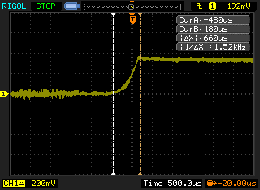
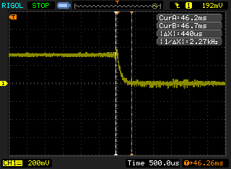
Voltage transient
4 V => 3 V | 0.66 ms
3 V => 4 V | 0.44 ms

