Noise
Current noise
1 Ohm 0.1% resistor
1 A

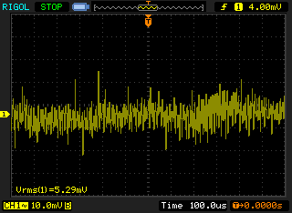
Oscilloscope | Multimeter
 | 10 PLC | 1 A range

 | Average current | 1.0003711 | A
 | Standard deviation | 0.0000132 | A
 | Relative standard deviation | 0.00132%
 | Minimum value | 1.000331 | A
 | Maximum value | 1.000416 | A
 | Number of samples | 600

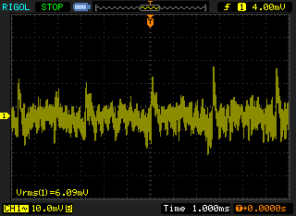
 |  | > 3 Hz
 | DC I, A | AC I, mA (RMS) | AC/DC ratio
 | 3 | 1.67 | 0.06%
 | 1 | 0.63 | 0.06%
 | 0.5 | 0.14 | 0.03%
 | 0.1 | 0.235 | 0.23%

