Sheet1
 |  | Evaluation of GAN

 | Pix2pix | Pix2pix with synthetic data | CycleGAN | FactorGAN
SSIM | 0.8 | 0.79 | 0.69 | 0.74
MSE | 3377.56 | 3374.87 | 5739.08 | 3664.83
FID | 15.09 | 16.9 | 51.76 | 32.35

MSE Metric
 | MSE
Pix2pix | 3377.56
Pix2pix with synthetic data | 3374.87
CycleGAN | 5739.08
FactorGAN | 3664.83
FID Metric
SSIM Metric

The visual output for validation image of all three GANs along with its groung truth is provided in the file Results.html
The results of Pix2pix GAN are very good compared to other GAN which is proved by visual results as well as metrics like FID,SSIM and MSE loss.

 |  |  | Evaluation of OCR using google vision API

Image name | Total number of characters | Characters detected for a original image without using GAN | Correctly Identified | Incorrectly identified | OCR Score | Characters detected after using GAN Translation | Correctly Identified | Incorrectly identified | OCR Score | Improvement of characters detection
1 | 28 | 19 | 16 | 3 | 57.142857143 | 26 | 18 | 8 | 64.285714286 | 25
2 | 56 | 55 | 46 | 9 | 82.142857143 | 56 | 44 | 12 | 78.571428571 | 1.7857142857
3 | 51 | 36 | 31 | 5 | 60.784313725 | 50 | 44 | 6 | 86.274509804 | 27.450980392
4 | 33 | 19 | 14 | 5 | 42.424242424 | 34 | 28 | 6 | 84.848484848 | 45.454545455
5 | 54 | 46 | 45 | 1 | 83.333333333 | 54 | 50 | 4 | 92.592592593 | 14.814814815
6 | 56 | 54 | 54 | 0 | 96.428571429 | 56 | 50 | 6 | 89.285714286 | 3.5714285714
7 | 97 | 97 | 95 | 2 | 97.93814433 | 97 | 93 | 4 | 95.87628866 | 0
8 | 42 | 39 | 37 | 2 | 88.095238095 | 42 | 38 | 4 | 90.476190476 | 7.1428571429
9 | 41 | 18 | 13 | 5 | 31.707317073 | 41 | 31 | 10 | 75.609756098 | 56.097560976
10 | 42 | 39 | 38 | 1 | 90.476190476 | 42 | 40 | 2 | 95.238095238 | 7.1428571429
11 | 45 | 38 | 36 | 2 | 80 | 45 | 40 | 5 | 88.888888889 | 15.555555556
12 | 57 | 57 | 54 | 3 | 94.736842105 | 57 | 55 | 2 | 96.49122807 | 0
13 | 50 | 47 | 45 | 2 | 90 | 49 | 46 | 3 | 92 | 4
14 | 31 | 29 | 27 | 2 | 87.096774194 | 31 | 31 | 0 | 100 | 6.4516129032
15 | 39 | 29 | 22 | 7 | 56.41025641 | 37 | 26 | 11 | 66.666666667 | 20.512820513
16 | 34 | 34 | 34 | 0 | 100 | 34 | 33 | 1 | 97.058823529 | 0
17 | 23 | 24 | 14 | 10 | 60.869565217 | 23 | 20 | 3 | 86.956521739 | -4.347826087
18 | 43 | 39 | 26 | 13 | 60.465116279 | 43 | 34 | 9 | 79.069767442 | 9.3023255814
19 | 28 | 28 | 27 | 1 | 96.428571429 | 28 | 26 | 2 | 92.857142857 | 0
20 | 35 | 27 | 25 | 2 | 71.428571429 | 35 | 30 | 5 | 85.714285714 | 22.857142857
21 | 37 | 25 | 17 | 8 | 45.945945946 | 37 | 35 | 2 | 94.594594595 | 32.432432432
22 | 49 | 15 | 13 | 2 | 26.530612245 | 45 | 35 | 10 | 71.428571429 | 61.224489796
23 | 52 | 43 | 27 | 16 | 51.923076923 | 52 | 36 | 16 | 69.230769231 | 17.307692308
24 | 27 | 7 | 5 | 2 | 18.518518519 | 27 | 27 | 0 | 100 | 74.074074074
25 | 38 | 24 | 20 | 4 | 52.631578947 | 36 | 25 | 11 | 65.789473684 | 31.578947368
26 | 42 | 41 | 35 | 6 | 83.333333333 | 42 | 37 | 5 | 88.095238095 | 2.380952381
27 | 47 | 37 | 30 | 7 | 63.829787234 | 45 | 35 | 10 | 74.468085106 | 17.021276596
28 | 55 | 38 | 31 | 7 | 56.363636364 | 55 | 41 | 14 | 74.545454545 | 30.909090909
29 | 24 | 3 | 3 | 0 | 12.5 | 21 | 13 | 8 | 54.166666667 | 75
30 | 47 | 47 | 34 | 13 | 72.340425532 | 47 | 43 | 4 | 91.489361702 | 0
Total | 1303 | 1054 | 914 | 140 | 67.060855909 | 1287 | 1104 | 183 | 84.085677161 | 20.157378199

For the above evaluation, I randomly cropped the 30 test images to the size 256*256. Then translated it using pix2pix GAN and passed
both the original and translated image for character detection to Google vision API.
The visual results are provided in the ocreval.docx file. The following conclusions were made:
Even for the state of the art OCR engine like Google vision API, Using GAN translated image has increased the detection by 20 % with OCR score accuracy of 83 %

 |  | Output of proposed integrated(GAN+OCR) system

 | Input | Translated image | Output
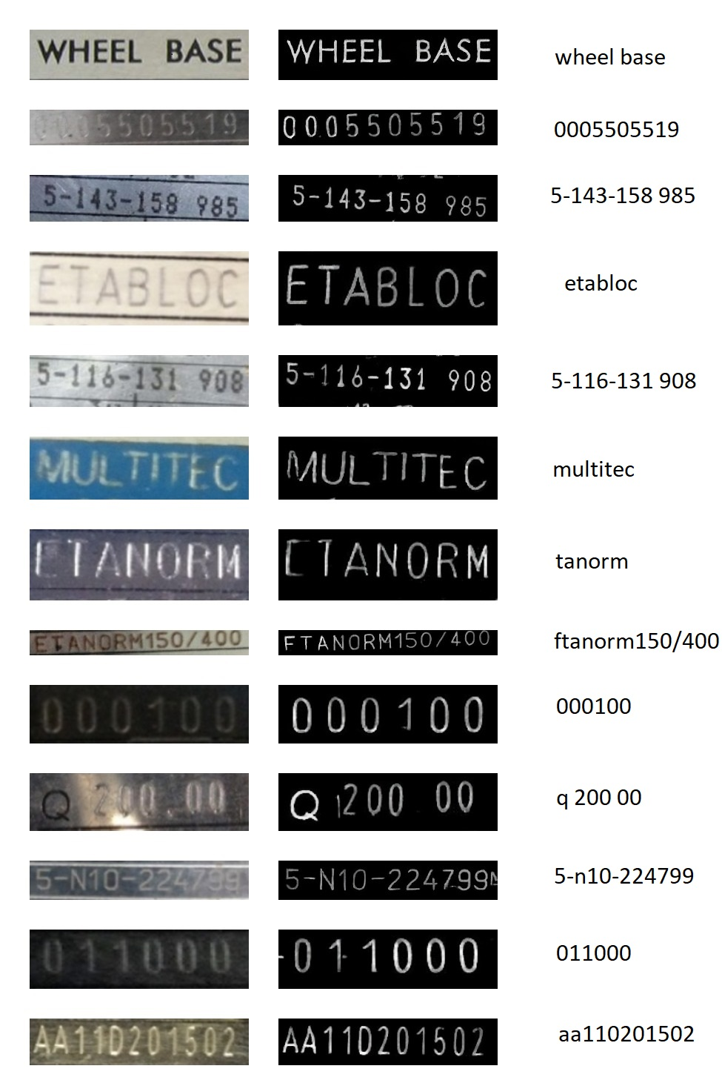

Image name | Total number of characters | Characters detected for a original image without using GAN | Correctly identified | Incorrectly Identified | OCR Score | Characters detected after using GAN Translation | True positives | False positives | OCR Score | Improvement of characters detection
1 | 28 | 17 | 15 | 2 | 53.571428571 | 27 | 16 | 11 | 57.142857143 | 35.714285714
2 | 56 | 48 | 36 | 12 | 64.285714286 | 53 | 38 | 15 | 67.857142857 | 8.9285714286
3 | 51 | 46 | 38 | 8 | 74.509803922 | 51 | 46 | 5 | 90.196078431 | 9.8039215686
4 | 33 | 23 | 14 | 9 | 42.424242424 | 33 | 27 | 6 | 81.818181818 | 30.303030303
5 | 54 | 44 | 40 | 4 | 74.074074074 | 49 | 46 | 3 | 85.185185185 | 9.2592592593
6 | 56 | 50 | 42 | 8 | 75 | 56 | 48 | 8 | 85.714285714 | 10.714285714
7 | 97 | 97 | 80 | 17 | 82.474226804 | 94 | 82 | 12 | 84.536082474 | -3.0927835052
8 | 42 | 41 | 33 | 8 | 78.571428571 | 42 | 34 | 8 | 80.952380952 | 2.380952381
9 | 41 | 23 | 16 | 7 | 39.024390244 | 41 | 33 | 8 | 80.487804878 | 43.902439024
10 | 42 | 40 | 38 | 2 | 90.476190476 | 42 | 40 | 2 | 95.238095238 | 4.7619047619
11 | 45 | 38 | 32 | 6 | 71.111111111 | 45 | 39 | 6 | 86.666666667 | 15.555555556
12 | 57 | 55 | 46 | 9 | 80.701754386 | 57 | 52 | 5 | 91.228070175 | 3.5087719298
13 | 50 | 47 | 40 | 7 | 80 | 49 | 48 | 1 | 96 | 4
14 | 31 | 28 | 25 | 3 | 80.64516129 | 31 | 30 | 1 | 96.774193548 | 9.6774193548
15 | 39 | 23 | 18 | 5 | 46.153846154 | 35 | 26 | 9 | 66.666666667 | 30.769230769
16 | 34 | 34 | 33 | 1 | 97.058823529 | 34 | 34 | 0 | 100 | 0
17 | 23 | 10 | 9 | 1 | 39.130434783 | 23 | 21 | 2 | 91.304347826 | 56.52173913
18 | 43 | 43 | 26 | 17 | 60.465116279 | 43 | 38 | 5 | 88.372093023 | 0
19 | 28 | 26 | 25 | 1 | 89.285714286 | 28 | 27 | 1 | 96.428571429 | 7.1428571429
20 | 35 | 26 | 23 | 3 | 65.714285714 | 33 | 31 | 2 | 88.571428571 | 20
21 | 37 | 35 | 24 | 11 | 64.864864865 | 37 | 35 | 2 | 94.594594595 | 5.4054054054
22 | 49 | 19 | 13 | 6 | 26.530612245 | 44 | 32 | 12 | 65.306122449 | 51.020408163
23 | 52 | 21 | 17 | 4 | 32.692307692 | 52 | 38 | 14 | 73.076923077 | 59.615384615
24 | 27 | 21 | 14 | 7 | 51.851851852 | 27 | 24 | 3 | 88.888888889 | 22.222222222
25 | 38 | 30 | 19 | 11 | 50 | 36 | 30 | 6 | 78.947368421 | 15.789473684
26 | 42 | 40 | 31 | 9 | 73.80952381 | 42 | 40 | 2 | 95.238095238 | 4.7619047619
27 | 47 | 40 | 23 | 17 | 48.936170213 | 42 | 36 | 6 | 76.595744681 | 4.2553191489
28 | 55 | 31 | 25 | 6 | 45.454545455 | 55 | 41 | 14 | 74.545454545 | 43.636363636
29 | 24 | 0 | 0 | 0 | 0 | 20 | 20 | 0 | 83.333333333 | 83.333333333
30 | 47 | 40 | 35 | 5 | 74.468085106 | 46 | 42 | 4 | 89.361702128 | 12.765957447
Total | 1303 | 1036 | 830 | 206 | 61.776190271 | 1267 | 1094 | 173 | 84.367611998 | 20.088573765

Fa

Image name | Total number of characters in the test image | Characters recognized for original images before using GAN | Characters recognized after using GAN Translated Image | Characters identified correctly | Characters identified incorrectly | Improvement of character recognition using GAN translated Image | OCR Score
The proposed OCR | 1303 | 1039 | 1283 | 1102 | 181 | 20.67 | 84.66
Google Vision | 1303 | 1057 | 1294 | 1093 | 195 | 20.66 | 82.98

Google Vision vs The proposed OCR engine

Comparision of OCR Engines

Image name | Improvement of character recognition using GAN translated Image | OCR Score
The proposed OCR | 20.667706196 | 84.656664045
Google Vision | 20.663885852 | 82.978192621

OCR Engine | Total number of characters | Characters detected for a original image without using GAN | Correctly Identified | Incorrectly identified | OCR Score | Characters detected after using GAN Translation | Correctly Identified | Incorrectly identified | Improvement of characters detection | OCR Score

Sheet2
OCR Engine | Total number of characters | Characters detected for a original image without using GAN | Correctly identified | Incorrectly Identified | OCR Score | Characters detected after using GAN Translation | Correctly identified | Incorrectly Identified | Improvement of Character Recognition | OCR Score
Google Vision | 1303 | 1054 | 914 | 140 | 67.060855909 | 1287 | 1104 | 183 | 20.157378199 | 84.085677161
The Proposed OCR | 1303 | 1036 | 830 | 206 | 61.776190271 | 1267 | 1094 | 173 | 20.088573765 | 84.367611998

 | OCR Engine | Total number of characters | Characters Recognized | Correctly identified | Incorrectly Identified | OCR Score
 | Google Vision | 1303 | 1054 | 914 | 140 | 67.06
 |  |  |  |  |  |  |  |  | 25.39
 | The Proposed OCR | 1303 | 1036 | 830 | 206 | 61.78

 | Google Vision | 1303 | 1287 | 1104 | 183 | 84.09 |  |  | 36.57

 | The Proposed OCR | 1303 | 1267 | 1094 | 173 | 84.37

 |  | Total number of characters | Characters Recognized | Correctly identified | Incorrectly Identified | Characters missed | OCR Score
Google Vision | Character recognition without GAN | 1303 | 1054 | 914 | 140 | 249 | 67.06
 | Character recognition with GAN | 1303 | 1287 | 1104 | 183 | 16 | 84.09
The proposed OCR |  | Total number of characters | Characters Recognized | Correctly identified | Incorrectly Identified | Characters missed | OCR Score
 | Character recognition without GAN | 1303 | 1036 | 830 | 206 | 267 | 61.78
 | Character recognition with GAN | 1303 | 1267 | 1094 | 173 | 36 | 84.37

 |  |  |  |  |  | Image name | Improvement of character recognition using GAN translated Image | Percentage Increase in OCR Score
 |  |  |  |  |  | The proposed OCR | 20.09 | 36.57
 |  |  |  |  |  | Google Vision | 20.16 | 25.39

Improvement in Character Recognition

Google Vision OCR
The Proposed OCR

 |  |  |  | Evaluation of GAN

 |  |  | Pix2pix | Pix2pix with synthetic data | CycleGAN | FactorGAN
 |  | FID | 15.09 | 16.9 | 51.76 | 32.35
 |  | SSIM | 0.8 | 0.79 | 0.69 | 0.74

 |  | MSE | 3377.56 | 3374.87 | 5739.08 | 3664.83

