Figure S1
Supplementary Figure S1. (A) Mass error distribution of the lactylation peptides. (B) Distribution of lactylation peptides based on their length.

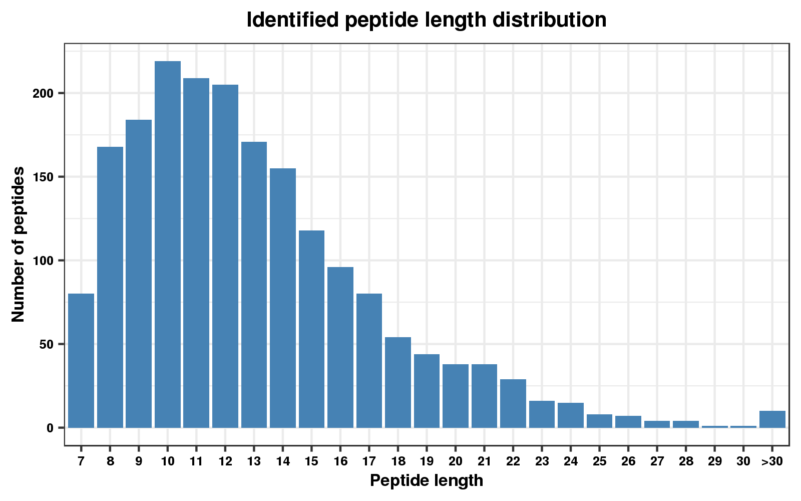
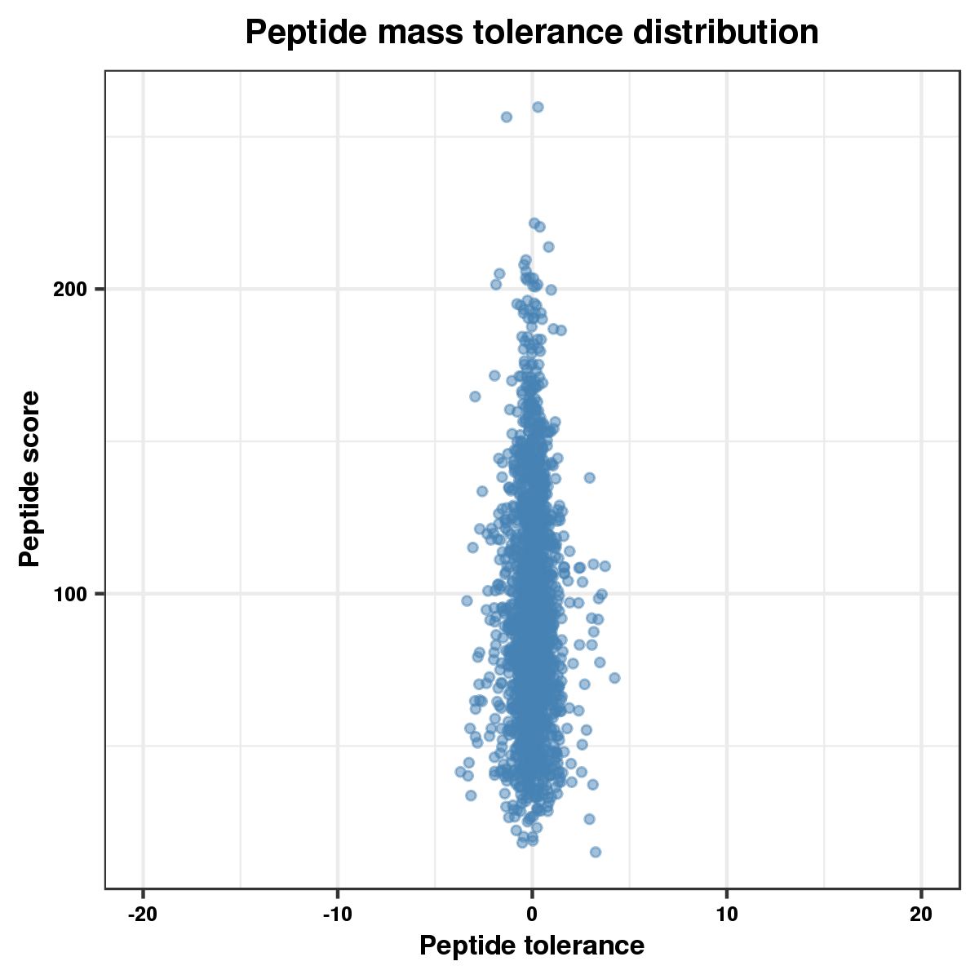
A
B

Figure S 3
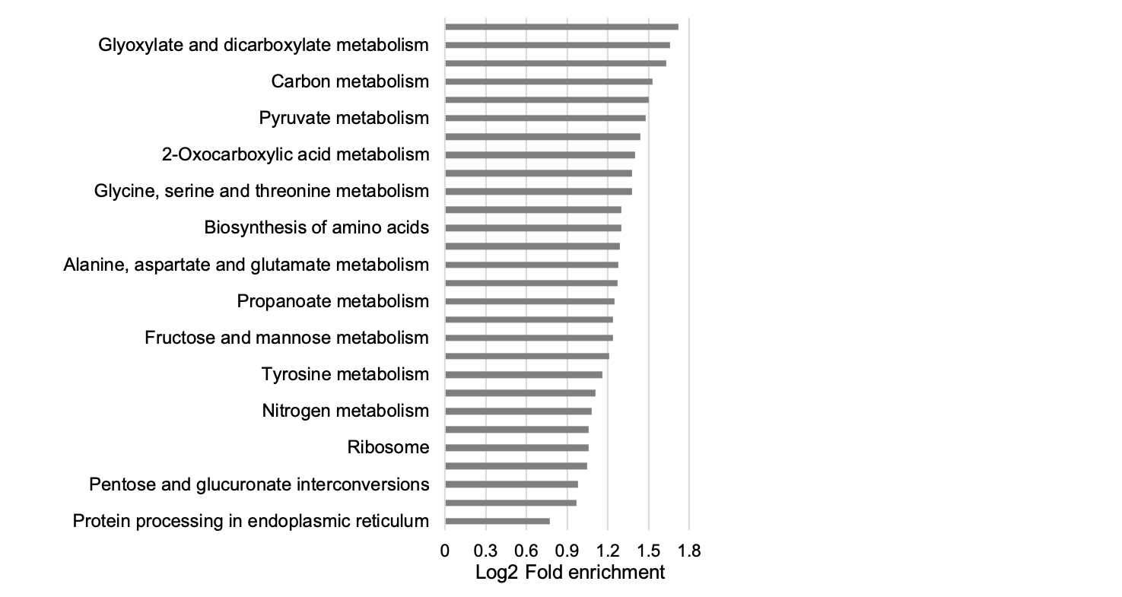
Supplementary Figure S3. Enriched KEGG pathway terms for proteins being modified by lactylation and any other modifications among acetylation, succinylation, malonylation , and 2-hydroxyisobutyrylation.

