Standings
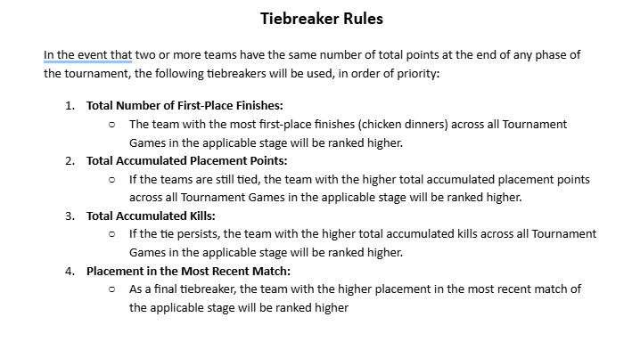
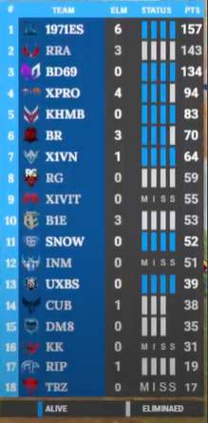

Live Match Standing

Team Logo | logoPicUrl
Team name | teamname
Kil point | killNum
Health status | health 4 players
Points | 1 kill 1 points + placement points
 | placement points will b added after every match

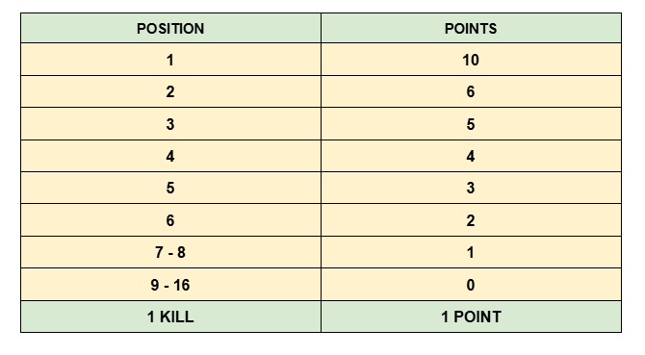
 |  | POSITION | POINTS
 |  | 1 | 10
 |  | 2 | 6
 |  | 3 | 5
 |  | 4 | 4
 |  | 5 | 3
 |  | 6 | 2
 |  | 7 - 8 | 1
 |  | 9 - 16 | 0
 |  | 1 KILL | 1 POINT

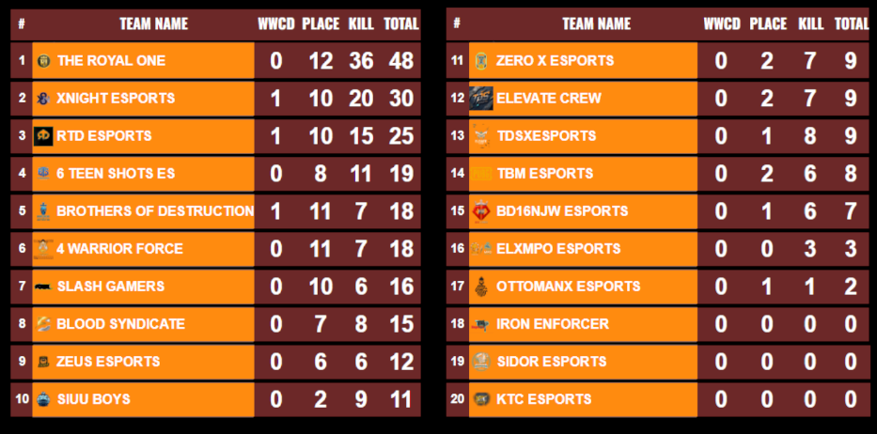
Overall Match Standing
Team Logo | logoPicUrl
Team name | teamname
WWCD | liveMemberNum

Kil point | killNum
Total points
Placement point

