Sheet1
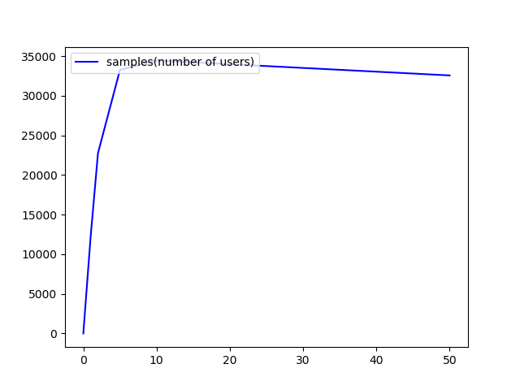
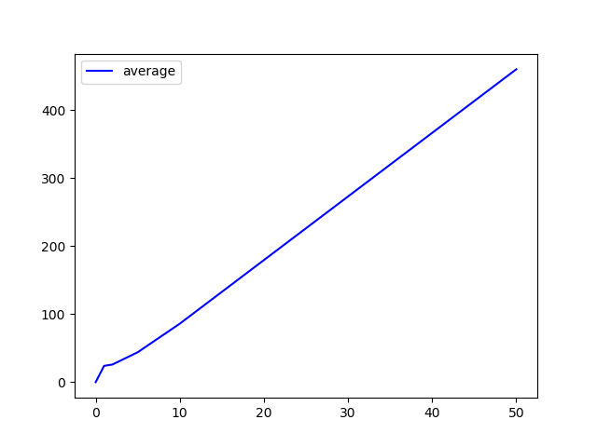
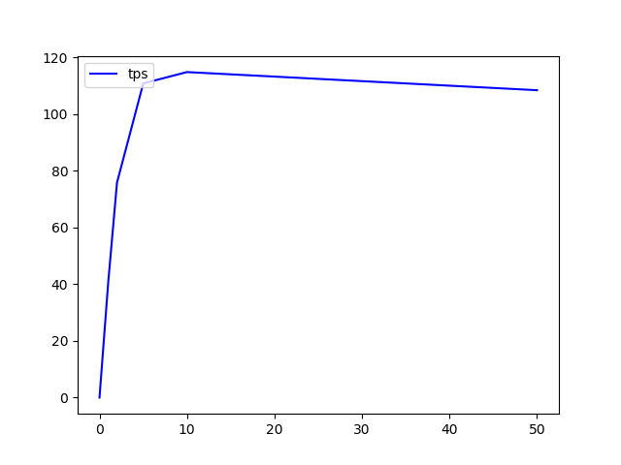
/gateway/guardians/{guardianId}/activation
Method | Thread count | Load Time(min) | # Samples | Average(ms) | Median(ms) | 90% Line(ms) | Min(ms) | Max(ms) | Error% | Throughput(/s) | Received KB/sec | Send KB/sec
GET | 1 | 5 | 4552 | 65 | 27 | 81 | 12 | 6458 | 0.00% | 15.2 | 2.83 | 6.06
 | 10 | 5 | 14992 | 200 | 85 | 292 | 21 | 10042 | 0.00% | 50 | 9.32 | 19.96
 | 50 | 5 | 25922 | 578 | 457 | 1066 | 24 | 8468 | 0.00% | 86.3 | 16.11 | 34.49
 | 100 | 5 | 30708 | 978 | 929 | 1702 | 36 | 12724 | 0.00% | 102.1 | 19.05 | 40.79
 | 200 | 5 | 31147 | 1931 | 1794 | 3254 | 39 | 48171 | 0.00% | 103 | 19.22 | 41.15
 | 250 | 5 | 32426 | 2144 | 2300 | 5398 | 34 | 38087 | 0.39% | 107 | 19.81 | 41.37
 | 300 | 5 | 35628 | 2548 | 2543 | 4394 | 45 | 18109 | 0.18% | 117.6 | 22.43 | 46.89
 | 400 | 5 | 33024 | 3649 | 3586 | 6614 | 91 | 127310 | 0.43% | 83.7 | 16.44 | 33.29
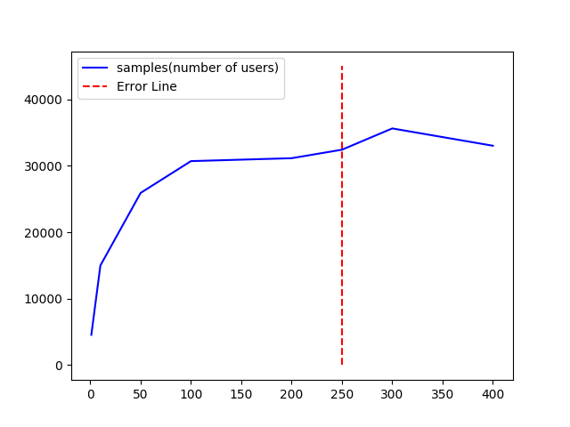 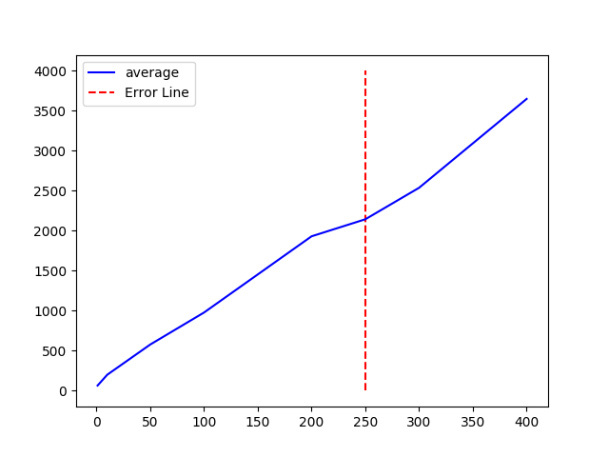 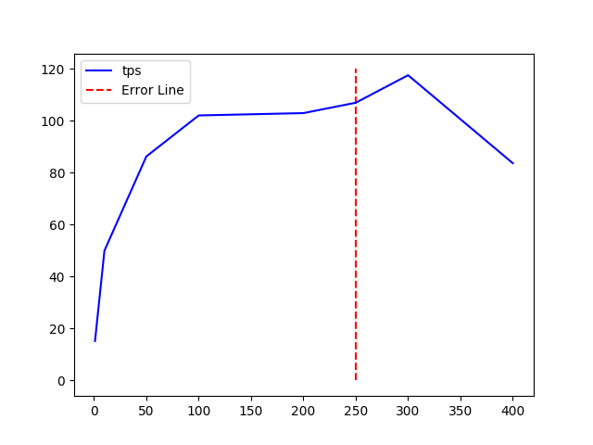

/gateway/guardians/{guardianId}/alarm-config
Method | Thread count | Load Time(min) | # Samples | Average(ms) | Median(ms) | 90% Line(ms) | Min(ms) | Max(ms) | Error% | Throughput (/s) | Received KB/sec | Send KB/sec
GET | 1 | 5 | 3255 | 92 | 23 | 89 | 11 | 10197 | 0.00% | 10.8 | 5.81 | 4.33
 | 10 | 5 | 16161 | 185 | 81 | 375 | 11 | 9143 | 0.00% | 53 | 29.04 | 21.62
 | 50 | 5 | 17997 | 834 | 462 | 1553 | 22 | 32750 | 0.00% | 59.9 | 32.27 | 24.03
 | 100 | 5 | 28788 | 1045 | 911 | 1879 | 27 | 10188 | 0.00% | 94.9 | 51.17 | 38.1
 | 200 | 5 | 35309 | 1703 | 1634 | 2791 | 66 | 127227 | 0.00% | 98.4 | 53.06 | 39.51
 | 300 | 5 | 39575 | 2280 | 2308 | 3755 | 81 | 11539 | 0.00% | 131.4 | 70.83 | 52.74
 | 400 | 5 | 41781 | 2882 | 3129 | 4503 | 80 | 127189 | 0.00% | 137.8 | 74.26 | 55.29
 | 500 | 5 | 40063 | 3764 | 3861 | 5866 | 85 | 27221 | 0.50% | 128.4 | 70.49 | 51.29
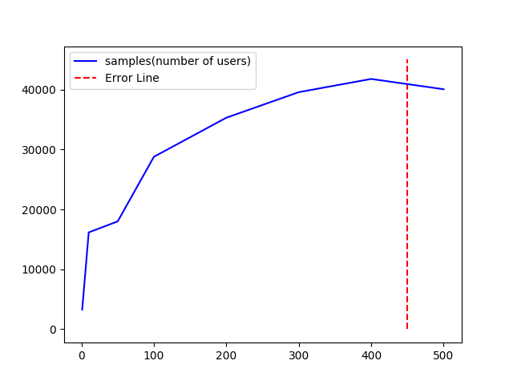 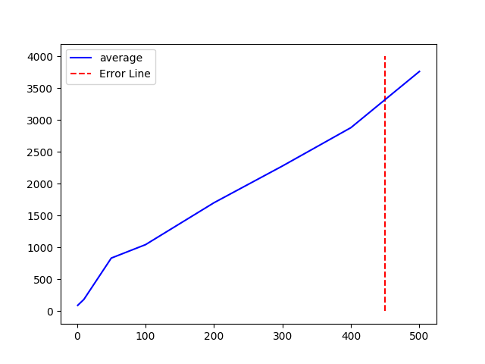 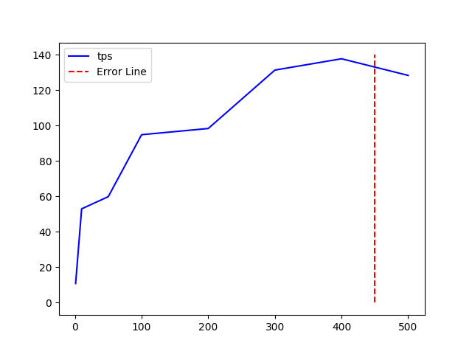

/gateway/guardians/{guardianId}/alarm-config
Method | Thread count | Load Time(min) | # Samples | Average(ms) | Median(ms) | 90% Line(ms) | Min(ms) | Max(ms) | Error% | Throughput (/s) | Received KB/sec | Send KB/sec
PUT | 1 | 5
 | 10 | 5
 | 50 | 5
 | 100 | 5
 | 200 | 5
 | 500 | 5
 | 1000 | 5
 | 2000 | 5
 | 5000 | 5
 | 10000 | 5
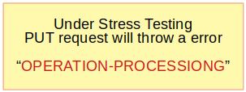

/gateway/guardians/{guardianId}/alarm-info
Method | Thread count | Load Time(min) | # Samples | Average(ms) | Median(ms) | 90% Line(ms) | Min(ms) | Max(ms) | Error% | Throughput (/s) | Received KB/sec | Send KB/sec
GET | 1 | 5 | 3249 | 92 | 58 | 184 | 15 | 6602 | 0.00% | 10.8 | 99.85 | 4.33
 | 10 | 5 | 3963 | 756 | 557 | 1425 | 20 | 11462 | 0.00% | 13 | 120.26 | 5.21
 | 25 | 5 | 3932 | 1914 | 1374 | 3921 | 18 | 56592 | 0.00% | 12.4 | 114.45 | 4.96
 | 35 | 5 | 3778 | 2793 | 1919 | 5775 | 18 | 66628 | 0.00% | 12.3 | 113.22 | 4.9
 | 40 | 5 | 3701 | 3153 | 2124 | 6471 | 23 | 49581 | 0.00% | 12.1 | 111.68 | 4.84
 | 45 | 5 | 3532 | 3746 | 2486 | 8228 | 20 | 67818 | 0.00% | 11.6 | 109.24 | 4.73
 | 50 | 5 | 3727 | 3881 | 2632 | 7833 | 21 | 70950 | 0.00% | 12.5 | 117.71 | 5.1
 | 60 | 5 | 3321 | 5242 | 3513 | 10879 | 28 | 62261 | 0.00% | 11.1 | 103.25 | 4.47
 | 70 | 5 | 3948 | 4596 | 3155 | 8665 | 38 | 87921 | 0.00% | 13.5 | 126.02 | 5.46
 | 80 | 5 | 3987 | 5232 | 3292 | 9847 | 22 | 72613 | 0.00% | 13.4 | 123.3 | 5.34
 | 90 | 5 | 4053 | 6203 | 4196 | 12415 | 40 | 69423 | 0.00% | 13.4 | 123.98 | 5.37
 | 100 | 5 | 4005 | 6632 | 4965 | 12781 | 26 | 84184 | 0.00% | 13.3 | 122.55 | 5.31
 | 200 | 5 | 3959 | 11029 | 7132 | 24743 | 24 | 76300 | 0.00% | 13.3 | 122.18 | 5.29
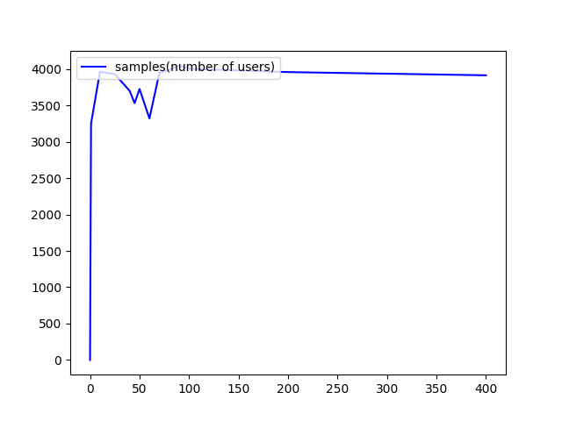
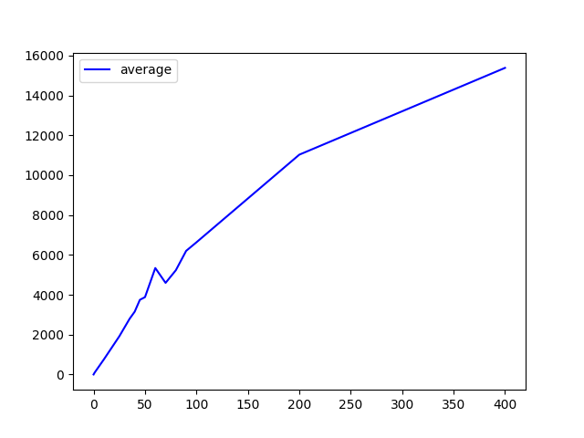
 | 400 | 5 | 3915 | 15383 | 9438 | 36788 | 120 | 86966 | 0.00% | 12.9 | 119.05 | 5.16
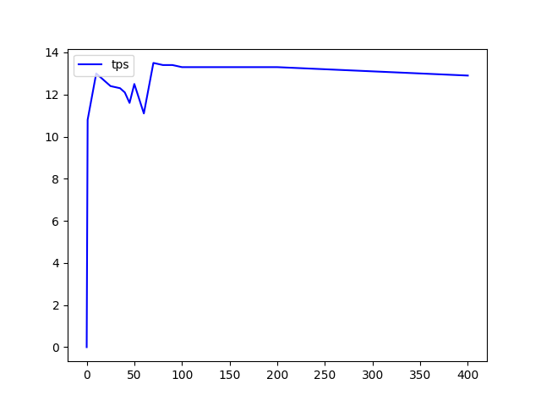

/gateway/guardians/{guardianId}/alarm-info/user/{userId}/{date}
Method | Thread count | Load Time(min) | # Samples | Average(ms) | Median(ms) | 90% Line(ms) | Min(ms) | Max(ms) | Error% | TPS (/s) | Received KB/sec | Send KB/sec
GET | 1 | 5 | 6601 | 45 | 25 | 58 | 12 | 5253 | 0.00% | 22 | 4.02 | 9.67
 | 10 | 5 | 22583 | 132 | 84 | 220 | 15 | 5609 | 0.00% | 75.3 | 13.75 | 33.8
 | 50 | 5 | 32824 | 457 | 404 | 785 | 34 | 3386 | 0.00% | 109.3 | 19.97 | 48.05
 | 100 | 5 | 35537 | 844 | 790 | 1565 | 28 | 7207 | 0.00% | 118.2 | 21.59 | 51.95
 | 200 | 5 | 36792 | 1635 | 1718 | 2700 | 75 | 17858 | 0.00% | 121.7 | 22.23 | 53.49
 | 250 | 5 | 37142 | 2022 | 2579 | 3735 | 98 | 12843 | 0.00% | 123.4 | 22.53 | 54.22
 | 300 | 5 | 34156 | 2642 | 2834 | 4033 | 126 | 127227 | 0.02% | 113.3 | 20.73 | 49.77
 | 400 | 5 | 33724 | 3562 | 3729 | 5452 | 109 | 27952 | 0.19% | 111.8 | 20.9 | 49.03
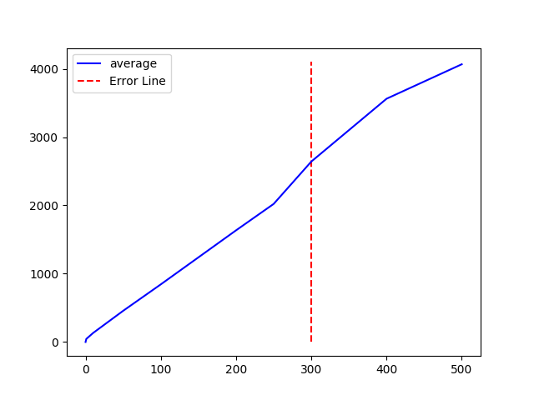
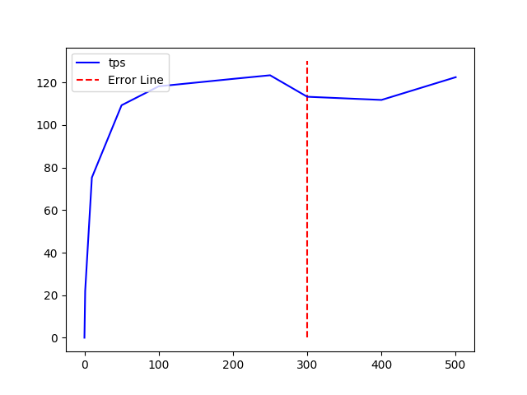
 | 500 | 5 | 37007 | 4067 | 4617 | 6558 | 103 | 20660 | 0.20% | 122.5 | 22.94 | 53.72
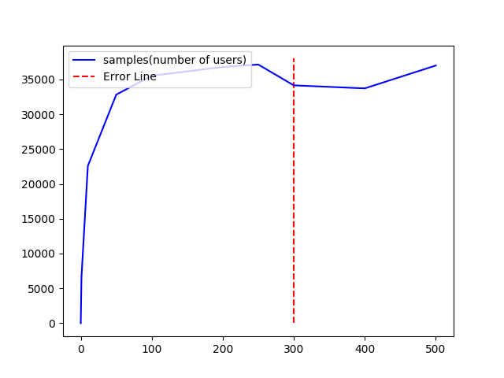

/gateway/guardians/{guardianId}/avatars
Method | Thread count | Load Time(min) | # Samples | Average(ms) | Median(ms) | 90% Line(ms) | Min(ms) | Max(ms) | Error% | TPS (/s) | Received KB/sec | Send KB/sec
GET | 1 | 5
 | 10 | 5
 | 50 | 5
 | 100 | 5
 | 200 | 5
 | 500 | 5
 | 1000 | 5
 | 2000 | 5
 | 5000 | 5
 | 10000 | 5

/gateway/guardians/{guardianId}/avatars/{avatarId}
Method | Thread count | Load Time(min) | # Samples | Average(ms) | Median(ms) | 90% Line(ms) | Min(ms) | Max(ms) | Error% | TPS (/s) | Received KB/sec | Send KB/sec
GET | 1 | 5
 | 10 | 5
 | 50 | 5
 | 100 | 5
 | 200 | 5
 | 500 | 5
 | 1000 | 5
 | 2000 | 5
 | 5000 | 5
 | 10000 | 5

/gateway/guardians/{guardianId}/avatars/{avatarId}
Method | Thread count | Load Time(min) | # Samples | Average(ms) | Median(ms) | 90% Line(ms) | Min(ms) | Max(ms) | Error% | TPS (/s) | Received KB/sec | Send KB/sec
PUT | 1 | 5
 | 10 | 5
 | 50 | 5
 | 100 | 5
 | 200 | 5
 | 500 | 5
 | 1000 | 5
 | 2000 | 5
 | 5000 | 5
 | 10000 | 5

/gateway/guardians/{guardianId}/devices
Method | Thread count | Load Time(min) | # Samples | Average(ms) | Median(ms) | 90% Line(ms) | Min(ms) | Max(ms) | Error% | TPS (/s) | Received KB/sec | Send KB/sec
GET | 1 | 5 | 3720 | 80 | 40 | 172 | 15 | 5148 | 0.00% | 12.4 | 125.39 | 4.92
 | 10 | 5 | 3837 | 782 | 599 | 1552 | 17 | 29120 | 0.00% | 12.7 | 128.73 | 5.05
 | 20 | 5 | 3514 | 1693 | 1168 | 3674 | 17 | 30505 | 0.00% | 11.7 | 118.67 | 4.65
 | 30 | 5 | 3455 | 2580 | 1878 | 5220 | 26 | 39366 | 0.00% | 11.5 | 116.58 | 4.57
 | 40 | 5 | 3495 | 3386 | 2362 | 7474 | 22 | 57711 | 0.00% | 11.7 | 118.03 | 4.63
 | 50 | 5 | 3510 | 4297 | 3011 | 8958 | 19 | 58259 | 0.00% | 11 | 111.59 | 4.38
 | 100 | 5 | 3454 | 7044 | 4232 | 15516 | 17 | 95857 | 0.00% | 11.5 | 116.62 | 4.57
 | 200 | 5 | 3487 | 10623 | 5972 | 25046 | 120 | 80137 | 0.00% | 11.7 | 118.48 | 4.65
 | 400 | 5 | 3506 | 16588 | 8793 | 42727 | 21 | 91061 | 0.00% | 11.7 | 118.47 | 4.65
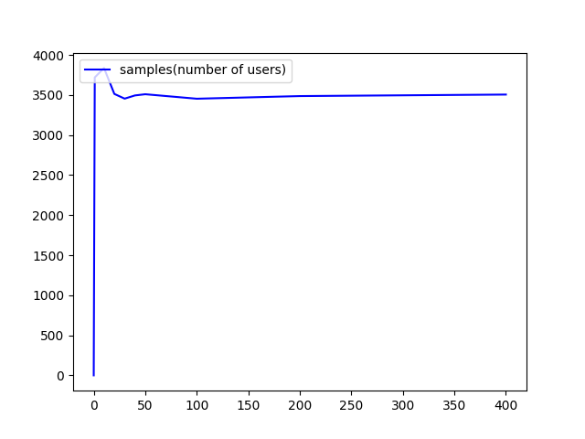 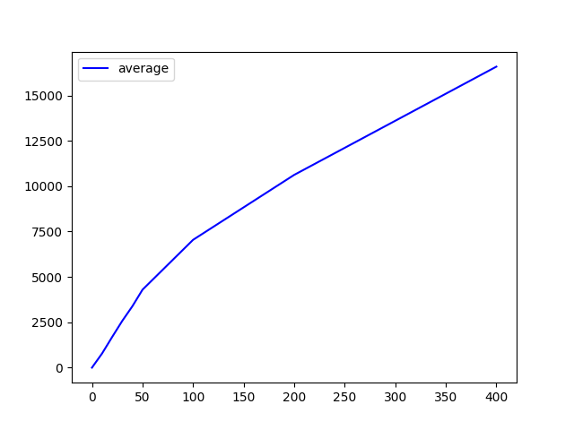 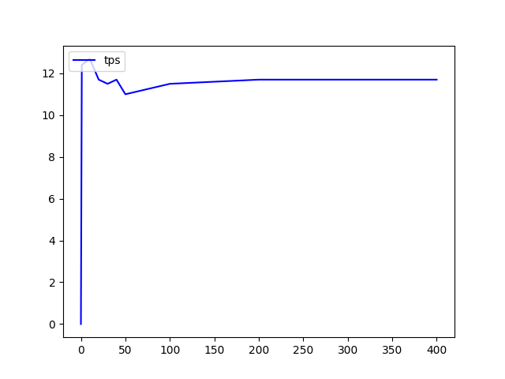

/gateway/guardians/{guardianId}/devices-arrangement
Method | Thread count | Load Time(min) | # Samples | Average(ms) | Median(ms) | 90% Line(ms) | Min(ms) | Max(ms) | Error% | TPS (/s) | Received KB/sec | Send KB/sec
GET | 1 | 5 | 7046 | 42 | 24 | 77 | 11 | 5225 | 0.00% | 23.5 | 38.08 | 9.59
 | 10 | 5 | 18951 | 160 | 77 | 292 | 11 | 35214 | 0.00% | 62.4 | 101.08 | 25.45
 | 20 | 5 | 20599 | 291 | 178 | 606 | 11 | 27068 | 0.00% | 68.6 | 111.25 | 28.01
 | 30 | 5 | 22349 | 402 | 238 | 767 | 11 | 56283 | 0.00% | 74.3 | 120.37 | 30.31
 | 40 | 5 | 22663 | 507 | 233 | 842 | 12 | 58482 | 0.00% | 69.3 | 112.27 | 28.27
 | 50 | 5 | 22407 | 643 | 276 | 1175 | 12 | 69933 | 0.00% | 69.4 | 112.53 | 28.34
 | 100 | 5 | 22369 | 999 | 294 | 1686 | 11 | 69926 | 0.00% | 68.6 | 111.18 | 28
 | 200 | 5 | 22485 | 1516 | 388 | 3080 | 12 | 72734 | 0.00% | 75.2 | 121.9 | 30.69
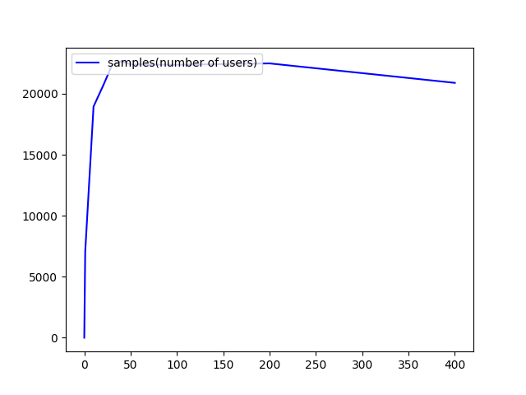
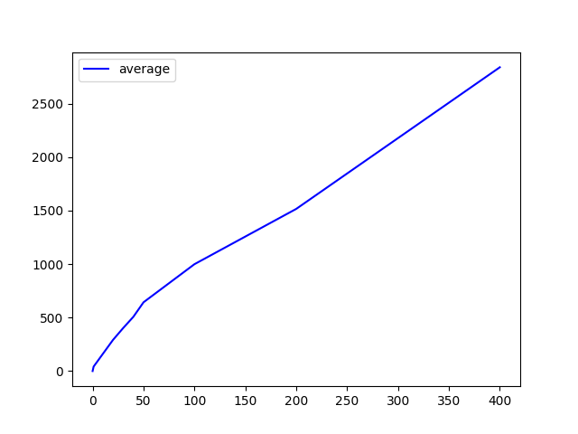
 | 400 | 5 | 20890 | 2840 | 1010 | 5768 | 13 | 79540 | 0.00% | 70.4 | 114.2 | 28.76
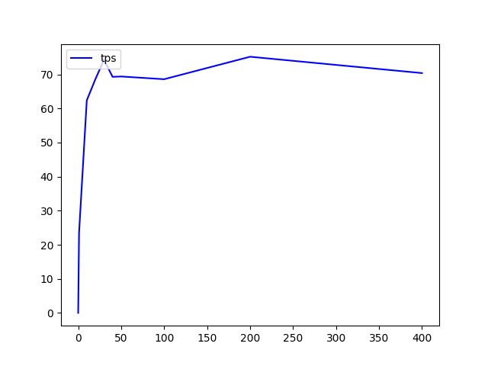

/gateway/guardians/{guardianId}/devices/{deviceId}
Method | Thread count | Load Time(min) | # Samples | Average(ms) | Median(ms) | 90% Line(ms) | Min(ms) | Max(ms) | Error% | TPS (/s) | Received KB/sec | Send KB/sec
GET | 1 | 5 | 5893 | 50 | 22 | 72 | 11 | 10184 | 0.00% | 19.6 | 10.67 | 8.27
 | 10 | 5 | 25055 | 199 | 74 | 237 | 14 | 3050 | 0.00% | 83.3 | 45.22 | 35.06
 | 20 | 5 | 22256 | 269 | 160 | 477 | 11 | 6423 | 0.00% | 74.2 | 40.27 | 31.22
 | 30 | 5 | 21922 | 411 | 218 | 593 | 15 | 32046 | 0.00% | 72.4 | 39.34 | 30.49
 | 40 | 5 | 32659 | 367 | 281 | 647 | 12 | 10584 | 0.00% | 108.8 | 59.05 | 45.77
 | 50 | 5 | 36334 | 412 | 353 | 719 | 38 | 5872 | 0.00% | 121 | 65.71 | 50.94
 | 100 | 5 | 37546 | 800 | 790 | 1394 | 26 | 7346 | 0.00% | 124.9 | 67.83 | 52.58
 | 150 | 5 | 33754 | 1342 | 1227 | 2467 | 13 | 31336 | 0.00% | 110 | 59.73 | 46.29
 | 200 | 5 | 31061 | 1944 | 1721 | 4027 | 14 | 63272 | 0.05% | 101.3 | 55.08 | 42.6
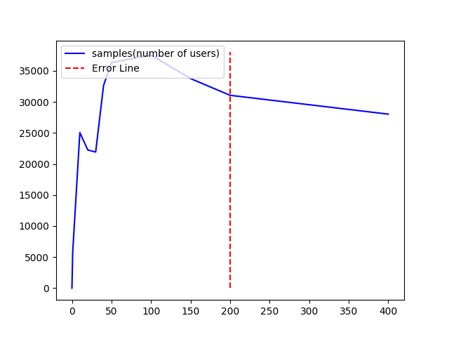
 | 400 | 5 | 28028 | 4294 | 3532 | 8980 | 84 | 127264 | 0.87% | 87.8 | 49.16 | 36.62
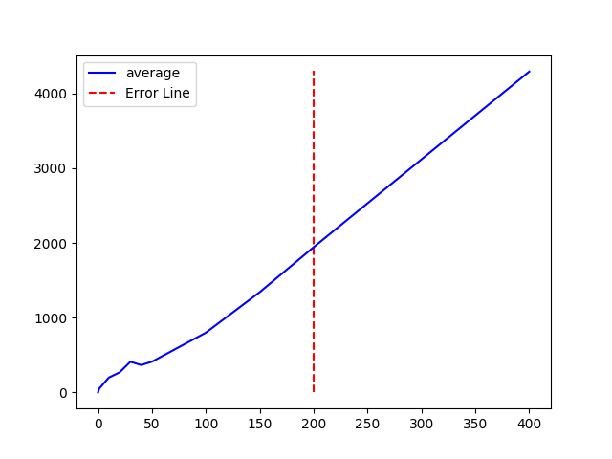 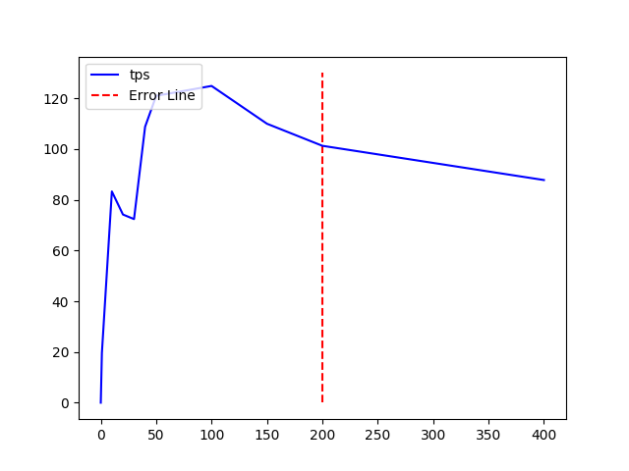

/gateway/guardians/{guardianId}/devices/{deviceId}
Method | Thread count | Load Time(min) | # Samples | Average(ms) | Median(ms) | 90% Line(ms) | Min(ms) | Max(ms) | Error% | TPS (/s) | Received KB/sec | Send KB/sec
PUT | 1 | 5
 | 10 | 5
 | 20 | 5
 | 30 | 5
 | 40 | 5
 | 50 | 5
 | 100 | 5
 | 200 | 5
 | 400 | 5

/gateway/guardians/{guardianId}/get-dsn/{dosn}
Method | Thread count | Load Time(min) | # Samples | Average(ms) | Median(ms) | 90% Line(ms) | Min(ms) | Max(ms) | Error% | TPS (/s) | Received KB/sec | Send KB/sec
GET | 1 | 5 | 6164 | 48 | 25 | 76 | 11 | 5200 | 0.00% | 20.5 | 3.61 | 8.29
 | 10 | 5 | 32355 | 92 | 74 | 114 | 16 | 5318 | 0.00% | 107.8 | 18.95 | 43.49
 | 50 | 5 | 31759 | 472 | 369 | 700 | 15 | 34569 | 0.00% | 105.8 | 18.6 | 42.68
 | 100 | 5 | 34691 | 866 | 640 | 1534 | 12 | 11954 | 0.00% | 115.4 | 20.62 | 46.54
 | 200 | 5 | 39363 | 1526 | 1524 | 3164 | 88 | 127256 | 0.00% | 130.8 | 23 | 52.75
 | 300 | 5 | 36888 | 2447 | 405 | 5224 | 84 | 12573 | 0.00% | 122.2 | 21.47 | 49.27
 | 350 | 5 | 37128 | 2878 | 2043 | 4991 | 74 | 129485 | 0.01% | 124.3 | 21.78 | 49.69
 | 400 | 5 | 37652 | 3199 | 3800 | 6625 | 87 | 127295 | 0.01% | 124.5 | 21.91 | 50.23
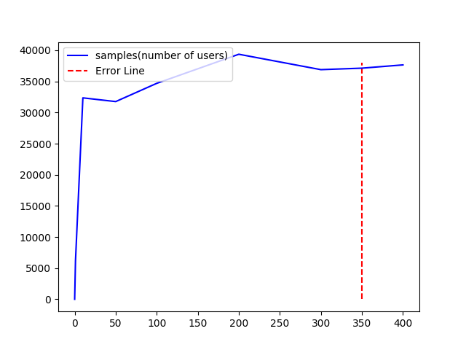 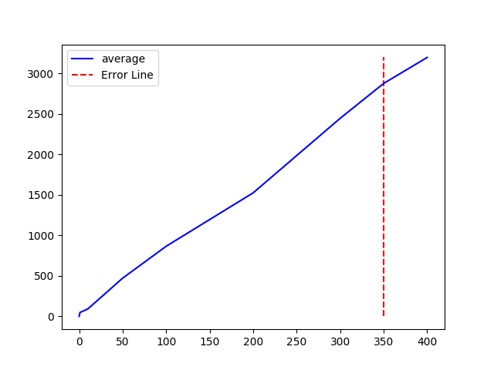 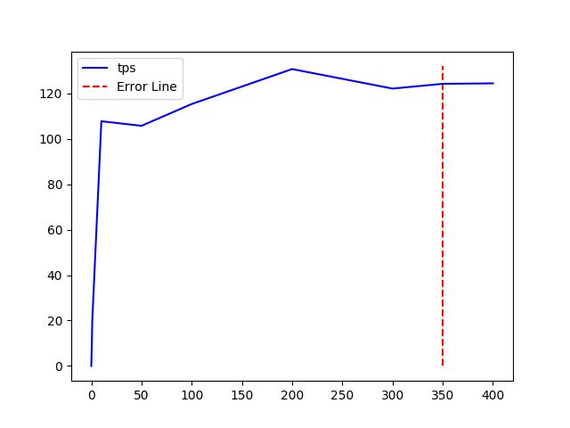

/gateway/guardians/{guardianId}/groups
Method | Thread count | Load Time(min) | # Samples | Average(ms) | Median(ms) | 90% Line(ms) | Min(ms) | Max(ms) | Error% | TPS (/s) | Received KB/sec | Send KB/sec
GET | 1 | 5 | 14930 | 20 | 17 | 27 | 10 | 856 | 0.00% | 49.8 | 33.34 | 19.54
 | 10 | 5 | 45174 | 66 | 61 | 81 | 16 | 1655 | 0.00% | 150.6 | 100.87 | 59.11
 | 50 | 5 | 44946 | 333 | 228 | 598 | 27 | 16648 | 0.00% | 149.8 | 100.32 | 58.79
 | 100 | 5 | 45377 | 639 | 163 | 1615 | 25 | 7754 | 0.00% | 152.5 | 104.13 | 61.02
 | 200 | 5 | 44066 | 1364 | 1176 | 2802 | 11 | 44220 | 0.00% | 143.7 | 96.28 | 56.42
 | 400 | 5 | 45837 | 2447 | 1841 | 5032 | 87 | 130596 | 0.00% | 144.1 | 96.53 | 56.56
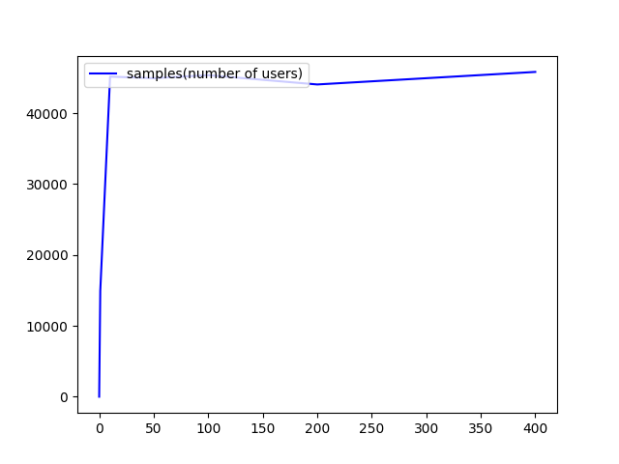 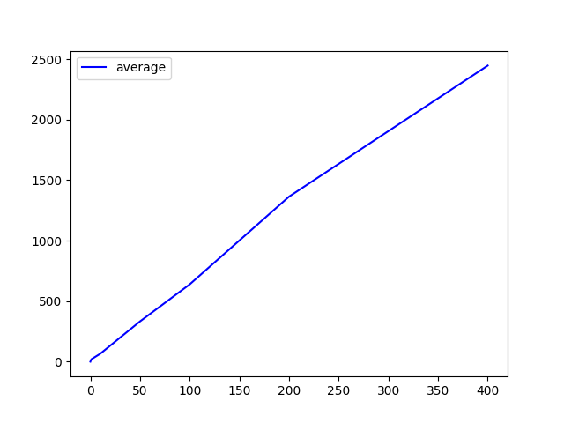 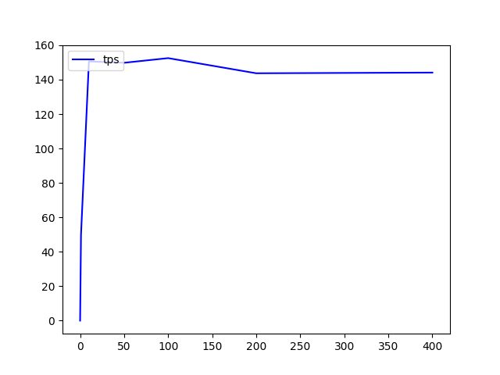

/gateway/guardians/{guardianId}/groups-arrangement
Method | Thread count | Load Time(min) | # Samples | Average(ms) | Median(ms) | 90% Line(ms) | Min(ms) | Max(ms) | Error% | TPS (/s) | Received KB/sec | Send KB/sec
GET | 1 | 5 | 15067 | 19 | 16 | 26 | 10 | 1351 | 0.00% | 50.2 | 23.1 | 20.31
 | 10 | 5 | 41383 | 72 | 65 | 104 | 18 | 14932 | 0.00% | 138 | 63.45 | 55.77
 | 50 | 5 | 46124 | 325 | 163 | 660 | 66 | 2452 | 0.00% | 153.6 | 70.67 | 62.12
 | 100 | 5 | 46482 | 645 | 223 | 1526 | 48 | 4515 | 0.00% | 154.2 | 70.91 | 62.33
 | 200 | 5 | 45522 | 1319 | 174 | 3732 | 71 | 129413 | 0.00% | 151.4 | 69.65 | 61.21
 | 400 | 5 | 45414 | 2648 | 236 | 5982 | 69 | 129345 | 0.00% | 138.1 | 63.54 | 55.84
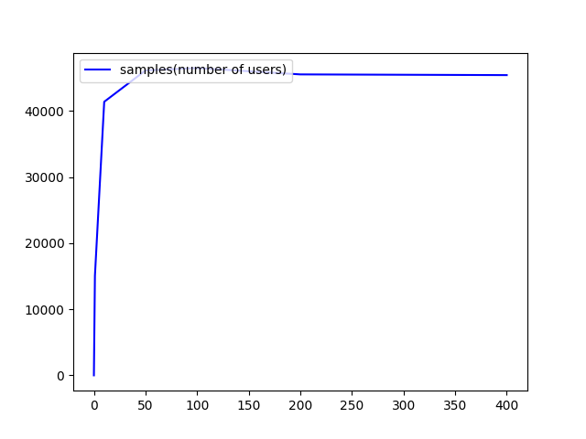 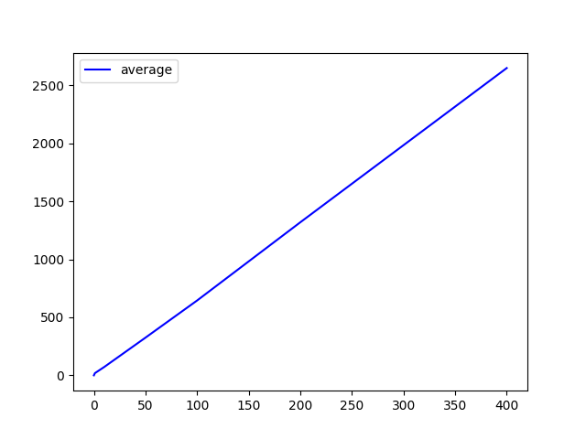 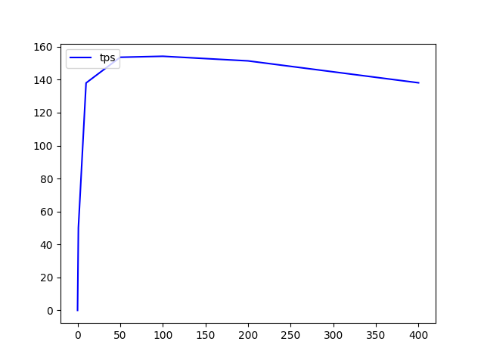

/gateway/guardians/{guardianId}/groups/{grooupId}
Method | Thread count | Load Time(min) | # Samples | Average(ms) | Median(ms) | 90% Line(ms) | Min(ms) | Max(ms) | Error% | TPS (/s) | Received KB/sec | Send KB/sec
GET | 1 | 5 | 15754 | 18 | 16 | 24 | 10 | 2684 | 0.00% | 52.5 | 22.05 | 21.9
 | 10 | 5 | 48045 | 62 | 58 | 75 | 11 | 2444 | 0.00% | 160.1 | 67.25 | 66.78
 | 50 | 5 | 48381 | 310 | 167 | 599 | 18 | 2214 | 0.00% | 161.2 | 67.69 | 67.22
 | 100 | 5 | 47177 | 636 | 156 | 1549 | 67 | 130947 | 0.00% | 157 | 65.94 | 65.47
 | 150 | 5 | 44548 | 1011 | 968 | 1771 | 14 | 21315 | 0.00% | 148.2 | 62.24 | 61.8
 | 200 | 5 | 44252 | 1357 | 1345 | 2755 | 76 | 129954 | 0.01% | 146.8 | 61.64 | 61.19
 | 400 | 5 | 42646 | 2820 | 3180 | 5858 | 78 | 129192 | 0.01% | 134.8 | 56.65 | 56.22
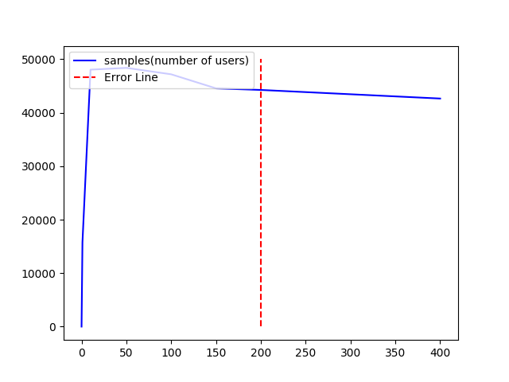 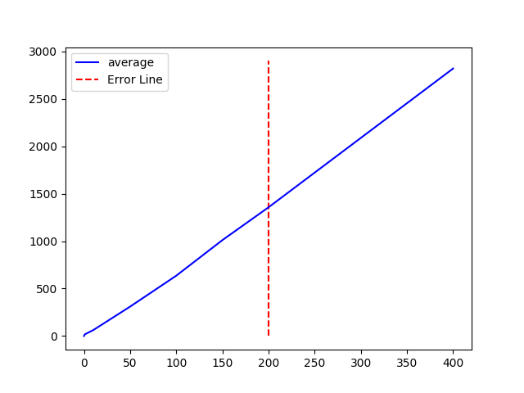 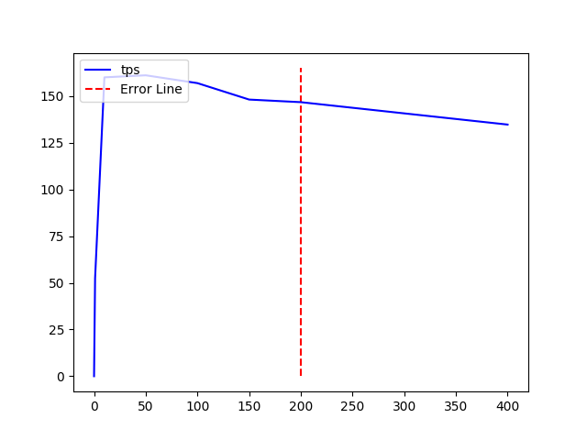

/gateway/guardians/{guardianId}/groups/{grooupId}
Method | Thread count | Load Time(min) | # Samples | Average(ms) | Median(ms) | 90% Line(ms) | Min(ms) | Max(ms) | Error% | TPS (/s) | Received KB/sec | Send KB/sec
PUT | 1 | 5
 | 10 | 5
 | 20 | 5
 | 30 | 5
 | 40 | 5
 | 50 | 5
 | 100 | 5
 | 200 | 5
 | 400 | 5

/gateway/guardians/{guardianId}/guardian-profile
Method | Thread count | Load Time(min) | # Samples | Average(ms) | Median(ms) | 90% Line(ms) | Min(ms) | Max(ms) | Error% | TPS (/s) | Received KB/sec | Send KB/sec
GET | 1 | 5 | 10039 | 29 | 24 | 38 | 15 | 1137 | 0.00% | 33.5 | 11.73 | 13.46
 | 10 | 5 | 23811 | 125 | 108 | 175 | 18 | 5557 | 0.00% | 79.4 | 27.82 | 31.93
 | 50 | 5 | 28177 | 536 | 430 | 884 | 39 | 129853 | 0.00% | 75.8 | 26.56 | 30.48
 | 100 | 5 | 26865 | 1118 | 956 | 1930 | 21 | 11867 | 0.00% | 89.2 | 31.28 | 35.9
 | 200 | 5 | 27832 | 2161 | 2360 | 3355 | 151 | 7232 | 0.00% | 92.4 | 32.38 | 37.16
 | 400 | 5 | 27604 | 4362 | 6350 | 6833 | 170 | 17952 | 0.00% | 91.3 | 32.02 | 36.75
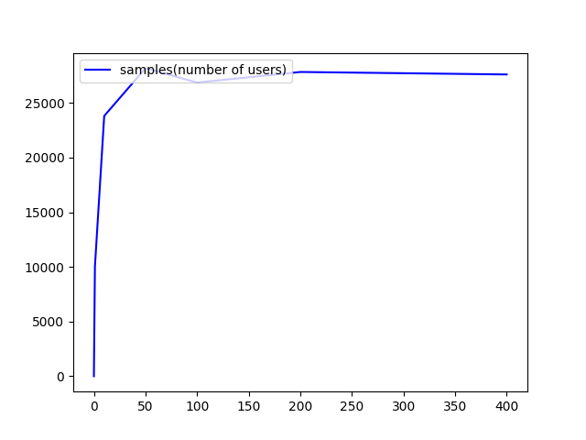 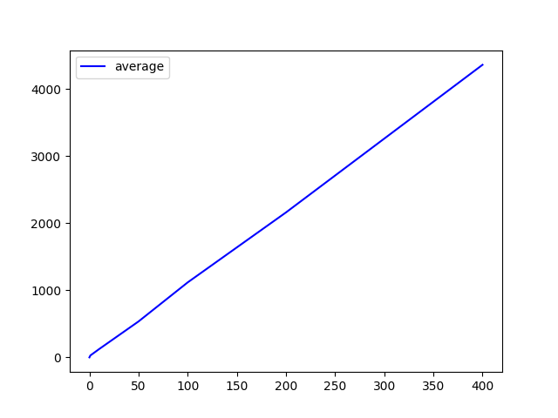 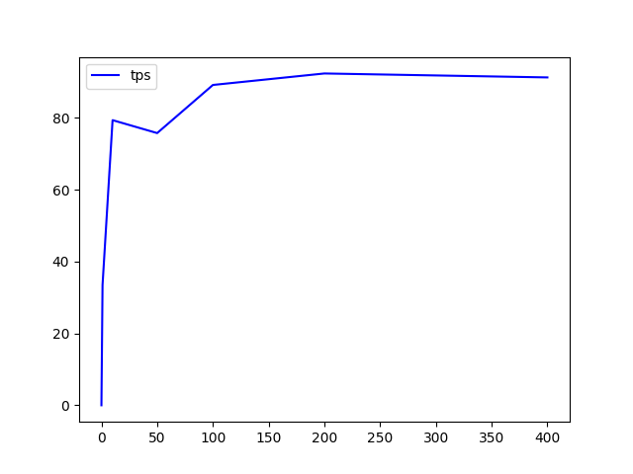

/gateway/guardians/{guardianId}/latest-available-report
Method | Thread count | Load Time(min) | # Samples | Average(ms) | Median(ms) | 90% Line(ms) | Min(ms) | Max(ms) | Error% | TPS (/s) | Received KB/sec | Send KB/sec
GET | 1 | 5 | 12763 | 23 | 17 | 28 | 10 | 5188 | 0.00% | 42.5 | 11.67 | 17.41
 | 10 | 5 | 39057 | 76 | 62 | 116 | 12 | 1649 | 0.00% | 130.2 | 35.73 | 53.27
 | 50 | 5 | 46323 | 323 | 223 | 581 | 15 | 7002 | 0.00% | 154.3 | 42.35 | 63.15
 | 100 | 5 | 46956 | 639 | 600 | 1256 | 64 | 4275 | 0.00% | 156.3 | 42.89 | 63.95
 | 200 | 5 | 43692 | 1374 | 1552 | 2460 | 81 | 130047 | 0.00% | 145.2 | 39.84 | 59.39
 | 400 | 5 | 44161 | 2726 | 3437 | 5260 | 78 | 130997 | 0.00% | 142.1 | 38.99 | 58.13
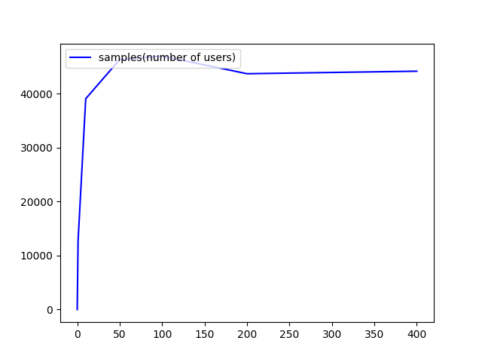  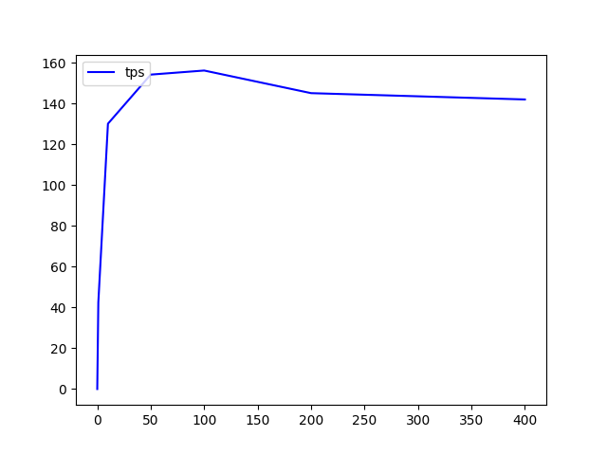

/gateway/guardians/{guardianId}/living-duration
Method | Thread count | Load Time(min) | # Samples | Average(ms) | Median(ms) | 90% Line(ms) | Min(ms) | Max(ms) | Error% | TPS (/s) | Received KB/sec | Send KB/sec
GET | 1 | 5 | 4432 | 67 | 31 | 94 | 15 | 3775 | 0.00% | 14.8 | 117.86 | 5.92
 | 10 | 5 | 4640 | 651 | 488 | 1323 | 17 | 13979 | 0.00% | 15.2 | 121.48 | 6.1
 | 50 | 5 | 4573 | 2995 | 1911 | 5879 | 24 | 67265 | 0.00% | 14.7 | 117.63 | 5.91
 | 100 | 5 | 4774 | 4682 | 2328 | 9262 | 32 | 73394 | 0.00% | 15.6 | 124.88 | 6.27
 | 200 | 5 | 4753 | 6416 | 2884 | 14964 | 23 | 77678 | 0.00% | 14.8 | 118.12 | 5.93
 | 400 | 5 | 4494 | 9242 | 3951 | 26083 | 21 | 81742 | 0.00% | 14.6 | 116.95 | 5.88
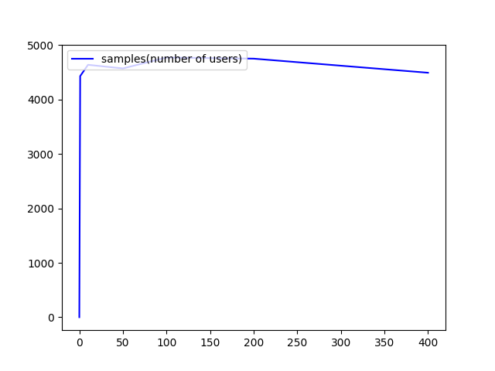 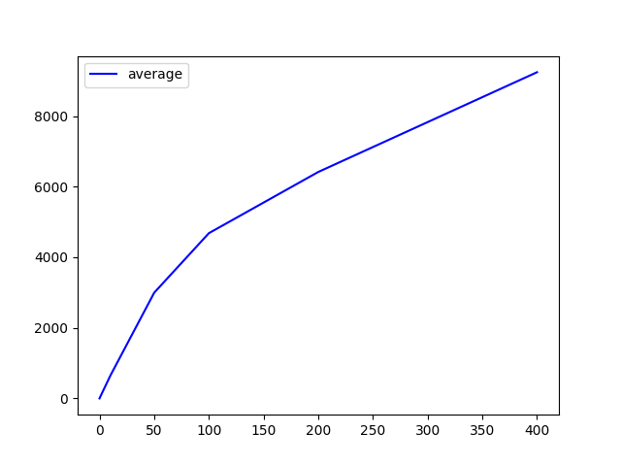 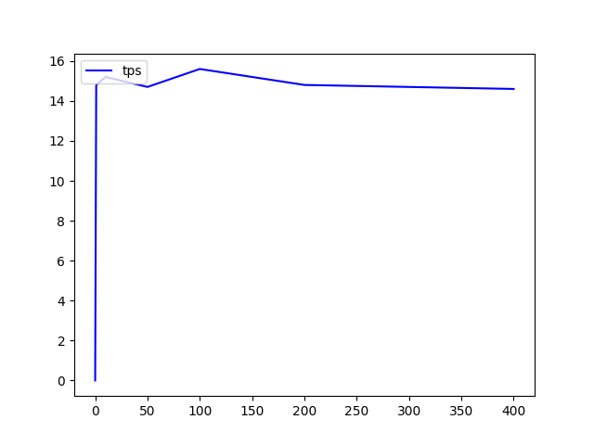

/gateway/guardians/{guardianId}/operated-details
Method | Thread count | Load Time(min) | # Samples | Average(ms) | Median(ms) | 90% Line(ms) | Min(ms) | Max(ms) | Error% | TPS (/s) | Received KB/sec | Send KB/sec
GET | 1 | 5 | 11166 | 26 | 16 | 24 | 9 | 25819 | 0.00% | 37.2 | 10.09 | 14.95
 | 10 | 5 | 39703 | 75 | 62 | 95 | 11 | 3559 | 0.00% | 132.3 | 35.95 | 53.25
 | 50 | 5 | 44698 | 335 | 232 | 645 | 17 | 3187 | 0.00% | 148.6 | 40.34 | 59.78
 | 100 | 5 | 44915 | 668 | 461 | 1310 | 39 | 130921 | 0.00% | 149.5 | 40.58 | 60.13
 | 200 | 5 | 41507 | 1448 | 1409 | 2673 | 27 | 129786 | 0.00% | 126.9 | 34.46 | 51.05
 | 400 | 5 | 43216 | 2783 | 3085 | 6018 | 23 | 16690 | 0.00% | 143.3 | 38.9 | 57.65
 | 500 | 5 | 42212 | 3566 | 4343 | 7651 | 84 | 131058 | 0.00% | 123.7 | 33.59 | 49.78
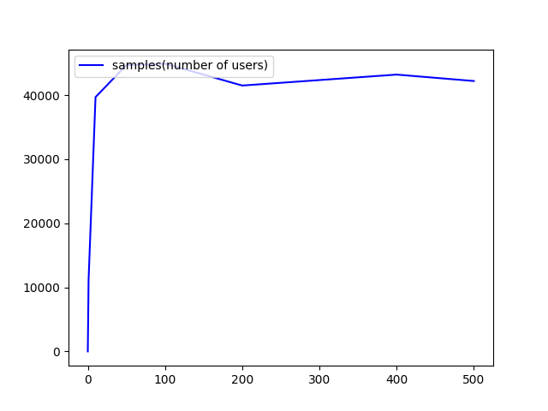 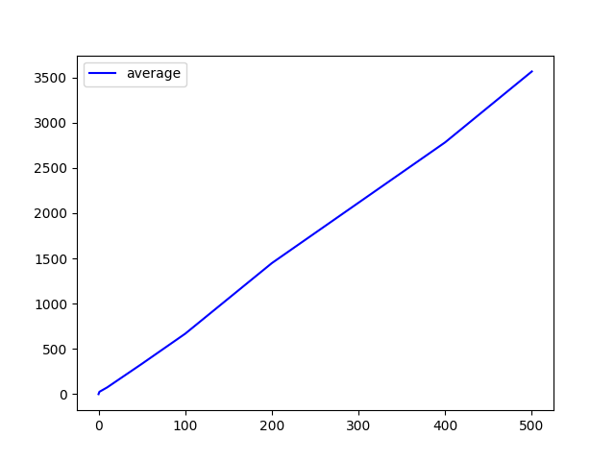 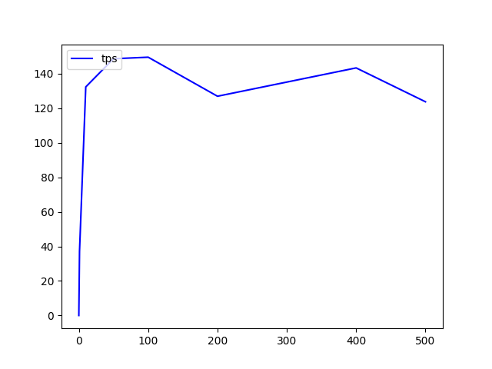

/gateway/guardians/{guardianId}/reports/{date}
Method | Thread count | Load Time(min) | # Samples | Average(ms) | Median(ms) | 90% Line(ms) | Min(ms) | Max(ms) | Error% | TPS (/s) | Received KB/sec | Send KB/sec
GET | 1 | 5 | 12232 | 24 | 19 | 31 | 10 | 5220 | 0.00% | 40.8 | 6.77 | 16.48
 | 5 | 5 | 46987 | 31 | 30 | 38 | 13 | 1142 | 0.00% | 156.6 | 26 | 63.79
 | 10 | 5 | 47487 | 63 | 57 | 83 | 16 | 1201 | 0.00% | 158.3 | 26.29 | 64.01
 | 50 | 5 | 47055 | 318 | 154 | 603 | 64 | 3052 | 0.00% | 156.8 | 26.03 | 63.86
 | 100 | 5 | 47026 | 637 | 159 | 1331 | 53 | 5307 | 0.00% | 156.6 | 26 | 63.78
 | 400 | 5 | 44789 | 2684 | 151 | 7397 | 65 | 19827 | 0.00% | 148.6 | 24.67 | 60.51
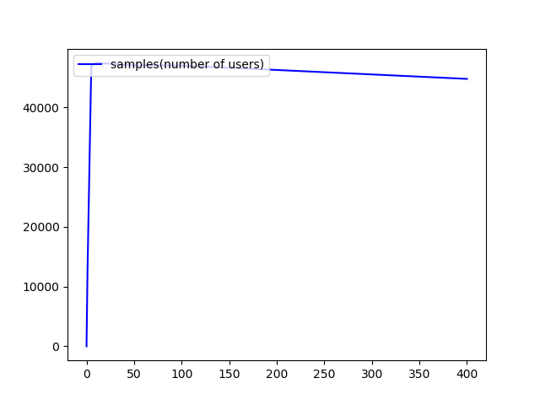 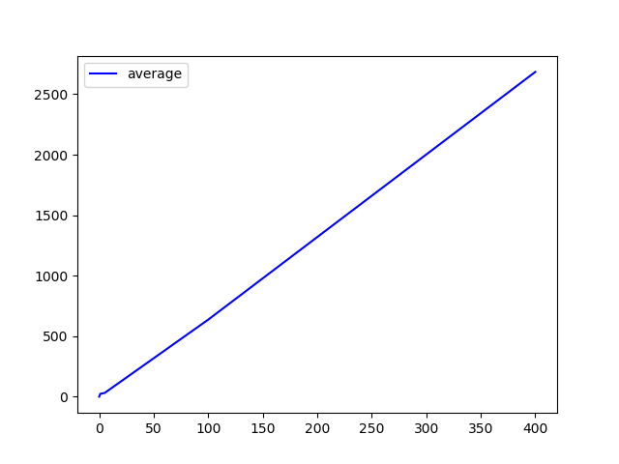 

/gateway/guardians/{guardianId}/romeo-and-juliet
Method | Thread count | Load Time(min) | # Samples | Average(ms) | Median(ms) | 90% Line(ms) | Min(ms) | Max(ms) | Error% | TPS (/s) | Received KB/sec | Send KB/sec
GET | 1 | 5 | 843 | 355 | 392 | 484 | 26 | 1121 | 0.00% | 2.8 | 130.9 | 1.14
 | 50 | 5 | 850 | 15133 | 11956 | 27242 | 2483 | 100414 | 0.00% | 2.7 | 123.91 | 1.08
 | 200 | 5 | 790 | 26550 | 20055 | 57965 | 2714 | 102406 | 0.00% | 2.5 | 118.05 | 1.03
 | 400 | 5 | 735 | 29228 | 21299 | 65668 | 1698 | 105752 | 0.00% | 2.4 | 110.07 | 0.96
  

/gateway/guardians/{guardianId}/threshold
Method | Thread count | Load Time(min) | # Samples | Average(ms) | Median(ms) | 90% Line(ms) | Min(ms) | Max(ms) | Error% | TPS (/s) | Received KB/sec | Send KB/sec
GET | 1 | 5 | 11842 | 25 | 23 | 30 | 16 | 999 | 0.00% | 39.5 | 7.17 | 15.73
 | 3 | 5 | 27625 | 32 | 28 | 48 | 16 | 409 | 0.00% | 92.1 | 16.73 | 36.7
 | 5 | 5 | 34133 | 43 | 42 | 54 | 17 | 197 | 0.00% | 113.8 | 20.67 | 45.34
 | 10 | 5 | 35431 | 84 | 81 | 103 | 19 | 1037 | 0.00% | 118.1 | 21.45 | 47.06
 | 50 | 5 | 35429 | 423 | 229 | 768 | 82 | 3345 | 0.00% | 118 | 21.43 | 47.01
 | 400 | 5 | 33856 | 3555 | 210 | 11071 | 87 | 31954 | 0.00% | 112.1 | 20.36 | 44.67
  

/gateway/guardians/{guardianId}/transactions
Method | Thread count | Load Time(min) | # Samples | Average(ms) | Median(ms) | 90% Line(ms) | Min(ms) | Max(ms) | Error% | TPS (/s) | Received KB/sec | Send KB/sec
GET | 1 | 5 | 11766 | 25 | 24 | 31 | 17 | 122 | 0.00% | 39.2 | 7.24 | 15.74
 | 3 | 5 | 27406 | 32 | 30 | 42 | 17 | 264 | 0.00% | 91.4 | 16.86 | 36.67
 | 5 | 5 | 28958 | 51 | 48 | 65 | 19 | 569 | 0.00% | 96.5 | 17.82 | 38.75
 | 10 | 5 | 31290 | 95 | 93 | 120 | 36 | 306 | 0.00% | 104.3 | 19.25 | 41.86
 | 50 | 5 | 30991 | 483 | 231 | 986 | 105 | 3851 | 0.00% | 103.2 | 19.05 | 41.43
 | 400 | 5 | 29226 | 4116 | 244 | 3160 | 110 | 564 | 0.00% | 96.7 | 17.85 | 8.81
   Cw

/gateway/guardians/{guardianId}/users
Method | Thread count | Load Time(min) | # Samples | Average(ms) | Median(ms) | 90% Line(ms) | Min(ms) | Max(ms) | Error% | TPS (/s) | Received KB/sec | Send KB/sec
GET | 1 | 5 | 1139 | 263 | 231 | 511 | 42 | 1176 | 0.00% | 3.8 | 130.96 | 1.5
 | 2 | 5 | 1142 | 525 | 471 | 906 | 57 | 3521 | 0.00% | 3.8 | 131.35 | 1.5
 | 5 | 5 | 1141 | 1314 | 1036 | 2451 | 72 | 8224 | 0.00% | 3.8 | 131.08 | 1.5
 | 10 | 5 | 1141 | 2635 | 2124 | 4708 | 190 | 31339 | 0.00% | 3.8 | 130.4 | 1.49
 | 400 | 5 | 982 | 23231 | 15666 | 94318 | 1388 | 5502 | 0.00% | 3.2 | 109.98 | 1.26
  

/gateway/guardians/{guardianId}/users/{userId}
Method | Thread count | Load Time(min) | # Samples | Average(ms) | Median(ms) | 90% Line(ms) | Min(ms) | Max(ms) | Error% | TPS (/s) | Received KB/sec | Send KB/sec
GET | 1 | 5 | 12025 | 24 | 23 | 30 | 16 | 570 | 0.00% | 40.1 | 24.31 | 16.8
 | 2 | 5 | 22467 | 26 | 24 | 34 | 16 | 266 | 0.00% | 74.9 | 45.42 | 31.38
 | 3 | 5 | 29568 | 30 | 28 | 40 | 16 | 920 | 0.00% | 98.6 | 59.78 | 41.3
 | 4 | 5 | 33122 | 36 | 34 | 47 | 16 | 317 | 0.00% | 110.4 | 66.97 | 46.26
 | 5 | 5 | 34988 | 43 | 40 | 55 | 16 | 553 | 0.00% | 116.6 | 70.74 | 48.87
 | 10 | 5 | 34912 | 85 | 82 | 107 | 25 | 454 | 0.00% | 116.4 | 70.58 | 48.76
 | 50 | 5 | 35097 | 427 | 194 | 1056 | 98 | 3958 | 0.00% | 116.9 | 70.9 | 48.98
  

/gateway/guardians/{guardianId}/users/{userId}
Method | Thread count | Load Time(min) | # Samples | Average(ms) | Median(ms) | 90% Line(ms) | Min(ms) | Max(ms) | Error% | TPS (/s) | Received KB/sec | Send KB/sec
PUT | 1 | 5
 | 10 | 5
 | 20 | 5
 | 30 | 5
 | 40 | 5
 | 50 | 5
 | 100 | 5
 | 200 | 5
 | 400 | 5

/gateway/guardians/{guardianId}/users/{userId}/histories/{date}
Method | Thread count | Load Time(min) | # Samples | Average(ms) | Median(ms) | 90% Line(ms) | Min(ms) | Max(ms) | Error% | TPS (/s) | Received KB/sec | Send KB/sec
GET | 1 | 5 | 12512 | 23 | 23 | 28 | 16 | 742 | 0.00% | 41.7 | 7.41 | 18.33
 | 2 | 5 | 22124 | 26 | 24 | 34 | 16 | 562 | 0.00% | 73.8 | 13.11 | 32.41
 | 3 | 5 | 29495 | 30 | 28 | 40 | 17 | 333 | 0.00% | 98.3 | 17.48 | 43.21
 | 4 | 5 | 32051 | 37 | 35 | 47 | 18 | 978 | 0.00% | 106.8 | 18.99 | 46.95
 | 5 | 5 | 32751 | 45 | 43 | 56 | 18 | 380 | 0.00% | 109.2 | 19.41 | 47.98
 | 10 | 5 | 35011 | 85 | 82 | 107 | 27 | 590 | 0.00% | 116.7 | 20.74 | 51.29
 | 50 | 5 | 33572 | 446 | 214 | 868 | 94 | 3589 | 0.00% | 111.8 | 19.88 | 49.15
  

/gateway/guardians/{guardianId}/users/{userId}/offbed-history/{date}
Method | Thread count | Load Time(min) | # Samples | Average(ms) | Median(ms) | 90% Line(ms) | Min(ms) | Max(ms) | Error% | TPS (/s) | Received KB/sec | Send KB/sec
GET | 1 | 5 | 11853 | 25 | 22 | 30 | 16 | 1355 | 0.00% | 39.5 | 7.06 | 17.56
 | 2 | 5 | 23260 | 25 | 24 | 32 | 16 | 394 | 0.00% | 77.5 | 13.86 | 34.46
 | 3 | 5 | 29857 | 29 | 27 | 40 | 16 | 369 | 0.00% | 99.5 | 17.79 | 44.23
 | 4 | 5 | 33812 | 35 | 33 | 46 | 17 | 288 | 0.00% | 112.7 | 20.15 | 50.09
 | 5 | 5 | 33926 | 44 | 40 | 60 | 16 | 882 | 0.00% | 113.1 | 20.21 | 50.26
 | 10 | 5 | 36803 | 81 | 78 | 101 | 22 | 421 | 0.00% | 122.7 | 21.95 | 54.51
 | 15 | 5 | 33609 | 133 | 126 | 173 | 26 | 1221 | 0.00% | 112 | 20.02 | 49.77
 | 20 | 5 | 34944 | 171 | 169 | 209 | 54 | 510 | 0.00% | 116.5 | 20.81 | 51.75
  

/gateway/guardians/{guardianId}/users/{userId}/statistics/tendency
Method | Thread count | Load Time(min) | # Samples | Average(ms) | Median(ms) | 90% Line(ms) | Min(ms) | Max(ms) | Error% | TPS (/s) | Received KB/sec | Send KB/sec
GET | 1 | 5 | 7237 | 41 | 36 | 48 | 27 | 912 | 0.00% | 24.1 | 130.18 | 11.43
 | 2 | 5 | 7257 | 82 | 46 | 261 | 27 | 928 | 0.00% | 24.22 | 130.54 | 11.46
 | 10 | 5 | 7220 | 415 | 274 | 929 | 29 | 28832 | 0.00% | 24 | 129.66 | 11.38
 | 50 | 5 | 7174 | 1599 | 753 | 3378 | 30 | 65483 | 0.00% | 22.8 | 123.03 | 10.08
  

/gateway/guardians/{guardianId}/users/{userId}/statistics/{date}
Method | Thread count | Load Time(min) | # Samples | Average(ms) | Median(ms) | 90% Line(ms) | Min(ms) | Max(ms) | Error% | TPS (/s) | Received KB/sec | Send KB/sec
GET | 1 | 5 | 10446 | 28 | 26 | 34 | 20 | 695 | 0.00% | 34.8 | 16.29 | 15.34
 | 2 | 5 | 17235 | 34 | 32 | 45 | 19 | 462 | 0.00% | 57.5 | 26.88 | 25.31
 | 3 | 5 | 20746 | 43 | 41 | 55 | 20 | 258 | 0.00% | 69.2 | 32.35 | 30.46
 | 4 | 5 | 21210 | 56 | 54 | 70 | 24 | 511 | 0.00% | 70.7 | 33.07 | 31.14
 | 5 | 5 | 21654 | 69 | 67 | 86 | 25 | 625 | 0.00% | 72.2 | 33.77 | 31.79
 | 10 | 5 | 21267 | 140 | 139 | 168 | 45 | 1089 | 0.00% | 70.9 | 33.16 | 31.22
   C

/gateway/guardians/{guardianId}/usersharerules
Method | Thread count | Load Time(min) | # Samples | Average(ms) | Median(ms) | 90% Line(ms) | Min(ms) | Max(ms) | Error% | TPS (/s) | Received KB/sec | Send KB/sec
GET | 1 | 5 | 11433 | 25 | 24 | 31 | 17 | 973 | 0.00% | 38.1 | 115.39 | 15.37
 | 2 | 5 | 12776 | 46 | 26 | 54 | 17 | 953 | 0.00% | 42.6 | 128.83 | 17.16
 | 5 | 5 | 12736 | 117 | 40 | 298 | 18 | 569 | 0.00% | 42.4 | 128.47 | 17.12
 | 10 | 5 | 12688 | 236 | 61 | 686 | 17 | 13439 | 0.00% | 42.2 | 127.75 | 17.02
 | 50 | 5 | 12581 | 1041 | 295 | 1820 | 18 | 61411 | 0.00% | 38.8 | 117.58 | 15.67
   C

/gateway/guardians/{guardianId}/versions
Method | Thread count | Load Time(min) | # Samples | Average(ms) | Median(ms) | 90% Line(ms) | Min(ms) | Max(ms) | Error% | TPS (/s) | Received KB/sec | Send KB/sec
GET | 1 | 5 | 12235 | 24 | 23 | 29 | 16 | 296 | 0.00% | 40.8 | 7.49 | 16.81
 | 2 | 5 | 22760 | 26 | 24 | 33 | 16 | 236 | 0.00% | 75.9 | 13.93 | 31.27
 | 5 | 5 | 33269 | 44 | 43 | 57 | 18 | 446 | 0.00% | 110.9 | 20.36 | 45.71
 | 10 | 5 | 34462 | 86 | 84 | 110 | 27 | 443 | 0.00% | 114.9 | 21.1 | 47.36
 | 50 | 5 | 32572 | 460 | 206 | 910 | 94 | 4122 | 0.00% | 108.5 | 19.92 | 44.71

