39.1.1 to 39.1.18
SIT_DOC_39-1.1 | SSIM Upload- Invalid File Format |  |  | FAIL

Enter T-Code -ZFIN_DOC_BDG

Click on Yes

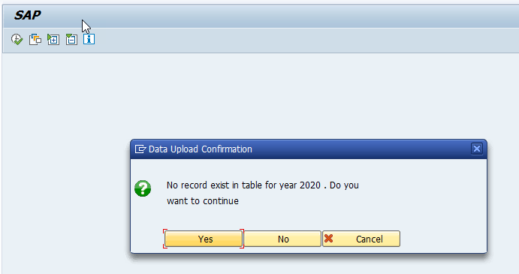

File uploaded

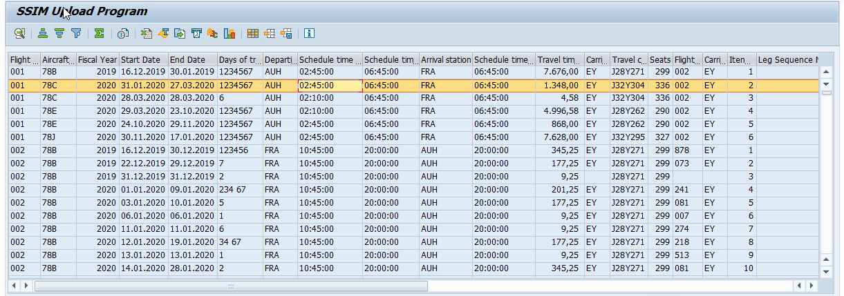

SIT_DOC_39-1.2 | SSIM Upload- Invalid File Format |  | FAIL

Record serial number should be like below
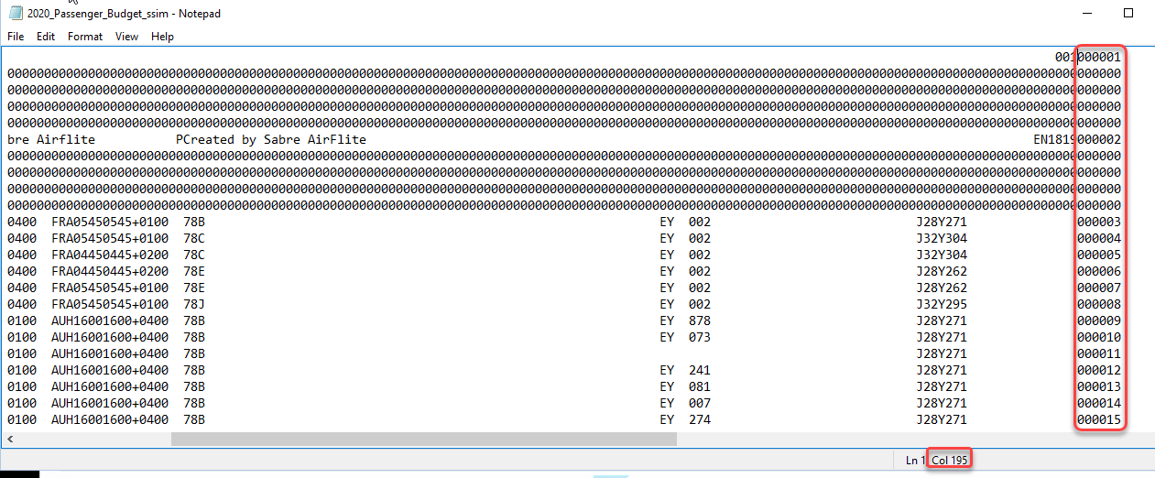

Uploaded wrong record serial numbers and repeated as below
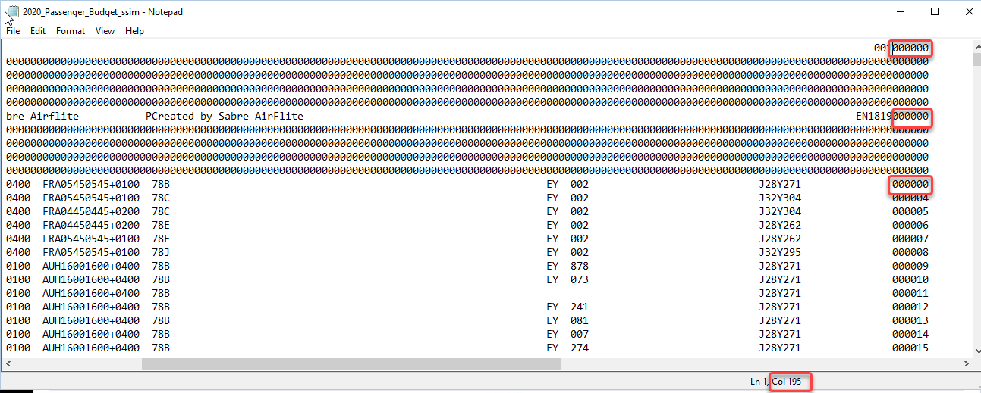

Instead of giving error uploaded successfully

SIT_DOC_39-1.3 | SSIM Upload- Invalid File Format |  | FAIL

Year Format
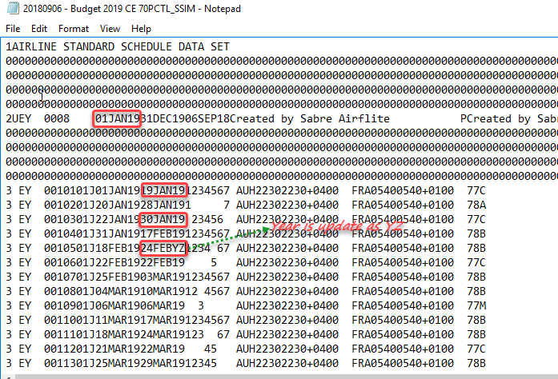

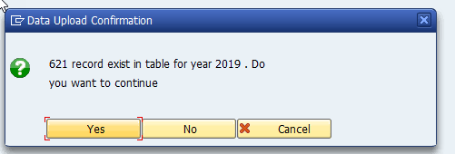

End Date format is wrong but the file uploaded successfully

SIT_DOC_39-1.4 | SSIM Upload- Invalid Flight Number |  | FAIL

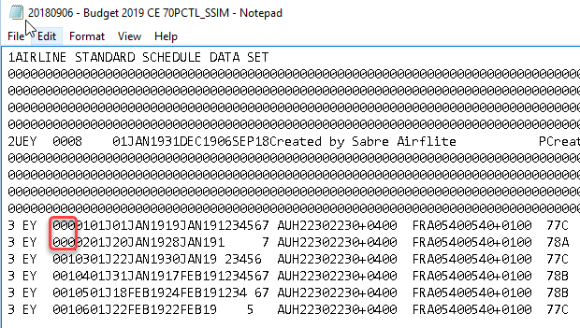

SIT_DOC_39-1.5 | SSIM Upload- Invalid Pair Flight Number |  | FAIL

SIT_DOC_39-1.6 | SSIM Upload- Pair Flight Number=Blank |  | Successful


SIT_DOC_39-1.7 | SSIM Upload- Invalid Aircraft Code |  | FAIL

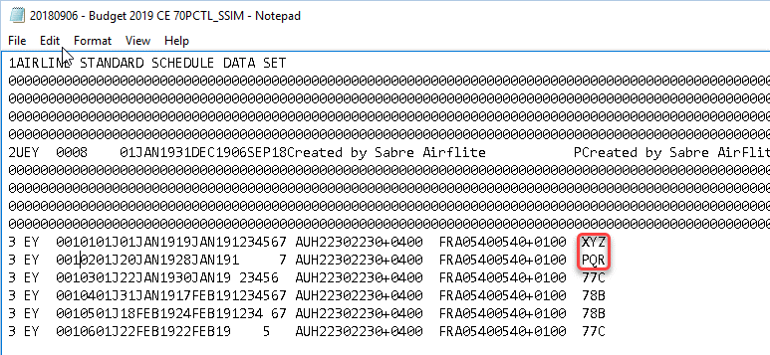

SIT_DOC_39-1.8 | SSIM Upload- Invalid Departure Station Code |  | FAIL

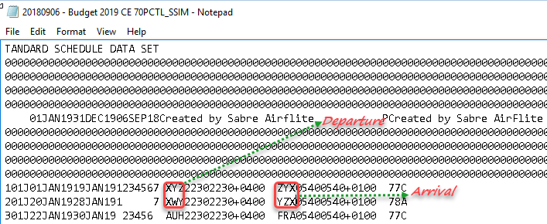

SIT_DOC_39-1.9 | SSIM Upload- Invalid Arrival Station Code | FAIL

SIT_DOC_39-1.10 | SSIM Upload- Different year in selection screen |  |  | FAIL

SIT_DOC_39-1.14 | SSIM Upload- Same file with less no of records |  | FAIL

 | After upload still 8211 records exist

SIT_DOC_39-1.16 | Re-upload 2020 file with more records enter 2020 on selection screen |  | FAIL

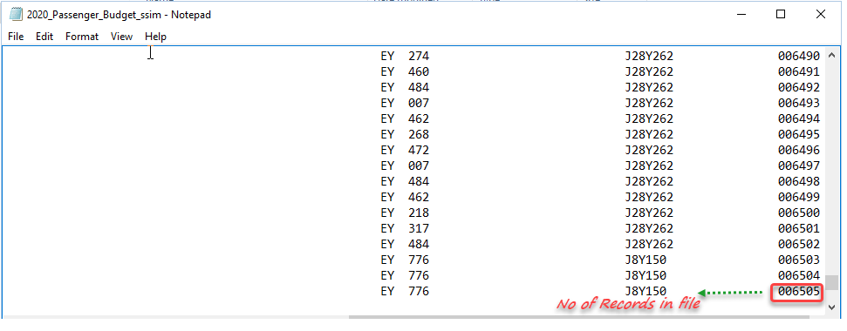

 | In Table

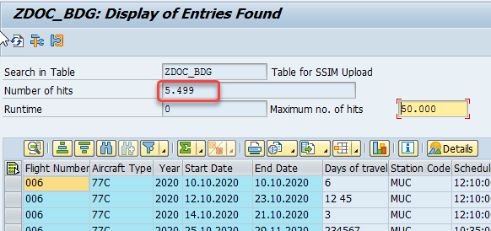

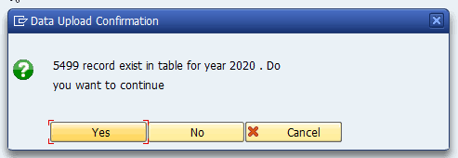

 | No.of records increased but it doesnot match the file's total records;validation required

SIT_DOC_39-1.17 | Re-upload 2020 file with same records but different data. |  |  | PASS

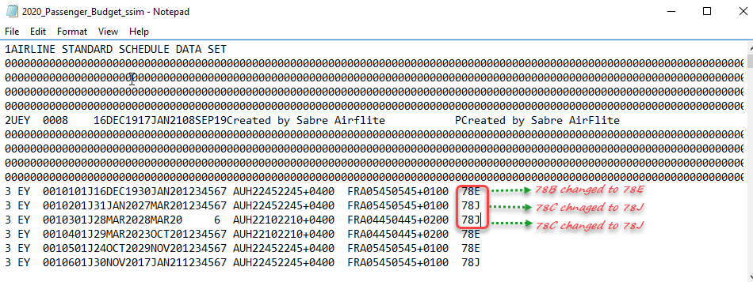

 | Existing records

