BASELINE
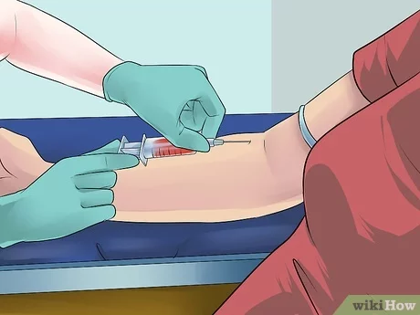
Before biopsy
Tube 1
Tube 2
Test
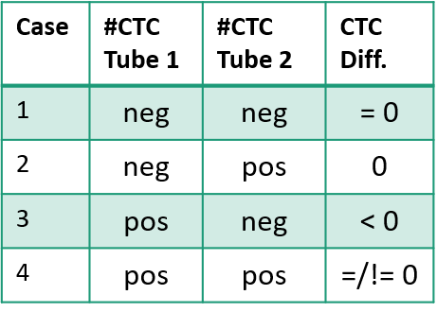
Patient_ID | Date_Acrual | Method01_pre1 | Method01_pre2 | Method01_post
KH02_001 | 2022-10-06 | 0 | 0 | 0
KH02_002 | 2022-10-18 | 0 | 1 | 0
KH02_003 | 2022-11-02 | 0 | 0
KH02_004 | 2022-11-02 | 1 | 0 | 1
KH02_005 | 2022-11-10 | 0 | 1 | 1
KH02_006 | 2022-11-15 | 0 | 0 | 2
KH02_007 | 2022-12-05 | 0 | 0 | 0
KH02_008 | 2022-12-06 | 0 | 0 | 0
KH02_009 | 2022-12-06 | 0 | 0
KH02_010 | 2022-12-06 | 0 | 0 | 0
KH02_011 | 2022-12-06 | 0 | 0
KH02_012 | 2022-12-07 | 0 | 0
KH02_013 | 2022-12-12 | 0 | 0 | 0
KH02_014 | 2022-12-13 | 1 | 0 | 1
KH02_015 | 2023-01-03 | 0 | 0 | 0
KH02_016 | 2023-01-09 | 0 | 0 | 0
KH02_017 | 2023-01-10 | 0 | 0 | 0
KH02_018 | 2023-01-17 | 0 | 0 | 0
KH02_019 | 2023-01-17 | 0 | 0 | 0
KH02_020 | 2023-01-17 | 0 | 0 | 0
KH02_021 | 2023-01-26 | 2 | 2 | 2
KH02_022 | 2023-03-14 | 0 | 0 | 0
KH02_023 | 2023-03-14 | 0 | 0 | 0
KH02_024 | 2023-03-14 | 0 | 0 | 0
KH02_025 | 2023-03-21 | 0 | 0 | 0
KH02_026 | 2023-03-21 | 0 | 0 | 0
KH02_027 | 2023-03-21 | 0 | 0 | 0
KH02_028 | 2023-03-21 | 0 | 0 | 0
KH02_029 | 2023-04-11 | 0 | 0 | 0
KH02_030 | 2023-04-11 | 0 | 0 | 1
KH02_031 | 2023-04-18 | 0 | 0 | 0
KH02_032 | 2023-04-18 | 0 | 0 | 0
KH02_033 | 2023-05-15 | 0 | 0 | 0
KH02_034 | 2023-05-16 | 0 | 0 | 0
KH02_035 | 2023-05-16 | 0 | 0 | 2
KH02_036 | 2023-05-16 | 0 | 0 | 0
KH02_037 | 2023-05-30 | 0 | 0 | 0
KH02_038 | 2023-05-30 | 0 | 0 | 0
KH02_039 | 2023-06-12 | 1 | 0 | 0
KH02_040 | 2023-06-14 | 0 | 0 | 0
KH02_041 | 2023-06-14 | 0 | 0 | 0
KH02_042 | 2023-06-14 | 0 | 0 | 0
KH02_043 | 2023-06-19 | 0 | 0 | 0
KH02_044 | 2023-06-19 | 0 | 0 | 0
KH02_045 | 2023-06-27 | 0 | 0 | 0
KH02_046 | 2023-07-11 | 0 | 0 | 0
KH02_047 | 2023-07-11 | 0 | 0
KH02_048 | 2023-07-11 | 0 | 0
KH02_049 | 2023-07-11 | 0 | 0 | 0
KH02_050 | 2023-07-24 | 0 | 0 | 0
KH02_051 | 2023-07-25 | 0 | 0 | 0
KH02_052 | 2023-08-07 | 0 | 0 | 0
KH02_053 | 2023-08-07 | 0 | 0 | 0

