Sheet1
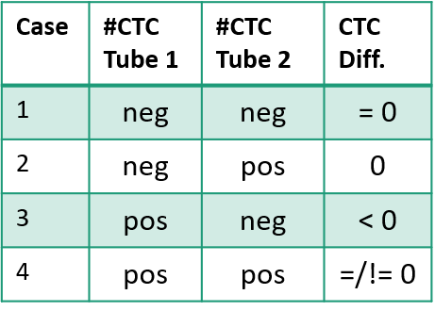
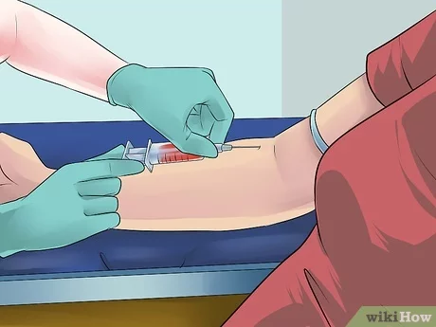
Before biopsy
Tube 1
Tube 2
Test

Sheet2
Method01_pre | Method01_post | Method02_pre | Method02_post
1 | 0 | 0 | 0 |  | Method01_preII |  | Method02_pre | Method02_post
0 | 0 | 0 | 0 |  | #REF! |  | 129 | 133
0 | 0 | 0 | 0 |  | #REF! |  | 13 | 9
1 | 0 | 1 | 1 |  | #REF! |  | 5 | 9
0 | 1 | 3 | 2 |  | #REF! |  | 6 | 2
0 | 1 | 0 | 0 |  | #REF! |  | 2 | 0
 |  |  |  |  | #REF! |  | 1 | 2
0 | 0 | 0 | 0 |  | #REF! |  | 0 | 0
0 | 1 | 0 | 0 |  | #REF! |  | 0 | 0

0 | 1 | 0 | 0
0 | 0 | 0 | 0 | Cells | Method01_pre | Method01_post
0 | 0 | 0 | 0 | 0 | 134 | 130
1 | 0 | 0 | 0 | 1 | 19 | 16
1 | 0 | 0 | 0 | 2 | 2 | 5
 |  |  |  | 3 | 1 | 0
 |  |  |  | 4 | 0 | 1
3 | 0 | 0 | 0 | 5 | 0 | 0
0 | 0 | 0 | 0 | 6 | 0 | 0
2 | 0 | 0 | 0 | 7 | 0 | 1
0 | 0 | 0 | 0
0 | 0 | 0 | 0

0 | 0 | 0 | 0
0 | 0 | 0 | 0
0 | 0 | 0 | 0
1 | 0 | 0 | 0
0 | 0 | 0 | 2
1 | 0 | 1 | 0
0 | 0 | 1 | 0
1 | 0 | 0 | 0
0 | 1 | 0 | 2
1 | 1 | 1 | 0
0 | 1 | 0 | 0
1 | 4 | 0 | 0
0 | 1 | 0 | 0
0 | 2 | 0 | 0
1 | 0 | 0 | 0
1 | 0 | 0 | 0
0 | 0 | 0 | 1
0 | 0 | 0 | 0
0 | 0 | 0 | 0
0 | 0 | 0 | 0
0 | 0 | 4 | 3
0 | 0 | 0 | 0
0 | 0 | 0 | 0
0 | 0 | 0 | 0
0 | 0 | 0 | 0
1 | 0 | 0 | 0
0 | 0 | 0 | 0
0 | 0 | 0 | 0

0 | 0 | 0 | 2
0 | 0 | 0 | 0
0 | 0 | 0 | 0
0 | 0 | 0 | 0
0 | 0 | 0 | 0
0 | 0 | 0 | 0
0 | 0 | 0 | 0
0 | 1 | 0 | 0
0 | 0 | 3 | 5
0 | 0 | 1 | 0
0 | 0 | 0 | 0
0 | 1 | 2 | 2
0 | 0 | 0 | 0
0 | 0 | 3 | 1
0 | 0 | 0 | 0
0 | 0 | 0 | 0
0 | 0 | 1 | 0
0 | 0 | 2 | 0
1 | 0 | 5 | 2
1 | 0 | 3 | 5

0 | 0 | 0 | 0
0 | 0 | 1 | 3
1 | 0 | 3 | 1
0 | 13 | 4 | 2
0 | 0 | 0 | 0
0 | 0 | 2 | 2
0 | 0 | 0 | 0
0 | 0 | 0 | 0
0 | 0 | 0 | 0
1 | 1 | 0 | 0
0 | 1 | 0 | 0
0 | 2 | 0 | 0
0 | 0 | 0 | 0
0 | 0 | 0 | 0
0
0 | 0 | 0 | 0
0 | 0 | 0 | 0
0 | 0 | 0 | 0
0 | 0 | 0 | 0
0 | 0 | 0 | 0
0 | 0 | 0 | 0
1 | 1 | 0 | 0
0 | 0 | 1 | 1

0 | 0 | 0 | 1
0 | 0 | 1 | 0
0 | 0 | 0 | 0
0 | 0 | 0 | 0
0 | 0 | 0 | 0

0 | 1 | 0 | 0

2 | 2 | 0 | 0

0 | 0 | 0 | 0
0 | 0 | 0 | 0
0 | 0 | 0 | 0
0 | 0 | 0 | 0
0 | 0 | 0 | 0
0 | 0 | 0 | 0
0 | 0 | 0 | 0
0 | 0 | 0 | 0
0 | 1 | 0 | 0
0 | 0 | 1 | 0
0 | 0 | 0 | 0

0 | 0 | 0 | 0
0 | 0 | 2 | 0

0 | 2 | 0 | 0
0 | 0 | 0 | 0
0 | 0 | 0 | 0
0 | 0 | 0 | 0
1 | 0 | 0 | 0
0 | 0 | 0 | 0
0 | 0 | 0 | 1
0 | 0 | 0 | 1
0 | 0 | 1 | 1
0 | 0 | 0 | 0
 |  | 2 | 0
0 | 0 | 0 | 0

0 | 0 | 3 | 0
0
0 | 0 | 0 | 0
0 | 0 | 0 | 0
0 | 0 | 0 | 0

0 | 0 | 0 | 0
0 | 0 | 0 | 0
0 | 0 | 0 | 0
0 | 0 | 0 | 0
0 | 0 | 0 | 0

0 | 0 | 0 | 0
0 | 0 | 0 | 0
0 | 0 | 0 | 0
0 | 1 | 0 | 0

Method01_pre | 1 | 0 | 0 | 1 | 0 | 0 |  | 0 | 0 |  | 0 | 0
Method01_post | 0 | 0 | 0 | 0 | 1 | 1 |  | 0 | 1 |  | 1 | 0
Method02_pre | 0 | 0 | 0 | 1 | 3 | 0 |  | 0 | 0 |  | 0 | 0
Method02_post | 0 | 0 | 0 | 1 | 2 | 0 |  | 0 | 0 |  | 0 | 0
0 | 0 | 0 | 0
0 | 0 | 0 | 0

0 | 0 | 0 | 0
0 | 0 | 0 | 0
1 | 7 | 1 | 0
0 | 0 | 0 | 0

0 | 0 | 0 | 0
0 | 0 | 0 | 0
 |  | 0
0 | 0 | 0 | 0
0 | 0 | 0 | 0
0 | 0 | 0 | 0

0 | 0 | 0 | 0
0 | 0 | 0 | 0
0 | 0 | 1 | 2
0 | 0 | 0 | 0
0 | 2 | 0 | 0
0 | 0 | 0 | 0
0 | 0 | 0 | 0
0 | 0 | 0 | 0
0 | 0 | 0 | 0
0 | 0 | 0 | 0
0 | 0 | 0 | 0

