p2
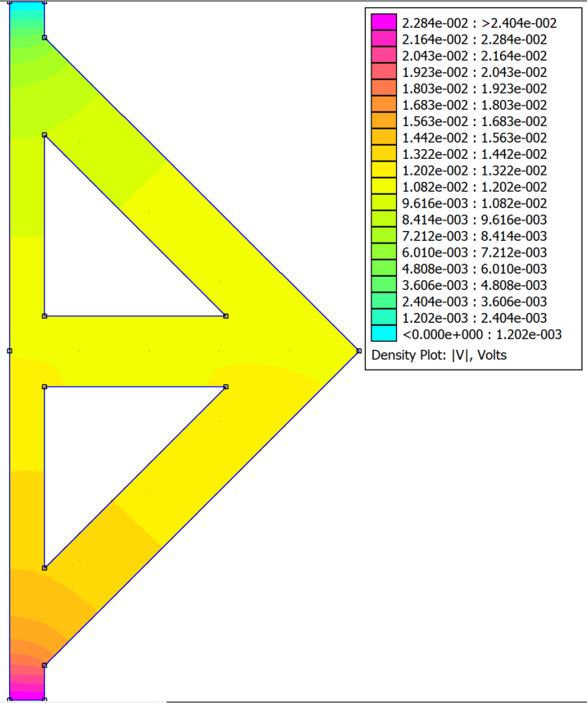
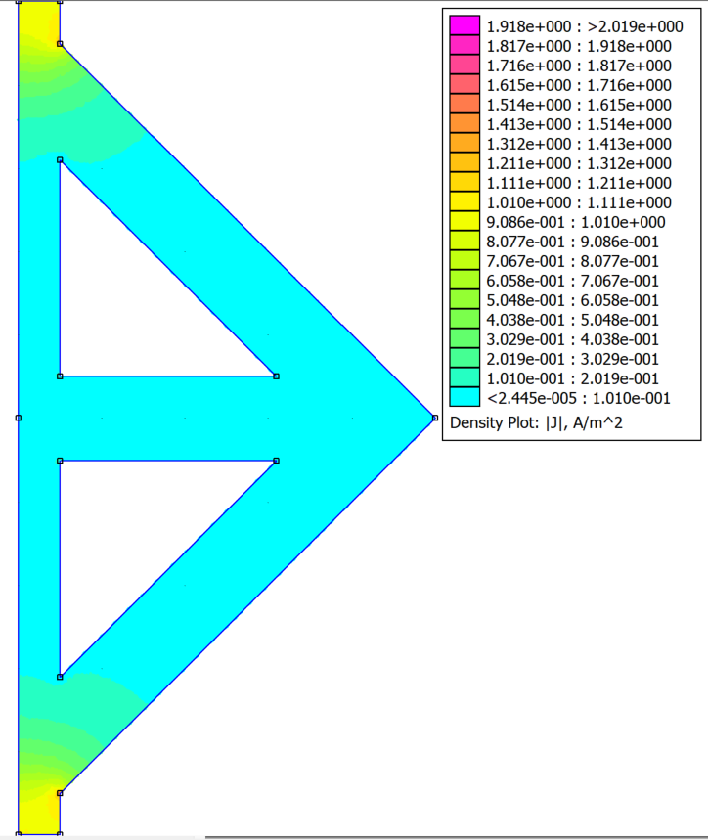
I assume the current density on the bottom is 1A/m2 since it is not said
 | J, A/m2 | S, m2 | dV, V | I, A | R, ohm
 | 41.7627 | 7.853981634E-05 | 0.0239 | 0.0032800347879 | 7.2865080848

