Module_membership_md20_beta12
module | Compound | kME_module
black | Srpr | 0.98
black | Rpn1 | 0.97
black | Stt3a | 0.97
black | Clptm1l | 0.97
black | Ssr3 | 0.97
black | Cyb5r1 | 0.96
black | Wfs1 | 0.96
black | Tmem97 | 0.96
black | Ppapdc1b | 0.96
black | Canx | 0.96
black | Sec61a1 | 0.95
black | Smim14 | 0.95
black | Serp1 | 0.95
black | Spcs2 | 0.95
black | Hmox1 | 0.94
black | Ctage5 | 0.94
black | Edem2 | 0.94
black | Vmp1 | 0.94
black | Prkcsh | 0.94
black | Txndc5 | 0.94
black | Slc7a3 | 0.94
black | Uggt1 | 0.94
black | Lonp1 | 0.94
black | Aldh1l2 | 0.94
black | Stt3b | 0.94
black | Lman1 | 0.94
black | Slc39a9 | 0.93
black | Spcs3 | 0.93
black | Ssr2 | 0.93
black | Impdh1 | 0.93
black | Ostc | 0.93
black | Vipr2 | 0.93
black | Slc24a3 | 0.93
black | Cpox | 0.93
black | Srprb | 0.93
black | Lman2 | 0.93
black | Vcp | 0.93
black | Edem3 | 0.93
black | Calr | 0.93
black | Eif3c | 0.93
black | Copa | 0.92
black | Mcfd2 | 0.92
black | Hdlbp | 0.92
black | Slc33a1 | 0.92
black | Nbas | 0.92
black | Gns | 0.92
black | Slc35b1 | 0.92
black | Serinc1 | 0.92
black | Saraf | 0.92
black | Sqstm1 | 0.92
black | Erlin1 | 0.92
black | Hspa13 | 0.91
black | Rrbp1 | 0.91
black | Tram1 | 0.91
black | Yipf2 | 0.91
black | Snd1 | 0.91
black | Tmed9 | 0.91
black | Dhrs7 | 0.91
black | Ssr1 | 0.91
black | Xpot | 0.91
black | Scpep1 | 0.91
black | Pabpc4 | 0.91
black | Ccdc47 | 0.91
black | Slc35f5 | 0.91
black | Smap1 | 0.91
black | H13 | 0.91
black | Rer1 | 0.91
black | BC003331 | 0.90
black | Rpl10 | 0.90
black | Mettl9 | 0.90
black | Gorasp2 | 0.90
black | Rpl4 | 0.90
black | Srp72 | 0.90
black | Rexo2 | 0.90
black | Lrrc59 | 0.90
black | Erp44 | 0.90
black | Bet1 | 0.90
black | Derl1 | 0.90
black | Atf5 | 0.90
black | Tapbpl | 0.90
black | Fam129a | 0.90
black | Dpp3 | 0.90
black | Pdia5 | 0.90
black | Psmd11 | 0.90
black | Cog6 | 0.90
black | Pmm1 | 0.90
black | Uba5 | 0.90
black | Dnaja3 | 0.89
black | Gng5 | 0.89
black | Alg11 | 0.89
black | Nfu1 | 0.89
black | Lgi2 | 0.89
black | Ufm1 | 0.89
black | Alg2 | 0.89
black | Slc39a7 | 0.89
black | Tvp23b | 0.89
black | Fam134b | 0.89
black | Hid1 | 0.89
black | Arhgef2 | 0.89
black | Elovl7 | 0.89
black | Fkbp11 | 0.89
black | Tmem56 | 0.89
black | Sec24d | 0.89
black | Srm | 0.89
black | Kars | 0.89
black | Armcx2 | 0.89
black | Slc25a44 | 0.89
black | Lhfpl2 | 0.89
black | Slc30a7 | 0.89
black | Atf6 | 0.89
black | Nup93 | 0.89
black | Nucb2 | 0.89
black | Bhlha15 | 0.89
black | Ufl1 | 0.88
black | Tmem248 | 0.88
black | Mybbp1a | 0.88
black | Magt1 | 0.88
black | Vimp | 0.88
black | Mia3 | 0.88
black | Nupr1 | 0.88
black | Sel1l | 0.88
black | Fndc3b | 0.88
black | Hyou1 | 0.88
black | Scly | 0.88
black | Acot2 | 0.88
black | Uso1 | 0.88
black | Chrna7 | 0.88
black | Tmem214 | 0.88
black | Mfsd11 | 0.88
black | 3110043O21Rik | 0.88
black | Dlgap1 | 0.88
black | Copg1 | 0.88
black | Sec11c | 0.88
black | AU040320 | 0.87
black | Btf3 | 0.87
black | Uqcrq | 0.87
black | Pycr1 | 0.87
black | Gpr108 | 0.87
black | Eif4g2 | 0.87
black | Ide | 0.87
black | Emc3 | 0.87
black | Lgals8 | 0.87
black | Arcn1 | 0.87
black | Npc1 | 0.87
black | Tmed10 | 0.87
black | Agap1 | 0.87
black | Tmed2 | 0.87
black | Tkt | 0.87
black | Abcb6 | 0.87
black | Txnrd1 | 0.87
black | Nploc4 | 0.87
black | Mogs | 0.87
black | Chl1 | 0.87
black | Tfg | 0.87
black | Ybx3 | 0.87
black | Acsl4 | 0.86
black | Mydgf | 0.86
black | Hspa9 | 0.86
black | Eif2ak3 | 0.86
black | Zmpste24 | 0.86
black | Emc7 | 0.86
black | Arf4 | 0.86
black | Gpr137b-ps | 0.86
black | Bfar | 0.86
black | Gosr2 | 0.86
black | Leprotl1 | 0.86
black | Tmem167b | 0.86
black | Angptl6 | 0.86
black | Arf1 | 0.86
black | Ddr2 | 0.86
black | Gclc | 0.86
black | Serinc3 | 0.86
black | Smyd5 | 0.86
black | Gnpnat1 | 0.85
black | Dnajb11 | 0.85
black | Rnh1 | 0.85
black | Stk32a | 0.85
black | Stbd1 | 0.85
black | Slc4a10 | 0.85
black | Nans | 0.85
black | Set | 0.85
black | Creb3 | 0.85
black | Kcnt2 | 0.85
black | Slc16a1 | 0.85
black | Elmo1 | 0.85
black | Ap3b2 | 0.85
black | Gpr85 | 0.85
black | Rhbdd1 | 0.85
black | Copb1 | 0.85
black | Slc25a39 | 0.85
black | Hax1 | 0.85
black | Erp29 | 0.85
black | Arhgap1 | 0.85
black | Apmap | 0.85
black | Clint1 | 0.85
black | Sec22b | 0.85
black | L1cam | 0.84
black | Mtdh | 0.84
black | Naaa | 0.84
black | Mettl1 | 0.84
black | Paqr3 | 0.84
black | Krtcap2 | 0.84
black | Srp9 | 0.84
black | Ric3 | 0.84
black | Eif4g1 | 0.84
black | Mknk1 | 0.84
black | Plcxd2 | 0.84
black | Tcea1 | 0.84
black | Yipf5 | 0.84
black | Gle1 | 0.84
black | Cnppd1 | 0.84
black | Eaf1 | 0.84
black | Itfg3 | 0.84
black | Lactb2 | 0.84
black | Osbpl2 | 0.84
black | Kcnh1 | 0.84
black | Slc30a4 | 0.84
black | Hapln4 | 0.83
black | Napb | 0.83
black | Cdipt | 0.83
black | Mfsd6 | 0.83
black | Hsp90b1 | 0.83
black | Tm9sf4 | 0.83
black | Pdia3 | 0.83
black | Aup1 | 0.83
black | Hspa5 | 0.83
black | Dpagt1 | 0.83
black | Septin11 | 0.83
black | Dnajc3 | 0.83
black | Rint1 | 0.83
black | Edem1 | 0.83
black | Arfgap3 | 0.83
black | Ipo4 | 0.82
black | Tspan31 | 0.82
black | Slc30a5 | 0.82
black | Surf4 | 0.82
black | Mtm1 | 0.82
black | Atf6b | 0.82
black | Hfe | 0.82
black | Cope | 0.81
black | Cdc42se2 | 0.81
black | Tmem258 | 0.81
black | Prrc1 | 0.81
black | Txndc11 | 0.81
black | Rnf11 | 0.81
black | Golim4 | 0.81
black | Fam171b | 0.81
black | Ficd | 0.81
black | Psmd8 | 0.81
black | Chmp4b | 0.81
black | Pabpc1 | 0.81
black | Kdelc1 | 0.80
black | Zfp106 | 0.80
black | Tor1b | 0.80
black | Lclat1 | 0.80
black | Cers6 | 0.80
black | Manf | 0.80
black | Shc1 | 0.80
black | 4933434E20Rik | 0.80
black | Sec61g | 0.80
black | Erlec1 | 0.80
black | Tbc1d20 | 0.80
black | Tex2 | 0.80
black | Casp4 | 0.80
black | Pttg1ip | 0.79
black | Lcn2 | 0.79
black | Lbh | 0.79
black | Acp1 | 0.79
black | Plod3 | 0.79
black | Nabp2 | 0.79
black | Scamp4 | 0.79
black | Man1a | 0.79
black | Iscu | 0.79
black | Pdia6 | 0.78
black | Cask | 0.78
black | Coa5 | 0.78
black | Txn2 | 0.78
black | Tmem185b | 0.78
black | Gfpt1 | 0.78
black | Wls | 0.78
black | Lrrn1 | 0.78
black | Psma3 | 0.78
black | Slc31a1 | 0.78
black | Arhgef5 | 0.78
black | Tbrg1 | 0.78
black | Phb2 | 0.78
black | Sys1 | 0.78
black | Lmf1 | 0.78
black | Hsd17b12 | 0.78
black | Eif2b5 | 0.78
black | Sdf2l1 | 0.77
black | Ndufs2 | 0.77
black | Tmem179 | 0.77
black | Mapk4 | 0.77
black | Yif1a | 0.77
black | Thsd7a | 0.77
black | Snx19 | 0.77
black | Rfk | 0.77
black | Zbtb18 | 0.76
black | Ero1l | 0.76
black | Scyl1 | 0.76
black | Kcnip4 | 0.76
black | Pdcd6ip | 0.76
black | Amfr | 0.76
black | Golt1b | 0.76
black | Unc50 | 0.76
black | Alg5 | 0.76
black | 4933421O10Rik | 0.76
black | Zbtb7b | 0.76
black | Dusp23 | 0.76
black | Msantd3 | 0.76
black | Dpm2 | 0.75
black | Dhx34 | 0.75
black | Apopt1 | 0.75
black | Ift20 | 0.75
black | Ap2m1 | 0.75
black | 1110002L01Rik | 0.75
black | Rpl10a | 0.75
black | Hspe1 | 0.75
black | Ildr1 | 0.75
black | Slc39a11 | 0.75
black | Atic | 0.75
black | Psmd2 | 0.75
black | Tmem184c | 0.75
black | Cyp20a1 | 0.75
black | P3h1 | 0.74
black | Tmed5 | 0.74
black | Bex4 | 0.74
black | Arl1 | 0.74
black | Ppapdc2 | 0.74
black | Copb2 | 0.74
black | Tm9sf3 | 0.74
black | Slc35c2 | 0.74
black | Plekha3 | 0.74
black | Calu | 0.74
black | Dram2 | 0.74
black | Ept1 | 0.74
black | Rnf13 | 0.74
black | Rnf10 | 0.74
black | Cnpy3 | 0.74
black | Creld1 | 0.74
black | Ufc1 | 0.74
black | Atp5g1 | 0.73
black | Eid1 | 0.73
black | Pycr2 | 0.73
black | Gnai2 | 0.73
black | Cdsn | 0.73
black | Ptp4a2 | 0.73
black | St7 | 0.73
black | Ccz1 | 0.73
black | Pm20d2 | 0.73
black | Mt2 | 0.73
black | Cycs | 0.72
black | Amz2 | 0.72
black | Pdcl | 0.72
black | Anxa10 | 0.72
black | St3gal3 | 0.72
black | Arel1 | 0.72
black | Gnpda2 | 0.71
black | Csrp1 | 0.71
black | Nus1 | 0.71
black | Mtarc2 | 0.71
black | Sfxn1 | 0.71
black | Ncln | 0.71
black | Samm50 | 0.71
black | Emg1 | 0.71
black | Tmco1 | 0.71
black | Tmem33 | 0.71
black | Sdcbp | 0.71
black | Mrpl30 | 0.71
black | Gnat2 | 0.71
black | Acbd3 | 0.71
black | Ubfd1 | 0.71
black | Dnajc6 | 0.70
black | Cct7 | 0.70
black | 1810058I24Rik | 0.70
black | Dnajc10 | 0.70
black | Spg20 | 0.70
black | Smim10l2a | 0.70
black | 1110007C09Rik | 0.70
black | Ranbp1 | 0.70
black | Mtap | 0.70
black | Tmem117 | 0.70
black | Sft2d2 | 0.69
black | Pbdc1 | 0.69
black | Fam120a | 0.69
black | Emilin1 | 0.69
black | Mvp | 0.69
black | Atp11a | 0.69
black | Hopx | 0.69
black | Selk | 0.69
black | Tceal8 | 0.69
black | Grina | 0.69
black | Dse | 0.69
black | Fam101a | 0.69
black | Rragd | 0.69
black | Cdk16 | 0.69
black | Tomm5 | 0.69
black | Fastk | 0.68
black | Pdia4 | 0.68
black | Sec16b | 0.68
black | Rpl18a | 0.68
black | Tmem234 | 0.68
black | Tcta | 0.68
black | Nipa1 | 0.68
black | Glt1d1 | 0.68
black | Glis3 | 0.68
black | Mrpl55 | 0.68
black | Mmachc | 0.68
black | Timm21 | 0.68
black | Pi4k2b | 0.67
black | Slc45a4 | 0.67
black | Gcn1l1 | 0.67
black | Pycrl | 0.67
black | Ppap2a | 0.67
black | Sprr1a | 0.67
black | Cct3 | 0.67
black | Slc35a4 | 0.67
black | Gtf2e1 | 0.67
black | Kcnk1 | 0.67
black | Ccpg1 | 0.66
black | Unc13b | 0.66
black | Slc35c1 | 0.66
black | Lsm12 | 0.66
black | Ufsp2 | 0.66
black | Lrrc8a | 0.66
black | Ubxn2a | 0.66
black | Tusc1 | 0.66
black | Dym | 0.66
black | Sgpp1 | 0.66
black | Bex1 | 0.66
black | Trak2 | 0.66
black | Rab1 | 0.66
black | Gpx4 | 0.66
black | Tmeff1 | 0.65
black | Tmem160 | 0.65
black | 3632454L22Rik | 0.65
black | Slc17a5 | 0.65
black | Sdr39u1 | 0.65
black | Hacd1 | 0.65
black | Mrpl57 | 0.65
black | Eri3 | 0.65
black | Ulk2 | 0.65
black | Map2k3 | 0.65
black | Acaa1a | 0.65
black | Trnp1 | 0.65
black | Atp6v0a2 | 0.65
black | Letmd1 | 0.65
black | Ccdc107 | 0.65
black | Dolk | 0.65
black | Slc35g2 | 0.64
black | Sec62 | 0.64
black | Ttc7b | 0.64
black | Ccny | 0.64
black | Mrpl20 | 0.64
black | Mlec | 0.64
black | Bmi1 | 0.64
black | Tmf1 | 0.64
black | Nudt9 | 0.64
black | Epcam | 0.64
black | Tmtc1 | 0.64
black | Slco1a5 | 0.64
black | Tex261 | 0.64
black | Syvn1 | 0.64
black | Cyb5a | 0.64
black | Gpd1l | 0.63
black | Ap3m1 | 0.63
black | Cadm3 | 0.63
black | Flnb | 0.63
black | Alg3 | 0.63
black | Gmppa | 0.63
black | Fibp | 0.63
black | Myd88 | 0.63
black | Bax | 0.63
black | Mrpl52 | 0.63
black | Rab34 | 0.63
black | Coro7 | 0.63
black | Ormdl1 | 0.63
black | Sar1a | 0.63
black | Emc6 | 0.63
black | Ctns | 0.63
black | Msi2 | 0.63
black | Copz1 | 0.62
black | Uap1l1 | 0.62
black | Pcbp1 | 0.62
black | Mt1 | 0.62
black | Stard3nl | 0.62
black | Cs | 0.62
black | Ntn1 | 0.62
black | Ak2 | 0.62
black | Ppa1 | 0.62
black | Pdzd11 | 0.62
black | Chmp2b | 0.62
black | Kdelr3 | 0.62
black | Ube4a | 0.61
black | Kdelr2 | 0.61
black | Chid1 | 0.61
black | Serpine2 | 0.61
black | Sec24c | 0.61
black | Bex2 | 0.61
black | Zwint | 0.61
black | Pitrm1 | 0.60
black | Arl6ip4 | 0.60
black | Yipf6 | 0.60
black | Arrdc3 | 0.60
black | Ugt1a6a | 0.60
black | Ankrd49 | 0.60
black | Mib1 | 0.60
black | Casc4 | 0.60
black | Parp10 | 0.60
black | AI987944 | 0.60
black | Gsk3a | 0.60
black | Dctn5 | 0.60
black | Capn2 | 0.60
black | Rps16 | 0.60
black | Cyp7b1 | 0.60
black | Wrb | 0.60
black | Neu1 | 0.60
black | Tefm | 0.60
black | Frrs1 | 0.59
black | Hs6st1 | 0.59
black | Rabif | 0.59
black | Pdcd6 | 0.59
black | Bccip | 0.59
black | Msantd4 | 0.59
black | Mrps28 | 0.59
black | Elp3 | 0.59
black | Gmds | 0.59
black | Kcnh5 | 0.59
black | Nipal2 | 0.59
black | C2cd4c | 0.59
black | Zdhhc22 | 0.59
black | Psma1 | 0.58
black | Krt8 | 0.58
black | Emp2 | 0.58
black | Tbcb | 0.58
black | Tmem42 | 0.58
black | Nup210 | 0.58
black | Slc17a9 | 0.58
black | Stk4 | 0.57
black | Tssc4 | 0.57
black | Creld2 | 0.57
black | Mrpl54 | 0.57
black | Klhl21 | 0.57
black | Sdhb | 0.57
black | AI506816 | 0.57
black | Eogt | 0.57
black | Fam172a | 0.57
black | Gpr180 | 0.57
black | Golga7 | 0.57
black | Pgr15l | 0.57
black | Rbck1 | 0.56
black | Dnlz | 0.56
black | Marveld1 | 0.56
black | Pam | 0.56
black | Ubac2 | 0.56
black | Obsl1 | 0.56
black | Gne | 0.56
black | Nipa2 | 0.56
black | Gigyf2 | 0.56
black | Slc46a3 | 0.56
black | 1110065P20Rik | 0.56
black | Pex11a | 0.55
black | Qpctl | 0.55
black | Tmem259 | 0.55
black | Zbed5 | 0.55
black | Tmem123 | 0.55
black | Fam195b | 0.55
black | Idua | 0.55
black | Fkbp2 | 0.55
black | Fntb | 0.55
black | Cox15 | 0.55
black | F8a | 0.55
black | Rabggta | 0.54
black | Ifngr2 | 0.54
black | Ppm1h | 0.54
black | Ptdss1 | 0.54
black | Ckap4 | 0.54
black | Sec13 | 0.54
black | Ccdc71l | 0.54
black | 2700060E02Rik | 0.54
black | Hnf1a | 0.54
black | Gna12 | 0.54
black | Eef2kmt | 0.54
black | Scamp3 | 0.54
black | Ubb | 0.54
black | Rbm15b | 0.54
black | Igsf11 | 0.54
black | Dnajc4 | 0.53
black | Golph3 | 0.53
black | Gskip | 0.53
black | Alg6 | 0.53
black | Hypk | 0.52
black | Tprgl | 0.52
black | Commd3 | 0.52
black | Ikbkg | 0.52
black | Uqcrc2 | 0.52
black | Ltbr | 0.52
black | Tacc2 | 0.52
black | Focad | 0.52
black | Rft1 | 0.52
black | Alg1 | 0.52
black | 2900097C17Rik | 0.52
black | Fktn | 0.52
black | Ephx1 | 0.51
black | Tes | 0.51
black | Xkr4 | 0.51
black | Prorsd1 | 0.51
black | Snrpc | 0.51
black | Retsat | 0.51
black | Ddx54 | 0.51
black | Cog5 | 0.51
black | Cnnm2 | 0.50
black | Rbm45 | 0.50
black | Ube2g1 | 0.50
black | Cdc34 | 0.50
black | Fbxw8 | 0.50
black | Cdk7 | 0.50
black | Tmem208 | 0.50
black | Mbtps2 | 0.50
black | Kdm1b | 0.50
black | Traf3 | 0.49
black | Fam8a1 | 0.49
black | Tmem219 | 0.49
black | Sema3a | 0.49
black | Pip4k2a | 0.49
black | Slc39a3 | 0.49
black | Tmem192 | 0.49
black | Clptm1 | 0.49
black | Sphkap | 0.49
black | Ccdc90b | 0.49
black | Csnk2b | 0.49
black | Serf2 | 0.49
black | Cd276 | 0.49
black | Kat2a | 0.49
black | Maoa | 0.48
black | Cog7 | 0.48
black | Phactr2 | 0.48
black | Guk1 | 0.47
black | Fam213a | 0.47
black | P2rx4 | 0.47
black | Akr1c14 | 0.47
black | Gabra4 | 0.47
black | Ly96 | 0.47
black | Dnajc18 | 0.47
black | Pink1 | 0.47
black | Smyd2 | 0.47
black | Afg3l1 | 0.46
black | Fam89b | 0.46
black | Bpgm | 0.46
black | Ubl4a | 0.46
black | Snap23 | 0.46
black | Men1 | 0.46
black | Suclg1 | 0.46
black | Atp6v0d1 | 0.46
black | Pcbp2 | 0.46
black | Dbt | 0.46
black | Sft2d3 | 0.46
black | Dhx32 | 0.45
black | Slc25a35 | 0.45
black | Tmem45a | 0.45
black | Galnt7 | 0.45
black | Mrpl42 | 0.45
black | Rp9 | 0.45
black | Tmem141 | 0.45
black | Ccnh | 0.45
black | Lmf2 | 0.45
black | Kxd1 | 0.45
black | Dctn6 | 0.45
black | Chmp2a | 0.45
black | Rnf14 | 0.44
black | Edaradd | 0.44
black | Tusc2 | 0.44
black | Cox16 | 0.44
black | Slc39a13 | 0.44
black | Gm14403 | 0.44
black | Gnpat | 0.44
black | Gde1 | 0.44
black | Mettl4 | 0.44
black | Abhd14a | 0.44
black | Aldh5a1 | 0.44
black | Rnft1 | 0.44
black | Rpl30 | 0.44
black | Ift122 | 0.44
black | Atp6v1b2 | 0.44
black | Ino80b | 0.43
black | 2310039H08Rik | 0.43
black | Slc30a6 | 0.43
black | Isca2 | 0.43
black | Fbxw5 | 0.43
black | Nudcd2 | 0.43
black | Lrrc41 | 0.43
black | Csnk2a1 | 0.43
black | Zfp764 | 0.43
black | Mtg1 | 0.43
black | Gale | 0.42
black | Cndp2 | 0.42
black | B3galt6 | 0.42
black | Nutf2 | 0.42
black | Keap1 | 0.42
black | Sil1 | 0.42
black | Uxs1 | 0.42
black | Mcoln1 | 0.42
black | Gm1821 | 0.42
black | Snord99 | 0.41
black | Coq3 | 0.41
black | Rfesd | 0.41
black | Ttc26 | 0.41
black | Dnajc15 | 0.41
black | Map1lc3a | 0.41
black | Barx2 | 0.41
black | Chmp1a | 0.41
black | Snrnp27 | 0.41
black | Dnajc30 | 0.41
black | Ttc30a1 | 0.40
black | Scamp2 | 0.40
black | Rdh14 | 0.40
black | Fam102b | 0.40
black | Sar1b | 0.40
black | Zfp40 | 0.40
black | Igf2r | 0.40
black | Rps15a-ps6 | 0.40
black | Coasy | 0.39
black | Pdzk1ip1 | 0.39
black | Hras | 0.39
black | Cdk4 | 0.39
black | Snapc5 | 0.38
black | Nras | 0.38
black | Necab2 | 0.38
black | Hsph1 | 0.38
black | Serpinb6a | 0.38
black | Mrpl17 | 0.38
black | Psmd13 | 0.37
black | Elovl1 | 0.37
black | Gm35612 | 0.37
black | Ubl7 | 0.37
black | Slc25a16 | 0.37
black | B3galt4 | 0.37
black | Lppr4 | 0.37
black | Polr2j | 0.37
black | Cdkn2aipnl | 0.37
black | Ndufv1 | 0.37
black | Olfm3 | 0.37
black | Arl8b | 0.37
black | Eif3f | 0.37
black | Lmtk2 | 0.36
black | Oat | 0.36
black | Mmgt1 | 0.36
black | 1810022K09Rik | 0.36
black | Tor1aip2 | 0.36
black | Dusp7 | 0.36
black | Ccdc58 | 0.36
black | Trim12c | 0.36
black | Tmem107 | 0.36
black | Oxr1 | 0.35
black | Clcc1 | 0.35
black | Trpc4ap | 0.34
black | Arpc2 | 0.34
black | St13 | 0.34
black | Tmem238 | 0.34
black | Gpam | 0.34
black | Rab18 | 0.34
black | Syt5 | 0.33
black | D8Ertd738e | 0.33
black | 1110001J03Rik | 0.33
black | Rsph3b | 0.33
black | Bola1 | 0.32
black | Rreb1 | 0.32
black | Zdhhc4 | 0.32
black | Mterf1a | 0.32
black | Polr2f | 0.32
black | Mir6402 | 0.32
black | Ap2b1 | 0.32
black | Nudt5 | 0.32
black | Lsamp | 0.31
black | Bmyc | 0.31
black | Zdhhc9 | 0.31
black | Rwdd1 | 0.31
black | Ifnar2 | 0.31
black | Cthrc1 | 0.30
black | Ugp2 | 0.30
black | Psmd10 | 0.29
black | Tspan4 | 0.29
black | Lsm4 | 0.29
black | Nfya | 0.29
black | Med30 | 0.29
black | Mmp24 | 0.28
black | Mir1839 | 0.28
black | Pcnxl4 | 0.28
black | Mtpn | 0.28
black | Tbc1d13 | 0.28
black | Eif1b | 0.27
black | Lmbrd2 | 0.27
black | Eif2s3x | 0.27
black | B4galt3 | 0.27
black | Mir384 | 0.27
black | Nefh | 0.26
black | Khdrbs2 | 0.26
black | Wdr61 | 0.26
black | Gpr27 | 0.25
black | Pdcd10 | 0.25
black | Zfp354c | 0.24
black | Srek1ip1 | 0.24
black | Timm13 | 0.23
black | Mir7682 | 0.23
black | Scrn2 | 0.22
black | Trim21 | 0.21
black | Dguok | 0.21
black | Arrb1 | 0.20
black | Timm8b | 0.20
black | Sephs2 | 0.18
black | D330023K18Rik | 0.18
black | Mir743 | 0.17
black | Papss1 | 0.17
black | Dhx8 | 0.16
black | Cldnd1 | 0.16
black | Mir1191 | 0.14
black | C2cd2l | 0.14
black | Hibadh | 0.10
black | Gdi2 | 0.06
black | Ebp | 0.05
blue | Vwce | 0.98
blue | Sfi1 | 0.97
blue | Fam178b | 0.97
blue | Flnc | 0.97
blue | Ptprv | 0.97
blue | Dnah17 | 0.97
blue | Dnah10 | 0.97
blue | Slc13a3 | 0.97
blue | Prss56 | 0.97
blue | Col2a1 | 0.97
blue | Col13a1 | 0.96
blue | Rin3 | 0.96
blue | Mybpc2 | 0.96
blue | Sftpb | 0.96
blue | Kremen2 | 0.96
blue | Myom3 | 0.96
blue | Ryr1 | 0.96
blue | Tulp1 | 0.96
blue | Megf6 | 0.96
blue | Stab1 | 0.96
blue | Dscaml1 | 0.96
blue | Atp8b3 | 0.96
blue | Fam65c | 0.96
blue | Sds | 0.96
blue | Padi3 | 0.96
blue | Tgm1 | 0.96
blue | Tgm2 | 0.96
blue | Ceacam16 | 0.96
blue | Papln | 0.96
blue | BC026585 | 0.96
blue | Atp2c2 | 0.96
blue | Treh | 0.96
blue | Mhrt | 0.96
blue | Aspg | 0.96
blue | Sema3b | 0.96
blue | Clcnka | 0.96
blue | Dlec1 | 0.96
blue | Matn1 | 0.96
blue | Papl | 0.95
blue | Myo15 | 0.95
blue | Rgs14 | 0.95
blue | Ltbp2 | 0.95
blue | Fxyd1 | 0.95
blue | Col17a1 | 0.95
blue | Trim54 | 0.95
blue | Slc2a7 | 0.95
blue | Sema5b | 0.95
blue | Baiap2l2 | 0.95
blue | Tsks | 0.95
blue | Pld4 | 0.95
blue | Odf3 | 0.95
blue | Adamts7 | 0.95
blue | Hhatl | 0.95
blue | Itgb4 | 0.95
blue | Padi1 | 0.95
blue | Notch3 | 0.95
blue | Asic4 | 0.95
blue | Cnn1 | 0.95
blue | Plch2 | 0.95
blue | Matn4 | 0.95
blue | 1700018B08Rik | 0.95
blue | Slc11a1 | 0.95
blue | Cela3b | 0.95
blue | Igdcc3 | 0.95
blue | Rpl3l | 0.95
blue | Col5a3 | 0.95
blue | Gpr132 | 0.95
blue | Col9a2 | 0.95
blue | Dnah2 | 0.95
blue | Lman1l | 0.95
blue | Padi4 | 0.95
blue | Krt80 | 0.95
blue | Cpne7 | 0.95
blue | Krt42 | 0.95
blue | Tcf7l1 | 0.95
blue | Ntrk1 | 0.95
blue | Lims2 | 0.95
blue | Ly6h | 0.94
blue | AB124611 | 0.94
blue | Alox12b | 0.94
blue | Wnt11 | 0.94
blue | Tnnt2 | 0.94
blue | Mag | 0.94
blue | Col5a1 | 0.94
blue | Dio3os | 0.94
blue | Kcp | 0.94
blue | Col7a1 | 0.94
blue | Aire | 0.94
blue | Aqp2 | 0.94
blue | Mroh2a | 0.94
blue | 1700001K19Rik | 0.94
blue | Col6a1 | 0.94
blue | Lrmp | 0.94
blue | Vsig8 | 0.94
blue | Tuba3a | 0.94
blue | Lamc3 | 0.94
blue | Tead2 | 0.94
blue | Acacb | 0.94
blue | Bpifb5 | 0.94
blue | 9230102O04Rik | 0.94
blue | Tie1 | 0.94
blue | Fcgbp | 0.94
blue | Myo18b | 0.94
blue | Pdzd2 | 0.94
blue | Ggt1 | 0.94
blue | Exoc3l4 | 0.94
blue | Rapgef3 | 0.94
blue | Npffr1 | 0.94
blue | Capn12 | 0.94
blue | Nphs1 | 0.94
blue | Eya2 | 0.94
blue | Aqp3 | 0.94
blue | Tepp | 0.94
blue | Drd4 | 0.94
blue | Atp2a1 | 0.94
blue | Comp | 0.94
blue | Radil | 0.94
blue | Cacna1i | 0.93
blue | F12 | 0.93
blue | Nr1h3 | 0.93
blue | Hmha1 | 0.93
blue | Tdrd9 | 0.93
blue | Slc39a4 | 0.93
blue | Amhr2 | 0.93
blue | Ntn5 | 0.93
blue | Grin2c | 0.93
blue | Sp110 | 0.93
blue | Ssu2 | 0.93
blue | Podn | 0.93
blue | Gal | 0.93
blue | Arhgap9 | 0.93
blue | Kirrel3 | 0.93
blue | Ccdc108 | 0.93
blue | Rgs6 | 0.93
blue | Nkx2-9 | 0.93
blue | Rbfox3 | 0.93
blue | Mslnl | 0.93
blue | Spi1 | 0.93
blue | Trpv4 | 0.93
blue | Scube1 | 0.93
blue | Wwc1 | 0.93
blue | Baiap3 | 0.93
blue | Ctrc | 0.93
blue | Nos3 | 0.93
blue | Znrf4 | 0.93
blue | Mfi2 | 0.93
blue | Pstpip1 | 0.93
blue | Itga5 | 0.93
blue | Acap1 | 0.93
blue | Lgals7 | 0.93
blue | Hpd | 0.93
blue | Tinagl1 | 0.93
blue | Tmprss9 | 0.93
blue | Tmc8 | 0.93
blue | Scube3 | 0.93
blue | Lgr6 | 0.93
blue | Wdfy4 | 0.93
blue | Morn3 | 0.93
blue | Klrg2 | 0.93
blue | Map3k6 | 0.93
blue | Ptgis | 0.93
blue | Tmem82 | 0.93
blue | Unc13d | 0.93
blue | Slc12a7 | 0.93
blue | Cela3a | 0.92
blue | Adap2 | 0.92
blue | Cdh15 | 0.92
blue | Capg | 0.92
blue | Hspg2 | 0.92
blue | Fbxo24 | 0.92
blue | Myh14 | 0.92
blue | Adcy3 | 0.92
blue | Car9 | 0.92
blue | Cdhr2 | 0.92
blue | Bpifb3 | 0.92
blue | Tfap2e | 0.92
blue | Scn4a | 0.92
blue | B4galnt3 | 0.92
blue | Kif26a | 0.92
blue | Gm10354 | 0.92
blue | Col4a2 | 0.92
blue | F7 | 0.92
blue | Ace3 | 0.92
blue | Lrg1 | 0.92
blue | Il34 | 0.92
blue | Clic3 | 0.92
blue | Ccdc13 | 0.92
blue | Slc22a7 | 0.92
blue | Dux | 0.92
blue | Cyba | 0.92
blue | Bpifb4 | 0.92
blue | Gcgr | 0.92
blue | Gm53 | 0.92
blue | Col16a1 | 0.92
blue | Cblc | 0.92
blue | Col26a1 | 0.92
blue | Smo | 0.92
blue | Rnf207 | 0.92
blue | Izumo1 | 0.92
blue | Spatc1l | 0.92
blue | Wnt10b | 0.92
blue | Lypd5 | 0.92
blue | 6820408C15Rik | 0.92
blue | Paqr6 | 0.92
blue | Cabp2 | 0.92
blue | Ifnl2 | 0.92
blue | Notum | 0.92
blue | Bpifb1 | 0.92
blue | Chit1 | 0.92
blue | Efs | 0.91
blue | A230065H16Rik | 0.91
blue | Clcnkb | 0.91
blue | Nkpd1 | 0.91
blue | Acp5 | 0.91
blue | 4931409K22Rik | 0.91
blue | Slc12a3 | 0.91
blue | Pkp3 | 0.91
blue | Cyp2d26 | 0.91
blue | Gm11744 | 0.91
blue | Prodh | 0.91
blue | Kcnk4 | 0.91
blue | Ctrb1 | 0.91
blue | A530032D15Rik | 0.91
blue | E130218I03Rik | 0.91
blue | Alox15 | 0.91
blue | Zdhhc19 | 0.91
blue | Tnnt1 | 0.91
blue | Bmp8a | 0.91
blue | Gm5294 | 0.91
blue | Cfap46 | 0.91
blue | Gm17019 | 0.91
blue | Odf3l2 | 0.91
blue | Cnfn | 0.91
blue | Begain | 0.91
blue | Susd2 | 0.91
blue | Serinc2 | 0.91
blue | Slc26a10 | 0.91
blue | Lhx3 | 0.91
blue | Alk | 0.91
blue | Gm15179 | 0.91
blue | Zmynd15 | 0.91
blue | Vwa7 | 0.91
blue | Egflam | 0.91
blue | Rasal1 | 0.91
blue | Dysf | 0.91
blue | Cntn2 | 0.91
blue | Lamb2 | 0.91
blue | Dusp13 | 0.91
blue | Pth1r | 0.91
blue | Kcnh4 | 0.91
blue | Spdef | 0.91
blue | Grifin | 0.91
blue | Icam1 | 0.91
blue | Rasal3 | 0.91
blue | Kif17 | 0.91
blue | Rtn4rl2 | 0.91
blue | Adad2 | 0.91
blue | Esyt3 | 0.91
blue | Lmx1b | 0.91
blue | Trpv3 | 0.91
blue | Padi2 | 0.91
blue | Ccdc33 | 0.90
blue | Slc47a2 | 0.90
blue | Dmkn | 0.90
blue | Bpi | 0.90
blue | Cyp26c1 | 0.90
blue | Myrf | 0.90
blue | Pitx3 | 0.90
blue | S1pr5 | 0.90
blue | Slc25a18 | 0.90
blue | C1qc | 0.90
blue | Ihh | 0.90
blue | Pld2 | 0.90
blue | Mmp9 | 0.90
blue | Fgf8 | 0.90
blue | Tnni1 | 0.90
blue | Arhgef15 | 0.90
blue | Mylk2 | 0.90
blue | Col9a3 | 0.90
blue | Sorbs3 | 0.90
blue | Tlx2 | 0.90
blue | Nid2 | 0.90
blue | Otop2 | 0.90
blue | Crb2 | 0.90
blue | Rtkn | 0.90
blue | Pecam1 | 0.90
blue | Fscn2 | 0.90
blue | St14 | 0.90
blue | Dnaaf3 | 0.90
blue | Adgrb1 | 0.90
blue | Tjp3 | 0.90
blue | Cys1 | 0.90
blue | Jsrp1 | 0.90
blue | Bzrap1 | 0.90
blue | Grm2 | 0.90
blue | Kank2 | 0.90
blue | Adamts10 | 0.90
blue | Myo1a | 0.90
blue | Cldn14 | 0.90
blue | Tnfaip2 | 0.90
blue | Lypd8 | 0.90
blue | Slc4a1 | 0.90
blue | Als2cl | 0.90
blue | Gpbar1 | 0.89
blue | Igfbp2 | 0.89
blue | Syce1l | 0.89
blue | Utf1 | 0.89
blue | Pnpla5 | 0.89
blue | 1810013A23Rik | 0.89
blue | Il17b | 0.89
blue | Prkcg | 0.89
blue | Pltp | 0.89
blue | Trim47 | 0.89
blue | Slc44a4 | 0.89
blue | Slc5a10 | 0.89
blue | Trim17 | 0.89
blue | Plcd3 | 0.89
blue | Bdkrb2 | 0.89
blue | Col1a1 | 0.89
blue | Def6 | 0.89
blue | Nt5c1a | 0.89
blue | Izumo2 | 0.89
blue | Sytl1 | 0.89
blue | Rhbdf1 | 0.89
blue | Spaca4 | 0.89
blue | Grm4 | 0.89
blue | Notch4 | 0.89
blue | Dok7 | 0.89
blue | Mmp25 | 0.89
blue | Arhgap27 | 0.89
blue | Tnnt3 | 0.89
blue | Kcnh3 | 0.89
blue | Scnn1a | 0.89
blue | C4b | 0.89
blue | Dlk2 | 0.89
blue | Lhx5 | 0.89
blue | Crispld2 | 0.89
blue | Mical1 | 0.89
blue | Inf2 | 0.89
blue | Nup210l | 0.89
blue | Npas1 | 0.89
blue | Galnt16 | 0.89
blue | Adam11 | 0.89
blue | Vill | 0.89
blue | Phox2a | 0.89
blue | Odf3b | 0.89
blue | Ctsw | 0.89
blue | Espnl | 0.89
blue | Caly | 0.89
blue | Eln | 0.89
blue | Fgd2 | 0.89
blue | Grin3b | 0.89
blue | C4a | 0.89
blue | Rims4 | 0.89
blue | Gna15 | 0.89
blue | Lyl1 | 0.89
blue | Hsd17b14 | 0.89
blue | Mroh6 | 0.89
blue | 1700011A15Rik | 0.89
blue | Mdfi | 0.89
blue | Prr36 | 0.89
blue | Oas3 | 0.88
blue | Fgfr4 | 0.88
blue | Atp8b5 | 0.88
blue | Kcnj9 | 0.88
blue | Cox4i2 | 0.88
blue | Pygm | 0.88
blue | Slc16a8 | 0.88
blue | Aanat | 0.88
blue | Map4k1 | 0.88
blue | Rhbg | 0.88
blue | Col22a1 | 0.88
blue | Otop3 | 0.88
blue | Stkld1 | 0.88
blue | Ak7 | 0.88
blue | Psca | 0.88
blue | Sox13 | 0.88
blue | Pllp | 0.88
blue | Gm12992 | 0.88
blue | Smok2b | 0.88
blue | Disc1 | 0.88
blue | Sema3f | 0.88
blue | L3mbtl1 | 0.88
blue | Mir466p | 0.88
blue | Ldb3 | 0.88
blue | Ccdc154 | 0.88
blue | P3h3 | 0.88
blue | Aim1l | 0.88
blue | Arhgap40 | 0.88
blue | Hk3 | 0.88
blue | Cyp2w1 | 0.88
blue | Cmtm7 | 0.88
blue | Itgb7 | 0.88
blue | Gstm6 | 0.88
blue | Pyy | 0.88
blue | Scx | 0.88
blue | Evc2 | 0.88
blue | Cnn2 | 0.88
blue | Dpysl4 | 0.88
blue | Arhgap22 | 0.88
blue | Slc22a18 | 0.88
blue | Dio3 | 0.88
blue | Cd37 | 0.88
blue | Tmprss6 | 0.88
blue | Lactbl1 | 0.88
blue | Amn | 0.88
blue | Cpz | 0.88
blue | Plcd1 | 0.88
blue | Fxyd6 | 0.88
blue | Ankrd6 | 0.88
blue | Asic3 | 0.88
blue | Icam4 | 0.88
blue | Myh7b | 0.88
blue | 1700042G07Rik | 0.87
blue | Adamtsl4 | 0.87
blue | Plb1 | 0.87
blue | Ppp1r32 | 0.87
blue | Ebf4 | 0.87
blue | Prr5 | 0.87
blue | Aebp1 | 0.87
blue | Robo3 | 0.87
blue | Serpina1c | 0.87
blue | Apom | 0.87
blue | Gprin2 | 0.87
blue | Bsx | 0.87
blue | Pgc | 0.87
blue | Vil1 | 0.87
blue | Fmnl1 | 0.87
blue | Gucy2g | 0.87
blue | Dlx2 | 0.87
blue | Asgr1 | 0.87
blue | Lamb1 | 0.87
blue | Flt4 | 0.87
blue | Dapk2 | 0.87
blue | Rbp3 | 0.87
blue | Rab25 | 0.87
blue | Ppfia4 | 0.87
blue | Lama5 | 0.87
blue | Tead3 | 0.87
blue | Aifm3 | 0.87
blue | Cnksr1 | 0.87
blue | 4933424G06Rik | 0.87
blue | Tbxa2r | 0.87
blue | Rasa4 | 0.87
blue | Cldnd2 | 0.87
blue | Hnf1b | 0.87
blue | Dbh | 0.87
blue | Slc6a12 | 0.87
blue | Cdhr5 | 0.87
blue | Cygb | 0.87
blue | Ttc34 | 0.87
blue | Tbc1d2 | 0.87
blue | Pcnxl2 | 0.87
blue | Sec31b | 0.87
blue | Epn3 | 0.87
blue | Efcab6 | 0.87
blue | Gm15941 | 0.87
blue | Hpn | 0.87
blue | Carns1 | 0.87
blue | Shcbp1l | 0.87
blue | Piezo1 | 0.87
blue | Itgae | 0.87
blue | Tmem235 | 0.87
blue | Sh3bp1 | 0.86
blue | Tfr2 | 0.86
blue | Doc2a | 0.86
blue | Aff3 | 0.86
blue | Gsg1l | 0.86
blue | Ttc25 | 0.86
blue | Stpg1 | 0.86
blue | Cpne9 | 0.86
blue | Abcg4 | 0.86
blue | Otp | 0.86
blue | Ckm | 0.86
blue | Nlrx1 | 0.86
blue | Epha10 | 0.86
blue | Nckap5l | 0.86
blue | Ppfibp2 | 0.86
blue | Mertk | 0.86
blue | Acot6 | 0.86
blue | Igf2bp2 | 0.86
blue | Ttc16 | 0.86
blue | Stap2 | 0.86
blue | Adamts2 | 0.86
blue | Tmem217 | 0.86
blue | Cacna1s | 0.86
blue | Sspo | 0.86
blue | Ampd3 | 0.86
blue | Anpep | 0.86
blue | Prdm12 | 0.86
blue | Arhgef33 | 0.86
blue | Plekha4 | 0.86
blue | Nadsyn1 | 0.86
blue | Has1 | 0.86
blue | Fermt3 | 0.86
blue | Sema7a | 0.86
blue | Cyp4f39 | 0.86
blue | Lcn12 | 0.86
blue | Arl5c | 0.86
blue | Asmt | 0.86
blue | Fn1 | 0.86
blue | Prima1 | 0.86
blue | Pla2g2e | 0.86
blue | Ltb | 0.86
blue | Wdr93 | 0.86
blue | Chadl | 0.86
blue | Capn9 | 0.86
blue | Myl4 | 0.86
blue | Ccdc78 | 0.86
blue | Hyal1 | 0.86
blue | Plcg2 | 0.86
blue | Siglec15 | 0.86
blue | Gareml | 0.86
blue | Septin1 | 0.86
blue | Avp | 0.86
blue | Umodl1 | 0.86
blue | Fam129c | 0.86
blue | Tex29 | 0.86
blue | 0610039K10Rik | 0.86
blue | Plekhd1 | 0.86
blue | Nynrin | 0.86
blue | Gpr179 | 0.86
blue | Hoxb6 | 0.86
blue | Actn3 | 0.86
blue | Slc6a5 | 0.86
blue | Slc5a5 | 0.85
blue | Chrdl2 | 0.85
blue | Col15a1 | 0.85
blue | Hrh3 | 0.85
blue | Gatsl3 | 0.85
blue | Gipc3 | 0.85
blue | Pabpc1l | 0.85
blue | Stk32c | 0.85
blue | Lbx2 | 0.85
blue | Wscd2 | 0.85
blue | Grik4 | 0.85
blue | Dock2 | 0.85
blue | Grik3 | 0.85
blue | Cdc42ep5 | 0.85
blue | Ehbp1l1 | 0.85
blue | Tex22 | 0.85
blue | Ankrd9 | 0.85
blue | Chrng | 0.85
blue | Cpne6 | 0.85
blue | Cfap70 | 0.85
blue | Mamdc4 | 0.85
blue | Tgfbi | 0.85
blue | Wnt10a | 0.85
blue | Cebpe | 0.85
blue | Htr6 | 0.85
blue | Eps8l1 | 0.85
blue | Foxe3 | 0.85
blue | Itga2b | 0.85
blue | Trpv1 | 0.85
blue | Acad10 | 0.85
blue | Pabpn1l | 0.85
blue | Tekt4 | 0.85
blue | Pde6g | 0.85
blue | Klhl3 | 0.85
blue | Adcy8 | 0.85
blue | Capn8 | 0.85
blue | Ttll10 | 0.85
blue | Fendrr | 0.85
blue | Slc16a11 | 0.85
blue | Adamtsl2 | 0.85
blue | Tgfb1i1 | 0.85
blue | Pgf | 0.85
blue | Ablim2 | 0.85
blue | Aldh1l1 | 0.85
blue | Mir7217 | 0.85
blue | Tnni3 | 0.85
blue | Ada | 0.85
blue | Pla2g2c | 0.85
blue | Styxl1 | 0.85
blue | Ephx2 | 0.85
blue | Lars2 | 0.85
blue | Mapkapk3 | 0.85
blue | Kcnc4 | 0.85
blue | Card10 | 0.85
blue | 4930413F20Rik | 0.85
blue | Casq1 | 0.85
blue | Gjb4 | 0.85
blue | Chst5 | 0.85
blue | Hsd11b2 | 0.85
blue | Cryba4 | 0.85
blue | Llgl2 | 0.85
blue | Qrich2 | 0.85
blue | Plin3 | 0.85
blue | Sec14l5 | 0.85
blue | Sardh | 0.85
blue | Epha2 | 0.85
blue | Fgf18 | 0.85
blue | 5830416P10Rik | 0.85
blue | Dmtn | 0.85
blue | Grip2 | 0.85
blue | Rarres1 | 0.85
blue | Ggn | 0.85
blue | Abcb9 | 0.84
blue | Spem1 | 0.84
blue | Ppp1r36 | 0.84
blue | Ptpn5 | 0.84
blue | Cpxm1 | 0.84
blue | Abcc3 | 0.84
blue | Tmem253 | 0.84
blue | Igdcc4 | 0.84
blue | 4933413G19Rik | 0.84
blue | Sbno2 | 0.84
blue | Tymp | 0.84
blue | Snai3 | 0.84
blue | Tiam2 | 0.84
blue | Fxyd2 | 0.84
blue | Nags | 0.84
blue | Syk | 0.84
blue | 1700022H01Rik | 0.84
blue | 4921525O09Rik | 0.84
blue | Adgrd1 | 0.84
blue | Cdh16 | 0.84
blue | 2900011O08Rik | 0.84
blue | Zic2 | 0.84
blue | Itga7 | 0.84
blue | Sbk2 | 0.84
blue | Sec14l2 | 0.84
blue | Usp43 | 0.84
blue | Tlx3 | 0.84
blue | D130020L05Rik | 0.84
blue | Sh2d4b | 0.84
blue | Zfp652os | 0.84
blue | Ehd2 | 0.84
blue | Ank1 | 0.84
blue | Sag | 0.84
blue | C3 | 0.84
blue | Mgat5b | 0.84
blue | Plekhb1 | 0.84
blue | Ngef | 0.84
blue | Ankrd60 | 0.84
blue | Dnmt3b | 0.84
blue | Cacna2d2 | 0.84
blue | Fam83e | 0.84
blue | Pde6a | 0.84
blue | Map3k14 | 0.84
blue | Hck | 0.84
blue | Mmp23 | 0.84
blue | Ldlrad1 | 0.84
blue | Mir6546 | 0.84
blue | Asic2 | 0.84
blue | Icam5 | 0.84
blue | Dgkeos | 0.84
blue | Cacna2d4 | 0.84
blue | Sh3bp2 | 0.84
blue | BC021891 | 0.84
blue | Tspan18 | 0.84
blue | Glis1 | 0.84
blue | Acad12 | 0.84
blue | Ngf | 0.84
blue | Nrp2 | 0.84
blue | Plxdc1 | 0.83
blue | 2010300C02Rik | 0.83
blue | Jph4 | 0.83
blue | Fxyd3 | 0.83
blue | 1700061G19Rik | 0.83
blue | Phldb1 | 0.83
blue | Fibcd1 | 0.83
blue | Cracr2b | 0.83
blue | Slc37a2 | 0.83
blue | Trp73 | 0.83
blue | Lgals1 | 0.83
blue | Fam129b | 0.83
blue | Fscn1 | 0.83
blue | Fam65b | 0.83
blue | Kcnip2 | 0.83
blue | Ncf2 | 0.83
blue | Omp | 0.83
blue | Asap3 | 0.83
blue | Pkd2l1 | 0.83
blue | Abcg8 | 0.83
blue | Fgfrl1 | 0.83
blue | Ush1c | 0.83
blue | Fam132a | 0.83
blue | Myo5b | 0.83
blue | Lfng | 0.83
blue | Gm10789 | 0.83
blue | Fkbp10 | 0.83
blue | Kcnj10 | 0.83
blue | Tmem52 | 0.83
blue | Pvalb | 0.83
blue | Crybb2 | 0.83
blue | Mir6538 | 0.83
blue | 4930590J08Rik | 0.83
blue | Prodh2 | 0.83
blue | Pik3r5 | 0.83
blue | Vax2os | 0.83
blue | Zic5 | 0.83
blue | Cym | 0.83
blue | Mlph | 0.83
blue | A930018P22Rik | 0.83
blue | Hkdc1 | 0.83
blue | Cebpa | 0.83
blue | Tagln | 0.83
blue | Upk1a | 0.83
blue | 4930451I11Rik | 0.83
blue | Atp6v1c2 | 0.83
blue | BC048546 | 0.83
blue | Espn | 0.83
blue | Col6a2 | 0.83
blue | Lat2 | 0.83
blue | Slc34a1 | 0.82
blue | Ebi3 | 0.82
blue | Zfp618 | 0.82
blue | Zfp385c | 0.82
blue | 1700065D16Rik | 0.82
blue | Ak8 | 0.82
blue | Cyp26b1 | 0.82
blue | Cilp2 | 0.82
blue | Ptk7 | 0.82
blue | Dok2 | 0.82
blue | 2210416O15Rik | 0.82
blue | Tekt1 | 0.82
blue | Tmem79 | 0.82
blue | Mir34b | 0.82
blue | Barhl1 | 0.82
blue | Gm9920 | 0.82
blue | Rinl | 0.82
blue | Ccdc106 | 0.82
blue | Galp | 0.82
blue | Mmel1 | 0.82
blue | Pxdc1 | 0.82
blue | Rab20 | 0.82
blue | Napsa | 0.82
blue | Hmx3 | 0.82
blue | Cyp27a1 | 0.82
blue | Wnt3 | 0.82
blue | Mir1957a | 0.82
blue | Ifnlr1 | 0.82
blue | Slc25a47 | 0.82
blue | Crygn | 0.82
blue | B3gnt7 | 0.82
blue | Fbn1 | 0.82
blue | Lrrk1 | 0.82
blue | Nlgn3 | 0.82
blue | Mir122 | 0.82
blue | Mir3968 | 0.82
blue | Mia | 0.82
blue | Acta1 | 0.82
blue | Wipf3 | 0.82
blue | Selenbp1 | 0.82
blue | Asprv1 | 0.82
blue | Ntn4 | 0.82
blue | Col18a1 | 0.82
blue | 1700045H11Rik | 0.82
blue | Rin1 | 0.82
blue | Pkn3 | 0.82
blue | Adck3 | 0.82
blue | Abca4 | 0.82
blue | Acpt | 0.82
blue | Tmem116 | 0.82
blue | Spink4 | 0.82
blue | Csmd2 | 0.82
blue | Cfap45 | 0.82
blue | Dock6 | 0.82
blue | Gpha2 | 0.82
blue | Dusp2 | 0.82
blue | 1700008O03Rik | 0.82
blue | Hoxa9 | 0.82
blue | Rasip1 | 0.82
blue | Ascl5 | 0.82
blue | Pou2f2 | 0.82
blue | 1700020L24Rik | 0.81
blue | Runx3 | 0.81
blue | Muc1 | 0.81
blue | Psd2 | 0.81
blue | Gm7030 | 0.81
blue | Mir9-1 | 0.81
blue | Pdxk-ps | 0.81
blue | Mir3544 | 0.81
blue | Twist1 | 0.81
blue | Tomm20l | 0.81
blue | Ppapdc3 | 0.81
blue | Shank3 | 0.81
blue | Nrros | 0.81
blue | Lag3 | 0.81
blue | Mmp28 | 0.81
blue | 1700028J19Rik | 0.81
blue | Dkkl1 | 0.81
blue | Prx | 0.81
blue | Mical3 | 0.81
blue | Exoc3l | 0.81
blue | 4930444P10Rik | 0.81
blue | Pitx1 | 0.81
blue | 5033406O09Rik | 0.81
blue | Aldh3b1 | 0.81
blue | Shisa8 | 0.81
blue | Cercam | 0.81
blue | Itgal | 0.81
blue | Mir196b | 0.81
blue | Slc52a3 | 0.81
blue | Prdm11 | 0.81
blue | Dennd1c | 0.81
blue | Ccdc183 | 0.81
blue | Thegl | 0.81
blue | AW549542 | 0.81
blue | Gdf15 | 0.81
blue | Ano1 | 0.81
blue | Pde2a | 0.81
blue | Scarf1 | 0.81
blue | Tex14 | 0.81
blue | Ccdc63 | 0.81
blue | Mir3470a | 0.81
blue | Kndc1 | 0.81
blue | Ttc21a | 0.81
blue | Slc6a11 | 0.81
blue | Nos1ap | 0.81
blue | Zglp1 | 0.81
blue | Gpr4 | 0.81
blue | Pald1 | 0.81
blue | Irf8 | 0.81
blue | P2rx5 | 0.81
blue | Pth2 | 0.81
blue | E130304I02Rik | 0.81
blue | Ephb4 | 0.81
blue | Guca2a | 0.81
blue | Kalrn | 0.81
blue | Tbx2 | 0.81
blue | Ggt5 | 0.81
blue | Slc9a3r2 | 0.81
blue | Mir126a | 0.81
blue | Mfap4 | 0.81
blue | Fbln2 | 0.81
blue | Gstm7 | 0.81
blue | Spata32 | 0.81
blue | Src | 0.81
blue | Gipc2 | 0.81
blue | Aldoart2 | 0.81
blue | Pla2g2f | 0.81
blue | Ascl2 | 0.81
blue | Ltc4s | 0.81
blue | Slc5a4a | 0.81
blue | Gm10863 | 0.81
blue | Ankrd55 | 0.81
blue | Hic1 | 0.81
blue | Mogat2 | 0.81
blue | Sidt1 | 0.81
blue | Hmx1 | 0.81
blue | Smpdl3b | 0.81
blue | Fancc | 0.80
blue | Sp140 | 0.80
...
module | Compound | kME_module
purple | Gm5176 | 0.65
purple | Ftsj1 | 0.65
purple | Mir7036 | 0.65
purple | Dnpep | 0.64
purple | Mir5119 | 0.64
purple | Serf1 | 0.64
purple | Cript | 0.64
purple | Ccdc122 | 0.64
purple | Rad51d | 0.64
purple | Skap2 | 0.64
purple | Snord98 | 0.63
purple | Snord111 | 0.63
purple | Pcmt1 | 0.63
purple | Snord85 | 0.63
purple | Ndnl2 | 0.63
purple | Usp18 | 0.62
purple | Pcdhga7 | 0.62
purple | Fra10ac1 | 0.62
purple | Trim12a | 0.62
purple | Snora44 | 0.62
purple | Snord67 | 0.62
purple | DQ267102 | 0.62
purple | Commd8 | 0.61
purple | Rnf8-cmtr1 | 0.61
purple | Slc25a2 | 0.61
purple | Mir691 | 0.60
purple | 4930405O22Rik | 0.60
purple | Zbtb25 | 0.59
purple | Abcb4 | 0.59
purple | Mir301 | 0.59
purple | Iqcf5 | 0.58
purple | Mtap7d3 | 0.57
purple | Rpl23a | 0.57
purple | Cdk20 | 0.56
purple | Zfp275 | 0.56
purple | Snora15 | 0.56
purple | Mirlet7a-1 | 0.56
purple | Cuta | 0.55
purple | Sdc4 | 0.54
purple | Snord100 | 0.54
purple | Mir485 | 0.53
purple | Mrln | 0.53
purple | Ptchd1 | 0.53
purple | Mir29a | 0.52
purple | Mir16-2 | 0.52
purple | Mir374b | 0.50
purple | Mir134 | 0.47
purple | Gm4737 | 0.46
purple | 1700037H04Rik | 0.33
purple | B4galt6 | 0.27
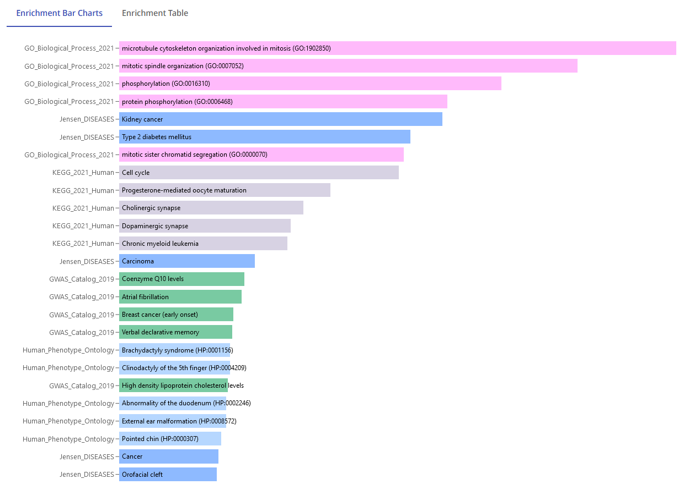
red | Gpr155 | 0.94
red | Prc1 | 0.94
red | Ccna2 | 0.93
red | Mpp3 | 0.93
red | Cnot6l | 0.93
red | Synpo2 | 0.93
red | Rhobtb1 | 0.93
red | Dscam | 0.93
red | Ahcyl1 | 0.93
red | Tk1 | 0.92
red | Cdca3 | 0.92
red | Anln | 0.92
red | Ncapd2 | 0.92
red | Rapgef4 | 0.92
red | Cerk | 0.92
red | Gad2 | 0.92
red | Nusap1 | 0.92
red | Cdk1 | 0.92
red | Prr11 | 0.92
red | Epb4.1 | 0.92
red | Iqgap2 | 0.92
red | Ncaph | 0.92
red | Arhgap24 | 0.91
red | Gria3 | 0.91
red | Ppp1r1a | 0.91
red | Trak1 | 0.91
red | Car10 | 0.91
red | Elovl5 | 0.91
red | Rgs3 | 0.91
red | Top2a | 0.91
red | Dgkb | 0.91
red | Cbs | 0.91
red | Bcl6b | 0.91
red | Tspan5 | 0.91
red | Mtcl1 | 0.91
red | Mllt3 | 0.91
red | Cadps | 0.90
red | Nlgn1 | 0.90
red | Zfp462 | 0.90
red | Unc5c | 0.90
red | Acvr1c | 0.90
red | Gnao1 | 0.90
red | Epb4.1l3 | 0.90
red | Galnt18 | 0.89
red | Add3 | 0.89
red | Kctd8 | 0.89
red | Cdk19 | 0.89
red | Stxbp5l | 0.89
red | Melk | 0.89
red | Myt1l | 0.89
red | Dennd4c | 0.89
red | Atp4a | 0.89
red | Klhl32 | 0.89
red | Map2 | 0.89
red | Bub1b | 0.89
red | P2ry1 | 0.89
red | Ift80 | 0.89
red | Vipr1 | 0.89
red | Tbc1d1 | 0.88
red | Cmip | 0.88
red | Atxn1 | 0.88
red | Scnn1b | 0.88
red | Pcdh15 | 0.88
red | Marchf4 | 0.88
red | Kcnab2 | 0.88
red | Rtkn2 | 0.88
red | Dbn1 | 0.88
red | Arhgef9 | 0.88
red | Pkp4 | 0.88
red | Rnf150 | 0.88
red | Th | 0.88
red | Chd3 | 0.88
red | Depdc1b | 0.88
red | Pcx | 0.88
red | Sv2b | 0.88
red | Bard1 | 0.88
red | Stat5b | 0.88
red | Slc4a7 | 0.87
red | Nmt2 | 0.87
red | Fam151a | 0.87
red | Arhgap19 | 0.87
red | Knstrn | 0.87
red | Stk35 | 0.87
red | Mpp2 | 0.87
red | Camta1 | 0.87
red | Ckap2l | 0.87
red | Map1a | 0.87
red | Sez6 | 0.87
...
module | Compound | kME_module
red | Tubd1 | 0.35
red | 2810029C07Rik | 0.35
red | Mir1188 | 0.35
red | Bicd2 | 0.34
red | DQ267100 | 0.34
red | Ap1s3 | 0.34
red | Pkia | 0.34
red | Scg3 | 0.33
red | Igsf1 | 0.33
red | Tada1 | 0.33
red | Tmem252 | 0.33
red | Aida | 0.32
red | Hnrnph2 | 0.32
red | Zfp87 | 0.31
red | Alkbh7 | 0.31
red | Zfp873 | 0.31
red | Thoc3 | 0.31
red | Hmgn5 | 0.31
red | Smyd3 | 0.30
red | Acadsb | 0.30
red | Mir381 | 0.30
red | Dcaf6 | 0.30
red | 1810055G02Rik | 0.30
red | Gm14634 | 0.29
red | Tmem100 | 0.29
red | Fkbp3 | 0.29
red | Samd4b | 0.28
red | Paip2 | 0.28
red | Zfp454 | 0.27
red | Hist1h2ad | 0.27
red | Marveld2 | 0.27
red | Schip1 | 0.27
red | Gm3264 | 0.27
red | Mir7224 | 0.27
red | Stip1 | 0.25
red | Suco | 0.25
red | Pigyl | 0.24
red | Spin4 | 0.23
red | Mpi | 0.23
red | Mctp2 | 0.23
red | AF357425 | 0.22
red | Mir6998 | 0.22
red | Slc6a19 | 0.20
red | Ulbp1 | 0.20
red | Cby1 | 0.19
red | Smarcd2 | 0.17
red | Gm5124 | 0.16
red | Igtp | 0.14
red | Elk3 | 0.12
red | Gpr52 | 0.11
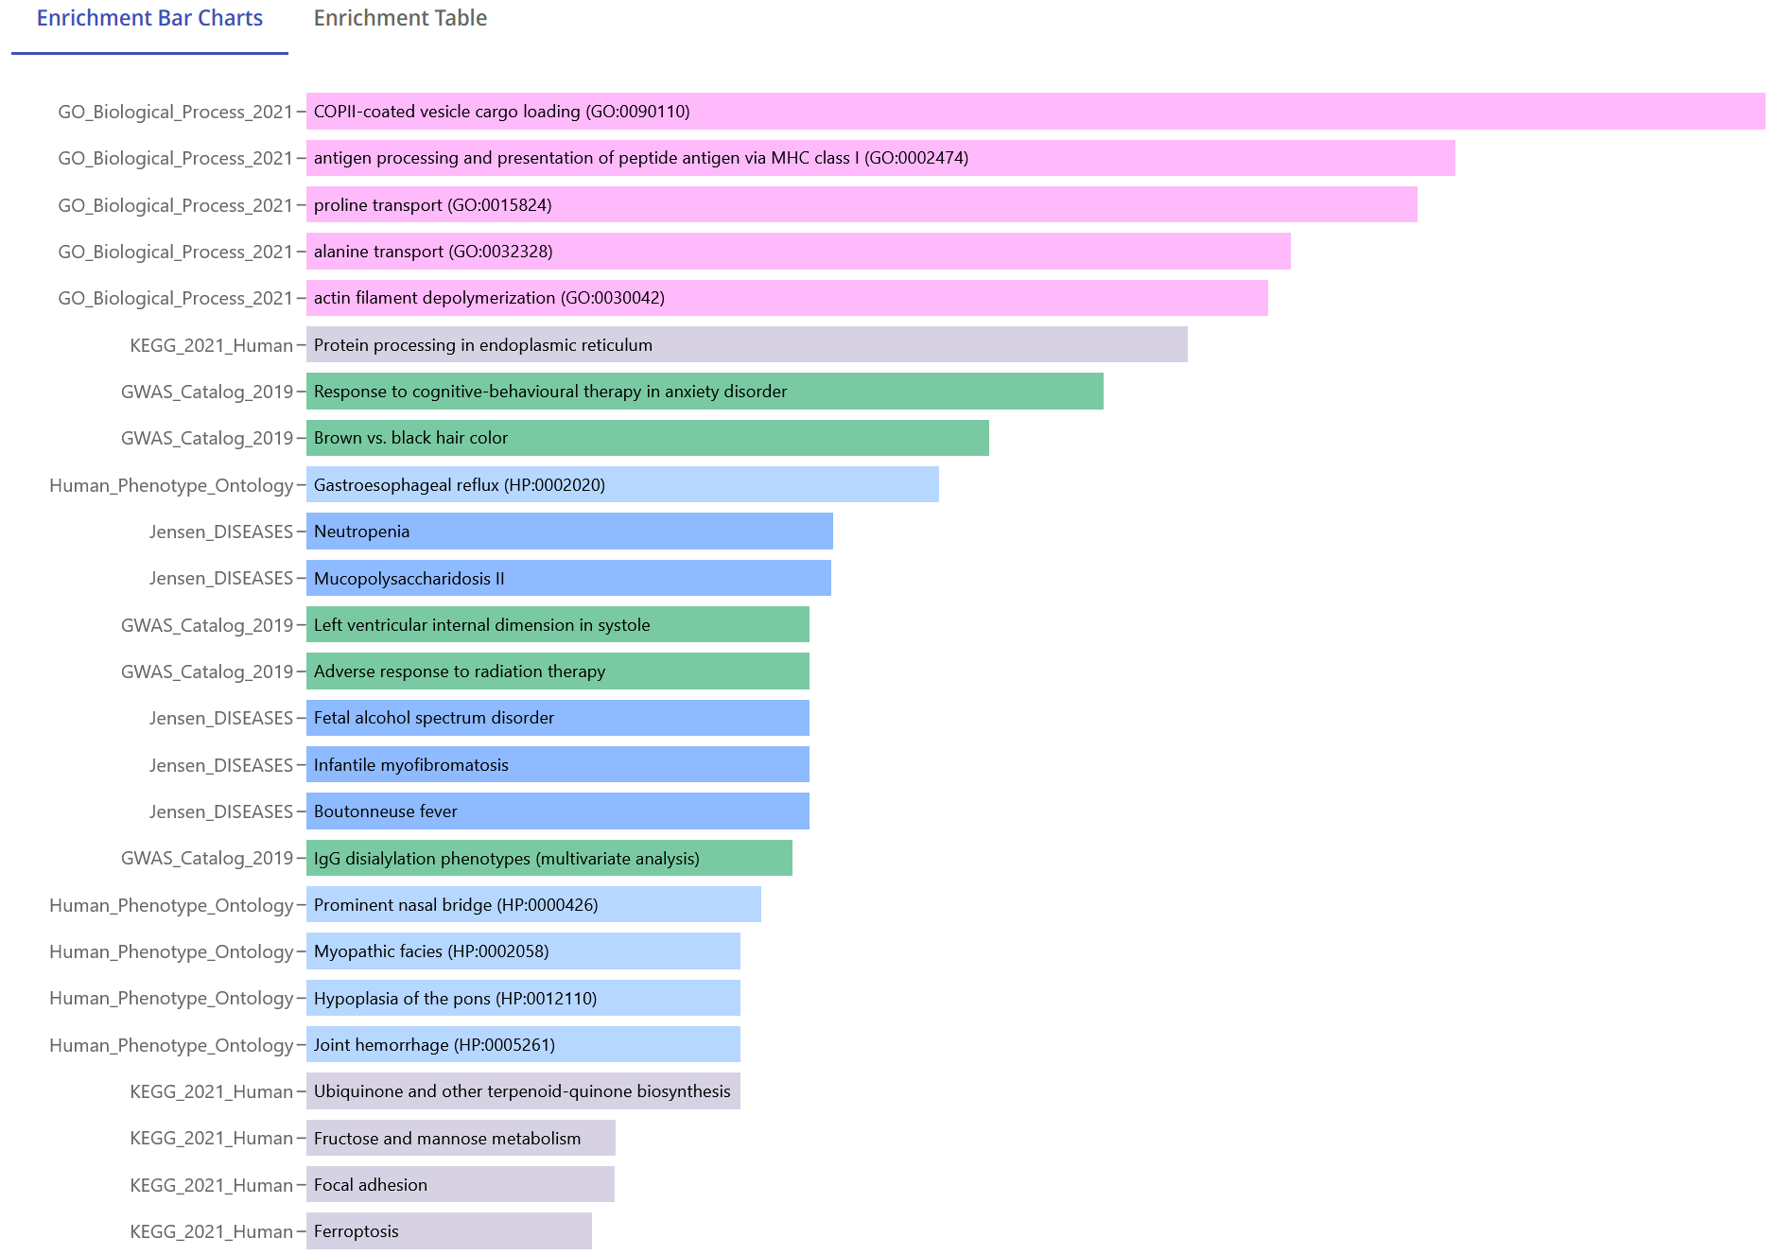
royalblue | Sec31a | 0.95
royalblue | Derl3 | 0.93
royalblue | Aff2 | 0.90
royalblue | Slc6a17 | 0.89
royalblue | Tmem263 | 0.87
royalblue | Sec24a | 0.87
royalblue | Morf4l2 | 0.86
royalblue | Mfap3l | 0.85
royalblue | Vgf | 0.85
royalblue | Sec23a | 0.84
royalblue | Sgms2 | 0.84
royalblue | U2surp | 0.81
royalblue | Arl5a | 0.80
royalblue | Slc39a14 | 0.80
royalblue | Fam98a | 0.80
royalblue | Chpf2 | 0.80
royalblue | Slc35a2 | 0.79
royalblue | 6430548M08Rik | 0.78
royalblue | Ndrg4 | 0.78
royalblue | Arfip2 | 0.77
royalblue | Wdr1 | 0.76
royalblue | Pdxdc1 | 0.75
royalblue | Arfgap1 | 0.75
royalblue | Vma21 | 0.75
royalblue | Ptprn | 0.75
royalblue | Vav3 | 0.74
royalblue | Ccnd2 | 0.74
royalblue | Dstn | 0.74
royalblue | Pitpnm2 | 0.73
royalblue | Gmppb | 0.73
royalblue | Tmem167 | 0.72
royalblue | Ggcx | 0.71
royalblue | Slc36a4 | 0.71
royalblue | Slc35e1 | 0.70
royalblue | Mphosph6 | 0.68
royalblue | Tcf25 | 0.68
royalblue | Sra1 | 0.67
royalblue | Fam83g | 0.67
royalblue | Entpd7 | 0.67
royalblue | B3gnt9 | 0.65
royalblue | Tpm1 | 0.64
royalblue | Ormdl2 | 0.64
royalblue | Klhdc8a | 0.61
salmon | Atp5o | 0.93
salmon | Prdx1 | 0.92
salmon | S100a11 | 0.89
salmon | Lgals3bp | 0.89
salmon | Tmsb10 | 0.89
salmon | Serpini1 | 0.88
salmon | Itgb1 | 0.88
salmon | Adam10 | 0.86
salmon | Tceb2 | 0.86
salmon | Minpp1 | 0.86
salmon | Fam3c | 0.86
salmon | M6pr | 0.85
salmon | Gatad1 | 0.85
salmon | Ginm1 | 0.85
salmon | Impad1 | 0.84
salmon | Tmed4 | 0.84
salmon | Lamp1 | 0.83
salmon | Erlin2 | 0.83
salmon | Arxes2 | 0.82
salmon | Entpd5 | 0.82
salmon | Pfdn5 | 0.82
salmon | 2610507B11Rik | 0.81
salmon | Tmem9b | 0.81
salmon | Cd164 | 0.80
salmon | Phyh | 0.80
salmon | Mdh2 | 0.80
salmon | 9530068E07Rik | 0.80
salmon | Grn | 0.80
salmon | Pomgnt1 | 0.79
salmon | Pcyox1 | 0.79
salmon | Idh1 | 0.79
salmon | Arpc5 | 0.79
salmon | Agpat1 | 0.79
salmon | Tomm6 | 0.78
salmon | Cpne3 | 0.78
salmon | Ndufa4 | 0.78
salmon | Higd2a | 0.78
salmon | Chchd2 | 0.77
salmon | Spint2 | 0.77
salmon | St8sia3 | 0.77
salmon | Rcn2 | 0.76
salmon | S100a10 | 0.76
salmon | Enpp4 | 0.76
salmon | Tmem30a | 0.76
salmon | Snapin | 0.76
salmon | Fabp5 | 0.75
...
module | Compound | kME_module
tan | Ccdc53 | 0.68
tan | Snf8 | 0.67
tan | Pcdh11x | 0.66
tan | Rpl22 | 0.66
tan | Mrps17 | 0.66
tan | Rpl36a | 0.66
tan | Nxph1 | 0.66
tan | Ier5 | 0.65
tan | Cetn3 | 0.65
tan | Erap1 | 0.65
tan | Adh5 | 0.65
tan | Slc25a24 | 0.64
tan | Lrpap1 | 0.64
tan | Psmb4 | 0.62
tan | Mettl7a1 | 0.61
tan | Pgd | 0.61
tan | Ndufb6 | 0.60
tan | Tmem242 | 0.59
tan | Rpl37 | 0.59
tan | Mpc2 | 0.56
tan | Brk1 | 0.55
tan | Hdgf | 0.55
tan | Ndufv2 | 0.54
tan | D130017N08Rik | 0.54
tan | Fam32a | 0.53
tan | Tmem199 | 0.52
tan | Acadvl | 0.51
tan | Uchl1 | 0.51
tan | Ten1 | 0.50
tan | Rbx1 | 0.50
tan | Tmem14c | 0.49
tan | Septin2 | 0.48
tan | Snhg3 | 0.48
tan | Nudt2 | 0.47
tan | Snx3 | 0.43
tan | Vdac2 | 0.42
tan | 2900060B14Rik | 0.40
tan | Gm10767 | 0.39
tan | Tmem109 | 0.37
tan | Map2k4 | 0.36
tan | Commd4 | 0.35
tan | Grb2 | 0.35
tan | Fam174a | 0.33
tan | Dtd1 | 0.31
tan | Rmrp | 0.29
tan | Tceal3 | 0.28
tan | Mrps36 | 0.26
tan | Rpph1 | 0.25
tan | Nedd8 | 0.19
tan | Ndufa6 | 0.18
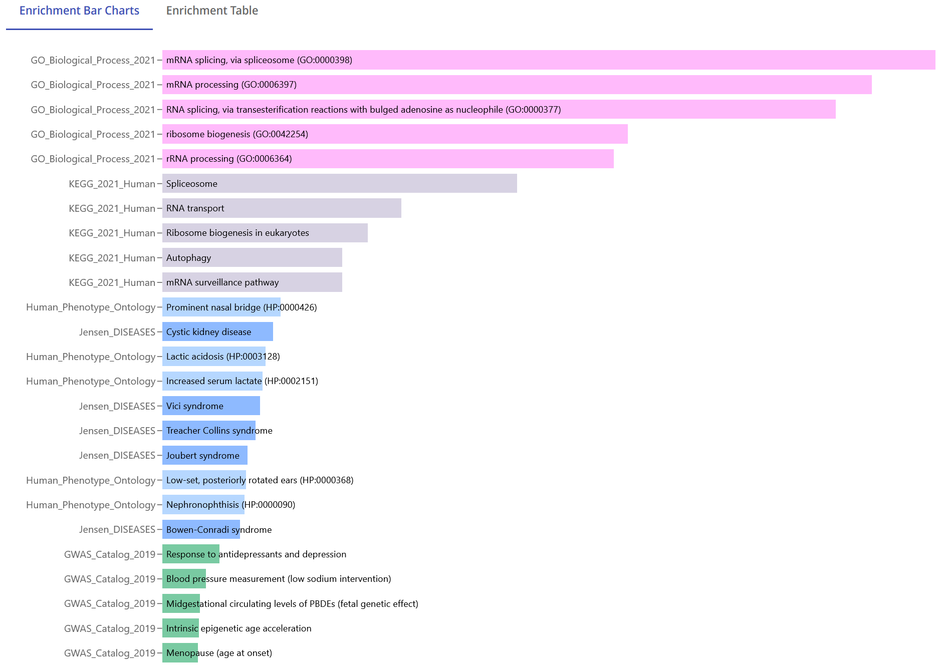
turquoise | Kdm4a | 0.98
turquoise | Ankrd11 | 0.95
turquoise | Eif3a | 0.95
turquoise | Camsap1 | 0.95
turquoise | Picalm | 0.95
turquoise | Cdv3 | 0.95
turquoise | Arl14ep | 0.95
turquoise | Brd2 | 0.95
turquoise | Ino80 | 0.94
turquoise | Tnpo1 | 0.94
turquoise | Nol8 | 0.94
turquoise | Nop58 | 0.93
turquoise | Orc2 | 0.93
turquoise | Stag1 | 0.93
turquoise | Ccar1 | 0.93
turquoise | Taf15 | 0.93
turquoise | Senp6 | 0.93
turquoise | Lss | 0.93
turquoise | Snhg1 | 0.93
turquoise | Zfp282 | 0.93
turquoise | Rbm39 | 0.93
turquoise | Glce | 0.93
turquoise | Dcaf10 | 0.93
turquoise | Nop14 | 0.93
turquoise | Nop56 | 0.93
turquoise | Wdr75 | 0.93
turquoise | Zfr | 0.93
turquoise | Cebpg | 0.93
turquoise | Aff1 | 0.93
turquoise | Rbsn | 0.93
turquoise | Ddx21 | 0.93
turquoise | Dusp11 | 0.93
turquoise | Rab39b | 0.93
turquoise | Xpo5 | 0.93
turquoise | Abce1 | 0.92
turquoise | Gtpbp2 | 0.92
turquoise | Zfp869 | 0.92
turquoise | Fam13b | 0.92
turquoise | Snhg17 | 0.92
turquoise | Nub1 | 0.92
turquoise | Ammecr1l | 0.92
turquoise | Dennd4a | 0.92
turquoise | Tlk2 | 0.92
turquoise | Cct4 | 0.92
turquoise | Cul5 | 0.92
turquoise | Trp53inp1 | 0.92
turquoise | Ssrp1 | 0.92
turquoise | Trappc8 | 0.92
turquoise | Dhx15 | 0.92
turquoise | 1110038B12Rik | 0.92
turquoise | Rnf20 | 0.92
turquoise | Dmrta1 | 0.92
turquoise | Zcchc7 | 0.92
turquoise | Mef2a | 0.92
turquoise | Sf3b3 | 0.92
turquoise | Rb1cc1 | 0.92
turquoise | Hbp1 | 0.92
turquoise | Gabpa | 0.91
turquoise | Hbs1l | 0.91
turquoise | Slc9a9 | 0.91
turquoise | Eif1 | 0.91
turquoise | Map4 | 0.91
turquoise | Pnrc2 | 0.91
turquoise | Mettl16 | 0.91
turquoise | Gtf2h1 | 0.91
turquoise | Plekha5 | 0.91
turquoise | Rrn3 | 0.91
turquoise | Ubxn4 | 0.91
turquoise | Lars | 0.91
turquoise | Dync1li2 | 0.91
turquoise | Rsl1d1 | 0.91
turquoise | 1810008I18Rik | 0.91
turquoise | Noc3l | 0.91
turquoise | Upf2 | 0.91
turquoise | Rcc2 | 0.91
turquoise | Ddx52 | 0.91
turquoise | Ncl | 0.91
turquoise | Trp53 | 0.91
turquoise | Vldlr | 0.91
turquoise | 1500012F01Rik | 0.91
turquoise | Pa2g4 | 0.91
turquoise | Dis3 | 0.91
turquoise | Parp8 | 0.91
turquoise | 5430416N02Rik | 0.91
turquoise | 6820431F20Rik | 0.91
turquoise | Drosha | 0.91
turquoise | Wipi2 | 0.91
turquoise | Necap2 | 0.90
turquoise | Nol9 | 0.90
turquoise | Sco1 | 0.90
turquoise | Avl9 | 0.90
turquoise | Ufd1l | 0.90
turquoise | Wdr36 | 0.90
turquoise | Plek | 0.90
turquoise | Jmy | 0.90
...

Module eigengenes
sample.id | MEblack | MEblue | MEbrown | MEcyan | MEgreen | MEgreenyellow | MEgrey60 | MElightcyan | MElightgreen | MElightyellow | MEmagenta | MEmidnightblue | MEpink | MEpurple | MEred | MEroyalblue | MEsalmon | MEtan | MEturquoise | MEyellow
X0h_1 | -0.0741 | -0.0004 | 0.0439 | 0.0685 | 0.1688 | -0.0549 | 0.0168 | -0.0561 | -0.0912 | 0.1943 | 0.2521 | -0.0102 | -0.0282 | 0.0654 | 0.1139 | -0.0585 | 0.0185 | -0.0580 | -0.0431 | 0.0930
X0h_2 | -0.0791 | -0.0983 | -0.0011 | 0.1430 | -0.0133 | -0.1178 | 0.0661 | -0.0955 | 0.0675 | -0.0087 | 0.1121 | -0.0901 | 0.0128 | 0.0415 | 0.0911 | -0.1243 | 0.0885 | -0.0119 | -0.0846 | 0.1382
X0h_3 | -0.1007 | -0.0781 | 0.0176 | 0.0961 | 0.0746 | -0.0848 | 0.0151 | -0.0828 | -0.0099 | 0.0942 | 0.1625 | -0.0425 | -0.0343 | 0.0538 | 0.1137 | -0.0811 | 0.0914 | -0.0116 | -0.0719 | 0.1335
DMSO_1h_1 | -0.0788 | 0.0112 | 0.0424 | 0.0809 | 0.1463 | -0.0520 | 0.0269 | 0.0006 | -0.0336 | 0.1452 | 0.2097 | 0.0557 | -0.0413 | 0.0555 | 0.1171 | -0.0243 | 0.0350 | -0.0553 | -0.0442 | 0.0839
DMSO_1h_2 | -0.1019 | -0.0951 | -0.0035 | 0.0792 | 0.0216 | -0.1061 | -0.0017 | -0.0911 | -0.0061 | 0.0616 | 0.1088 | -0.0511 | -0.0465 | 0.0234 | 0.0728 | -0.1190 | 0.0522 | -0.0402 | -0.0792 | 0.0958
DMSO_1h_3 | -0.0993 | -0.1023 | -0.0057 | 0.1083 | -0.0163 | -0.1233 | 0.0387 | -0.0609 | -0.0028 | -0.0199 | 0.0690 | 0.0052 | -0.0256 | 0.0085 | 0.0843 | -0.0849 | 0.1167 | 0.0199 | -0.0807 | 0.1310
DMSO_2h_1 | -0.0756 | 0.0973 | 0.0612 | 0.0618 | 0.1968 | 0.0062 | -0.0009 | 0.0331 | -0.0617 | 0.3256 | 0.2320 | 0.0265 | -0.0455 | 0.0866 | 0.1264 | -0.0316 | 0.0273 | -0.0594 | -0.0146 | 0.0937
DMSO_2h_2 | -0.1143 | -0.1364 | -0.8788 | 0.1326 | -0.1373 | -0.2631 | -0.0287 | -0.0232 | -0.0016 | -0.1163 | -0.1176 | -0.1127 | 0.0028 | -0.6876 | 0.0283 | -0.1397 | 0.1909 | 0.0889 | -0.1146 | 0.1153
DMSO_2h_3 | -0.1299 | -0.1181 | 0.0043 | 0.1186 | 0.0831 | -0.1020 | -0.0068 | -0.0241 | -0.0895 | 0.1197 | 0.1475 | -0.0129 | -0.0571 | -0.0168 | 0.1004 | -0.0731 | 0.0581 | -0.0173 | -0.0581 | 0.1137
DMSO_6h_1 | -0.0575 | -0.0988 | 0.0166 | 0.1293 | 0.1123 | -0.1405 | 0.0577 | -0.0753 | -0.0325 | 0.0982 | 0.1831 | -0.0308 | 0.0372 | 0.0685 | 0.0976 | -0.0278 | 0.0981 | -0.0458 | -0.0291 | 0.1053
DMSO_6h_2 | -0.0770 | -0.0886 | 0.0029 | 0.1502 | -0.0296 | -0.0907 | 0.0414 | -0.1199 | 0.0836 | -0.0293 | 0.0775 | -0.1023 | 0.0213 | 0.0414 | 0.0666 | -0.1286 | 0.1337 | 0.0351 | -0.0649 | 0.1239
DMSO_6h_3 | -0.0884 | -0.0746 | 0.0333 | 0.0725 | 0.1154 | -0.0862 | 0.0371 | -0.0658 | 0.0209 | 0.2151 | 0.1650 | -0.0477 | -0.0175 | 0.0510 | 0.0960 | -0.0823 | 0.0953 | -0.0230 | -0.0513 | 0.1096
DMSO_24h_1 | -0.0508 | -0.1125 | -0.0055 | 0.0554 | 0.1221 | -0.1165 | 0.0310 | -0.0682 | -0.1214 | 0.1419 | 0.1623 | -0.0592 | 0.0282 | 0.0596 | 0.0744 | -0.0246 | 0.0817 | -0.0588 | -0.0538 | 0.0735
DMSO_24h_2 | -0.0989 | -0.1480 | -0.0910 | 0.0977 | -0.2897 | -0.1695 | 0.0989 | -0.2060 | 0.0786 | -0.0410 | -0.1607 | -0.1576 | 0.0452 | -0.0634 | -0.0154 | -0.1778 | 0.1660 | 0.0544 | -0.1851 | 0.1040
DMSO_24h_3 | -0.0757 | -0.0802 | 0.0124 | 0.1139 | 0.0316 | -0.1010 | 0.0635 | -0.0690 | -0.0302 | 0.1271 | 0.0970 | -0.0620 | 0.0048 | 0.0284 | 0.0955 | -0.0705 | 0.1215 | 0.0197 | -0.0648 | 0.1476
SW016789_1h_1 | -0.1482 | 0.5206 | 0.2484 | -0.0481 | -0.0688 | 0.4594 | 0.0090 | -0.0931 | 0.0287 | -0.1696 | 0.1648 | 0.2051 | -0.0980 | -0.6108 | 0.0668 | -0.0892 | -0.2284 | -0.3000 | -0.1282 | 0.0249
SW016789_1h_2 | -0.1125 | 0.0808 | 0.0182 | -0.0121 | -0.0468 | -0.0244 | -0.0191 | -0.0068 | 0.0462 | -0.0641 | 0.0531 | 0.2313 | -0.0684 | 0.0103 | 0.0752 | -0.0656 | 0.0171 | -0.0378 | -0.0891 | 0.0709
SW016789_1h_3 | -0.1285 | -0.1249 | -0.0722 | -0.0166 | -0.1187 | -0.1657 | 0.0301 | -0.0014 | 0.1138 | 0.1586 | -0.0391 | 0.1898 | -0.0602 | -0.0530 | 0.0754 | -0.1018 | 0.0600 | -0.0109 | -0.1370 | 0.1127
SW016789_2h_1 | -0.0646 | 0.0308 | 0.0008 | -0.2149 | 0.1019 | -0.0535 | -0.0408 | 0.2953 | 0.0693 | 0.1206 | 0.0652 | 0.2826 | -0.1280 | 0.0307 | 0.0533 | 0.1382 | -0.1386 | -0.1634 | 0.0054 | -0.0449
SW016789_2h_2 | -0.0703 | 0.0026 | -0.0194 | -0.1858 | -0.0247 | -0.0612 | -0.0241 | 0.2663 | 0.0903 | 0.0054 | -0.0005 | 0.2973 | -0.1069 | 0.0070 | 0.0410 | 0.1047 | -0.0541 | -0.0801 | -0.0395 | 0.0093
SW016789_2h_3 | -0.1080 | -0.1394 | -0.1214 | -0.1841 | -0.2004 | -0.1744 | -0.0119 | 0.1977 | 0.0971 | 0.1569 | -0.1884 | 0.2112 | -0.1115 | -0.0749 | 0.0145 | 0.0079 | 0.0273 | -0.0046 | -0.1153 | 0.0331
SW016789_6h_1 | 0.1663 | 0.1544 | 0.0525 | -0.4379 | 0.1643 | 0.1102 | -0.0417 | 0.1541 | -0.3751 | 0.0773 | -0.0610 | 0.0352 | -0.0734 | 0.0714 | -0.0827 | 0.5128 | -0.1985 | -0.1005 | 0.0615 | -0.1791
SW016789_6h_2 | 0.1207 | -0.1466 | -0.0803 | -0.3711 | -0.1702 | -0.0657 | -0.0094 | 0.0522 | -0.1880 | -0.2637 | -0.2912 | -0.0077 | -0.0676 | -0.0014 | -0.1847 | 0.4486 | -0.0814 | -0.0318 | -0.0647 | -0.1578
SW016789_6h_3 | 0.0886 | -0.1624 | -0.1091 | -0.2760 | -0.3239 | -0.1045 | 0.0607 | -0.0459 | -0.1024 | -0.4764 | -0.3783 | -0.0637 | -0.0223 | -0.0457 | -0.1740 | 0.3249 | 0.0005 | 0.0298 | -0.1152 | -0.0929
SW016789_24h_1 | 0.2357 | -0.0185 | 0.0604 | 0.1747 | -0.0340 | 0.0364 | 0.3290 | -0.2114 | -0.2994 | -0.1900 | 0.0269 | -0.2326 | 0.3756 | 0.0585 | -0.1480 | 0.2598 | 0.1883 | 0.1603 | -0.0306 | 0.0175
SW016789_24h_2 | 0.2161 | -0.0660 | 0.0529 | 0.2342 | -0.1285 | -0.0030 | 0.5064 | -0.2439 | -0.2274 | -0.1446 | 0.0227 | -0.2193 | 0.4385 | 0.0346 | -0.1078 | 0.2224 | 0.1110 | -0.0069 | -0.1007 | 0.0929
SW016789_24h_3 | 0.1227 | -0.1280 | -0.0480 | 0.1666 | -0.2815 | -0.0828 | 0.2893 | -0.2328 | -0.1837 | -0.2107 | -0.1953 | -0.2530 | 0.2820 | -0.0440 | -0.1306 | 0.1198 | 0.2575 | 0.2240 | -0.1267 | 0.0867
Tg_1h_1 | -0.0928 | 0.0764 | 0.0432 | 0.0474 | 0.0842 | 0.0112 | 0.0098 | 0.0045 | 0.0909 | 0.1267 | 0.1486 | 0.1369 | -0.0393 | 0.0401 | 0.1010 | -0.0669 | -0.0167 | -0.0927 | -0.0363 | 0.0674
Tg_1h_2 | -0.0670 | 0.3879 | 0.1489 | 0.1127 | -0.2297 | 0.1883 | 0.1982 | -0.1222 | 0.1059 | -0.0063 | -0.0319 | 0.0678 | 0.0874 | 0.0080 | 0.0752 | -0.1344 | -0.0651 | -0.2323 | -0.1319 | 0.1291
Tg_1h_3 | -0.1183 | -0.0244 | -0.0554 | 0.0571 | -0.2391 | -0.1043 | 0.0792 | -0.0783 | 0.1347 | -0.0089 | -0.1261 | 0.0643 | -0.0281 | -0.0470 | 0.0640 | -0.1589 | 0.0733 | -0.0162 | -0.1307 | 0.1231
Tg_2h_1 | -0.1046 | 0.2286 | 0.0964 | -0.1109 | 0.1443 | 0.1055 | -0.1715 | 0.1857 | 0.1584 | 0.0550 | 0.0894 | 0.1642 | -0.1647 | 0.0881 | 0.1071 | -0.0553 | -0.1560 | -0.1267 | 0.0922 | -0.0486
Tg_2h_2 | -0.0873 | 0.0183 | -0.0022 | -0.0408 | -0.0374 | -0.0340 | -0.0371 | 0.1362 | 0.2765 | 0.0280 | -0.0387 | 0.1403 | -0.1110 | 0.0385 | 0.0819 | -0.0865 | -0.0239 | -0.0546 | 0.0255 | 0.0302
Tg_2h_3 | -0.1310 | 0.2863 | 0.0820 | -0.0864 | -0.1479 | 0.1344 | -0.0706 | 0.0454 | 0.2913 | -0.0678 | -0.1368 | 0.0819 | -0.1280 | 0.0129 | 0.0567 | -0.1662 | -0.0855 | -0.0749 | -0.0124 | 0.0009
Tg_6h_1 | 0.1321 | -0.0551 | 0.0532 | -0.2295 | 0.3810 | 0.0930 | -0.3546 | 0.4472 | 0.2536 | 0.1464 | 0.0550 | 0.1579 | -0.2260 | 0.1496 | 0.0773 | 0.0459 | -0.4289 | -0.1295 | 0.4193 | -0.2824
Tg_6h_2 | 0.1200 | 0.3609 | 0.1937 | -0.1312 | 0.1691 | 0.2748 | -0.3104 | 0.2986 | 0.2049 | -0.0349 | -0.0345 | 0.0624 | -0.2010 | 0.1339 | 0.0684 | -0.0498 | -0.3879 | -0.0807 | 0.3360 | -0.1906
Tg_6h_3 | 0.0564 | 0.0752 | 0.0475 | -0.2461 | 0.1181 | 0.1403 | -0.3156 | 0.3011 | 0.2697 | -0.1631 | -0.1336 | 0.0754 | -0.2887 | 0.0667 | 0.0318 | -0.0824 | -0.4561 | -0.0823 | 0.3169 | -0.2664
Tg_24h_1 | 0.4372 | -0.0321 | 0.0982 | 0.1210 | 0.2387 | 0.3408 | -0.1455 | -0.0855 | -0.2860 | 0.0612 | -0.0822 | -0.2901 | 0.3135 | 0.1434 | -0.4331 | 0.0816 | 0.0423 | 0.3833 | 0.3609 | -0.3858
Tg_24h_2 | 0.4372 | -0.0909 | 0.0475 | 0.0764 | 0.1177 | 0.3208 | -0.2456 | -0.1087 | -0.1947 | -0.1164 | -0.2313 | -0.3002 | 0.2761 | 0.0980 | -0.4918 | 0.0781 | 0.0761 | 0.4934 | 0.3772 | -0.4247
Tg_24h_3 | 0.4017 | -0.1114 | 0.0150 | 0.0937 | -0.0541 | 0.2606 | -0.1690 | -0.1502 | -0.1448 | -0.3274 | -0.3569 | -0.3452 | 0.2938 | 0.0693 | -0.4999 | -0.0396 | 0.0923 | 0.4984 | 0.3035 | -0.3874

 | These modules don't enrich for physiological pathways via Enrichr-KG

 | UP |  | DOWN |  |  |  | UP/DOWN

ME-ME correlation matrix
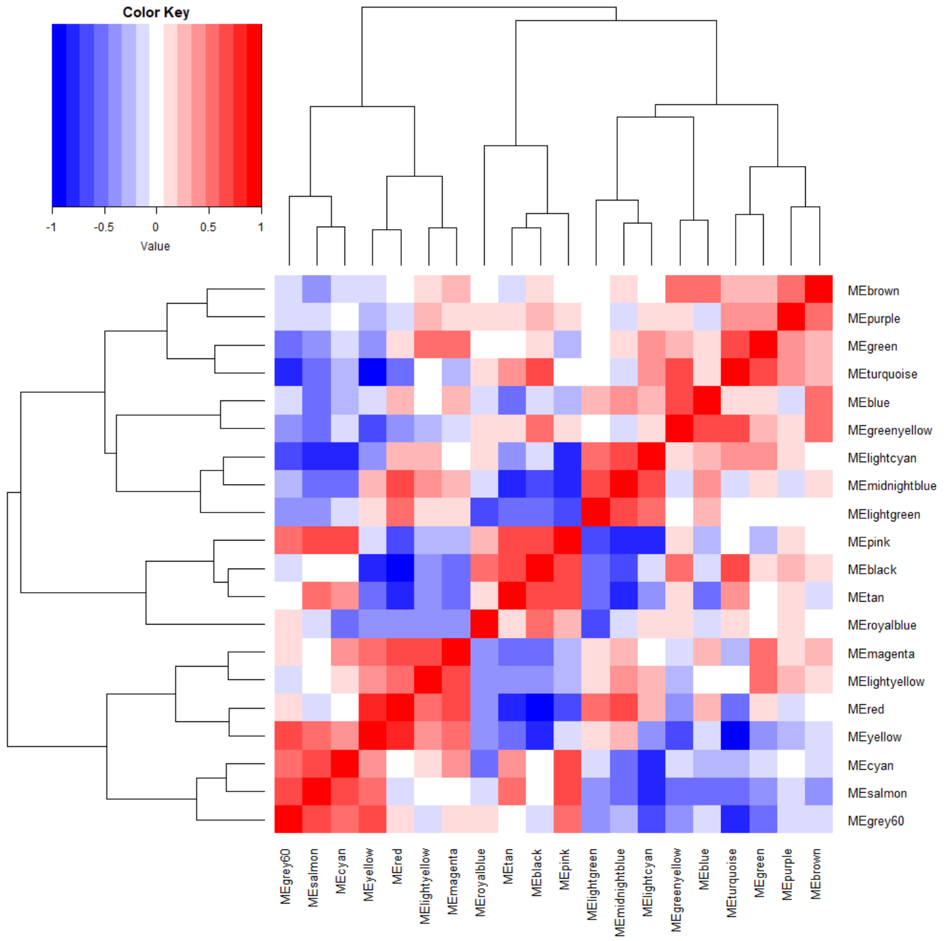
 | Enrichment | ME | MEgrey60 | MEsalmon | MEcyan | MEyellow | MEred | MElightyellow | MEmagenta | MEroyalblue | MEtan | MEblack | MEpink | MElightgreen | MEmidnightblue | MElightcyan | MEgreenyellow | MEblue | MEturquoise | MEgreen | MEpurple | MEbrown
19 | NA | MEbrown | -0.071921431303 | -0.38083658603 | -0.075752760713 | -0.19616559521 | 0.0049553800638 | 0.1400877671 | 0.27667680426 | 0.053835354142 | -0.18634951747 | 0.16071067816 | -0.011877595203 | 0.033918520803 | 0.13049309072 | 0.063713526767 | 0.58506407551 | 0.49925419378 | 0.27460915058 | 0.32889167437 | 0.57361814224 | 1
18 | NA | MEpurple | -0.1498102536 | -0.1286879991 | -0.06625407949 | -0.27277470159 | -0.11612943019 | 0.26297900956 | 0.084098030765 | 0.17974415985 | 0.16812435326 | 0.32787066774 | 0.068922329913 | -0.046307853381 | -0.10550665252 | 0.17220933066 | 0.07920311391 | -0.14292319298 | 0.4170930298 | 0.42218318527 | 1 | 0.57361814224
17 | mRNA processing | MEgreen | -0.54676491718 | -0.42343453838 | -0.087098089075 | -0.34098165853 | 0.11457691084 | 0.57597507623 | 0.57070942333 | 0.0012923091561 | -0.060516884217 | 0.17463931563 | -0.22906280083 | -0.020973675132 | 0.10075212704 | 0.44873584093 | 0.30409942975 | 0.13826218925 | 0.63016340919 | 1 | 0.42218318527 | 0.32889167437
16 | mRNA splicing, via spliceosome | MEturquoise | -0.7485189861 | -0.55087905414 | -0.24509210569 | -0.8814460979 | -0.4774686926 | -0.050130480501 | -0.20801947893 | 0.1146444515 | 0.39028119028 | 0.68050373383 | -0.013713097082 | 0.037343770644 | -0.18056689518 | 0.45665993394 | 0.64906632712 | 0.13140119676 | 1 | 0.63016340919 | 0.4170930298 | 0.27460915058
15 | external encapsulating structure organization | MEblue | -0.18847776047 | -0.58871378945 | -0.21987981115 | -0.076235138653 | 0.24299916314 | 0.031270678951 | 0.20426125394 | -0.13901675133 | -0.51092364152 | -0.1458289102 | -0.30654313719 | 0.31447765581 | 0.43035257831 | 0.26136979162 | 0.67145355369 | 1 | 0.13140119676 | 0.13826218925 | -0.14292319298 | 0.49925419378
14 | NA | MEgreenyellow | -0.40011143502 | -0.51646839222 | -0.14902330078 | -0.67916804513 | -0.45650446208 | -0.23488267934 | -0.1407184095 | 0.097030912563 | 0.1520362324 | 0.54649547025 | 0.13145566743 | -0.064021174098 | -0.095035553351 | 0.11487961184 | 1 | 0.67145355369 | 0.64906632712 | 0.30409942975 | 0.07920311391 | 0.58506407551
13 | NA | MElightcyan | -0.69241071267 | -0.80685652972 | -0.75582741016 | -0.3564208846 | 0.28105732187 | 0.2644947896 | 0.0085720640713 | 0.10781379091 | -0.42194927359 | -0.11413925395 | -0.76053044545 | 0.52512951366 | 0.69414924887 | 1 | 0.11487961184 | 0.26136979162 | 0.45665993394 | 0.44873584093 | 0.17220933066 | 0.063713526767
12 | regulation of MAP kinase activity | MEmidnightblue | -0.25913259826 | -0.54541303835 | -0.5463886801 | 0.23156074124 | 0.66352917335 | 0.37595401146 | 0.29319986122 | -0.13822518046 | -0.78559937047 | -0.64372945111 | -0.80584863141 | 0.62896564627 | 1 | 0.69414924887 | -0.095035553351 | 0.43035257831 | -0.18056689518 | 0.10075212704 | -0.10550665252 | 0.13049309072
11 | NA | MElightgreen | -0.40226654309 | -0.45249559705 | -0.18018752716 | 0.16936360319 | 0.57975781726 | 0.19656008593 | 0.092193287507 | -0.64628744619 | -0.49275510118 | -0.57047384116 | -0.7045661423 | 1 | 0.62896564627 | 0.52512951366 | -0.064021174098 | 0.31447765581 | 0.037343770644 | -0.020973675132 | -0.046307853381 | 0.033918520803
10 | translation | MEpink | 0.57022206982 | 0.65215888957 | 0.62008231897 | -0.09365561998 | -0.66086686308 | -0.32747659288 | -0.20919569242 | 0.24288941196 | 0.69405132292 | 0.62077692364 | 1 | -0.7045661423 | -0.80584863141 | -0.76053044545 | 0.13145566743 | -0.30654313719 | -0.013713097082 | -0.22906280083 | 0.068922329913 | -0.011877595203
9 | Protein processing in endoplasmic reticulum | MEblack | -0.1470403206 | -0.044887102922 | -0.03367853471 | -0.8082191595 | -0.90104777499 | -0.43652546062 | -0.50281379004 | 0.54282510533 | 0.72619256287 | 1 | 0.62077692364 | -0.57047384116 | -0.64372945111 | -0.11413925395 | 0.54649547025 | -0.1458289102 | 0.68050373383 | 0.17463931563 | 0.32787066774 | 0.16071067816
8 | cytoplasmic translation | MEtan | -0.058897908887 | 0.48492677477 | 0.35555752989 | -0.48402258956 | -0.83627717769 | -0.34638225089 | -0.50140217073 | 0.1192358334 | 1 | 0.72619256287 | 0.69405132292 | -0.49275510118 | -0.78559937047 | -0.42194927359 | 0.1520362324 | -0.51092364152 | 0.39028119028 | -0.060516884217 | 0.16812435326 | -0.18634951747
7 | COPII-coated vesicle cargo loading | MEroyalblue | 0.1590101119 | -0.11522236775 | -0.51703295823 | -0.39680102618 | -0.45866696111 | -0.33986487293 | -0.34110912357 | 1 | 0.1192358334 | 0.54282510533 | 0.24288941196 | -0.64628744619 | -0.13822518046 | 0.10781379091 | 0.097030912563 | -0.13901675133 | 0.1146444515 | 0.0012923091561 | 0.17974415985 | 0.053835354142
6 | chromatin disassembly | MEmagenta | 0.12797845564 | 0.010830577454 | 0.34283241253 | 0.53065539832 | 0.68427217723 | 0.72789233909 | 1 | -0.34110912357 | -0.50140217073 | -0.50281379004 | -0.20919569242 | 0.092193287507 | 0.29319986122 | 0.0085720640713 | -0.1407184095 | 0.20426125394 | -0.20801947893 | 0.57070942333 | 0.084098030765 | 0.27667680426
5 | protein retention in Golgi apparatus | MElightyellow | -0.11962016852 | -0.02545311971 | 0.12284604528 | 0.3428893427 | 0.56876071968 | 1 | 0.72789233909 | -0.33986487293 | -0.34638225089 | -0.43652546062 | -0.32747659288 | 0.19656008593 | 0.37595401146 | 0.2644947896 | -0.23488267934 | 0.031270678951 | -0.050130480501 | 0.57597507623 | 0.26297900956 | 0.1400877671
4 | microtubule cytoskeleton organization involved in mitosis | MEred | 0.089898209616 | -0.16650959722 | 0.00088971961287 | 0.73789085308 | 1 | 0.56876071968 | 0.68427217723 | -0.45866696111 | -0.83627717769 | -0.90104777499 | -0.66086686308 | 0.57975781726 | 0.66352917335 | 0.28105732187 | -0.45650446208 | 0.24299916314 | -0.4774686926 | 0.11457691084 | -0.11612943019 | 0.0049553800638
3 | synapse organization | MEyellow | 0.65001680977 | 0.49076313675 | 0.44189908093 | 1 | 0.73789085308 | 0.3428893427 | 0.53065539832 | -0.39680102618 | -0.48402258956 | -0.8082191595 | -0.09365561998 | 0.16936360319 | 0.23156074124 | -0.3564208846 | -0.67916804513 | -0.076235138653 | -0.8814460979 | -0.34098165853 | -0.27277470159 | -0.19616559521
2 | fatty acid beta-oxidation | MEcyan | 0.49411857994 | 0.71675466469 | 1 | 0.44189908093 | 0.00088971961287 | 0.12284604528 | 0.34283241253 | -0.51703295823 | 0.35555752989 | -0.03367853471 | 0.62008231897 | -0.18018752716 | -0.5463886801 | -0.75582741016 | -0.14902330078 | -0.21987981115 | -0.24509210569 | -0.087098089075 | -0.06625407949 | -0.075752760713
1 | neutrophil degranulation | MEsalmon | 0.65862843822 | 1 | 0.71675466469 | 0.49076313675 | -0.16650959722 | -0.02545311971 | 0.010830577454 | -0.11522236775 | 0.48492677477 | -0.044887102922 | 0.65215888957 | -0.45249559705 | -0.54541303835 | -0.80685652972 | -0.51646839222 | -0.58871378945 | -0.55087905414 | -0.42343453838 | -0.1286879991 | -0.38083658603
0 | lysosome | MEgrey60 | 1 | 0.65862843822 | 0.49411857994 | 0.65001680977 | 0.089898209616 | -0.11962016852 | 0.12797845564 | 0.1590101119 | -0.058897908887 | -0.1470403206 | 0.57022206982 | -0.40226654309 | -0.25913259826 | -0.69241071267 | -0.40011143502 | -0.18847776047 | -0.7485189861 | -0.54676491718 | -0.1498102536 | -0.071921431303

ME-ME corr matrix enriched only
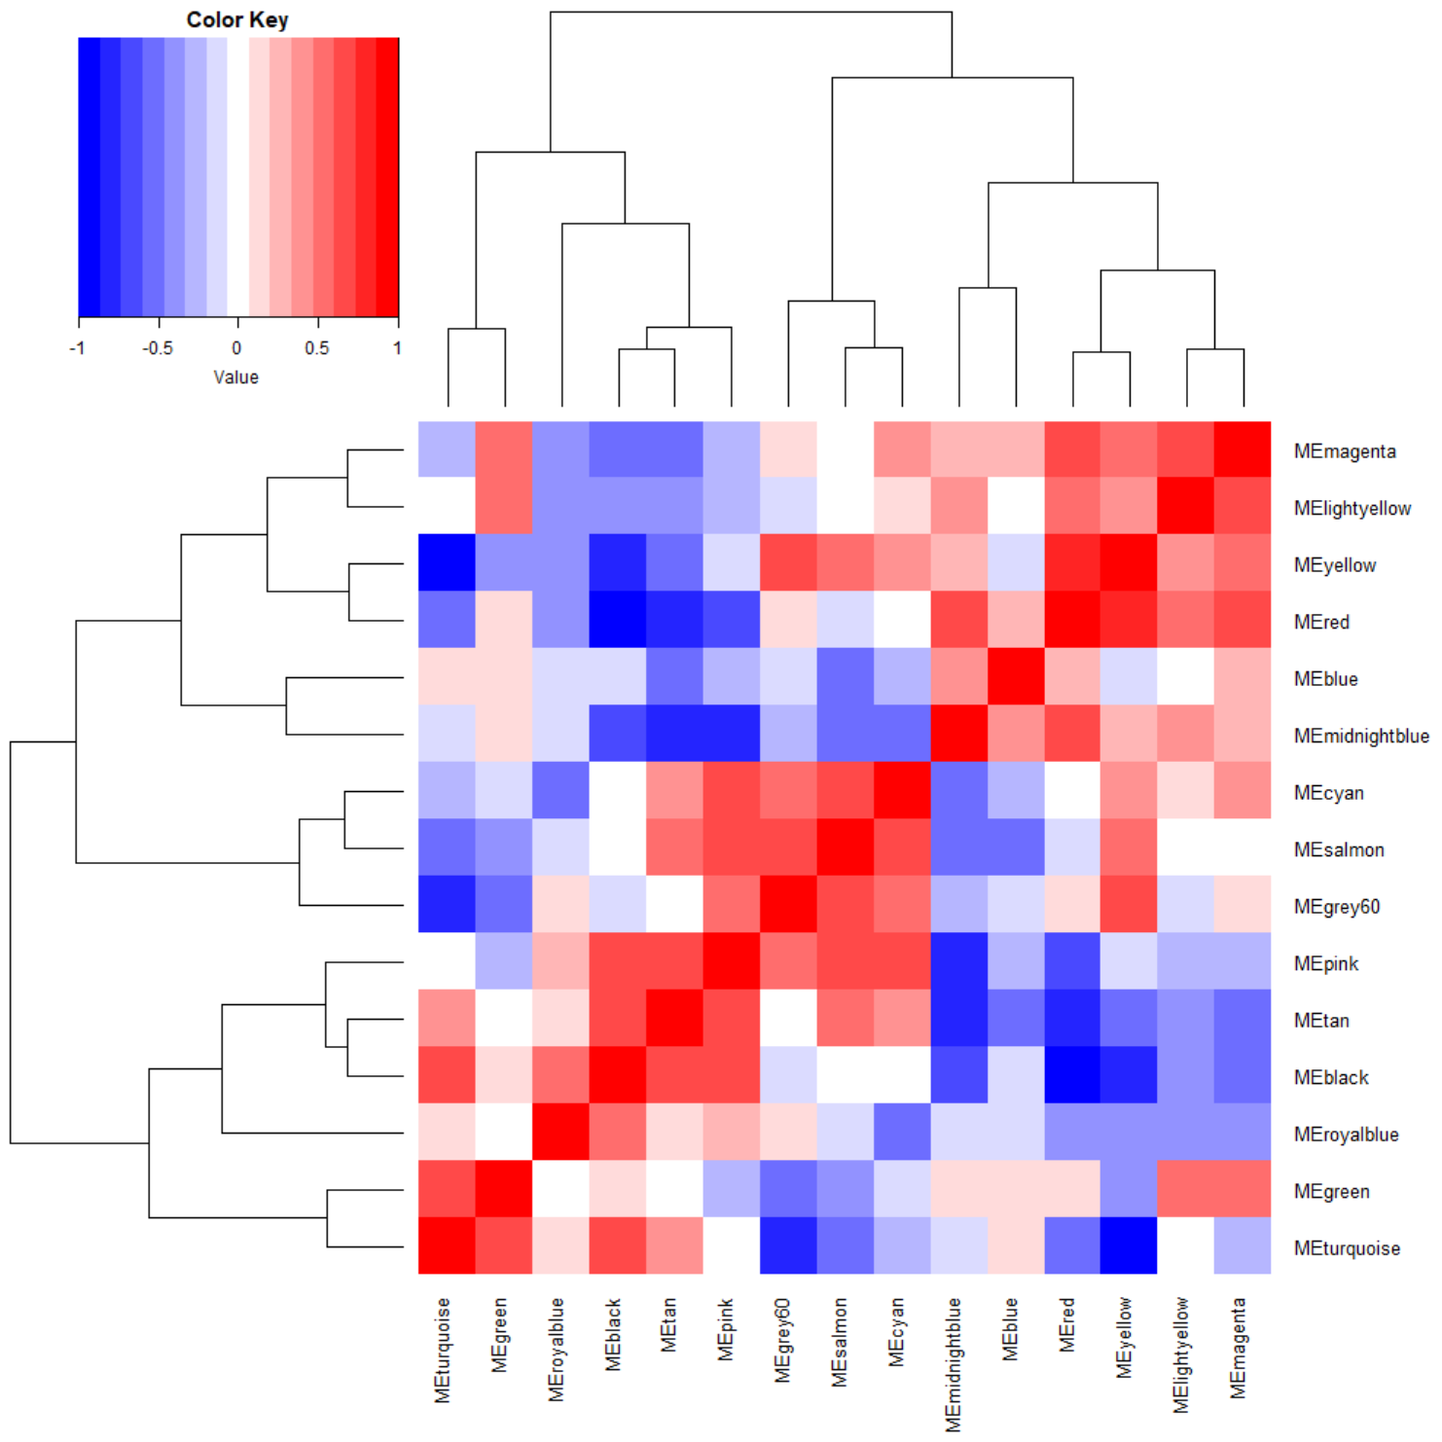
 | Enrichment | ME | MEturquoise | MEgreen | MEroyalblue | MEblack | MEtan | MEpink | MEgrey60 | MEsalmon | MEcyan | MEmidnightblue | MEblue | MEred | MEyellow | MElightyellow | MEmagenta
15 | chromatin disassembly | MEmagenta | -0.21 | 0.57 | -0.34 | -0.50 | -0.50 | -0.21 | 0.13 | 0.01 | 0.34 | 0.29 | 0.20 | 0.68 | 0.53 | 0.73 | 1.00
14 | protein retention in Golgi apparatus | MElightyellow | -0.05 | 0.58 | -0.34 | -0.44 | -0.35 | -0.33 | -0.12 | -0.03 | 0.12 | 0.38 | 0.03 | 0.57 | 0.34 | 1.00 | 0.73
13 | synapse organization | MEyellow | -0.88 | -0.34 | -0.40 | -0.81 | -0.48 | -0.09 | 0.65 | 0.49 | 0.44 | 0.23 | -0.08 | 0.74 | 1.00 | 0.34 | 0.53
12 | microtubule cytoskeleton organization involved in mitosis | MEred | -0.48 | 0.11 | -0.46 | -0.90 | -0.84 | -0.66 | 0.09 | -0.17 | 0.00 | 0.66 | 0.24 | 1.00 | 0.74 | 0.57 | 0.68
11 | external encapsulating structure organization | MEblue | 0.13 | 0.14 | -0.14 | -0.15 | -0.51 | -0.31 | -0.19 | -0.59 | -0.22 | 0.43 | 1.00 | 0.24 | -0.08 | 0.03 | 0.20
10 | regulation of MAP kinase activity | MEmidnightblue | -0.18 | 0.10 | -0.14 | -0.64 | -0.79 | -0.81 | -0.26 | -0.55 | -0.55 | 1.00 | 0.43 | 0.66 | 0.23 | 0.38 | 0.29
9 | fatty acid beta-oxidation | MEcyan | -0.25 | -0.09 | -0.52 | -0.03 | 0.36 | 0.62 | 0.49 | 0.72 | 1.00 | -0.55 | -0.22 | 0.00 | 0.44 | 0.12 | 0.34
8 | neutrophil degranulation | MEsalmon | -0.55 | -0.42 | -0.12 | -0.04 | 0.48 | 0.65 | 0.66 | 1.00 | 0.72 | -0.55 | -0.59 | -0.17 | 0.49 | -0.03 | 0.01
7 | lysosome | MEgrey60 | -0.75 | -0.55 | 0.16 | -0.15 | -0.06 | 0.57 | 1.00 | 0.66 | 0.49 | -0.26 | -0.19 | 0.09 | 0.65 | -0.12 | 0.13
6 | translation | MEpink | -0.01 | -0.23 | 0.24 | 0.62 | 0.69 | 1.00 | 0.57 | 0.65 | 0.62 | -0.81 | -0.31 | -0.66 | -0.09 | -0.33 | -0.21
5 | cytoplasmic translation | MEtan | 0.39 | -0.06 | 0.12 | 0.73 | 1.00 | 0.69 | -0.06 | 0.48 | 0.36 | -0.79 | -0.51 | -0.84 | -0.48 | -0.35 | -0.50
4 | Protein processing in endoplasmic reticulum | MEblack | 0.68 | 0.17 | 0.54 | 1.00 | 0.73 | 0.62 | -0.15 | -0.04 | -0.03 | -0.64 | -0.15 | -0.90 | -0.81 | -0.44 | -0.50
3 | COPII-coated vesicle cargo loading | MEroyalblue | 0.11 | 0.00 | 1.00 | 0.54 | 0.12 | 0.24 | 0.16 | -0.12 | -0.52 | -0.14 | -0.14 | -0.46 | -0.40 | -0.34 | -0.34
2 | mRNA processing | MEgreen | 0.63 | 1.00 | 0.00 | 0.17 | -0.06 | -0.23 | -0.55 | -0.42 | -0.09 | 0.10 | 0.14 | 0.11 | -0.34 | 0.58 | 0.57
1 | mRNA splicing, via spliceosome | MEturquoise | 1.00 | 0.63 | 0.11 | 0.68 | 0.39 | -0.01 | -0.75 | -0.55 | -0.25 | -0.18 | 0.13 | -0.48 | -0.88 | -0.05 | -0.21

Cytoscape network
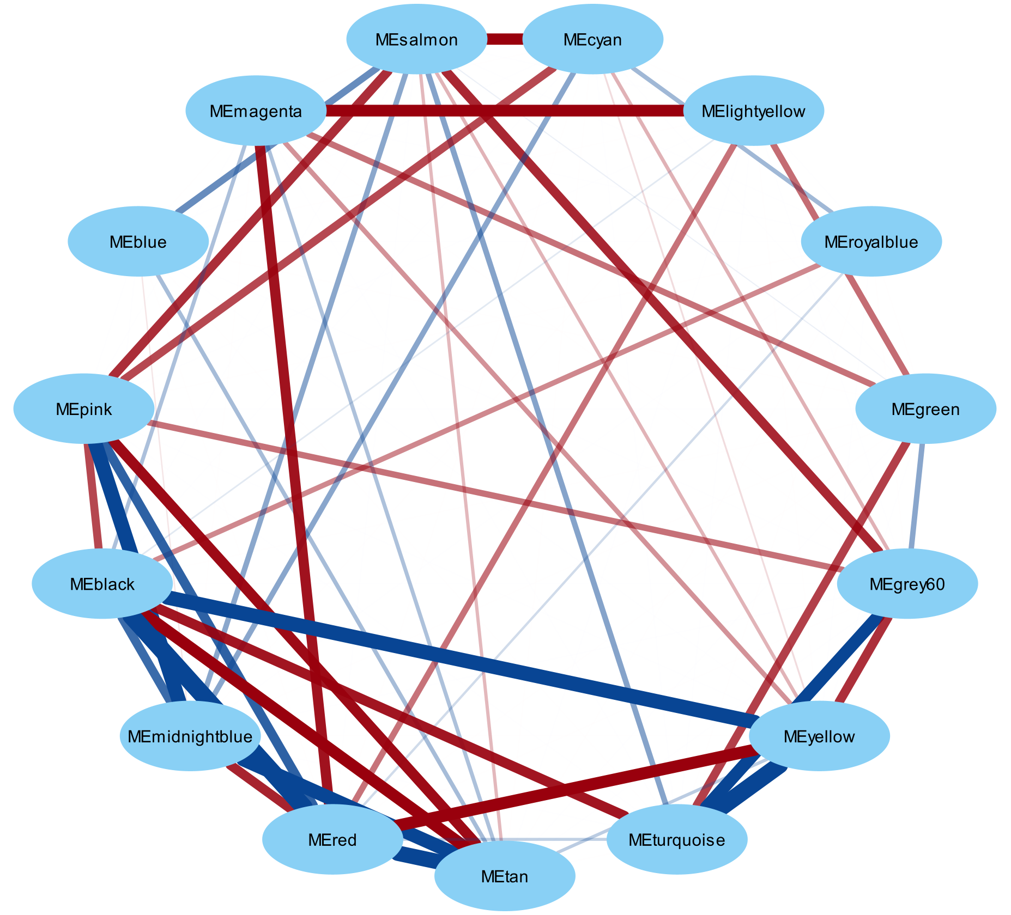

Regression analysis
sample.id | MEblack | MEblue | MEbrown | MEcyan | MEgreen | MEgreenyellow | MEgrey60 | MElightcyan | MElightgreen | MElightyellow | MEmagenta | MEmidnightblue | MEpink | MEpurple | MEred | MEroyalblue | MEsalmon | MEtan | MEturquoise | MEyellow
X0h_1 | -0.0741 | -0.0004 | 0.0439 | 0.0685 | 0.1688 | -0.0549 | 0.0168 | -0.0561 | -0.0912 | 0.1943 | 0.2521 | -0.0102 | -0.0282 | 0.0654 | 0.1139 | -0.0585 | 0.0185 | -0.0580 | -0.0431 | 0.0930 | SUMMARY OUTPUT
X0h_2 | -0.0791 | -0.0983 | -0.0011 | 0.1430 | -0.0133 | -0.1178 | 0.0661 | -0.0955 | 0.0675 | -0.0087 | 0.1121 | -0.0901 | 0.0128 | 0.0415 | 0.0911 | -0.1243 | 0.0885 | -0.0119 | -0.0846 | 0.1382
X0h_3 | -0.1007 | -0.0781 | 0.0176 | 0.0961 | 0.0746 | -0.0848 | 0.0151 | -0.0828 | -0.0099 | 0.0942 | 0.1625 | -0.0425 | -0.0343 | 0.0538 | 0.1137 | -0.0811 | 0.0914 | -0.0116 | -0.0719 | 0.1335 | Regression Statistics
A correlation of ~0.9, which is what MEblack vs MEred has, provides a P-value of ~E-15 from regression analysis. A correlation of ~0.4, which is what MEroyalblue vs MEyellow has, provides a P-value of ~0.01; MEgrey60 vs MEgreenyellow also has a correlation value of ~0.4 and a P-value from regression analysis of ~0.01.
Will use a threshold of |0.4| as the threshold for network construction, allowing us to say only those relationships with a P-value of 0.01 or less are illustrated in network. I will also include MElightgreen, because it did achieve a significant enrichment for the GWAS library.
DMSO_1h_1 | -0.0788 | 0.0112 | 0.0424 | 0.0809 | 0.1463 | -0.0520 | 0.0269 | 0.0006 | -0.0336 | 0.1452 | 0.2097 | 0.0557 | -0.0413 | 0.0555 | 0.1171 | -0.0243 | 0.0350 | -0.0553 | -0.0442 | 0.0839 | Multiple R | 0.90104777473
DMSO_1h_2 | -0.1019 | -0.0951 | -0.0035 | 0.0792 | 0.0216 | -0.1061 | -0.0017 | -0.0911 | -0.0061 | 0.0616 | 0.1088 | -0.0511 | -0.0465 | 0.0234 | 0.0728 | -0.1190 | 0.0522 | -0.0402 | -0.0792 | 0.0958 | R Square | 0.81188709235
DMSO_1h_3 | -0.0993 | -0.1023 | -0.0057 | 0.1083 | -0.0163 | -0.1233 | 0.0387 | -0.0609 | -0.0028 | -0.0199 | 0.0690 | 0.0052 | -0.0256 | 0.0085 | 0.0843 | -0.0849 | 0.1167 | 0.0199 | -0.0807 | 0.1310 | Adjusted R Square | 0.80680295971
DMSO_2h_1 | -0.0756 | 0.0973 | 0.0612 | 0.0618 | 0.1968 | 0.0062 | -0.0009 | 0.0331 | -0.0617 | 0.3256 | 0.2320 | 0.0265 | -0.0455 | 0.0866 | 0.1264 | -0.0316 | 0.0273 | -0.0594 | -0.0146 | 0.0937 | Standard Error | 0.071303103995
DMSO_2h_2 | -0.1143 | -0.1364 | -0.8788 | 0.1326 | -0.1373 | -0.2631 | -0.0287 | -0.0232 | -0.0016 | -0.1163 | -0.1176 | -0.1127 | 0.0028 | -0.6876 | 0.0283 | -0.1397 | 0.1909 | 0.0889 | -0.1146 | 0.1153 | Observations | 39
DMSO_2h_3 | -0.1299 | -0.1181 | 0.0043 | 0.1186 | 0.0831 | -0.1020 | -0.0068 | -0.0241 | -0.0895 | 0.1197 | 0.1475 | -0.0129 | -0.0571 | -0.0168 | 0.1004 | -0.0731 | 0.0581 | -0.0173 | -0.0581 | 0.1137
DMSO_6h_1 | -0.0575 | -0.0988 | 0.0166 | 0.1293 | 0.1123 | -0.1405 | 0.0577 | -0.0753 | -0.0325 | 0.0982 | 0.1831 | -0.0308 | 0.0372 | 0.0685 | 0.0976 | -0.0278 | 0.0981 | -0.0458 | -0.0291 | 0.1053 | ANOVA
DMSO_6h_2 | -0.0770 | -0.0886 | 0.0029 | 0.1502 | -0.0296 | -0.0907 | 0.0414 | -0.1199 | 0.0836 | -0.0293 | 0.0775 | -0.1023 | 0.0213 | 0.0414 | 0.0666 | -0.1286 | 0.1337 | 0.0351 | -0.0649 | 0.1239 |  | df | SS | MS | F | Significance F
DMSO_6h_3 | -0.0884 | -0.0746 | 0.0333 | 0.0725 | 0.1154 | -0.0862 | 0.0371 | -0.0658 | 0.0209 | 0.2151 | 0.1650 | -0.0477 | -0.0175 | 0.0510 | 0.0960 | -0.0823 | 0.0953 | -0.0230 | -0.0513 | 0.1096 | Regression | 1 | 0.81188709235 | 0.81188709235 | 159.69038378 | 5.4244582906E-15 | black vs red mocule
DMSO_24h_1 | -0.0508 | -0.1125 | -0.0055 | 0.0554 | 0.1221 | -0.1165 | 0.0310 | -0.0682 | -0.1214 | 0.1419 | 0.1623 | -0.0592 | 0.0282 | 0.0596 | 0.0744 | -0.0246 | 0.0817 | -0.0588 | -0.0538 | 0.0735 | Residual | 37 | 0.18811290765 | 0.0050841326393
DMSO_24h_2 | -0.0989 | -0.1480 | -0.0910 | 0.0977 | -0.2897 | -0.1695 | 0.0989 | -0.2060 | 0.0786 | -0.0410 | -0.1607 | -0.1576 | 0.0452 | -0.0634 | -0.0154 | -0.1778 | 0.1660 | 0.0544 | -0.1851 | 0.1040 | Total | 38 | 1
DMSO_24h_3 | -0.0757 | -0.0802 | 0.0124 | 0.1139 | 0.0316 | -0.1010 | 0.0635 | -0.0690 | -0.0302 | 0.1271 | 0.0970 | -0.0620 | 0.0048 | 0.0284 | 0.0955 | -0.0705 | 0.1215 | 0.0197 | -0.0648 | 0.1476
SW016789_1h_1 | -0.1482 | 0.5206 | 0.2484 | -0.0481 | -0.0688 | 0.4594 | 0.0090 | -0.0931 | 0.0287 | -0.1696 | 0.1648 | 0.2051 | -0.0980 | -0.6108 | 0.0668 | -0.0892 | -0.2284 | -0.3000 | -0.1282 | 0.0249 |  | Coefficients | Standard Error | t Stat | P-value | Lower 95% | Upper 95% | Lower 95.0% | Upper 95.0%
SW016789_1h_2 | -0.1125 | 0.0808 | 0.0182 | -0.0121 | -0.0468 | -0.0244 | -0.0191 | -0.0068 | 0.0462 | -0.0641 | 0.0531 | 0.2313 | -0.0684 | 0.0103 | 0.0752 | -0.0656 | 0.0171 | -0.0378 | -0.0891 | 0.0709 | Intercept | 3.9401797821E-17 | 0.011417634403 | 3.4509598424E-15 | 1 | -0.023134324773 | 0.023134324773 | -0.023134324773 | 0.023134324773
SW016789_1h_3 | -0.1285 | -0.1249 | -0.0722 | -0.0166 | -0.1187 | -0.1657 | 0.0301 | -0.0014 | 0.1138 | 0.1586 | -0.0391 | 0.1898 | -0.0602 | -0.0530 | 0.0754 | -0.1018 | 0.0600 | -0.0109 | -0.1370 | 0.1127 | MEblack | -0.90104777473 | 0.071303103995 | -12.636866058 | 5.4244582906E-15 | -1.0455215866 | -0.75657396283 | -1.0455215866 | -0.75657396283
SW016789_2h_1 | -0.0646 | 0.0308 | 0.0008 | -0.2149 | 0.1019 | -0.0535 | -0.0408 | 0.2953 | 0.0693 | 0.1206 | 0.0652 | 0.2826 | -0.1280 | 0.0307 | 0.0533 | 0.1382 | -0.1386 | -0.1634 | 0.0054 | -0.0449
SW016789_2h_2 | -0.0703 | 0.0026 | -0.0194 | -0.1858 | -0.0247 | -0.0612 | -0.0241 | 0.2663 | 0.0903 | 0.0054 | -0.0005 | 0.2973 | -0.1069 | 0.0070 | 0.0410 | 0.1047 | -0.0541 | -0.0801 | -0.0395 | 0.0093
SW016789_2h_3 | -0.1080 | -0.1394 | -0.1214 | -0.1841 | -0.2004 | -0.1744 | -0.0119 | 0.1977 | 0.0971 | 0.1569 | -0.1884 | 0.2112 | -0.1115 | -0.0749 | 0.0145 | 0.0079 | 0.0273 | -0.0046 | -0.1153 | 0.0331 | SUMMARY OUTPUT
SW016789_6h_1 | 0.1663 | 0.1544 | 0.0525 | -0.4379 | 0.1643 | 0.1102 | -0.0417 | 0.1541 | -0.3751 | 0.0773 | -0.0610 | 0.0352 | -0.0734 | 0.0714 | -0.0827 | 0.5128 | -0.1985 | -0.1005 | 0.0615 | -0.1791
SW016789_6h_2 | 0.1207 | -0.1466 | -0.0803 | -0.3711 | -0.1702 | -0.0657 | -0.0094 | 0.0522 | -0.1880 | -0.2637 | -0.2912 | -0.0077 | -0.0676 | -0.0014 | -0.1847 | 0.4486 | -0.0814 | -0.0318 | -0.0647 | -0.1578 | Regression Statistics
SW016789_6h_3 | 0.0886 | -0.1624 | -0.1091 | -0.2760 | -0.3239 | -0.1045 | 0.0607 | -0.0459 | -0.1024 | -0.4764 | -0.3783 | -0.0637 | -0.0223 | -0.0457 | -0.1740 | 0.3249 | 0.0005 | 0.0298 | -0.1152 | -0.0929 | Multiple R | 0.39680102622
SW016789_24h_1 | 0.2357 | -0.0185 | 0.0604 | 0.1747 | -0.0340 | 0.0364 | 0.3290 | -0.2114 | -0.2994 | -0.1900 | 0.0269 | -0.2326 | 0.3756 | 0.0585 | -0.1480 | 0.2598 | 0.1883 | 0.1603 | -0.0306 | 0.0175 | R Square | 0.15745105441
SW016789_24h_2 | 0.2161 | -0.0660 | 0.0529 | 0.2342 | -0.1285 | -0.0030 | 0.5064 | -0.2439 | -0.2274 | -0.1446 | 0.0227 | -0.2193 | 0.4385 | 0.0346 | -0.1078 | 0.2224 | 0.1110 | -0.0069 | -0.1007 | 0.0929 | Adjusted R Square | 0.13467946129
SW016789_24h_3 | 0.1227 | -0.1280 | -0.0480 | 0.1666 | -0.2815 | -0.0828 | 0.2893 | -0.2328 | -0.1837 | -0.2107 | -0.1953 | -0.2530 | 0.2820 | -0.0440 | -0.1306 | 0.1198 | 0.2575 | 0.2240 | -0.1267 | 0.0867 | Standard Error | 0.15090259482
Tg_1h_1 | -0.0928 | 0.0764 | 0.0432 | 0.0474 | 0.0842 | 0.0112 | 0.0098 | 0.0045 | 0.0909 | 0.1267 | 0.1486 | 0.1369 | -0.0393 | 0.0401 | 0.1010 | -0.0669 | -0.0167 | -0.0927 | -0.0363 | 0.0674 | Observations | 39
Tg_1h_2 | -0.0670 | 0.3879 | 0.1489 | 0.1127 | -0.2297 | 0.1883 | 0.1982 | -0.1222 | 0.1059 | -0.0063 | -0.0319 | 0.0678 | 0.0874 | 0.0080 | 0.0752 | -0.1344 | -0.0651 | -0.2323 | -0.1319 | 0.1291
Tg_1h_3 | -0.1183 | -0.0244 | -0.0554 | 0.0571 | -0.2391 | -0.1043 | 0.0792 | -0.0783 | 0.1347 | -0.0089 | -0.1261 | 0.0643 | -0.0281 | -0.0470 | 0.0640 | -0.1589 | 0.0733 | -0.0162 | -0.1307 | 0.1231 | ANOVA
Tg_2h_1 | -0.1046 | 0.2286 | 0.0964 | -0.1109 | 0.1443 | 0.1055 | -0.1715 | 0.1857 | 0.1584 | 0.0550 | 0.0894 | 0.1642 | -0.1647 | 0.0881 | 0.1071 | -0.0553 | -0.1560 | -0.1267 | 0.0922 | -0.0486 |  | df | SS | MS | F | Significance F
Tg_2h_2 | -0.0873 | 0.0183 | -0.0022 | -0.0408 | -0.0374 | -0.0340 | -0.0371 | 0.1362 | 0.2765 | 0.0280 | -0.0387 | 0.1403 | -0.1110 | 0.0385 | 0.0819 | -0.0865 | -0.0239 | -0.0546 | 0.0255 | 0.0302 | Regression | 1 | 0.15745105441 | 0.15745105441 | 6.914362713 | 0.012383506805 | royalblue vs. yellow
Tg_2h_3 | -0.1310 | 0.2863 | 0.0820 | -0.0864 | -0.1479 | 0.1344 | -0.0706 | 0.0454 | 0.2913 | -0.0678 | -0.1368 | 0.0819 | -0.1280 | 0.0129 | 0.0567 | -0.1662 | -0.0855 | -0.0749 | -0.0124 | 0.0009 | Residual | 37 | 0.84254894559 | 0.022771593124
Tg_6h_1 | 0.1321 | -0.0551 | 0.0532 | -0.2295 | 0.3810 | 0.0930 | -0.3546 | 0.4472 | 0.2536 | 0.1464 | 0.0550 | 0.1579 | -0.2260 | 0.1496 | 0.0773 | 0.0459 | -0.4289 | -0.1295 | 0.4193 | -0.2824 | Total | 38 | 1
Tg_6h_2 | 0.1200 | 0.3609 | 0.1937 | -0.1312 | 0.1691 | 0.2748 | -0.3104 | 0.2986 | 0.2049 | -0.0349 | -0.0345 | 0.0624 | -0.2010 | 0.1339 | 0.0684 | -0.0498 | -0.3879 | -0.0807 | 0.3360 | -0.1906
Tg_6h_3 | 0.0564 | 0.0752 | 0.0475 | -0.2461 | 0.1181 | 0.1403 | -0.3156 | 0.3011 | 0.2697 | -0.1631 | -0.1336 | 0.0754 | -0.2887 | 0.0667 | 0.0318 | -0.0824 | -0.4561 | -0.0823 | 0.3169 | -0.2664 |  | Coefficients | Standard Error | t Stat | P-value | Lower 95% | Upper 95% | Lower 95.0% | Upper 95.0%
Tg_24h_1 | 0.4372 | -0.0321 | 0.0982 | 0.1210 | 0.2387 | 0.3408 | -0.1455 | -0.0855 | -0.2860 | 0.0612 | -0.0822 | -0.2901 | 0.3135 | 0.1434 | -0.4331 | 0.0816 | 0.0423 | 0.3833 | 0.3609 | -0.3858 | Intercept | -1.3075040373E-18 | 0.024163753913 | -5.4110137108E-17 | 1 | -0.048960416058 | 0.048960416058 | -0.048960416058 | 0.048960416058
Tg_24h_2 | 0.4372 | -0.0909 | 0.0475 | 0.0764 | 0.1177 | 0.3208 | -0.2456 | -0.1087 | -0.1947 | -0.1164 | -0.2313 | -0.3002 | 0.2761 | 0.0980 | -0.4918 | 0.0781 | 0.0761 | 0.4934 | 0.3772 | -0.4247 | MEyellow | -0.39680102622 | 0.15090259482 | -2.6295175818 | 0.012383506805 | -0.7025587265 | -0.091043325943 | -0.7025587265 | -0.091043325943
Tg_24h_3 | 0.4017 | -0.1114 | 0.0150 | 0.0937 | -0.0541 | 0.2606 | -0.1690 | -0.1502 | -0.1448 | -0.3274 | -0.3569 | -0.3452 | 0.2938 | 0.0693 | -0.4999 | -0.0396 | 0.0923 | 0.4984 | 0.3035 | -0.3874

 |  |  |  |  |  |  |  |  |  |  |  |  |  |  |  |  |  |  |  |  | SUMMARY OUTPUT

 |  |  |  |  |  |  |  |  |  |  |  |  |  |  |  |  |  |  |  |  | Regression Statistics
 |  |  |  |  |  |  |  |  |  |  |  |  |  |  |  |  |  |  |  |  | Multiple R | 0.4001114354
 |  |  |  |  |  |  |  |  |  |  |  |  |  |  |  |  |  |  |  |  | R Square | 0.16008916074
 |  |  |  |  |  |  |  |  |  |  |  |  |  |  |  |  |  |  |  |  | Adjusted R Square | 0.13738886779
 |  |  |  |  |  |  |  |  |  |  |  |  |  |  |  |  |  |  |  |  | Standard Error | 0.15066616393
 |  |  |  |  |  |  |  |  |  |  |  |  |  |  |  |  |  |  |  |  | Observations | 39

 |  |  |  |  |  |  |  |  |  |  |  |  |  |  |  |  |  |  |  |  | ANOVA
 |  |  |  |  |  |  |  |  |  |  |  |  |  |  |  |  |  |  |  |  |  | df | SS | MS | F | Significance F
 |  |  |  |  |  |  |  |  |  |  |  |  |  |  |  |  |  |  |  |  | Regression | 1 | 0.16008916074 | 0.16008916074 | 7.0522949228 | 0.011608931562 | grey60 vs greenyellow
 |  |  |  |  |  |  |  |  |  |  |  |  |  |  |  |  |  |  |  |  | Residual | 37 | 0.83991083926 | 0.022700292953
 |  |  |  |  |  |  |  |  |  |  |  |  |  |  |  |  |  |  |  |  | Total | 38 | 1

 |  |  |  |  |  |  |  |  |  |  |  |  |  |  |  |  |  |  |  |  |  | Coefficients | Standard Error | t Stat | P-value | Lower 95% | Upper 95% | Lower 95.0% | Upper 95.0%
 |  |  |  |  |  |  |  |  |  |  |  |  |  |  |  |  |  |  |  |  | Intercept | -3.3163085549E-17 | 0.024125894671 | -1.3745846942E-15 | 1 | -0.048883705946 | 0.048883705946 | -0.048883705946 | 0.048883705946
 |  |  |  |  |  |  |  |  |  |  |  |  |  |  |  |  |  |  |  |  | MEgreenyellow | -0.4001114354 | 0.15066616393 | -2.6556157333 | 0.011608931562 | -0.70539008119 | -0.094832789615 | -0.70539008119 | -0.094832789615

