Order_priority
Row Labels | Sum of Units Sold
M | 989729
L | 779402
H | 742402
C | 814628
Grand Total | 3326161

dash
EUROPE SALES ANALYSIS

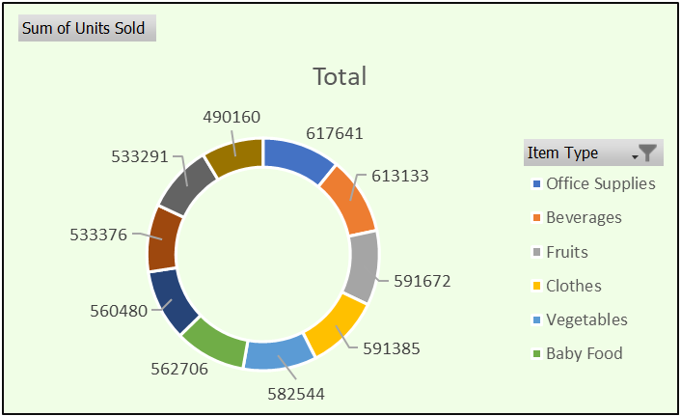
 | Total
Europe Andorra | 15410036.63
Europe Bosnia and Herzegovina | 13257602.77
Europe Czech Republic | 13635593.78
Europe Hungary | 13786231.03
Europe Kosovo | 14409145.45
Europe Macedonia | 13684099.95
Europe Malta | 14610127.88
Europe Russia | 13267682.64
Europe San Marino | 13792992.81
Europe Ukraine | 14804925.74

 | Total
M | 989729
L | 779402
H | 742402
C | 814628
Top 10 Profitable Country
 | Total
Ukraine | 53252321
San Marino | 47883707
Russia | 46051658
Portugal | 47172191
Malta | 47145321
Macedonia | 49222085
Kosovo | 53833145
Czech Republic | 53543931
Bosnia and Herzegovina | 50117512
Andorra | 47756697

top10_selling_products
Row Labels | Sum of Units Sold
Office Supplies | 617641
Beverages | 613133
Fruits | 591672
Clothes | 591385
Vegetables | 582544
Baby Food | 562706
Personal Care | 560480
Meat | 533376
Cosmetics | 533291
Snacks | 490160
Grand Total | 5676388

Top10_country_revenue
Top 10 Profitable Country
Row Labels | Sum of Total Revenue
Ukraine | 53252321
San Marino | 47883707
Russia | 46051658
Portugal | 47172191
Malta | 47145321
Macedonia | 49222085
Kosovo | 53833145
Czech Republic | 53543931
Bosnia and Herzegovina | 50117512
Andorra | 47756697
Grand Total | 495978568

