Specifications - Table 4 Readme
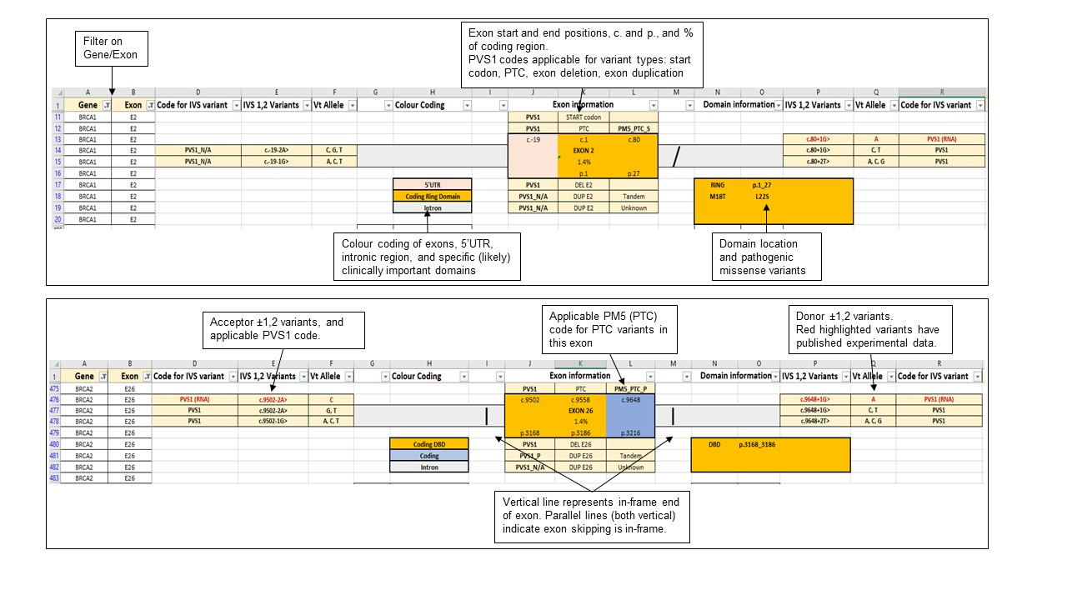
ACMG/AMP Classification Rules Specified for BRCA1 & BRCA2
ENIGMA Variant Curation Expert Panel, Classification Criteria V1.2 2024-11-18.

Specifications - Searchable Excel file, Table 4

Table 4: Summary of codes applicable for variants considered against the BRCA1 and BRCA2 PVS1 decision trees.
This Table is provided as a separate file in excel format to facilitate searches and look-ups by variant c. nomenclature, exon etc.
Includes PVS1 and PM5 codes recommended for initiation, nonsense/frameshift, deletion, duplication and splice site (donor/acceptor ±1,2) variants– organized by exon.
Full gene deletion is not included as this is considered as Stand Alone evidence for pathogenicity.

Read-me notes
General
For BRCA1, legacy exon numbering is shown in parentheses.
Different notes and warnings are provided in columns C and S.

Lines at the end of each exon represent the frame
Forward slash: a two-nt overhang at end of exon, one-nt overhang at the start
Backslash: a one-nt overhang at end of exon, two-nt overhang at the start
Vertical bar: in-frame end of the exon
Parallel lines on both sides of an exon: deletion of this exon would be in-frame

PVS1
PVS1 code weights were determined by application of comprehensive decision trees in Appendices, Section D
PVS1 (RNA) is designated for splice site variants with available mRNA data, with code based on observed molecular impact at the transcript level
These splice site variants are denoted in red font (see Supplementary Table 16).

PM5 (PTC)
PM5 code weights for protein termination variants, determined for each exon, as detailed in Appendices, Section D, Figures 7 and 8.
Apply only to genomic PTC changes (not splicing). Weight determined by exon where the termination codon occurs (may not be the same exon as the variant position).

Annotated Examples of Table Contents

