Sheet1
mr | 1000
mu0 | 1.2566370614E-06
mu | 0.0012566370614 | Order 3 |  | Order 2
B0 | 2.994011976 | 2.9931299697 | 0.029459011635 | 2.9995066043 | 3.3812950506 |  | 2.992799487 | 0.04049713277
V | 4.1887902048
w | 3566.7051322
Wm | 14940.179521
Wm/8 | 1867.5224401 | 1868.4000895 | 0.046995384986 | 1883.8302034 | 2226.5355628 |  | 1866.0001462 | 0.081514092785

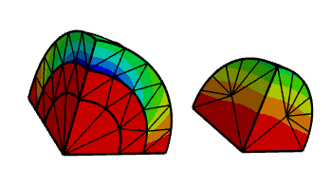
 | 3489.3611093
 | 0.93422200297

 | 2.8796473515
 | 0.9618022154
 | 0.92506350155

 | 2.994011976 |  |  |  | 239 elements

 |  |  |  | Bz0 (T) | Error (%) | Wm/8 (J) | Error (%)
 |  |  | Thoretical | 2.9940 |  | 1867.5
 |  |  | Ω-Ωr, Order 1 | 3.3813 | 12.935 | 2226.5 | 19.224
 |  |  | Ω-Ωr, Order 2 | 2.9995 | 0.184 | 1883.8 | 0.873
 |  |  | Ω-Ωr, Order 3 | 2.9931 | 0.029 | 1868.4 | 0.047
 |  |  | A-Ar, Order 3 | 2.9928 | 0.040 | 1866.0 | 0.082
 |  |  | A-Ωr, Order 3 | 2.9940 | 0.001 | 1867.6 | 0.004

 |  |  |  | 4.2426406871

Sheet2
A_Phi-Ar | rk=2 |  |  |  |  |  |  |  |  | 43225 | 51350
 |  | nv | ne | ndof | nonzero | Iterations | time | Bz0 |  | Wm | Je
0.00067422181247 | 0 | 105 | 239 | 3368 | 158502 | 45 | 0.044808600011 | 0.48474634619 | 0.83523795602 | 43861.982299 | 51259.371919 | 0.014736432603 | 0.0017649090737
0.00018018502849 | 1 | 197 | 643 | 9523 | 515219 | 75 | 0.26708279998 | -0.090048831714 | 0.064402424261 | 43298.383813 | 51300.093766 | 0.0016977168957 | 0.0009718838106
5.6573162924E-05 | 2 | 379 | 1533 | 24515 | 1650916 | 106 | 1.0276903 | -0.11553133961 | 0.069249578947 | 43242.87404 | 51359.7591 | 0.00041351163452 | 0.00019005062807
1.581751855E-05 | 3 | 847 | 3987 | 66822 | 5076171 | 1040 | 27.8035747 | -0.11881467444 | 0.069980026381 | 43239.453428 | 51363.316115 | 0.00033437658654 | 0.00025932064059
8.6824316714E-06 | 4 | 1270 | 6252 | 106209 | 8323421 | 303 | 13.6060215 | -0.11750835774 | 0.06986345839 | 43238.062868 | 51365.12883 | 0.00030220631822 | 0.00029462180332
2.7264416704E-06 | 5 | 2865 | 14904 | 257238 | 20890308 | 226 | 15.9678629 | -0.11747028214 | 0.069874837688 | 43237.859077 | 51365.626675 | 0.00029749166062 | 0.00030431694715
1.0919909349E-06 | 6 | 5548 | 29603 | 516871 | 43043836 | 284 | 76.0984918 | -0.12801226436 | 0.072644204055 | 43237.807523 | 51365.772946 | 0.00029629897211 | 0.00030716544424
 |  |  |  |  |  |  |  |  |  |  |  |  |  | rk=4 |  |  |  | rk=8
 |  | nv | ne | ndof | nonzero | Iterations | time | Bz0 |  | Wm | Je |  |  |  | ne | Wm | Je |  | ne | Wm | Je
0.025965781569 | 0 | 105 | 239 | 3368 | 158502 | 45 | 0.044808600011 | 0.48474634619 | 0.83523795602 | 43861.982299 | 51259.371919 | 0.014736432603 | 0.0017649090737 | 0.028394603543 | 209 | 43876.747059 | 51276.371733 | 0.023589964027 | 276 | 43867.633449 | 51322.651474
0.0092448169913 | 1 | 316 | 1125 | 9523 | 515219 | 65 | 0.25977430001 | 0.45955625904 | 0.82253943172 | 43882.061464 | 51280.927737 | 0.015200959252 | 0.0013451268438 | 0.012541418808 | 712 | 43869.935252 | 51266.89429 | 0.0088505717749 | 1201 | 43350.193065 | 51361.142313
0.0040900674302 | 2 | 895 | 3823 | 54026 | 2686968 | 95 | 1.4649352 | -0.091146297486 | 0.07255428587 | 43311.64871 | 51315.820912 | 0.0020045971058 | 0.00066561027347 | 0.0052010764398 | 2666 | 43425.458662 | 51460.983007 | 0.0046291811952 | 3175 | 43327.347302 | 51344.228397
0.0031280367968 | 3 | 1316 | 5716 | 81814 | 4221941 | 174 | 3.7494918 | -0.097453597932 | 0.063962709471 | 43264.191634 | 51351.081949 | 0.00090668905053 | 2.1070096633E-05 | 0.0050361832767 | 2798 | 43425.690398 | 51461.344767 | 0.0037475038468 | 4359 | 43294.767433 | 51350.87349
0.0020461789677 | 4 | 2380 | 10804 | 154656 | 8025074 | 159 | 7.1772973 | -0.11547417756 | 0.069345157654 | 43241.898414 | 51354.154647 | 0.00039094074421 | 8.0908412454E-05 | 0.0026455410318 | 7349 | 43275.68962 | 51348.097297 | 0.0021851346586 | 9790 | 43251.708676 | 51364.391571
0.0012136691922 | 5 | 4842 | 23651 | 339380 | 17801350 | 163 | 18.7307086 | -0.11733191992 | 0.069728550816 | 43233.261221 | 51352.02491 | 0.00019112135514 | 3.9433498713E-05 | 0.0012210458914 | 23437 | 43245.489812 | 51363.016043 | 0.0014065448771 | 18957 | 43244.02115 | 51366.556704
0.00092428466533 | 6 | 7229 | 35587 | 511435 | 26998554 | 180 | 30.1676214 | -0.11747620391 | 0.069763999915 | 43229.100406 | 51350.946291 | 9.4861898612E-05 | 1.8428247655E-05 | 0.00086017115244 | 39639 | 43241.868224 | 51363.347225 | 0.00098558644889 | 32319 | 43241.513017 | 51365.188882
0.00059791263563 |  | 13571 | 68398 | 980192 | 51256175 | 275 | 86.2270723 | -0.11847851463 | 0.070072499354 | 43225.077558 | 51349.473504
 | 0
 | 1
 | 2 |  |  |  |  |  |  |  |  |  |  |  |  |  |  |  |  |  |  |  | 212.13203436
 | 3
 | 4
 | 5
 | 6

Sheet3
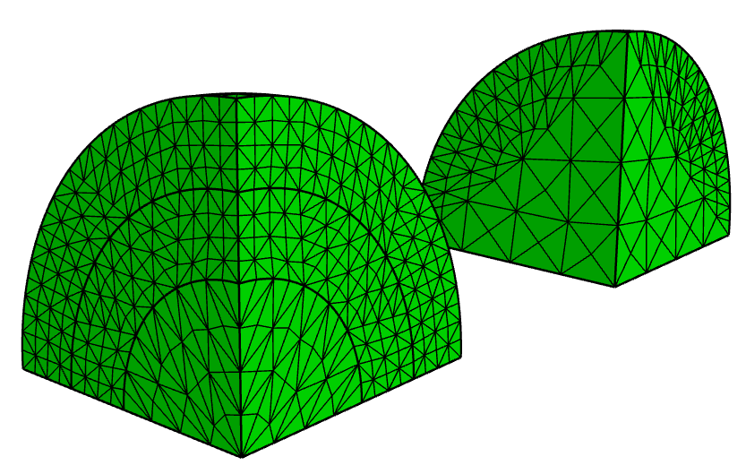
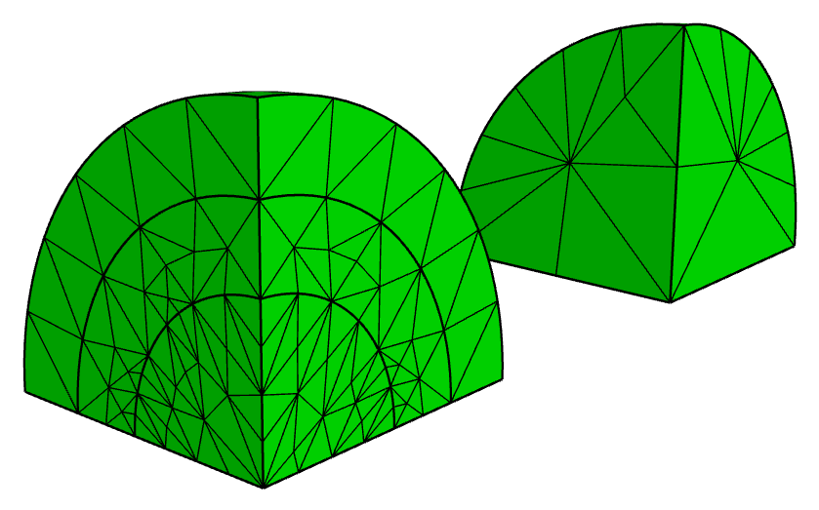
Adaptive
 | ne |  | dof | nonzero | ICCG Iter | Um |  |  |  |  | Wj
 |  |  |  |  |  | 24109.6 |  | -17110.9 |  | 29564.433209 | 18305.3 |  | 32993.2 |  | 37731.091348
0 | 239 | 0.025965781569 | 3368 | 158502 | 45 | 26146.590373 | 0.084488766857 | -18569.488874 | 0.085243258628 | 0.084742247579 | 16802.860227 | 0.082076763191 | 31796.380009 | 0.036274747245 | 0.050909210135
1 | 656 | 0.013245370383 | 9707 | 524495 | 72 | 24350.391247 | 0.0099873596638 | -17069.608729 | 0.0024131559859 | 0.0082635084055 | 18304.603645 | 3.8041188142E-05 | 32787.291357 | 0.006240941865 | 0.0054572982989
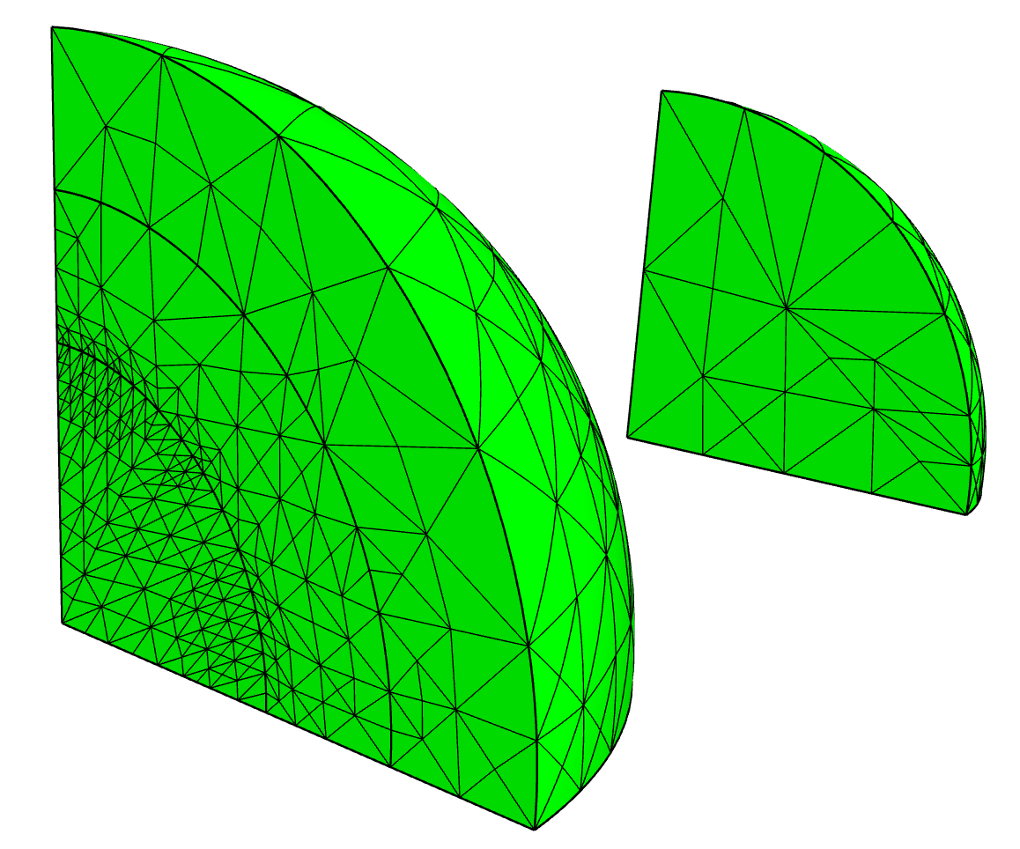
2 | 1533 | 0.00752151334 | 24515 | 1650916 | 107 | 24130.004438 | 0.00084632007467 | -17102.556493 | 0.00048761357641 | 0.00074563892004 | 18310.098612 | 0.0002621433311 | 32977.4759 | 0.00047658609396 | 0.00043571526584
3 | 4408 | 0.0037196802555 | 72733 | 5368908 | 940 | 24128.964493 | 0.00080318601042 | -17115.362689 | 0.00026080974403 | 0.00067216140398 | 18316.333627 | 0.00060275587397 | 33004.825736 | 0.00035236764348 | 0.00042479711528
4 | 6971 | 0.0027403326057 | 116292 | 8820650 | 304 | 24125.942924 | 0.00067785960973 | -17119.35299 | 0.00049401201609 | 0.0006223549352 | 18316.845791 | 0.00063073489307 | 33013.118478 | 0.00060371463868 | 0.00061018213193
5 | 17833 | 0.0014650430739 | 298392 | 22924724 | 230 | 24115.239215 | 0.00023389916288 | -17114.162253 | 0.00019065351247 | 0.00022036047884 | 18309.381493 | 0.00022296782986 | 33000.369778 | 0.00021731079066 | 0.00021865547043
6 | 35618 | 0.00092374828892 | 601653 | 47242744 | 192 | 24113.421281 | 0.00015849625336 | -17113.411432 | 0.00014677381067 | 0.00015466857045 | 18307.953053 | 0.00014493359947 | 32998.348377 | 0.00015604358082 | 0.00015350097701
7

No Adaptyve
 | ne |  | dof | nonzero | ICCG Iter | Um |  |  |  |  | Wj
 |  |  |  |  |  | 24109.6 |  | -17110.9 |  | 29564.433209 | 18305.3 |  | 32993.2 |  | 37731.091348
0 | 239 | 0.025965781569 | 3368 | 158502 | 45 | 26146.590373 | 0.084488766857 | -18569.488874 | 0.085243258628 | 0.084742247579 | 16802.860227 | 0.082076763191 | 31796.380009 | 0.036274747245 | 0.050909210135
1 | 1912 | 0.0064914453922 | 27239 | 1370121 | 102 | 24360.439746 | 0.010404143819 | -17077.446475 | 0.0019551002815 | 0.0085596329676 | 18313.187875 | 0.00043090661861 | 32800.992492 | 0.0058256703804 | 0.0050984290577
2 | 15296 | 0.001622861348 | 219154 | 11381344 | 208 | 24127.019947 | 0.0007225315812 | -17105.428183 | 0.00031978547731 | 0.00061760416115 | 18312.271345 | 0.00038083750208 | 32983.377868 | 0.00029770171771 | 0.00031922384306

