Sheet1
mr | 1000
mu0 | 1.2566370614E-06
mu | 0.0012566370614 | Order 3 |  | Order 2
B0 | 2.994011976 | 2.9931299697 | 0.029459011635 | 2.9995066043 | 3.3812950506 |  | 2.992799487 | 0.04049713277
V | 4.1887902048
w | 3566.7051322
Wm | 14940.179521
Wm/8 | 1867.5224401 | 1868.4000895 | 0.046995384986 | 1883.8302034 | 2226.5355628 |  | 1866.0001462 | 0.081514092785

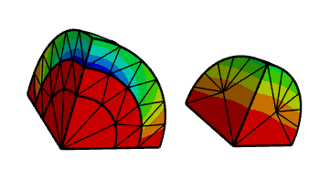
 | 3489.3611093
 | 0.93422200297

 | 2.8796473515
 | 0.9618022154
 | 0.92506350155

 | 2.994011976 |  |  |  | 239 elements

 |  |  |  | Bz0 (T) | Error (%) | Wm/8 (J) | Error (%)
 |  |  | Thoretical | 2.9940 |  | 1867.5
 |  |  | Ω-Ωr, Order 1 | 3.3813 | 12.935 | 2226.5 | 19.224
 |  |  | Ω-Ωr, Order 2 | 2.9995 | 0.184 | 1883.8 | 0.873
 |  |  | Ω-Ωr, Order 3 | 2.9931 | 0.029 | 1868.4 | 0.047
 |  |  | A-Ar, Order 3 | 2.9928 | 0.040 | 1866.0 | 0.082
 |  |  | A-Ωr, Order 3 | 2.9940 | 0.001 | 1867.6 | 0.004

 |  |  |  | 4.2426406871

