Sheet1
ADITYA DEGREE COLLEGE
TEACHING DETAILS -2026
S.NO | NAME OF THE FACULTY | DESIGNATION | PHOTO
1 | P.Lakshmi Saroja | PRINCIPAL
2 | A.Srinivasa Reddy | CRT DIRECTOR | 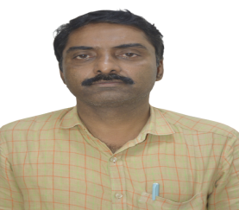
3 | G.HEMASUNDHAR RAO, M.C.A, M.Tech | VICE PRINCIPAL
4 | K.Gopi Krishna | H.O.D Mathematics | 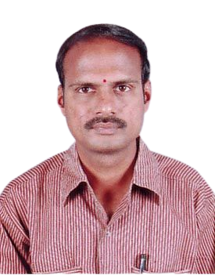 | 0
5 | Yalamarthy Krishna Kumari | Lect. In Mathematics | 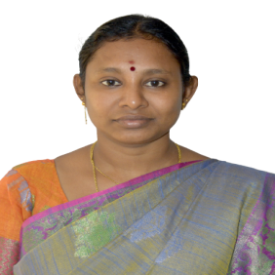
6 | V V S Anjaneyulu | H.O.D Chemistry | 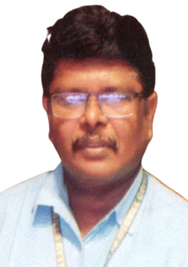
7 | Ayyanki . Venkateswara Rao | 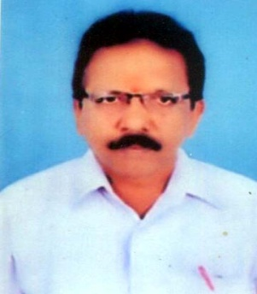 Lect In Chemistry
8 | K V V SUBRAMANYAM | Lect In Chemistry | 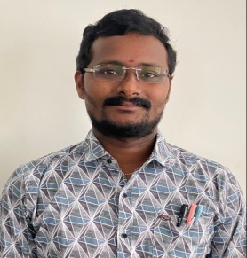
9 | Gannamani Siva Rama Krishna | Lect in Statistics | 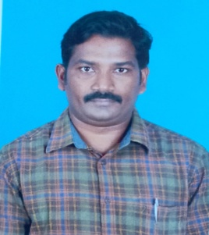
10 | Sandrani Gopala Krishna | Lect In Computers | 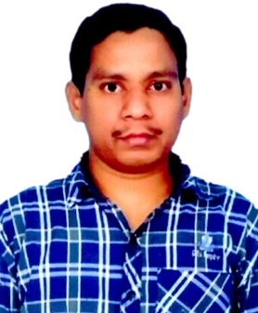
11 | Bandi Satyanarayana Murthy | 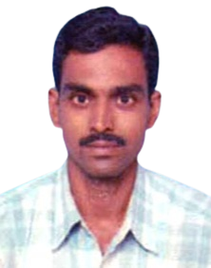 Lect In Computers
12 | Vadrevu Raja Rajeswari | Lect In Computers | 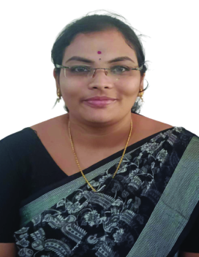
13 | N Siva Shankar | Lect In Computers | 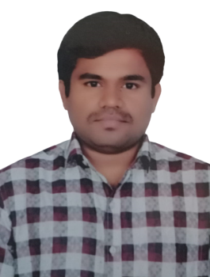
14 | E.S.L .Anand | Lect In Computers | 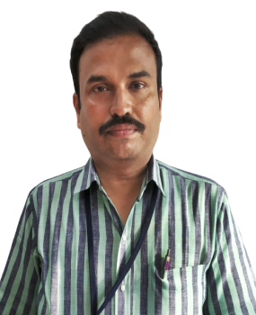
15 | U. Suryanarayana | Lect In Computers | 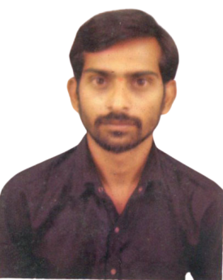
16 | J .Girish Narasimham | Lect In Computers | 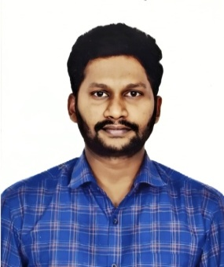
17 | A. Posisekhar | Lect In Computers
18 | B. Sri Sowmya Devi | Lect In Computers | 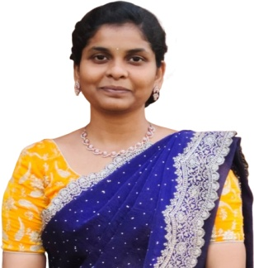
19 | V. Jayanthi Sai | Lect In Computers | 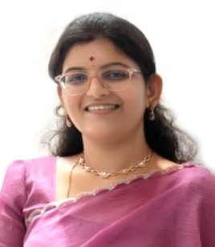
20 | K. Gnaneswar | Lect in Computers | 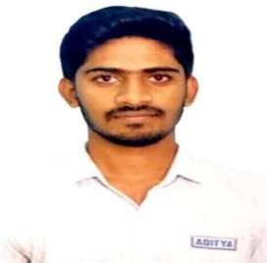
21 | D. Durga Devi | Lect in Commerce
22 | G. RAMAKRISHNA | H.O.D ENGLISH | 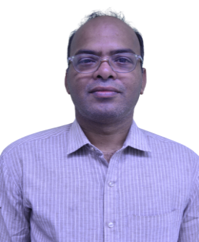
23 | Akula. Vani Nirmala | Lect in English | 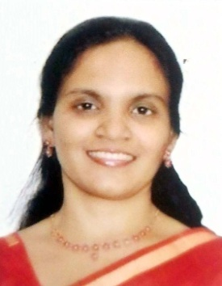
24 | G .Anusha | Lect in English
25 | T Ramakishore | H.O.D, C.R.T | 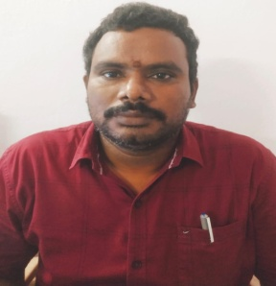
26 | Tumula Veerajaneya | Lect in CRT | 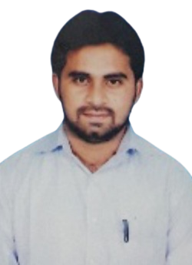
27 | Ch.Ramakrishna | Lect in CRT | 
28 | V. Soma Raju | 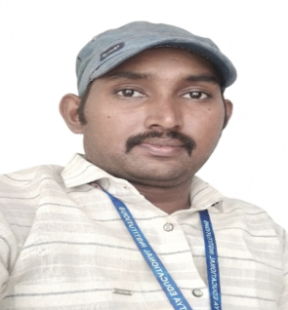 Lect in CRT
29 | V.Surya kumar | lect. In Crt
30 | V.Ravikanth | Lect in Soft Skills | 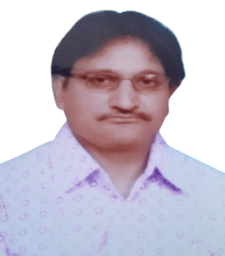
31 | Dr. L. Durga Prasad | Lect in Soft Skills | 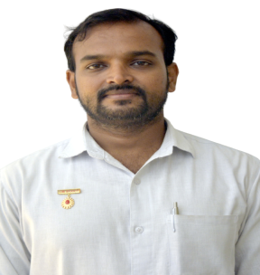
32 | Dr. Bh.V.Rama Devi | H.O.D Telugu
33 | M.Anantha Lakhsmi | Lect in Hindi | 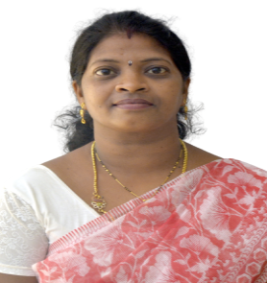
34 | CH Gowri priya | Lect in Soft Skills
35 | Chakravarthula S Sudhakar | Librarian | 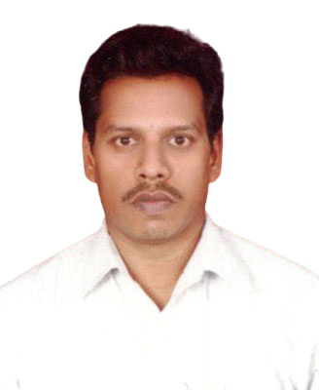
36 | P.Manikanta | Lect in Computer Science
37 | K VV VEERENDRA SAI | LECT IN DS | 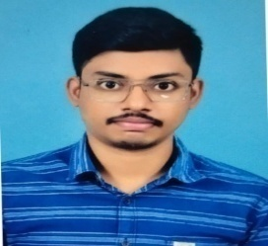
38 | K. VEERABABU | LECT IN COMPUTERS

