CDD Export 1
Molecule Name | SMILES | Catalog | Protease Assay (Screening): Target | Protease Assay (Screening): Concentration (uM) | Protease Assay (Screening): FI 480/520 (ex/em) (RFU) | Protease Assay (Screening): Activity (%) | Protease Assay (Screening): Mean corrected activity (%) [Target: Mpro, JIRA: 11695, Readout: FI, Concentration: 10.0] | Protease Assay (Screening): Mean corrected activity (%) [Target: Mpro, JIRA: 11695, Readout: FI, Concentration: 10.0] Standard Deviation (±) | Protease Assay (Screening): Mean corrected activity (%) [Target: Mpro, JIRA: 11695, Readout: FI, Concentration: 10.0] Count | Mpro Protease Assay Dose-Response: IC50 (uM) [Target: Mpro, JIRA: 11919, Readout: FI] | Mpro Protease Assay Dose-Response: Target | Mpro Protease Assay Dose-Response: Dose-response Plot
PCM-0220489 | CCN(C1=CC=CC=C1)S(=O)(=O)C1=CC(NC(=O)CCl)=C(OC)C=C1 | Z56886487 | Mpro | 10 | 4525 | 10.1 | 11.3 | 4.5 | 3 | 3.41 | Mpro | 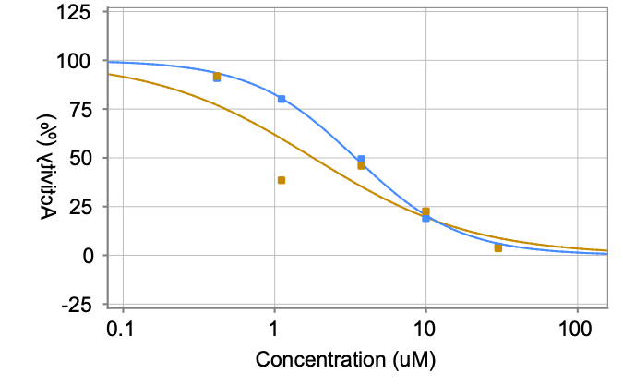
PCM-0220489 | CCN(C1=CC=CC=C1)S(=O)(=O)C1=CC(NC(=O)CCl)=C(OC)C=C1 | Z56886487 | Mpro | 10 | 28984 | 16.3 | 11.3 | 4.5 | 3 | 3.41 | Mpro
PCM-0220489 | CCN(C1=CC=CC=C1)S(=O)(=O)C1=CC(NC(=O)CCl)=C(OC)C=C1 | Z56886487 | Mpro | 10 | 16747 | 7.5 | 11.3 | 4.5 | 3 | 3.41 | Mpro
PCM-0220489 | CCN(C1=CC=CC=C1)S(=O)(=O)C1=CC(NC(=O)CCl)=C(OC)C=C1 | Z56886487 | Mpro | 20 | 11767 | 47.8 | 11.3 | 4.5 | 3 | 3.41 | Mpro
PCM-0220489 | CCN(C1=CC=CC=C1)S(=O)(=O)C1=CC(NC(=O)CCl)=C(OC)C=C1 | Z56886487 |  |  |  |  | 11.3 | 4.5 | 3 | 3.41 | Mpro
PCM-0220489 | CCN(C1=CC=CC=C1)S(=O)(=O)C1=CC(NC(=O)CCl)=C(OC)C=C1 | Z56886487 |  |  |  |  | 11.3 | 4.5 | 3 | 1.79 | Mpro
PCM-0220489 | CCN(C1=CC=CC=C1)S(=O)(=O)C1=CC(NC(=O)CCl)=C(OC)C=C1 | Z56886487 |  |  |  |  | 11.3 | 4.5 | 3 | 1.79 | Mpro
PCM-0220489 | CCN(C1=CC=CC=C1)S(=O)(=O)C1=CC(NC(=O)CCl)=C(OC)C=C1 | Z56886487 |  |  |  |  | 11.3 | 4.5 | 3 | 1.79 | Mpro
PCM-0220489 | CCN(C1=CC=CC=C1)S(=O)(=O)C1=CC(NC(=O)CCl)=C(OC)C=C1 | Z56886487 |  |  |  |  | 11.3 | 4.5 | 3 | 1.79 | Mpro
PCM-0220489 | CCN(C1=CC=CC=C1)S(=O)(=O)C1=CC(NC(=O)CCl)=C(OC)C=C1 | Z56886487 |  |  |  |  | 11.3 | 4.5 | 3 | 1.79 | Mpro
PCM-0220052 | CN(CC(=O)NC1=C(Br)C=CC=C1)C(=O)CCl | Z57054209 | Mpro | 10 | 8895 | 24.6 | 26.1 | 8 | 3 | 6.38 | Mpro | 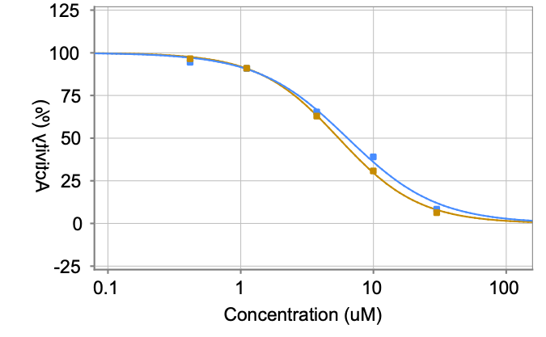
PCM-0220052 | CN(CC(=O)NC1=C(Br)C=CC=C1)C(=O)CCl | Z57054209 | Mpro | 10 | 53144 | 34.8 | 26.1 | 8 | 3 | 6.38 | Mpro
PCM-0220052 | CN(CC(=O)NC1=C(Br)C=CC=C1)C(=O)CCl | Z57054209 | Mpro | 10 | 29690 | 18.9 | 26.1 | 8 | 3 | 6.38 | Mpro
PCM-0220052 | CN(CC(=O)NC1=C(Br)C=CC=C1)C(=O)CCl | Z57054209 | Mpro | 20 | 13772 | 53.3 | 26.1 | 8 | 3 | 6.38 | Mpro
PCM-0220052 | CN(CC(=O)NC1=C(Br)C=CC=C1)C(=O)CCl | Z57054209 |  |  |  |  | 26.1 | 8 | 3 | 6.38 | Mpro
PCM-0220052 | CN(CC(=O)NC1=C(Br)C=CC=C1)C(=O)CCl | Z57054209 |  |  |  |  | 26.1 | 8 | 3 | 5.46 | Mpro
PCM-0220052 | CN(CC(=O)NC1=C(Br)C=CC=C1)C(=O)CCl | Z57054209 |  |  |  |  | 26.1 | 8 | 3 | 5.46 | Mpro
PCM-0220052 | CN(CC(=O)NC1=C(Br)C=CC=C1)C(=O)CCl | Z57054209 |  |  |  |  | 26.1 | 8 | 3 | 5.46 | Mpro
PCM-0220052 | CN(CC(=O)NC1=C(Br)C=CC=C1)C(=O)CCl | Z57054209 |  |  |  |  | 26.1 | 8 | 3 | 5.46 | Mpro
PCM-0220052 | CN(CC(=O)NC1=C(Br)C=CC=C1)C(=O)CCl | Z57054209 |  |  |  |  | 26.1 | 8 | 3 | 5.46 | Mpro
PCM-0220024 | COC(=O)C1=CC(=CC(=C1)N1C(C)=CC(C(=O)CCl)=C1C)C(=O)OC | Z56775594 | Mpro | 10 | 3857 | 7.9 | 9 | 4.5 | 3 | 3.42 | Mpro | 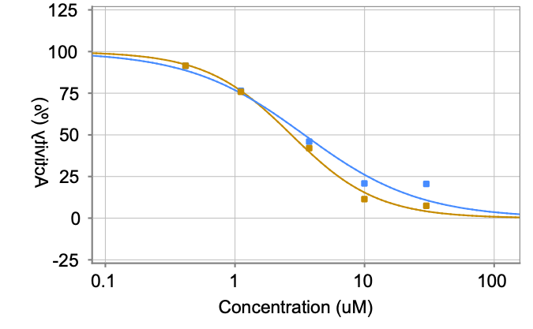
PCM-0220024 | COC(=O)C1=CC(=CC(=C1)N1C(C)=CC(C(=O)CCl)=C1C)C(=O)OC | Z56775594 | Mpro | 10 | 25939 | 14 | 9 | 4.5 | 3 | 3.42 | Mpro
PCM-0220024 | COC(=O)C1=CC(=CC(=C1)N1C(C)=CC(C(=O)CCl)=C1C)C(=O)OC | Z56775594 | Mpro | 10 | 14151 | 5.2 | 9 | 4.5 | 3 | 3.42 | Mpro
PCM-0220024 | COC(=O)C1=CC(=CC(=C1)N1C(C)=CC(C(=O)CCl)=C1C)C(=O)OC | Z56775594 | Mpro | 20 | 9639 | 31.3 | 9 | 4.5 | 3 | 3.42 | Mpro
PCM-0220024 | COC(=O)C1=CC(=CC(=C1)N1C(C)=CC(C(=O)CCl)=C1C)C(=O)OC | Z56775594 |  |  |  |  | 9 | 4.5 | 3 | 3.42 | Mpro
PCM-0220024 | COC(=O)C1=CC(=CC(=C1)N1C(C)=CC(C(=O)CCl)=C1C)C(=O)OC | Z56775594 |  |  |  |  | 9 | 4.5 | 3 | 2.72 | Mpro
PCM-0220024 | COC(=O)C1=CC(=CC(=C1)N1C(C)=CC(C(=O)CCl)=C1C)C(=O)OC | Z56775594 |  |  |  |  | 9 | 4.5 | 3 | 2.72 | Mpro
PCM-0220024 | COC(=O)C1=CC(=CC(=C1)N1C(C)=CC(C(=O)CCl)=C1C)C(=O)OC | Z56775594 |  |  |  |  | 9 | 4.5 | 3 | 2.72 | Mpro
PCM-0220024 | COC(=O)C1=CC(=CC(=C1)N1C(C)=CC(C(=O)CCl)=C1C)C(=O)OC | Z56775594 |  |  |  |  | 9 | 4.5 | 3 | 2.72 | Mpro
PCM-0220024 | COC(=O)C1=CC(=CC(=C1)N1C(C)=CC(C(=O)CCl)=C1C)C(=O)OC | Z56775594 |  |  |  |  | 9 | 4.5 | 3 | 2.72 | Mpro
PCM-0220020 | CC1=C(N2C=CC=CC2=C1C(=O)CCl)C(=O)C1=CC=C(F)C=C1 | Z56921112 | Mpro | 10 | 1831 | 1.2 | 5.1 | 8.1 | 3 | 1 | Mpro | 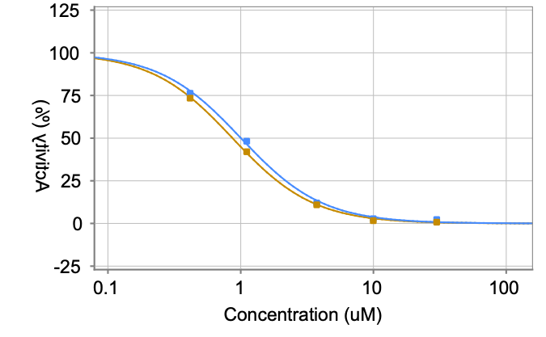
PCM-0220020 | CC1=C(N2C=CC=CC2=C1C(=O)CCl)C(=O)C1=CC=C(F)C=C1 | Z56921112 | Mpro | 10 | 26575 | 14.5 | 5.1 | 8.1 | 3 | 1 | Mpro
PCM-0220020 | CC1=C(N2C=CC=CC2=C1C(=O)CCl)C(=O)C1=CC=C(F)C=C1 | Z56921112 | Mpro | 10 | 7953 | -0.3 | 5.1 | 8.1 | 3 | 1 | Mpro
PCM-0220020 | CC1=C(N2C=CC=CC2=C1C(=O)CCl)C(=O)C1=CC=C(F)C=C1 | Z56921112 | Mpro | 20 | 4275 | 2.7 | 5.1 | 8.1 | 3 | 1 | Mpro
PCM-0220020 | CC1=C(N2C=CC=CC2=C1C(=O)CCl)C(=O)C1=CC=C(F)C=C1 | Z56921112 |  |  |  |  | 5.1 | 8.1 | 3 | 1 | Mpro
PCM-0220020 | CC1=C(N2C=CC=CC2=C1C(=O)CCl)C(=O)C1=CC=C(F)C=C1 | Z56921112 |  |  |  |  | 5.1 | 8.1 | 3 | 0.87 | Mpro
PCM-0220020 | CC1=C(N2C=CC=CC2=C1C(=O)CCl)C(=O)C1=CC=C(F)C=C1 | Z56921112 |  |  |  |  | 5.1 | 8.1 | 3 | 0.87 | Mpro
PCM-0220020 | CC1=C(N2C=CC=CC2=C1C(=O)CCl)C(=O)C1=CC=C(F)C=C1 | Z56921112 |  |  |  |  | 5.1 | 8.1 | 3 | 0.87 | Mpro
PCM-0220020 | CC1=C(N2C=CC=CC2=C1C(=O)CCl)C(=O)C1=CC=C(F)C=C1 | Z56921112 |  |  |  |  | 5.1 | 8.1 | 3 | 0.87 | Mpro
PCM-0220020 | CC1=C(N2C=CC=CC2=C1C(=O)CCl)C(=O)C1=CC=C(F)C=C1 | Z56921112 |  |  |  |  | 5.1 | 8.1 | 3 | 0.87 | Mpro
PCM-0220014 | CC1=CC(C(=O)CCl)=C(C)N1CC1COC2=C(O1)C=CC=C2 | Z56948287 | Mpro | 10 | 1936 | 1.6 | 3.7 | 3 | 3 | 1.84 | Mpro | 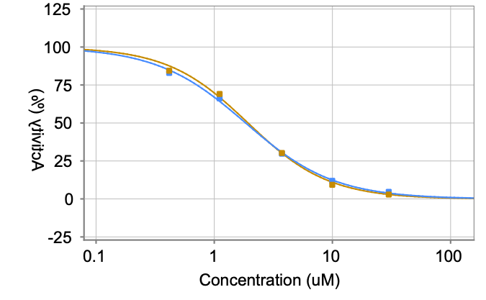
PCM-0220014 | CC1=CC(C(=O)CCl)=C(C)N1CC1COC2=C(O1)C=CC=C2 | Z56948287 | Mpro | 10 | 16999 | 7.1 | 3.7 | 3 | 3 | 1.84 | Mpro
PCM-0220014 | CC1=CC(C(=O)CCl)=C(C)N1CC1COC2=C(O1)C=CC=C2 | Z56948287 | Mpro | 10 | 11025 | 2.4 | 3.7 | 3 | 3 | 1.84 | Mpro
PCM-0220014 | CC1=CC(C(=O)CCl)=C(C)N1CC1COC2=C(O1)C=CC=C2 | Z56948287 | Mpro | 20 | 10930 | 38.2 | 3.7 | 3 | 3 | 1.84 | Mpro
PCM-0220014 | CC1=CC(C(=O)CCl)=C(C)N1CC1COC2=C(O1)C=CC=C2 | Z56948287 |  |  |  |  | 3.7 | 3 | 3 | 1.84 | Mpro
PCM-0220014 | CC1=CC(C(=O)CCl)=C(C)N1CC1COC2=C(O1)C=CC=C2 | Z56948287 |  |  |  |  | 3.7 | 3 | 3 | 1.93 | Mpro
PCM-0220014 | CC1=CC(C(=O)CCl)=C(C)N1CC1COC2=C(O1)C=CC=C2 | Z56948287 |  |  |  |  | 3.7 | 3 | 3 | 1.93 | Mpro
PCM-0220014 | CC1=CC(C(=O)CCl)=C(C)N1CC1COC2=C(O1)C=CC=C2 | Z56948287 |  |  |  |  | 3.7 | 3 | 3 | 1.93 | Mpro
PCM-0220014 | CC1=CC(C(=O)CCl)=C(C)N1CC1COC2=C(O1)C=CC=C2 | Z56948287 |  |  |  |  | 3.7 | 3 | 3 | 1.93 | Mpro
PCM-0220014 | CC1=CC(C(=O)CCl)=C(C)N1CC1COC2=C(O1)C=CC=C2 | Z56948287 |  |  |  |  | 3.7 | 3 | 3 | 1.93 | Mpro
PCM-0219788 | COC1=C(OC(F)F)C=CC(=C1)C1CC(=NN1C(=O)CCl)C1=CC=CS1 | Z56955923 | Mpro | 10 | 1849 | 1.3 | 0.7 | 0.8 | 3 | 1.38 | Mpro | 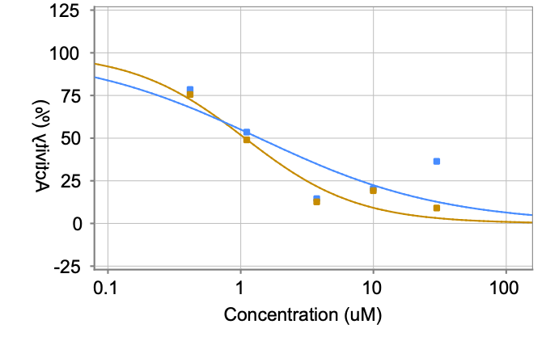
PCM-0219788 | COC1=C(OC(F)F)C=CC(=C1)C1CC(=NN1C(=O)CCl)C1=CC=CS1 | Z56955923 | Mpro | 10 | 8880 | 0.9 | 0.7 | 0.8 | 3 | 1.38 | Mpro
PCM-0219788 | COC1=C(OC(F)F)C=CC(=C1)C1CC(=NN1C(=O)CCl)C1=CC=CS1 | Z56955923 | Mpro | 10 | 8117 | -0.2 | 0.7 | 0.8 | 3 | 1.38 | Mpro
PCM-0219788 | COC1=C(OC(F)F)C=CC(=C1)C1CC(=NN1C(=O)CCl)C1=CC=CS1 | Z56955923 | Mpro | 20 | 4903 | 5.3 | 0.7 | 0.8 | 3 | 1.38 | Mpro
PCM-0219788 | COC1=C(OC(F)F)C=CC(=C1)C1CC(=NN1C(=O)CCl)C1=CC=CS1 | Z56955923 |  |  |  |  | 0.7 | 0.8 | 3 | 1.38 | Mpro
PCM-0219788 | COC1=C(OC(F)F)C=CC(=C1)C1CC(=NN1C(=O)CCl)C1=CC=CS1 | Z56955923 |  |  |  |  | 0.7 | 0.8 | 3 | 1.08 | Mpro
PCM-0219788 | COC1=C(OC(F)F)C=CC(=C1)C1CC(=NN1C(=O)CCl)C1=CC=CS1 | Z56955923 |  |  |  |  | 0.7 | 0.8 | 3 | 1.08 | Mpro
PCM-0219788 | COC1=C(OC(F)F)C=CC(=C1)C1CC(=NN1C(=O)CCl)C1=CC=CS1 | Z56955923 |  |  |  |  | 0.7 | 0.8 | 3 | 1.08 | Mpro
PCM-0219788 | COC1=C(OC(F)F)C=CC(=C1)C1CC(=NN1C(=O)CCl)C1=CC=CS1 | Z56955923 |  |  |  |  | 0.7 | 0.8 | 3 | 1.08 | Mpro
PCM-0219788 | COC1=C(OC(F)F)C=CC(=C1)C1CC(=NN1C(=O)CCl)C1=CC=CS1 | Z56955923 |  |  |  |  | 0.7 | 0.8 | 3 | 1.08 | Mpro
PCM-0219740 | ClCC(=O)N1N=C(CC1C1=CC=CC=C1)C1=CC2=C(C=CC=C2)C=C1 | Z56813253 | Mpro | 10 | 1725 | 0.9 | 1.4 | 0.8 | 3 | < 0.42 | Mpro | 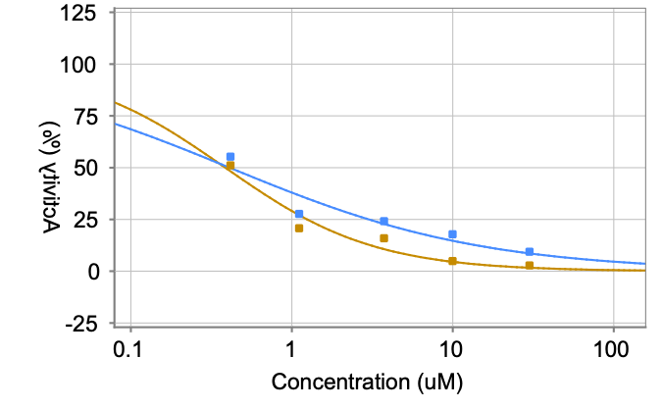
PCM-0219740 | ClCC(=O)N1N=C(CC1C1=CC=CC=C1)C1=CC2=C(C=CC=C2)C=C1 | Z56813253 | Mpro | 10 | 8964 | 1 | 1.4 | 0.8 | 3 | < 0.42 | Mpro
PCM-0219740 | ClCC(=O)N1N=C(CC1C1=CC=CC=C1)C1=CC2=C(C=CC=C2)C=C1 | Z56813253 | Mpro | 10 | 10924 | 2.3 | 1.4 | 0.8 | 3 | < 0.42 | Mpro
PCM-0219740 | ClCC(=O)N1N=C(CC1C1=CC=CC=C1)C1=CC2=C(C=CC=C2)C=C1 | Z56813253 | Mpro | 20 | 4703 | 4.2 | 1.4 | 0.8 | 3 | < 0.42 | Mpro
PCM-0219740 | ClCC(=O)N1N=C(CC1C1=CC=CC=C1)C1=CC2=C(C=CC=C2)C=C1 | Z56813253 |  |  |  |  | 1.4 | 0.8 | 3 | < 0.42 | Mpro
PCM-0219740 | ClCC(=O)N1N=C(CC1C1=CC=CC=C1)C1=CC2=C(C=CC=C2)C=C1 | Z56813253 |  |  |  |  | 1.4 | 0.8 | 3 | < 0.42 | Mpro
PCM-0219740 | ClCC(=O)N1N=C(CC1C1=CC=CC=C1)C1=CC2=C(C=CC=C2)C=C1 | Z56813253 |  |  |  |  | 1.4 | 0.8 | 3 | < 0.42 | Mpro
PCM-0219740 | ClCC(=O)N1N=C(CC1C1=CC=CC=C1)C1=CC2=C(C=CC=C2)C=C1 | Z56813253 |  |  |  |  | 1.4 | 0.8 | 3 | < 0.42 | Mpro
PCM-0219740 | ClCC(=O)N1N=C(CC1C1=CC=CC=C1)C1=CC2=C(C=CC=C2)C=C1 | Z56813253 |  |  |  |  | 1.4 | 0.8 | 3 | < 0.42 | Mpro
PCM-0219740 | ClCC(=O)N1N=C(CC1C1=CC=CC=C1)C1=CC2=C(C=CC=C2)C=C1 | Z56813253 |  |  |  |  | 1.4 | 0.8 | 3 | < 0.42 | Mpro
PCM-0219738 | ClCC(=O)N1N=C(CC1C1=CC=CO1)C1=CC2=C(O1)C=CC=C2 | Z57036346 | Mpro | 10 | 1997 | 1.8 | 4.8 | 4.8 | 3 | 1.47 | Mpro | 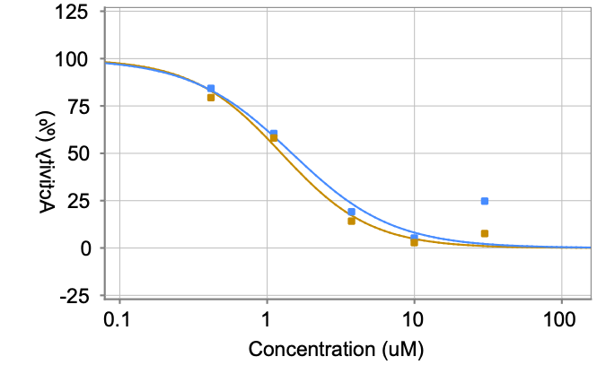
PCM-0219738 | ClCC(=O)N1N=C(CC1C1=CC=CO1)C1=CC2=C(O1)C=CC=C2 | Z57036346 | Mpro | 10 | 21243 | 10.4 | 4.8 | 4.8 | 3 | 1.47 | Mpro
PCM-0219738 | ClCC(=O)N1N=C(CC1C1=CC=CO1)C1=CC2=C(O1)C=CC=C2 | Z57036346 | Mpro | 10 | 10860 | 2.3 | 4.8 | 4.8 | 3 | 1.47 | Mpro
PCM-0219738 | ClCC(=O)N1N=C(CC1C1=CC=CO1)C1=CC2=C(O1)C=CC=C2 | Z57036346 | Mpro | 20 | 5654 | 9.1 | 4.8 | 4.8 | 3 | 1.47 | Mpro
PCM-0219738 | ClCC(=O)N1N=C(CC1C1=CC=CO1)C1=CC2=C(O1)C=CC=C2 | Z57036346 |  |  |  |  | 4.8 | 4.8 | 3 | 1.47 | Mpro
PCM-0219738 | ClCC(=O)N1N=C(CC1C1=CC=CO1)C1=CC2=C(O1)C=CC=C2 | Z57036346 |  |  |  |  | 4.8 | 4.8 | 3 | 1.25 | Mpro
PCM-0219738 | ClCC(=O)N1N=C(CC1C1=CC=CO1)C1=CC2=C(O1)C=CC=C2 | Z57036346 |  |  |  |  | 4.8 | 4.8 | 3 | 1.25 | Mpro
PCM-0219738 | ClCC(=O)N1N=C(CC1C1=CC=CO1)C1=CC2=C(O1)C=CC=C2 | Z57036346 |  |  |  |  | 4.8 | 4.8 | 3 | 1.25 | Mpro
PCM-0219738 | ClCC(=O)N1N=C(CC1C1=CC=CO1)C1=CC2=C(O1)C=CC=C2 | Z57036346 |  |  |  |  | 4.8 | 4.8 | 3 | 1.25 | Mpro
PCM-0219738 | ClCC(=O)N1N=C(CC1C1=CC=CO1)C1=CC2=C(O1)C=CC=C2 | Z57036346 |  |  |  |  | 4.8 | 4.8 | 3 | 1.25 | Mpro
PCM-0219681 | [O-][N+](=O)C1=CC(=CC=C1)S(=O)(=O)N1CCN(CC1)C(=O)CCl | Z147647354 | Mpro | 10 | 5445 | 13.2 | 11.8 | 3.4 | 3 | 4.34 | Mpro | 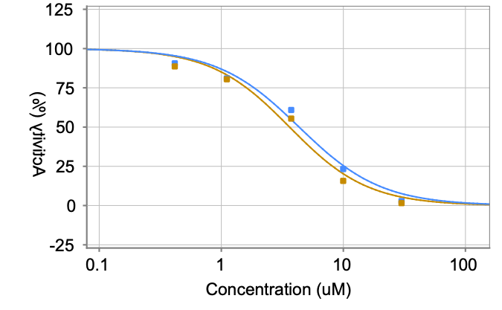
PCM-0219681 | [O-][N+](=O)C1=CC(=CC=C1)S(=O)(=O)N1CCN(CC1)C(=O)CCl | Z147647354 | Mpro | 10 | 26418 | 14.3 | 11.8 | 3.4 | 3 | 4.34 | Mpro
PCM-0219681 | [O-][N+](=O)C1=CC(=CC=C1)S(=O)(=O)N1CCN(CC1)C(=O)CCl | Z147647354 | Mpro | 10 | 17384 | 8 | 11.8 | 3.4 | 3 | 4.34 | Mpro
PCM-0219681 | [O-][N+](=O)C1=CC(=CC=C1)S(=O)(=O)N1CCN(CC1)C(=O)CCl | Z147647354 | Mpro | 20 | 9573 | 29.1 | 11.8 | 3.4 | 3 | 4.34 | Mpro
PCM-0219681 | [O-][N+](=O)C1=CC(=CC=C1)S(=O)(=O)N1CCN(CC1)C(=O)CCl | Z147647354 |  |  |  |  | 11.8 | 3.4 | 3 | 4.34 | Mpro
PCM-0219681 | [O-][N+](=O)C1=CC(=CC=C1)S(=O)(=O)N1CCN(CC1)C(=O)CCl | Z147647354 |  |  |  |  | 11.8 | 3.4 | 3 | 3.62 | Mpro
PCM-0219681 | [O-][N+](=O)C1=CC(=CC=C1)S(=O)(=O)N1CCN(CC1)C(=O)CCl | Z147647354 |  |  |  |  | 11.8 | 3.4 | 3 | 3.62 | Mpro
PCM-0219681 | [O-][N+](=O)C1=CC(=CC=C1)S(=O)(=O)N1CCN(CC1)C(=O)CCl | Z147647354 |  |  |  |  | 11.8 | 3.4 | 3 | 3.62 | Mpro
PCM-0219681 | [O-][N+](=O)C1=CC(=CC=C1)S(=O)(=O)N1CCN(CC1)C(=O)CCl | Z147647354 |  |  |  |  | 11.8 | 3.4 | 3 | 3.62 | Mpro
PCM-0219681 | [O-][N+](=O)C1=CC(=CC=C1)S(=O)(=O)N1CCN(CC1)C(=O)CCl | Z147647354 |  |  |  |  | 11.8 | 3.4 | 3 | 3.62 | Mpro
PCM-0219667 | CC1=CC(C(=O)CCl)=C(C)N1NC(=O)C1=NNC(=O)C2=C1C=CC=C2 | Z57032523 | Mpro | 10 | 9314 | 25.9 | 30.1 | 6.7 | 3 | 7.9 | Mpro | 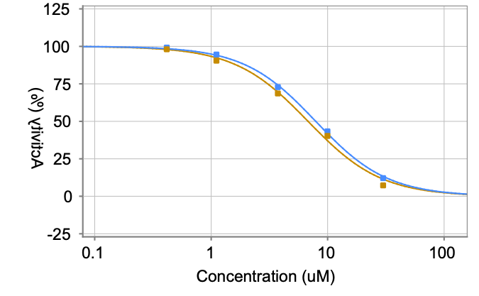
PCM-0219667 | CC1=CC(C(=O)CCl)=C(C)N1NC(=O)C1=NNC(=O)C2=C1C=CC=C2 | Z57032523 | Mpro | 10 | 57058 | 37.8 | 30.1 | 6.7 | 3 | 7.9 | Mpro
PCM-0219667 | CC1=CC(C(=O)CCl)=C(C)N1NC(=O)C1=NNC(=O)C2=C1C=CC=C2 | Z57032523 | Mpro | 10 | 38200 | 26.5 | 30.1 | 6.7 | 3 | 7.9 | Mpro
PCM-0219667 | CC1=CC(C(=O)CCl)=C(C)N1NC(=O)C1=NNC(=O)C2=C1C=CC=C2 | Z57032523 | Mpro | 20 | 13290 | 48.1 | 30.1 | 6.7 | 3 | 7.9 | Mpro
PCM-0219667 | CC1=CC(C(=O)CCl)=C(C)N1NC(=O)C1=NNC(=O)C2=C1C=CC=C2 | Z57032523 |  |  |  |  | 30.1 | 6.7 | 3 | 7.9 | Mpro
PCM-0219667 | CC1=CC(C(=O)CCl)=C(C)N1NC(=O)C1=NNC(=O)C2=C1C=CC=C2 | Z57032523 |  |  |  |  | 30.1 | 6.7 | 3 | 6.79 | Mpro
PCM-0219667 | CC1=CC(C(=O)CCl)=C(C)N1NC(=O)C1=NNC(=O)C2=C1C=CC=C2 | Z57032523 |  |  |  |  | 30.1 | 6.7 | 3 | 6.79 | Mpro
PCM-0219667 | CC1=CC(C(=O)CCl)=C(C)N1NC(=O)C1=NNC(=O)C2=C1C=CC=C2 | Z57032523 |  |  |  |  | 30.1 | 6.7 | 3 | 6.79 | Mpro
PCM-0219667 | CC1=CC(C(=O)CCl)=C(C)N1NC(=O)C1=NNC(=O)C2=C1C=CC=C2 | Z57032523 |  |  |  |  | 30.1 | 6.7 | 3 | 6.79 | Mpro
PCM-0219667 | CC1=CC(C(=O)CCl)=C(C)N1NC(=O)C1=NNC(=O)C2=C1C=CC=C2 | Z57032523 |  |  |  |  | 30.1 | 6.7 | 3 | 6.79 | Mpro
PCM-0219647 | CC(=O)C1=CC(=CC=C1)S(=O)(=O)N1CCN(CC1)C(=O)CCl | Z199468904 | Mpro | 10 | 11966 | 34.7 | 32.1 | 8 | 3 | 8.57 | Mpro | 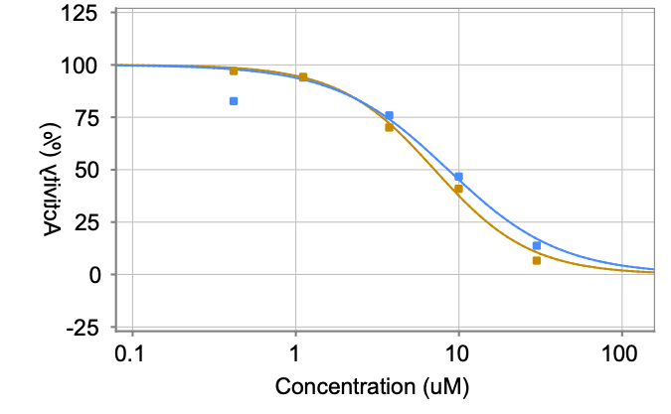
PCM-0219647 | CC(=O)C1=CC(=CC=C1)S(=O)(=O)N1CCN(CC1)C(=O)CCl | Z199468904 | Mpro | 10 | 57921 | 38.4 | 32.1 | 8 | 3 | 8.57 | Mpro
PCM-0219647 | CC(=O)C1=CC(=CC=C1)S(=O)(=O)N1CCN(CC1)C(=O)CCl | Z199468904 | Mpro | 10 | 34370 | 23.1 | 32.1 | 8 | 3 | 8.57 | Mpro
PCM-0219647 | CC(=O)C1=CC(=CC=C1)S(=O)(=O)N1CCN(CC1)C(=O)CCl | Z199468904 | Mpro | 20 | 14465 | 54.1 | 32.1 | 8 | 3 | 8.57 | Mpro
PCM-0219647 | CC(=O)C1=CC(=CC=C1)S(=O)(=O)N1CCN(CC1)C(=O)CCl | Z199468904 |  |  |  |  | 32.1 | 8 | 3 | 8.57 | Mpro
PCM-0219647 | CC(=O)C1=CC(=CC=C1)S(=O)(=O)N1CCN(CC1)C(=O)CCl | Z199468904 |  |  |  |  | 32.1 | 8 | 3 | 7.09 | Mpro
PCM-0219647 | CC(=O)C1=CC(=CC=C1)S(=O)(=O)N1CCN(CC1)C(=O)CCl | Z199468904 |  |  |  |  | 32.1 | 8 | 3 | 7.09 | Mpro
PCM-0219647 | CC(=O)C1=CC(=CC=C1)S(=O)(=O)N1CCN(CC1)C(=O)CCl | Z199468904 |  |  |  |  | 32.1 | 8 | 3 | 7.09 | Mpro
PCM-0219647 | CC(=O)C1=CC(=CC=C1)S(=O)(=O)N1CCN(CC1)C(=O)CCl | Z199468904 |  |  |  |  | 32.1 | 8 | 3 | 7.09 | Mpro
PCM-0219647 | CC(=O)C1=CC(=CC=C1)S(=O)(=O)N1CCN(CC1)C(=O)CCl | Z199468904 |  |  |  |  | 32.1 | 8 | 3 | 7.09 | Mpro
PCM-0219645 | FC(F)(F)C1=C(NC(=O)CN(CC2=CC=CO2)C(=O)CCl)C=CC=C1 | Z147647572 | Mpro | 10 | 7634 | 20.4 | 22 | 3.4 | 3 | 4.53 | Mpro | 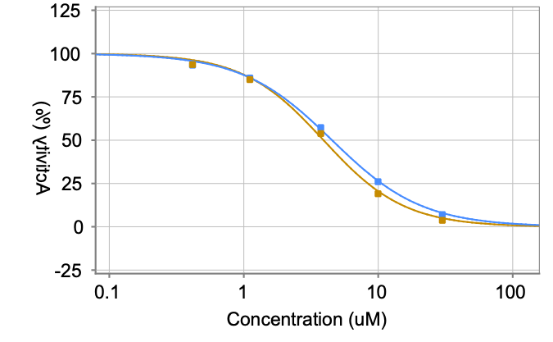
PCM-0219645 | FC(F)(F)C1=C(NC(=O)CN(CC2=CC=CO2)C(=O)CCl)C=CC=C1 | Z147647572 | Mpro | 10 | 41541 | 25.9 | 22 | 3.4 | 3 | 4.53 | Mpro
PCM-0219645 | FC(F)(F)C1=C(NC(=O)CN(CC2=CC=CO2)C(=O)CCl)C=CC=C1 | Z147647572 | Mpro | 10 | 30478 | 19.6 | 22 | 3.4 | 3 | 4.53 | Mpro
PCM-0219645 | FC(F)(F)C1=C(NC(=O)CN(CC2=CC=CO2)C(=O)CCl)C=CC=C1 | Z147647572 | Mpro | 20 | 11627 | 39.6 | 22 | 3.4 | 3 | 4.53 | Mpro
PCM-0219645 | FC(F)(F)C1=C(NC(=O)CN(CC2=CC=CO2)C(=O)CCl)C=CC=C1 | Z147647572 |  |  |  |  | 22 | 3.4 | 3 | 4.53 | Mpro
PCM-0219645 | FC(F)(F)C1=C(NC(=O)CN(CC2=CC=CO2)C(=O)CCl)C=CC=C1 | Z147647572 |  |  |  |  | 22 | 3.4 | 3 | 3.92 | Mpro
PCM-0219645 | FC(F)(F)C1=C(NC(=O)CN(CC2=CC=CO2)C(=O)CCl)C=CC=C1 | Z147647572 |  |  |  |  | 22 | 3.4 | 3 | 3.92 | Mpro
PCM-0219645 | FC(F)(F)C1=C(NC(=O)CN(CC2=CC=CO2)C(=O)CCl)C=CC=C1 | Z147647572 |  |  |  |  | 22 | 3.4 | 3 | 3.92 | Mpro
PCM-0219645 | FC(F)(F)C1=C(NC(=O)CN(CC2=CC=CO2)C(=O)CCl)C=CC=C1 | Z147647572 |  |  |  |  | 22 | 3.4 | 3 | 3.92 | Mpro
PCM-0219645 | FC(F)(F)C1=C(NC(=O)CN(CC2=CC=CO2)C(=O)CCl)C=CC=C1 | Z147647572 |  |  |  |  | 22 | 3.4 | 3 | 3.92 | Mpro
PCM-0219641 | CC1=CC=CC(C)=C1NC(=O)CN1CCN(CC1)C(=O)CCl | Z203038670 | Mpro | 10 | 8062 | 21.8 | 23.2 | 3.5 | 3 | 6.68 | Mpro | 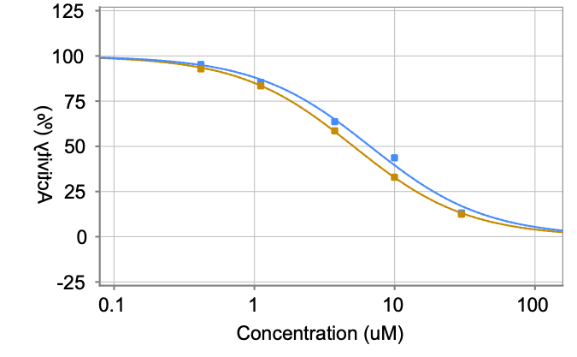
PCM-0219641 | CC1=CC=CC(C)=C1NC(=O)CN1CCN(CC1)C(=O)CCl | Z203038670 | Mpro | 10 | 43213 | 27.2 | 23.2 | 3.5 | 3 | 6.68 | Mpro
PCM-0219641 | CC1=CC=CC(C)=C1NC(=O)CN1CCN(CC1)C(=O)CCl | Z203038670 | Mpro | 10 | 31439 | 20.5 | 23.2 | 3.5 | 3 | 6.68 | Mpro
PCM-0219641 | CC1=CC=CC(C)=C1NC(=O)CN1CCN(CC1)C(=O)CCl | Z203038670 | Mpro | 20 | 10783 | 35.3 | 23.2 | 3.5 | 3 | 6.68 | Mpro
PCM-0219641 | CC1=CC=CC(C)=C1NC(=O)CN1CCN(CC1)C(=O)CCl | Z203038670 |  |  |  |  | 23.2 | 3.5 | 3 | 6.68 | Mpro
PCM-0219641 | CC1=CC=CC(C)=C1NC(=O)CN1CCN(CC1)C(=O)CCl | Z203038670 |  |  |  |  | 23.2 | 3.5 | 3 | 5.09 | Mpro
PCM-0219641 | CC1=CC=CC(C)=C1NC(=O)CN1CCN(CC1)C(=O)CCl | Z203038670 |  |  |  |  | 23.2 | 3.5 | 3 | 5.09 | Mpro
PCM-0219641 | CC1=CC=CC(C)=C1NC(=O)CN1CCN(CC1)C(=O)CCl | Z203038670 |  |  |  |  | 23.2 | 3.5 | 3 | 5.09 | Mpro
PCM-0219641 | CC1=CC=CC(C)=C1NC(=O)CN1CCN(CC1)C(=O)CCl | Z203038670 |  |  |  |  | 23.2 | 3.5 | 3 | 5.09 | Mpro
PCM-0219641 | CC1=CC=CC(C)=C1NC(=O)CN1CCN(CC1)C(=O)CCl | Z203038670 |  |  |  |  | 23.2 | 3.5 | 3 | 5.09 | Mpro
PCM-0219639 | CSC1=C(C#N)C2(CCCCC2)C(C#N)=C(NC(=O)CCl)N1 | Z90664458 | Mpro | 10 | 1511 | 0.2 | 0.4 | 0.3 | 3 | 0.72 | Mpro | 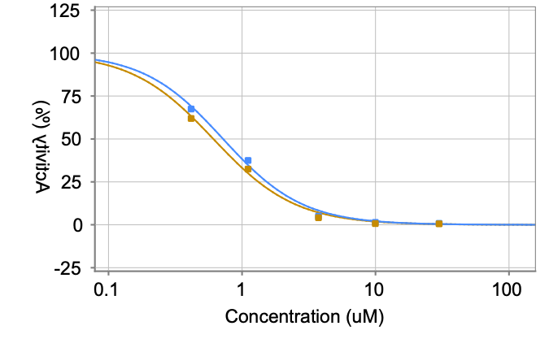
PCM-0219639 | CSC1=C(C#N)C2(CCCCC2)C(C#N)=C(NC(=O)CCl)N1 | Z90664458 | Mpro | 10 | 7967 | 0.2 | 0.4 | 0.3 | 3 | 0.72 | Mpro
PCM-0219639 | CSC1=C(C#N)C2(CCCCC2)C(C#N)=C(NC(=O)CCl)N1 | Z90664458 | Mpro | 10 | 9193 | 0.8 | 0.4 | 0.3 | 3 | 0.72 | Mpro
PCM-0219639 | CSC1=C(C#N)C2(CCCCC2)C(C#N)=C(NC(=O)CCl)N1 | Z90664458 | Mpro | 20 | 4864 | 5.1 | 0.4 | 0.3 | 3 | 0.72 | Mpro
PCM-0219639 | CSC1=C(C#N)C2(CCCCC2)C(C#N)=C(NC(=O)CCl)N1 | Z90664458 |  |  |  |  | 0.4 | 0.3 | 3 | 0.72 | Mpro
PCM-0219639 | CSC1=C(C#N)C2(CCCCC2)C(C#N)=C(NC(=O)CCl)N1 | Z90664458 |  |  |  |  | 0.4 | 0.3 | 3 | 0.61 | Mpro
PCM-0219639 | CSC1=C(C#N)C2(CCCCC2)C(C#N)=C(NC(=O)CCl)N1 | Z90664458 |  |  |  |  | 0.4 | 0.3 | 3 | 0.61 | Mpro
PCM-0219639 | CSC1=C(C#N)C2(CCCCC2)C(C#N)=C(NC(=O)CCl)N1 | Z90664458 |  |  |  |  | 0.4 | 0.3 | 3 | 0.61 | Mpro
PCM-0219639 | CSC1=C(C#N)C2(CCCCC2)C(C#N)=C(NC(=O)CCl)N1 | Z90664458 |  |  |  |  | 0.4 | 0.3 | 3 | 0.61 | Mpro
PCM-0219639 | CSC1=C(C#N)C2(CCCCC2)C(C#N)=C(NC(=O)CCl)N1 | Z90664458 |  |  |  |  | 0.4 | 0.3 | 3 | 0.61 | Mpro
PCM-0219571 | COC1=CC=C(C=C1)C1CC(=NN1C(=O)CCl)C1=CC2=C(C=CC=C2)C=C1 | Z56813251 | Mpro | 10 | 1777 | 1.1 | 1.1 | 0.5 | 3 | 0.77 | Mpro | 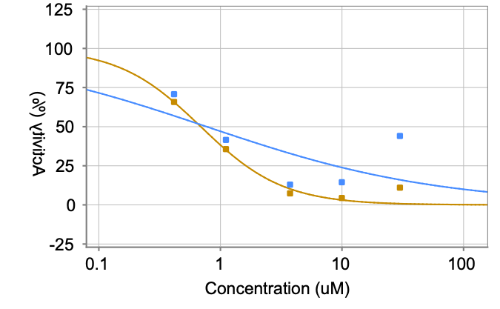
PCM-0219571 | COC1=CC=C(C=C1)C1CC(=NN1C(=O)CCl)C1=CC2=C(C=CC=C2)C=C1 | Z56813251 | Mpro | 10 | 9891 | 1.7 | 1.1 | 0.5 | 3 | 0.77 | Mpro
PCM-0219571 | COC1=CC=C(C=C1)C1CC(=NN1C(=O)CCl)C1=CC2=C(C=CC=C2)C=C1 | Z56813251 | Mpro | 10 | 9031 | 0.6 | 1.1 | 0.5 | 3 | 0.77 | Mpro
PCM-0219571 | COC1=CC=C(C=C1)C1CC(=NN1C(=O)CCl)C1=CC2=C(C=CC=C2)C=C1 | Z56813251 | Mpro | 20 | 6643 | 14.2 | 1.1 | 0.5 | 3 | 0.77 | Mpro
PCM-0219571 | COC1=CC=C(C=C1)C1CC(=NN1C(=O)CCl)C1=CC2=C(C=CC=C2)C=C1 | Z56813251 |  |  |  |  | 1.1 | 0.5 | 3 | 0.77 | Mpro
PCM-0219571 | COC1=CC=C(C=C1)C1CC(=NN1C(=O)CCl)C1=CC2=C(C=CC=C2)C=C1 | Z56813251 |  |  |  |  | 1.1 | 0.5 | 3 | 0.69 | Mpro
PCM-0219571 | COC1=CC=C(C=C1)C1CC(=NN1C(=O)CCl)C1=CC2=C(C=CC=C2)C=C1 | Z56813251 |  |  |  |  | 1.1 | 0.5 | 3 | 0.69 | Mpro
PCM-0219571 | COC1=CC=C(C=C1)C1CC(=NN1C(=O)CCl)C1=CC2=C(C=CC=C2)C=C1 | Z56813251 |  |  |  |  | 1.1 | 0.5 | 3 | 0.69 | Mpro
PCM-0219571 | COC1=CC=C(C=C1)C1CC(=NN1C(=O)CCl)C1=CC2=C(C=CC=C2)C=C1 | Z56813251 |  |  |  |  | 1.1 | 0.5 | 3 | 0.69 | Mpro
PCM-0219571 | COC1=CC=C(C=C1)C1CC(=NN1C(=O)CCl)C1=CC2=C(C=CC=C2)C=C1 | Z56813251 |  |  |  |  | 1.1 | 0.5 | 3 | 0.69 | Mpro
PCM-0217988 | COC1=CC=C(C=C1)C1C(O)C(=NN1C(=O)CCl)C1=CNC2=C1C=CC=C2 | Z56347140 | Mpro | 10 | 1979 | 1.7 | 1.4 | 0.7 | 3 | 1.58 | Mpro | 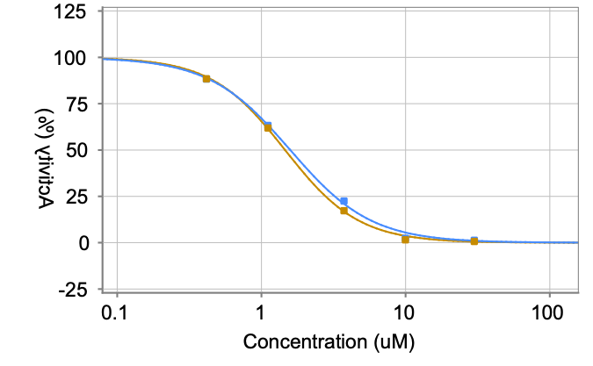
PCM-0217988 | COC1=CC=C(C=C1)C1C(O)C(=NN1C(=O)CCl)C1=CNC2=C1C=CC=C2 | Z56347140 | Mpro | 10 | 10098 | 1.9 | 1.4 | 0.7 | 3 | 1.58 | Mpro
PCM-0217988 | COC1=CC=C(C=C1)C1C(O)C(=NN1C(=O)CCl)C1=CNC2=C1C=CC=C2 | Z56347140 | Mpro | 10 | 8885 | 0.5 | 1.4 | 0.7 | 3 | 1.58 | Mpro
PCM-0217988 | COC1=CC=C(C=C1)C1C(O)C(=NN1C(=O)CCl)C1=CNC2=C1C=CC=C2 | Z56347140 | Mpro | 20 | 5254 | 14.5 | 1.4 | 0.7 | 3 | 1.58 | Mpro
PCM-0217988 | COC1=CC=C(C=C1)C1C(O)C(=NN1C(=O)CCl)C1=CNC2=C1C=CC=C2 | Z56347140 |  |  |  |  | 1.4 | 0.7 | 3 | 1.58 | Mpro
PCM-0217988 | COC1=CC=C(C=C1)C1C(O)C(=NN1C(=O)CCl)C1=CNC2=C1C=CC=C2 | Z56347140 |  |  |  |  | 1.4 | 0.7 | 3 | 1.46 | Mpro
PCM-0217988 | COC1=CC=C(C=C1)C1C(O)C(=NN1C(=O)CCl)C1=CNC2=C1C=CC=C2 | Z56347140 |  |  |  |  | 1.4 | 0.7 | 3 | 1.46 | Mpro
PCM-0217988 | COC1=CC=C(C=C1)C1C(O)C(=NN1C(=O)CCl)C1=CNC2=C1C=CC=C2 | Z56347140 |  |  |  |  | 1.4 | 0.7 | 3 | 1.46 | Mpro
PCM-0217988 | COC1=CC=C(C=C1)C1C(O)C(=NN1C(=O)CCl)C1=CNC2=C1C=CC=C2 | Z56347140 |  |  |  |  | 1.4 | 0.7 | 3 | 1.46 | Mpro
PCM-0217988 | COC1=CC=C(C=C1)C1C(O)C(=NN1C(=O)CCl)C1=CNC2=C1C=CC=C2 | Z56347140 |  |  |  |  | 1.4 | 0.7 | 3 | 1.46 | Mpro
PCM-0217939 | ClCC(=O)N1CCC(C1)NC1=CC(=CC=C1)C#N | Z3766265121 | Mpro | 10 | 2122 | 2.2 | 2.1 | 0.2 | 3 | 1.08 | Mpro | 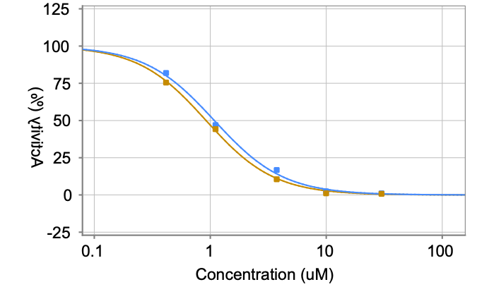
PCM-0217939 | ClCC(=O)N1CCC(C1)NC1=CC(=CC=C1)C#N | Z3766265121 | Mpro | 10 | 10517 | 2.2 | 2.1 | 0.2 | 3 | 1.08 | Mpro
PCM-0217939 | ClCC(=O)N1CCC(C1)NC1=CC(=CC=C1)C#N | Z3766265121 | Mpro | 10 | 10310 | 1.8 | 2.1 | 0.2 | 3 | 1.08 | Mpro
PCM-0217939 | ClCC(=O)N1CCC(C1)NC1=CC(=CC=C1)C#N | Z3766265121 | Mpro | 20 | 4672 | 9.4 | 2.1 | 0.2 | 3 | 1.08 | Mpro
PCM-0217939 | ClCC(=O)N1CCC(C1)NC1=CC(=CC=C1)C#N | Z3766265121 |  |  |  |  | 2.1 | 0.2 | 3 | 1.08 | Mpro
PCM-0217939 | ClCC(=O)N1CCC(C1)NC1=CC(=CC=C1)C#N | Z3766265121 |  |  |  |  | 2.1 | 0.2 | 3 | 0.92 | Mpro
PCM-0217939 | ClCC(=O)N1CCC(C1)NC1=CC(=CC=C1)C#N | Z3766265121 |  |  |  |  | 2.1 | 0.2 | 3 | 0.92 | Mpro
PCM-0217939 | ClCC(=O)N1CCC(C1)NC1=CC(=CC=C1)C#N | Z3766265121 |  |  |  |  | 2.1 | 0.2 | 3 | 0.92 | Mpro
PCM-0217939 | ClCC(=O)N1CCC(C1)NC1=CC(=CC=C1)C#N | Z3766265121 |  |  |  |  | 2.1 | 0.2 | 3 | 0.92 | Mpro
PCM-0217939 | ClCC(=O)N1CCC(C1)NC1=CC(=CC=C1)C#N | Z3766265121 |  |  |  |  | 2.1 | 0.2 | 3 | 0.92 | Mpro
PCM-0217873 | CS(=O)(=O)NC1=CC(=CC=C1)C1=NN(C(C1)C1=CC=CC=C1)C(=O)CCl | Z363947584 | Mpro | 10 | 7833 | 21.1 | 23.6 | 8.6 | 3 | 6.33 | Mpro | 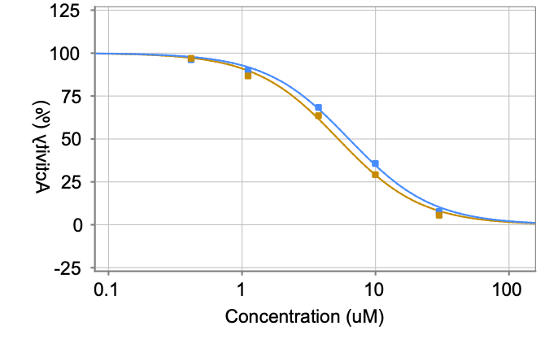
PCM-0217873 | CS(=O)(=O)NC1=CC(=CC=C1)C1=NN(C(C1)C1=CC=CC=C1)C(=O)CCl | Z363947584 | Mpro | 10 | 51067 | 33.2 | 23.6 | 8.6 | 3 | 6.33 | Mpro
PCM-0217873 | CS(=O)(=O)NC1=CC(=CC=C1)C1=NN(C(C1)C1=CC=CC=C1)C(=O)CCl | Z363947584 | Mpro | 10 | 27074 | 16.6 | 23.6 | 8.6 | 3 | 6.33 | Mpro
PCM-0217873 | CS(=O)(=O)NC1=CC(=CC=C1)C1=NN(C(C1)C1=CC=CC=C1)C(=O)CCl | Z363947584 | Mpro | 20 | 10398 | 56.6 | 23.6 | 8.6 | 3 | 6.33 | Mpro
PCM-0217873 | CS(=O)(=O)NC1=CC(=CC=C1)C1=NN(C(C1)C1=CC=CC=C1)C(=O)CCl | Z363947584 |  |  |  |  | 23.6 | 8.6 | 3 | 6.33 | Mpro
PCM-0217873 | CS(=O)(=O)NC1=CC(=CC=C1)C1=NN(C(C1)C1=CC=CC=C1)C(=O)CCl | Z363947584 |  |  |  |  | 23.6 | 8.6 | 3 | 5.26 | Mpro
PCM-0217873 | CS(=O)(=O)NC1=CC(=CC=C1)C1=NN(C(C1)C1=CC=CC=C1)C(=O)CCl | Z363947584 |  |  |  |  | 23.6 | 8.6 | 3 | 5.26 | Mpro
PCM-0217873 | CS(=O)(=O)NC1=CC(=CC=C1)C1=NN(C(C1)C1=CC=CC=C1)C(=O)CCl | Z363947584 |  |  |  |  | 23.6 | 8.6 | 3 | 5.26 | Mpro
PCM-0217873 | CS(=O)(=O)NC1=CC(=CC=C1)C1=NN(C(C1)C1=CC=CC=C1)C(=O)CCl | Z363947584 |  |  |  |  | 23.6 | 8.6 | 3 | 5.26 | Mpro
PCM-0217873 | CS(=O)(=O)NC1=CC(=CC=C1)C1=NN(C(C1)C1=CC=CC=C1)C(=O)CCl | Z363947584 |  |  |  |  | 23.6 | 8.6 | 3 | 5.26 | Mpro
PCM-0217167 | CN(C)S(=O)(=O)C1=CC(=CC=C1)C(=O)NC1=C(N=C2SC=CN12)C1=CC=CC=C1 | Z88617059 | Mpro | 10 | 16729 | 50.4 | 36.1 | 12.4 | 3 | 2.41 | Mpro | 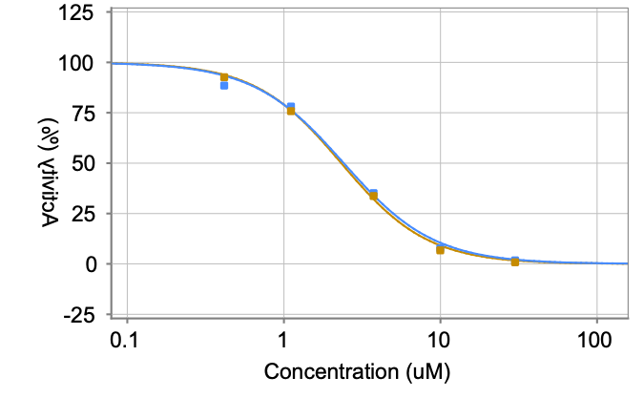
PCM-0217167 | CN(C)S(=O)(=O)C1=CC(=CC=C1)C(=O)NC1=C(N=C2SC=CN12)C1=CC=CC=C1 | Z88617059 | Mpro | 10 | 47363 | 30.3 | 36.1 | 12.4 | 3 | 2.41 | Mpro
PCM-0217167 | CN(C)S(=O)(=O)C1=CC(=CC=C1)C(=O)NC1=C(N=C2SC=CN12)C1=CC=CC=C1 | Z88617059 | Mpro | 10 | 39457 | 27.6 | 36.1 | 12.4 | 3 | 2.41 | Mpro
PCM-0217167 | CN(C)S(=O)(=O)C1=CC(=CC=C1)C(=O)NC1=C(N=C2SC=CN12)C1=CC=CC=C1 | Z88617059 | Mpro | 20 | 3801 | 0 | 36.1 | 12.4 | 3 | 2.41 | Mpro
PCM-0217167 | CN(C)S(=O)(=O)C1=CC(=CC=C1)C(=O)NC1=C(N=C2SC=CN12)C1=CC=CC=C1 | Z88617059 |  |  |  |  | 36.1 | 12.4 | 3 | 2.41 | Mpro
PCM-0217167 | CN(C)S(=O)(=O)C1=CC(=CC=C1)C(=O)NC1=C(N=C2SC=CN12)C1=CC=CC=C1 | Z88617059 |  |  |  |  | 36.1 | 12.4 | 3 | 2.32 | Mpro
PCM-0217167 | CN(C)S(=O)(=O)C1=CC(=CC=C1)C(=O)NC1=C(N=C2SC=CN12)C1=CC=CC=C1 | Z88617059 |  |  |  |  | 36.1 | 12.4 | 3 | 2.32 | Mpro
PCM-0217167 | CN(C)S(=O)(=O)C1=CC(=CC=C1)C(=O)NC1=C(N=C2SC=CN12)C1=CC=CC=C1 | Z88617059 |  |  |  |  | 36.1 | 12.4 | 3 | 2.32 | Mpro
PCM-0217167 | CN(C)S(=O)(=O)C1=CC(=CC=C1)C(=O)NC1=C(N=C2SC=CN12)C1=CC=CC=C1 | Z88617059 |  |  |  |  | 36.1 | 12.4 | 3 | 2.32 | Mpro
PCM-0217167 | CN(C)S(=O)(=O)C1=CC(=CC=C1)C(=O)NC1=C(N=C2SC=CN12)C1=CC=CC=C1 | Z88617059 |  |  |  |  | 36.1 | 12.4 | 3 | 2.32 | Mpro
PCM-0202980 | CN1C2=CC3=CC=CC=C3C(=O)N2C(=O)C2=C1C=CC=C2 | 4554-6148 | Mpro | 10 | 13222 | 38.8 | 38.3 | 1.6 | 3 | 7.26 | Mpro | 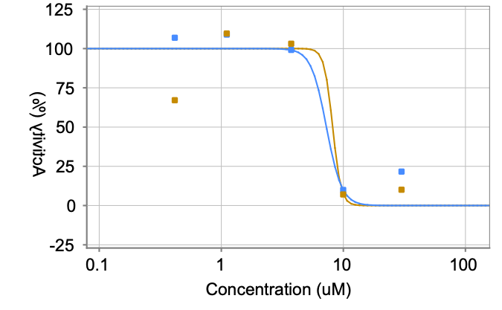
PCM-0202980 | CN1C2=CC3=CC=CC=C3C(=O)N2C(=O)C2=C1C=CC=C2 | 4554-6148 | Mpro | 10 | 59440 | 39.6 | 38.3 | 1.6 | 3 | 7.26 | Mpro
PCM-0202980 | CN1C2=CC3=CC=CC=C3C(=O)N2C(=O)C2=C1C=CC=C2 | 4554-6148 | Mpro | 10 | 49399 | 36.4 | 38.3 | 1.6 | 3 | 7.26 | Mpro
PCM-0202980 | CN1C2=CC3=CC=CC=C3C(=O)N2C(=O)C2=C1C=CC=C2 | 4554-6148 | Mpro | 10 | 3858 | 1.9 | 38.3 | 1.6 | 3 | 7.26 | Mpro
PCM-0202980 | CN1C2=CC3=CC=CC=C3C(=O)N2C(=O)C2=C1C=CC=C2 | 4554-6148 |  |  |  |  | 38.3 | 1.6 | 3 | 7.26 | Mpro
PCM-0202980 | CN1C2=CC3=CC=CC=C3C(=O)N2C(=O)C2=C1C=CC=C2 | 4554-6148 |  |  |  |  | 38.3 | 1.6 | 3 | 8.17 | Mpro
PCM-0202980 | CN1C2=CC3=CC=CC=C3C(=O)N2C(=O)C2=C1C=CC=C2 | 4554-6148 |  |  |  |  | 38.3 | 1.6 | 3 | 8.17 | Mpro
PCM-0202980 | CN1C2=CC3=CC=CC=C3C(=O)N2C(=O)C2=C1C=CC=C2 | 4554-6148 |  |  |  |  | 38.3 | 1.6 | 3 | 8.17 | Mpro
PCM-0202980 | CN1C2=CC3=CC=CC=C3C(=O)N2C(=O)C2=C1C=CC=C2 | 4554-6148 |  |  |  |  | 38.3 | 1.6 | 3 | 8.17 | Mpro
PCM-0202980 | CN1C2=CC3=CC=CC=C3C(=O)N2C(=O)C2=C1C=CC=C2 | 4554-6148 |  |  |  |  | 38.3 | 1.6 | 3 | 8.17 | Mpro
PCM-0202861 | CN(C)C1OC2=C(C=C1C)C(=O)C1=CC=CC3=C1C2=CC=C3 | 4441-0342 | Mpro | 10 | 4258 | 9.3 | 8.9 | 3.4 | 3 | 2.14 | Mpro | 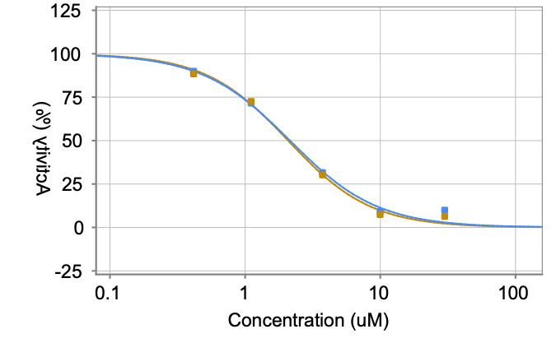
PCM-0202861 | CN(C)C1OC2=C(C=C1C)C(=O)C1=CC=CC3=C1C2=CC=C3 | 4441-0342 | Mpro | 10 | 23369 | 12 | 8.9 | 3.4 | 3 | 2.14 | Mpro
PCM-0202861 | CN(C)C1OC2=C(C=C1C)C(=O)C1=CC=CC3=C1C2=CC=C3 | 4441-0342 | Mpro | 10 | 14283 | 5.3 | 8.9 | 3.4 | 3 | 2.14 | Mpro
PCM-0202861 | CN(C)C1OC2=C(C=C1C)C(=O)C1=CC=CC3=C1C2=CC=C3 | 4441-0342 | Mpro | 10 | 5551 | 5.6 | 8.9 | 3.4 | 3 | 2.14 | Mpro
PCM-0202861 | CN(C)C1OC2=C(C=C1C)C(=O)C1=CC=CC3=C1C2=CC=C3 | 4441-0342 |  |  |  |  | 8.9 | 3.4 | 3 | 2.14 | Mpro
PCM-0202861 | CN(C)C1OC2=C(C=C1C)C(=O)C1=CC=CC3=C1C2=CC=C3 | 4441-0342 |  |  |  |  | 8.9 | 3.4 | 3 | 2.08 | Mpro
PCM-0202861 | CN(C)C1OC2=C(C=C1C)C(=O)C1=CC=CC3=C1C2=CC=C3 | 4441-0342 |  |  |  |  | 8.9 | 3.4 | 3 | 2.08 | Mpro
PCM-0202861 | CN(C)C1OC2=C(C=C1C)C(=O)C1=CC=CC3=C1C2=CC=C3 | 4441-0342 |  |  |  |  | 8.9 | 3.4 | 3 | 2.08 | Mpro
PCM-0202861 | CN(C)C1OC2=C(C=C1C)C(=O)C1=CC=CC3=C1C2=CC=C3 | 4441-0342 |  |  |  |  | 8.9 | 3.4 | 3 | 2.08 | Mpro
PCM-0202861 | CN(C)C1OC2=C(C=C1C)C(=O)C1=CC=CC3=C1C2=CC=C3 | 4441-0342 |  |  |  |  | 8.9 | 3.4 | 3 | 2.08 | Mpro
PCM-0194133 | CC(C)N(C(C)C)C(=O)CC1=C(O)C2=CC=CC=C2NC1=O | K844-0793 | Mpro | 10 | 14502 | 43.1 | 46.5 | 6.8 | 3 | 3.51 | Mpro | 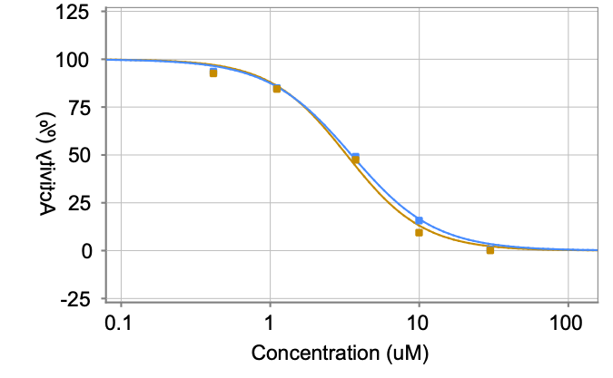
PCM-0194133 | CC(C)N(C(C)C)C(=O)CC1=C(O)C2=CC=CC=C2NC1=O | K844-0793 | Mpro | 10 | 78728 | 54.3 | 46.5 | 6.8 | 3 | 3.51 | Mpro
PCM-0194133 | CC(C)N(C(C)C)C(=O)CC1=C(O)C2=CC=CC=C2NC1=O | K844-0793 | Mpro | 10 | 55748 | 42.1 | 46.5 | 6.8 | 3 | 3.51 | Mpro
PCM-0194133 | CC(C)N(C(C)C)C(=O)CC1=C(O)C2=CC=CC=C2NC1=O | K844-0793 | Mpro | 10 | 6515 | 8.2 | 46.5 | 6.8 | 3 | 3.51 | Mpro
PCM-0194133 | CC(C)N(C(C)C)C(=O)CC1=C(O)C2=CC=CC=C2NC1=O | K844-0793 |  |  |  |  | 46.5 | 6.8 | 3 | 3.51 | Mpro
PCM-0194133 | CC(C)N(C(C)C)C(=O)CC1=C(O)C2=CC=CC=C2NC1=O | K844-0793 |  |  |  |  | 46.5 | 6.8 | 3 | 3.26 | Mpro
PCM-0194133 | CC(C)N(C(C)C)C(=O)CC1=C(O)C2=CC=CC=C2NC1=O | K844-0793 |  |  |  |  | 46.5 | 6.8 | 3 | 3.26 | Mpro
PCM-0194133 | CC(C)N(C(C)C)C(=O)CC1=C(O)C2=CC=CC=C2NC1=O | K844-0793 |  |  |  |  | 46.5 | 6.8 | 3 | 3.26 | Mpro
PCM-0194133 | CC(C)N(C(C)C)C(=O)CC1=C(O)C2=CC=CC=C2NC1=O | K844-0793 |  |  |  |  | 46.5 | 6.8 | 3 | 3.26 | Mpro
PCM-0194133 | CC(C)N(C(C)C)C(=O)CC1=C(O)C2=CC=CC=C2NC1=O | K844-0793 |  |  |  |  | 46.5 | 6.8 | 3 | 3.26 | Mpro
PCM-0182258 | COC(=O)C1=C(NCCCC2=CC=CC=C2)C2=CC(F)=CC=C2NC1=O | F474-3710 | Mpro | 10 | 12652 | 37 | 39.9 | 6.7 | 3 | 3.64 | Mpro | 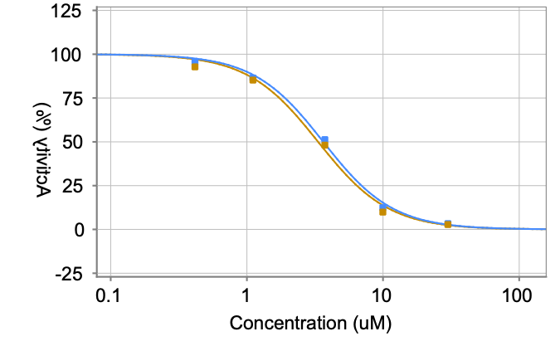
PCM-0182258 | COC(=O)C1=C(NCCCC2=CC=CC=C2)C2=CC(F)=CC=C2NC1=O | F474-3710 | Mpro | 10 | 69901 | 47.6 | 39.9 | 6.7 | 3 | 3.64 | Mpro
PCM-0182258 | COC(=O)C1=C(NCCCC2=CC=CC=C2)C2=CC(F)=CC=C2NC1=O | F474-3710 | Mpro | 10 | 48034 | 35.2 | 39.9 | 6.7 | 3 | 3.64 | Mpro
PCM-0182258 | COC(=O)C1=C(NCCCC2=CC=CC=C2)C2=CC(F)=CC=C2NC1=O | F474-3710 | Mpro | 10 | 7947 | 9 | 39.9 | 6.7 | 3 | 3.64 | Mpro
PCM-0182258 | COC(=O)C1=C(NCCCC2=CC=CC=C2)C2=CC(F)=CC=C2NC1=O | F474-3710 |  |  |  |  | 39.9 | 6.7 | 3 | 3.64 | Mpro
PCM-0182258 | COC(=O)C1=C(NCCCC2=CC=CC=C2)C2=CC(F)=CC=C2NC1=O | F474-3710 |  |  |  |  | 39.9 | 6.7 | 3 | 3.33 | Mpro
PCM-0182258 | COC(=O)C1=C(NCCCC2=CC=CC=C2)C2=CC(F)=CC=C2NC1=O | F474-3710 |  |  |  |  | 39.9 | 6.7 | 3 | 3.33 | Mpro
PCM-0182258 | COC(=O)C1=C(NCCCC2=CC=CC=C2)C2=CC(F)=CC=C2NC1=O | F474-3710 |  |  |  |  | 39.9 | 6.7 | 3 | 3.33 | Mpro
PCM-0182258 | COC(=O)C1=C(NCCCC2=CC=CC=C2)C2=CC(F)=CC=C2NC1=O | F474-3710 |  |  |  |  | 39.9 | 6.7 | 3 | 3.33 | Mpro
PCM-0182258 | COC(=O)C1=C(NCCCC2=CC=CC=C2)C2=CC(F)=CC=C2NC1=O | F474-3710 |  |  |  |  | 39.9 | 6.7 | 3 | 3.33 | Mpro
PCM-0178391 | CC(C)CN1C=C(NC(=O)NCCC2=CNC3=C2C=CC=C3)C2=CC=CC=C2C1=O | E942-0246 | Mpro | 10 | 15194 | 45.3 | 52.2 | 13.5 | 3 | 4.04 | Mpro | 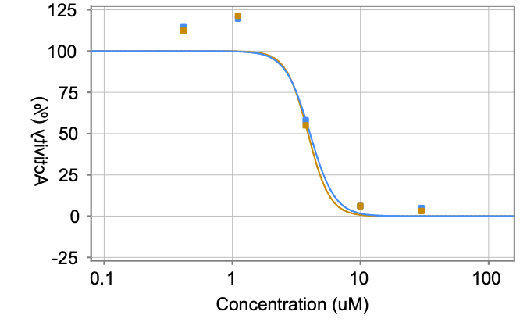
PCM-0178391 | CC(C)CN1C=C(NC(=O)NCCC2=CNC3=C2C=CC=C3)C2=CC=CC=C2C1=O | E942-0246 | Mpro | 10 | 96329 | 67.8 | 52.2 | 13.5 | 3 | 4.04 | Mpro
PCM-0178391 | CC(C)CN1C=C(NC(=O)NCCC2=CNC3=C2C=CC=C3)C2=CC=CC=C2C1=O | E942-0246 | Mpro | 10 | 57518 | 43.6 | 52.2 | 13.5 | 3 | 4.04 | Mpro
PCM-0178391 | CC(C)CN1C=C(NC(=O)NCCC2=CNC3=C2C=CC=C3)C2=CC=CC=C2C1=O | E942-0246 | Mpro | 10 | 3881 | 4.4 | 52.2 | 13.5 | 3 | 4.04 | Mpro
PCM-0178391 | CC(C)CN1C=C(NC(=O)NCCC2=CNC3=C2C=CC=C3)C2=CC=CC=C2C1=O | E942-0246 |  |  |  |  | 52.2 | 13.5 | 3 | 4.04 | Mpro
PCM-0178391 | CC(C)CN1C=C(NC(=O)NCCC2=CNC3=C2C=CC=C3)C2=CC=CC=C2C1=O | E942-0246 |  |  |  |  | 52.2 | 13.5 | 3 | 3.9 | Mpro
PCM-0178391 | CC(C)CN1C=C(NC(=O)NCCC2=CNC3=C2C=CC=C3)C2=CC=CC=C2C1=O | E942-0246 |  |  |  |  | 52.2 | 13.5 | 3 | 3.9 | Mpro
PCM-0178391 | CC(C)CN1C=C(NC(=O)NCCC2=CNC3=C2C=CC=C3)C2=CC=CC=C2C1=O | E942-0246 |  |  |  |  | 52.2 | 13.5 | 3 | 3.9 | Mpro
PCM-0178391 | CC(C)CN1C=C(NC(=O)NCCC2=CNC3=C2C=CC=C3)C2=CC=CC=C2C1=O | E942-0246 |  |  |  |  | 52.2 | 13.5 | 3 | 3.9 | Mpro
PCM-0178391 | CC(C)CN1C=C(NC(=O)NCCC2=CNC3=C2C=CC=C3)C2=CC=CC=C2C1=O | E942-0246 |  |  |  |  | 52.2 | 13.5 | 3 | 3.9 | Mpro
PCM-0178389 | CC(C)CN1C=C(NC(=O)NCCC2=CC=C(Cl)C=C2)C2=CC=CC=C2C1=O | E942-0146 | Mpro | 10 | 13517 | 39.8 | 45 | 6.2 | 3 | 5.54 | Mpro | 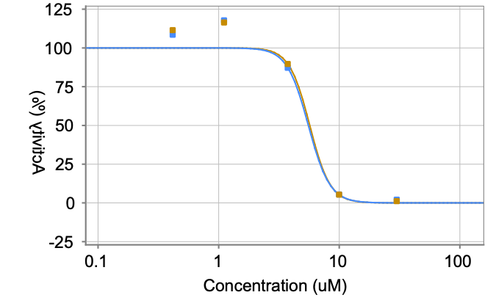
PCM-0178389 | CC(C)CN1C=C(NC(=O)NCCC2=CC=C(Cl)C=C2)C2=CC=CC=C2C1=O | E942-0146 | Mpro | 10 | 75597 | 51.9 | 45 | 6.2 | 3 | 5.54 | Mpro
PCM-0178389 | CC(C)CN1C=C(NC(=O)NCCC2=CC=C(Cl)C=C2)C2=CC=CC=C2C1=O | E942-0146 | Mpro | 10 | 57243 | 43.4 | 45 | 6.2 | 3 | 5.54 | Mpro
PCM-0178389 | CC(C)CN1C=C(NC(=O)NCCC2=CC=C(Cl)C=C2)C2=CC=CC=C2C1=O | E942-0146 | Mpro | 10 | 3577 | 2.8 | 45 | 6.2 | 3 | 5.54 | Mpro
PCM-0178389 | CC(C)CN1C=C(NC(=O)NCCC2=CC=C(Cl)C=C2)C2=CC=CC=C2C1=O | E942-0146 |  |  |  |  | 45 | 6.2 | 3 | 5.54 | Mpro
PCM-0178389 | CC(C)CN1C=C(NC(=O)NCCC2=CC=C(Cl)C=C2)C2=CC=CC=C2C1=O | E942-0146 |  |  |  |  | 45 | 6.2 | 3 | 5.69 | Mpro
PCM-0178389 | CC(C)CN1C=C(NC(=O)NCCC2=CC=C(Cl)C=C2)C2=CC=CC=C2C1=O | E942-0146 |  |  |  |  | 45 | 6.2 | 3 | 5.69 | Mpro
PCM-0178389 | CC(C)CN1C=C(NC(=O)NCCC2=CC=C(Cl)C=C2)C2=CC=CC=C2C1=O | E942-0146 |  |  |  |  | 45 | 6.2 | 3 | 5.69 | Mpro
PCM-0178389 | CC(C)CN1C=C(NC(=O)NCCC2=CC=C(Cl)C=C2)C2=CC=CC=C2C1=O | E942-0146 |  |  |  |  | 45 | 6.2 | 3 | 5.69 | Mpro
PCM-0178389 | CC(C)CN1C=C(NC(=O)NCCC2=CC=C(Cl)C=C2)C2=CC=CC=C2C1=O | E942-0146 |  |  |  |  | 45 | 6.2 | 3 | 5.69 | Mpro
PCM-0178387 | CC(C)CN1C=C(NC(=O)NCCN2CCOCC2)C2=CC=CC=C2C1=O | E942-0060 | Mpro | 10 | 34357 | 108.6 | 118.2 | 8.6 | 3 | 10.43 | Mpro | 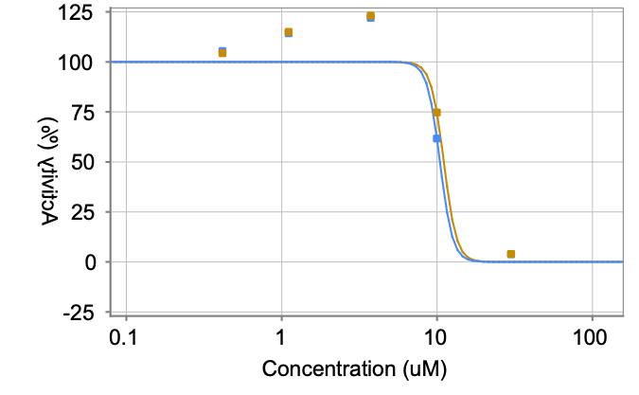
PCM-0178387 | CC(C)CN1C=C(NC(=O)NCCN2CCOCC2)C2=CC=CC=C2C1=O | E942-0060 | Mpro | 10 | 171384 | 125.1 | 118.2 | 8.6 | 3 | 10.43 | Mpro
PCM-0178387 | CC(C)CN1C=C(NC(=O)NCCN2CCOCC2)C2=CC=CC=C2C1=O | E942-0060 | Mpro | 10 | 144740 | 120.9 | 118.2 | 8.6 | 3 | 10.43 | Mpro
PCM-0178387 | CC(C)CN1C=C(NC(=O)NCCN2CCOCC2)C2=CC=CC=C2C1=O | E942-0060 | Mpro | 10 | 4671 | 8.4 | 118.2 | 8.6 | 3 | 10.43 | Mpro
PCM-0178387 | CC(C)CN1C=C(NC(=O)NCCN2CCOCC2)C2=CC=CC=C2C1=O | E942-0060 |  |  |  |  | 118.2 | 8.6 | 3 | 10.43 | Mpro
PCM-0178387 | CC(C)CN1C=C(NC(=O)NCCN2CCOCC2)C2=CC=CC=C2C1=O | E942-0060 |  |  |  |  | 118.2 | 8.6 | 3 | 11.05 | Mpro
PCM-0178387 | CC(C)CN1C=C(NC(=O)NCCN2CCOCC2)C2=CC=CC=C2C1=O | E942-0060 |  |  |  |  | 118.2 | 8.6 | 3 | 11.05 | Mpro
PCM-0178387 | CC(C)CN1C=C(NC(=O)NCCN2CCOCC2)C2=CC=CC=C2C1=O | E942-0060 |  |  |  |  | 118.2 | 8.6 | 3 | 11.05 | Mpro
PCM-0178387 | CC(C)CN1C=C(NC(=O)NCCN2CCOCC2)C2=CC=CC=C2C1=O | E942-0060 |  |  |  |  | 118.2 | 8.6 | 3 | 11.05 | Mpro
PCM-0178387 | CC(C)CN1C=C(NC(=O)NCCN2CCOCC2)C2=CC=CC=C2C1=O | E942-0060 |  |  |  |  | 118.2 | 8.6 | 3 | 11.05 | Mpro
PCM-0178385 | CC(C)CN1C=C(NC(=O)NC2=NOC(C)=C2)C2=CC=CC=C2C1=O | E942-0018 | Mpro | 10 | 11167 | 32.1 | 36 | 6.7 | 3 | 2.73 | Mpro | 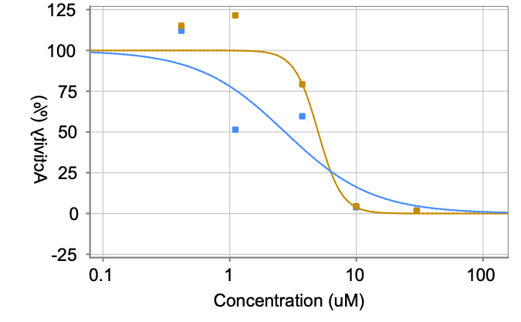
PCM-0178385 | CC(C)CN1C=C(NC(=O)NC2=NOC(C)=C2)C2=CC=CC=C2C1=O | E942-0018 | Mpro | 10 | 64858 | 43.7 | 36 | 6.7 | 3 | 2.73 | Mpro
PCM-0178385 | CC(C)CN1C=C(NC(=O)NC2=NOC(C)=C2)C2=CC=CC=C2C1=O | E942-0018 | Mpro | 10 | 44507 | 32.1 | 36 | 6.7 | 3 | 2.73 | Mpro
PCM-0178385 | CC(C)CN1C=C(NC(=O)NC2=NOC(C)=C2)C2=CC=CC=C2C1=O | E942-0018 | Mpro | 10 | 3907 | 4.5 | 36 | 6.7 | 3 | 2.73 | Mpro
PCM-0178385 | CC(C)CN1C=C(NC(=O)NC2=NOC(C)=C2)C2=CC=CC=C2C1=O | E942-0018 |  |  |  |  | 36 | 6.7 | 3 | 2.73 | Mpro
PCM-0178385 | CC(C)CN1C=C(NC(=O)NC2=NOC(C)=C2)C2=CC=CC=C2C1=O | E942-0018 |  |  |  |  | 36 | 6.7 | 3 | 4.99 | Mpro
PCM-0178385 | CC(C)CN1C=C(NC(=O)NC2=NOC(C)=C2)C2=CC=CC=C2C1=O | E942-0018 |  |  |  |  | 36 | 6.7 | 3 | 4.99 | Mpro
PCM-0178385 | CC(C)CN1C=C(NC(=O)NC2=NOC(C)=C2)C2=CC=CC=C2C1=O | E942-0018 |  |  |  |  | 36 | 6.7 | 3 | 4.99 | Mpro
PCM-0178385 | CC(C)CN1C=C(NC(=O)NC2=NOC(C)=C2)C2=CC=CC=C2C1=O | E942-0018 |  |  |  |  | 36 | 6.7 | 3 | 4.99 | Mpro
PCM-0178385 | CC(C)CN1C=C(NC(=O)NC2=NOC(C)=C2)C2=CC=CC=C2C1=O | E942-0018 |  |  |  |  | 36 | 6.7 | 3 | 4.99 | Mpro
PCM-0178351 | CC(C)CN1C=C(NC(=O)NC2=NC=CC=C2C)C2=CC=CC=C2C1=O | E942-0217 | Mpro | 10 | 24324 | 109.6 |  |  |  | > 29.91 | Mpro | 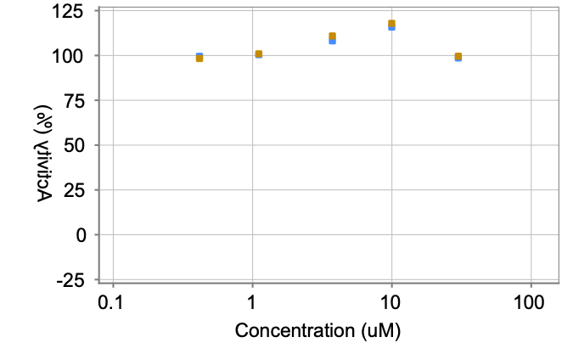
PCM-0178351 | CC(C)CN1C=C(NC(=O)NC2=NC=CC=C2C)C2=CC=CC=C2C1=O | E942-0217 |  |  |  |  |  |  |  | > 29.91 | Mpro
PCM-0178351 | CC(C)CN1C=C(NC(=O)NC2=NC=CC=C2C)C2=CC=CC=C2C1=O | E942-0217 |  |  |  |  |  |  |  | > 29.91 | Mpro
PCM-0178351 | CC(C)CN1C=C(NC(=O)NC2=NC=CC=C2C)C2=CC=CC=C2C1=O | E942-0217 |  |  |  |  |  |  |  | > 29.91 | Mpro
PCM-0178351 | CC(C)CN1C=C(NC(=O)NC2=NC=CC=C2C)C2=CC=CC=C2C1=O | E942-0217 |  |  |  |  |  |  |  | > 29.91 | Mpro
PCM-0178351 | CC(C)CN1C=C(NC(=O)NC2=NC=CC=C2C)C2=CC=CC=C2C1=O | E942-0217 |  |  |  |  |  |  |  | > 29.91 | Mpro
PCM-0178351 | CC(C)CN1C=C(NC(=O)NC2=NC=CC=C2C)C2=CC=CC=C2C1=O | E942-0217 |  |  |  |  |  |  |  | > 29.91 | Mpro
PCM-0178351 | CC(C)CN1C=C(NC(=O)NC2=NC=CC=C2C)C2=CC=CC=C2C1=O | E942-0217 |  |  |  |  |  |  |  | > 29.91 | Mpro
PCM-0178351 | CC(C)CN1C=C(NC(=O)NC2=NC=CC=C2C)C2=CC=CC=C2C1=O | E942-0217 |  |  |  |  |  |  |  | > 29.91 | Mpro
PCM-0178351 | CC(C)CN1C=C(NC(=O)NC2=NC=CC=C2C)C2=CC=CC=C2C1=O | E942-0217 |  |  |  |  |  |  |  | > 29.91 | Mpro
PCM-0178349 | CC(C)CN1C=C(NC(=O)NCC2=CC=C3OCOC3=C2)C2=CC=CC=C2C1=O | E942-0145 | Mpro | 10 | 14699 | 43.7 | 47.5 | 6.7 | 3 | 3.66 | Mpro | 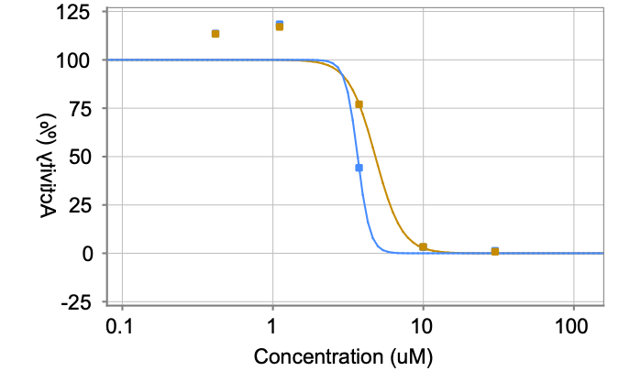
PCM-0178349 | CC(C)CN1C=C(NC(=O)NCC2=CC=C3OCOC3=C2)C2=CC=CC=C2C1=O | E942-0145 | Mpro | 10 | 79951 | 55.3 | 47.5 | 6.7 | 3 | 3.66 | Mpro
PCM-0178349 | CC(C)CN1C=C(NC(=O)NCC2=CC=C3OCOC3=C2)C2=CC=CC=C2C1=O | E942-0145 | Mpro | 10 | 57461 | 43.6 | 47.5 | 6.7 | 3 | 3.66 | Mpro
PCM-0178349 | CC(C)CN1C=C(NC(=O)NCC2=CC=C3OCOC3=C2)C2=CC=CC=C2C1=O | E942-0145 | Mpro | 10 | 3504 | 2.4 | 47.5 | 6.7 | 3 | 3.66 | Mpro
PCM-0178349 | CC(C)CN1C=C(NC(=O)NCC2=CC=C3OCOC3=C2)C2=CC=CC=C2C1=O | E942-0145 |  |  |  |  | 47.5 | 6.7 | 3 | 3.66 | Mpro
PCM-0178349 | CC(C)CN1C=C(NC(=O)NCC2=CC=C3OCOC3=C2)C2=CC=CC=C2C1=O | E942-0145 |  |  |  |  | 47.5 | 6.7 | 3 | 4.8 | Mpro
PCM-0178349 | CC(C)CN1C=C(NC(=O)NCC2=CC=C3OCOC3=C2)C2=CC=CC=C2C1=O | E942-0145 |  |  |  |  | 47.5 | 6.7 | 3 | 4.8 | Mpro
PCM-0178349 | CC(C)CN1C=C(NC(=O)NCC2=CC=C3OCOC3=C2)C2=CC=CC=C2C1=O | E942-0145 |  |  |  |  | 47.5 | 6.7 | 3 | 4.8 | Mpro
PCM-0178349 | CC(C)CN1C=C(NC(=O)NCC2=CC=C3OCOC3=C2)C2=CC=CC=C2C1=O | E942-0145 |  |  |  |  | 47.5 | 6.7 | 3 | 4.8 | Mpro
PCM-0178349 | CC(C)CN1C=C(NC(=O)NCC2=CC=C3OCOC3=C2)C2=CC=CC=C2C1=O | E942-0145 |  |  |  |  | 47.5 | 6.7 | 3 | 4.8 | Mpro
PCM-0178347 | CC(C)CN1C=C(NC(=O)NC2CCCCCC2)C2=CC=CC=C2C1=O | E942-0057 | Mpro | 10 | 11025 | 31.6 | 32.5 | 8.1 | 3 | 4.24 | Mpro | 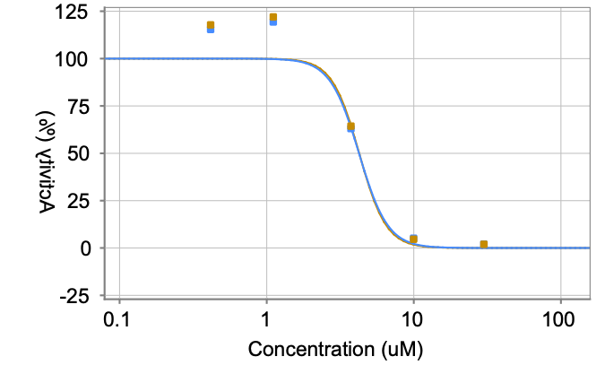
PCM-0178347 | CC(C)CN1C=C(NC(=O)NC2CCCCCC2)C2=CC=CC=C2C1=O | E942-0057 | Mpro | 10 | 61450 | 41.1 | 32.5 | 8.1 | 3 | 4.24 | Mpro
PCM-0178347 | CC(C)CN1C=C(NC(=O)NC2CCCCCC2)C2=CC=CC=C2C1=O | E942-0057 | Mpro | 10 | 36402 | 24.9 | 32.5 | 8.1 | 3 | 4.24 | Mpro
PCM-0178347 | CC(C)CN1C=C(NC(=O)NC2CCCCCC2)C2=CC=CC=C2C1=O | E942-0057 | Mpro | 10 | 3664 | 3.3 | 32.5 | 8.1 | 3 | 4.24 | Mpro
PCM-0178347 | CC(C)CN1C=C(NC(=O)NC2CCCCCC2)C2=CC=CC=C2C1=O | E942-0057 |  |  |  |  | 32.5 | 8.1 | 3 | 4.24 | Mpro
PCM-0178347 | CC(C)CN1C=C(NC(=O)NC2CCCCCC2)C2=CC=CC=C2C1=O | E942-0057 |  |  |  |  | 32.5 | 8.1 | 3 | 4.25 | Mpro
PCM-0178347 | CC(C)CN1C=C(NC(=O)NC2CCCCCC2)C2=CC=CC=C2C1=O | E942-0057 |  |  |  |  | 32.5 | 8.1 | 3 | 4.25 | Mpro
PCM-0178347 | CC(C)CN1C=C(NC(=O)NC2CCCCCC2)C2=CC=CC=C2C1=O | E942-0057 |  |  |  |  | 32.5 | 8.1 | 3 | 4.25 | Mpro
PCM-0178347 | CC(C)CN1C=C(NC(=O)NC2CCCCCC2)C2=CC=CC=C2C1=O | E942-0057 |  |  |  |  | 32.5 | 8.1 | 3 | 4.25 | Mpro
PCM-0178347 | CC(C)CN1C=C(NC(=O)NC2CCCCCC2)C2=CC=CC=C2C1=O | E942-0057 |  |  |  |  | 32.5 | 8.1 | 3 | 4.25 | Mpro
PCM-0178345 | CC(C)CN1C=C(NC(=O)NC2=CC=C(C)C=C2Br)C2=CC=CC=C2C1=O | E942-0009 | Mpro | 10 | 12902 | 37.8 | 33.4 | 5.7 | 3 | 5.11 | Mpro | 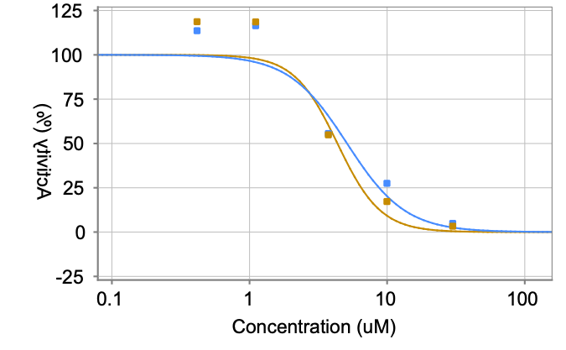
PCM-0178345 | CC(C)CN1C=C(NC(=O)NC2=CC=C(C)C=C2Br)C2=CC=CC=C2C1=O | E942-0009 | Mpro | 10 | 54222 | 35.6 | 33.4 | 5.7 | 3 | 5.11 | Mpro
PCM-0178345 | CC(C)CN1C=C(NC(=O)NC2=CC=C(C)C=C2Br)C2=CC=CC=C2C1=O | E942-0009 | Mpro | 10 | 38735 | 27 | 33.4 | 5.7 | 3 | 5.11 | Mpro
PCM-0178345 | CC(C)CN1C=C(NC(=O)NC2=CC=C(C)C=C2Br)C2=CC=CC=C2C1=O | E942-0009 | Mpro | 10 | 1650 | -7.1 | 33.4 | 5.7 | 3 | 5.11 | Mpro
PCM-0178345 | CC(C)CN1C=C(NC(=O)NC2=CC=C(C)C=C2Br)C2=CC=CC=C2C1=O | E942-0009 |  |  |  |  | 33.4 | 5.7 | 3 | 5.11 | Mpro
PCM-0178345 | CC(C)CN1C=C(NC(=O)NC2=CC=C(C)C=C2Br)C2=CC=CC=C2C1=O | E942-0009 |  |  |  |  | 33.4 | 5.7 | 3 | 4.35 | Mpro
PCM-0178345 | CC(C)CN1C=C(NC(=O)NC2=CC=C(C)C=C2Br)C2=CC=CC=C2C1=O | E942-0009 |  |  |  |  | 33.4 | 5.7 | 3 | 4.35 | Mpro
PCM-0178345 | CC(C)CN1C=C(NC(=O)NC2=CC=C(C)C=C2Br)C2=CC=CC=C2C1=O | E942-0009 |  |  |  |  | 33.4 | 5.7 | 3 | 4.35 | Mpro
PCM-0178345 | CC(C)CN1C=C(NC(=O)NC2=CC=C(C)C=C2Br)C2=CC=CC=C2C1=O | E942-0009 |  |  |  |  | 33.4 | 5.7 | 3 | 4.35 | Mpro
PCM-0178345 | CC(C)CN1C=C(NC(=O)NC2=CC=C(C)C=C2Br)C2=CC=CC=C2C1=O | E942-0009 |  |  |  |  | 33.4 | 5.7 | 3 | 4.35 | Mpro
PCM-0178314 | CC(C)CN1C=C(NC(=O)NCC2CCN(CC3=CC=C(C)C=C3)C2)C2=CC=CC=C2C1=O | E942-0361 | Mpro | 10 | 19193 | 58.5 | 94.7 | 32.7 | 3 | 13.98 | Mpro | 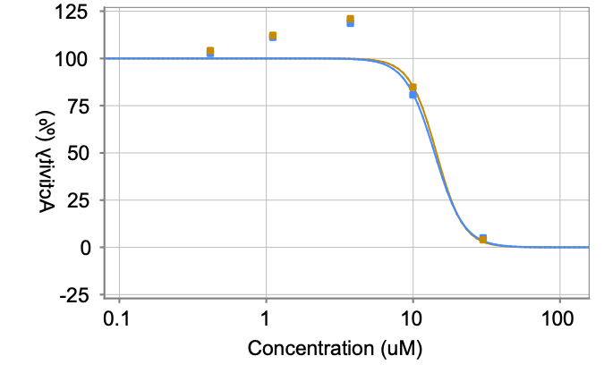
PCM-0178314 | CC(C)CN1C=C(NC(=O)NCC2CCN(CC3=CC=C(C)C=C3)C2)C2=CC=CC=C2C1=O | E942-0361 | Mpro | 10 | 167353 | 122.1 | 94.7 | 32.7 | 3 | 13.98 | Mpro
PCM-0178314 | CC(C)CN1C=C(NC(=O)NCC2CCN(CC3=CC=C(C)C=C3)C2)C2=CC=CC=C2C1=O | E942-0361 | Mpro | 10 | 124945 | 103.4 | 94.7 | 32.7 | 3 | 13.98 | Mpro
PCM-0178314 | CC(C)CN1C=C(NC(=O)NCC2CCN(CC3=CC=C(C)C=C3)C2)C2=CC=CC=C2C1=O | E942-0361 | Mpro | 10 | 6808 | 19.4 | 94.7 | 32.7 | 3 | 13.98 | Mpro
PCM-0178314 | CC(C)CN1C=C(NC(=O)NCC2CCN(CC3=CC=C(C)C=C3)C2)C2=CC=CC=C2C1=O | E942-0361 |  |  |  |  | 94.7 | 32.7 | 3 | 13.98 | Mpro
PCM-0178314 | CC(C)CN1C=C(NC(=O)NCC2CCN(CC3=CC=C(C)C=C3)C2)C2=CC=CC=C2C1=O | E942-0361 |  |  |  |  | 94.7 | 32.7 | 3 | 14.41 | Mpro
PCM-0178314 | CC(C)CN1C=C(NC(=O)NCC2CCN(CC3=CC=C(C)C=C3)C2)C2=CC=CC=C2C1=O | E942-0361 |  |  |  |  | 94.7 | 32.7 | 3 | 14.41 | Mpro
PCM-0178314 | CC(C)CN1C=C(NC(=O)NCC2CCN(CC3=CC=C(C)C=C3)C2)C2=CC=CC=C2C1=O | E942-0361 |  |  |  |  | 94.7 | 32.7 | 3 | 14.41 | Mpro
PCM-0178314 | CC(C)CN1C=C(NC(=O)NCC2CCN(CC3=CC=C(C)C=C3)C2)C2=CC=CC=C2C1=O | E942-0361 |  |  |  |  | 94.7 | 32.7 | 3 | 14.41 | Mpro
PCM-0178314 | CC(C)CN1C=C(NC(=O)NCC2CCN(CC3=CC=C(C)C=C3)C2)C2=CC=CC=C2C1=O | E942-0361 |  |  |  |  | 94.7 | 32.7 | 3 | 14.41 | Mpro
PCM-0178313 | COC1=CC(CCNC(=O)NC2=CN(CC(C)C)C(=O)C3=CC=CC=C23)=C(OC)C=C1 | E942-0294 | Mpro | 10 | 20140 | 61.7 | 40.4 | 18.4 | 3 | 4.55 | Mpro | 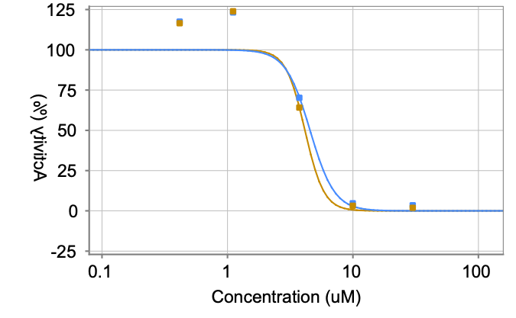
PCM-0178313 | COC1=CC(CCNC(=O)NC2=CN(CC(C)C)C(=O)C3=CC=CC=C23)=C(OC)C=C1 | E942-0294 | Mpro | 10 | 48519 | 31.2 | 40.4 | 18.4 | 3 | 4.55 | Mpro
PCM-0178313 | COC1=CC(CCNC(=O)NC2=CN(CC(C)C)C(=O)C3=CC=CC=C23)=C(OC)C=C1 | E942-0294 | Mpro | 10 | 40396 | 28.4 | 40.4 | 18.4 | 3 | 4.55 | Mpro
PCM-0178313 | COC1=CC(CCNC(=O)NC2=CN(CC(C)C)C(=O)C3=CC=CC=C23)=C(OC)C=C1 | E942-0294 | Mpro | 10 | 1312 | -8.8 | 40.4 | 18.4 | 3 | 4.55 | Mpro
PCM-0178313 | COC1=CC(CCNC(=O)NC2=CN(CC(C)C)C(=O)C3=CC=CC=C23)=C(OC)C=C1 | E942-0294 |  |  |  |  | 40.4 | 18.4 | 3 | 4.55 | Mpro
PCM-0178313 | COC1=CC(CCNC(=O)NC2=CN(CC(C)C)C(=O)C3=CC=CC=C23)=C(OC)C=C1 | E942-0294 |  |  |  |  | 40.4 | 18.4 | 3 | 4.14 | Mpro
PCM-0178313 | COC1=CC(CCNC(=O)NC2=CN(CC(C)C)C(=O)C3=CC=CC=C23)=C(OC)C=C1 | E942-0294 |  |  |  |  | 40.4 | 18.4 | 3 | 4.14 | Mpro
PCM-0178313 | COC1=CC(CCNC(=O)NC2=CN(CC(C)C)C(=O)C3=CC=CC=C23)=C(OC)C=C1 | E942-0294 |  |  |  |  | 40.4 | 18.4 | 3 | 4.14 | Mpro
PCM-0178313 | COC1=CC(CCNC(=O)NC2=CN(CC(C)C)C(=O)C3=CC=CC=C23)=C(OC)C=C1 | E942-0294 |  |  |  |  | 40.4 | 18.4 | 3 | 4.14 | Mpro
PCM-0178313 | COC1=CC(CCNC(=O)NC2=CN(CC(C)C)C(=O)C3=CC=CC=C23)=C(OC)C=C1 | E942-0294 |  |  |  |  | 40.4 | 18.4 | 3 | 4.14 | Mpro
PCM-0178311 | CC(C)CN1C=C(NC(=O)NC2=CN=CC=C2)C2=CC=CC=C2C1=O | E942-0202 | Mpro | 10 | 14639 | 43.5 | 42.3 | 6.6 | 3 | 4.94 | Mpro | 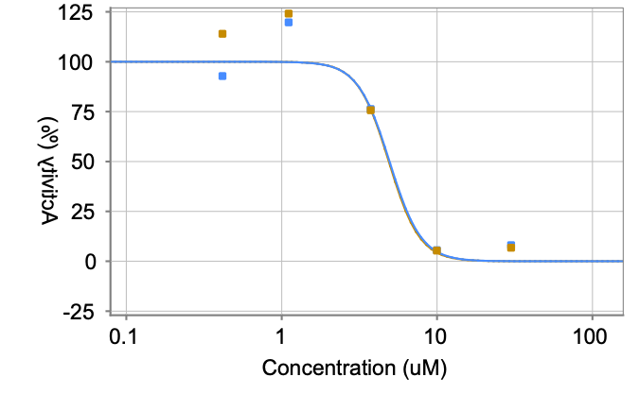
PCM-0178311 | CC(C)CN1C=C(NC(=O)NC2=CN=CC=C2)C2=CC=CC=C2C1=O | E942-0202 | Mpro | 10 | 70826 | 48.3 | 42.3 | 6.6 | 3 | 4.94 | Mpro
PCM-0178311 | CC(C)CN1C=C(NC(=O)NC2=CN=CC=C2)C2=CC=CC=C2C1=O | E942-0202 | Mpro | 10 | 48072 | 35.2 | 42.3 | 6.6 | 3 | 4.94 | Mpro
PCM-0178311 | CC(C)CN1C=C(NC(=O)NC2=CN=CC=C2)C2=CC=CC=C2C1=O | E942-0202 | Mpro | 10 | 3752 | 3.7 | 42.3 | 6.6 | 3 | 4.94 | Mpro
PCM-0178311 | CC(C)CN1C=C(NC(=O)NC2=CN=CC=C2)C2=CC=CC=C2C1=O | E942-0202 |  |  |  |  | 42.3 | 6.6 | 3 | 4.94 | Mpro
PCM-0178311 | CC(C)CN1C=C(NC(=O)NC2=CN=CC=C2)C2=CC=CC=C2C1=O | E942-0202 |  |  |  |  | 42.3 | 6.6 | 3 | 4.89 | Mpro
PCM-0178311 | CC(C)CN1C=C(NC(=O)NC2=CN=CC=C2)C2=CC=CC=C2C1=O | E942-0202 |  |  |  |  | 42.3 | 6.6 | 3 | 4.89 | Mpro
PCM-0178311 | CC(C)CN1C=C(NC(=O)NC2=CN=CC=C2)C2=CC=CC=C2C1=O | E942-0202 |  |  |  |  | 42.3 | 6.6 | 3 | 4.89 | Mpro
PCM-0178311 | CC(C)CN1C=C(NC(=O)NC2=CN=CC=C2)C2=CC=CC=C2C1=O | E942-0202 |  |  |  |  | 42.3 | 6.6 | 3 | 4.89 | Mpro
PCM-0178311 | CC(C)CN1C=C(NC(=O)NC2=CN=CC=C2)C2=CC=CC=C2C1=O | E942-0202 |  |  |  |  | 42.3 | 6.6 | 3 | 4.89 | Mpro
PCM-0178307 | CC(C)CN1C=C(NC(=O)NCC2=CC=CO2)C2=CC=CC=C2C1=O | E942-0051 | Mpro | 10 | 14220 | 42.1 | 38.3 | 6.6 | 3 | 4.54 | Mpro | 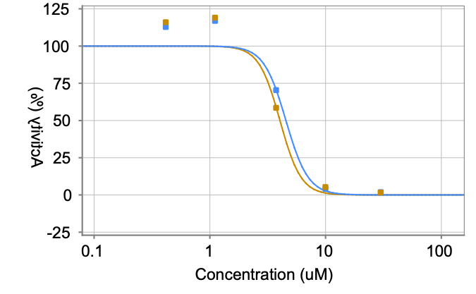
PCM-0178307 | CC(C)CN1C=C(NC(=O)NCC2=CC=CO2)C2=CC=CC=C2C1=O | E942-0051 | Mpro | 10 | 62719 | 42.1 | 38.3 | 6.6 | 3 | 4.54 | Mpro
PCM-0178307 | CC(C)CN1C=C(NC(=O)NCC2=CC=CO2)C2=CC=CC=C2C1=O | E942-0051 | Mpro | 10 | 42921 | 30.7 | 38.3 | 6.6 | 3 | 4.54 | Mpro
PCM-0178307 | CC(C)CN1C=C(NC(=O)NCC2=CC=CO2)C2=CC=CC=C2C1=O | E942-0051 | Mpro | 10 | 3667 | 3.3 | 38.3 | 6.6 | 3 | 4.54 | Mpro
PCM-0178307 | CC(C)CN1C=C(NC(=O)NCC2=CC=CO2)C2=CC=CC=C2C1=O | E942-0051 |  |  |  |  | 38.3 | 6.6 | 3 | 4.54 | Mpro
PCM-0178307 | CC(C)CN1C=C(NC(=O)NCC2=CC=CO2)C2=CC=CC=C2C1=O | E942-0051 |  |  |  |  | 38.3 | 6.6 | 3 | 4.03 | Mpro
PCM-0178307 | CC(C)CN1C=C(NC(=O)NCC2=CC=CO2)C2=CC=CC=C2C1=O | E942-0051 |  |  |  |  | 38.3 | 6.6 | 3 | 4.03 | Mpro
PCM-0178307 | CC(C)CN1C=C(NC(=O)NCC2=CC=CO2)C2=CC=CC=C2C1=O | E942-0051 |  |  |  |  | 38.3 | 6.6 | 3 | 4.03 | Mpro
PCM-0178307 | CC(C)CN1C=C(NC(=O)NCC2=CC=CO2)C2=CC=CC=C2C1=O | E942-0051 |  |  |  |  | 38.3 | 6.6 | 3 | 4.03 | Mpro
PCM-0178307 | CC(C)CN1C=C(NC(=O)NCC2=CC=CO2)C2=CC=CC=C2C1=O | E942-0051 |  |  |  |  | 38.3 | 6.6 | 3 | 4.03 | Mpro
PCM-0178305 | CC(C)CN1C=C(NC(=O)NCCC2=CCCCC2)C2=CC=CC=C2C1=O | E942-0004 | Mpro | 10 | 10233 | 29 | 28 | 3.8 | 3 | 3.57 | Mpro | 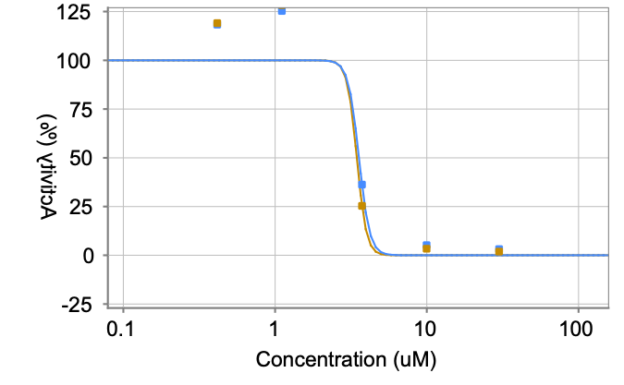
PCM-0178305 | CC(C)CN1C=C(NC(=O)NCCC2=CCCCC2)C2=CC=CC=C2C1=O | E942-0004 | Mpro | 10 | 48630 | 31.3 | 28 | 3.8 | 3 | 3.57 | Mpro
PCM-0178305 | CC(C)CN1C=C(NC(=O)NCCC2=CCCCC2)C2=CC=CC=C2C1=O | E942-0004 | Mpro | 10 | 35189 | 23.8 | 28 | 3.8 | 3 | 3.57 | Mpro
PCM-0178305 | CC(C)CN1C=C(NC(=O)NCCC2=CCCCC2)C2=CC=CC=C2C1=O | E942-0004 | Mpro | 10 | 3614 | 3 | 28 | 3.8 | 3 | 3.57 | Mpro
PCM-0178305 | CC(C)CN1C=C(NC(=O)NCCC2=CCCCC2)C2=CC=CC=C2C1=O | E942-0004 |  |  |  |  | 28 | 3.8 | 3 | 3.57 | Mpro
PCM-0178305 | CC(C)CN1C=C(NC(=O)NCCC2=CCCCC2)C2=CC=CC=C2C1=O | E942-0004 |  |  |  |  | 28 | 3.8 | 3 | 3.46 | Mpro
PCM-0178305 | CC(C)CN1C=C(NC(=O)NCCC2=CCCCC2)C2=CC=CC=C2C1=O | E942-0004 |  |  |  |  | 28 | 3.8 | 3 | 3.46 | Mpro
PCM-0178305 | CC(C)CN1C=C(NC(=O)NCCC2=CCCCC2)C2=CC=CC=C2C1=O | E942-0004 |  |  |  |  | 28 | 3.8 | 3 | 3.46 | Mpro
PCM-0178305 | CC(C)CN1C=C(NC(=O)NCCC2=CCCCC2)C2=CC=CC=C2C1=O | E942-0004 |  |  |  |  | 28 | 3.8 | 3 | 3.46 | Mpro
PCM-0178305 | CC(C)CN1C=C(NC(=O)NCCC2=CCCCC2)C2=CC=CC=C2C1=O | E942-0004 |  |  |  |  | 28 | 3.8 | 3 | 3.46 | Mpro
PCM-0178273 | CC(C)CN1C=C(NC(=O)N2CCCN(CC3=C(F)C=CC=C3)C2)C2=CC=CC=C2C1=O | E942-0286 | Mpro | 10 | 16083 | 67.2 |  |  |  | 17.69 | Mpro | 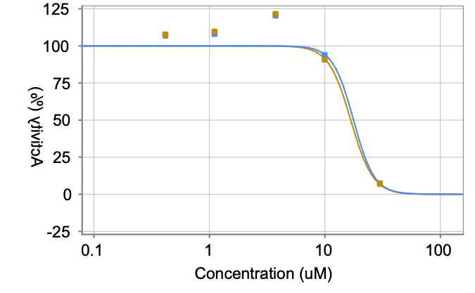
PCM-0178273 | CC(C)CN1C=C(NC(=O)N2CCCN(CC3=C(F)C=CC=C3)C2)C2=CC=CC=C2C1=O | E942-0286 |  |  |  |  |  |  |  | 17.69 | Mpro
PCM-0178273 | CC(C)CN1C=C(NC(=O)N2CCCN(CC3=C(F)C=CC=C3)C2)C2=CC=CC=C2C1=O | E942-0286 |  |  |  |  |  |  |  | 17.69 | Mpro
PCM-0178273 | CC(C)CN1C=C(NC(=O)N2CCCN(CC3=C(F)C=CC=C3)C2)C2=CC=CC=C2C1=O | E942-0286 |  |  |  |  |  |  |  | 17.69 | Mpro
PCM-0178273 | CC(C)CN1C=C(NC(=O)N2CCCN(CC3=C(F)C=CC=C3)C2)C2=CC=CC=C2C1=O | E942-0286 |  |  |  |  |  |  |  | 17.69 | Mpro
PCM-0178273 | CC(C)CN1C=C(NC(=O)N2CCCN(CC3=C(F)C=CC=C3)C2)C2=CC=CC=C2C1=O | E942-0286 |  |  |  |  |  |  |  | 16.75 | Mpro
PCM-0178273 | CC(C)CN1C=C(NC(=O)N2CCCN(CC3=C(F)C=CC=C3)C2)C2=CC=CC=C2C1=O | E942-0286 |  |  |  |  |  |  |  | 16.75 | Mpro
PCM-0178273 | CC(C)CN1C=C(NC(=O)N2CCCN(CC3=C(F)C=CC=C3)C2)C2=CC=CC=C2C1=O | E942-0286 |  |  |  |  |  |  |  | 16.75 | Mpro
PCM-0178273 | CC(C)CN1C=C(NC(=O)N2CCCN(CC3=C(F)C=CC=C3)C2)C2=CC=CC=C2C1=O | E942-0286 |  |  |  |  |  |  |  | 16.75 | Mpro
PCM-0178273 | CC(C)CN1C=C(NC(=O)N2CCCN(CC3=C(F)C=CC=C3)C2)C2=CC=CC=C2C1=O | E942-0286 |  |  |  |  |  |  |  | 16.75 | Mpro
PCM-0178271 | COC1=CC(CNC(=O)NC2=CN(CC(C)C)C(=O)C3=CC=CC=C23)=C(OC)C=C1 | E942-0197 | Mpro | 10 | 12430 | 36.2 | 31 | 7.8 | 3 | 4.02 | Mpro | 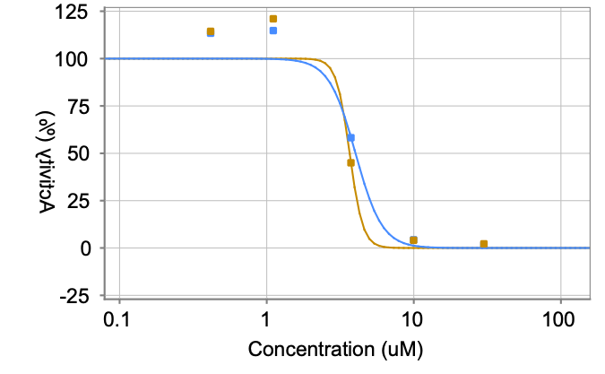
PCM-0178271 | COC1=CC(CNC(=O)NC2=CN(CC(C)C)C(=O)C3=CC=CC=C23)=C(OC)C=C1 | E942-0197 | Mpro | 10 | 53051 | 34.7 | 31 | 7.8 | 3 | 4.02 | Mpro
PCM-0178271 | COC1=CC(CNC(=O)NC2=CN(CC(C)C)C(=O)C3=CC=CC=C23)=C(OC)C=C1 | E942-0197 | Mpro | 10 | 33173 | 22 | 31 | 7.8 | 3 | 4.02 | Mpro
PCM-0178271 | COC1=CC(CNC(=O)NC2=CN(CC(C)C)C(=O)C3=CC=CC=C23)=C(OC)C=C1 | E942-0197 | Mpro | 10 | 3452 | 2.2 | 31 | 7.8 | 3 | 4.02 | Mpro
PCM-0178271 | COC1=CC(CNC(=O)NC2=CN(CC(C)C)C(=O)C3=CC=CC=C23)=C(OC)C=C1 | E942-0197 |  |  |  |  | 31 | 7.8 | 3 | 4.02 | Mpro
PCM-0178271 | COC1=CC(CNC(=O)NC2=CN(CC(C)C)C(=O)C3=CC=CC=C23)=C(OC)C=C1 | E942-0197 |  |  |  |  | 31 | 7.8 | 3 | 3.66 | Mpro
PCM-0178271 | COC1=CC(CNC(=O)NC2=CN(CC(C)C)C(=O)C3=CC=CC=C23)=C(OC)C=C1 | E942-0197 |  |  |  |  | 31 | 7.8 | 3 | 3.66 | Mpro
PCM-0178271 | COC1=CC(CNC(=O)NC2=CN(CC(C)C)C(=O)C3=CC=CC=C23)=C(OC)C=C1 | E942-0197 |  |  |  |  | 31 | 7.8 | 3 | 3.66 | Mpro
PCM-0178271 | COC1=CC(CNC(=O)NC2=CN(CC(C)C)C(=O)C3=CC=CC=C23)=C(OC)C=C1 | E942-0197 |  |  |  |  | 31 | 7.8 | 3 | 3.66 | Mpro
PCM-0178271 | COC1=CC(CNC(=O)NC2=CN(CC(C)C)C(=O)C3=CC=CC=C23)=C(OC)C=C1 | E942-0197 |  |  |  |  | 31 | 7.8 | 3 | 3.66 | Mpro
PCM-0178269 | CC(C)CN1C=C(NC(=O)NCCCN2CCC(C)CC2)C2=CC=CC=C2C1=O | E942-0095 | Mpro | 10 | 28420 | 130.6 |  |  |  | > 29.91 | Mpro | 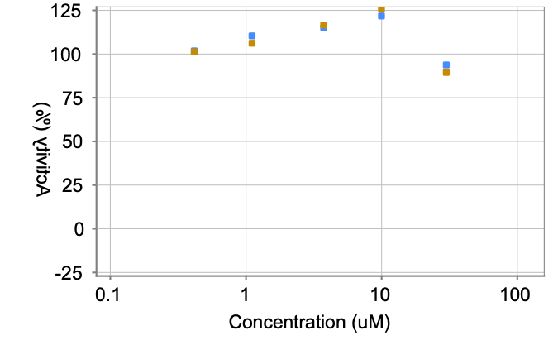
PCM-0178269 | CC(C)CN1C=C(NC(=O)NCCCN2CCC(C)CC2)C2=CC=CC=C2C1=O | E942-0095 |  |  |  |  |  |  |  | > 29.91 | Mpro
PCM-0178269 | CC(C)CN1C=C(NC(=O)NCCCN2CCC(C)CC2)C2=CC=CC=C2C1=O | E942-0095 |  |  |  |  |  |  |  | > 29.91 | Mpro
PCM-0178269 | CC(C)CN1C=C(NC(=O)NCCCN2CCC(C)CC2)C2=CC=CC=C2C1=O | E942-0095 |  |  |  |  |  |  |  | > 29.91 | Mpro
PCM-0178269 | CC(C)CN1C=C(NC(=O)NCCCN2CCC(C)CC2)C2=CC=CC=C2C1=O | E942-0095 |  |  |  |  |  |  |  | > 29.91 | Mpro
PCM-0178269 | CC(C)CN1C=C(NC(=O)NCCCN2CCC(C)CC2)C2=CC=CC=C2C1=O | E942-0095 |  |  |  |  |  |  |  | (IC50 could not be calculated) | Mpro
PCM-0178269 | CC(C)CN1C=C(NC(=O)NCCCN2CCC(C)CC2)C2=CC=CC=C2C1=O | E942-0095 |  |  |  |  |  |  |  | (IC50 could not be calculated) | Mpro
PCM-0178269 | CC(C)CN1C=C(NC(=O)NCCCN2CCC(C)CC2)C2=CC=CC=C2C1=O | E942-0095 |  |  |  |  |  |  |  | (IC50 could not be calculated) | Mpro
PCM-0178269 | CC(C)CN1C=C(NC(=O)NCCCN2CCC(C)CC2)C2=CC=CC=C2C1=O | E942-0095 |  |  |  |  |  |  |  | (IC50 could not be calculated) | Mpro
PCM-0178269 | CC(C)CN1C=C(NC(=O)NCCCN2CCC(C)CC2)C2=CC=CC=C2C1=O | E942-0095 |  |  |  |  |  |  |  | (IC50 could not be calculated) | Mpro
PCM-0178267 | CC(C)CN1C=C(NC(=O)NCC2CCCO2)C2=CC=CC=C2C1=O | E942-0048 | Mpro | 10 | 11738 | 33.9 | 31.1 | 3.7 | 3 | 3.4 | Mpro | 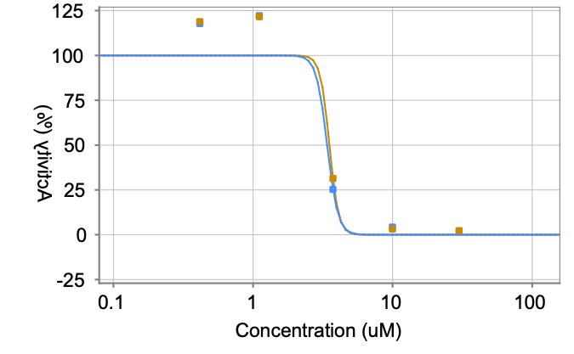
PCM-0178267 | CC(C)CN1C=C(NC(=O)NCC2CCCO2)C2=CC=CC=C2C1=O | E942-0048 | Mpro | 10 | 50210 | 32.5 | 31.1 | 3.7 | 3 | 3.4 | Mpro
PCM-0178267 | CC(C)CN1C=C(NC(=O)NCC2CCCO2)C2=CC=CC=C2C1=O | E942-0048 | Mpro | 10 | 38716 | 27 | 31.1 | 3.7 | 3 | 3.4 | Mpro
PCM-0178267 | CC(C)CN1C=C(NC(=O)NCC2CCCO2)C2=CC=CC=C2C1=O | E942-0048 | Mpro | 10 | 3870 | 4.3 | 31.1 | 3.7 | 3 | 3.4 | Mpro
PCM-0178267 | CC(C)CN1C=C(NC(=O)NCC2CCCO2)C2=CC=CC=C2C1=O | E942-0048 |  |  |  |  | 31.1 | 3.7 | 3 | 3.4 | Mpro
PCM-0178267 | CC(C)CN1C=C(NC(=O)NCC2CCCO2)C2=CC=CC=C2C1=O | E942-0048 |  |  |  |  | 31.1 | 3.7 | 3 | 3.53 | Mpro
PCM-0178267 | CC(C)CN1C=C(NC(=O)NCC2CCCO2)C2=CC=CC=C2C1=O | E942-0048 |  |  |  |  | 31.1 | 3.7 | 3 | 3.53 | Mpro
PCM-0178267 | CC(C)CN1C=C(NC(=O)NCC2CCCO2)C2=CC=CC=C2C1=O | E942-0048 |  |  |  |  | 31.1 | 3.7 | 3 | 3.53 | Mpro
PCM-0178267 | CC(C)CN1C=C(NC(=O)NCC2CCCO2)C2=CC=CC=C2C1=O | E942-0048 |  |  |  |  | 31.1 | 3.7 | 3 | 3.53 | Mpro
PCM-0178267 | CC(C)CN1C=C(NC(=O)NCC2CCCO2)C2=CC=CC=C2C1=O | E942-0048 |  |  |  |  | 31.1 | 3.7 | 3 | 3.53 | Mpro
PCM-0178265 | CC(C)CN1C=C(NC(=O)NC2=NC3=C(S2)C=CC=C3)C2=CC=CC=C2C1=O | E942-0003 | Mpro | 10 | 10956 | 31.4 | 34.9 | 5.9 | 3 | 5.61 | Mpro | 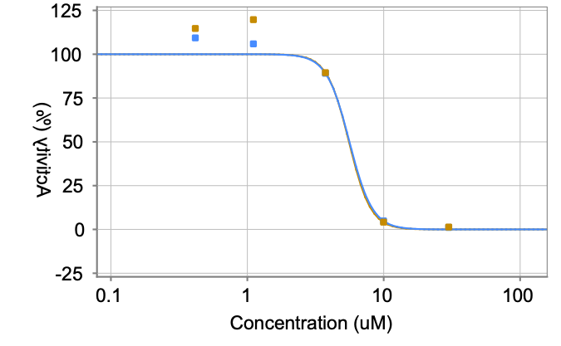
PCM-0178265 | CC(C)CN1C=C(NC(=O)NC2=NC3=C(S2)C=CC=C3)C2=CC=CC=C2C1=O | E942-0003 | Mpro | 10 | 62258 | 41.7 | 34.9 | 5.9 | 3 | 5.61 | Mpro
PCM-0178265 | CC(C)CN1C=C(NC(=O)NC2=NC3=C(S2)C=CC=C3)C2=CC=CC=C2C1=O | E942-0003 | Mpro | 10 | 43918 | 31.6 | 34.9 | 5.9 | 3 | 5.61 | Mpro
PCM-0178265 | CC(C)CN1C=C(NC(=O)NC2=NC3=C(S2)C=CC=C3)C2=CC=CC=C2C1=O | E942-0003 | Mpro | 10 | 3939 | 4.7 | 34.9 | 5.9 | 3 | 5.61 | Mpro
PCM-0178265 | CC(C)CN1C=C(NC(=O)NC2=NC3=C(S2)C=CC=C3)C2=CC=CC=C2C1=O | E942-0003 |  |  |  |  | 34.9 | 5.9 | 3 | 5.61 | Mpro
PCM-0178265 | CC(C)CN1C=C(NC(=O)NC2=NC3=C(S2)C=CC=C3)C2=CC=CC=C2C1=O | E942-0003 |  |  |  |  | 34.9 | 5.9 | 3 | 5.56 | Mpro
PCM-0178265 | CC(C)CN1C=C(NC(=O)NC2=NC3=C(S2)C=CC=C3)C2=CC=CC=C2C1=O | E942-0003 |  |  |  |  | 34.9 | 5.9 | 3 | 5.56 | Mpro
PCM-0178265 | CC(C)CN1C=C(NC(=O)NC2=NC3=C(S2)C=CC=C3)C2=CC=CC=C2C1=O | E942-0003 |  |  |  |  | 34.9 | 5.9 | 3 | 5.56 | Mpro
PCM-0178265 | CC(C)CN1C=C(NC(=O)NC2=NC3=C(S2)C=CC=C3)C2=CC=CC=C2C1=O | E942-0003 |  |  |  |  | 34.9 | 5.9 | 3 | 5.56 | Mpro
PCM-0178265 | CC(C)CN1C=C(NC(=O)NC2=NC3=C(S2)C=CC=C3)C2=CC=CC=C2C1=O | E942-0003 |  |  |  |  | 34.9 | 5.9 | 3 | 5.56 | Mpro
PCM-0178231 | CC(C)CN1C=C(NC(=O)NC2CCCC3=CC=CC=C23)C2=CC=CC=C2C1=O | E942-0177 | Mpro | 10 | 6294 | 16 | 17.7 | 2.9 | 3 | 3.6 | Mpro | 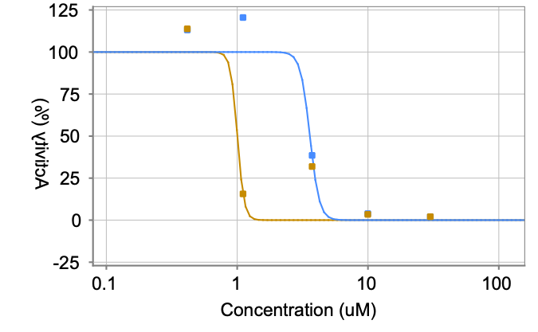
PCM-0178231 | CC(C)CN1C=C(NC(=O)NC2CCCC3=CC=CC=C23)C2=CC=CC=C2C1=O | E942-0177 | Mpro | 10 | 35183 | 21 | 17.7 | 2.9 | 3 | 3.6 | Mpro
PCM-0178231 | CC(C)CN1C=C(NC(=O)NC2CCCC3=CC=CC=C23)C2=CC=CC=C2C1=O | E942-0177 | Mpro | 10 | 26495 | 16.1 | 17.7 | 2.9 | 3 | 3.6 | Mpro
PCM-0178231 | CC(C)CN1C=C(NC(=O)NC2CCCC3=CC=CC=C23)C2=CC=CC=C2C1=O | E942-0177 | Mpro | 10 | 3484 | 2.3 | 17.7 | 2.9 | 3 | 3.6 | Mpro
PCM-0178231 | CC(C)CN1C=C(NC(=O)NC2CCCC3=CC=CC=C23)C2=CC=CC=C2C1=O | E942-0177 |  |  |  |  | 17.7 | 2.9 | 3 | 3.6 | Mpro
PCM-0178231 | CC(C)CN1C=C(NC(=O)NC2CCCC3=CC=CC=C23)C2=CC=CC=C2C1=O | E942-0177 |  |  |  |  | 17.7 | 2.9 | 3 | 1 | Mpro
PCM-0178231 | CC(C)CN1C=C(NC(=O)NC2CCCC3=CC=CC=C23)C2=CC=CC=C2C1=O | E942-0177 |  |  |  |  | 17.7 | 2.9 | 3 | 1 | Mpro
PCM-0178231 | CC(C)CN1C=C(NC(=O)NC2CCCC3=CC=CC=C23)C2=CC=CC=C2C1=O | E942-0177 |  |  |  |  | 17.7 | 2.9 | 3 | 1 | Mpro
PCM-0178231 | CC(C)CN1C=C(NC(=O)NC2CCCC3=CC=CC=C23)C2=CC=CC=C2C1=O | E942-0177 |  |  |  |  | 17.7 | 2.9 | 3 | 1 | Mpro
PCM-0178231 | CC(C)CN1C=C(NC(=O)NC2CCCC3=CC=CC=C23)C2=CC=CC=C2C1=O | E942-0177 |  |  |  |  | 17.7 | 2.9 | 3 | 1 | Mpro
PCM-0178229 | COC1=CC(Cl)=C(C)C=C1NC(=O)NC1=CN(CC(C)C)C(=O)C2=CC=CC=C12 | E942-0089 | Mpro | 10 | 15207 | 45.4 | 46.3 | 9.6 | 3 | 7.37 | Mpro | 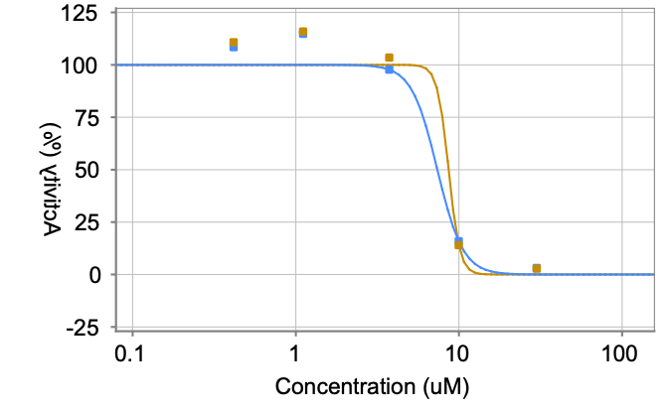
PCM-0178229 | COC1=CC(Cl)=C(C)C=C1NC(=O)NC1=CN(CC(C)C)C(=O)C2=CC=CC=C12 | E942-0089 | Mpro | 10 | 81233 | 56.2 | 46.3 | 9.6 | 3 | 7.37 | Mpro
PCM-0178229 | COC1=CC(Cl)=C(C)C=C1NC(=O)NC1=CN(CC(C)C)C(=O)C2=CC=CC=C12 | E942-0089 | Mpro | 10 | 50204 | 37.1 | 46.3 | 9.6 | 3 | 7.37 | Mpro
PCM-0178229 | COC1=CC(Cl)=C(C)C=C1NC(=O)NC1=CN(CC(C)C)C(=O)C2=CC=CC=C12 | E942-0089 | Mpro | 10 | 4424 | 7.2 | 46.3 | 9.6 | 3 | 7.37 | Mpro
PCM-0178229 | COC1=CC(Cl)=C(C)C=C1NC(=O)NC1=CN(CC(C)C)C(=O)C2=CC=CC=C12 | E942-0089 |  |  |  |  | 46.3 | 9.6 | 3 | 7.37 | Mpro
PCM-0178229 | COC1=CC(Cl)=C(C)C=C1NC(=O)NC1=CN(CC(C)C)C(=O)C2=CC=CC=C12 | E942-0089 |  |  |  |  | 46.3 | 9.6 | 3 | 8.64 | Mpro
PCM-0178229 | COC1=CC(Cl)=C(C)C=C1NC(=O)NC1=CN(CC(C)C)C(=O)C2=CC=CC=C12 | E942-0089 |  |  |  |  | 46.3 | 9.6 | 3 | 8.64 | Mpro
PCM-0178229 | COC1=CC(Cl)=C(C)C=C1NC(=O)NC1=CN(CC(C)C)C(=O)C2=CC=CC=C12 | E942-0089 |  |  |  |  | 46.3 | 9.6 | 3 | 8.64 | Mpro
PCM-0178229 | COC1=CC(Cl)=C(C)C=C1NC(=O)NC1=CN(CC(C)C)C(=O)C2=CC=CC=C12 | E942-0089 |  |  |  |  | 46.3 | 9.6 | 3 | 8.64 | Mpro
PCM-0178229 | COC1=CC(Cl)=C(C)C=C1NC(=O)NC1=CN(CC(C)C)C(=O)C2=CC=CC=C12 | E942-0089 |  |  |  |  | 46.3 | 9.6 | 3 | 8.64 | Mpro
PCM-0178227 | CC(C)CN1C=C(NC(=O)N2CCC(CC3=CC=CC=C3)CC2)C2=CC=CC=C2C1=O | E942-0047 | Mpro | 10 | 23179 | 71.7 | 76.4 | 15.7 | 3 | 14.96 | Mpro | 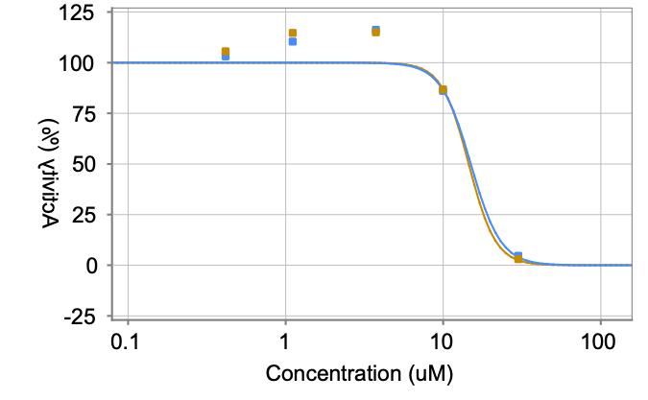
PCM-0178227 | CC(C)CN1C=C(NC(=O)N2CCC(CC3=CC=CC=C3)CC2)C2=CC=CC=C2C1=O | E942-0047 | Mpro | 10 | 130542 | 93.9 | 76.4 | 15.7 | 3 | 14.96 | Mpro
PCM-0178227 | CC(C)CN1C=C(NC(=O)N2CCC(CC3=CC=CC=C3)CC2)C2=CC=CC=C2C1=O | E942-0047 | Mpro | 10 | 79997 | 63.5 | 76.4 | 15.7 | 3 | 14.96 | Mpro
PCM-0178227 | CC(C)CN1C=C(NC(=O)N2CCC(CC3=CC=CC=C3)CC2)C2=CC=CC=C2C1=O | E942-0047 | Mpro | 10 | 5239 | 11.4 | 76.4 | 15.7 | 3 | 14.96 | Mpro
PCM-0178227 | CC(C)CN1C=C(NC(=O)N2CCC(CC3=CC=CC=C3)CC2)C2=CC=CC=C2C1=O | E942-0047 |  |  |  |  | 76.4 | 15.7 | 3 | 14.96 | Mpro
PCM-0178227 | CC(C)CN1C=C(NC(=O)N2CCC(CC3=CC=CC=C3)CC2)C2=CC=CC=C2C1=O | E942-0047 |  |  |  |  | 76.4 | 15.7 | 3 | 14.51 | Mpro
PCM-0178227 | CC(C)CN1C=C(NC(=O)N2CCC(CC3=CC=CC=C3)CC2)C2=CC=CC=C2C1=O | E942-0047 |  |  |  |  | 76.4 | 15.7 | 3 | 14.51 | Mpro
PCM-0178227 | CC(C)CN1C=C(NC(=O)N2CCC(CC3=CC=CC=C3)CC2)C2=CC=CC=C2C1=O | E942-0047 |  |  |  |  | 76.4 | 15.7 | 3 | 14.51 | Mpro
PCM-0178227 | CC(C)CN1C=C(NC(=O)N2CCC(CC3=CC=CC=C3)CC2)C2=CC=CC=C2C1=O | E942-0047 |  |  |  |  | 76.4 | 15.7 | 3 | 14.51 | Mpro
PCM-0178227 | CC(C)CN1C=C(NC(=O)N2CCC(CC3=CC=CC=C3)CC2)C2=CC=CC=C2C1=O | E942-0047 |  |  |  |  | 76.4 | 15.7 | 3 | 14.51 | Mpro
PCM-0178225 | COC1=CC2=C(C=C1)N=C(NC(=O)NC1=CN(CC(C)C)C(=O)C3=CC=CC=C13)S2 | E942-0002 | Mpro | 10 | 8384 | 22.9 | 26.4 | 5.5 | 3 | 3.73 | Mpro | 
PCM-0178225 | COC1=CC2=C(C=C1)N=C(NC(=O)NC1=CN(CC(C)C)C(=O)C3=CC=CC=C13)S2 | E942-0002 | Mpro | 10 | 50448 | 32.7 | 26.4 | 5.5 | 3 | 3.73 | Mpro
PCM-0178225 | COC1=CC2=C(C=C1)N=C(NC(=O)NC1=CN(CC(C)C)C(=O)C3=CC=CC=C13)S2 | E942-0002 | Mpro | 10 | 34830 | 23.5 | 26.4 | 5.5 | 3 | 3.73 | Mpro
PCM-0178225 | COC1=CC2=C(C=C1)N=C(NC(=O)NC1=CN(CC(C)C)C(=O)C3=CC=CC=C13)S2 | E942-0002 | Mpro | 10 | 3906 | 4.5 | 26.4 | 5.5 | 3 | 3.73 | Mpro
PCM-0178225 | COC1=CC2=C(C=C1)N=C(NC(=O)NC1=CN(CC(C)C)C(=O)C3=CC=CC=C13)S2 | E942-0002 |  |  |  |  | 26.4 | 5.5 | 3 | 3.73 | Mpro
PCM-0178225 | COC1=CC2=C(C=C1)N=C(NC(=O)NC1=CN(CC(C)C)C(=O)C3=CC=CC=C13)S2 | E942-0002 |  |  |  |  | 26.4 | 5.5 | 3 | 5.06 | Mpro
PCM-0178225 | COC1=CC2=C(C=C1)N=C(NC(=O)NC1=CN(CC(C)C)C(=O)C3=CC=CC=C13)S2 | E942-0002 |  |  |  |  | 26.4 | 5.5 | 3 | 5.06 | Mpro
PCM-0178225 | COC1=CC2=C(C=C1)N=C(NC(=O)NC1=CN(CC(C)C)C(=O)C3=CC=CC=C13)S2 | E942-0002 |  |  |  |  | 26.4 | 5.5 | 3 | 5.06 | Mpro
PCM-0178225 | COC1=CC2=C(C=C1)N=C(NC(=O)NC1=CN(CC(C)C)C(=O)C3=CC=CC=C13)S2 | E942-0002 |  |  |  |  | 26.4 | 5.5 | 3 | 5.06 | Mpro
PCM-0178225 | COC1=CC2=C(C=C1)N=C(NC(=O)NC1=CN(CC(C)C)C(=O)C3=CC=CC=C13)S2 | E942-0002 |  |  |  |  | 26.4 | 5.5 | 3 | 5.06 | Mpro
PCM-0178194 | CC(C)CN1C=C(NC(=O)NCCC2=C(C)ON=C2C)C2=CC=CC=C2C1=O | E942-0335 | Mpro | 10 | 9631 | 27 | 25.9 | 2.1 | 3 | 3.81 | Mpro | 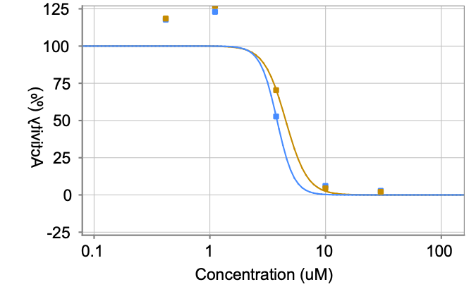
PCM-0178194 | CC(C)CN1C=C(NC(=O)NCCC2=C(C)ON=C2C)C2=CC=CC=C2C1=O | E942-0335 | Mpro | 10 | 43389 | 27.3 | 25.9 | 2.1 | 3 | 3.81 | Mpro
PCM-0178194 | CC(C)CN1C=C(NC(=O)NCCC2=C(C)ON=C2C)C2=CC=CC=C2C1=O | E942-0335 | Mpro | 10 | 34800 | 23.5 | 25.9 | 2.1 | 3 | 3.81 | Mpro
PCM-0178194 | CC(C)CN1C=C(NC(=O)NCCC2=C(C)ON=C2C)C2=CC=CC=C2C1=O | E942-0335 | Mpro | 10 | 3580 | 2.8 | 25.9 | 2.1 | 3 | 3.81 | Mpro
PCM-0178194 | CC(C)CN1C=C(NC(=O)NCCC2=C(C)ON=C2C)C2=CC=CC=C2C1=O | E942-0335 |  |  |  |  | 25.9 | 2.1 | 3 | 3.81 | Mpro
PCM-0178194 | CC(C)CN1C=C(NC(=O)NCCC2=C(C)ON=C2C)C2=CC=CC=C2C1=O | E942-0335 |  |  |  |  | 25.9 | 2.1 | 3 | 4.53 | Mpro
PCM-0178194 | CC(C)CN1C=C(NC(=O)NCCC2=C(C)ON=C2C)C2=CC=CC=C2C1=O | E942-0335 |  |  |  |  | 25.9 | 2.1 | 3 | 4.53 | Mpro
PCM-0178194 | CC(C)CN1C=C(NC(=O)NCCC2=C(C)ON=C2C)C2=CC=CC=C2C1=O | E942-0335 |  |  |  |  | 25.9 | 2.1 | 3 | 4.53 | Mpro
PCM-0178194 | CC(C)CN1C=C(NC(=O)NCCC2=C(C)ON=C2C)C2=CC=CC=C2C1=O | E942-0335 |  |  |  |  | 25.9 | 2.1 | 3 | 4.53 | Mpro
PCM-0178194 | CC(C)CN1C=C(NC(=O)NCCC2=C(C)ON=C2C)C2=CC=CC=C2C1=O | E942-0335 |  |  |  |  | 25.9 | 2.1 | 3 | 4.53 | Mpro
PCM-0178156 | CCCCN(CCCNC(=O)NC1=CN(CC(C)C)C(=O)C2=CC=CC=C12)C1=CC=CC=C1 | E942-0410 | Mpro | 10 | 4372 | 9.6 | 30.5 | 18.7 | 3 | 11.17 | Mpro | 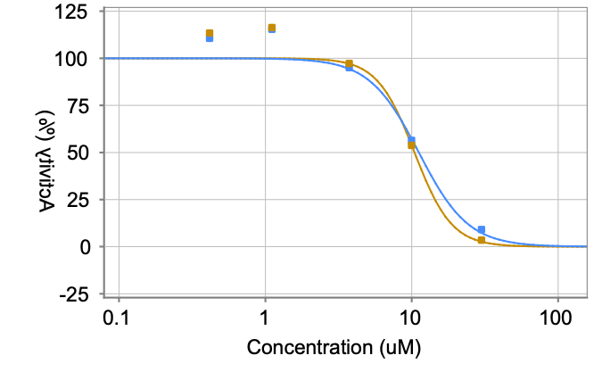
PCM-0178156 | CCCCN(CCCNC(=O)NC1=CN(CC(C)C)C(=O)C2=CC=CC=C12)C1=CC=CC=C1 | E942-0410 | Mpro | 10 | 67615 | 45.8 | 30.5 | 18.7 | 3 | 11.17 | Mpro
PCM-0178156 | CCCCN(CCCNC(=O)NC1=CN(CC(C)C)C(=O)C2=CC=CC=C12)C1=CC=CC=C1 | E942-0410 | Mpro | 10 | 48933 | 36 | 30.5 | 18.7 | 3 | 11.17 | Mpro
PCM-0178156 | CCCCN(CCCNC(=O)NC1=CN(CC(C)C)C(=O)C2=CC=CC=C12)C1=CC=CC=C1 | E942-0410 | Mpro | 10 | 3783 | 3.9 | 30.5 | 18.7 | 3 | 11.17 | Mpro
PCM-0178156 | CCCCN(CCCNC(=O)NC1=CN(CC(C)C)C(=O)C2=CC=CC=C12)C1=CC=CC=C1 | E942-0410 |  |  |  |  | 30.5 | 18.7 | 3 | 11.17 | Mpro
PCM-0178156 | CCCCN(CCCNC(=O)NC1=CN(CC(C)C)C(=O)C2=CC=CC=C12)C1=CC=CC=C1 | E942-0410 |  |  |  |  | 30.5 | 18.7 | 3 | 10.44 | Mpro
PCM-0178156 | CCCCN(CCCNC(=O)NC1=CN(CC(C)C)C(=O)C2=CC=CC=C12)C1=CC=CC=C1 | E942-0410 |  |  |  |  | 30.5 | 18.7 | 3 | 10.44 | Mpro
PCM-0178156 | CCCCN(CCCNC(=O)NC1=CN(CC(C)C)C(=O)C2=CC=CC=C12)C1=CC=CC=C1 | E942-0410 |  |  |  |  | 30.5 | 18.7 | 3 | 10.44 | Mpro
PCM-0178156 | CCCCN(CCCNC(=O)NC1=CN(CC(C)C)C(=O)C2=CC=CC=C12)C1=CC=CC=C1 | E942-0410 |  |  |  |  | 30.5 | 18.7 | 3 | 10.44 | Mpro
PCM-0178156 | CCCCN(CCCNC(=O)NC1=CN(CC(C)C)C(=O)C2=CC=CC=C12)C1=CC=CC=C1 | E942-0410 |  |  |  |  | 30.5 | 18.7 | 3 | 10.44 | Mpro
PCM-0178153 | CC(C)CN1C=C(NC(=O)N2CCC(C2)C2=CC=CC=C2)C2=CC=CC=C2C1=O | E942-0262 | Mpro | 10 | 8792 | 24.2 | 25.2 | 3.4 | 3 | 4.01 | Mpro | 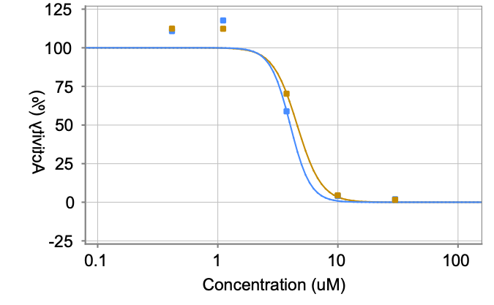
PCM-0178153 | CC(C)CN1C=C(NC(=O)N2CCC(C2)C2=CC=CC=C2)C2=CC=CC=C2C1=O | E942-0262 | Mpro | 10 | 45716 | 29.1 | 25.2 | 3.4 | 3 | 4.01 | Mpro
PCM-0178153 | CC(C)CN1C=C(NC(=O)N2CCC(C2)C2=CC=CC=C2)C2=CC=CC=C2C1=O | E942-0262 | Mpro | 10 | 33620 | 22.4 | 25.2 | 3.4 | 3 | 4.01 | Mpro
PCM-0178153 | CC(C)CN1C=C(NC(=O)N2CCC(C2)C2=CC=CC=C2)C2=CC=CC=C2C1=O | E942-0262 | Mpro | 10 | 3534 | 2.6 | 25.2 | 3.4 | 3 | 4.01 | Mpro
PCM-0178153 | CC(C)CN1C=C(NC(=O)N2CCC(C2)C2=CC=CC=C2)C2=CC=CC=C2C1=O | E942-0262 |  |  |  |  | 25.2 | 3.4 | 3 | 4.01 | Mpro
PCM-0178153 | CC(C)CN1C=C(NC(=O)N2CCC(C2)C2=CC=CC=C2)C2=CC=CC=C2C1=O | E942-0262 |  |  |  |  | 25.2 | 3.4 | 3 | 4.58 | Mpro
PCM-0178153 | CC(C)CN1C=C(NC(=O)N2CCC(C2)C2=CC=CC=C2)C2=CC=CC=C2C1=O | E942-0262 |  |  |  |  | 25.2 | 3.4 | 3 | 4.58 | Mpro
PCM-0178153 | CC(C)CN1C=C(NC(=O)N2CCC(C2)C2=CC=CC=C2)C2=CC=CC=C2C1=O | E942-0262 |  |  |  |  | 25.2 | 3.4 | 3 | 4.58 | Mpro
PCM-0178153 | CC(C)CN1C=C(NC(=O)N2CCC(C2)C2=CC=CC=C2)C2=CC=CC=C2C1=O | E942-0262 |  |  |  |  | 25.2 | 3.4 | 3 | 4.58 | Mpro
PCM-0178153 | CC(C)CN1C=C(NC(=O)N2CCC(C2)C2=CC=CC=C2)C2=CC=CC=C2C1=O | E942-0262 |  |  |  |  | 25.2 | 3.4 | 3 | 4.58 | Mpro
PCM-0178151 | CC(C)CN1C=C(NC(=O)NCCCN2CCCC2=O)C2=CC=CC=C2C1=O | E942-0169 | Mpro | 10 | 8702 | 23.9 | 23.5 | 3.6 | 3 | 4.91 | Mpro | 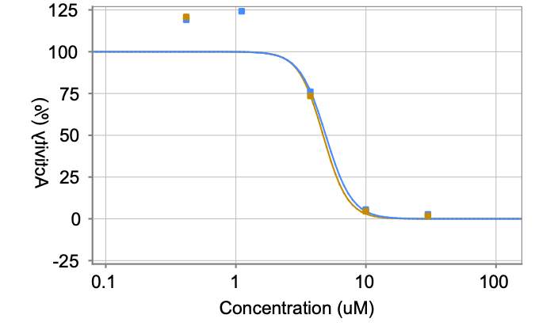
PCM-0178151 | CC(C)CN1C=C(NC(=O)NCCCN2CCCC2=O)C2=CC=CC=C2C1=O | E942-0169 | Mpro | 10 | 42844 | 26.9 | 23.5 | 3.6 | 3 | 4.91 | Mpro
PCM-0178151 | CC(C)CN1C=C(NC(=O)NCCCN2CCCC2=O)C2=CC=CC=C2C1=O | E942-0169 | Mpro | 10 | 30476 | 19.6 | 23.5 | 3.6 | 3 | 4.91 | Mpro
PCM-0178151 | CC(C)CN1C=C(NC(=O)NCCCN2CCCC2=O)C2=CC=CC=C2C1=O | E942-0169 | Mpro | 10 | 2884 | -0.7 | 23.5 | 3.6 | 3 | 4.91 | Mpro
PCM-0178151 | CC(C)CN1C=C(NC(=O)NCCCN2CCCC2=O)C2=CC=CC=C2C1=O | E942-0169 |  |  |  |  | 23.5 | 3.6 | 3 | 4.91 | Mpro
PCM-0178151 | CC(C)CN1C=C(NC(=O)NCCCN2CCCC2=O)C2=CC=CC=C2C1=O | E942-0169 |  |  |  |  | 23.5 | 3.6 | 3 | 4.69 | Mpro
PCM-0178151 | CC(C)CN1C=C(NC(=O)NCCCN2CCCC2=O)C2=CC=CC=C2C1=O | E942-0169 |  |  |  |  | 23.5 | 3.6 | 3 | 4.69 | Mpro
PCM-0178151 | CC(C)CN1C=C(NC(=O)NCCCN2CCCC2=O)C2=CC=CC=C2C1=O | E942-0169 |  |  |  |  | 23.5 | 3.6 | 3 | 4.69 | Mpro
PCM-0178151 | CC(C)CN1C=C(NC(=O)NCCCN2CCCC2=O)C2=CC=CC=C2C1=O | E942-0169 |  |  |  |  | 23.5 | 3.6 | 3 | 4.69 | Mpro
PCM-0178151 | CC(C)CN1C=C(NC(=O)NCCCN2CCCC2=O)C2=CC=CC=C2C1=O | E942-0169 |  |  |  |  | 23.5 | 3.6 | 3 | 4.69 | Mpro
PCM-0177159 | CN1C=C(NC(=O)NC2=CC=CC(=C2)C(C)=O)C2=CC=CC=C2C1=O | E679-0538 | Mpro | 10 | 5584 | 13.6 | 18.1 | 4.5 | 3 | 3.38 | Mpro | 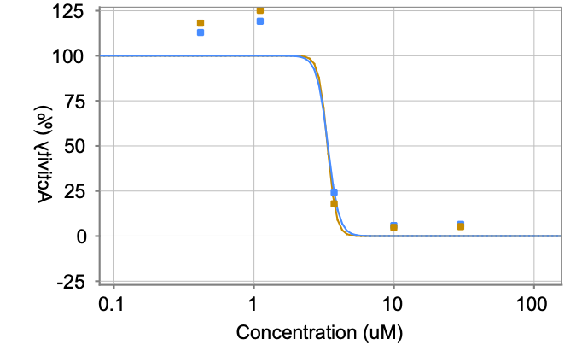
PCM-0177159 | CN1C=C(NC(=O)NC2=CC=CC(=C2)C(C)=O)C2=CC=CC=C2C1=O | E679-0538 | Mpro | 10 | 37383 | 22.7 | 18.1 | 4.5 | 3 | 3.38 | Mpro
PCM-0177159 | CN1C=C(NC(=O)NC2=CC=CC(=C2)C(C)=O)C2=CC=CC=C2C1=O | E679-0538 | Mpro | 10 | 28559 | 17.9 | 18.1 | 4.5 | 3 | 3.38 | Mpro
PCM-0177159 | CN1C=C(NC(=O)NC2=CC=CC(=C2)C(C)=O)C2=CC=CC=C2C1=O | E679-0538 | Mpro | 10 | 4106 | 1.8 | 18.1 | 4.5 | 3 | 3.38 | Mpro
PCM-0177159 | CN1C=C(NC(=O)NC2=CC=CC(=C2)C(C)=O)C2=CC=CC=C2C1=O | E679-0538 |  |  |  |  | 18.1 | 4.5 | 3 | 3.38 | Mpro
PCM-0177159 | CN1C=C(NC(=O)NC2=CC=CC(=C2)C(C)=O)C2=CC=CC=C2C1=O | E679-0538 |  |  |  |  | 18.1 | 4.5 | 3 | 3.35 | Mpro
PCM-0177159 | CN1C=C(NC(=O)NC2=CC=CC(=C2)C(C)=O)C2=CC=CC=C2C1=O | E679-0538 |  |  |  |  | 18.1 | 4.5 | 3 | 3.35 | Mpro
PCM-0177159 | CN1C=C(NC(=O)NC2=CC=CC(=C2)C(C)=O)C2=CC=CC=C2C1=O | E679-0538 |  |  |  |  | 18.1 | 4.5 | 3 | 3.35 | Mpro
PCM-0177159 | CN1C=C(NC(=O)NC2=CC=CC(=C2)C(C)=O)C2=CC=CC=C2C1=O | E679-0538 |  |  |  |  | 18.1 | 4.5 | 3 | 3.35 | Mpro
PCM-0177159 | CN1C=C(NC(=O)NC2=CC=CC(=C2)C(C)=O)C2=CC=CC=C2C1=O | E679-0538 |  |  |  |  | 18.1 | 4.5 | 3 | 3.35 | Mpro
PCM-0177157 | CN1C=C(NC(=O)NCCC2=CC=C(Cl)C=C2)C2=CC=CC=C2C1=O | E679-0453 | Mpro | 10 | 7751 | 20.8 | 25.8 | 5.9 | 3 | 4.85 | Mpro | 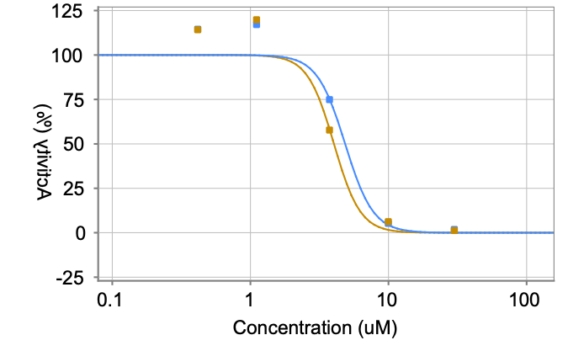
PCM-0177157 | CN1C=C(NC(=O)NCCC2=CC=C(Cl)C=C2)C2=CC=CC=C2C1=O | E679-0453 | Mpro | 10 | 50024 | 32.4 | 25.8 | 5.9 | 3 | 4.85 | Mpro
PCM-0177157 | CN1C=C(NC(=O)NCCC2=CC=C(Cl)C=C2)C2=CC=CC=C2C1=O | E679-0453 | Mpro | 10 | 35758 | 24.3 | 25.8 | 5.9 | 3 | 4.85 | Mpro
PCM-0177157 | CN1C=C(NC(=O)NCCC2=CC=C(Cl)C=C2)C2=CC=CC=C2C1=O | E679-0453 | Mpro | 10 | 4655 | 2.8 | 25.8 | 5.9 | 3 | 4.85 | Mpro
PCM-0177157 | CN1C=C(NC(=O)NCCC2=CC=C(Cl)C=C2)C2=CC=CC=C2C1=O | E679-0453 |  |  |  |  | 25.8 | 5.9 | 3 | 4.85 | Mpro
PCM-0177157 | CN1C=C(NC(=O)NCCC2=CC=C(Cl)C=C2)C2=CC=CC=C2C1=O | E679-0453 |  |  |  |  | 25.8 | 5.9 | 3 | 4.03 | Mpro
PCM-0177157 | CN1C=C(NC(=O)NCCC2=CC=C(Cl)C=C2)C2=CC=CC=C2C1=O | E679-0453 |  |  |  |  | 25.8 | 5.9 | 3 | 4.03 | Mpro
PCM-0177157 | CN1C=C(NC(=O)NCCC2=CC=C(Cl)C=C2)C2=CC=CC=C2C1=O | E679-0453 |  |  |  |  | 25.8 | 5.9 | 3 | 4.03 | Mpro
PCM-0177157 | CN1C=C(NC(=O)NCCC2=CC=C(Cl)C=C2)C2=CC=CC=C2C1=O | E679-0453 |  |  |  |  | 25.8 | 5.9 | 3 | 4.03 | Mpro
PCM-0177157 | CN1C=C(NC(=O)NCCC2=CC=C(Cl)C=C2)C2=CC=CC=C2C1=O | E679-0453 |  |  |  |  | 25.8 | 5.9 | 3 | 4.03 | Mpro
PCM-0177155 | COC1=CC=C(NC(=O)NC2=CN(C)C(=O)C3=CC=CC=C23)C(OC)=C1 | E679-0310 | Mpro | 10 | 7564 | 20.2 | 22.4 | 3.4 | 3 | 4.42 | Mpro | 
PCM-0177155 | COC1=CC=C(NC(=O)NC2=CN(C)C(=O)C3=CC=CC=C23)C(OC)=C1 | E679-0310 | Mpro | 10 | 42204 | 26.4 | 22.4 | 3.4 | 3 | 4.42 | Mpro
PCM-0177155 | COC1=CC=C(NC(=O)NC2=CN(C)C(=O)C3=CC=CC=C23)C(OC)=C1 | E679-0310 | Mpro | 10 | 31717 | 20.7 | 22.4 | 3.4 | 3 | 4.42 | Mpro
PCM-0177155 | COC1=CC=C(NC(=O)NC2=CN(C)C(=O)C3=CC=CC=C23)C(OC)=C1 | E679-0310 | Mpro | 10 | 4217 | 2 | 22.4 | 3.4 | 3 | 4.42 | Mpro
PCM-0177155 | COC1=CC=C(NC(=O)NC2=CN(C)C(=O)C3=CC=CC=C23)C(OC)=C1 | E679-0310 |  |  |  |  | 22.4 | 3.4 | 3 | 4.42 | Mpro
PCM-0177155 | COC1=CC=C(NC(=O)NC2=CN(C)C(=O)C3=CC=CC=C23)C(OC)=C1 | E679-0310 |  |  |  |  | 22.4 | 3.4 | 3 | 3.82 | Mpro
PCM-0177155 | COC1=CC=C(NC(=O)NC2=CN(C)C(=O)C3=CC=CC=C23)C(OC)=C1 | E679-0310 |  |  |  |  | 22.4 | 3.4 | 3 | 3.82 | Mpro
PCM-0177155 | COC1=CC=C(NC(=O)NC2=CN(C)C(=O)C3=CC=CC=C23)C(OC)=C1 | E679-0310 |  |  |  |  | 22.4 | 3.4 | 3 | 3.82 | Mpro
PCM-0177155 | COC1=CC=C(NC(=O)NC2=CN(C)C(=O)C3=CC=CC=C23)C(OC)=C1 | E679-0310 |  |  |  |  | 22.4 | 3.4 | 3 | 3.82 | Mpro
PCM-0177155 | COC1=CC=C(NC(=O)NC2=CN(C)C(=O)C3=CC=CC=C23)C(OC)=C1 | E679-0310 |  |  |  |  | 22.4 | 3.4 | 3 | 3.82 | Mpro
PCM-0177121 | CC(CCC1=CC=CO1)NC(=O)NC1=CN(C)C(=O)C2=CC=CC=C12 | E679-0588 | Mpro | 10 | 9691 | 27.2 | 26.5 | 5.4 | 3 | 4.18 | Mpro | 
PCM-0177121 | CC(CCC1=CC=CO1)NC(=O)NC1=CN(C)C(=O)C2=CC=CC=C12 | E679-0588 | Mpro | 10 | 49050 | 31.6 | 26.5 | 5.4 | 3 | 4.18 | Mpro
PCM-0177121 | CC(CCC1=CC=CO1)NC(=O)NC1=CN(C)C(=O)C2=CC=CC=C12 | E679-0588 | Mpro | 10 | 31796 | 20.8 | 26.5 | 5.4 | 3 | 4.18 | Mpro
PCM-0177121 | CC(CCC1=CC=CO1)NC(=O)NC1=CN(C)C(=O)C2=CC=CC=C12 | E679-0588 | Mpro | 10 | 4610 | 2.7 | 26.5 | 5.4 | 3 | 4.18 | Mpro
PCM-0177121 | CC(CCC1=CC=CO1)NC(=O)NC1=CN(C)C(=O)C2=CC=CC=C12 | E679-0588 |  |  |  |  | 26.5 | 5.4 | 3 | 4.18 | Mpro
PCM-0177121 | CC(CCC1=CC=CO1)NC(=O)NC1=CN(C)C(=O)C2=CC=CC=C12 | E679-0588 |  |  |  |  | 26.5 | 5.4 | 3 | 3.57 | Mpro
PCM-0177121 | CC(CCC1=CC=CO1)NC(=O)NC1=CN(C)C(=O)C2=CC=CC=C12 | E679-0588 |  |  |  |  | 26.5 | 5.4 | 3 | 3.57 | Mpro
PCM-0177121 | CC(CCC1=CC=CO1)NC(=O)NC1=CN(C)C(=O)C2=CC=CC=C12 | E679-0588 |  |  |  |  | 26.5 | 5.4 | 3 | 3.57 | Mpro
PCM-0177121 | CC(CCC1=CC=CO1)NC(=O)NC1=CN(C)C(=O)C2=CC=CC=C12 | E679-0588 |  |  |  |  | 26.5 | 5.4 | 3 | 3.57 | Mpro
PCM-0177121 | CC(CCC1=CC=CO1)NC(=O)NC1=CN(C)C(=O)C2=CC=CC=C12 | E679-0588 |  |  |  |  | 26.5 | 5.4 | 3 | 3.57 | Mpro
PCM-0177115 | CN1C=C(NC(=O)NC2=CC=CC(=C2)C(F)(F)F)C2=CC=CC=C2C1=O | E679-0303 | Mpro | 10 | 7214 | 19 | 18.2 | 3.1 | 3 | 3.52 | Mpro | 
PCM-0177115 | CN1C=C(NC(=O)NC2=CC=CC(=C2)C(F)(F)F)C2=CC=CC=C2C1=O | E679-0303 | Mpro | 10 | 34953 | 20.9 | 18.2 | 3.1 | 3 | 3.52 | Mpro
PCM-0177115 | CN1C=C(NC(=O)NC2=CC=CC(=C2)C(F)(F)F)C2=CC=CC=C2C1=O | E679-0303 | Mpro | 10 | 24941 | 14.7 | 18.2 | 3.1 | 3 | 3.52 | Mpro
PCM-0177115 | CN1C=C(NC(=O)NC2=CC=CC(=C2)C(F)(F)F)C2=CC=CC=C2C1=O | E679-0303 | Mpro | 10 | 4199 | 1.9 | 18.2 | 3.1 | 3 | 3.52 | Mpro
PCM-0177115 | CN1C=C(NC(=O)NC2=CC=CC(=C2)C(F)(F)F)C2=CC=CC=C2C1=O | E679-0303 |  |  |  |  | 18.2 | 3.1 | 3 | 3.52 | Mpro
PCM-0177115 | CN1C=C(NC(=O)NC2=CC=CC(=C2)C(F)(F)F)C2=CC=CC=C2C1=O | E679-0303 |  |  |  |  | 18.2 | 3.1 | 3 | 3.51 | Mpro
PCM-0177115 | CN1C=C(NC(=O)NC2=CC=CC(=C2)C(F)(F)F)C2=CC=CC=C2C1=O | E679-0303 |  |  |  |  | 18.2 | 3.1 | 3 | 3.51 | Mpro
PCM-0177115 | CN1C=C(NC(=O)NC2=CC=CC(=C2)C(F)(F)F)C2=CC=CC=C2C1=O | E679-0303 |  |  |  |  | 18.2 | 3.1 | 3 | 3.51 | Mpro
PCM-0177115 | CN1C=C(NC(=O)NC2=CC=CC(=C2)C(F)(F)F)C2=CC=CC=C2C1=O | E679-0303 |  |  |  |  | 18.2 | 3.1 | 3 | 3.51 | Mpro
PCM-0177115 | CN1C=C(NC(=O)NC2=CC=CC(=C2)C(F)(F)F)C2=CC=CC=C2C1=O | E679-0303 |  |  |  |  | 18.2 | 3.1 | 3 | 3.51 | Mpro
PCM-0177081 | CN1C=C(NC(=O)NCCC2=CSC=C2)C2=CC=CC=C2C1=O | E679-0585 | Mpro | 10 | 5826 | 14.4 | 15.3 | 1.5 | 3 | 3.77 | Mpro | 
PCM-0177081 | CN1C=C(NC(=O)NCCC2=CSC=C2)C2=CC=CC=C2C1=O | E679-0585 | Mpro | 10 | 29961 | 17 | 15.3 | 1.5 | 3 | 3.77 | Mpro
PCM-0177081 | CN1C=C(NC(=O)NCCC2=CSC=C2)C2=CC=CC=C2C1=O | E679-0585 | Mpro | 10 | 24571 | 14.4 | 15.3 | 1.5 | 3 | 3.77 | Mpro
PCM-0177081 | CN1C=C(NC(=O)NCCC2=CSC=C2)C2=CC=CC=C2C1=O | E679-0585 | Mpro | 10 | 3910 | 1.4 | 15.3 | 1.5 | 3 | 3.77 | Mpro
PCM-0177081 | CN1C=C(NC(=O)NCCC2=CSC=C2)C2=CC=CC=C2C1=O | E679-0585 |  |  |  |  | 15.3 | 1.5 | 3 | 3.77 | Mpro
PCM-0177081 | CN1C=C(NC(=O)NCCC2=CSC=C2)C2=CC=CC=C2C1=O | E679-0585 |  |  |  |  | 15.3 | 1.5 | 3 | 3.57 | Mpro
PCM-0177081 | CN1C=C(NC(=O)NCCC2=CSC=C2)C2=CC=CC=C2C1=O | E679-0585 |  |  |  |  | 15.3 | 1.5 | 3 | 3.57 | Mpro
PCM-0177081 | CN1C=C(NC(=O)NCCC2=CSC=C2)C2=CC=CC=C2C1=O | E679-0585 |  |  |  |  | 15.3 | 1.5 | 3 | 3.57 | Mpro
PCM-0177081 | CN1C=C(NC(=O)NCCC2=CSC=C2)C2=CC=CC=C2C1=O | E679-0585 |  |  |  |  | 15.3 | 1.5 | 3 | 3.57 | Mpro
PCM-0177081 | CN1C=C(NC(=O)NCCC2=CSC=C2)C2=CC=CC=C2C1=O | E679-0585 |  |  |  |  | 15.3 | 1.5 | 3 | 3.57 | Mpro
PCM-0177079 | COC1=CC(CNC(=O)NC2=CN(C)C(=O)C3=CC=CC=C23)=C(OC)C=C1 | E679-0501 | Mpro | 10 | 7696 | 20.6 | 20 | 2.2 | 3 | 3.47 | Mpro | 
PCM-0177079 | COC1=CC(CNC(=O)NC2=CN(C)C(=O)C3=CC=CC=C23)=C(OC)C=C1 | E679-0501 | Mpro | 10 | 36170 | 21.8 | 20 | 2.2 | 3 | 3.47 | Mpro
PCM-0177079 | COC1=CC(CNC(=O)NC2=CN(C)C(=O)C3=CC=CC=C23)=C(OC)C=C1 | E679-0501 | Mpro | 10 | 28114 | 17.6 | 20 | 2.2 | 3 | 3.47 | Mpro
PCM-0177079 | COC1=CC(CNC(=O)NC2=CN(C)C(=O)C3=CC=CC=C23)=C(OC)C=C1 | E679-0501 | Mpro | 10 | 4186 | 1.9 | 20 | 2.2 | 3 | 3.47 | Mpro
PCM-0177079 | COC1=CC(CNC(=O)NC2=CN(C)C(=O)C3=CC=CC=C23)=C(OC)C=C1 | E679-0501 |  |  |  |  | 20 | 2.2 | 3 | 3.47 | Mpro
PCM-0177079 | COC1=CC(CNC(=O)NC2=CN(C)C(=O)C3=CC=CC=C23)=C(OC)C=C1 | E679-0501 |  |  |  |  | 20 | 2.2 | 3 | 3.42 | Mpro
PCM-0177079 | COC1=CC(CNC(=O)NC2=CN(C)C(=O)C3=CC=CC=C23)=C(OC)C=C1 | E679-0501 |  |  |  |  | 20 | 2.2 | 3 | 3.42 | Mpro
PCM-0177079 | COC1=CC(CNC(=O)NC2=CN(C)C(=O)C3=CC=CC=C23)=C(OC)C=C1 | E679-0501 |  |  |  |  | 20 | 2.2 | 3 | 3.42 | Mpro
PCM-0177079 | COC1=CC(CNC(=O)NC2=CN(C)C(=O)C3=CC=CC=C23)=C(OC)C=C1 | E679-0501 |  |  |  |  | 20 | 2.2 | 3 | 3.42 | Mpro
PCM-0177079 | COC1=CC(CNC(=O)NC2=CN(C)C(=O)C3=CC=CC=C23)=C(OC)C=C1 | E679-0501 |  |  |  |  | 20 | 2.2 | 3 | 3.42 | Mpro
PCM-0177041 | CC(C)OCCCN(CC1=CC=CO1)C(=O)NC1=CN(C)C(=O)C2=CC=CC=C12 | E679-0575 | Mpro | 10 | 12881 | 37.7 | 37.9 | 5.7 | 3 | 7.86 | Mpro | 
PCM-0177041 | CC(C)OCCCN(CC1=CC=CO1)C(=O)NC1=CN(C)C(=O)C2=CC=CC=C12 | E679-0575 | Mpro | 10 | 64767 | 43.6 | 37.9 | 5.7 | 3 | 7.86 | Mpro
PCM-0177041 | CC(C)OCCCN(CC1=CC=CO1)C(=O)NC1=CN(C)C(=O)C2=CC=CC=C12 | E679-0575 | Mpro | 10 | 44652 | 32.2 | 37.9 | 5.7 | 3 | 7.86 | Mpro
PCM-0177041 | CC(C)OCCCN(CC1=CC=CO1)C(=O)NC1=CN(C)C(=O)C2=CC=CC=C12 | E679-0575 | Mpro | 10 | 5051 | 3.5 | 37.9 | 5.7 | 3 | 7.86 | Mpro
PCM-0177041 | CC(C)OCCCN(CC1=CC=CO1)C(=O)NC1=CN(C)C(=O)C2=CC=CC=C12 | E679-0575 |  |  |  |  | 37.9 | 5.7 | 3 | 7.86 | Mpro
PCM-0177041 | CC(C)OCCCN(CC1=CC=CO1)C(=O)NC1=CN(C)C(=O)C2=CC=CC=C12 | E679-0575 |  |  |  |  | 37.9 | 5.7 | 3 | 7.86 | Mpro
PCM-0177041 | CC(C)OCCCN(CC1=CC=CO1)C(=O)NC1=CN(C)C(=O)C2=CC=CC=C12 | E679-0575 |  |  |  |  | 37.9 | 5.7 | 3 | 7.86 | Mpro
PCM-0177041 | CC(C)OCCCN(CC1=CC=CO1)C(=O)NC1=CN(C)C(=O)C2=CC=CC=C12 | E679-0575 |  |  |  |  | 37.9 | 5.7 | 3 | 7.86 | Mpro
PCM-0177041 | CC(C)OCCCN(CC1=CC=CO1)C(=O)NC1=CN(C)C(=O)C2=CC=CC=C12 | E679-0575 |  |  |  |  | 37.9 | 5.7 | 3 | 7.86 | Mpro
PCM-0177041 | CC(C)OCCCN(CC1=CC=CO1)C(=O)NC1=CN(C)C(=O)C2=CC=CC=C12 | E679-0575 |  |  |  |  | 37.9 | 5.7 | 3 | 7.86 | Mpro
PCM-0177039 | CN1C=C(NC(=O)NCCCN2CCC3=C(C2)C=CC=C3)C2=CC=CC=C2C1=O | E679-0491 | Mpro | 10 | 9120 | 25.3 | 27.8 | 4.7 | 3 | 5.47 | Mpro | 
PCM-0177039 | CN1C=C(NC(=O)NCCCN2CCC3=C(C2)C=CC=C3)C2=CC=CC=C2C1=O | E679-0491 | Mpro | 10 | 51043 | 33.2 | 27.8 | 4.7 | 3 | 5.47 | Mpro
PCM-0177039 | CN1C=C(NC(=O)NCCCN2CCC3=C(C2)C=CC=C3)C2=CC=CC=C2C1=O | E679-0491 | Mpro | 10 | 36397 | 24.9 | 27.8 | 4.7 | 3 | 5.47 | Mpro
PCM-0177039 | CN1C=C(NC(=O)NCCCN2CCC3=C(C2)C=CC=C3)C2=CC=CC=C2C1=O | E679-0491 | Mpro | 10 | 4288 | 2.1 | 27.8 | 4.7 | 3 | 5.47 | Mpro
PCM-0177039 | CN1C=C(NC(=O)NCCCN2CCC3=C(C2)C=CC=C3)C2=CC=CC=C2C1=O | E679-0491 |  |  |  |  | 27.8 | 4.7 | 3 | 5.47 | Mpro
PCM-0177039 | CN1C=C(NC(=O)NCCCN2CCC3=C(C2)C=CC=C3)C2=CC=CC=C2C1=O | E679-0491 |  |  |  |  | 27.8 | 4.7 | 3 | 4.58 | Mpro
PCM-0177039 | CN1C=C(NC(=O)NCCCN2CCC3=C(C2)C=CC=C3)C2=CC=CC=C2C1=O | E679-0491 |  |  |  |  | 27.8 | 4.7 | 3 | 4.58 | Mpro
PCM-0177039 | CN1C=C(NC(=O)NCCCN2CCC3=C(C2)C=CC=C3)C2=CC=CC=C2C1=O | E679-0491 |  |  |  |  | 27.8 | 4.7 | 3 | 4.58 | Mpro
PCM-0177039 | CN1C=C(NC(=O)NCCCN2CCC3=C(C2)C=CC=C3)C2=CC=CC=C2C1=O | E679-0491 |  |  |  |  | 27.8 | 4.7 | 3 | 4.58 | Mpro
PCM-0177039 | CN1C=C(NC(=O)NCCCN2CCC3=C(C2)C=CC=C3)C2=CC=CC=C2C1=O | E679-0491 |  |  |  |  | 27.8 | 4.7 | 3 | 4.58 | Mpro
PCM-0177001 | CN1C=C(NC(=O)N(CC2CCCO2)CC2=CC=CO2)C2=CC=CC=C2C1=O | E679-0569 | Mpro | 10 | 7790 | 20.9 | 23.8 | 2.9 | 3 | 3.58 | Mpro | 
PCM-0177001 | CN1C=C(NC(=O)N(CC2CCCO2)CC2=CC=CO2)C2=CC=CC=C2C1=O | E679-0569 | Mpro | 10 | 42579 | 26.7 | 23.8 | 2.9 | 3 | 3.58 | Mpro
PCM-0177001 | CN1C=C(NC(=O)N(CC2CCCO2)CC2=CC=CO2)C2=CC=CC=C2C1=O | E679-0569 | Mpro | 10 | 35052 | 23.7 | 23.8 | 2.9 | 3 | 3.58 | Mpro
PCM-0177001 | CN1C=C(NC(=O)N(CC2CCCO2)CC2=CC=CO2)C2=CC=CC=C2C1=O | E679-0569 | Mpro | 10 | 3764 | 1.1 | 23.8 | 2.9 | 3 | 3.58 | Mpro
PCM-0177001 | CN1C=C(NC(=O)N(CC2CCCO2)CC2=CC=CO2)C2=CC=CC=C2C1=O | E679-0569 |  |  |  |  | 23.8 | 2.9 | 3 | 3.58 | Mpro
PCM-0177001 | CN1C=C(NC(=O)N(CC2CCCO2)CC2=CC=CO2)C2=CC=CC=C2C1=O | E679-0569 |  |  |  |  | 23.8 | 2.9 | 3 | 3.91 | Mpro
PCM-0177001 | CN1C=C(NC(=O)N(CC2CCCO2)CC2=CC=CO2)C2=CC=CC=C2C1=O | E679-0569 |  |  |  |  | 23.8 | 2.9 | 3 | 3.91 | Mpro
PCM-0177001 | CN1C=C(NC(=O)N(CC2CCCO2)CC2=CC=CO2)C2=CC=CC=C2C1=O | E679-0569 |  |  |  |  | 23.8 | 2.9 | 3 | 3.91 | Mpro
PCM-0177001 | CN1C=C(NC(=O)N(CC2CCCO2)CC2=CC=CO2)C2=CC=CC=C2C1=O | E679-0569 |  |  |  |  | 23.8 | 2.9 | 3 | 3.91 | Mpro
PCM-0177001 | CN1C=C(NC(=O)N(CC2CCCO2)CC2=CC=CO2)C2=CC=CC=C2C1=O | E679-0569 |  |  |  |  | 23.8 | 2.9 | 3 | 3.91 | Mpro
PCM-0176999 | CCOC(=O)N1CCC(CC1)NC(=O)NC1=CN(C)C(=O)C2=CC=CC=C12 | E679-0475 | Mpro | 10 | 6398 | 16.3 | 19.1 | 2.5 | 3 | 6.16 | Mpro | 
PCM-0176999 | CCOC(=O)N1CCC(CC1)NC(=O)NC1=CN(C)C(=O)C2=CC=CC=C12 | E679-0475 | Mpro | 10 | 35249 | 21.1 | 19.1 | 2.5 | 3 | 6.16 | Mpro
PCM-0176999 | CCOC(=O)N1CCC(CC1)NC(=O)NC1=CN(C)C(=O)C2=CC=CC=C12 | E679-0475 | Mpro | 10 | 30663 | 19.8 | 19.1 | 2.5 | 3 | 6.16 | Mpro
PCM-0176999 | CCOC(=O)N1CCC(CC1)NC(=O)NC1=CN(C)C(=O)C2=CC=CC=C12 | E679-0475 | Mpro | 10 | 3716 | 1 | 19.1 | 2.5 | 3 | 6.16 | Mpro
PCM-0176999 | CCOC(=O)N1CCC(CC1)NC(=O)NC1=CN(C)C(=O)C2=CC=CC=C12 | E679-0475 |  |  |  |  | 19.1 | 2.5 | 3 | 6.16 | Mpro
PCM-0176999 | CCOC(=O)N1CCC(CC1)NC(=O)NC1=CN(C)C(=O)C2=CC=CC=C12 | E679-0475 |  |  |  |  | 19.1 | 2.5 | 3 | 4.86 | Mpro
PCM-0176999 | CCOC(=O)N1CCC(CC1)NC(=O)NC1=CN(C)C(=O)C2=CC=CC=C12 | E679-0475 |  |  |  |  | 19.1 | 2.5 | 3 | 4.86 | Mpro
PCM-0176999 | CCOC(=O)N1CCC(CC1)NC(=O)NC1=CN(C)C(=O)C2=CC=CC=C12 | E679-0475 |  |  |  |  | 19.1 | 2.5 | 3 | 4.86 | Mpro
PCM-0176999 | CCOC(=O)N1CCC(CC1)NC(=O)NC1=CN(C)C(=O)C2=CC=CC=C12 | E679-0475 |  |  |  |  | 19.1 | 2.5 | 3 | 4.86 | Mpro
PCM-0176999 | CCOC(=O)N1CCC(CC1)NC(=O)NC1=CN(C)C(=O)C2=CC=CC=C12 | E679-0475 |  |  |  |  | 19.1 | 2.5 | 3 | 4.86 | Mpro
PCM-0176997 | COC1=CC(Cl)=C(C)C=C1NC(=O)NC1=CN(C)C(=O)C2=CC=CC=C12 | E679-0392 | Mpro | 10 | 6649 | 17.1 | 19.4 | 2.1 | 3 | 3.46 | Mpro | 
PCM-0176997 | COC1=CC(Cl)=C(C)C=C1NC(=O)NC1=CN(C)C(=O)C2=CC=CC=C12 | E679-0392 | Mpro | 10 | 35381 | 21.2 | 19.4 | 2.1 | 3 | 3.46 | Mpro
PCM-0176997 | COC1=CC(Cl)=C(C)C=C1NC(=O)NC1=CN(C)C(=O)C2=CC=CC=C12 | E679-0392 | Mpro | 10 | 30638 | 19.8 | 19.4 | 2.1 | 3 | 3.46 | Mpro
PCM-0176997 | COC1=CC(Cl)=C(C)C=C1NC(=O)NC1=CN(C)C(=O)C2=CC=CC=C12 | E679-0392 | Mpro | 10 | 3651 | 0.9 | 19.4 | 2.1 | 3 | 3.46 | Mpro
PCM-0176997 | COC1=CC(Cl)=C(C)C=C1NC(=O)NC1=CN(C)C(=O)C2=CC=CC=C12 | E679-0392 |  |  |  |  | 19.4 | 2.1 | 3 | 3.46 | Mpro
PCM-0176997 | COC1=CC(Cl)=C(C)C=C1NC(=O)NC1=CN(C)C(=O)C2=CC=CC=C12 | E679-0392 |  |  |  |  | 19.4 | 2.1 | 3 | 3.64 | Mpro
PCM-0176997 | COC1=CC(Cl)=C(C)C=C1NC(=O)NC1=CN(C)C(=O)C2=CC=CC=C12 | E679-0392 |  |  |  |  | 19.4 | 2.1 | 3 | 3.64 | Mpro
PCM-0176997 | COC1=CC(Cl)=C(C)C=C1NC(=O)NC1=CN(C)C(=O)C2=CC=CC=C12 | E679-0392 |  |  |  |  | 19.4 | 2.1 | 3 | 3.64 | Mpro
PCM-0176997 | COC1=CC(Cl)=C(C)C=C1NC(=O)NC1=CN(C)C(=O)C2=CC=CC=C12 | E679-0392 |  |  |  |  | 19.4 | 2.1 | 3 | 3.64 | Mpro
PCM-0176997 | COC1=CC(Cl)=C(C)C=C1NC(=O)NC1=CN(C)C(=O)C2=CC=CC=C12 | E679-0392 |  |  |  |  | 19.4 | 2.1 | 3 | 3.64 | Mpro
PCM-0176957 | CN1C=C(NC(=O)NCC2=CC=CC=N2)C2=CC=CC=C2C1=O | E679-0361 | Mpro | 10 | 3725 | 7.5 | 7.7 | 1.6 | 3 | 3.37 | Mpro | 
PCM-0176957 | CN1C=C(NC(=O)NCC2=CC=CC=N2)C2=CC=CC=C2C1=O | E679-0361 | Mpro | 10 | 20075 | 9.5 | 7.7 | 1.6 | 3 | 3.37 | Mpro
PCM-0176957 | CN1C=C(NC(=O)NCC2=CC=CC=N2)C2=CC=CC=C2C1=O | E679-0361 | Mpro | 10 | 15354 | 6.2 | 7.7 | 1.6 | 3 | 3.37 | Mpro
PCM-0176957 | CN1C=C(NC(=O)NCC2=CC=CC=N2)C2=CC=CC=C2C1=O | E679-0361 | Mpro | 10 | 4008 | 1.6 | 7.7 | 1.6 | 3 | 3.37 | Mpro
PCM-0176957 | CN1C=C(NC(=O)NCC2=CC=CC=N2)C2=CC=CC=C2C1=O | E679-0361 |  |  |  |  | 7.7 | 1.6 | 3 | 3.37 | Mpro
PCM-0176957 | CN1C=C(NC(=O)NCC2=CC=CC=N2)C2=CC=CC=C2C1=O | E679-0361 |  |  |  |  | 7.7 | 1.6 | 3 | 3.62 | Mpro
PCM-0176957 | CN1C=C(NC(=O)NCC2=CC=CC=N2)C2=CC=CC=C2C1=O | E679-0361 |  |  |  |  | 7.7 | 1.6 | 3 | 3.62 | Mpro
PCM-0176957 | CN1C=C(NC(=O)NCC2=CC=CC=N2)C2=CC=CC=C2C1=O | E679-0361 |  |  |  |  | 7.7 | 1.6 | 3 | 3.62 | Mpro
PCM-0176957 | CN1C=C(NC(=O)NCC2=CC=CC=N2)C2=CC=CC=C2C1=O | E679-0361 |  |  |  |  | 7.7 | 1.6 | 3 | 3.62 | Mpro
PCM-0176957 | CN1C=C(NC(=O)NCC2=CC=CC=N2)C2=CC=CC=C2C1=O | E679-0361 |  |  |  |  | 7.7 | 1.6 | 3 | 3.62 | Mpro
PCM-0176921 | CCN(CC)S(=O)(=O)C1=CC=C(NC(=O)NC2=CN(C)C(=O)C3=CC=CC=C23)C=C1 | E679-0552 | Mpro | 10 | 8693 | 23.9 | 26.4 | 4 | 3 | 5.79 | Mpro | 
PCM-0176921 | CCN(CC)S(=O)(=O)C1=CC=C(NC(=O)NC2=CN(C)C(=O)C3=CC=CC=C23)C=C1 | E679-0552 | Mpro | 10 | 48220 | 31 | 26.4 | 4 | 3 | 5.79 | Mpro
PCM-0176921 | CCN(CC)S(=O)(=O)C1=CC=C(NC(=O)NC2=CN(C)C(=O)C3=CC=CC=C23)C=C1 | E679-0552 | Mpro | 10 | 35634 | 24.2 | 26.4 | 4 | 3 | 5.79 | Mpro
PCM-0176921 | CCN(CC)S(=O)(=O)C1=CC=C(NC(=O)NC2=CN(C)C(=O)C3=CC=CC=C23)C=C1 | E679-0552 | Mpro | 10 | 3915 | 1.4 | 26.4 | 4 | 3 | 5.79 | Mpro
PCM-0176921 | CCN(CC)S(=O)(=O)C1=CC=C(NC(=O)NC2=CN(C)C(=O)C3=CC=CC=C23)C=C1 | E679-0552 |  |  |  |  | 26.4 | 4 | 3 | 5.79 | Mpro
PCM-0176921 | CCN(CC)S(=O)(=O)C1=CC=C(NC(=O)NC2=CN(C)C(=O)C3=CC=CC=C23)C=C1 | E679-0552 |  |  |  |  | 26.4 | 4 | 3 | 5.56 | Mpro
PCM-0176921 | CCN(CC)S(=O)(=O)C1=CC=C(NC(=O)NC2=CN(C)C(=O)C3=CC=CC=C23)C=C1 | E679-0552 |  |  |  |  | 26.4 | 4 | 3 | 5.56 | Mpro
PCM-0176921 | CCN(CC)S(=O)(=O)C1=CC=C(NC(=O)NC2=CN(C)C(=O)C3=CC=CC=C23)C=C1 | E679-0552 |  |  |  |  | 26.4 | 4 | 3 | 5.56 | Mpro
PCM-0176921 | CCN(CC)S(=O)(=O)C1=CC=C(NC(=O)NC2=CN(C)C(=O)C3=CC=CC=C23)C=C1 | E679-0552 |  |  |  |  | 26.4 | 4 | 3 | 5.56 | Mpro
PCM-0176921 | CCN(CC)S(=O)(=O)C1=CC=C(NC(=O)NC2=CN(C)C(=O)C3=CC=CC=C23)C=C1 | E679-0552 |  |  |  |  | 26.4 | 4 | 3 | 5.56 | Mpro
PCM-0176881 | COC1=CC2=C(C=C1OC)C(C)N(CC2)C(=O)NC1=CN(C)C(=O)C2=CC=CC=C12 | E679-0549 | Mpro | 10 | 14916 | 44.4 | 49.9 | 10.2 | 3 | 8.59 | Mpro | 
PCM-0176881 | COC1=CC2=C(C=C1OC)C(C)N(CC2)C(=O)NC1=CN(C)C(=O)C2=CC=CC=C12 | E679-0549 | Mpro | 10 | 88368 | 61.7 | 49.9 | 10.2 | 3 | 8.59 | Mpro
PCM-0176881 | COC1=CC2=C(C=C1OC)C(C)N(CC2)C(=O)NC1=CN(C)C(=O)C2=CC=CC=C12 | E679-0549 | Mpro | 10 | 57605 | 43.7 | 49.9 | 10.2 | 3 | 8.59 | Mpro
PCM-0176881 | COC1=CC2=C(C=C1OC)C(C)N(CC2)C(=O)NC1=CN(C)C(=O)C2=CC=CC=C12 | E679-0549 | Mpro | 10 | 5723 | 4.8 | 49.9 | 10.2 | 3 | 8.59 | Mpro
PCM-0176881 | COC1=CC2=C(C=C1OC)C(C)N(CC2)C(=O)NC1=CN(C)C(=O)C2=CC=CC=C12 | E679-0549 |  |  |  |  | 49.9 | 10.2 | 3 | 8.59 | Mpro
PCM-0176881 | COC1=CC2=C(C=C1OC)C(C)N(CC2)C(=O)NC1=CN(C)C(=O)C2=CC=CC=C12 | E679-0549 |  |  |  |  | 49.9 | 10.2 | 3 | 10.58 | Mpro
PCM-0176881 | COC1=CC2=C(C=C1OC)C(C)N(CC2)C(=O)NC1=CN(C)C(=O)C2=CC=CC=C12 | E679-0549 |  |  |  |  | 49.9 | 10.2 | 3 | 10.58 | Mpro
PCM-0176881 | COC1=CC2=C(C=C1OC)C(C)N(CC2)C(=O)NC1=CN(C)C(=O)C2=CC=CC=C12 | E679-0549 |  |  |  |  | 49.9 | 10.2 | 3 | 10.58 | Mpro
PCM-0176881 | COC1=CC2=C(C=C1OC)C(C)N(CC2)C(=O)NC1=CN(C)C(=O)C2=CC=CC=C12 | E679-0549 |  |  |  |  | 49.9 | 10.2 | 3 | 10.58 | Mpro
PCM-0176881 | COC1=CC2=C(C=C1OC)C(C)N(CC2)C(=O)NC1=CN(C)C(=O)C2=CC=CC=C12 | E679-0549 |  |  |  |  | 49.9 | 10.2 | 3 | 10.58 | Mpro
PCM-0176879 | CN1C=C(NC(=O)N2CCN(CC2)C(=O)C2=CC=CO2)C2=CC=CC=C2C1=O | E679-0458 | Mpro | 10 | 11762 | 34 | 39.3 | 9.5 | 3 | 8.31 | Mpro | 
PCM-0176879 | CN1C=C(NC(=O)N2CCN(CC2)C(=O)C2=CC=CO2)C2=CC=CC=C2C1=O | E679-0458 | Mpro | 10 | 73390 | 50.2 | 39.3 | 9.5 | 3 | 8.31 | Mpro
PCM-0176879 | CN1C=C(NC(=O)N2CCN(CC2)C(=O)C2=CC=CO2)C2=CC=CC=C2C1=O | E679-0458 | Mpro | 10 | 46212 | 33.6 | 39.3 | 9.5 | 3 | 8.31 | Mpro
PCM-0176879 | CN1C=C(NC(=O)N2CCN(CC2)C(=O)C2=CC=CO2)C2=CC=CC=C2C1=O | E679-0458 | Mpro | 10 | 4835 | 3.1 | 39.3 | 9.5 | 3 | 8.31 | Mpro
PCM-0176879 | CN1C=C(NC(=O)N2CCN(CC2)C(=O)C2=CC=CO2)C2=CC=CC=C2C1=O | E679-0458 |  |  |  |  | 39.3 | 9.5 | 3 | 8.31 | Mpro
PCM-0176879 | CN1C=C(NC(=O)N2CCN(CC2)C(=O)C2=CC=CO2)C2=CC=CC=C2C1=O | E679-0458 |  |  |  |  | 39.3 | 9.5 | 3 | 6.84 | Mpro
PCM-0176879 | CN1C=C(NC(=O)N2CCN(CC2)C(=O)C2=CC=CO2)C2=CC=CC=C2C1=O | E679-0458 |  |  |  |  | 39.3 | 9.5 | 3 | 6.84 | Mpro
PCM-0176879 | CN1C=C(NC(=O)N2CCN(CC2)C(=O)C2=CC=CO2)C2=CC=CC=C2C1=O | E679-0458 |  |  |  |  | 39.3 | 9.5 | 3 | 6.84 | Mpro
PCM-0176879 | CN1C=C(NC(=O)N2CCN(CC2)C(=O)C2=CC=CO2)C2=CC=CC=C2C1=O | E679-0458 |  |  |  |  | 39.3 | 9.5 | 3 | 6.84 | Mpro
PCM-0176879 | CN1C=C(NC(=O)N2CCN(CC2)C(=O)C2=CC=CO2)C2=CC=CC=C2C1=O | E679-0458 |  |  |  |  | 39.3 | 9.5 | 3 | 6.84 | Mpro
PCM-0176877 | COC1=CC=C(NC(=O)NC2=CN(C)C(=O)C3=CC=CC=C23)C=C1OC | E679-0312 | Mpro | 10 | 10580 | 30.1 | 34.2 | 7.3 | 3 | 4.92 | Mpro | 
PCM-0176877 | COC1=CC=C(NC(=O)NC2=CN(C)C(=O)C3=CC=CC=C23)C=C1OC | E679-0312 | Mpro | 10 | 63327 | 42.5 | 34.2 | 7.3 | 3 | 4.92 | Mpro
PCM-0176877 | COC1=CC=C(NC(=O)NC2=CN(C)C(=O)C3=CC=CC=C23)C=C1OC | E679-0312 | Mpro | 10 | 41971 | 29.8 | 34.2 | 7.3 | 3 | 4.92 | Mpro
PCM-0176877 | COC1=CC=C(NC(=O)NC2=CN(C)C(=O)C3=CC=CC=C23)C=C1OC | E679-0312 | Mpro | 10 | 5707 | 4.8 | 34.2 | 7.3 | 3 | 4.92 | Mpro
PCM-0176877 | COC1=CC=C(NC(=O)NC2=CN(C)C(=O)C3=CC=CC=C23)C=C1OC | E679-0312 |  |  |  |  | 34.2 | 7.3 | 3 | 4.92 | Mpro
PCM-0176877 | COC1=CC=C(NC(=O)NC2=CN(C)C(=O)C3=CC=CC=C23)C=C1OC | E679-0312 |  |  |  |  | 34.2 | 7.3 | 3 | 3.83 | Mpro
PCM-0176877 | COC1=CC=C(NC(=O)NC2=CN(C)C(=O)C3=CC=CC=C23)C=C1OC | E679-0312 |  |  |  |  | 34.2 | 7.3 | 3 | 3.83 | Mpro
PCM-0176877 | COC1=CC=C(NC(=O)NC2=CN(C)C(=O)C3=CC=CC=C23)C=C1OC | E679-0312 |  |  |  |  | 34.2 | 7.3 | 3 | 3.83 | Mpro
PCM-0176877 | COC1=CC=C(NC(=O)NC2=CN(C)C(=O)C3=CC=CC=C23)C=C1OC | E679-0312 |  |  |  |  | 34.2 | 7.3 | 3 | 3.83 | Mpro
PCM-0176877 | COC1=CC=C(NC(=O)NC2=CN(C)C(=O)C3=CC=CC=C23)C=C1OC | E679-0312 |  |  |  |  | 34.2 | 7.3 | 3 | 3.83 | Mpro
PCM-0170524 | CCOC(=O)C1=C(NC(=O)CC2=CSC(=N2)C2=CC=CC=C2)SC(=C1)C1=CC=CC=C1 | D282-0415 | Mpro | 10 | 2844 | 4.6 | 4.1 | 1.3 | 3 | 1.77 | Mpro | 
PCM-0170524 | CCOC(=O)C1=C(NC(=O)CC2=CSC(=N2)C2=CC=CC=C2)SC(=C1)C1=CC=CC=C1 | D282-0415 | Mpro | 10 | 14307 | 5.1 | 4.1 | 1.3 | 3 | 1.77 | Mpro
PCM-0170524 | CCOC(=O)C1=C(NC(=O)CC2=CSC(=N2)C2=CC=CC=C2)SC(=C1)C1=CC=CC=C1 | D282-0415 | Mpro | 10 | 11196 | 2.6 | 4.1 | 1.3 | 3 | 1.77 | Mpro
PCM-0170524 | CCOC(=O)C1=C(NC(=O)CC2=CSC(=N2)C2=CC=CC=C2)SC(=C1)C1=CC=CC=C1 | D282-0415 | Mpro | 10 | 3950 | 1.3 | 4.1 | 1.3 | 3 | 1.77 | Mpro
PCM-0170524 | CCOC(=O)C1=C(NC(=O)CC2=CSC(=N2)C2=CC=CC=C2)SC(=C1)C1=CC=CC=C1 | D282-0415 |  |  |  |  | 4.1 | 1.3 | 3 | 1.77 | Mpro
PCM-0170524 | CCOC(=O)C1=C(NC(=O)CC2=CSC(=N2)C2=CC=CC=C2)SC(=C1)C1=CC=CC=C1 | D282-0415 |  |  |  |  | 4.1 | 1.3 | 3 | 1.68 | Mpro
PCM-0170524 | CCOC(=O)C1=C(NC(=O)CC2=CSC(=N2)C2=CC=CC=C2)SC(=C1)C1=CC=CC=C1 | D282-0415 |  |  |  |  | 4.1 | 1.3 | 3 | 1.68 | Mpro
PCM-0170524 | CCOC(=O)C1=C(NC(=O)CC2=CSC(=N2)C2=CC=CC=C2)SC(=C1)C1=CC=CC=C1 | D282-0415 |  |  |  |  | 4.1 | 1.3 | 3 | 1.68 | Mpro
PCM-0170524 | CCOC(=O)C1=C(NC(=O)CC2=CSC(=N2)C2=CC=CC=C2)SC(=C1)C1=CC=CC=C1 | D282-0415 |  |  |  |  | 4.1 | 1.3 | 3 | 1.68 | Mpro
PCM-0170524 | CCOC(=O)C1=C(NC(=O)CC2=CSC(=N2)C2=CC=CC=C2)SC(=C1)C1=CC=CC=C1 | D282-0415 |  |  |  |  | 4.1 | 1.3 | 3 | 1.68 | Mpro
PCM-0170389 | CC1=CC=C(CNC(=O)C2=C(Cl)C=NC(=N2)S(=O)(=O)CC2=CC=CC(C)=C2)C=C1 | D244-0311 | Mpro | 10 | 8619 | 23.6 | 26.3 | 5.9 | 3 | > 29.91 | Mpro | 
PCM-0170389 | CC1=CC=C(CNC(=O)C2=C(Cl)C=NC(=N2)S(=O)(=O)CC2=CC=CC(C)=C2)C=C1 | D244-0311 | Mpro | 10 | 50912 | 33.1 | 26.3 | 5.9 | 3 | > 29.91 | Mpro
PCM-0170389 | CC1=CC=C(CNC(=O)C2=C(Cl)C=NC(=N2)S(=O)(=O)CC2=CC=CC(C)=C2)C=C1 | D244-0311 | Mpro | 10 | 33414 | 22.3 | 26.3 | 5.9 | 3 | > 29.91 | Mpro
PCM-0170389 | CC1=CC=C(CNC(=O)C2=C(Cl)C=NC(=N2)S(=O)(=O)CC2=CC=CC(C)=C2)C=C1 | D244-0311 | Mpro | 10 | 27143 | 38.7 | 26.3 | 5.9 | 3 | > 29.91 | Mpro
PCM-0170389 | CC1=CC=C(CNC(=O)C2=C(Cl)C=NC(=N2)S(=O)(=O)CC2=CC=CC(C)=C2)C=C1 | D244-0311 |  |  |  |  | 26.3 | 5.9 | 3 | > 29.91 | Mpro
PCM-0170389 | CC1=CC=C(CNC(=O)C2=C(Cl)C=NC(=N2)S(=O)(=O)CC2=CC=CC(C)=C2)C=C1 | D244-0311 |  |  |  |  | 26.3 | 5.9 | 3 | 21.6 | Mpro
PCM-0170389 | CC1=CC=C(CNC(=O)C2=C(Cl)C=NC(=N2)S(=O)(=O)CC2=CC=CC(C)=C2)C=C1 | D244-0311 |  |  |  |  | 26.3 | 5.9 | 3 | 21.6 | Mpro
PCM-0170389 | CC1=CC=C(CNC(=O)C2=C(Cl)C=NC(=N2)S(=O)(=O)CC2=CC=CC(C)=C2)C=C1 | D244-0311 |  |  |  |  | 26.3 | 5.9 | 3 | 21.6 | Mpro
PCM-0170389 | CC1=CC=C(CNC(=O)C2=C(Cl)C=NC(=N2)S(=O)(=O)CC2=CC=CC(C)=C2)C=C1 | D244-0311 |  |  |  |  | 26.3 | 5.9 | 3 | 21.6 | Mpro
PCM-0170389 | CC1=CC=C(CNC(=O)C2=C(Cl)C=NC(=N2)S(=O)(=O)CC2=CC=CC(C)=C2)C=C1 | D244-0311 |  |  |  |  | 26.3 | 5.9 | 3 | 21.6 | Mpro
PCM-0170381 | ClC1=C(N=C(N=C1)S(=O)(=O)CC1=CC=CC=C1)C(=O)NCC1=CC=C2OCOC2=C1 | D233-0519 | Mpro | 10 | 2298 | 2.8 | 2.4 | 0.6 | 3 | 1.61 | Mpro | 
PCM-0170381 | ClC1=C(N=C(N=C1)S(=O)(=O)CC1=CC=CC=C1)C(=O)NCC1=CC=C2OCOC2=C1 | D233-0519 | Mpro | 10 | 11134 | 2.7 | 2.4 | 0.6 | 3 | 1.61 | Mpro
PCM-0170381 | ClC1=C(N=C(N=C1)S(=O)(=O)CC1=CC=CC=C1)C(=O)NCC1=CC=C2OCOC2=C1 | D233-0519 | Mpro | 10 | 10274 | 1.7 | 2.4 | 0.6 | 3 | 1.61 | Mpro
PCM-0170381 | ClC1=C(N=C(N=C1)S(=O)(=O)CC1=CC=CC=C1)C(=O)NCC1=CC=C2OCOC2=C1 | D233-0519 | Mpro | 10 | 4054 | 1.5 | 2.4 | 0.6 | 3 | 1.61 | Mpro
PCM-0170381 | ClC1=C(N=C(N=C1)S(=O)(=O)CC1=CC=CC=C1)C(=O)NCC1=CC=C2OCOC2=C1 | D233-0519 |  |  |  |  | 2.4 | 0.6 | 3 | 1.61 | Mpro
PCM-0170381 | ClC1=C(N=C(N=C1)S(=O)(=O)CC1=CC=CC=C1)C(=O)NCC1=CC=C2OCOC2=C1 | D233-0519 |  |  |  |  | 2.4 | 0.6 | 3 | 1.48 | Mpro
PCM-0170381 | ClC1=C(N=C(N=C1)S(=O)(=O)CC1=CC=CC=C1)C(=O)NCC1=CC=C2OCOC2=C1 | D233-0519 |  |  |  |  | 2.4 | 0.6 | 3 | 1.48 | Mpro
PCM-0170381 | ClC1=C(N=C(N=C1)S(=O)(=O)CC1=CC=CC=C1)C(=O)NCC1=CC=C2OCOC2=C1 | D233-0519 |  |  |  |  | 2.4 | 0.6 | 3 | 1.48 | Mpro
PCM-0170381 | ClC1=C(N=C(N=C1)S(=O)(=O)CC1=CC=CC=C1)C(=O)NCC1=CC=C2OCOC2=C1 | D233-0519 |  |  |  |  | 2.4 | 0.6 | 3 | 1.48 | Mpro
PCM-0170381 | ClC1=C(N=C(N=C1)S(=O)(=O)CC1=CC=CC=C1)C(=O)NCC1=CC=C2OCOC2=C1 | D233-0519 |  |  |  |  | 2.4 | 0.6 | 3 | 1.48 | Mpro
PCM-0170379 | FC1=CC=C(CS(=O)(=O)C2=NC(C(=O)NC3=CC=CC=C3)=C(Cl)C=N2)C=C1 | D233-0308 | Mpro | 10 | 8592 | 23.6 | 23.2 | 4.4 | 3 | 5.1 | Mpro | 
PCM-0170379 | FC1=CC=C(CS(=O)(=O)C2=NC(C(=O)NC3=CC=CC=C3)=C(Cl)C=N2)C=C1 | D233-0308 | Mpro | 10 | 43604 | 27.5 | 23.2 | 4.4 | 3 | 5.1 | Mpro
PCM-0170379 | FC1=CC=C(CS(=O)(=O)C2=NC(C(=O)NC3=CC=CC=C3)=C(Cl)C=N2)C=C1 | D233-0308 | Mpro | 10 | 29318 | 18.6 | 23.2 | 4.4 | 3 | 5.1 | Mpro
PCM-0170379 | FC1=CC=C(CS(=O)(=O)C2=NC(C(=O)NC3=CC=CC=C3)=C(Cl)C=N2)C=C1 | D233-0308 | Mpro | 10 | 16529 | 21.6 | 23.2 | 4.4 | 3 | 5.1 | Mpro
PCM-0170379 | FC1=CC=C(CS(=O)(=O)C2=NC(C(=O)NC3=CC=CC=C3)=C(Cl)C=N2)C=C1 | D233-0308 |  |  |  |  | 23.2 | 4.4 | 3 | 5.1 | Mpro
PCM-0170379 | FC1=CC=C(CS(=O)(=O)C2=NC(C(=O)NC3=CC=CC=C3)=C(Cl)C=N2)C=C1 | D233-0308 |  |  |  |  | 23.2 | 4.4 | 3 | 4.63 | Mpro
PCM-0170379 | FC1=CC=C(CS(=O)(=O)C2=NC(C(=O)NC3=CC=CC=C3)=C(Cl)C=N2)C=C1 | D233-0308 |  |  |  |  | 23.2 | 4.4 | 3 | 4.63 | Mpro
PCM-0170379 | FC1=CC=C(CS(=O)(=O)C2=NC(C(=O)NC3=CC=CC=C3)=C(Cl)C=N2)C=C1 | D233-0308 |  |  |  |  | 23.2 | 4.4 | 3 | 4.63 | Mpro
PCM-0170379 | FC1=CC=C(CS(=O)(=O)C2=NC(C(=O)NC3=CC=CC=C3)=C(Cl)C=N2)C=C1 | D233-0308 |  |  |  |  | 23.2 | 4.4 | 3 | 4.63 | Mpro
PCM-0170379 | FC1=CC=C(CS(=O)(=O)C2=NC(C(=O)NC3=CC=CC=C3)=C(Cl)C=N2)C=C1 | D233-0308 |  |  |  |  | 23.2 | 4.4 | 3 | 4.63 | Mpro
PCM-0170301 | ClC1=C(N=C(N=C1)S(=O)(=O)CC1=CC=CC=C1)C(=O)N1CCC(CC2=CC=CC=C2)CC1 | D233-0516 | Mpro | 10 | 16080 | 48.3 | 33.8 | 13.6 | 3 | 5.57 | Mpro | 
PCM-0170301 | ClC1=C(N=C(N=C1)S(=O)(=O)CC1=CC=CC=C1)C(=O)N1CCC(CC2=CC=CC=C2)CC1 | D233-0516 | Mpro | 10 | 49393 | 31.9 | 33.8 | 13.6 | 3 | 5.57 | Mpro
PCM-0170301 | ClC1=C(N=C(N=C1)S(=O)(=O)CC1=CC=CC=C1)C(=O)N1CCC(CC2=CC=CC=C2)CC1 | D233-0516 | Mpro | 10 | 32318 | 21.3 | 33.8 | 13.6 | 3 | 5.57 | Mpro
PCM-0170301 | ClC1=C(N=C(N=C1)S(=O)(=O)CC1=CC=CC=C1)C(=O)N1CCC(CC2=CC=CC=C2)CC1 | D233-0516 | Mpro | 10 | 14355 | 18.1 | 33.8 | 13.6 | 3 | 5.57 | Mpro
PCM-0170301 | ClC1=C(N=C(N=C1)S(=O)(=O)CC1=CC=CC=C1)C(=O)N1CCC(CC2=CC=CC=C2)CC1 | D233-0516 |  |  |  |  | 33.8 | 13.6 | 3 | 5.57 | Mpro
PCM-0170301 | ClC1=C(N=C(N=C1)S(=O)(=O)CC1=CC=CC=C1)C(=O)N1CCC(CC2=CC=CC=C2)CC1 | D233-0516 |  |  |  |  | 33.8 | 13.6 | 3 | 4.63 | Mpro
PCM-0170301 | ClC1=C(N=C(N=C1)S(=O)(=O)CC1=CC=CC=C1)C(=O)N1CCC(CC2=CC=CC=C2)CC1 | D233-0516 |  |  |  |  | 33.8 | 13.6 | 3 | 4.63 | Mpro
PCM-0170301 | ClC1=C(N=C(N=C1)S(=O)(=O)CC1=CC=CC=C1)C(=O)N1CCC(CC2=CC=CC=C2)CC1 | D233-0516 |  |  |  |  | 33.8 | 13.6 | 3 | 4.63 | Mpro
PCM-0170301 | ClC1=C(N=C(N=C1)S(=O)(=O)CC1=CC=CC=C1)C(=O)N1CCC(CC2=CC=CC=C2)CC1 | D233-0516 |  |  |  |  | 33.8 | 13.6 | 3 | 4.63 | Mpro
PCM-0170301 | ClC1=C(N=C(N=C1)S(=O)(=O)CC1=CC=CC=C1)C(=O)N1CCC(CC2=CC=CC=C2)CC1 | D233-0516 |  |  |  |  | 33.8 | 13.6 | 3 | 4.63 | Mpro
PCM-0170141 | CC1=C(C)C=C(NC(=O)C2=C(Cl)C=NC(=N2)S(=O)(=O)CC2=CC=CC=C2)C=C1 | D233-0489 | Mpro | 10 | 5783 | 14.3 | 14.2 | 3.8 | 3 | 5.27 | Mpro | 
PCM-0170141 | CC1=C(C)C=C(NC(=O)C2=C(Cl)C=NC(=N2)S(=O)(=O)CC2=CC=CC=C2)C=C1 | D233-0489 | Mpro | 10 | 31148 | 18 | 14.2 | 3.8 | 3 | 5.27 | Mpro
PCM-0170141 | CC1=C(C)C=C(NC(=O)C2=C(Cl)C=NC(=N2)S(=O)(=O)CC2=CC=CC=C2)C=C1 | D233-0489 | Mpro | 10 | 20072 | 10.4 | 14.2 | 3.8 | 3 | 5.27 | Mpro
PCM-0170141 | CC1=C(C)C=C(NC(=O)C2=C(Cl)C=NC(=N2)S(=O)(=O)CC2=CC=CC=C2)C=C1 | D233-0489 | Mpro | 10 | 9220 | 9.8 | 14.2 | 3.8 | 3 | 5.27 | Mpro
PCM-0170141 | CC1=C(C)C=C(NC(=O)C2=C(Cl)C=NC(=N2)S(=O)(=O)CC2=CC=CC=C2)C=C1 | D233-0489 |  |  |  |  | 14.2 | 3.8 | 3 | 5.27 | Mpro
PCM-0170141 | CC1=C(C)C=C(NC(=O)C2=C(Cl)C=NC(=N2)S(=O)(=O)CC2=CC=CC=C2)C=C1 | D233-0489 |  |  |  |  | 14.2 | 3.8 | 3 | 3.59 | Mpro
PCM-0170141 | CC1=C(C)C=C(NC(=O)C2=C(Cl)C=NC(=N2)S(=O)(=O)CC2=CC=CC=C2)C=C1 | D233-0489 |  |  |  |  | 14.2 | 3.8 | 3 | 3.59 | Mpro
PCM-0170141 | CC1=C(C)C=C(NC(=O)C2=C(Cl)C=NC(=N2)S(=O)(=O)CC2=CC=CC=C2)C=C1 | D233-0489 |  |  |  |  | 14.2 | 3.8 | 3 | 3.59 | Mpro
PCM-0170141 | CC1=C(C)C=C(NC(=O)C2=C(Cl)C=NC(=N2)S(=O)(=O)CC2=CC=CC=C2)C=C1 | D233-0489 |  |  |  |  | 14.2 | 3.8 | 3 | 3.59 | Mpro
PCM-0170141 | CC1=C(C)C=C(NC(=O)C2=C(Cl)C=NC(=N2)S(=O)(=O)CC2=CC=CC=C2)C=C1 | D233-0489 |  |  |  |  | 14.2 | 3.8 | 3 | 3.59 | Mpro
PCM-0169144 | CS(=O)(=O)C1=NC(C(=O)NC2=CC=CC(I)=C2)=C(Cl)C=N1 | D053-0027 | Mpro | 10 | 2234 | 2.6 | 2.4 | 0.2 | 3 | 0.52 | Mpro | 
PCM-0169144 | CS(=O)(=O)C1=NC(C(=O)NC2=CC=CC(I)=C2)=C(Cl)C=N1 | D053-0027 | Mpro | 10 | 10799 | 2.4 | 2.4 | 0.2 | 3 | 0.52 | Mpro
PCM-0169144 | CS(=O)(=O)C1=NC(C(=O)NC2=CC=CC(I)=C2)=C(Cl)C=N1 | D053-0027 | Mpro | 10 | 10851 | 2.2 | 2.4 | 0.2 | 3 | 0.52 | Mpro
PCM-0169144 | CS(=O)(=O)C1=NC(C(=O)NC2=CC=CC(I)=C2)=C(Cl)C=N1 | D053-0027 | Mpro | 10 | 3866 | 1.2 | 2.4 | 0.2 | 3 | 0.52 | Mpro
PCM-0169144 | CS(=O)(=O)C1=NC(C(=O)NC2=CC=CC(I)=C2)=C(Cl)C=N1 | D053-0027 |  |  |  |  | 2.4 | 0.2 | 3 | 0.52 | Mpro
PCM-0169144 | CS(=O)(=O)C1=NC(C(=O)NC2=CC=CC(I)=C2)=C(Cl)C=N1 | D053-0027 |  |  |  |  | 2.4 | 0.2 | 3 | 0.48 | Mpro
PCM-0169144 | CS(=O)(=O)C1=NC(C(=O)NC2=CC=CC(I)=C2)=C(Cl)C=N1 | D053-0027 |  |  |  |  | 2.4 | 0.2 | 3 | 0.48 | Mpro
PCM-0169144 | CS(=O)(=O)C1=NC(C(=O)NC2=CC=CC(I)=C2)=C(Cl)C=N1 | D053-0027 |  |  |  |  | 2.4 | 0.2 | 3 | 0.48 | Mpro
PCM-0169144 | CS(=O)(=O)C1=NC(C(=O)NC2=CC=CC(I)=C2)=C(Cl)C=N1 | D053-0027 |  |  |  |  | 2.4 | 0.2 | 3 | 0.48 | Mpro
PCM-0169144 | CS(=O)(=O)C1=NC(C(=O)NC2=CC=CC(I)=C2)=C(Cl)C=N1 | D053-0027 |  |  |  |  | 2.4 | 0.2 | 3 | 0.48 | Mpro
PCM-0168952 | CCS(=O)(=O)C1=NC(C(=O)NC2=CC=C(C=C2)S(=O)(=O)N(C)C2=CC=CC=C2)=C(Cl)C=N1 | D053-0371 | Mpro | 10 | 4900 | 11.4 | 11.1 | 2.1 | 3 | 3.57 | Mpro | 
PCM-0168952 | CCS(=O)(=O)C1=NC(C(=O)NC2=CC=C(C=C2)S(=O)(=O)N(C)C2=CC=CC=C2)=C(Cl)C=N1 | D053-0371 | Mpro | 10 | 24848 | 13.1 | 11.1 | 2.1 | 3 | 3.57 | Mpro
PCM-0168952 | CCS(=O)(=O)C1=NC(C(=O)NC2=CC=C(C=C2)S(=O)(=O)N(C)C2=CC=CC=C2)=C(Cl)C=N1 | D053-0371 | Mpro | 10 | 18352 | 8.9 | 11.1 | 2.1 | 3 | 3.57 | Mpro
PCM-0168952 | CCS(=O)(=O)C1=NC(C(=O)NC2=CC=C(C=C2)S(=O)(=O)N(C)C2=CC=CC=C2)=C(Cl)C=N1 | D053-0371 | Mpro | 10 | 10672 | 12.2 | 11.1 | 2.1 | 3 | 3.57 | Mpro
PCM-0168952 | CCS(=O)(=O)C1=NC(C(=O)NC2=CC=C(C=C2)S(=O)(=O)N(C)C2=CC=CC=C2)=C(Cl)C=N1 | D053-0371 |  |  |  |  | 11.1 | 2.1 | 3 | 3.57 | Mpro
PCM-0168952 | CCS(=O)(=O)C1=NC(C(=O)NC2=CC=C(C=C2)S(=O)(=O)N(C)C2=CC=CC=C2)=C(Cl)C=N1 | D053-0371 |  |  |  |  | 11.1 | 2.1 | 3 | 2.87 | Mpro
PCM-0168952 | CCS(=O)(=O)C1=NC(C(=O)NC2=CC=C(C=C2)S(=O)(=O)N(C)C2=CC=CC=C2)=C(Cl)C=N1 | D053-0371 |  |  |  |  | 11.1 | 2.1 | 3 | 2.87 | Mpro
PCM-0168952 | CCS(=O)(=O)C1=NC(C(=O)NC2=CC=C(C=C2)S(=O)(=O)N(C)C2=CC=CC=C2)=C(Cl)C=N1 | D053-0371 |  |  |  |  | 11.1 | 2.1 | 3 | 2.87 | Mpro
PCM-0168952 | CCS(=O)(=O)C1=NC(C(=O)NC2=CC=C(C=C2)S(=O)(=O)N(C)C2=CC=CC=C2)=C(Cl)C=N1 | D053-0371 |  |  |  |  | 11.1 | 2.1 | 3 | 2.87 | Mpro
PCM-0168952 | CCS(=O)(=O)C1=NC(C(=O)NC2=CC=C(C=C2)S(=O)(=O)N(C)C2=CC=CC=C2)=C(Cl)C=N1 | D053-0371 |  |  |  |  | 11.1 | 2.1 | 3 | 2.87 | Mpro
PCM-0168910 | CS(=O)(=O)C1=NC(C(=O)N(CC2=CC=CC=C2)C2CCS(=O)(=O)C2)=C(Cl)C=N1 | D053-0283 | Mpro | 10 | 3708 | 7.4 | 7.1 | 1.5 | 3 | 2.2 | Mpro | 
PCM-0168910 | CS(=O)(=O)C1=NC(C(=O)N(CC2=CC=CC=C2)C2CCS(=O)(=O)C2)=C(Cl)C=N1 | D053-0283 | Mpro | 10 | 18645 | 8.4 | 7.1 | 1.5 | 3 | 2.2 | Mpro
PCM-0168910 | CS(=O)(=O)C1=NC(C(=O)N(CC2=CC=CC=C2)C2CCS(=O)(=O)C2)=C(Cl)C=N1 | D053-0283 | Mpro | 10 | 14532 | 5.5 | 7.1 | 1.5 | 3 | 2.2 | Mpro
PCM-0168910 | CS(=O)(=O)C1=NC(C(=O)N(CC2=CC=CC=C2)C2CCS(=O)(=O)C2)=C(Cl)C=N1 | D053-0283 | Mpro | 10 | 5641 | 4.1 | 7.1 | 1.5 | 3 | 2.2 | Mpro
PCM-0168910 | CS(=O)(=O)C1=NC(C(=O)N(CC2=CC=CC=C2)C2CCS(=O)(=O)C2)=C(Cl)C=N1 | D053-0283 |  |  |  |  | 7.1 | 1.5 | 3 | 2.2 | Mpro
PCM-0168910 | CS(=O)(=O)C1=NC(C(=O)N(CC2=CC=CC=C2)C2CCS(=O)(=O)C2)=C(Cl)C=N1 | D053-0283 |  |  |  |  | 7.1 | 1.5 | 3 | 1.98 | Mpro
PCM-0168910 | CS(=O)(=O)C1=NC(C(=O)N(CC2=CC=CC=C2)C2CCS(=O)(=O)C2)=C(Cl)C=N1 | D053-0283 |  |  |  |  | 7.1 | 1.5 | 3 | 1.98 | Mpro
PCM-0168910 | CS(=O)(=O)C1=NC(C(=O)N(CC2=CC=CC=C2)C2CCS(=O)(=O)C2)=C(Cl)C=N1 | D053-0283 |  |  |  |  | 7.1 | 1.5 | 3 | 1.98 | Mpro
PCM-0168910 | CS(=O)(=O)C1=NC(C(=O)N(CC2=CC=CC=C2)C2CCS(=O)(=O)C2)=C(Cl)C=N1 | D053-0283 |  |  |  |  | 7.1 | 1.5 | 3 | 1.98 | Mpro
PCM-0168910 | CS(=O)(=O)C1=NC(C(=O)N(CC2=CC=CC=C2)C2CCS(=O)(=O)C2)=C(Cl)C=N1 | D053-0283 |  |  |  |  | 7.1 | 1.5 | 3 | 1.98 | Mpro
PCM-0168906 | COC1=CC=C(CNC(=O)C2=C(Cl)C=NC(=N2)S(C)(=O)=O)C=C1 | D053-0036 | Mpro | 10 | 6702 | 17.3 | 18.3 | 5.6 | 3 | 3.87 | Mpro | 
PCM-0168906 | COC1=CC=C(CNC(=O)C2=C(Cl)C=NC(=N2)S(C)(=O)=O)C=C1 | D053-0036 | Mpro | 10 | 39498 | 24.3 | 18.3 | 5.6 | 3 | 3.87 | Mpro
PCM-0168906 | COC1=CC=C(CNC(=O)C2=C(Cl)C=NC(=N2)S(C)(=O)=O)C=C1 | D053-0036 | Mpro | 10 | 23162 | 13.2 | 18.3 | 5.6 | 3 | 3.87 | Mpro
PCM-0168906 | COC1=CC=C(CNC(=O)C2=C(Cl)C=NC(=N2)S(C)(=O)=O)C=C1 | D053-0036 | Mpro | 10 | 10909 | 12.6 | 18.3 | 5.6 | 3 | 3.87 | Mpro
PCM-0168906 | COC1=CC=C(CNC(=O)C2=C(Cl)C=NC(=N2)S(C)(=O)=O)C=C1 | D053-0036 |  |  |  |  | 18.3 | 5.6 | 3 | 3.87 | Mpro
PCM-0168906 | COC1=CC=C(CNC(=O)C2=C(Cl)C=NC(=N2)S(C)(=O)=O)C=C1 | D053-0036 |  |  |  |  | 18.3 | 5.6 | 3 | 3.61 | Mpro
PCM-0168906 | COC1=CC=C(CNC(=O)C2=C(Cl)C=NC(=N2)S(C)(=O)=O)C=C1 | D053-0036 |  |  |  |  | 18.3 | 5.6 | 3 | 3.61 | Mpro
PCM-0168906 | COC1=CC=C(CNC(=O)C2=C(Cl)C=NC(=N2)S(C)(=O)=O)C=C1 | D053-0036 |  |  |  |  | 18.3 | 5.6 | 3 | 3.61 | Mpro
PCM-0168906 | COC1=CC=C(CNC(=O)C2=C(Cl)C=NC(=N2)S(C)(=O)=O)C=C1 | D053-0036 |  |  |  |  | 18.3 | 5.6 | 3 | 3.61 | Mpro
PCM-0168906 | COC1=CC=C(CNC(=O)C2=C(Cl)C=NC(=N2)S(C)(=O)=O)C=C1 | D053-0036 |  |  |  |  | 18.3 | 5.6 | 3 | 3.61 | Mpro
PCM-0162074 | CCOC(=O)C1=CC=C(NC(=O)CC2SC(=O)N(C2=O)C2=CC=CC=C2)C=C1 | 6158-0299 | Mpro | 10 | 12349 | 36 | 37.3 | 6.1 | 3 | 7.41 | Mpro | 
PCM-0162074 | CCOC(=O)C1=CC=C(NC(=O)CC2SC(=O)N(C2=O)C2=CC=CC=C2)C=C1 | 6158-0299 | Mpro | 10 | 65110 | 43.9 | 37.3 | 6.1 | 3 | 7.41 | Mpro
PCM-0162074 | CCOC(=O)C1=CC=C(NC(=O)CC2SC(=O)N(C2=O)C2=CC=CC=C2)C=C1 | 6158-0299 | Mpro | 10 | 44302 | 31.9 | 37.3 | 6.1 | 3 | 7.41 | Mpro
PCM-0162074 | CCOC(=O)C1=CC=C(NC(=O)CC2SC(=O)N(C2=O)C2=CC=CC=C2)C=C1 | 6158-0299 | Mpro | 10 | 36757 | 49.8 | 37.3 | 6.1 | 3 | 7.41 | Mpro
PCM-0162074 | CCOC(=O)C1=CC=C(NC(=O)CC2SC(=O)N(C2=O)C2=CC=CC=C2)C=C1 | 6158-0299 |  |  |  |  | 37.3 | 6.1 | 3 | 7.41 | Mpro
PCM-0162074 | CCOC(=O)C1=CC=C(NC(=O)CC2SC(=O)N(C2=O)C2=CC=CC=C2)C=C1 | 6158-0299 |  |  |  |  | 37.3 | 6.1 | 3 | 3.17 | Mpro
PCM-0162074 | CCOC(=O)C1=CC=C(NC(=O)CC2SC(=O)N(C2=O)C2=CC=CC=C2)C=C1 | 6158-0299 |  |  |  |  | 37.3 | 6.1 | 3 | 3.17 | Mpro
PCM-0162074 | CCOC(=O)C1=CC=C(NC(=O)CC2SC(=O)N(C2=O)C2=CC=CC=C2)C=C1 | 6158-0299 |  |  |  |  | 37.3 | 6.1 | 3 | 3.17 | Mpro
PCM-0162074 | CCOC(=O)C1=CC=C(NC(=O)CC2SC(=O)N(C2=O)C2=CC=CC=C2)C=C1 | 6158-0299 |  |  |  |  | 37.3 | 6.1 | 3 | 3.17 | Mpro
PCM-0162074 | CCOC(=O)C1=CC=C(NC(=O)CC2SC(=O)N(C2=O)C2=CC=CC=C2)C=C1 | 6158-0299 |  |  |  |  | 37.3 | 6.1 | 3 | 3.17 | Mpro
PCM-0162034 | CC1=C(NC(=O)CC2SC(=O)N(C2=O)C2=CC=CC=C2)C=CC=C1 | 6158-0293 | Mpro | 10 | 8070 | 21.8 | 20 | 2.9 | 3 | 1.64 | Mpro | 
PCM-0162034 | CC1=C(NC(=O)CC2SC(=O)N(C2=O)C2=CC=CC=C2)C=CC=C1 | 6158-0293 | Mpro | 10 | 35978 | 21.6 | 20 | 2.9 | 3 | 1.64 | Mpro
PCM-0162034 | CC1=C(NC(=O)CC2SC(=O)N(C2=O)C2=CC=CC=C2)C=CC=C1 | 6158-0293 | Mpro | 10 | 27083 | 16.6 | 20 | 2.9 | 3 | 1.64 | Mpro
PCM-0162034 | CC1=C(NC(=O)CC2SC(=O)N(C2=O)C2=CC=CC=C2)C=CC=C1 | 6158-0293 | Mpro | 10 | 23162 | 29.7 | 20 | 2.9 | 3 | 1.64 | Mpro
PCM-0162034 | CC1=C(NC(=O)CC2SC(=O)N(C2=O)C2=CC=CC=C2)C=CC=C1 | 6158-0293 |  |  |  |  | 20 | 2.9 | 3 | 1.64 | Mpro
PCM-0162034 | CC1=C(NC(=O)CC2SC(=O)N(C2=O)C2=CC=CC=C2)C=CC=C1 | 6158-0293 |  |  |  |  | 20 | 2.9 | 3 | 2.11 | Mpro
PCM-0162034 | CC1=C(NC(=O)CC2SC(=O)N(C2=O)C2=CC=CC=C2)C=CC=C1 | 6158-0293 |  |  |  |  | 20 | 2.9 | 3 | 2.11 | Mpro
PCM-0162034 | CC1=C(NC(=O)CC2SC(=O)N(C2=O)C2=CC=CC=C2)C=CC=C1 | 6158-0293 |  |  |  |  | 20 | 2.9 | 3 | 2.11 | Mpro
PCM-0162034 | CC1=C(NC(=O)CC2SC(=O)N(C2=O)C2=CC=CC=C2)C=CC=C1 | 6158-0293 |  |  |  |  | 20 | 2.9 | 3 | 2.11 | Mpro
PCM-0162034 | CC1=C(NC(=O)CC2SC(=O)N(C2=O)C2=CC=CC=C2)C=CC=C1 | 6158-0293 |  |  |  |  | 20 | 2.9 | 3 | 2.11 | Mpro
PCM-0153217 | OC(=O)[C@H](N1CC2=CC=CC=C2C1=O)C1=CC=CC=C1 | C429-0026 | Mpro | 10 | 5156 | 12.2 | 10.4 | 1.6 | 3 | 1.32 | Mpro | 
PCM-0153217 | OC(=O)[C@H](N1CC2=CC=CC=C2C1=O)C1=CC=CC=C1 | C429-0026 | Mpro | 10 | 20554 | 9.9 | 10.4 | 1.6 | 3 | 1.32 | Mpro
PCM-0153217 | OC(=O)[C@H](N1CC2=CC=CC=C2C1=O)C1=CC=CC=C1 | C429-0026 | Mpro | 10 | 18575 | 9.1 | 10.4 | 1.6 | 3 | 1.32 | Mpro
PCM-0153217 | OC(=O)[C@H](N1CC2=CC=CC=C2C1=O)C1=CC=CC=C1 | C429-0026 | Mpro | 10 | 13219 | 7.3 | 10.4 | 1.6 | 3 | 1.32 | Mpro
PCM-0153217 | OC(=O)[C@H](N1CC2=CC=CC=C2C1=O)C1=CC=CC=C1 | C429-0026 |  |  |  |  | 10.4 | 1.6 | 3 | 1.32 | Mpro
PCM-0153217 | OC(=O)[C@H](N1CC2=CC=CC=C2C1=O)C1=CC=CC=C1 | C429-0026 |  |  |  |  | 10.4 | 1.6 | 3 | 1.5 | Mpro
PCM-0153217 | OC(=O)[C@H](N1CC2=CC=CC=C2C1=O)C1=CC=CC=C1 | C429-0026 |  |  |  |  | 10.4 | 1.6 | 3 | 1.5 | Mpro
PCM-0153217 | OC(=O)[C@H](N1CC2=CC=CC=C2C1=O)C1=CC=CC=C1 | C429-0026 |  |  |  |  | 10.4 | 1.6 | 3 | 1.5 | Mpro
PCM-0153217 | OC(=O)[C@H](N1CC2=CC=CC=C2C1=O)C1=CC=CC=C1 | C429-0026 |  |  |  |  | 10.4 | 1.6 | 3 | 1.5 | Mpro
PCM-0153217 | OC(=O)[C@H](N1CC2=CC=CC=C2C1=O)C1=CC=CC=C1 | C429-0026 |  |  |  |  | 10.4 | 1.6 | 3 | 1.5 | Mpro
PCM-0151853 | CCOC(=O)C1=C(C)N(C2=C1C=C(C=C2)N(C(=O)C1=CC=CO1)S(C)(=O)=O)S(C)(=O)=O | 8524-7417 | Mpro | 10 | 3036 | 5.2 | 5.2 | 0.7 | 3 | < 0.42 | Mpro | 
PCM-0151853 | CCOC(=O)C1=C(C)N(C2=C1C=C(C=C2)N(C(=O)C1=CC=CO1)S(C)(=O)=O)S(C)(=O)=O | 8524-7417 | Mpro | 10 | 15376 | 5.9 | 5.2 | 0.7 | 3 | < 0.42 | Mpro
PCM-0151853 | CCOC(=O)C1=C(C)N(C2=C1C=C(C=C2)N(C(=O)C1=CC=CO1)S(C)(=O)=O)S(C)(=O)=O | 8524-7417 | Mpro | 10 | 13336 | 4.5 | 5.2 | 0.7 | 3 | < 0.42 | Mpro
PCM-0151853 | CCOC(=O)C1=C(C)N(C2=C1C=C(C=C2)N(C(=O)C1=CC=CO1)S(C)(=O)=O)S(C)(=O)=O | 8524-7417 | Mpro | 10 | 11145 | 5.3 | 5.2 | 0.7 | 3 | < 0.42 | Mpro
PCM-0151853 | CCOC(=O)C1=C(C)N(C2=C1C=C(C=C2)N(C(=O)C1=CC=CO1)S(C)(=O)=O)S(C)(=O)=O | 8524-7417 |  |  |  |  | 5.2 | 0.7 | 3 | < 0.42 | Mpro
PCM-0151853 | CCOC(=O)C1=C(C)N(C2=C1C=C(C=C2)N(C(=O)C1=CC=CO1)S(C)(=O)=O)S(C)(=O)=O | 8524-7417 |  |  |  |  | 5.2 | 0.7 | 3 | < 0.42 | Mpro
PCM-0151853 | CCOC(=O)C1=C(C)N(C2=C1C=C(C=C2)N(C(=O)C1=CC=CO1)S(C)(=O)=O)S(C)(=O)=O | 8524-7417 |  |  |  |  | 5.2 | 0.7 | 3 | < 0.42 | Mpro
PCM-0151853 | CCOC(=O)C1=C(C)N(C2=C1C=C(C=C2)N(C(=O)C1=CC=CO1)S(C)(=O)=O)S(C)(=O)=O | 8524-7417 |  |  |  |  | 5.2 | 0.7 | 3 | < 0.42 | Mpro
PCM-0151853 | CCOC(=O)C1=C(C)N(C2=C1C=C(C=C2)N(C(=O)C1=CC=CO1)S(C)(=O)=O)S(C)(=O)=O | 8524-7417 |  |  |  |  | 5.2 | 0.7 | 3 | < 0.42 | Mpro
PCM-0151853 | CCOC(=O)C1=C(C)N(C2=C1C=C(C=C2)N(C(=O)C1=CC=CO1)S(C)(=O)=O)S(C)(=O)=O | 8524-7417 |  |  |  |  | 5.2 | 0.7 | 3 | < 0.42 | Mpro
PCM-0151773 | COC(=O)C1=C(C)N(C2=C1C=C(C=C2)N(C(=O)C1=CC=CO1)S(C)(=O)=O)S(C)(=O)=O | 8524-7402 | Mpro | 10 | 4779 | 11 | 12.4 | 2 | 3 | 1.36 | Mpro | 
PCM-0151773 | COC(=O)C1=C(C)N(C2=C1C=C(C=C2)N(C(=O)C1=CC=CO1)S(C)(=O)=O)S(C)(=O)=O | 8524-7402 | Mpro | 10 | 26906 | 14.7 | 12.4 | 2 | 3 | 1.36 | Mpro
PCM-0151773 | COC(=O)C1=C(C)N(C2=C1C=C(C=C2)N(C(=O)C1=CC=CO1)S(C)(=O)=O)S(C)(=O)=O | 8524-7402 | Mpro | 10 | 21465 | 11.7 | 12.4 | 2 | 3 | 1.36 | Mpro
PCM-0151773 | COC(=O)C1=C(C)N(C2=C1C=C(C=C2)N(C(=O)C1=CC=CO1)S(C)(=O)=O)S(C)(=O)=O | 8524-7402 | Mpro | 10 | 17816 | 10.7 | 12.4 | 2 | 3 | 1.36 | Mpro
PCM-0151773 | COC(=O)C1=C(C)N(C2=C1C=C(C=C2)N(C(=O)C1=CC=CO1)S(C)(=O)=O)S(C)(=O)=O | 8524-7402 |  |  |  |  | 12.4 | 2 | 3 | 1.36 | Mpro
PCM-0151773 | COC(=O)C1=C(C)N(C2=C1C=C(C=C2)N(C(=O)C1=CC=CO1)S(C)(=O)=O)S(C)(=O)=O | 8524-7402 |  |  |  |  | 12.4 | 2 | 3 | 1.39 | Mpro
PCM-0151773 | COC(=O)C1=C(C)N(C2=C1C=C(C=C2)N(C(=O)C1=CC=CO1)S(C)(=O)=O)S(C)(=O)=O | 8524-7402 |  |  |  |  | 12.4 | 2 | 3 | 1.39 | Mpro
PCM-0151773 | COC(=O)C1=C(C)N(C2=C1C=C(C=C2)N(C(=O)C1=CC=CO1)S(C)(=O)=O)S(C)(=O)=O | 8524-7402 |  |  |  |  | 12.4 | 2 | 3 | 1.39 | Mpro
PCM-0151773 | COC(=O)C1=C(C)N(C2=C1C=C(C=C2)N(C(=O)C1=CC=CO1)S(C)(=O)=O)S(C)(=O)=O | 8524-7402 |  |  |  |  | 12.4 | 2 | 3 | 1.39 | Mpro
PCM-0151773 | COC(=O)C1=C(C)N(C2=C1C=C(C=C2)N(C(=O)C1=CC=CO1)S(C)(=O)=O)S(C)(=O)=O | 8524-7402 |  |  |  |  | 12.4 | 2 | 3 | 1.39 | Mpro
PCM-0151760 | CCCC1=C(C)NC2=C(C(=O)N(N2)C2=CC=CC=C2)C1=O | 8561-08405 | Mpro | 10 | 14940 | 44.5 | 46.4 | 8.6 | 3 | 9.53 | Mpro | 
PCM-0151760 | CCCC1=C(C)NC2=C(C(=O)N(N2)C2=CC=CC=C2)C1=O | 8561-08405 | Mpro | 10 | 80748 | 55.9 | 46.4 | 8.6 | 3 | 9.53 | Mpro
PCM-0151760 | CCCC1=C(C)NC2=C(C(=O)N(N2)C2=CC=CC=C2)C1=O | 8561-08405 | Mpro | 10 | 52253 | 39 | 46.4 | 8.6 | 3 | 9.53 | Mpro
PCM-0151760 | CCCC1=C(C)NC2=C(C(=O)N(N2)C2=CC=CC=C2)C1=O | 8561-08405 | Mpro | 10 | 43274 | 31.5 | 46.4 | 8.6 | 3 | 9.53 | Mpro
PCM-0151760 | CCCC1=C(C)NC2=C(C(=O)N(N2)C2=CC=CC=C2)C1=O | 8561-08405 |  |  |  |  | 46.4 | 8.6 | 3 | 9.53 | Mpro
PCM-0151760 | CCCC1=C(C)NC2=C(C(=O)N(N2)C2=CC=CC=C2)C1=O | 8561-08405 |  |  |  |  | 46.4 | 8.6 | 3 | 9.13 | Mpro
PCM-0151760 | CCCC1=C(C)NC2=C(C(=O)N(N2)C2=CC=CC=C2)C1=O | 8561-08405 |  |  |  |  | 46.4 | 8.6 | 3 | 9.13 | Mpro
PCM-0151760 | CCCC1=C(C)NC2=C(C(=O)N(N2)C2=CC=CC=C2)C1=O | 8561-08405 |  |  |  |  | 46.4 | 8.6 | 3 | 9.13 | Mpro
PCM-0151760 | CCCC1=C(C)NC2=C(C(=O)N(N2)C2=CC=CC=C2)C1=O | 8561-08405 |  |  |  |  | 46.4 | 8.6 | 3 | 9.13 | Mpro
PCM-0151760 | CCCC1=C(C)NC2=C(C(=O)N(N2)C2=CC=CC=C2)C1=O | 8561-08405 |  |  |  |  | 46.4 | 8.6 | 3 | 9.13 | Mpro
PCM-0135999 | COC1=CC=C(C=C1S(=O)(=O)NC1=C2N=CC=CC2=CC=C1)N1C(=O)CCS1(=O)=O | D470-0313 | Mpro | 10 | 19675 | 60.1 | 45.7 | 12.5 | 3 | < 0.42 | Mpro | 
PCM-0135999 | COC1=CC=C(C=C1S(=O)(=O)NC1=C2N=CC=CC2=CC=C1)N1C(=O)CCS1(=O)=O | D470-0313 | Mpro | 10 | 57831 | 38.3 | 45.7 | 12.5 | 3 | < 0.42 | Mpro
PCM-0135999 | COC1=CC=C(C=C1S(=O)(=O)NC1=C2N=CC=CC2=CC=C1)N1C(=O)CCS1(=O)=O | D470-0313 | Mpro | 10 | 51988 | 38.7 | 45.7 | 12.5 | 3 | < 0.42 | Mpro
PCM-0135999 | COC1=CC=C(C=C1S(=O)(=O)NC1=C2N=CC=CC2=CC=C1)N1C(=O)CCS1(=O)=O | D470-0313 | Mpro | 10 | 20019 | 45.4 | 45.7 | 12.5 | 3 | < 0.42 | Mpro
PCM-0135999 | COC1=CC=C(C=C1S(=O)(=O)NC1=C2N=CC=CC2=CC=C1)N1C(=O)CCS1(=O)=O | D470-0313 |  |  |  |  | 45.7 | 12.5 | 3 | < 0.42 | Mpro
PCM-0135999 | COC1=CC=C(C=C1S(=O)(=O)NC1=C2N=CC=CC2=CC=C1)N1C(=O)CCS1(=O)=O | D470-0313 |  |  |  |  | 45.7 | 12.5 | 3 | 0.42 | Mpro
PCM-0135999 | COC1=CC=C(C=C1S(=O)(=O)NC1=C2N=CC=CC2=CC=C1)N1C(=O)CCS1(=O)=O | D470-0313 |  |  |  |  | 45.7 | 12.5 | 3 | 0.42 | Mpro
PCM-0135999 | COC1=CC=C(C=C1S(=O)(=O)NC1=C2N=CC=CC2=CC=C1)N1C(=O)CCS1(=O)=O | D470-0313 |  |  |  |  | 45.7 | 12.5 | 3 | 0.42 | Mpro
PCM-0135999 | COC1=CC=C(C=C1S(=O)(=O)NC1=C2N=CC=CC2=CC=C1)N1C(=O)CCS1(=O)=O | D470-0313 |  |  |  |  | 45.7 | 12.5 | 3 | 0.42 | Mpro
PCM-0135999 | COC1=CC=C(C=C1S(=O)(=O)NC1=C2N=CC=CC2=CC=C1)N1C(=O)CCS1(=O)=O | D470-0313 |  |  |  |  | 45.7 | 12.5 | 3 | 0.42 | Mpro
PCM-0135909 | CCN(C(=O)NC1=CN(C)C(=O)C2=CC=CC=C12)C1=C(CC)C=CC=C1 | E679-0561 | Mpro | 10 | 9020 | 25 | 27.8 | 3 | 3 | 3.52 | Mpro | 
PCM-0135909 | CCN(C(=O)NC1=CN(C)C(=O)C2=CC=CC=C12)C1=C(CC)C=CC=C1 | E679-0561 | Mpro | 10 | 48111 | 30.9 | 27.8 | 3 | 3 | 3.52 | Mpro
PCM-0135909 | CCN(C(=O)NC1=CN(C)C(=O)C2=CC=CC=C12)C1=C(CC)C=CC=C1 | E679-0561 | Mpro | 10 | 39229 | 27.4 | 27.8 | 3 | 3 | 3.52 | Mpro
PCM-0135909 | CCN(C(=O)NC1=CN(C)C(=O)C2=CC=CC=C12)C1=C(CC)C=CC=C1 | E679-0561 | Mpro | 10 | 8746 | 13.9 | 27.8 | 3 | 3 | 3.52 | Mpro
PCM-0135909 | CCN(C(=O)NC1=CN(C)C(=O)C2=CC=CC=C12)C1=C(CC)C=CC=C1 | E679-0561 |  |  |  |  | 27.8 | 3 | 3 | 3.52 | Mpro
PCM-0135909 | CCN(C(=O)NC1=CN(C)C(=O)C2=CC=CC=C12)C1=C(CC)C=CC=C1 | E679-0561 |  |  |  |  | 27.8 | 3 | 3 | 3.45 | Mpro
PCM-0135909 | CCN(C(=O)NC1=CN(C)C(=O)C2=CC=CC=C12)C1=C(CC)C=CC=C1 | E679-0561 |  |  |  |  | 27.8 | 3 | 3 | 3.45 | Mpro
PCM-0135909 | CCN(C(=O)NC1=CN(C)C(=O)C2=CC=CC=C12)C1=C(CC)C=CC=C1 | E679-0561 |  |  |  |  | 27.8 | 3 | 3 | 3.45 | Mpro
PCM-0135909 | CCN(C(=O)NC1=CN(C)C(=O)C2=CC=CC=C12)C1=C(CC)C=CC=C1 | E679-0561 |  |  |  |  | 27.8 | 3 | 3 | 3.45 | Mpro
PCM-0135909 | CCN(C(=O)NC1=CN(C)C(=O)C2=CC=CC=C12)C1=C(CC)C=CC=C1 | E679-0561 |  |  |  |  | 27.8 | 3 | 3 | 3.45 | Mpro
PCM-0135288 | CC(=O)C1=C2OC(=O)C=C(C)C2=CC=C1OC(=O)C1=CC=CO1 | 3230-2237 | Mpro | 10 | 8933 | 24.7 | 26.5 | 2.4 | 3 | 2.52 | Mpro | 
PCM-0135288 | CC(=O)C1=C2OC(=O)C=C(C)C2=CC=C1OC(=O)C1=CC=CO1 | 3230-2237 | Mpro | 10 | 45892 | 29.2 | 26.5 | 2.4 | 3 | 2.52 | Mpro
PCM-0135288 | CC(=O)C1=C2OC(=O)C=C(C)C2=CC=C1OC(=O)C1=CC=CO1 | 3230-2237 | Mpro | 10 | 37206 | 25.6 | 26.5 | 2.4 | 3 | 2.52 | Mpro
PCM-0135288 | CC(=O)C1=C2OC(=O)C=C(C)C2=CC=C1OC(=O)C1=CC=CO1 | 3230-2237 | Mpro | 10 | 9870 | 16.5 | 26.5 | 2.4 | 3 | 2.52 | Mpro
PCM-0135288 | CC(=O)C1=C2OC(=O)C=C(C)C2=CC=C1OC(=O)C1=CC=CO1 | 3230-2237 |  |  |  |  | 26.5 | 2.4 | 3 | 2.52 | Mpro |                                           
PCM-0135288 | CC(=O)C1=C2OC(=O)C=C(C)C2=CC=C1OC(=O)C1=CC=CO1 | 3230-2237 |  |  |  |  | 26.5 | 2.4 | 3 | 2.77 | Mpro
PCM-0135288 | CC(=O)C1=C2OC(=O)C=C(C)C2=CC=C1OC(=O)C1=CC=CO1 | 3230-2237 |  |  |  |  | 26.5 | 2.4 | 3 | 2.77 | Mpro
PCM-0135288 | CC(=O)C1=C2OC(=O)C=C(C)C2=CC=C1OC(=O)C1=CC=CO1 | 3230-2237 |  |  |  |  | 26.5 | 2.4 | 3 | 2.77 | Mpro
PCM-0135288 | CC(=O)C1=C2OC(=O)C=C(C)C2=CC=C1OC(=O)C1=CC=CO1 | 3230-2237 |  |  |  |  | 26.5 | 2.4 | 3 | 2.77 | Mpro
PCM-0135288 | CC(=O)C1=C2OC(=O)C=C(C)C2=CC=C1OC(=O)C1=CC=CO1 | 3230-2237 |  |  |  |  | 26.5 | 2.4 | 3 | 2.77 | Mpro
PCM-0135261 | CC1=CC(OC2=C(OC3=CC(OC(=O)C4=CC=CO4)=CC=C3C2=O)C(F)(F)F)=CC(C)=C1 | 4790-0230 | Mpro | 10 | 12509 | 36.5 | 39.5 | 5.3 | 3 | 5.45 | Mpro
PCM-0135261 | CC1=CC(OC2=C(OC3=CC(OC(=O)C4=CC=CO4)=CC=C3C2=O)C(F)(F)F)=CC(C)=C1 | 4790-0230 | Mpro | 10 | 67339 | 45.6 | 39.5 | 5.3 | 3 | 5.45 | Mpro
PCM-0135261 | CC1=CC(OC2=C(OC3=CC(OC(=O)C4=CC=CO4)=CC=C3C2=O)C(F)(F)F)=CC(C)=C1 | 4790-0230 | Mpro | 10 | 49339 | 36.4 | 39.5 | 5.3 | 3 | 5.45 | Mpro
PCM-0135261 | CC1=CC(OC2=C(OC3=CC(OC(=O)C4=CC=CO4)=CC=C3C2=O)C(F)(F)F)=CC(C)=C1 | 4790-0230 | Mpro | 10 | 13449 | 26.2 | 39.5 | 5.3 | 3 | 5.45 | Mpro
PCM-0135261 | CC1=CC(OC2=C(OC3=CC(OC(=O)C4=CC=CO4)=CC=C3C2=O)C(F)(F)F)=CC(C)=C1 | 4790-0230 |  |  |  |  | 39.5 | 5.3 | 3 | 5.45 | Mpro
PCM-0135261 | CC1=CC(OC2=C(OC3=CC(OC(=O)C4=CC=CO4)=CC=C3C2=O)C(F)(F)F)=CC(C)=C1 | 4790-0230 |  |  |  |  | 39.5 | 5.3 | 3 | 5.25 | Mpro
PCM-0135261 | CC1=CC(OC2=C(OC3=CC(OC(=O)C4=CC=CO4)=CC=C3C2=O)C(F)(F)F)=CC(C)=C1 | 4790-0230 |  |  |  |  | 39.5 | 5.3 | 3 | 5.25 | Mpro
PCM-0135261 | CC1=CC(OC2=C(OC3=CC(OC(=O)C4=CC=CO4)=CC=C3C2=O)C(F)(F)F)=CC(C)=C1 | 4790-0230 |  |  |  |  | 39.5 | 5.3 | 3 | 5.25 | Mpro
PCM-0135261 | CC1=CC(OC2=C(OC3=CC(OC(=O)C4=CC=CO4)=CC=C3C2=O)C(F)(F)F)=CC(C)=C1 | 4790-0230 |  |  |  |  | 39.5 | 5.3 | 3 | 5.25 | Mpro
PCM-0135261 | CC1=CC(OC2=C(OC3=CC(OC(=O)C4=CC=CO4)=CC=C3C2=O)C(F)(F)F)=CC(C)=C1 | 4790-0230 |  |  |  |  | 39.5 | 5.3 | 3 | 5.25 | Mpro
PCM-0135127 | O=C(OC1=CC=C2C3=C(CCC3)C(=O)OC2=C1)C1=CC=CO1 | 2712-4057 | Mpro | 10 | 16305 | 49 | 49 | 4.3 | 3 | > 29.90 | Mpro
PCM-0135127 | O=C(OC1=CC=C2C3=C(CCC3)C(=O)OC2=C1)C1=CC=CO1 | 2712-4057 | Mpro | 10 | 77409 | 53.3 | 49 | 4.3 | 3 | > 29.90 | Mpro
PCM-0135127 | O=C(OC1=CC=C2C3=C(CCC3)C(=O)OC2=C1)C1=CC=CO1 | 2712-4057 | Mpro | 10 | 58756 | 44.7 | 49 | 4.3 | 3 | > 29.90 | Mpro
PCM-0135127 | O=C(OC1=CC=C2C3=C(CCC3)C(=O)OC2=C1)C1=CC=CO1 | 2712-4057 | Mpro | 10 | 17610 | 37.4 | 49 | 4.3 | 3 | > 29.90 | Mpro
PCM-0135127 | O=C(OC1=CC=C2C3=C(CCC3)C(=O)OC2=C1)C1=CC=CO1 | 2712-4057 |  |  |  |  | 49 | 4.3 | 3 | > 29.90 | Mpro
PCM-0135127 | O=C(OC1=CC=C2C3=C(CCC3)C(=O)OC2=C1)C1=CC=CO1 | 2712-4057 |  |  |  |  | 49 | 4.3 | 3 | > 29.90 | Mpro
PCM-0135127 | O=C(OC1=CC=C2C3=C(CCC3)C(=O)OC2=C1)C1=CC=CO1 | 2712-4057 |  |  |  |  | 49 | 4.3 | 3 | > 29.90 | Mpro
PCM-0135127 | O=C(OC1=CC=C2C3=C(CCC3)C(=O)OC2=C1)C1=CC=CO1 | 2712-4057 |  |  |  |  | 49 | 4.3 | 3 | > 29.90 | Mpro
PCM-0135127 | O=C(OC1=CC=C2C3=C(CCC3)C(=O)OC2=C1)C1=CC=CO1 | 2712-4057 |  |  |  |  | 49 | 4.3 | 3 | > 29.90 | Mpro
PCM-0135127 | O=C(OC1=CC=C2C3=C(CCC3)C(=O)OC2=C1)C1=CC=CO1 | 2712-4057 |  |  |  |  | 49 | 4.3 | 3 | > 29.90 | Mpro
PCM-0135093 | O=C(OC1=CC=C2C(OC(=O)C=C2C2=CC=CC=C2)=C1)C1=CC=CO1 | 3453-0735 | Mpro | 10 | 2540 | 3.6 | 3.8 | 0.3 | 3 | < 0.42 | Mpro
PCM-0135093 | O=C(OC1=CC=C2C(OC(=O)C=C2C2=CC=CC=C2)=C1)C1=CC=CO1 | 3453-0735 | Mpro | 10 | 12360 | 3.6 | 3.8 | 0.3 | 3 | < 0.42 | Mpro
PCM-0135093 | O=C(OC1=CC=C2C(OC(=O)C=C2C2=CC=CC=C2)=C1)C1=CC=CO1 | 3453-0735 | Mpro | 10 | 12921 | 4.1 | 3.8 | 0.3 | 3 | < 0.42 | Mpro
PCM-0135093 | O=C(OC1=CC=C2C(OC(=O)C=C2C2=CC=CC=C2)=C1)C1=CC=CO1 | 3453-0735 | Mpro | 10 | 4168 | 1.1 | 3.8 | 0.3 | 3 | < 0.42 | Mpro
PCM-0135093 | O=C(OC1=CC=C2C(OC(=O)C=C2C2=CC=CC=C2)=C1)C1=CC=CO1 | 3453-0735 |  |  |  |  | 3.8 | 0.3 | 3 | < 0.42 | Mpro
PCM-0135093 | O=C(OC1=CC=C2C(OC(=O)C=C2C2=CC=CC=C2)=C1)C1=CC=CO1 | 3453-0735 |  |  |  |  | 3.8 | 0.3 | 3 | < 0.42 | Mpro
PCM-0135093 | O=C(OC1=CC=C2C(OC(=O)C=C2C2=CC=CC=C2)=C1)C1=CC=CO1 | 3453-0735 |  |  |  |  | 3.8 | 0.3 | 3 | < 0.42 | Mpro
PCM-0135093 | O=C(OC1=CC=C2C(OC(=O)C=C2C2=CC=CC=C2)=C1)C1=CC=CO1 | 3453-0735 |  |  |  |  | 3.8 | 0.3 | 3 | < 0.42 | Mpro
PCM-0135093 | O=C(OC1=CC=C2C(OC(=O)C=C2C2=CC=CC=C2)=C1)C1=CC=CO1 | 3453-0735 |  |  |  |  | 3.8 | 0.3 | 3 | < 0.42 | Mpro
PCM-0135093 | O=C(OC1=CC=C2C(OC(=O)C=C2C2=CC=CC=C2)=C1)C1=CC=CO1 | 3453-0735 |  |  |  |  | 3.8 | 0.3 | 3 | < 0.42 | Mpro
PCM-0129645 | FC1=CC=C(C=C1)C1=NC(=C(O1)S(=O)(=O)CC1=C(F)C=CC=C1)S(=O)(=O)C1=CC=CC=C1 | D093-0009 | Mpro | 10 | 521 | -3.1 | 16.9 | 30.5 | 3 | (IC50 could not be calculated) | Mpro
PCM-0129645 | FC1=CC=C(C=C1)C1=NC(=C(O1)S(=O)(=O)CC1=C(F)C=CC=C1)S(=O)(=O)C1=CC=CC=C1 | D093-0009 | Mpro | 10 | 10032 | 1.8 | 16.9 | 30.5 | 3 | (IC50 could not be calculated) | Mpro
PCM-0129645 | FC1=CC=C(C=C1)C1=NC(=C(O1)S(=O)(=O)CC1=C(F)C=CC=C1)S(=O)(=O)C1=CC=CC=C1 | D093-0009 | Mpro | 10 | 67093 | 52.1 | 16.9 | 30.5 | 3 | (IC50 could not be calculated) | Mpro
PCM-0129645 | FC1=CC=C(C=C1)C1=NC(=C(O1)S(=O)(=O)CC1=C(F)C=CC=C1)S(=O)(=O)C1=CC=CC=C1 | D093-0009 | Mpro | 10 | 4162 | 0.1 | 16.9 | 30.5 | 3 | (IC50 could not be calculated) | Mpro
PCM-0129645 | FC1=CC=C(C=C1)C1=NC(=C(O1)S(=O)(=O)CC1=C(F)C=CC=C1)S(=O)(=O)C1=CC=CC=C1 | D093-0009 |  |  |  |  | 16.9 | 30.5 | 3 | (IC50 could not be calculated) | Mpro
PCM-0129645 | FC1=CC=C(C=C1)C1=NC(=C(O1)S(=O)(=O)CC1=C(F)C=CC=C1)S(=O)(=O)C1=CC=CC=C1 | D093-0009 |  |  |  |  | 16.9 | 30.5 | 3 | < 0.42 | Mpro
PCM-0129645 | FC1=CC=C(C=C1)C1=NC(=C(O1)S(=O)(=O)CC1=C(F)C=CC=C1)S(=O)(=O)C1=CC=CC=C1 | D093-0009 |  |  |  |  | 16.9 | 30.5 | 3 | < 0.42 | Mpro
PCM-0129645 | FC1=CC=C(C=C1)C1=NC(=C(O1)S(=O)(=O)CC1=C(F)C=CC=C1)S(=O)(=O)C1=CC=CC=C1 | D093-0009 |  |  |  |  | 16.9 | 30.5 | 3 | < 0.42 | Mpro
PCM-0129645 | FC1=CC=C(C=C1)C1=NC(=C(O1)S(=O)(=O)CC1=C(F)C=CC=C1)S(=O)(=O)C1=CC=CC=C1 | D093-0009 |  |  |  |  | 16.9 | 30.5 | 3 | < 0.42 | Mpro
PCM-0129645 | FC1=CC=C(C=C1)C1=NC(=C(O1)S(=O)(=O)CC1=C(F)C=CC=C1)S(=O)(=O)C1=CC=CC=C1 | D093-0009 |  |  |  |  | 16.9 | 30.5 | 3 | < 0.42 | Mpro
PCM-0119606 | CCOC(=O)CC1=CSC(NC(=O)NC2=CN(CC(C)C)C(=O)C3=CC=CC=C23)=N1 | E942-0404 | Mpro | 10 | 5779 | 14.3 | 13.3 | 3.2 | 3 | 3.29 | Mpro
PCM-0119606 | CCOC(=O)CC1=CSC(NC(=O)NC2=CN(CC(C)C)C(=O)C3=CC=CC=C23)=N1 | E942-0404 | Mpro | 10 | 28590 | 16 | 13.3 | 3.2 | 3 | 3.29 | Mpro
PCM-0119606 | CCOC(=O)CC1=CSC(NC(=O)NC2=CN(CC(C)C)C(=O)C3=CC=CC=C23)=N1 | E942-0404 | Mpro | 10 | 19286 | 9.7 | 13.3 | 3.2 | 3 | 3.29 | Mpro
PCM-0119606 | CCOC(=O)CC1=CSC(NC(=O)NC2=CN(CC(C)C)C(=O)C3=CC=CC=C23)=N1 | E942-0404 | Mpro | 10 | 6577 | 5.8 | 13.3 | 3.2 | 3 | 3.29 | Mpro
PCM-0119606 | CCOC(=O)CC1=CSC(NC(=O)NC2=CN(CC(C)C)C(=O)C3=CC=CC=C23)=N1 | E942-0404 |  |  |  |  | 13.3 | 3.2 | 3 | 3.29 | Mpro
PCM-0119606 | CCOC(=O)CC1=CSC(NC(=O)NC2=CN(CC(C)C)C(=O)C3=CC=CC=C23)=N1 | E942-0404 |  |  |  |  | 13.3 | 3.2 | 3 | 4.07 | Mpro
PCM-0119606 | CCOC(=O)CC1=CSC(NC(=O)NC2=CN(CC(C)C)C(=O)C3=CC=CC=C23)=N1 | E942-0404 |  |  |  |  | 13.3 | 3.2 | 3 | 4.07 | Mpro
PCM-0119606 | CCOC(=O)CC1=CSC(NC(=O)NC2=CN(CC(C)C)C(=O)C3=CC=CC=C23)=N1 | E942-0404 |  |  |  |  | 13.3 | 3.2 | 3 | 4.07 | Mpro
PCM-0119606 | CCOC(=O)CC1=CSC(NC(=O)NC2=CN(CC(C)C)C(=O)C3=CC=CC=C23)=N1 | E942-0404 |  |  |  |  | 13.3 | 3.2 | 3 | 4.07 | Mpro
PCM-0119606 | CCOC(=O)CC1=CSC(NC(=O)NC2=CN(CC(C)C)C(=O)C3=CC=CC=C23)=N1 | E942-0404 |  |  |  |  | 13.3 | 3.2 | 3 | 4.07 | Mpro
PCM-0119527 | COC(=O)C1=C(NC(=O)NC2=CN(CC(C)C)C(=O)C3=CC=CC=C23)C=CS1 | E942-0249 | Mpro | 10 | 7525 | 20 | 22.2 | 8.4 | 3 | 3.76 | Mpro
PCM-0119527 | COC(=O)C1=C(NC(=O)NC2=CN(CC(C)C)C(=O)C3=CC=CC=C23)C=CS1 | E942-0249 | Mpro | 10 | 48773 | 31.4 | 22.2 | 8.4 | 3 | 3.76 | Mpro
PCM-0119527 | COC(=O)C1=C(NC(=O)NC2=CN(CC(C)C)C(=O)C3=CC=CC=C23)C=CS1 | E942-0249 | Mpro | 10 | 25343 | 15.1 | 22.2 | 8.4 | 3 | 3.76 | Mpro
PCM-0119527 | COC(=O)C1=C(NC(=O)NC2=CN(CC(C)C)C(=O)C3=CC=CC=C23)C=CS1 | E942-0249 | Mpro | 10 | 7591 | 7.9 | 22.2 | 8.4 | 3 | 3.76 | Mpro
PCM-0119527 | COC(=O)C1=C(NC(=O)NC2=CN(CC(C)C)C(=O)C3=CC=CC=C23)C=CS1 | E942-0249 |  |  |  |  | 22.2 | 8.4 | 3 | 3.76 | Mpro
PCM-0119527 | COC(=O)C1=C(NC(=O)NC2=CN(CC(C)C)C(=O)C3=CC=CC=C23)C=CS1 | E942-0249 |  |  |  |  | 22.2 | 8.4 | 3 | 4.38 | Mpro
PCM-0119527 | COC(=O)C1=C(NC(=O)NC2=CN(CC(C)C)C(=O)C3=CC=CC=C23)C=CS1 | E942-0249 |  |  |  |  | 22.2 | 8.4 | 3 | 4.38 | Mpro
PCM-0119527 | COC(=O)C1=C(NC(=O)NC2=CN(CC(C)C)C(=O)C3=CC=CC=C23)C=CS1 | E942-0249 |  |  |  |  | 22.2 | 8.4 | 3 | 4.38 | Mpro
PCM-0119527 | COC(=O)C1=C(NC(=O)NC2=CN(CC(C)C)C(=O)C3=CC=CC=C23)C=CS1 | E942-0249 |  |  |  |  | 22.2 | 8.4 | 3 | 4.38 | Mpro
PCM-0119527 | COC(=O)C1=C(NC(=O)NC2=CN(CC(C)C)C(=O)C3=CC=CC=C23)C=CS1 | E942-0249 |  |  |  |  | 22.2 | 8.4 | 3 | 4.38 | Mpro
PCM-0119509 | CCOC(=O)C1=CC=C(NC(=O)NC2=CN(C)C(=O)C3=CC=CC=C23)C=C1 | E679-0529 | Mpro | 10 | 8852 | 24.4 | 22.9 | 3.7 | 3 | 5.83 | Mpro
PCM-0119509 | CCOC(=O)C1=CC=C(NC(=O)NC2=CN(C)C(=O)C3=CC=CC=C23)C=C1 | E679-0529 | Mpro | 10 | 41068 | 25.5 | 22.9 | 3.7 | 3 | 5.83 | Mpro
PCM-0119509 | CCOC(=O)C1=CC=C(NC(=O)NC2=CN(C)C(=O)C3=CC=CC=C23)C=C1 | E679-0529 | Mpro | 10 | 29424 | 18.7 | 22.9 | 3.7 | 3 | 5.83 | Mpro
PCM-0119509 | CCOC(=O)C1=CC=C(NC(=O)NC2=CN(C)C(=O)C3=CC=CC=C23)C=C1 | E679-0529 | Mpro | 10 | 8238 | 9.3 | 22.9 | 3.7 | 3 | 5.83 | Mpro
PCM-0119509 | CCOC(=O)C1=CC=C(NC(=O)NC2=CN(C)C(=O)C3=CC=CC=C23)C=C1 | E679-0529 |  |  |  |  | 22.9 | 3.7 | 3 | 5.83 | Mpro
PCM-0119509 | CCOC(=O)C1=CC=C(NC(=O)NC2=CN(C)C(=O)C3=CC=CC=C23)C=C1 | E679-0529 |  |  |  |  | 22.9 | 3.7 | 3 | 7.02 | Mpro
PCM-0119509 | CCOC(=O)C1=CC=C(NC(=O)NC2=CN(C)C(=O)C3=CC=CC=C23)C=C1 | E679-0529 |  |  |  |  | 22.9 | 3.7 | 3 | 7.02 | Mpro
PCM-0119509 | CCOC(=O)C1=CC=C(NC(=O)NC2=CN(C)C(=O)C3=CC=CC=C23)C=C1 | E679-0529 |  |  |  |  | 22.9 | 3.7 | 3 | 7.02 | Mpro
PCM-0119509 | CCOC(=O)C1=CC=C(NC(=O)NC2=CN(C)C(=O)C3=CC=CC=C23)C=C1 | E679-0529 |  |  |  |  | 22.9 | 3.7 | 3 | 7.02 | Mpro
PCM-0119509 | CCOC(=O)C1=CC=C(NC(=O)NC2=CN(C)C(=O)C3=CC=CC=C23)C=C1 | E679-0529 |  |  |  |  | 22.9 | 3.7 | 3 | 7.02 | Mpro
PCM-0118395 | CCCCN(CCNC(=O)NC1=CN(C)C(=O)C2=CC=CC=C12)CC1=CC=CO1 | C066-4155 | Mpro | 10 | 26600 | 83 | 75.2 | 17.3 | 3 | 9.08 | Mpro
PCM-0118395 | CCCCN(CCNC(=O)NC1=CN(C)C(=O)C2=CC=CC=C12)CC1=CC=CO1 | C066-4155 | Mpro | 10 | 121691 | 87.2 | 75.2 | 17.3 | 3 | 9.08 | Mpro
PCM-0118395 | CCCCN(CCNC(=O)NC1=CN(C)C(=O)C2=CC=CC=C12)CC1=CC=CO1 | C066-4155 | Mpro | 10 | 70769 | 55.4 | 75.2 | 17.3 | 3 | 9.08 | Mpro
PCM-0118395 | CCCCN(CCNC(=O)NC1=CN(C)C(=O)C2=CC=CC=C12)CC1=CC=CO1 | C066-4155 | Mpro | 10 | 15610 | 32.7 | 75.2 | 17.3 | 3 | 9.08 | Mpro
PCM-0118395 | CCCCN(CCNC(=O)NC1=CN(C)C(=O)C2=CC=CC=C12)CC1=CC=CO1 | C066-4155 |  |  |  |  | 75.2 | 17.3 | 3 | 9.08 | Mpro
PCM-0118395 | CCCCN(CCNC(=O)NC1=CN(C)C(=O)C2=CC=CC=C12)CC1=CC=CO1 | C066-4155 |  |  |  |  | 75.2 | 17.3 | 3 | 13.93 | Mpro
PCM-0118395 | CCCCN(CCNC(=O)NC1=CN(C)C(=O)C2=CC=CC=C12)CC1=CC=CO1 | C066-4155 |  |  |  |  | 75.2 | 17.3 | 3 | 13.93 | Mpro
PCM-0118395 | CCCCN(CCNC(=O)NC1=CN(C)C(=O)C2=CC=CC=C12)CC1=CC=CO1 | C066-4155 |  |  |  |  | 75.2 | 17.3 | 3 | 13.93 | Mpro
PCM-0118395 | CCCCN(CCNC(=O)NC1=CN(C)C(=O)C2=CC=CC=C12)CC1=CC=CO1 | C066-4155 |  |  |  |  | 75.2 | 17.3 | 3 | 13.93 | Mpro
PCM-0118395 | CCCCN(CCNC(=O)NC1=CN(C)C(=O)C2=CC=CC=C12)CC1=CC=CO1 | C066-4155 |  |  |  |  | 75.2 | 17.3 | 3 | 13.93 | Mpro
PCM-0111871 | O=C(CC1=CSC=C1)N1CCN(CC1)C1=CC(=NN1)C1=CC=CS1 | P804-1185 | Mpro | 10 | 13264 | 39 | 33.1 | 5.4 | 3 | 2.56 | Mpro
PCM-0111871 | O=C(CC1=CSC=C1)N1CCN(CC1)C1=CC(=NN1)C1=CC=CS1 | P804-1185 | Mpro | 10 | 44879 | 28.4 | 33.1 | 5.4 | 3 | 2.56 | Mpro
PCM-0111871 | O=C(CC1=CSC=C1)N1CCN(CC1)C1=CC(=NN1)C1=CC=CS1 | P804-1185 | Mpro | 10 | 44253 | 31.9 | 33.1 | 5.4 | 3 | 2.56 | Mpro
PCM-0111871 | O=C(CC1=CSC=C1)N1CCN(CC1)C1=CC(=NN1)C1=CC=CS1 | P804-1185 | Mpro | 10 | 10114 | 14.8 | 33.1 | 5.4 | 3 | 2.56 | Mpro
PCM-0111871 | O=C(CC1=CSC=C1)N1CCN(CC1)C1=CC(=NN1)C1=CC=CS1 | P804-1185 |  |  |  |  | 33.1 | 5.4 | 3 | 2.56 | Mpro
PCM-0111871 | O=C(CC1=CSC=C1)N1CCN(CC1)C1=CC(=NN1)C1=CC=CS1 | P804-1185 |  |  |  |  | 33.1 | 5.4 | 3 | 2.77 | Mpro
PCM-0111871 | O=C(CC1=CSC=C1)N1CCN(CC1)C1=CC(=NN1)C1=CC=CS1 | P804-1185 |  |  |  |  | 33.1 | 5.4 | 3 | 2.77 | Mpro
PCM-0111871 | O=C(CC1=CSC=C1)N1CCN(CC1)C1=CC(=NN1)C1=CC=CS1 | P804-1185 |  |  |  |  | 33.1 | 5.4 | 3 | 2.77 | Mpro
PCM-0111871 | O=C(CC1=CSC=C1)N1CCN(CC1)C1=CC(=NN1)C1=CC=CS1 | P804-1185 |  |  |  |  | 33.1 | 5.4 | 3 | 2.77 | Mpro
PCM-0111871 | O=C(CC1=CSC=C1)N1CCN(CC1)C1=CC(=NN1)C1=CC=CS1 | P804-1185 |  |  |  |  | 33.1 | 5.4 | 3 | 2.77 | Mpro
PCM-0108686 | N#CC1=CC=C(CN2CCC(CC2)C2CCNC2)C=C1 | S632-3018 | Mpro | 10 | 16757 | 50.5 | 39.4 | 9.6 | 3 | 2.44 | Mpro
PCM-0108686 | N#CC1=CC=C(CN2CCC(CC2)C2CCNC2)C=C1 | S632-3018 | Mpro | 10 | 50757 | 32.9 | 39.4 | 9.6 | 3 | 2.44 | Mpro
PCM-0108686 | N#CC1=CC=C(CN2CCC(CC2)C2CCNC2)C=C1 | S632-3018 | Mpro | 10 | 47646 | 34.9 | 39.4 | 9.6 | 3 | 2.44 | Mpro
PCM-0108686 | N#CC1=CC=C(CN2CCC(CC2)C2CCNC2)C=C1 | S632-3018 | Mpro | 10 | 6879 | 9.1 | 39.4 | 9.6 | 3 | 2.44 | Mpro
PCM-0108686 | N#CC1=CC=C(CN2CCC(CC2)C2CCNC2)C=C1 | S632-3018 |  |  |  |  | 39.4 | 9.6 | 3 | 2.44 | Mpro
PCM-0108686 | N#CC1=CC=C(CN2CCC(CC2)C2CCNC2)C=C1 | S632-3018 |  |  |  |  | 39.4 | 9.6 | 3 | 2.62 | Mpro
PCM-0108686 | N#CC1=CC=C(CN2CCC(CC2)C2CCNC2)C=C1 | S632-3018 |  |  |  |  | 39.4 | 9.6 | 3 | 2.62 | Mpro
PCM-0108686 | N#CC1=CC=C(CN2CCC(CC2)C2CCNC2)C=C1 | S632-3018 |  |  |  |  | 39.4 | 9.6 | 3 | 2.62 | Mpro
PCM-0108686 | N#CC1=CC=C(CN2CCC(CC2)C2CCNC2)C=C1 | S632-3018 |  |  |  |  | 39.4 | 9.6 | 3 | 2.62 | Mpro
PCM-0108686 | N#CC1=CC=C(CN2CCC(CC2)C2CCNC2)C=C1 | S632-3018 |  |  |  |  | 39.4 | 9.6 | 3 | 2.62 | Mpro
PCM-0084967 | CCN1C(CSC2=NC(C)=C(C)N2CC2CCCO2)=NC2=C1C=CC(=C2)S(=O)(=O)N(C)C | Z66750572 | Mpro | 10 | 15028 | 44.8 | 33.2 | 10.3 | 3 | < 0.42 | Mpro
PCM-0084967 | CCN1C(CSC2=NC(C)=C(C)N2CC2CCCO2)=NC2=C1C=CC(=C2)S(=O)(=O)N(C)C | Z66750572 | Mpro | 10 | 46446 | 29.6 | 33.2 | 10.3 | 3 | < 0.42 | Mpro
PCM-0084967 | CCN1C(CSC2=NC(C)=C(C)N2CC2CCCO2)=NC2=C1C=CC(=C2)S(=O)(=O)N(C)C | Z66750572 | Mpro | 10 | 36760 | 25.2 | 33.2 | 10.3 | 3 | < 0.42 | Mpro
PCM-0084967 | CCN1C(CSC2=NC(C)=C(C)N2CC2CCCO2)=NC2=C1C=CC(=C2)S(=O)(=O)N(C)C | Z66750572 | Mpro | 10 | 5792 | 6.3 | 33.2 | 10.3 | 3 | < 0.42 | Mpro
PCM-0084967 | CCN1C(CSC2=NC(C)=C(C)N2CC2CCCO2)=NC2=C1C=CC(=C2)S(=O)(=O)N(C)C | Z66750572 |  |  |  |  | 33.2 | 10.3 | 3 | < 0.42 | Mpro
PCM-0084967 | CCN1C(CSC2=NC(C)=C(C)N2CC2CCCO2)=NC2=C1C=CC(=C2)S(=O)(=O)N(C)C | Z66750572 |  |  |  |  | 33.2 | 10.3 | 3 | < 0.42 | Mpro
PCM-0084967 | CCN1C(CSC2=NC(C)=C(C)N2CC2CCCO2)=NC2=C1C=CC(=C2)S(=O)(=O)N(C)C | Z66750572 |  |  |  |  | 33.2 | 10.3 | 3 | < 0.42 | Mpro
PCM-0084967 | CCN1C(CSC2=NC(C)=C(C)N2CC2CCCO2)=NC2=C1C=CC(=C2)S(=O)(=O)N(C)C | Z66750572 |  |  |  |  | 33.2 | 10.3 | 3 | < 0.42 | Mpro
PCM-0084967 | CCN1C(CSC2=NC(C)=C(C)N2CC2CCCO2)=NC2=C1C=CC(=C2)S(=O)(=O)N(C)C | Z66750572 |  |  |  |  | 33.2 | 10.3 | 3 | < 0.42 | Mpro
PCM-0084967 | CCN1C(CSC2=NC(C)=C(C)N2CC2CCCO2)=NC2=C1C=CC(=C2)S(=O)(=O)N(C)C | Z66750572 |  |  |  |  | 33.2 | 10.3 | 3 | < 0.42 | Mpro
PCM-0081753 | CCOC(=O)C1=C(Cl)C=NC(=N1)S(C)(=O)=O | Z56771528 | Mpro | 10 | 2186 | 2.4 | 2 | 0.7 | 3 | 1.09 | Mpro
PCM-0081753 | CCOC(=O)C1=C(Cl)C=NC(=N1)S(C)(=O)=O | Z56771528 | Mpro | 10 | 10839 | 2.4 | 2 | 0.7 | 3 | 1.09 | Mpro
PCM-0081753 | CCOC(=O)C1=C(Cl)C=NC(=N1)S(C)(=O)=O | Z56771528 | Mpro | 10 | 9763 | 1.3 | 2 | 0.7 | 3 | 1.09 | Mpro
PCM-0081753 | CCOC(=O)C1=C(Cl)C=NC(=N1)S(C)(=O)=O | Z56771528 | Mpro | 10 | 5775 | 1.1 | 2 | 0.7 | 3 | 1.09 | Mpro
PCM-0081753 | CCOC(=O)C1=C(Cl)C=NC(=N1)S(C)(=O)=O | Z56771528 |  |  |  |  | 2 | 0.7 | 3 | 1.09 | Mpro
PCM-0081753 | CCOC(=O)C1=C(Cl)C=NC(=N1)S(C)(=O)=O | Z56771528 |  |  |  |  | 2 | 0.7 | 3 | 1.02 | Mpro
PCM-0081753 | CCOC(=O)C1=C(Cl)C=NC(=N1)S(C)(=O)=O | Z56771528 |  |  |  |  | 2 | 0.7 | 3 | 1.02 | Mpro
PCM-0081753 | CCOC(=O)C1=C(Cl)C=NC(=N1)S(C)(=O)=O | Z56771528 |  |  |  |  | 2 | 0.7 | 3 | 1.02 | Mpro
PCM-0081753 | CCOC(=O)C1=C(Cl)C=NC(=N1)S(C)(=O)=O | Z56771528 |  |  |  |  | 2 | 0.7 | 3 | 1.02 | Mpro
PCM-0081753 | CCOC(=O)C1=C(Cl)C=NC(=N1)S(C)(=O)=O | Z56771528 |  |  |  |  | 2 | 0.7 | 3 | 1.02 | Mpro
PCM-0081578 | [H]N(C(=O)C1=C(Cl)C=NC(=N1)S(C)(=O)=O)C1=C(CC2=CC=CC=C2)C=CC=C1 | Z237618542 | Mpro | 10 | 2156 | 2.3 | 1.9 | 0.4 | 3 | 0.7 | Mpro
PCM-0081578 | [H]N(C(=O)C1=C(Cl)C=NC(=N1)S(C)(=O)=O)C1=C(CC2=CC=CC=C2)C=CC=C1 | Z237618542 | Mpro | 10 | 10027 | 1.8 | 1.9 | 0.4 | 3 | 0.7 | Mpro
PCM-0081578 | [H]N(C(=O)C1=C(Cl)C=NC(=N1)S(C)(=O)=O)C1=C(CC2=CC=CC=C2)C=CC=C1 | Z237618542 | Mpro | 10 | 9956 | 1.5 | 1.9 | 0.4 | 3 | 0.7 | Mpro
PCM-0081578 | [H]N(C(=O)C1=C(Cl)C=NC(=N1)S(C)(=O)=O)C1=C(CC2=CC=CC=C2)C=CC=C1 | Z237618542 | Mpro | 10 | 5714 | 0.8 | 1.9 | 0.4 | 3 | 0.7 | Mpro
PCM-0081578 | [H]N(C(=O)C1=C(Cl)C=NC(=N1)S(C)(=O)=O)C1=C(CC2=CC=CC=C2)C=CC=C1 | Z237618542 |  |  |  |  | 1.9 | 0.4 | 3 | 0.7 | Mpro
PCM-0081578 | [H]N(C(=O)C1=C(Cl)C=NC(=N1)S(C)(=O)=O)C1=C(CC2=CC=CC=C2)C=CC=C1 | Z237618542 |  |  |  |  | 1.9 | 0.4 | 3 | 0.57 | Mpro
PCM-0081578 | [H]N(C(=O)C1=C(Cl)C=NC(=N1)S(C)(=O)=O)C1=C(CC2=CC=CC=C2)C=CC=C1 | Z237618542 |  |  |  |  | 1.9 | 0.4 | 3 | 0.57 | Mpro
PCM-0081578 | [H]N(C(=O)C1=C(Cl)C=NC(=N1)S(C)(=O)=O)C1=C(CC2=CC=CC=C2)C=CC=C1 | Z237618542 |  |  |  |  | 1.9 | 0.4 | 3 | 0.57 | Mpro
PCM-0081578 | [H]N(C(=O)C1=C(Cl)C=NC(=N1)S(C)(=O)=O)C1=C(CC2=CC=CC=C2)C=CC=C1 | Z237618542 |  |  |  |  | 1.9 | 0.4 | 3 | 0.57 | Mpro
PCM-0081578 | [H]N(C(=O)C1=C(Cl)C=NC(=N1)S(C)(=O)=O)C1=C(CC2=CC=CC=C2)C=CC=C1 | Z237618542 |  |  |  |  | 1.9 | 0.4 | 3 | 0.57 | Mpro
PCM-0075528 | [H]N(C(=O)CN1C=NC(=N1)C#N)C1=C(Cl)C=C(Br)C=C1 | Z228468704 | Mpro | 10 | 12866 | 37.7 | 48.1 | 12.3 | 3 | > 29.90 | Mpro
PCM-0075528 | [H]N(C(=O)CN1C=NC(=N1)C#N)C1=C(Cl)C=C(Br)C=C1 | Z228468704 | Mpro | 10 | 88293 | 61.6 | 48.1 | 12.3 | 3 | > 29.90 | Mpro
PCM-0075528 | [H]N(C(=O)CN1C=NC(=N1)C#N)C1=C(Cl)C=C(Br)C=C1 | Z228468704 | Mpro | 10 | 59178 | 45.1 | 48.1 | 12.3 | 3 | > 29.90 | Mpro
PCM-0075528 | [H]N(C(=O)CN1C=NC(=N1)C#N)C1=C(Cl)C=C(Br)C=C1 | Z228468704 | Mpro | 10 | 20048 | 39.7 | 48.1 | 12.3 | 3 | > 29.90 | Mpro
PCM-0075528 | [H]N(C(=O)CN1C=NC(=N1)C#N)C1=C(Cl)C=C(Br)C=C1 | Z228468704 |  |  |  |  | 48.1 | 12.3 | 3 | > 29.90 | Mpro
PCM-0075528 | [H]N(C(=O)CN1C=NC(=N1)C#N)C1=C(Cl)C=C(Br)C=C1 | Z228468704 |  |  |  |  | 48.1 | 12.3 | 3 | > 29.90 | Mpro
PCM-0075528 | [H]N(C(=O)CN1C=NC(=N1)C#N)C1=C(Cl)C=C(Br)C=C1 | Z228468704 |  |  |  |  | 48.1 | 12.3 | 3 | > 29.90 | Mpro
PCM-0075528 | [H]N(C(=O)CN1C=NC(=N1)C#N)C1=C(Cl)C=C(Br)C=C1 | Z228468704 |  |  |  |  | 48.1 | 12.3 | 3 | > 29.90 | Mpro
PCM-0075528 | [H]N(C(=O)CN1C=NC(=N1)C#N)C1=C(Cl)C=C(Br)C=C1 | Z228468704 |  |  |  |  | 48.1 | 12.3 | 3 | > 29.90 | Mpro
PCM-0075528 | [H]N(C(=O)CN1C=NC(=N1)C#N)C1=C(Cl)C=C(Br)C=C1 | Z228468704 |  |  |  |  | 48.1 | 12.3 | 3 | > 29.90 | Mpro
PCM-0073207 | CS(=O)(=O)C1=C(N=C(O1)C1=CC=C(F)C=C1)S(=O)(=O)C1=CC=C(Cl)C=C1 | Z445226022 | Mpro | 10 | 4882 | 11.3 | 18.6 | 6.3 | 3 | > 29.90 | Mpro
PCM-0073207 | CS(=O)(=O)C1=C(N=C(O1)C1=CC=C(F)C=C1)S(=O)(=O)C1=CC=C(Cl)C=C1 | Z445226022 | Mpro | 10 | 36203 | 21.8 | 18.6 | 6.3 | 3 | > 29.90 | Mpro
PCM-0073207 | CS(=O)(=O)C1=C(N=C(O1)C1=CC=C(F)C=C1)S(=O)(=O)C1=CC=C(Cl)C=C1 | Z445226022 | Mpro | 10 | 33864 | 22.6 | 18.6 | 6.3 | 3 | > 29.90 | Mpro
PCM-0073207 | CS(=O)(=O)C1=C(N=C(O1)C1=CC=C(F)C=C1)S(=O)(=O)C1=CC=C(Cl)C=C1 | Z445226022 | Mpro | 10 | 6125 | 4.4 | 18.6 | 6.3 | 3 | > 29.90 | Mpro
PCM-0073207 | CS(=O)(=O)C1=C(N=C(O1)C1=CC=C(F)C=C1)S(=O)(=O)C1=CC=C(Cl)C=C1 | Z445226022 |  |  |  |  | 18.6 | 6.3 | 3 | > 29.90 | Mpro
PCM-0073207 | CS(=O)(=O)C1=C(N=C(O1)C1=CC=C(F)C=C1)S(=O)(=O)C1=CC=C(Cl)C=C1 | Z445226022 |  |  |  |  | 18.6 | 6.3 | 3 | 21.95 | Mpro
PCM-0073207 | CS(=O)(=O)C1=C(N=C(O1)C1=CC=C(F)C=C1)S(=O)(=O)C1=CC=C(Cl)C=C1 | Z445226022 |  |  |  |  | 18.6 | 6.3 | 3 | 21.95 | Mpro
PCM-0073207 | CS(=O)(=O)C1=C(N=C(O1)C1=CC=C(F)C=C1)S(=O)(=O)C1=CC=C(Cl)C=C1 | Z445226022 |  |  |  |  | 18.6 | 6.3 | 3 | 21.95 | Mpro
PCM-0073207 | CS(=O)(=O)C1=C(N=C(O1)C1=CC=C(F)C=C1)S(=O)(=O)C1=CC=C(Cl)C=C1 | Z445226022 |  |  |  |  | 18.6 | 6.3 | 3 | 21.95 | Mpro
PCM-0073207 | CS(=O)(=O)C1=C(N=C(O1)C1=CC=C(F)C=C1)S(=O)(=O)C1=CC=C(Cl)C=C1 | Z445226022 |  |  |  |  | 18.6 | 6.3 | 3 | 21.95 | Mpro
PCM-0072276 | [H]C(C1=C(C)C=CS1)=C1N=C(OC1=O)C1=CC=CC(OC)=C1 | Z31321688 | Mpro | 10 | 13834 | 40.9 | 41.6 | 5.2 | 3 | > 29.90 | Mpro
PCM-0072276 | [H]C(C1=C(C)C=CS1)=C1N=C(OC1=O)C1=CC=CC(OC)=C1 | Z31321688 | Mpro | 10 | 69200 | 47 | 41.6 | 5.2 | 3 | > 29.90 | Mpro
PCM-0072276 | [H]C(C1=C(C)C=CS1)=C1N=C(OC1=O)C1=CC=CC(OC)=C1 | Z31321688 | Mpro | 10 | 49798 | 36.8 | 41.6 | 5.2 | 3 | > 29.90 | Mpro
PCM-0072276 | [H]C(C1=C(C)C=CS1)=C1N=C(OC1=O)C1=CC=CC(OC)=C1 | Z31321688 | Mpro | 10 | 18003 | 27.2 | 41.6 | 5.2 | 3 | > 29.90 | Mpro
PCM-0072276 | [H]C(C1=C(C)C=CS1)=C1N=C(OC1=O)C1=CC=CC(OC)=C1 | Z31321688 |  |  |  |  | 41.6 | 5.2 | 3 | > 29.90 | Mpro
PCM-0072276 | [H]C(C1=C(C)C=CS1)=C1N=C(OC1=O)C1=CC=CC(OC)=C1 | Z31321688 |  |  |  |  | 41.6 | 5.2 | 3 | > 29.90 | Mpro
PCM-0072276 | [H]C(C1=C(C)C=CS1)=C1N=C(OC1=O)C1=CC=CC(OC)=C1 | Z31321688 |  |  |  |  | 41.6 | 5.2 | 3 | > 29.90 | Mpro
PCM-0072276 | [H]C(C1=C(C)C=CS1)=C1N=C(OC1=O)C1=CC=CC(OC)=C1 | Z31321688 |  |  |  |  | 41.6 | 5.2 | 3 | > 29.90 | Mpro
PCM-0072276 | [H]C(C1=C(C)C=CS1)=C1N=C(OC1=O)C1=CC=CC(OC)=C1 | Z31321688 |  |  |  |  | 41.6 | 5.2 | 3 | > 29.90 | Mpro
PCM-0072276 | [H]C(C1=C(C)C=CS1)=C1N=C(OC1=O)C1=CC=CC(OC)=C1 | Z31321688 |  |  |  |  | 41.6 | 5.2 | 3 | > 29.90 | Mpro
PCM-0071080 | [H]C(C1=CC=C(S1)N1CCOCC1)=C1N=C(OC1=O)C1=CC=CS1 | Z31316845 | Mpro | 10 | 10272 | 29.1 | 31.7 | 4.6 | 3 | 6.04 | Mpro
PCM-0071080 | [H]C(C1=CC=C(S1)N1CCOCC1)=C1N=C(OC1=O)C1=CC=CS1 | Z31316845 | Mpro | 10 | 56083 | 37 | 31.7 | 4.6 | 3 | 6.04 | Mpro
PCM-0071080 | [H]C(C1=CC=C(S1)N1CCOCC1)=C1N=C(OC1=O)C1=CC=CS1 | Z31316845 | Mpro | 10 | 40914 | 28.9 | 31.7 | 4.6 | 3 | 6.04 | Mpro
PCM-0071080 | [H]C(C1=CC=C(S1)N1CCOCC1)=C1N=C(OC1=O)C1=CC=CS1 | Z31316845 | Mpro | 10 | 12786 | 16.9 | 31.7 | 4.6 | 3 | 6.04 | Mpro
PCM-0071080 | [H]C(C1=CC=C(S1)N1CCOCC1)=C1N=C(OC1=O)C1=CC=CS1 | Z31316845 |  |  |  |  | 31.7 | 4.6 | 3 | 6.04 | Mpro
PCM-0071080 | [H]C(C1=CC=C(S1)N1CCOCC1)=C1N=C(OC1=O)C1=CC=CS1 | Z31316845 |  |  |  |  | 31.7 | 4.6 | 3 | 4.68 | Mpro
PCM-0071080 | [H]C(C1=CC=C(S1)N1CCOCC1)=C1N=C(OC1=O)C1=CC=CS1 | Z31316845 |  |  |  |  | 31.7 | 4.6 | 3 | 4.68 | Mpro
PCM-0071080 | [H]C(C1=CC=C(S1)N1CCOCC1)=C1N=C(OC1=O)C1=CC=CS1 | Z31316845 |  |  |  |  | 31.7 | 4.6 | 3 | 4.68 | Mpro
PCM-0071080 | [H]C(C1=CC=C(S1)N1CCOCC1)=C1N=C(OC1=O)C1=CC=CS1 | Z31316845 |  |  |  |  | 31.7 | 4.6 | 3 | 4.68 | Mpro
PCM-0071080 | [H]C(C1=CC=C(S1)N1CCOCC1)=C1N=C(OC1=O)C1=CC=CS1 | Z31316845 |  |  |  |  | 31.7 | 4.6 | 3 | 4.68 | Mpro
PCM-0069438 | [H]OCCN1C(CSC2=NC3=C(O2)C=CC=C3)=NC2=C1C=C(Cl)C=C2 | Z19651924 | Mpro | 10 | 22467 | 69.3 | 41.8 | 24.2 | 3 | 0.44 | Mpro
PCM-0069438 | [H]OCCN1C(CSC2=NC3=C(O2)C=CC=C3)=NC2=C1C=C(Cl)C=C2 | Z19651924 | Mpro | 10 | 39475 | 24.3 | 41.8 | 24.2 | 3 | 0.44 | Mpro
PCM-0069438 | [H]OCCN1C(CSC2=NC3=C(O2)C=CC=C3)=NC2=C1C=C(Cl)C=C2 | Z19651924 | Mpro | 10 | 43995 | 31.6 | 41.8 | 24.2 | 3 | 0.44 | Mpro
PCM-0069438 | [H]OCCN1C(CSC2=NC3=C(O2)C=CC=C3)=NC2=C1C=C(Cl)C=C2 | Z19651924 | Mpro | 10 | 26015 | 40 | 41.8 | 24.2 | 3 | 0.44 | Mpro
PCM-0069438 | [H]OCCN1C(CSC2=NC3=C(O2)C=CC=C3)=NC2=C1C=C(Cl)C=C2 | Z19651924 |  |  |  |  | 41.8 | 24.2 | 3 | 0.44 | Mpro
PCM-0069438 | [H]OCCN1C(CSC2=NC3=C(O2)C=CC=C3)=NC2=C1C=C(Cl)C=C2 | Z19651924 |  |  |  |  | 41.8 | 24.2 | 3 | 0.44 | Mpro
PCM-0069438 | [H]OCCN1C(CSC2=NC3=C(O2)C=CC=C3)=NC2=C1C=C(Cl)C=C2 | Z19651924 |  |  |  |  | 41.8 | 24.2 | 3 | 0.44 | Mpro
PCM-0069438 | [H]OCCN1C(CSC2=NC3=C(O2)C=CC=C3)=NC2=C1C=C(Cl)C=C2 | Z19651924 |  |  |  |  | 41.8 | 24.2 | 3 | 0.44 | Mpro
PCM-0069438 | [H]OCCN1C(CSC2=NC3=C(O2)C=CC=C3)=NC2=C1C=C(Cl)C=C2 | Z19651924 |  |  |  |  | 41.8 | 24.2 | 3 | 0.44 | Mpro
PCM-0069438 | [H]OCCN1C(CSC2=NC3=C(O2)C=CC=C3)=NC2=C1C=C(Cl)C=C2 | Z19651924 |  |  |  |  | 41.8 | 24.2 | 3 | 0.44 | Mpro
PCM-0045013 | [H]N1C=CC2=C(C=C(\C=C\CCC)C=C2)C1=O | 68935469 | Mpro | 10 | 4927 | 11.5 | 11.4 | 1.9 | 3 | 2.99 | Mpro
PCM-0045013 | [H]N1C=CC2=C(C=C(\C=C\CCC)C=C2)C1=O | 68935469 | Mpro | 10 | 24945 | 13.2 | 11.4 | 1.9 | 3 | 2.99 | Mpro
PCM-0045013 | [H]N1C=CC2=C(C=C(\C=C\CCC)C=C2)C1=O | 68935469 | Mpro | 10 | 18947 | 9.4 | 11.4 | 1.9 | 3 | 2.99 | Mpro
PCM-0045013 | [H]N1C=CC2=C(C=C(\C=C\CCC)C=C2)C1=O | 68935469 | Mpro | 10 | 3331 | 0.7 | 11.4 | 1.9 | 3 | 2.99 | Mpro
PCM-0045013 | [H]N1C=CC2=C(C=C(\C=C\CCC)C=C2)C1=O | 68935469 |  |  |  |  | 11.4 | 1.9 | 3 | 2.99 | Mpro
PCM-0045013 | [H]N1C=CC2=C(C=C(\C=C\CCC)C=C2)C1=O | 68935469 |  |  |  |  | 11.4 | 1.9 | 3 | 3.67 | Mpro
PCM-0045013 | [H]N1C=CC2=C(C=C(\C=C\CCC)C=C2)C1=O | 68935469 |  |  |  |  | 11.4 | 1.9 | 3 | 3.67 | Mpro
PCM-0045013 | [H]N1C=CC2=C(C=C(\C=C\CCC)C=C2)C1=O | 68935469 |  |  |  |  | 11.4 | 1.9 | 3 | 3.67 | Mpro
PCM-0045013 | [H]N1C=CC2=C(C=C(\C=C\CCC)C=C2)C1=O | 68935469 |  |  |  |  | 11.4 | 1.9 | 3 | 3.67 | Mpro
PCM-0045013 | [H]N1C=CC2=C(C=C(\C=C\CCC)C=C2)C1=O | 68935469 |  |  |  |  | 11.4 | 1.9 | 3 | 3.67 | Mpro
PCM-0028567 | [H]N1C=C(N=C1CCCC)C1=NC=CN1CC1=COC=C1 | 26678718 | Mpro | 10 | 24054 | 74.6 | 44.4 | 26.2 | 3 | < 0.42 | Mpro
PCM-0028567 | [H]N1C=C(N=C1CCCC)C1=NC=CN1CC1=COC=C1 | 26678718 | Mpro | 10 | 48592 | 31.3 | 44.4 | 26.2 | 3 | < 0.42 | Mpro
PCM-0028567 | [H]N1C=C(N=C1CCCC)C1=NC=CN1CC1=COC=C1 | 26678718 | Mpro | 10 | 39096 | 27.3 | 44.4 | 26.2 | 3 | < 0.42 | Mpro
PCM-0028567 | [H]N1C=C(N=C1CCCC)C1=NC=CN1CC1=COC=C1 | 26678718 | Mpro | 10 | 2940 | -0.1 | 44.4 | 26.2 | 3 | < 0.42 | Mpro
PCM-0028567 | [H]N1C=C(N=C1CCCC)C1=NC=CN1CC1=COC=C1 | 26678718 |  |  |  |  | 44.4 | 26.2 | 3 | < 0.42 | Mpro
PCM-0028567 | [H]N1C=C(N=C1CCCC)C1=NC=CN1CC1=COC=C1 | 26678718 |  |  |  |  | 44.4 | 26.2 | 3 | < 0.42 | Mpro
PCM-0028567 | [H]N1C=C(N=C1CCCC)C1=NC=CN1CC1=COC=C1 | 26678718 |  |  |  |  | 44.4 | 26.2 | 3 | < 0.42 | Mpro
PCM-0028567 | [H]N1C=C(N=C1CCCC)C1=NC=CN1CC1=COC=C1 | 26678718 |  |  |  |  | 44.4 | 26.2 | 3 | < 0.42 | Mpro
PCM-0028567 | [H]N1C=C(N=C1CCCC)C1=NC=CN1CC1=COC=C1 | 26678718 |  |  |  |  | 44.4 | 26.2 | 3 | < 0.42 | Mpro
PCM-0028567 | [H]N1C=C(N=C1CCCC)C1=NC=CN1CC1=COC=C1 | 26678718 |  |  |  |  | 44.4 | 26.2 | 3 | < 0.42 | Mpro
PCM-0028158 | [H]N1C=C(N=C1CCCC)C1=NC=CN1CCC1=CC=CC=N1 | 40760110 | Mpro | 10 | 21712 | 66.8 | 48.8 | 15.6 | 3 | < 0.42 | Mpro
PCM-0028158 | [H]N1C=C(N=C1CCCC)C1=NC=CN1CCC1=CC=CC=N1 | 40760110 | Mpro | 10 | 59683 | 39.8 | 48.8 | 15.6 | 3 | < 0.42 | Mpro
PCM-0028158 | [H]N1C=C(N=C1CCCC)C1=NC=CN1CCC1=CC=CC=N1 | 40760110 | Mpro | 10 | 53157 | 39.8 | 48.8 | 15.6 | 3 | < 0.42 | Mpro
PCM-0028158 | [H]N1C=C(N=C1CCCC)C1=NC=CN1CCC1=CC=CC=N1 | 40760110 | Mpro | 10 | 2896 | 0 | 48.8 | 15.6 | 3 | < 0.42 | Mpro
PCM-0028158 | [H]N1C=C(N=C1CCCC)C1=NC=CN1CCC1=CC=CC=N1 | 40760110 |  |  |  |  | 48.8 | 15.6 | 3 | < 0.42 | Mpro
PCM-0028158 | [H]N1C=C(N=C1CCCC)C1=NC=CN1CCC1=CC=CC=N1 | 40760110 |  |  |  |  | 48.8 | 15.6 | 3 | < 0.42 | Mpro
PCM-0028158 | [H]N1C=C(N=C1CCCC)C1=NC=CN1CCC1=CC=CC=N1 | 40760110 |  |  |  |  | 48.8 | 15.6 | 3 | < 0.42 | Mpro
PCM-0028158 | [H]N1C=C(N=C1CCCC)C1=NC=CN1CCC1=CC=CC=N1 | 40760110 |  |  |  |  | 48.8 | 15.6 | 3 | < 0.42 | Mpro
PCM-0028158 | [H]N1C=C(N=C1CCCC)C1=NC=CN1CCC1=CC=CC=N1 | 40760110 |  |  |  |  | 48.8 | 15.6 | 3 | < 0.42 | Mpro
PCM-0028158 | [H]N1C=C(N=C1CCCC)C1=NC=CN1CCC1=CC=CC=N1 | 40760110 |  |  |  |  | 48.8 | 15.6 | 3 | < 0.42 | Mpro
PCM-0021098 | [H]N1C=C(N=C1CCCC)C1=NC=CN1CC(F)(F)F | 24123414 | Mpro | 10 | 21824 | 67.2 | 46.4 | 18.6 | 3 | < 0.42 | Mpro
PCM-0021098 | [H]N1C=C(N=C1CCCC)C1=NC=CN1CC(F)(F)F | 24123414 | Mpro | 10 | 60503 | 40.4 | 46.4 | 18.6 | 3 | < 0.42 | Mpro
PCM-0021098 | [H]N1C=C(N=C1CCCC)C1=NC=CN1CC(F)(F)F | 24123414 | Mpro | 10 | 43880 | 31.5 | 46.4 | 18.6 | 3 | < 0.42 | Mpro
PCM-0021098 | [H]N1C=C(N=C1CCCC)C1=NC=CN1CC(F)(F)F | 24123414 | Mpro | 10 | 6574 | 9.8 | 46.4 | 18.6 | 3 | < 0.42 | Mpro
PCM-0021098 | [H]N1C=C(N=C1CCCC)C1=NC=CN1CC(F)(F)F | 24123414 |  |  |  |  | 46.4 | 18.6 | 3 | < 0.42 | Mpro
PCM-0021098 | [H]N1C=C(N=C1CCCC)C1=NC=CN1CC(F)(F)F | 24123414 |  |  |  |  | 46.4 | 18.6 | 3 | < 0.42 | Mpro
PCM-0021098 | [H]N1C=C(N=C1CCCC)C1=NC=CN1CC(F)(F)F | 24123414 |  |  |  |  | 46.4 | 18.6 | 3 | < 0.42 | Mpro
PCM-0021098 | [H]N1C=C(N=C1CCCC)C1=NC=CN1CC(F)(F)F | 24123414 |  |  |  |  | 46.4 | 18.6 | 3 | < 0.42 | Mpro
PCM-0021098 | [H]N1C=C(N=C1CCCC)C1=NC=CN1CC(F)(F)F | 24123414 |  |  |  |  | 46.4 | 18.6 | 3 | < 0.42 | Mpro
PCM-0021098 | [H]N1C=C(N=C1CCCC)C1=NC=CN1CC(F)(F)F | 24123414 |  |  |  |  | 46.4 | 18.6 | 3 | < 0.42 | Mpro
PCM-0013460 | COC(=O)C1=C(N(N=C1C)C(=O)C1=CC=C(C)C=C1)C1=NOC(C)=C1 | SPB03286 | Mpro | 10 | 1723 | 0.9 | 1.6 | 0.6 | 3 | 0.56 | Mpro
PCM-0013460 | COC(=O)C1=C(N(N=C1C)C(=O)C1=CC=C(C)C=C1)C1=NOC(C)=C1 | SPB03286 | Mpro | 10 | 9835 | 1.7 | 1.6 | 0.6 | 3 | 0.56 | Mpro
PCM-0013460 | COC(=O)C1=C(N(N=C1C)C(=O)C1=CC=C(C)C=C1)C1=NOC(C)=C1 | SPB03286 | Mpro | 10 | 10691 | 2.1 | 1.6 | 0.6 | 3 | 0.56 | Mpro
PCM-0013460 | COC(=O)C1=C(N(N=C1C)C(=O)C1=CC=C(C)C=C1)C1=NOC(C)=C1 | SPB03286 | Mpro | 10 | 4189 | 3.7 | 1.6 | 0.6 | 3 | 0.56 | Mpro
PCM-0013460 | COC(=O)C1=C(N(N=C1C)C(=O)C1=CC=C(C)C=C1)C1=NOC(C)=C1 | SPB03286 |  |  |  |  | 1.6 | 0.6 | 3 | 0.56 | Mpro
PCM-0013460 | COC(=O)C1=C(N(N=C1C)C(=O)C1=CC=C(C)C=C1)C1=NOC(C)=C1 | SPB03286 |  |  |  |  | 1.6 | 0.6 | 3 | 0.42 | Mpro
PCM-0013460 | COC(=O)C1=C(N(N=C1C)C(=O)C1=CC=C(C)C=C1)C1=NOC(C)=C1 | SPB03286 |  |  |  |  | 1.6 | 0.6 | 3 | 0.42 | Mpro
PCM-0013460 | COC(=O)C1=C(N(N=C1C)C(=O)C1=CC=C(C)C=C1)C1=NOC(C)=C1 | SPB03286 |  |  |  |  | 1.6 | 0.6 | 3 | 0.42 | Mpro
PCM-0013460 | COC(=O)C1=C(N(N=C1C)C(=O)C1=CC=C(C)C=C1)C1=NOC(C)=C1 | SPB03286 |  |  |  |  | 1.6 | 0.6 | 3 | 0.42 | Mpro
PCM-0013460 | COC(=O)C1=C(N(N=C1C)C(=O)C1=CC=C(C)C=C1)C1=NOC(C)=C1 | SPB03286 |  |  |  |  | 1.6 | 0.6 | 3 | 0.42 | Mpro
PCM-0013046 | CC(C)(C)C1=CC=C(C=C1)C1=NN=C(O1)SC1=CN=C(S1)[N+]([O-])=O | SPB08252 | Mpro | 10 | 2694 | 4.1 | 5.5 | 1.8 | 3 | > 29.90 | Mpro
PCM-0013046 | CC(C)(C)C1=CC=C(C=C1)C1=NN=C(O1)SC1=CN=C(S1)[N+]([O-])=O | SPB08252 | Mpro | 10 | 17593 | 7.6 | 5.5 | 1.8 | 3 | > 29.90 | Mpro
PCM-0013046 | CC(C)(C)C1=CC=C(C=C1)C1=NN=C(O1)SC1=CN=C(S1)[N+]([O-])=O | SPB08252 | Mpro | 10 | 13817 | 4.9 | 5.5 | 1.8 | 3 | > 29.90 | Mpro
PCM-0013046 | CC(C)(C)C1=CC=C(C=C1)C1=NN=C(O1)SC1=CN=C(S1)[N+]([O-])=O | SPB08252 | Mpro | 10 | 4774 | 19.9 | 5.5 | 1.8 | 3 | > 29.90 | Mpro
PCM-0013046 | CC(C)(C)C1=CC=C(C=C1)C1=NN=C(O1)SC1=CN=C(S1)[N+]([O-])=O | SPB08252 |  |  |  |  | 5.5 | 1.8 | 3 | > 29.90 | Mpro
PCM-0013046 | CC(C)(C)C1=CC=C(C=C1)C1=NN=C(O1)SC1=CN=C(S1)[N+]([O-])=O | SPB08252 |  |  |  |  | 5.5 | 1.8 | 3 | > 29.90 | Mpro
PCM-0013046 | CC(C)(C)C1=CC=C(C=C1)C1=NN=C(O1)SC1=CN=C(S1)[N+]([O-])=O | SPB08252 |  |  |  |  | 5.5 | 1.8 | 3 | > 29.90 | Mpro
PCM-0013046 | CC(C)(C)C1=CC=C(C=C1)C1=NN=C(O1)SC1=CN=C(S1)[N+]([O-])=O | SPB08252 |  |  |  |  | 5.5 | 1.8 | 3 | > 29.90 | Mpro
PCM-0013046 | CC(C)(C)C1=CC=C(C=C1)C1=NN=C(O1)SC1=CN=C(S1)[N+]([O-])=O | SPB08252 |  |  |  |  | 5.5 | 1.8 | 3 | > 29.90 | Mpro
PCM-0013046 | CC(C)(C)C1=CC=C(C=C1)C1=NN=C(O1)SC1=CN=C(S1)[N+]([O-])=O | SPB08252 |  |  |  |  | 5.5 | 1.8 | 3 | > 29.90 | Mpro
PCM-0012600 | O1C(SC2=CC(=NC3=NC=NN23)C2=CC=CC=C2)=NN=C1C1=CC=NC=C1 | HTS11970 | Mpro | 10 | 2187 | 2.4 | 2.1 | 0.5 | 3 | 0.56 | Mpro
PCM-0012600 | O1C(SC2=CC(=NC3=NC=NN23)C2=CC=CC=C2)=NN=C1C1=CC=NC=C1 | HTS11970 | Mpro | 10 | 10687 | 2.3 | 2.1 | 0.5 | 3 | 0.56 | Mpro
PCM-0012600 | O1C(SC2=CC(=NC3=NC=NN23)C2=CC=CC=C2)=NN=C1C1=CC=NC=C1 | HTS11970 | Mpro | 10 | 9981 | 1.5 | 2.1 | 0.5 | 3 | 0.56 | Mpro
PCM-0012600 | O1C(SC2=CC(=NC3=NC=NN23)C2=CC=CC=C2)=NN=C1C1=CC=NC=C1 | HTS11970 | Mpro | 10 | 3941 | 2.3 | 2.1 | 0.5 | 3 | 0.56 | Mpro
PCM-0012600 | O1C(SC2=CC(=NC3=NC=NN23)C2=CC=CC=C2)=NN=C1C1=CC=NC=C1 | HTS11970 |  |  |  |  | 2.1 | 0.5 | 3 | 0.56 | Mpro
PCM-0012600 | O1C(SC2=CC(=NC3=NC=NN23)C2=CC=CC=C2)=NN=C1C1=CC=NC=C1 | HTS11970 |  |  |  |  | 2.1 | 0.5 | 3 | 0.61 | Mpro
PCM-0012600 | O1C(SC2=CC(=NC3=NC=NN23)C2=CC=CC=C2)=NN=C1C1=CC=NC=C1 | HTS11970 |  |  |  |  | 2.1 | 0.5 | 3 | 0.61 | Mpro
PCM-0012600 | O1C(SC2=CC(=NC3=NC=NN23)C2=CC=CC=C2)=NN=C1C1=CC=NC=C1 | HTS11970 |  |  |  |  | 2.1 | 0.5 | 3 | 0.61 | Mpro
PCM-0012600 | O1C(SC2=CC(=NC3=NC=NN23)C2=CC=CC=C2)=NN=C1C1=CC=NC=C1 | HTS11970 |  |  |  |  | 2.1 | 0.5 | 3 | 0.61 | Mpro
PCM-0012600 | O1C(SC2=CC(=NC3=NC=NN23)C2=CC=CC=C2)=NN=C1C1=CC=NC=C1 | HTS11970 |  |  |  |  | 2.1 | 0.5 | 3 | 0.61 | Mpro
PCM-0011671 | ClC1=CC=CC(Cl)=C1SC1=C(SC2=C(Cl)C=CC=C2Cl)C(=O)C1=O | MWP00919 | Mpro | 10 | 3665 | 7.3 | 10.5 | 4.3 | 3 | 15.4 | Mpro
PCM-0011671 | ClC1=CC=CC(Cl)=C1SC1=C(SC2=C(Cl)C=CC=C2Cl)C(=O)C1=O | MWP00919 | Mpro | 10 | 27754 | 15.4 | 10.5 | 4.3 | 3 | 15.4 | Mpro
PCM-0011671 | ClC1=CC=CC(Cl)=C1SC1=C(SC2=C(Cl)C=CC=C2Cl)C(=O)C1=O | MWP00919 | Mpro | 10 | 18287 | 8.8 | 10.5 | 4.3 | 3 | 15.4 | Mpro
PCM-0011671 | ClC1=CC=CC(Cl)=C1SC1=C(SC2=C(Cl)C=CC=C2Cl)C(=O)C1=O | MWP00919 | Mpro | 10 | 4436 | 7.7 | 10.5 | 4.3 | 3 | 15.4 | Mpro
PCM-0011671 | ClC1=CC=CC(Cl)=C1SC1=C(SC2=C(Cl)C=CC=C2Cl)C(=O)C1=O | MWP00919 |  |  |  |  | 10.5 | 4.3 | 3 | 15.4 | Mpro
PCM-0011671 | ClC1=CC=CC(Cl)=C1SC1=C(SC2=C(Cl)C=CC=C2Cl)C(=O)C1=O | MWP00919 |  |  |  |  | 10.5 | 4.3 | 3 | 9.76 | Mpro
PCM-0011671 | ClC1=CC=CC(Cl)=C1SC1=C(SC2=C(Cl)C=CC=C2Cl)C(=O)C1=O | MWP00919 |  |  |  |  | 10.5 | 4.3 | 3 | 9.76 | Mpro
PCM-0011671 | ClC1=CC=CC(Cl)=C1SC1=C(SC2=C(Cl)C=CC=C2Cl)C(=O)C1=O | MWP00919 |  |  |  |  | 10.5 | 4.3 | 3 | 9.76 | Mpro
PCM-0011671 | ClC1=CC=CC(Cl)=C1SC1=C(SC2=C(Cl)C=CC=C2Cl)C(=O)C1=O | MWP00919 |  |  |  |  | 10.5 | 4.3 | 3 | 9.76 | Mpro
PCM-0011671 | ClC1=CC=CC(Cl)=C1SC1=C(SC2=C(Cl)C=CC=C2Cl)C(=O)C1=O | MWP00919 |  |  |  |  | 10.5 | 4.3 | 3 | 9.76 | Mpro
PCM-0010988 | COC1=CC=C(C=C1)N1CSCC2=NC3=CC=CC=C3N2C1 | S14911 | Mpro | 10 | 16120 | 48.4 | 24.3 | 20.9 | 3 | 0.46 | Mpro
PCM-0010988 | COC1=CC=C(C=C1)N1CSCC2=NC3=CC=CC=C3N2C1 | S14911 | Mpro | 10 | 25369 | 13.5 | 24.3 | 20.9 | 3 | 0.46 | Mpro
PCM-0010988 | COC1=CC=C(C=C1)N1CSCC2=NC3=CC=CC=C3N2C1 | S14911 | Mpro | 10 | 20593 | 10.9 | 24.3 | 20.9 | 3 | 0.46 | Mpro
PCM-0010988 | COC1=CC=C(C=C1)N1CSCC2=NC3=CC=CC=C3N2C1 | S14911 | Mpro | 10 | 4170 | 7.2 | 24.3 | 20.9 | 3 | 0.46 | Mpro
PCM-0010988 | COC1=CC=C(C=C1)N1CSCC2=NC3=CC=CC=C3N2C1 | S14911 |  |  |  |  | 24.3 | 20.9 | 3 | 0.46 | Mpro
PCM-0010988 | COC1=CC=C(C=C1)N1CSCC2=NC3=CC=CC=C3N2C1 | S14911 |  |  |  |  | 24.3 | 20.9 | 3 | < 0.42 | Mpro
PCM-0010988 | COC1=CC=C(C=C1)N1CSCC2=NC3=CC=CC=C3N2C1 | S14911 |  |  |  |  | 24.3 | 20.9 | 3 | < 0.42 | Mpro
PCM-0010988 | COC1=CC=C(C=C1)N1CSCC2=NC3=CC=CC=C3N2C1 | S14911 |  |  |  |  | 24.3 | 20.9 | 3 | < 0.42 | Mpro
PCM-0010988 | COC1=CC=C(C=C1)N1CSCC2=NC3=CC=CC=C3N2C1 | S14911 |  |  |  |  | 24.3 | 20.9 | 3 | < 0.42 | Mpro
PCM-0010988 | COC1=CC=C(C=C1)N1CSCC2=NC3=CC=CC=C3N2C1 | S14911 |  |  |  |  | 24.3 | 20.9 | 3 | < 0.42 | Mpro
PCM-0010922 | O=C(N1N=CC(C#N)=C1C1CC1)C1=CC=CS1 | KM09391 | Mpro | 10 | 7699 | 20.6 | 21.3 | 1.7 | 3 | 20.04 | Mpro
PCM-0010922 | O=C(N1N=CC(C#N)=C1C1CC1)C1=CC=CS1 | KM09391 | Mpro | 10 | 38092 | 23.3 | 21.3 | 1.7 | 3 | 20.04 | Mpro
PCM-0010922 | O=C(N1N=CC(C#N)=C1C1CC1)C1=CC=CS1 | KM09391 | Mpro | 10 | 30994 | 20.1 | 21.3 | 1.7 | 3 | 20.04 | Mpro
PCM-0010922 | O=C(N1N=CC(C#N)=C1C1CC1)C1=CC=CS1 | KM09391 | Mpro | 10 | 4754 | 17.2 | 21.3 | 1.7 | 3 | 20.04 | Mpro
PCM-0010922 | O=C(N1N=CC(C#N)=C1C1CC1)C1=CC=CS1 | KM09391 |  |  |  |  | 21.3 | 1.7 | 3 | 20.04 | Mpro
PCM-0010922 | O=C(N1N=CC(C#N)=C1C1CC1)C1=CC=CS1 | KM09391 |  |  |  |  | 21.3 | 1.7 | 3 | 4.03 | Mpro
PCM-0010922 | O=C(N1N=CC(C#N)=C1C1CC1)C1=CC=CS1 | KM09391 |  |  |  |  | 21.3 | 1.7 | 3 | 4.03 | Mpro
PCM-0010922 | O=C(N1N=CC(C#N)=C1C1CC1)C1=CC=CS1 | KM09391 |  |  |  |  | 21.3 | 1.7 | 3 | 4.03 | Mpro
PCM-0010922 | O=C(N1N=CC(C#N)=C1C1CC1)C1=CC=CS1 | KM09391 |  |  |  |  | 21.3 | 1.7 | 3 | 4.03 | Mpro
PCM-0010922 | O=C(N1N=CC(C#N)=C1C1CC1)C1=CC=CS1 | KM09391 |  |  |  |  | 21.3 | 1.7 | 3 | 4.03 | Mpro
PCM-0010748 | [O-][N+](=O)C1=CN=C(SC2=NN=C(O2)C2=CC=C(Cl)C=C2)S1 | SPB08198 | Mpro | 10 | 986 | -1.5 | 0 | 1.5 | 3 | > 29.90 | Mpro
PCM-0010748 | [O-][N+](=O)C1=CN=C(SC2=NN=C(O2)C2=CC=C(Cl)C=C2)S1 | SPB08198 | Mpro | 10 | 9442 | 1.4 | 0 | 1.5 | 3 | > 29.90 | Mpro
PCM-0010748 | [O-][N+](=O)C1=CN=C(SC2=NN=C(O2)C2=CC=C(Cl)C=C2)S1 | SPB08198 | Mpro | 10 | 8680 | 0.3 | 0 | 1.5 | 3 | > 29.90 | Mpro
PCM-0010748 | [O-][N+](=O)C1=CN=C(SC2=NN=C(O2)C2=CC=C(Cl)C=C2)S1 | SPB08198 | Mpro | 10 | 4081 | 4.8 | 0 | 1.5 | 3 | > 29.90 | Mpro
PCM-0010748 | [O-][N+](=O)C1=CN=C(SC2=NN=C(O2)C2=CC=C(Cl)C=C2)S1 | SPB08198 |  |  |  |  | 0 | 1.5 | 3 | > 29.90 | Mpro
PCM-0010748 | [O-][N+](=O)C1=CN=C(SC2=NN=C(O2)C2=CC=C(Cl)C=C2)S1 | SPB08198 |  |  |  |  | 0 | 1.5 | 3 | 8.06 | Mpro
PCM-0010748 | [O-][N+](=O)C1=CN=C(SC2=NN=C(O2)C2=CC=C(Cl)C=C2)S1 | SPB08198 |  |  |  |  | 0 | 1.5 | 3 | 8.06 | Mpro
PCM-0010748 | [O-][N+](=O)C1=CN=C(SC2=NN=C(O2)C2=CC=C(Cl)C=C2)S1 | SPB08198 |  |  |  |  | 0 | 1.5 | 3 | 8.06 | Mpro
PCM-0010748 | [O-][N+](=O)C1=CN=C(SC2=NN=C(O2)C2=CC=C(Cl)C=C2)S1 | SPB08198 |  |  |  |  | 0 | 1.5 | 3 | 8.06 | Mpro
PCM-0010748 | [O-][N+](=O)C1=CN=C(SC2=NN=C(O2)C2=CC=C(Cl)C=C2)S1 | SPB08198 |  |  |  |  | 0 | 1.5 | 3 | 8.06 | Mpro
PCM-0010527 | O=C(OC1=CC=C2C(=O)COC2=C1)C1=CC=CS1 | SEW03740 | Mpro | 10 | 3476 | 6.7 | 9.9 | 3.3 | 3 | 0.68 | Mpro
PCM-0010527 | O=C(OC1=CC=C2C(=O)COC2=C1)C1=CC=CS1 | SEW03740 | Mpro | 10 | 25137 | 13.4 | 9.9 | 3.3 | 3 | 0.68 | Mpro
PCM-0010527 | O=C(OC1=CC=C2C(=O)COC2=C1)C1=CC=CS1 | SEW03740 | Mpro | 10 | 19128 | 9.6 | 9.9 | 3.3 | 3 | 0.68 | Mpro
PCM-0010527 | O=C(OC1=CC=C2C(=O)COC2=C1)C1=CC=CS1 | SEW03740 | Mpro | 10 | 4486 | 11.5 | 9.9 | 3.3 | 3 | 0.68 | Mpro
PCM-0010527 | O=C(OC1=CC=C2C(=O)COC2=C1)C1=CC=CS1 | SEW03740 |  |  |  |  | 9.9 | 3.3 | 3 | 0.68 | Mpro
PCM-0010527 | O=C(OC1=CC=C2C(=O)COC2=C1)C1=CC=CS1 | SEW03740 |  |  |  |  | 9.9 | 3.3 | 3 | 1.25 | Mpro
PCM-0010527 | O=C(OC1=CC=C2C(=O)COC2=C1)C1=CC=CS1 | SEW03740 |  |  |  |  | 9.9 | 3.3 | 3 | 1.25 | Mpro
PCM-0010527 | O=C(OC1=CC=C2C(=O)COC2=C1)C1=CC=CS1 | SEW03740 |  |  |  |  | 9.9 | 3.3 | 3 | 1.25 | Mpro
PCM-0010527 | O=C(OC1=CC=C2C(=O)COC2=C1)C1=CC=CS1 | SEW03740 |  |  |  |  | 9.9 | 3.3 | 3 | 1.25 | Mpro
PCM-0010527 | O=C(OC1=CC=C2C(=O)COC2=C1)C1=CC=CS1 | SEW03740 |  |  |  |  | 9.9 | 3.3 | 3 | 1.25 | Mpro
PCM-0009783 | CC1=CC(C)=C(C#N)C(SC2=NC=NC3=C2N=NN3CC2=CC=CC=C2)=N1 | HTS12152 | Mpro | 10 | 2151 | 2.3 | 2.1 | 0.2 | 3 | 1.2 | Mpro
PCM-0009783 | CC1=CC(C)=C(C#N)C(SC2=NC=NC3=C2N=NN3CC2=CC=CC=C2)=N1 | HTS12152 | Mpro | 10 | 10274 | 2 | 2.1 | 0.2 | 3 | 1.2 | Mpro
PCM-0009783 | CC1=CC(C)=C(C#N)C(SC2=NC=NC3=C2N=NN3CC2=CC=CC=C2)=N1 | HTS12152 | Mpro | 10 | 10486 | 1.9 | 2.1 | 0.2 | 3 | 1.2 | Mpro
PCM-0009783 | CC1=CC(C)=C(C#N)C(SC2=NC=NC3=C2N=NN3CC2=CC=CC=C2)=N1 | HTS12152 | Mpro | 10 | 4468 | 7.8 | 2.1 | 0.2 | 3 | 1.2 | Mpro
PCM-0009783 | CC1=CC(C)=C(C#N)C(SC2=NC=NC3=C2N=NN3CC2=CC=CC=C2)=N1 | HTS12152 |  |  |  |  | 2.1 | 0.2 | 3 | 1.2 | Mpro
PCM-0009783 | CC1=CC(C)=C(C#N)C(SC2=NC=NC3=C2N=NN3CC2=CC=CC=C2)=N1 | HTS12152 |  |  |  |  | 2.1 | 0.2 | 3 | 0.79 | Mpro
PCM-0009783 | CC1=CC(C)=C(C#N)C(SC2=NC=NC3=C2N=NN3CC2=CC=CC=C2)=N1 | HTS12152 |  |  |  |  | 2.1 | 0.2 | 3 | 0.79 | Mpro
PCM-0009783 | CC1=CC(C)=C(C#N)C(SC2=NC=NC3=C2N=NN3CC2=CC=CC=C2)=N1 | HTS12152 |  |  |  |  | 2.1 | 0.2 | 3 | 0.79 | Mpro
PCM-0009783 | CC1=CC(C)=C(C#N)C(SC2=NC=NC3=C2N=NN3CC2=CC=CC=C2)=N1 | HTS12152 |  |  |  |  | 2.1 | 0.2 | 3 | 0.79 | Mpro
PCM-0009783 | CC1=CC(C)=C(C#N)C(SC2=NC=NC3=C2N=NN3CC2=CC=CC=C2)=N1 | HTS12152 |  |  |  |  | 2.1 | 0.2 | 3 | 0.79 | Mpro
PCM-0009684 | [H]N(C1=NC2=CC=CC=C2C(=O)O1)C1=CC=CC=C1 | P00256 | Mpro | 10 | 7441 | 19.8 | 20.4 | 3 | 3 | 3.11 | Mpro
PCM-0009684 | [H]N(C1=NC2=CC=CC=C2C(=O)O1)C1=CC=CC=C1 | P00256 | Mpro | 10 | 38581 | 23.6 | 20.4 | 3 | 3 | 3.11 | Mpro
PCM-0009684 | [H]N(C1=NC2=CC=CC=C2C(=O)O1)C1=CC=CC=C1 | P00256 | Mpro | 10 | 28371 | 17.8 | 20.4 | 3 | 3 | 3.11 | Mpro
PCM-0009684 | [H]N(C1=NC2=CC=CC=C2C(=O)O1)C1=CC=CC=C1 | P00256 | Mpro | 10 | 5575 | 24.4 | 20.4 | 3 | 3 | 3.11 | Mpro
PCM-0009684 | [H]N(C1=NC2=CC=CC=C2C(=O)O1)C1=CC=CC=C1 | P00256 |  |  |  |  | 20.4 | 3 | 3 | 3.11 | Mpro
PCM-0009684 | [H]N(C1=NC2=CC=CC=C2C(=O)O1)C1=CC=CC=C1 | P00256 |  |  |  |  | 20.4 | 3 | 3 | 3.05 | Mpro
PCM-0009684 | [H]N(C1=NC2=CC=CC=C2C(=O)O1)C1=CC=CC=C1 | P00256 |  |  |  |  | 20.4 | 3 | 3 | 3.05 | Mpro
PCM-0009684 | [H]N(C1=NC2=CC=CC=C2C(=O)O1)C1=CC=CC=C1 | P00256 |  |  |  |  | 20.4 | 3 | 3 | 3.05 | Mpro
PCM-0009684 | [H]N(C1=NC2=CC=CC=C2C(=O)O1)C1=CC=CC=C1 | P00256 |  |  |  |  | 20.4 | 3 | 3 | 3.05 | Mpro
PCM-0009684 | [H]N(C1=NC2=CC=CC=C2C(=O)O1)C1=CC=CC=C1 | P00256 |  |  |  |  | 20.4 | 3 | 3 | 3.05 | Mpro
PCM-0009549 | S=C1SCN(CC2=CC=CN=C2)CN1CC1=CC=CN=C1 | S14685 | Mpro | 10 | 16993 | 51.3 | 48.1 | 2.9 | 3 | 4.45 | Mpro
PCM-0009549 | S=C1SCN(CC2=CC=CN=C2)CN1CC1=CC=CN=C1 | S14685 | Mpro | 10 | 69773 | 47.5 | 48.1 | 2.9 | 3 | 4.45 | Mpro
PCM-0009549 | S=C1SCN(CC2=CC=CN=C2)CN1CC1=CC=CN=C1 | S14685 | Mpro | 10 | 59802 | 45.6 | 48.1 | 2.9 | 3 | 4.45 | Mpro
PCM-0009549 | S=C1SCN(CC2=CC=CN=C2)CN1CC1=CC=CN=C1 | S14685 | Mpro | 10 | 6270 | 30 | 48.1 | 2.9 | 3 | 4.45 | Mpro
PCM-0009549 | S=C1SCN(CC2=CC=CN=C2)CN1CC1=CC=CN=C1 | S14685 |  |  |  |  | 48.1 | 2.9 | 3 | 4.45 | Mpro
PCM-0009549 | S=C1SCN(CC2=CC=CN=C2)CN1CC1=CC=CN=C1 | S14685 |  |  |  |  | 48.1 | 2.9 | 3 | 5.13 | Mpro
PCM-0009549 | S=C1SCN(CC2=CC=CN=C2)CN1CC1=CC=CN=C1 | S14685 |  |  |  |  | 48.1 | 2.9 | 3 | 5.13 | Mpro
PCM-0009549 | S=C1SCN(CC2=CC=CN=C2)CN1CC1=CC=CN=C1 | S14685 |  |  |  |  | 48.1 | 2.9 | 3 | 5.13 | Mpro
PCM-0009549 | S=C1SCN(CC2=CC=CN=C2)CN1CC1=CC=CN=C1 | S14685 |  |  |  |  | 48.1 | 2.9 | 3 | 5.13 | Mpro
PCM-0009549 | S=C1SCN(CC2=CC=CN=C2)CN1CC1=CC=CN=C1 | S14685 |  |  |  |  | 48.1 | 2.9 | 3 | 5.13 | Mpro
PCM-0009510 | [H]N(C(=O)C1=CC(OC)=CC=C1)C1=NN([H])C(SCC2=CC=C(Cl)C=C2)=N1 | HTS10138 | Mpro | 10 | 10760 | 30.7 | 44.8 | 13.8 | 3 | > 29.90 | Mpro
PCM-0009510 | [H]N(C(=O)C1=CC(OC)=CC=C1)C1=NN([H])C(SCC2=CC=C(Cl)C=C2)=N1 | HTS10138 | Mpro | 10 | 66840 | 45.2 | 44.8 | 13.8 | 3 | > 29.90 | Mpro
PCM-0009510 | [H]N(C(=O)C1=CC(OC)=CC=C1)C1=NN([H])C(SCC2=CC=C(Cl)C=C2)=N1 | HTS10138 | Mpro | 10 | 74119 | 58.3 | 44.8 | 13.8 | 3 | > 29.90 | Mpro
PCM-0009510 | [H]N(C(=O)C1=CC(OC)=CC=C1)C1=NN([H])C(SCC2=CC=C(Cl)C=C2)=N1 | HTS10138 | Mpro | 10 | 6028 | 26.4 | 44.8 | 13.8 | 3 | > 29.90 | Mpro
PCM-0009510 | [H]N(C(=O)C1=CC(OC)=CC=C1)C1=NN([H])C(SCC2=CC=C(Cl)C=C2)=N1 | HTS10138 |  |  |  |  | 44.8 | 13.8 | 3 | > 29.90 | Mpro
PCM-0009510 | [H]N(C(=O)C1=CC(OC)=CC=C1)C1=NN([H])C(SCC2=CC=C(Cl)C=C2)=N1 | HTS10138 |  |  |  |  | 44.8 | 13.8 | 3 | > 29.90 | Mpro
PCM-0009510 | [H]N(C(=O)C1=CC(OC)=CC=C1)C1=NN([H])C(SCC2=CC=C(Cl)C=C2)=N1 | HTS10138 |  |  |  |  | 44.8 | 13.8 | 3 | > 29.90 | Mpro
PCM-0009510 | [H]N(C(=O)C1=CC(OC)=CC=C1)C1=NN([H])C(SCC2=CC=C(Cl)C=C2)=N1 | HTS10138 |  |  |  |  | 44.8 | 13.8 | 3 | > 29.90 | Mpro
PCM-0009510 | [H]N(C(=O)C1=CC(OC)=CC=C1)C1=NN([H])C(SCC2=CC=C(Cl)C=C2)=N1 | HTS10138 |  |  |  |  | 44.8 | 13.8 | 3 | > 29.90 | Mpro
PCM-0009510 | [H]N(C(=O)C1=CC(OC)=CC=C1)C1=NN([H])C(SCC2=CC=C(Cl)C=C2)=N1 | HTS10138 |  |  |  |  | 44.8 | 13.8 | 3 | > 29.90 | Mpro
PCM-0006367 | [H]N(C1=CC=CC=C1SCC1=CC=CC(Cl)=C1F)S(=O)(=O)C1=C(Cl)SC(Cl)=C1 | HTS02200 | Mpro | 10 | 15365 | 45.9 | 27.9 | 15.6 | 3 | 0.63 | Mpro
PCM-0006367 | [H]N(C1=CC=CC=C1SCC1=CC=CC(Cl)=C1F)S(=O)(=O)C1=C(Cl)SC(Cl)=C1 | HTS02200 | Mpro | 10 | 33299 | 19.6 | 27.9 | 15.6 | 3 | 0.63 | Mpro
PCM-0006367 | [H]N(C1=CC=CC=C1SCC1=CC=CC(Cl)=C1F)S(=O)(=O)C1=C(Cl)SC(Cl)=C1 | HTS02200 | Mpro | 10 | 28900 | 18.2 | 27.9 | 15.6 | 3 | 0.63 | Mpro
PCM-0006367 | [H]N(C1=CC=CC=C1SCC1=CC=CC(Cl)=C1F)S(=O)(=O)C1=C(Cl)SC(Cl)=C1 | HTS02200 | Mpro | 10 | 6363 | 10 | 27.9 | 15.6 | 3 | 0.63 | Mpro
PCM-0006367 | [H]N(C1=CC=CC=C1SCC1=CC=CC(Cl)=C1F)S(=O)(=O)C1=C(Cl)SC(Cl)=C1 | HTS02200 |  |  |  |  | 27.9 | 15.6 | 3 | 0.63 | Mpro
PCM-0006367 | [H]N(C1=CC=CC=C1SCC1=CC=CC(Cl)=C1F)S(=O)(=O)C1=C(Cl)SC(Cl)=C1 | HTS02200 |  |  |  |  | 27.9 | 15.6 | 3 | 0.65 | Mpro
PCM-0006367 | [H]N(C1=CC=CC=C1SCC1=CC=CC(Cl)=C1F)S(=O)(=O)C1=C(Cl)SC(Cl)=C1 | HTS02200 |  |  |  |  | 27.9 | 15.6 | 3 | 0.65 | Mpro
PCM-0006367 | [H]N(C1=CC=CC=C1SCC1=CC=CC(Cl)=C1F)S(=O)(=O)C1=C(Cl)SC(Cl)=C1 | HTS02200 |  |  |  |  | 27.9 | 15.6 | 3 | 0.65 | Mpro
PCM-0006367 | [H]N(C1=CC=CC=C1SCC1=CC=CC(Cl)=C1F)S(=O)(=O)C1=C(Cl)SC(Cl)=C1 | HTS02200 |  |  |  |  | 27.9 | 15.6 | 3 | 0.65 | Mpro
PCM-0006367 | [H]N(C1=CC=CC=C1SCC1=CC=CC(Cl)=C1F)S(=O)(=O)C1=C(Cl)SC(Cl)=C1 | HTS02200 |  |  |  |  | 27.9 | 15.6 | 3 | 0.65 | Mpro
PCM-0006323 | COC(=O)C1=C(N(N=C1C)C(=O)C1=CC=CS1)C1=C(C)N=NS1 | SPB01546 | Mpro | 10 | 8273 | 22.5 | 29.4 | 7.6 | 3 | 6.6 | Mpro
PCM-0006323 | COC(=O)C1=C(N(N=C1C)C(=O)C1=CC=CS1)C1=C(C)N=NS1 | SPB01546 | Mpro | 10 | 44540 | 28.2 | 29.4 | 7.6 | 3 | 6.6 | Mpro
PCM-0006323 | COC(=O)C1=C(N(N=C1C)C(=O)C1=CC=CS1)C1=C(C)N=NS1 | SPB01546 | Mpro | 10 | 50708 | 37.6 | 29.4 | 7.6 | 3 | 6.6 | Mpro
PCM-0006323 | COC(=O)C1=C(N(N=C1C)C(=O)C1=CC=CS1)C1=C(C)N=NS1 | SPB01546 | Mpro | 10 | 8680 | 21 | 29.4 | 7.6 | 3 | 6.6 | Mpro
PCM-0006323 | COC(=O)C1=C(N(N=C1C)C(=O)C1=CC=CS1)C1=C(C)N=NS1 | SPB01546 |  |  |  |  | 29.4 | 7.6 | 3 | 6.6 | Mpro
PCM-0006323 | COC(=O)C1=C(N(N=C1C)C(=O)C1=CC=CS1)C1=C(C)N=NS1 | SPB01546 |  |  |  |  | 29.4 | 7.6 | 3 | 4.41 | Mpro
PCM-0006323 | COC(=O)C1=C(N(N=C1C)C(=O)C1=CC=CS1)C1=C(C)N=NS1 | SPB01546 |  |  |  |  | 29.4 | 7.6 | 3 | 4.41 | Mpro
PCM-0006323 | COC(=O)C1=C(N(N=C1C)C(=O)C1=CC=CS1)C1=C(C)N=NS1 | SPB01546 |  |  |  |  | 29.4 | 7.6 | 3 | 4.41 | Mpro
PCM-0006323 | COC(=O)C1=C(N(N=C1C)C(=O)C1=CC=CS1)C1=C(C)N=NS1 | SPB01546 |  |  |  |  | 29.4 | 7.6 | 3 | 4.41 | Mpro
PCM-0006323 | COC(=O)C1=C(N(N=C1C)C(=O)C1=CC=CS1)C1=C(C)N=NS1 | SPB01546 |  |  |  |  | 29.4 | 7.6 | 3 | 4.41 | Mpro
PCM-0004708 | COC1=CC=CC(\C=C2\N=C(OC2=O)C2=CC=CS2)=C1OC | S06426 | Mpro | 10 | 6687 | 17.3 | 19.7 | 2.5 | 3 | 1.25 | Mpro
PCM-0004708 | COC1=CC=CC(\C=C2\N=C(OC2=O)C2=CC=CS2)=C1OC | S06426 | Mpro | 10 | 36884 | 22.3 | 19.7 | 2.5 | 3 | 1.25 | Mpro
PCM-0004708 | COC1=CC=CC(\C=C2\N=C(OC2=O)C2=CC=CS2)=C1OC | S06426 | Mpro | 10 | 30182 | 19.4 | 19.7 | 2.5 | 3 | 1.25 | Mpro
PCM-0004708 | COC1=CC=CC(\C=C2\N=C(OC2=O)C2=CC=CS2)=C1OC | S06426 | Mpro | 10 | 5591 | 7.5 | 19.7 | 2.5 | 3 | 1.25 | Mpro
PCM-0004708 | COC1=CC=CC(\C=C2\N=C(OC2=O)C2=CC=CS2)=C1OC | S06426 |  |  |  |  | 19.7 | 2.5 | 3 | 1.25 | Mpro
PCM-0004708 | COC1=CC=CC(\C=C2\N=C(OC2=O)C2=CC=CS2)=C1OC | S06426 |  |  |  |  | 19.7 | 2.5 | 3 | 1.37 | Mpro
PCM-0004708 | COC1=CC=CC(\C=C2\N=C(OC2=O)C2=CC=CS2)=C1OC | S06426 |  |  |  |  | 19.7 | 2.5 | 3 | 1.37 | Mpro
PCM-0004708 | COC1=CC=CC(\C=C2\N=C(OC2=O)C2=CC=CS2)=C1OC | S06426 |  |  |  |  | 19.7 | 2.5 | 3 | 1.37 | Mpro
PCM-0004708 | COC1=CC=CC(\C=C2\N=C(OC2=O)C2=CC=CS2)=C1OC | S06426 |  |  |  |  | 19.7 | 2.5 | 3 | 1.37 | Mpro
PCM-0004708 | COC1=CC=CC(\C=C2\N=C(OC2=O)C2=CC=CS2)=C1OC | S06426 |  |  |  |  | 19.7 | 2.5 | 3 | 1.37 | Mpro
PCM-0004406 | [O-][N+](=O)C1=CN=C(SC2=NN=C(N2C2=CC=C(OCC3=CC=CC=C3)C=C2)C2=CC=CO2)S1 | SPB07935 | Mpro | 10 | 11268 | 32.4 | 37.5 | 6.1 | 3 | 23.71 | Mpro
PCM-0004406 | [O-][N+](=O)C1=CN=C(SC2=NN=C(N2C2=CC=C(OCC3=CC=CC=C3)C=C2)C2=CC=CO2)S1 | SPB07935 | Mpro | 10 | 65621 | 44.3 | 37.5 | 6.1 | 3 | 23.71 | Mpro
PCM-0004406 | [O-][N+](=O)C1=CN=C(SC2=NN=C(N2C2=CC=C(OCC3=CC=CC=C3)C=C2)C2=CC=CO2)S1 | SPB07935 | Mpro | 10 | 48630 | 35.7 | 37.5 | 6.1 | 3 | 23.71 | Mpro
PCM-0004406 | [O-][N+](=O)C1=CN=C(SC2=NN=C(N2C2=CC=C(OCC3=CC=CC=C3)C=C2)C2=CC=CO2)S1 | SPB07935 | Mpro | 10 | 9718 | 33.4 | 37.5 | 6.1 | 3 | 23.71 | Mpro
PCM-0004406 | [O-][N+](=O)C1=CN=C(SC2=NN=C(N2C2=CC=C(OCC3=CC=CC=C3)C=C2)C2=CC=CO2)S1 | SPB07935 |  |  |  |  | 37.5 | 6.1 | 3 | 23.71 | Mpro
PCM-0004406 | [O-][N+](=O)C1=CN=C(SC2=NN=C(N2C2=CC=C(OCC3=CC=CC=C3)C=C2)C2=CC=CO2)S1 | SPB07935 |  |  |  |  | 37.5 | 6.1 | 3 | 6.15 | Mpro
PCM-0004406 | [O-][N+](=O)C1=CN=C(SC2=NN=C(N2C2=CC=C(OCC3=CC=CC=C3)C=C2)C2=CC=CO2)S1 | SPB07935 |  |  |  |  | 37.5 | 6.1 | 3 | 6.15 | Mpro
PCM-0004406 | [O-][N+](=O)C1=CN=C(SC2=NN=C(N2C2=CC=C(OCC3=CC=CC=C3)C=C2)C2=CC=CO2)S1 | SPB07935 |  |  |  |  | 37.5 | 6.1 | 3 | 6.15 | Mpro
PCM-0004406 | [O-][N+](=O)C1=CN=C(SC2=NN=C(N2C2=CC=C(OCC3=CC=CC=C3)C=C2)C2=CC=CO2)S1 | SPB07935 |  |  |  |  | 37.5 | 6.1 | 3 | 6.15 | Mpro
PCM-0004406 | [O-][N+](=O)C1=CN=C(SC2=NN=C(N2C2=CC=C(OCC3=CC=CC=C3)C=C2)C2=CC=CO2)S1 | SPB07935 |  |  |  |  | 37.5 | 6.1 | 3 | 6.15 | Mpro
PCM-0004252 | CSC1=NN=C(SC2=NC=C(S2)[N+]([O-])=O)S1 | SPB07211 | Mpro | 10 | 5221 | 12.4 | 5.7 | 5.8 | 3 | 0.7 | Mpro
PCM-0004252 | CSC1=NN=C(SC2=NC=C(S2)[N+]([O-])=O)S1 | SPB07211 | Mpro | 10 | 10538 | 2.2 | 5.7 | 5.8 | 3 | 0.7 | Mpro
PCM-0004252 | CSC1=NN=C(SC2=NC=C(S2)[N+]([O-])=O)S1 | SPB07211 | Mpro | 10 | 11071 | 2.4 | 5.7 | 5.8 | 3 | 0.7 | Mpro
PCM-0004252 | CSC1=NN=C(SC2=NC=C(S2)[N+]([O-])=O)S1 | SPB07211 | Mpro | 10 | 5422 | 7.3 | 5.7 | 5.8 | 3 | 0.7 | Mpro
PCM-0004252 | CSC1=NN=C(SC2=NC=C(S2)[N+]([O-])=O)S1 | SPB07211 |  |  |  |  | 5.7 | 5.8 | 3 | 0.7 | Mpro
PCM-0004252 | CSC1=NN=C(SC2=NC=C(S2)[N+]([O-])=O)S1 | SPB07211 |  |  |  |  | 5.7 | 5.8 | 3 | 0.87 | Mpro
PCM-0004252 | CSC1=NN=C(SC2=NC=C(S2)[N+]([O-])=O)S1 | SPB07211 |  |  |  |  | 5.7 | 5.8 | 3 | 0.87 | Mpro
PCM-0004252 | CSC1=NN=C(SC2=NC=C(S2)[N+]([O-])=O)S1 | SPB07211 |  |  |  |  | 5.7 | 5.8 | 3 | 0.87 | Mpro
PCM-0004252 | CSC1=NN=C(SC2=NC=C(S2)[N+]([O-])=O)S1 | SPB07211 |  |  |  |  | 5.7 | 5.8 | 3 | 0.87 | Mpro
PCM-0004252 | CSC1=NN=C(SC2=NC=C(S2)[N+]([O-])=O)S1 | SPB07211 |  |  |  |  | 5.7 | 5.8 | 3 | 0.87 | Mpro
PCM-0003700 | [H]N(C(=O)N([H])C1=CC=CC=C1SC1=NC=C(S1)[N+]([O-])=O)C1=CC=CC(=C1)C(F)(F)F | SPB07181 | Mpro | 10 | 16644 | 50.1 | 46.7 | 3.4 | 3 | 4.64 | Mpro
PCM-0003700 | [H]N(C(=O)N([H])C1=CC=CC=C1SC1=NC=C(S1)[N+]([O-])=O)C1=CC=CC(=C1)C(F)(F)F | SPB07181 | Mpro | 10 | 64454 | 43.4 | 46.7 | 3.4 | 3 | 4.64 | Mpro
PCM-0003700 | [H]N(C(=O)N([H])C1=CC=CC=C1SC1=NC=C(S1)[N+]([O-])=O)C1=CC=CC(=C1)C(F)(F)F | SPB07181 | Mpro | 10 | 60763 | 46.5 | 46.7 | 3.4 | 3 | 4.64 | Mpro
PCM-0003700 | [H]N(C(=O)N([H])C1=CC=CC=C1SC1=NC=C(S1)[N+]([O-])=O)C1=CC=CC(=C1)C(F)(F)F | SPB07181 | Mpro | 10 | 10549 | 25.2 | 46.7 | 3.4 | 3 | 4.64 | Mpro
PCM-0003700 | [H]N(C(=O)N([H])C1=CC=CC=C1SC1=NC=C(S1)[N+]([O-])=O)C1=CC=CC(=C1)C(F)(F)F | SPB07181 | Mpro | 50 | 309 | 10.6 | 46.7 | 3.4 | 3 | 4.64 | Mpro
PCM-0003700 | [H]N(C(=O)N([H])C1=CC=CC=C1SC1=NC=C(S1)[N+]([O-])=O)C1=CC=CC(=C1)C(F)(F)F | SPB07181 | Mpro | 50 | 267 | 7.9 | 46.7 | 3.4 | 3 | 2.89 | Mpro
PCM-0003700 | [H]N(C(=O)N([H])C1=CC=CC=C1SC1=NC=C(S1)[N+]([O-])=O)C1=CC=CC(=C1)C(F)(F)F | SPB07181 | Mpro | 10 | 343 | 17.2 | 46.7 | 3.4 | 3 | 2.89 | Mpro
PCM-0003700 | [H]N(C(=O)N([H])C1=CC=CC=C1SC1=NC=C(S1)[N+]([O-])=O)C1=CC=CC(=C1)C(F)(F)F | SPB07181 | Mpro | 10 | 421 | 26.9 | 46.7 | 3.4 | 3 | 2.89 | Mpro
PCM-0003700 | [H]N(C(=O)N([H])C1=CC=CC=C1SC1=NC=C(S1)[N+]([O-])=O)C1=CC=CC(=C1)C(F)(F)F | SPB07181 |  |  |  |  | 46.7 | 3.4 | 3 | 2.89 | Mpro
PCM-0003700 | [H]N(C(=O)N([H])C1=CC=CC=C1SC1=NC=C(S1)[N+]([O-])=O)C1=CC=CC(=C1)C(F)(F)F | SPB07181 |  |  |  |  | 46.7 | 3.4 | 3 | 2.89 | Mpro
PCM-0003051 | C(SC1=NCCS1)C1=CC=CC(CSC2=NCCS2)=N1 | BTB14891 | Mpro | 10 | 6574 | 16.9 | 11.2 | 5 | 3 | < 0.42 | Mpro
PCM-0003051 | C(SC1=NCCS1)C1=CC=CC(CSC2=NCCS2)=N1 | BTB14891 | Mpro | 10 | 19553 | 9.1 | 11.2 | 5 | 3 | < 0.42 | Mpro
PCM-0003051 | C(SC1=NCCS1)C1=CC=CC(CSC2=NCCS2)=N1 | BTB14891 | Mpro | 10 | 16889 | 7.6 | 11.2 | 5 | 3 | < 0.42 | Mpro
PCM-0003051 | C(SC1=NCCS1)C1=CC=CC(CSC2=NCCS2)=N1 | BTB14891 | Mpro | 10 | 8571 | 14.5 | 11.2 | 5 | 3 | < 0.42 | Mpro
PCM-0003051 | C(SC1=NCCS1)C1=CC=CC(CSC2=NCCS2)=N1 | BTB14891 |  |  |  |  | 11.2 | 5 | 3 | < 0.42 | Mpro
PCM-0003051 | C(SC1=NCCS1)C1=CC=CC(CSC2=NCCS2)=N1 | BTB14891 |  |  |  |  | 11.2 | 5 | 3 | < 0.42 | Mpro
PCM-0003051 | C(SC1=NCCS1)C1=CC=CC(CSC2=NCCS2)=N1 | BTB14891 |  |  |  |  | 11.2 | 5 | 3 | < 0.42 | Mpro
PCM-0003051 | C(SC1=NCCS1)C1=CC=CC(CSC2=NCCS2)=N1 | BTB14891 |  |  |  |  | 11.2 | 5 | 3 | < 0.42 | Mpro
PCM-0003051 | C(SC1=NCCS1)C1=CC=CC(CSC2=NCCS2)=N1 | BTB14891 |  |  |  |  | 11.2 | 5 | 3 | < 0.42 | Mpro
PCM-0003051 | C(SC1=NCCS1)C1=CC=CC(CSC2=NCCS2)=N1 | BTB14891 |  |  |  |  | 11.2 | 5 | 3 | < 0.42 | Mpro
PCM-0002130 | [H]OC1=NC(O[H])=C2C(=C1)N([H])N=C2N([H])[H] | JA00082 | Mpro | 10 | 1914 | 1.5 | 2.8 | 1.3 | 3 | 3.24 | Mpro
PCM-0002130 | [H]OC1=NC(O[H])=C2C(=C1)N([H])N=C2N([H])[H] | JA00082 | Mpro | 10 | 13163 | 4.2 | 2.8 | 1.3 | 3 | 3.24 | Mpro
PCM-0002130 | [H]OC1=NC(O[H])=C2C(=C1)N([H])N=C2N([H])[H] | JA00082 | Mpro | 10 | 11418 | 2.8 | 2.8 | 1.3 | 3 | 3.24 | Mpro
PCM-0002130 | [H]OC1=NC(O[H])=C2C(=C1)N([H])N=C2N([H])[H] | JA00082 | Mpro | 10 | 8551 | 16.5 | 2.8 | 1.3 | 3 | 3.24 | Mpro
PCM-0002130 | [H]OC1=NC(O[H])=C2C(=C1)N([H])N=C2N([H])[H] | JA00082 |  |  |  |  | 2.8 | 1.3 | 3 | 3.24 | Mpro
PCM-0002130 | [H]OC1=NC(O[H])=C2C(=C1)N([H])N=C2N([H])[H] | JA00082 |  |  |  |  | 2.8 | 1.3 | 3 | 3.14 | Mpro
PCM-0002130 | [H]OC1=NC(O[H])=C2C(=C1)N([H])N=C2N([H])[H] | JA00082 |  |  |  |  | 2.8 | 1.3 | 3 | 3.14 | Mpro
PCM-0002130 | [H]OC1=NC(O[H])=C2C(=C1)N([H])N=C2N([H])[H] | JA00082 |  |  |  |  | 2.8 | 1.3 | 3 | 3.14 | Mpro
PCM-0002130 | [H]OC1=NC(O[H])=C2C(=C1)N([H])N=C2N([H])[H] | JA00082 |  |  |  |  | 2.8 | 1.3 | 3 | 3.14 | Mpro
PCM-0002130 | [H]OC1=NC(O[H])=C2C(=C1)N([H])N=C2N([H])[H] | JA00082 |  |  |  |  | 2.8 | 1.3 | 3 | 3.14 | Mpro
PCM-0001796 | [O-][N+](=O)C1=CN=C(SC2=NC=CC(=N2)C2=CC=CN=C2)S1 | MWP00602 | Mpro | 10 | 8545 | 23.4 | 21.6 | 2.9 | 3 | > 29.90 | Mpro
PCM-0001796 | [O-][N+](=O)C1=CN=C(SC2=NC=CC(=N2)C2=CC=CN=C2)S1 | MWP00602 | Mpro | 10 | 37764 | 23 | 21.6 | 2.9 | 3 | > 29.90 | Mpro
PCM-0001796 | [O-][N+](=O)C1=CN=C(SC2=NC=CC(=N2)C2=CC=CN=C2)S1 | MWP00602 | Mpro | 10 | 28935 | 18.3 | 21.6 | 2.9 | 3 | > 29.90 | Mpro
PCM-0001796 | [O-][N+](=O)C1=CN=C(SC2=NC=CC(=N2)C2=CC=CN=C2)S1 | MWP00602 | Mpro | 10 | 13723 | 40.3 | 21.6 | 2.9 | 3 | > 29.90 | Mpro
PCM-0001796 | [O-][N+](=O)C1=CN=C(SC2=NC=CC(=N2)C2=CC=CN=C2)S1 | MWP00602 |  |  |  |  | 21.6 | 2.9 | 3 | > 29.90 | Mpro
PCM-0001796 | [O-][N+](=O)C1=CN=C(SC2=NC=CC(=N2)C2=CC=CN=C2)S1 | MWP00602 |  |  |  |  | 21.6 | 2.9 | 3 | 25.73 | Mpro
PCM-0001796 | [O-][N+](=O)C1=CN=C(SC2=NC=CC(=N2)C2=CC=CN=C2)S1 | MWP00602 |  |  |  |  | 21.6 | 2.9 | 3 | 25.73 | Mpro
PCM-0001796 | [O-][N+](=O)C1=CN=C(SC2=NC=CC(=N2)C2=CC=CN=C2)S1 | MWP00602 |  |  |  |  | 21.6 | 2.9 | 3 | 25.73 | Mpro
PCM-0001796 | [O-][N+](=O)C1=CN=C(SC2=NC=CC(=N2)C2=CC=CN=C2)S1 | MWP00602 |  |  |  |  | 21.6 | 2.9 | 3 | 25.73 | Mpro
PCM-0001796 | [O-][N+](=O)C1=CN=C(SC2=NC=CC(=N2)C2=CC=CN=C2)S1 | MWP00602 |  |  |  |  | 21.6 | 2.9 | 3 | 25.73 | Mpro

