latency
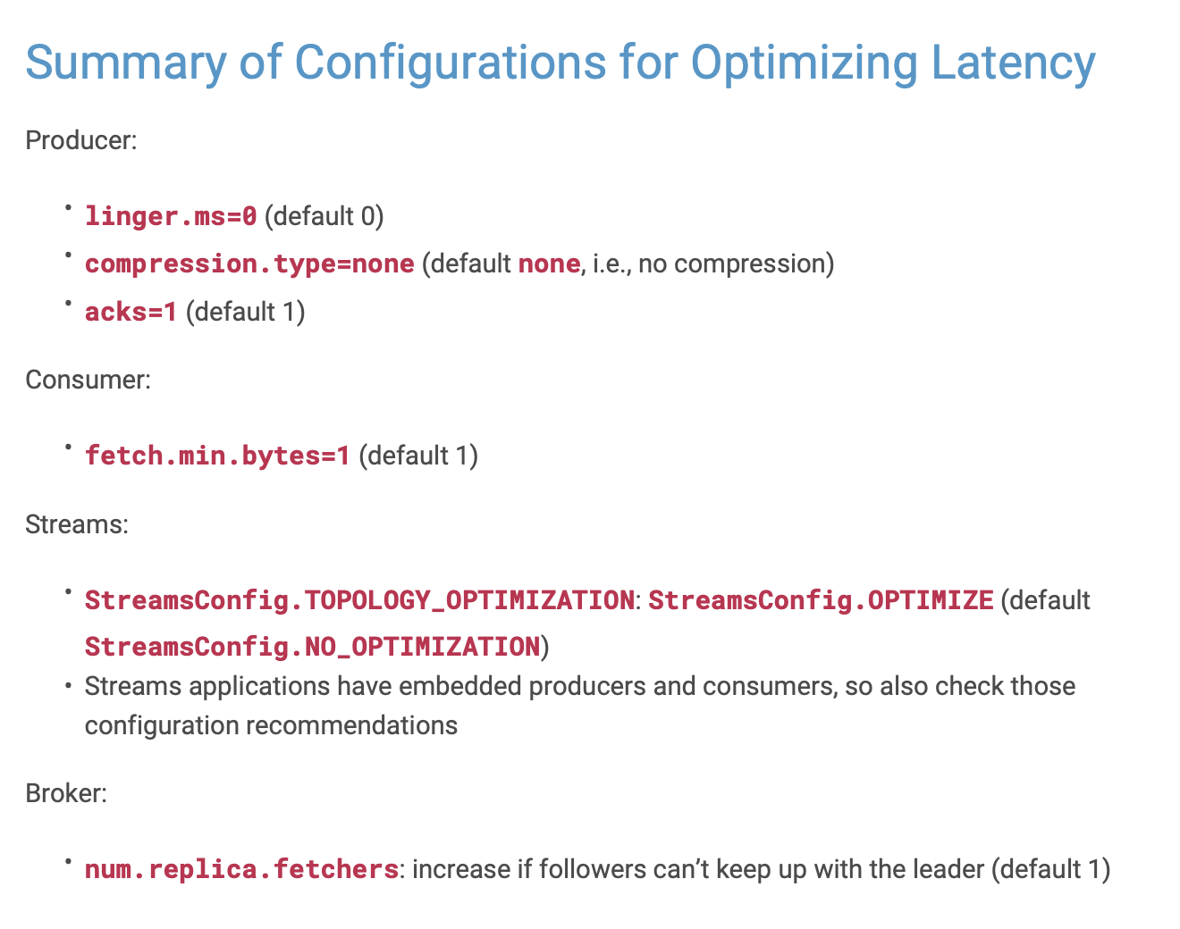
Latency
checked | property source | property name | default | configured | recommended | delta / action

 | Producer | linger.ms | 0 | 1 | 0 | a
 | Producer | compression.type | none | 2 | none | b
 | Producer | acks | 1 | 3 | 1 | c

 | Consumer | fetch.min.bytes | 1 | 9 | 1 | d

 | Streams | StreamsConfig.TOPOLOGY_OPTIMIZATION | StreamsConfig.NO_OPTIMIZATION | 13 | OPTIMIZE | e

 | Brokers | num.replica.fetchers | 1 | 18 | increase if followers can't keep up with leader | f | How too mearsure this?

throughput
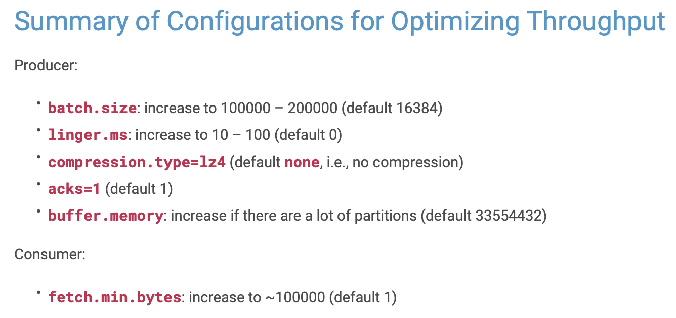
Throughput
checked | property source | property name | default | configured | recommended | delta / action

 | Producer | linger.ms | 0 | 1 | 100 | g
 | Producer | compression.type | no compression | 2 | lz4 | h
 | Producer | acks | 1 | 3 | 1 | i
 | Producer | batch.size | 16384 | 4 | 200000 | j
 | Producer | buffer.memory | 33554432 | 5 | inncrease in case many partitions are used | k

 | Consumer | fetch.min.bytes | 1 | 9 | 100000 | l

durability
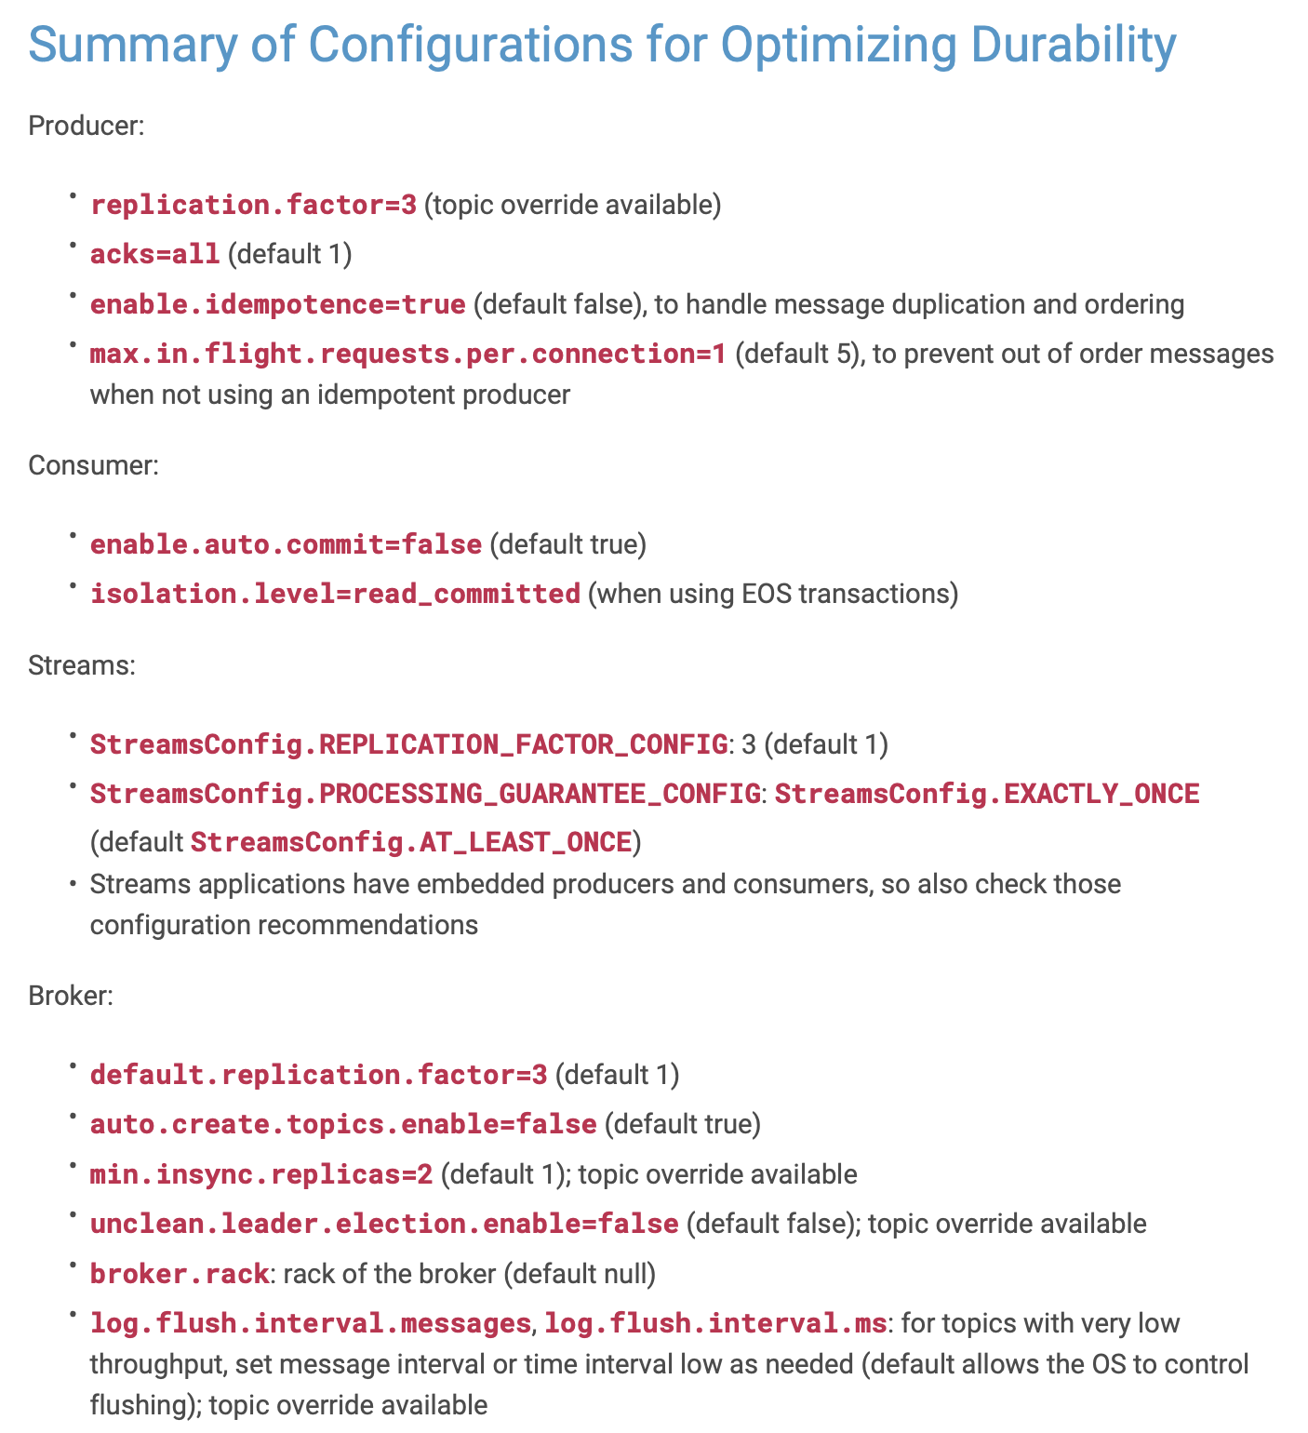
Durability
checked | property source | property name | default | configured | recommended | delta / action

 | Producer | acks | 1 | 3 | all | m

 | Producer | default.replication.factor | 3 | 6 | 3 | n
 | Producer | enable.idempotence | FALSE | 7 | TRUE | o
 | Producer | max.in.flight.requests.per.connection | 5 | 8 | 1 | p

 | Consumer | enable.auto.commit | TRUE | 10 | FALSE | q
 | Consumer | isolation.level | read_uncommitted | 11 | read_committed (for EOS) | r

 | Streams | StreamsConfig.REPLICATION_FACTOR_CONFIG | 1 | 14 | 3 | s
 | Streams | StreamsConfig.PROCESSING_GUARANTEE_CONFIG | StreamsConfig.AT_LEAST_ONCE | 15 | EXCATLY_ONCE (for EOS) | t
 | Streams | replication.factor | 1 | 17 | 3 | u

 | Brokers | default.replication.factor | 1 | 19 | 1 | v
 | Brokers | min.insync.replicas | 1 | 20 | 2 | w
 | Brokers | auto.create.topics.enable | TRUE | 21 | FALSE | x
 | Brokers | unclean.leader.election.enable | FALSE | 22 | FALSE | y
 | Brokers | broker.rack | null | 23 | rack of broker | z
 | Brokers | log.flush.interval.messages | OS-responsibility | 24 | low | a
 | Brokers | log.flush.interval.ms | OS-responsibility | 25 | low | b

availability
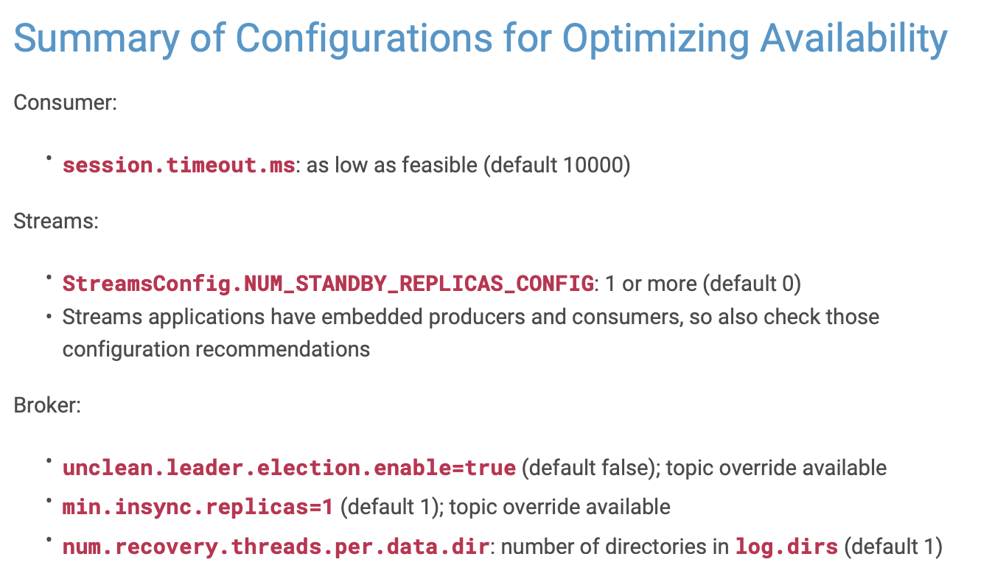
Durability
checked | property source | property name | default | configured | recommended | delta / action

 | Consumer | sessionn.timeout.ms | 10000 | 12 | low | c

 | Streams | StreamsConfig.NUM_STANDBY_REPLICAS_CONNFIG | 0 | 16 | 1 or more | d
 | Streams | replication.factor | 1 | 17 | 3 | e

 | Brokers | min.insync.replicas | 1 | 20 | 1 | f
 | Brokers | unclean.leader.election.enable | FALSE | 22 | TRUE | g
 | Brokers | num.recovery.threads.per.data.dir | 1 | 26 | z of dirs in log.dir | h

