Table p. 1
 |  | 


Date:22-12-2023

Name: John
16775408.00

 | ItemNo
 | EXPSA01
 | EXPCH01
 | EXPMAL01

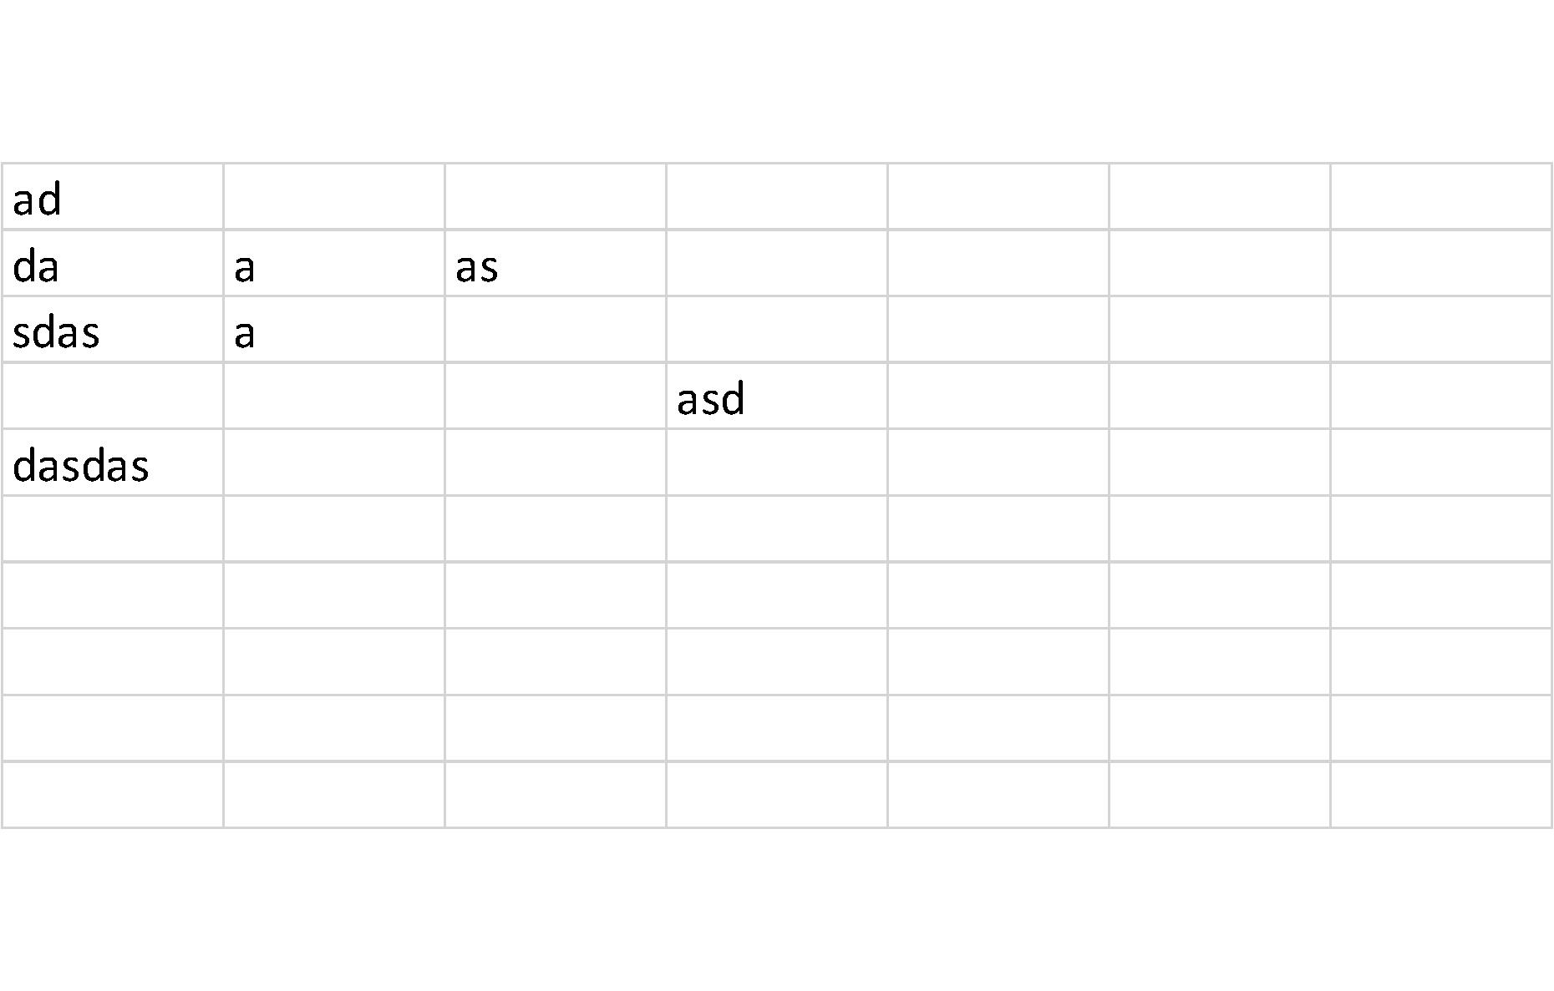

Date:22-12-2023

Name:
16775408.00

 | ItemNo
 | EXPHK01
 | EXPYUC01
 | EXPLON01

Date:22-12-2023

Name: James
16775408.00

 | ItemNo
 | EXCPAR01
 | EXCPAR02
 | RNTCOT01

Date:22-12-2023

Name: Peter
16775408.00

 | ItemNo
 | RNTMTB01
 | TRPBARC01
 | TRPLON01

