2_Answer_Overview
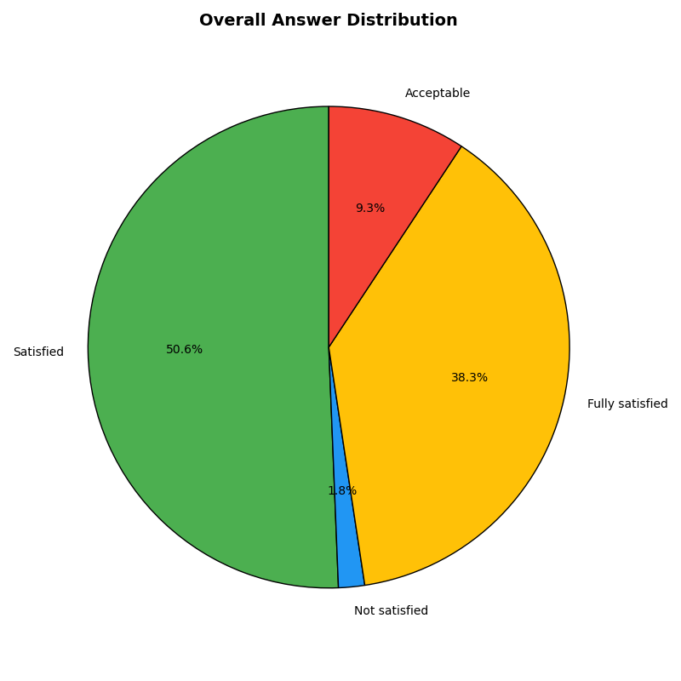
Category | Count | Percentage
Satisfied | 1619 | 50.6%
Not satisfied | 56 | 1.8%
Fully satisfied | 1225 | 38.3%
Acceptable | 297 | 9.3%

