DPAD
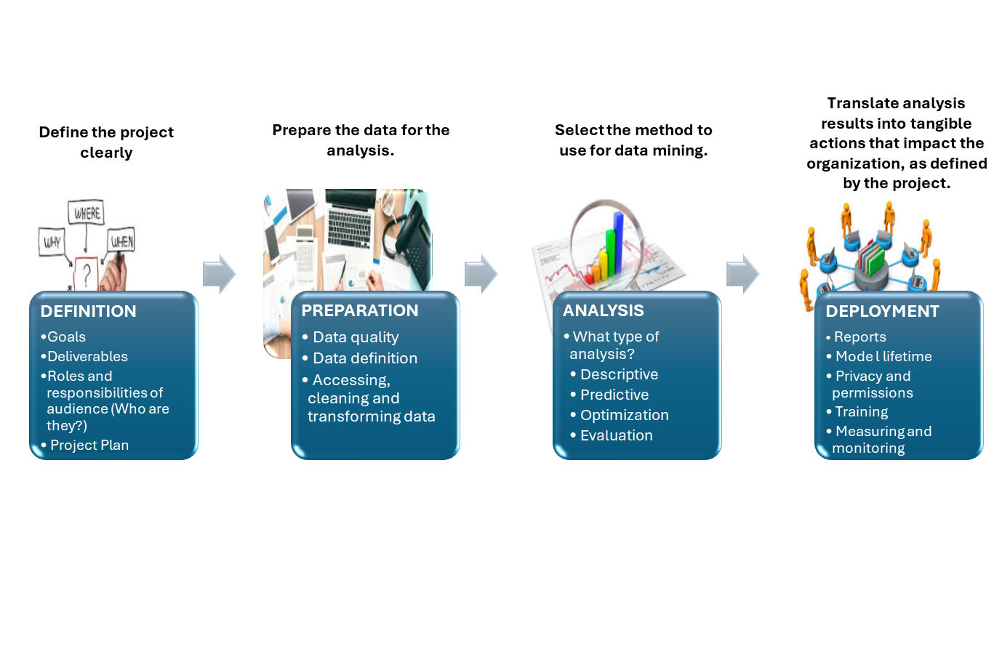
D.P.A.D. (Define, Prepare, Analyze and Deploy)

