Inventory
Project Name |  |  | CPT S-Mart |  | Create Date |  | 29-May-14
Funtion Name |  |  | Administration |  | Create By |  | S. Prasit
Out Line |  |  | User management e.g. Add new user, Edit user details, Delete user

1. Screen Name: "frmUser.vb"
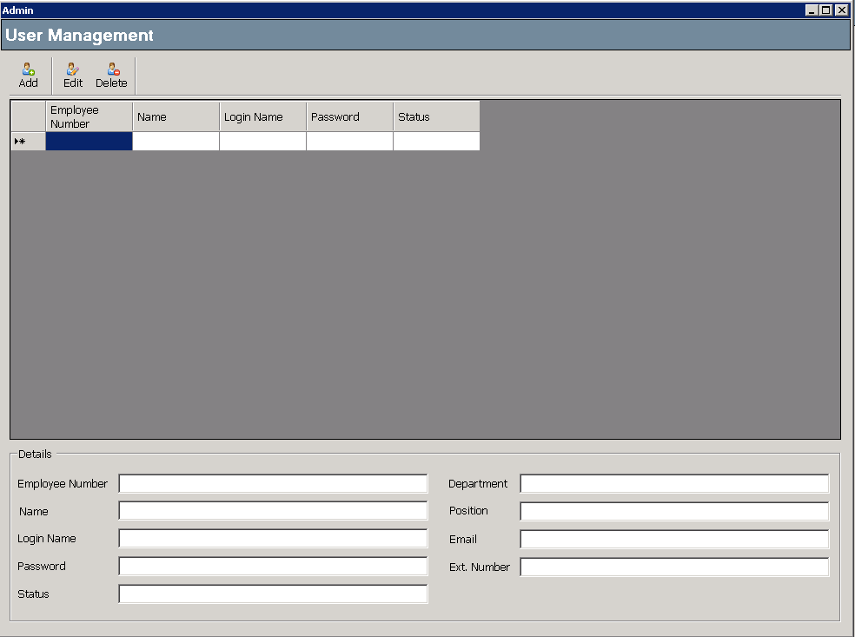

2. Process
2.1. Form Load
 | ● Get and Display user list
 | <Display Items>
 | No. | Items |  | DB |  | Remark
 | 1 | No. |  | Generate by self
 | 2 | Employee Number |  | m_USER.emp_no |  | Primary key
 | 3 | First Name |  | m_USER.f_name
 | 4 | Last Name |  | m_USER.l_name
 | 5 | Department |  | m_USER.dept_code
 | 6 | User Status |  | m_USER.u_status

 | If no data, display critical message
 | ⇒ | Critical message
 |  | "No user data."
 | Sort : Sort by employee number. (m_USER.emp_no)

2.2. Click "Add" button
 | ● Show "Add New User" screen
 | => Screen Name: "frmAddProduct.vb"

 | - Get Department from "m_Department" table.

 | ● Add new user to m_USER.
 | <Add Items>
 | No. | Items |  | DB |  | Remark
 | 1 | Employee Number |  | m_USER.emp_no
 | 2 | First Name |  | m_USER.f_name
 | 3 | Last Name |  | m_USER.l_name
 | 4 | Department |  | m_USER.dept_code
 | 5 | User Status |  | m_USER.status
 | 6 | Password |  | m_USER.password

 | [Condition]
 | - Employee Number, User Status, Password are not blank.
 | - If user exist, Can not add new user.

2.3. Click user list row
 | ● Show the user details.
 | <Display Screen>

 | <Display Item>
 | No. | Items |  | DB |  | Remark
 | 1 | No. |  | Generate by self
 | 2 | Employee Number |  | m_USER.emp_no |  | Primary key
 | 3 | First Name |  | m_USER.f_name
 | 4 | Last Name |  | m_USER.l_name
 | 5 | Department |  | m_USER.dept_code
 | 6 | User Status |  | m_USER.u_status
 | 7 | Password |  | m_USER.password

2.4. Click "Edit" Button
 | ● Select user that need to edit on the user list.
 | ● Click "Edit" button to enable the edit function.
 | - Load the user details.

2.5. Click "Delete" button
 | ● Select user that need to delete on the user list.
 | ● Click "Delete" button.
 | ● Show comfirmation message box to confirm to delete the user.
 | - If confirmation is "Yes" then delete the user from "m_USER" table.
 | ● Reload users list.

2.7. Click "Find" button
 | ● Find the user details.
 | - Input : Employee Number (m_USER.emp_no)
 | - Output : Employee Number, First Name, Last Name, Department, User Status, Password.

