PTF001
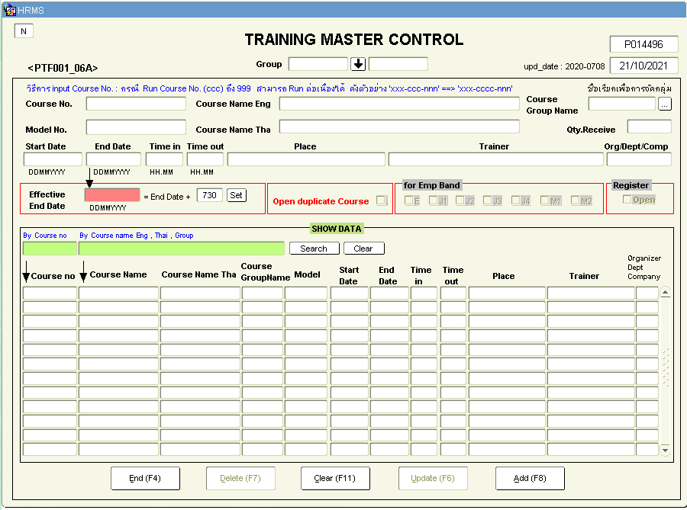
 |  |  | กรอกชื่อคอร์ส
 |  |  | เลือก Group สำหรับคนที่ control [Organization] ถ้าเป็น MTP ตอนนี้จะเลือกแต่ MTP
 |  |  | อยากเสิร์ชด้วย Course no. 6 หลักแรก
 |  |  | อยากเพิ่มคอลัมน์ดู cancel course หรือ postpone
 |  |  | เก็บประวัติของคอร์สไว้ว่าเคยเปิดแล้วถูกเลื่อน
 |  |  | Course name thai - ขอ validate ตัวอักษรภาษาไทย ห้ามมีเครื่องหมายลบ แต่มีเครื่องหมาย "
 |  |  | Qty receive ว่ารับได้กี่คน
 |  |  | มีการเลือก Band เพื่อกำหนดคนที่จะเข้ามา register
 |  |  | delete คอร์สได้
 |  |  | ปกติต้อง check duplicate course
 |  |  | อยากขอเพิ่มเรียน basic ก่อน advenced

 |  |  | ต้องติดต่อพี่วิ AAD 5490 วิไล โสดา

 |  |  | CPT-001-001

 |  |  | Effective date MTP ไม่ได้ใช้ Assy ไม่ได้ใช้
 |  |  | Group name MTP ไม่ได้ใช้
 |  |  | Model no. MTP ไม่ได้ใช้
 |  |  | Open duplicate course MTP ไม่ได้ใช้
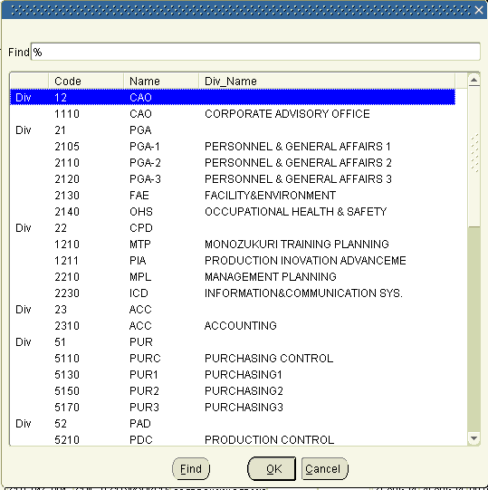

Purpose: | Create course
Seq | Functional requirement | Optional requirement
1 | Create course
1.1 | Input course no. | Search next run no.
1.2 | Input English course name | Validate only english alphabet and symbol
1.3 | Input Thai course name | Validate only thai alphabet and symbol
1.4 | Default course group by organization
1.5 | Input qty receive
1.6 | Input start date
1.7 | Input end date
1.8 | Input time in
1.9 | Input time out
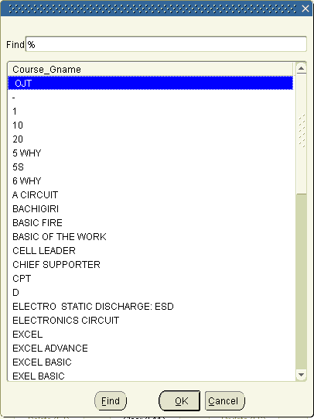
1.10 | Input place
1.11 | Input trainer
1.12 | Input multiple required course to warning
1.13 | Select status of course
1.14 | Checkbox to select band target
1.15 | Checkbox to allow register
1.16 | Validate data
1.17 | Create course
2 | Search course
2.1 | Input couse no.
2.2 | Input course name
2.3 | Search course and show data
2.4 | Clear result
3 | Edit course
3.1 | Edit course name | Validate only english alphabet and symbol
3.2 | Edit qty receive
3.3 | Edit start date
3.4 | Edit end date
3.5 | Edit time in
3.6 | Edit time out
3.7 | Edit place
3.8 | Edit trainer
3.9 | Edit multiple required course to warning
3.10 | Edit select status of course
3.11 | Checkbox to select band target
3.12 | Checkbox to allow register
3.13 | Validate data
3.14 | Update course

PTF002
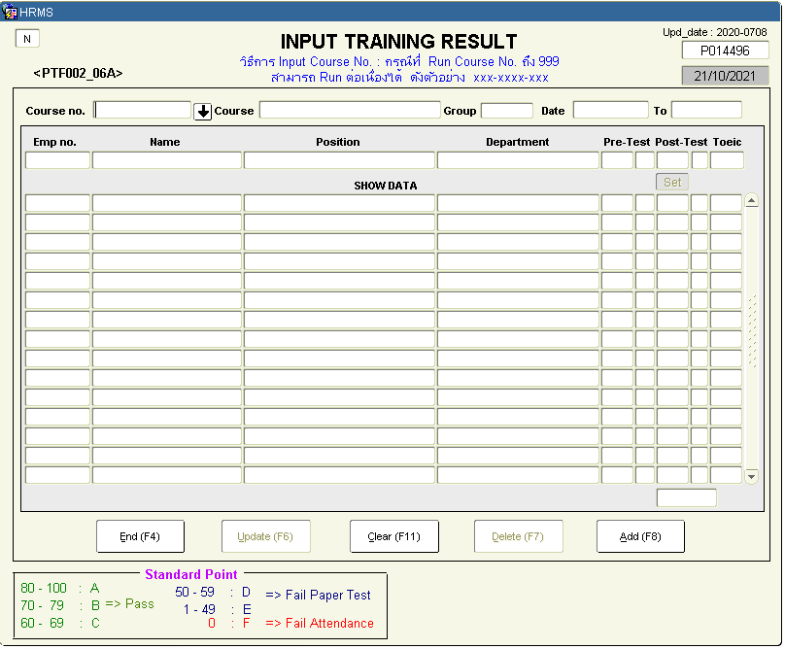
 |  |  | เอาไว้กรอกคะแนน
 |  |  | ตอนแรกยังไม่มีคะแนน
 |  |  | สามารถ register คนที่เข้ามาเรียนได้
 |  |  | แสดงรายชื่อเฉพาะคนที่ผ่านการ appove
 |  |  | ถ้าเคยเรียนแล้วไม่ผ่าน ต้องไปเอาเครื่องหมายถูกใน 006
 |  |  | เพิ่มได้กรณีที่ผ่านการลงทะเบียนแบบกระดาษมาแล้ว (เทียบกับ 006)
 |  |  | ต่อใบ cert ของ Canon
 |  |  | เพิ่ม ลบ แก้ไขได้
 |  |  | ขอ import data เข้าไปได้
 |  |  | ลบข้อมูลคนที่ register ได้
 |  |  | มีปัญหาเรื่องการตรวจข้อสอบ

 |  |  | อยากออก report แบบ Macro Score
 |  |  | แบบประเมิน trainee
 |  |  | แบบประเมิน trainer

Purpose: | Input training result and register some trainee
Seq | Functional requirement | Optional requirement
1 | Input training result of trainee
1.1 | Select course
1.2 | Show course data
1.3 | Show approved trainee
1.4 | Input pre-test score | Validate score 0-100
1.5 | Automatic calculate pre-test grade
1.6 | Input post-test score | Validate score 0-100
1.7 | Automatic calculate post-test grade
1.8 | Create excel format to input score multiple trainee
1.9 | Import excel to update score
1.10 | Update score
1.11 | Refresh data after update
2 | Register trainee
2.1 | Register approved trainee from paper
2.2 | Create textarea to paste multiple employee no. to register
2.3 | Register trainee

PTF003
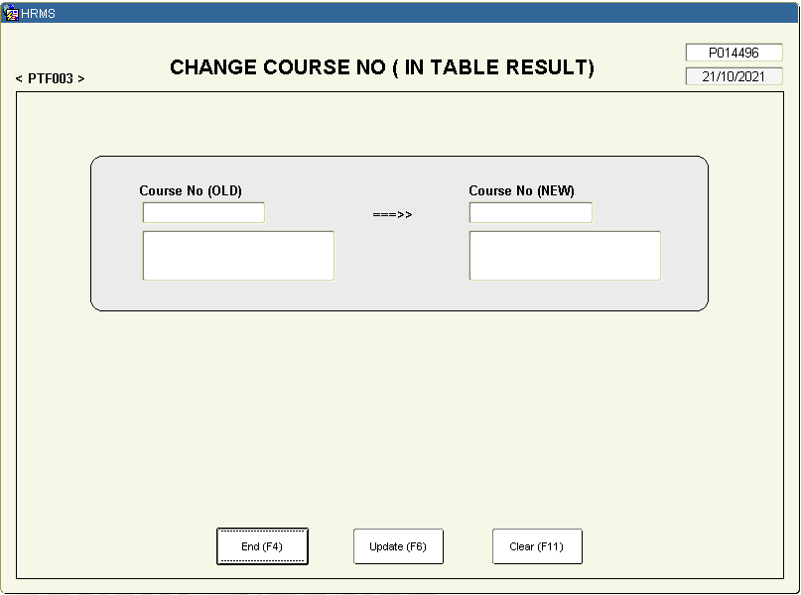

PTF004
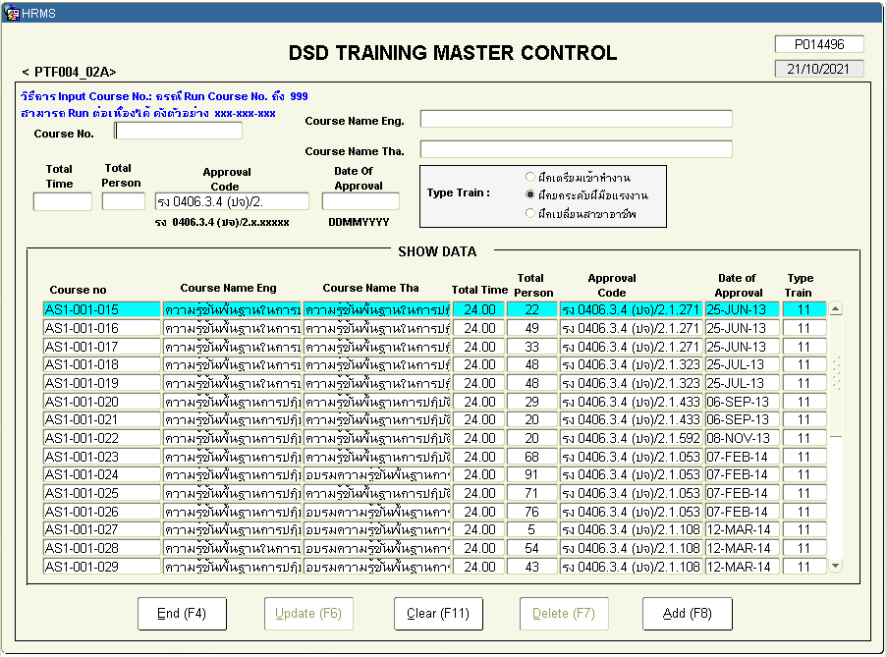

unused

PTF005
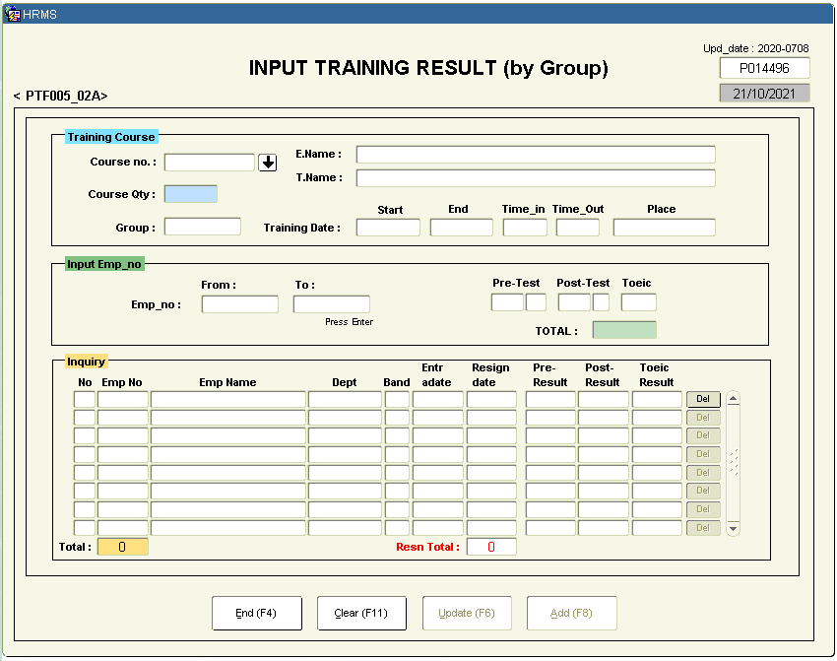

MTP ไม่ได้ใช้
AAD, PGA ใช้
เกิดจากรหัสพนักงานต่อกัน
ปัญหาส่วนใหญ่เกิดจากการคีย์ข้อมูลครั้งละเยอะๆ

PTF006
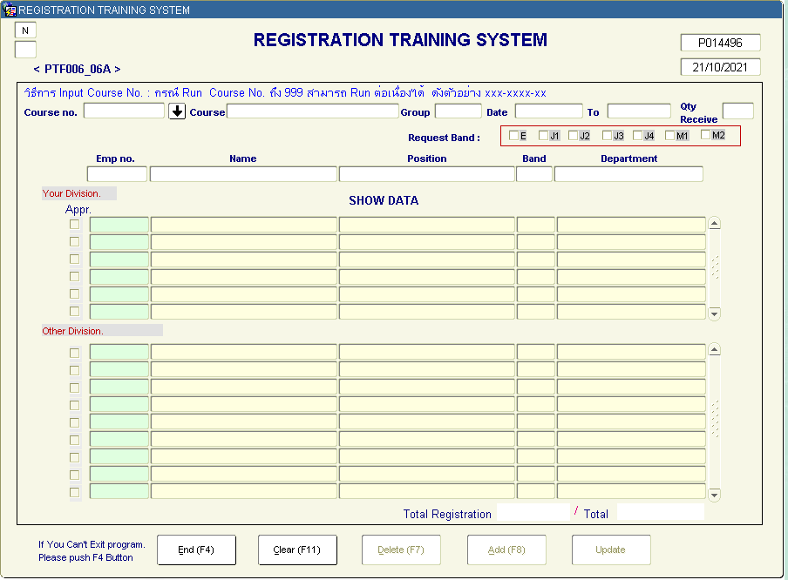
Commitee

มี 2 ฟอร์ม

Manager
อยากโชว์ว่า approve เท่าไหร่ cap เท่าไหร่
อยากให้มี wait list

เอาไว้ดูข้อมูลของแผนกอื่น

PTF007
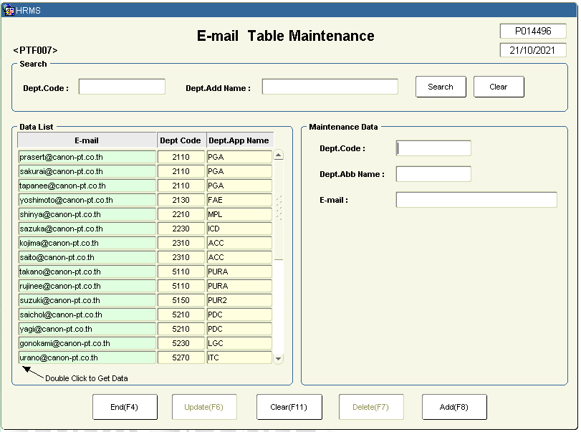

unused

PTF008
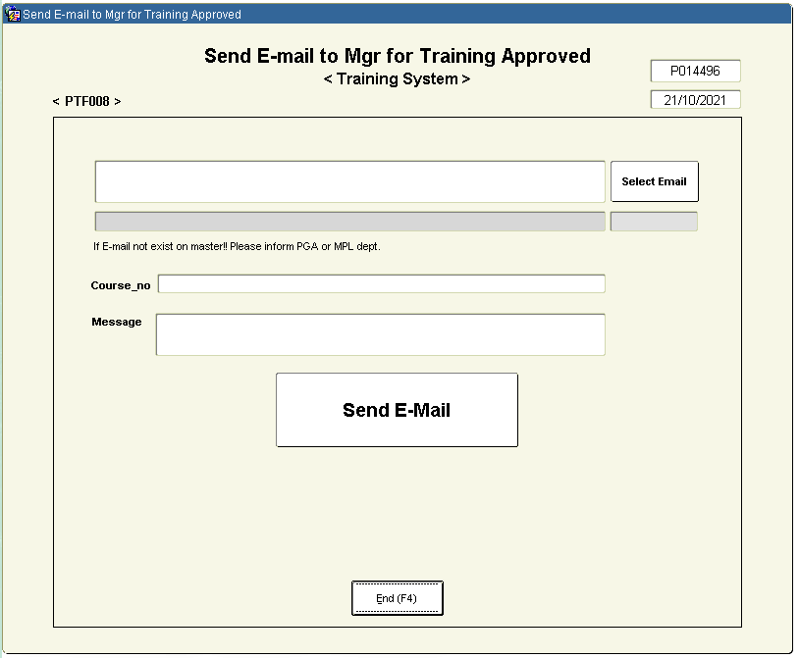

unused

PAP313
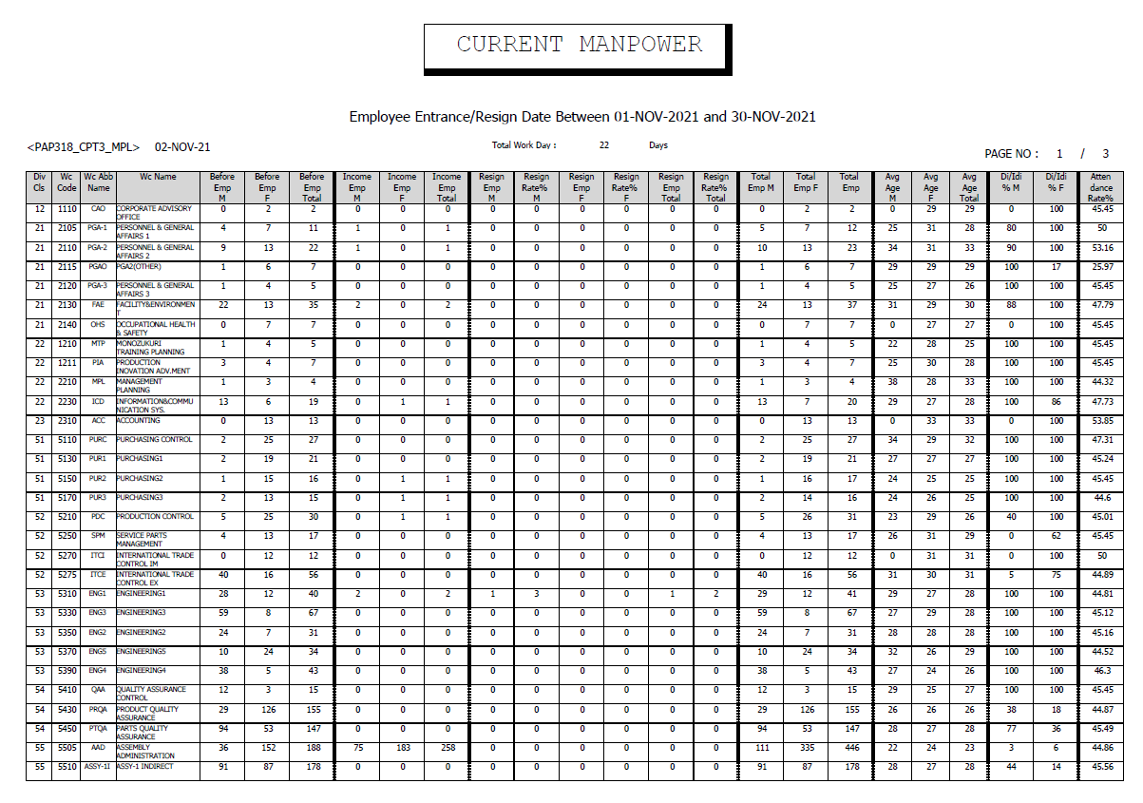

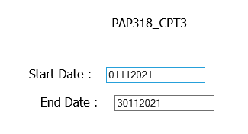

PTI001
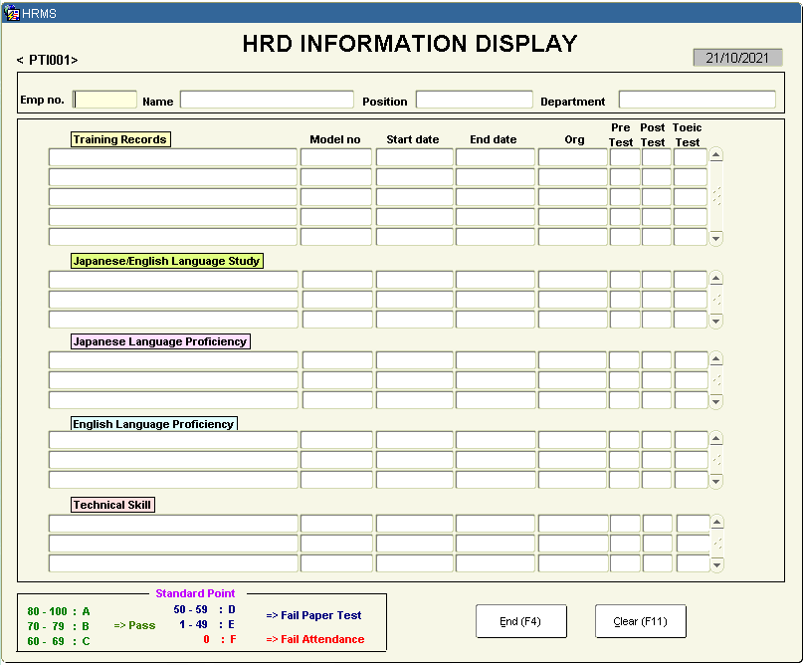

PTP001
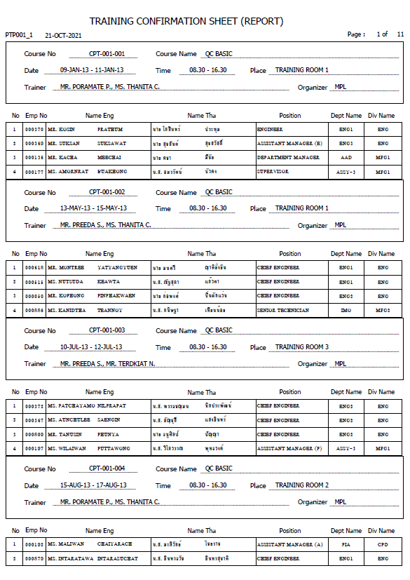
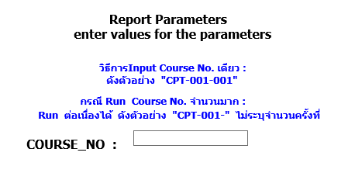

รันแบบหน้าใหม่

อาจส่งเมล
คอร์ส
วันที่
เวลา
สถานที่
เทรนเนอร์
ไฟล์ report เป็นไฟล์แนบ

1 page: 25 คน

PTP002
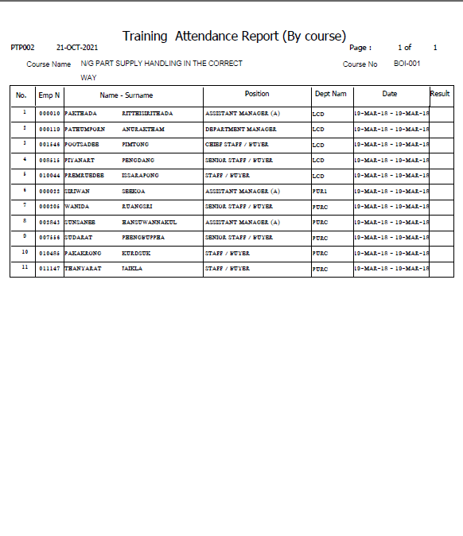
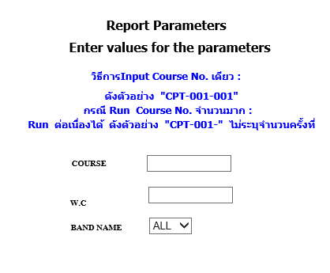

อ๊อฟไม่ได้ใช้

PTP003
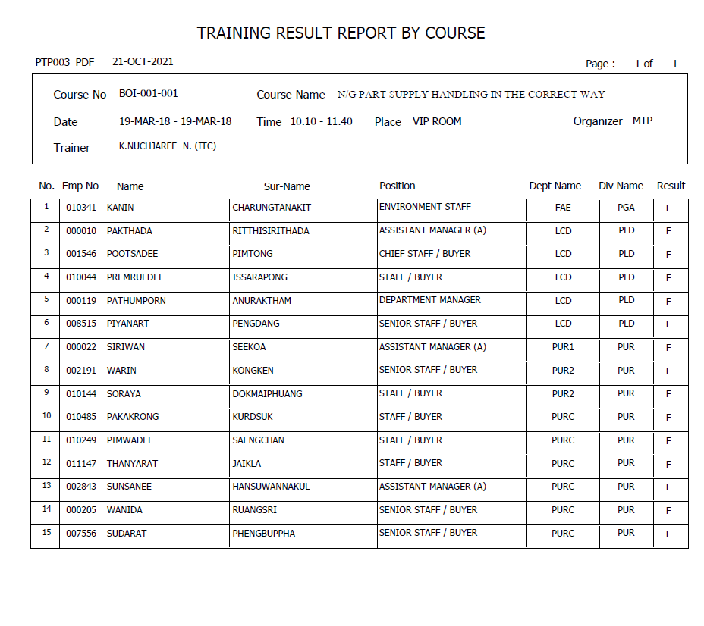

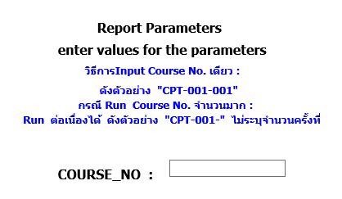

อ๊อฟไม่ได้ใช้

PTP005
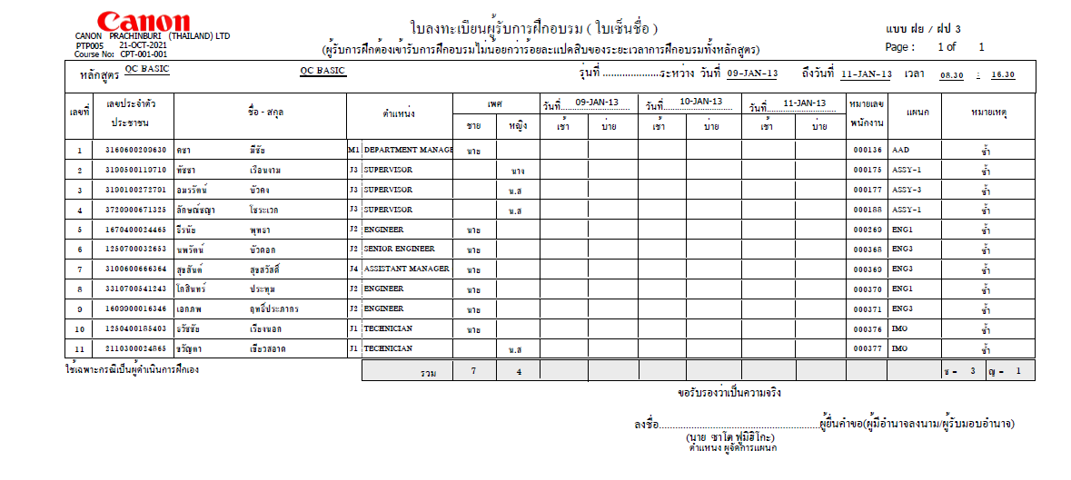
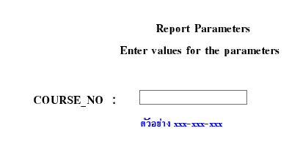
อ๊อฟไม่ใช้

PTP005_X
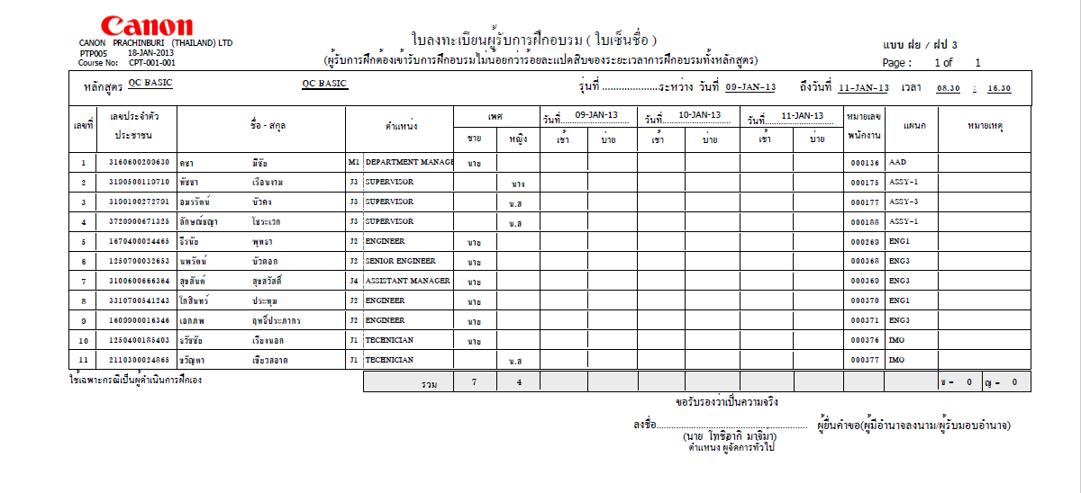
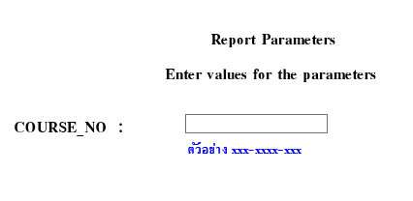
อ๊อฟใช้ | 3 วัน | ถ้าเกิน 3 วัน ออกแบบไม่มีวันที่
1 page: 25 คน |  | วันที่ปัจจุบัน

PTP006
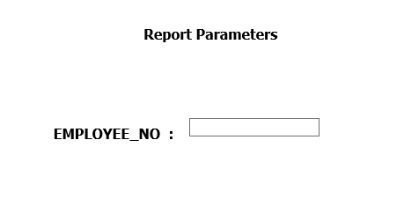
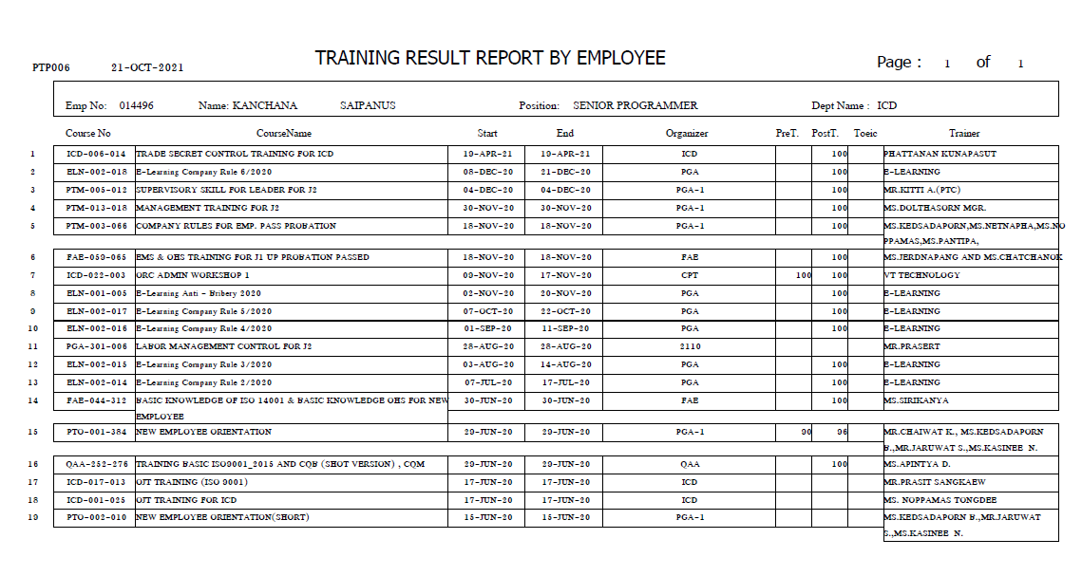

เสิร์ชเฉยๆ ก็ได้ แต่มี report ด้วยก็ดี

PTP007
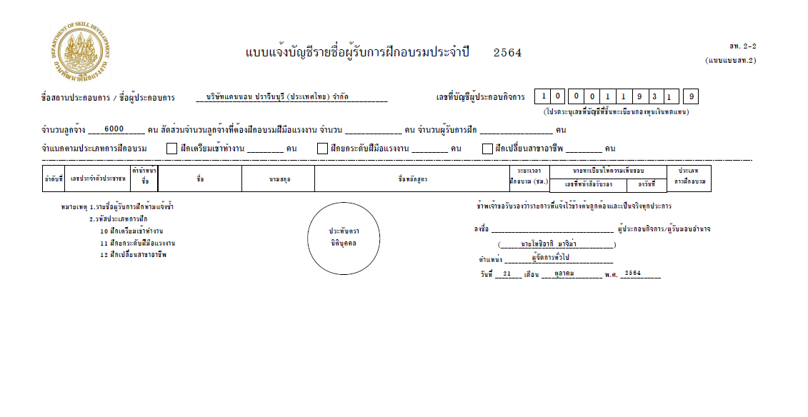

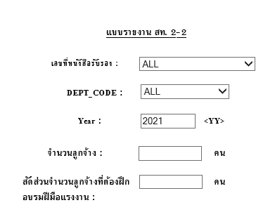

PTP008
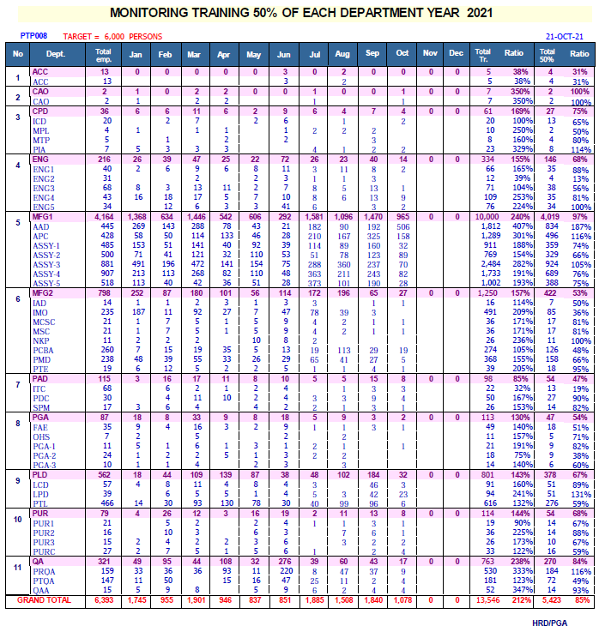

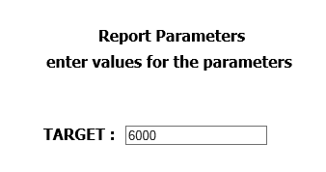

SCORE_TRAINEE
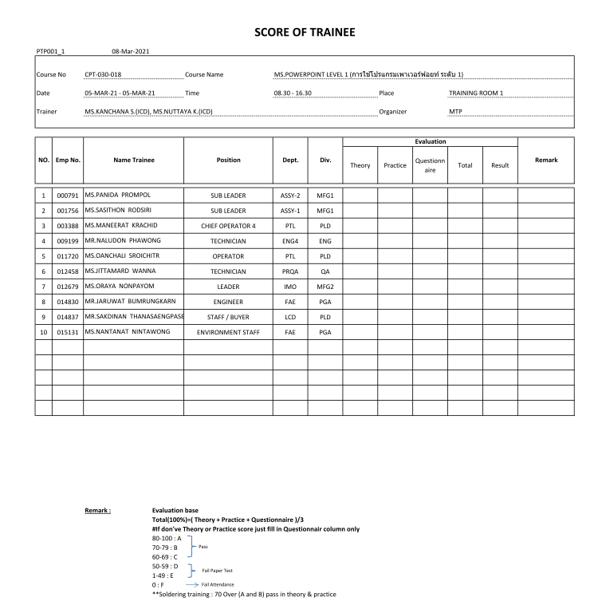

ACCESSMENT_TRAINING_COURSE
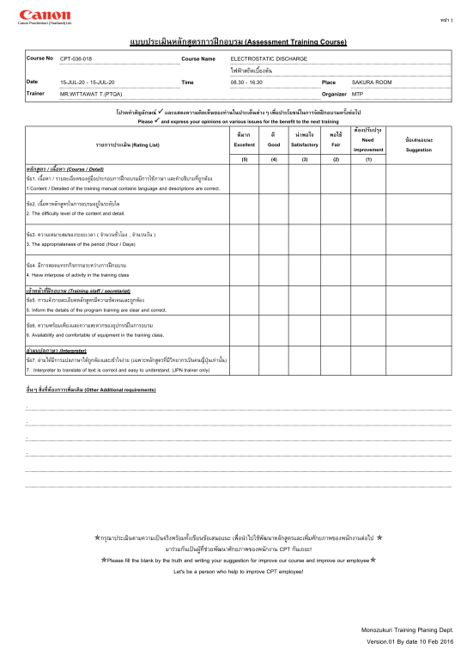

ACCESSMENT_TRAINING_EMP
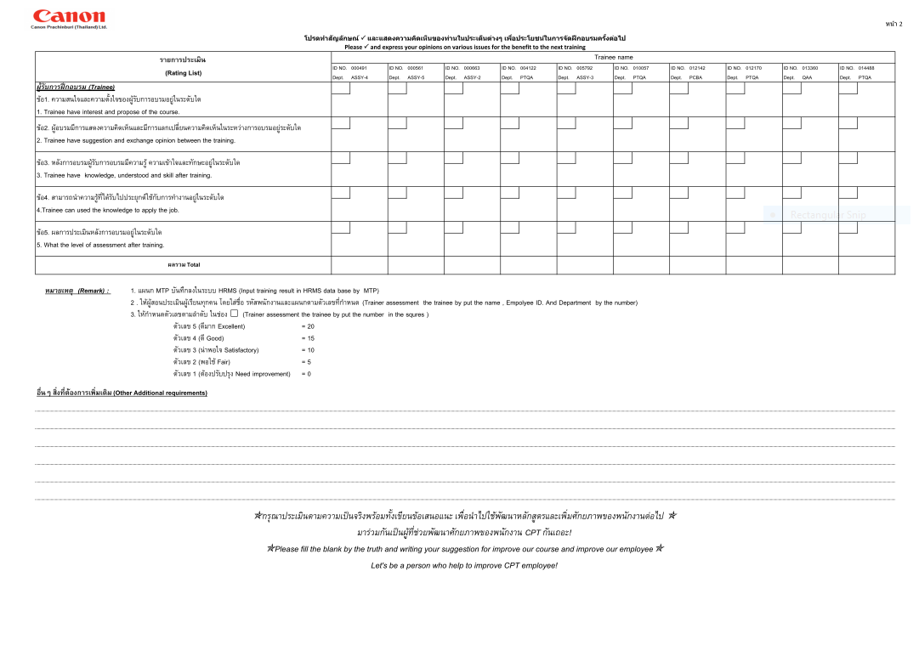

EVALUATION_TRANING_COURSE
