Maly's Lab
Name | Structure | TgCDPK1 IC50 (μM) | CpCDPK1 IC50 (μM) | EtCDPK1 IC50 (μM) | SMILES | IUPAC name | Chemical formula | Molecular weight
1354 | 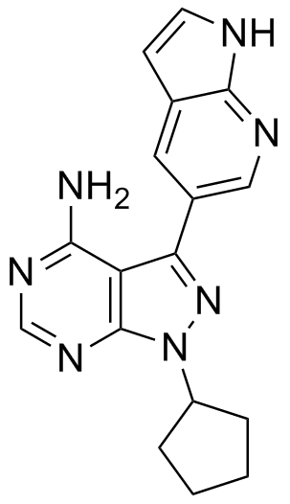 | 0.0050 | 0.0008 | 0.0809 | NC1=NC=NC2=C1C(C3=CN=C(NC=C4)C4=C3)=NN2C5CCCC5 | 1-cyclopentyl-3-(1H-pyrrolo[2,3-b]pyridin-5-yl)-1H-pyrazolo[3,4-d]pyrimidin-4-amine | C17H17N7 | 319.36
1433 |  | 0.0037 | 0.0044 | 0.0991 | NC1=C2C(N(CC4CCNCC4)N=C2C3=CC=C(N=C(OCC6=CC=CC=C6)C=C5)C5=C3)=NC=N1 | 3-(2-(benzyloxy)quinolin-6-yl)-1-(piperidin-4-ylmethyl)-1H-pyrazolo[3,4-d]pyrimidin-4-amine | C27H27N7O | 465.55
1478 |  | 1.4545 | >3 | >3 | NC1=C2C(N(C(C)C)N=C2C3=CN=C(C=C(OCC)C=C4)C4=C3)=NC=N1 | 3-(7-ethoxyquinolin-3-yl)-1-isopropyl-1H-pyrazolo[3,4-d]pyrimidin-4-amine | C19H20N6O | 348.40
1479 |  | 0.0328 | 0.5241 | 2.2995 | NC1=C2C(N(CC4CCOCC4)N=C2C3=CC=C(C=C(OC(C)(C)C)C=C5)C5=C3)=NC=N1 | 3-(6-tert-butoxynaphthalen-2-yl)-1-((tetrahydro-2H-pyran-4-yl)methyl)-1H-pyrazolo[3,4-d]pyrimidin-4-amine | C25H29N5O2 | 431.53
1514 |  | 0.0011 | 0.0007 | 0.1270
1536 |  | 0.0009 | 0.0014 | 0.4361 | NC1=C2C(N(CC(C)(C)CO)N=C2C3=CC=C(C=C(OC5CC5)C=C4)C4=C3)=NC=N1 | 3-(4-amino-3-(6-cyclopropoxynaphthalen-2-yl)-1H-pyrazolo[3,4-d]pyrimidin-1-yl)-2,2-dimethylpropan-1-ol | C23H25N5O2 | 403.48
1542 |  | 0.0079 | 0.0059 | 0.2872 | NC1=C2C(N(CC(C)(C)C)N=C2C3=CC=C(C=C(O)C=C4)C4=C3)=NC=N1 | 6-(4-amino-1-neopentyl-1H-pyrazolo[3,4-d]pyrimidin-3-yl)naphthalen-2-ol | C20H21N5O | 347.41
1551 |  | 0.0014 | 0.0012 | 0.7146 | NC1=C2C(N(CC4CCNCC4)N=C2C3=CC=C(N=C(OC6CC6)C=C5)C5=C3)=NC=N1 | 3-(2-cyclopropoxyquinolin-6-yl)-1-(piperidin-4-ylmethyl)-1H-pyrazolo[3,4-d]pyrimidin-4-amine | C23H25N7O | 415.49
1553 |  | 0.0016 | 0.0034 | 0.8344 | NC1=C2C(N(CC(O)(C)C)N=C2C3=CC=C(C=C(OC5CC5)C=C4)C4=C3)=NC=N1 | 1-(4-amino-3-(6-cyclopropoxynaphthalen-2-yl)-1H-pyrazolo[3,4-d]pyrimidin-1-yl)-2-methylpropan-2-ol | C22H23N5O2 | 389.45
1563 |  | 0.0014 | 0.0013 | 0.5716 | NC1=C2C(N(CC4CCNCC4)N=C2C3=CC=C(N=C(OCC(F)(F)F)C=C5)C5=C3)=NC=N1 | 1-(piperidin-4-ylmethyl)-3-(2-(2,2,2-trifluoroethoxy)quinolin-6-yl)-1H-pyrazolo[3,4-d]pyrimidin-4-amine | C22H22F3N7O | 457.45
1610 |  | 0.0125 | 0.3957 | >2 | NC1=C2C(N(CC(C)C)N=C2C3=CC=C(C=CC(OCC)=C4)C4=C3)=NC=N1 | 3-(7-ethoxynaphthalen-2-yl)-1-isobutyl-1H-pyrazolo[3,4-d]pyrimidin-4-amine | C21H23N5O | 361.44

