V2EdisonEfficiency
config | nprocs | solvername | speedup | efficiency
s1000_g1e2 | 24 | tfqmr/asm/overlap0 | 1 | 100 | bicg/asm/overlap0 | Efficiency | All solvers | overlap 0 | overlap 1 | overlap 2 | overlap 3 |  |  |  | overlap 0 | overlap 1 | overlap 2 | overlap 3 |  |  |  | overlap 0 | overlap 1 | overlap 2 | overlap 3 |  |  |  | overlap 0 | overlap 1 | overlap 2 | overlap 3 |  |  |  | overlap 0 | overlap 1 | overlap 2 | overlap 3
s1000_g1e2 | 24 | tfqmr/asm/overlap3 | 1 | 100 | 24 | 100 | nprocs | bicg/asm0 | bicg/asm1 | bicg/asm2 | bicg/asm3 | bicg/bjacobi | bicg/jacobi | bicg/none | cg/asm0 | cg/asm1 | cg/asm2 | cg/asm3 | cg/bjacobi | cg/jacobi | cg/none | fgmres/asm0 | fgmres/asm1 | fgmres/asm2 | fgmres/asm3 | fgmres/bjacobi | fgmres/jacobi | fgmres/none | gmres/asm0 | gmres/asm1 | gmres/asm2 | gmres/asm3 | gmres/bjacobi | gmres/jacobi | gmres/none | tfqmr/asm | tfqmr/asm | tfqmr/asm | tfqmr/asm | tfqmr/bjacobi | tfqmr/jacobi | tfqmr/none
s1000_g1e2 | 24 | tfqmr/asm/overlap1 | 1 | 100 | 96 | 40.90909091 | 24 | 100 | 100 | 100 | 100 | 100 | 100 | 100 | 100 | 100 | 100 | 100 |  | 100 | 100 | 100 | 100 | 100 | 100 | 100 | 100 | 100 | 100 | 100 | 100 | 100 | 100 | 100 | 100 | 100 | 100 | 100 | 100 | 100 | 100
s1000_g1e2 | 24 | gmres/bjacobi | 1 | 100 | 192 | 42.05607477 | 96 | 40.90909091 | 105.8823529 | 182.4254882 | 94.44444444 | 37.84056509 | 105.0420168 | 102.2267206 | 20.13888889 | 88.75 | 109.2105263 | 100 | 100 | 74.72826087 | 85.44303797 | 115.9611993 | 128.7528868 | 97.09193246 | 116.5 | 115.8536585 | 11.57407407 | 11.11111111 | 114.638448 | 109.6997691 | 90.52532833 | 95 | 107.879925 | 11.57407407 | 11.79245283 | 10.79015544 | 18.39285714 | 64.34599156 | 103.3333333 | 10.83333333 | 10.95890411 | 100
s1000_g1e2 | 24 | tfqmr/asm/overlap2 | 1 | 100 | 384 | 48.2832618 | 192 | 42.05607477 | 170.7779886 | 99.4955157 | 165.0485437 | 40.2360515 | 104.1666667 | 65.07731959 | 16.47727273 | 15.04237288 | 103.75 | 100 | 80 | 54.56349206 | 62.11656442 | 10.95833333 | 12.67045455 | 10.06809339 | 11.98559671 | 11.43518519 | 12.01923077 | 11.53846154 | 11.09215017 | 9.030418251 | 8.836996337 | 8.6996337 | 10.53113553 | 12.01923077 | 12.5 | 7.083333333 | 12.03271028 | 65.17094017 | 50.65359477 | 7.375 | 11.11111111 | 102.8571429
s1000_g1e2 | 24 | tfqmr/jacobi | 1 | 100 | 768 | 60.09615385 | 384 | 48.2832618 | 121.2938005 | 79.66786355 | 91.99134199 | 44.64285714 | 128.0737705 | 42.08333333 | 3.179824561 | 22.1875 | 73.16643159 | 88.4244373 | 15.68627451 | 28.64583333 | 35.65140845 | 11.99817518 | 12.3340708 | 9.951923077 | 12.13541667 | 12.15551181 | 14.20454545 | 13.63636364 | 11.60714286 | 9.654471545 | 9.498031496 | 9.350393701 | 11.31889764 | 14.20454545 | 15.625 | 9.76782364 | 12.875 | 60.22906793 | 9.935897436 | 9.5875 | 14.28571429 | 138.4615385
s1000_g1e2 | 24 | bicg/jacobi | 1 | 100 | 1536 | 32.97186401 | 768 | 60.09615385 | 230.5327869 | 113.2015306 | 85 | 48.374613 | 130.5710306 | 23.03832117 | 1.776960784 | 43.41976517 | 111.3197425 | 90.16393443 | 9.523809524 | 14.81681034 | 18.75 | 13.69791667 | 12.29056437 | 10.21919431 | 11.50276461 | 13.6133157 | 2.297794118 | 2.027027027 | 14.329806 | 11.875 | 10.05208333 | 9.895833333 | 13.48499062 | 2.170138889 | 1.860119048 | 1.34876943 | 1.028354633 | 7.139513109 | 10.19736842 | 1.30976776 | 2.325581395 | 22.5
s1000_g1e2 | 24 | fgmres/asm/overlap0 | 1 | 100 | 3072 | 16.10824742 | 1536 | 32.97186401 | 163.7554585 | 137.2988861 | 90.04237288 | 18.31054688 | 60.87662338 | 10.24756494 | 1.416015625 | 37.73384354 | 96.06481481 | 83.84146341 | 4.87804878 | 7.161458333 | 8.668664384 | 1.284179687 | 1.683272947 | 1.033346645 | 1.516927083 | 1.864432367 | 1.148897059 | 1.875 | 2.001231527 | 1.29076087 | 0.951301262 | 1.462438424 | 1.770320197 | 1.116071429 | 1.183712121 | 1.696952412 | 1.788194444 | 7.166353383 | 8.423913043 | 1.163531553 | 1.785714286 | 14.0625
s1000_g1e2 | 24 | fgmres/asm/overlap3 | 1 | 100 | 6144 | 5.13229927 | 3072 | 16.10824742 | 70.3125 | 45.84194215 | 36.13945578 | 15.39914586 | 36.05769231 | 4.265202703 | 0.580929487 | 2.7734375 | 3.814338235 | 19.09722222 | 5 | 2.413974719 | 3.212246193 | 1.369791667 | 4.023527714 | 0.646875 | 0.816283632 | 1.484375 | 1.220703125 | 1.171875 | 5.078125 | 0.696889671 | 1.005208333 | 3.428117783 | 0.855654762 | 1.395089286 | 1.220703125 | 0.512426181 | 0.894097222 | 4.073183761 | 3.535583942 | 0.856026786 | 1.19047619 | 10.22727273
s1000_g1e2 | 24 | fgmres/asm/overlap2 | 1 | 100 |  |  | 6144 | 5.13229927 | 22.5 | 18.6136745 | 13.55229592 | 6.650822928 | 12.28380503 | 0.692160088 | 0.343276515 | 2.133413462 | 6.510416667 | 20.83333333 | 1.724137931 | 0.469091157 | 0.898881392 | 0.415928644 | 0.534413344 | 0.425575658 | 2.733201952 | 0.656356293 | 0.513980263 | 0.5859375 | 0.646894904 | 0.384553109 | 0.310249486 | 0.429010116 | 0.691105769 | 0.465029762 | 0.610351563 | 0.351773649 | 0.40234375 | 2.464128749 | 1.614583333 | 0.544744318 | 0.357142857 | 5.357142857
s1000_g1e2 | 24 | fgmres/bjacobi | 1 | 100 | bicg/asm/overlap1 |  | 12288
s1000_g1e2 | 24 | cg/asm/overlap2 | 1 | 100 | 24 | 100
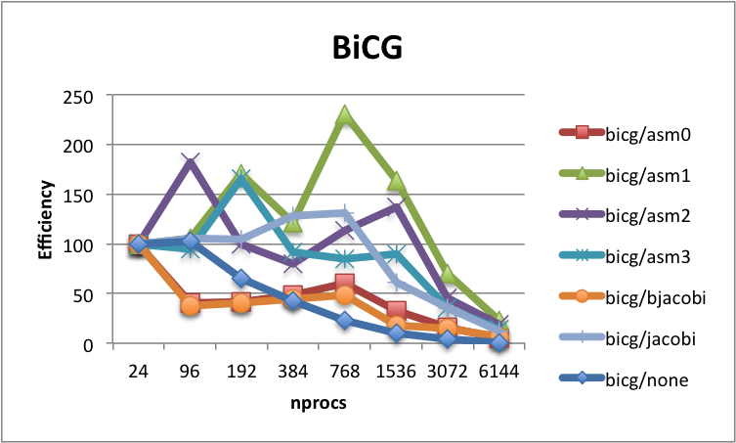
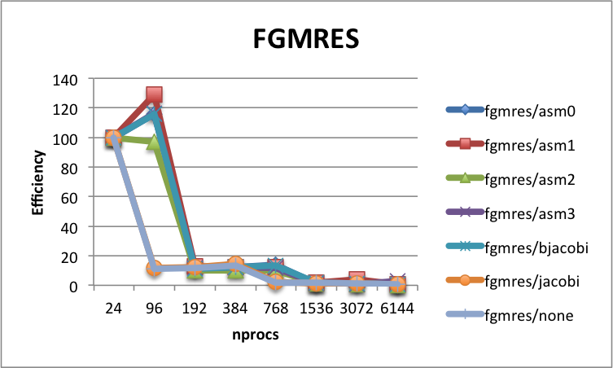
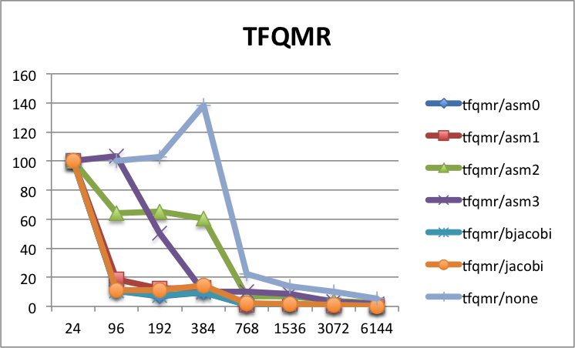
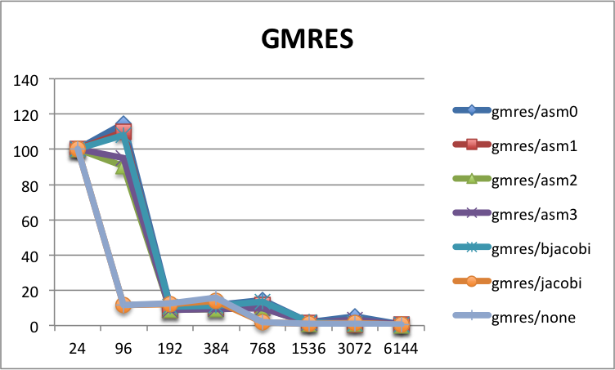
s1000_g1e2 | 24 | gmres/jacobi | 1 | 100 | 96 | 105.8823529
s1000_g1e2 | 24 | bicg/none | 1 | 100 | 192 | 170.7779886
s1000_g1e2 | 24 | cg/none | 1 | 100 | 384 | 121.2938005
s1000_g1e2 | 24 | tfqmr/bjacobi | 1 | 100 | 768 | 230.5327869
s1000_g1e2 | 24 | fgmres/jacobi | 1 | 100 | 1536 | 163.7554585
s1000_g1e2 | 24 | gmres/asm/overlap1 | 1 | 100 | 3072 | 70.3125
s1000_g1e2 | 24 | gmres/asm/overlap0 | 1 | 100 | 6144 | 22.5
s1000_g1e2 | 24 | gmres/asm/overlap3 | 1 | 100
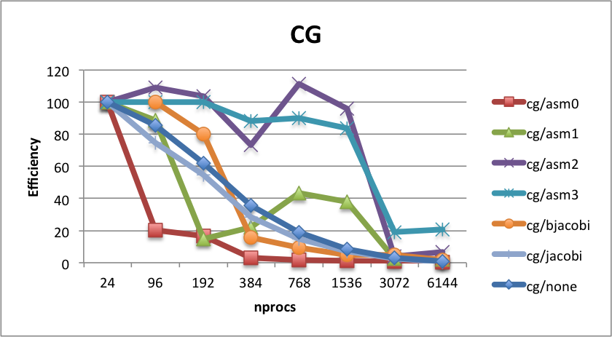
s1000_g1e2 | 24 | gmres/asm/overlap2 | 1 | 100 | bicg/asm/overlap2
s1000_g1e2 | 24 | cg/jacobi | 1 | 100 | 24 | 100
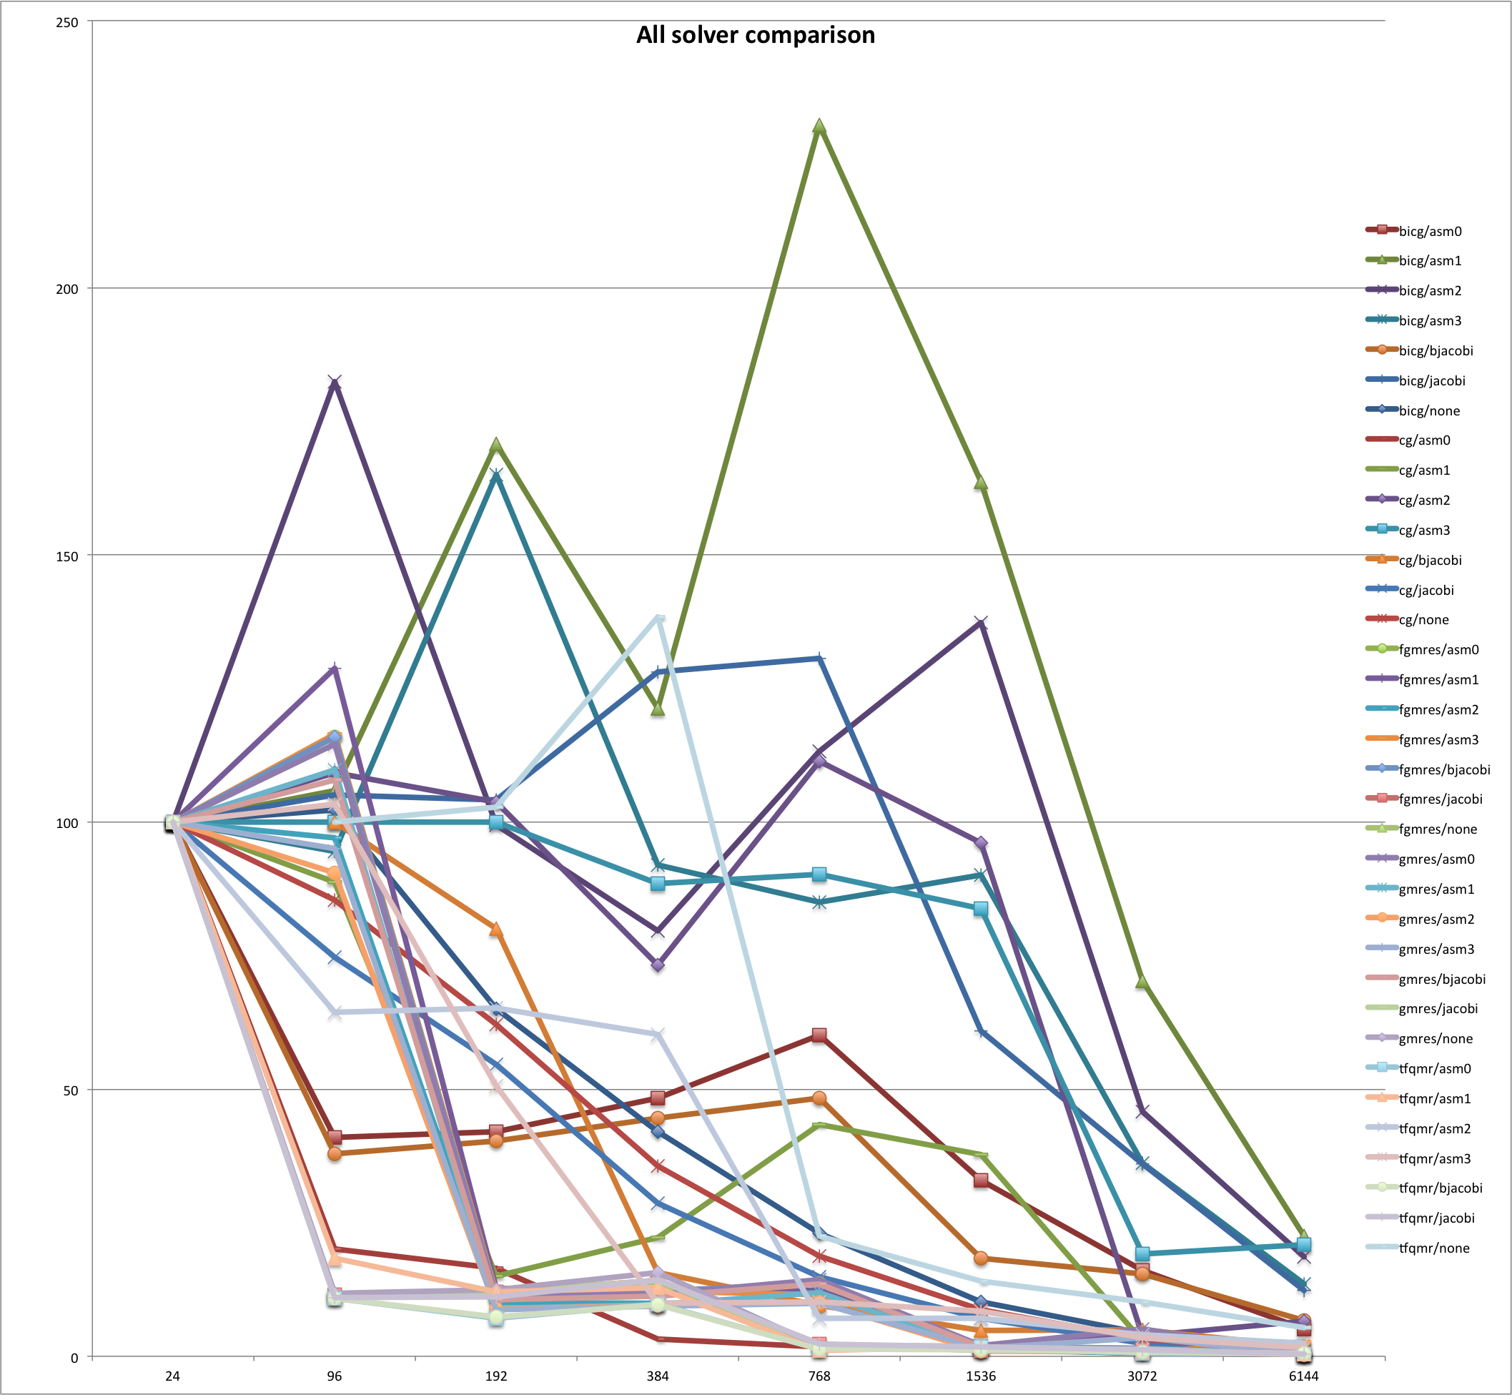
s1000_g1e2 | 24 | gmres/none | 1 | 100 | 96 | 182.4254882
s1000_g1e2 | 24 | bicg/asm/overlap1 | 1 | 100 | 192 | 99.4955157
s1000_g1e2 | 24 | bicg/asm/overlap0 | 1 | 100 | 384 | 79.66786355
s1000_g1e2 | 24 | bicg/asm/overlap3 | 1 | 100 | 768 | 113.2015306
s1000_g1e2 | 24 | bicg/asm/overlap2 | 1 | 100 | 1536 | 137.2988861
s1000_g1e2 | 24 | bicg/bjacobi | 1 | 100 | 3072 | 45.84194215
s1000_g1e2 | 24 | cg/asm/overlap0 | 1 | 100 | 6144 | 18.6136745 |  |  |  |  |  |  |  |  |  |  |  |  | At 6144
s1000_g1e2 | 24 | cg/asm/overlap1 | 1 | 100 |  |  |  |  |  |  |  |  |  |  |  |  |  |  | 1. BiCG/ASM0
s1000_g1e2 | 24 | fgmres/none | 1 | 100 |  |  |  |  |  |  |  |  |  |  |  |  |  |  | 2. CG/ASM3
s1000_g1e2 | 24 | cg/asm/overlap3 | 1 | 100 | bicg/asm/overlap3 |  |  |  |  |  |  |  |  |  |  |  |  |  | 3. BiCG/ASM2
s1000_g1e2 | 24 | fgmres/asm/overlap1 | 1 | 100 | 24 | 100 |  |  |  |  |  |  |  |  |  |  |  |  | 4. CG/Jacobi
s1000_g1e2 | 768 | tfqmr/none | 1 | 100 | 96 | 94.44444444
s1000_g1e2 | 768 | cg/bjacobi | 1 | 100 | 192 | 165.0485437
s1000_g1e2 | 768 | tfqmr/asm/overlap0 | 0.431606218 | 1.34876943 | 384 | 91.99134199
s1000_g1e2 | 768 | tfqmr/asm/overlap3 | 3.263157895 | 10.19736842 | 768 | 85
s1000_g1e2 | 768 | tfqmr/asm/overlap1 | 0.329073482 | 1.028354633 | 1536 | 90.04237288
s1000_g1e2 | 768 | gmres/bjacobi | 4.315196998 | 13.48499062 | 3072 | 36.13945578
s1000_g1e2 | 768 | tfqmr/asm/overlap2 | 2.284644195 | 7.139513109 | 6144 | 13.55229592
s1000_g1e2 | 768 | tfqmr/jacobi | 0.744186047 | 2.325581395
s1000_g1e2 | 768 | bicg/jacobi | 41.78272981 | 130.5710306 | bicg/bjacobi
s1000_g1e2 | 768 | fgmres/asm/overlap0 | 4.383333333 | 13.69791667 | 24 | 100
s1000_g1e2 | 768 | fgmres/asm/overlap3 | 3.680884676 | 11.50276461 | 96 | 37.84056509
s1000_g1e2 | 768 | fgmres/asm/overlap2 | 3.27014218 | 10.21919431 | 192 | 40.2360515
s1000_g1e2 | 768 | fgmres/bjacobi | 4.356261023 | 13.6133157 | 384 | 44.64285714
s1000_g1e2 | 768 | cg/asm/overlap2 | 35.6223176 | 111.3197425 | 768 | 48.374613
s1000_g1e2 | 768 | gmres/jacobi | 0.694444444 | 2.170138889 | 1536 | 18.31054688
s1000_g1e2 | 768 | bicg/none | 7.372262774 | 23.03832117 | 3072 | 15.39914586
s1000_g1e2 | 768 | cg/none | 6 | 18.75 | 6144 | 6.650822928
s1000_g1e2 | 768 | tfqmr/bjacobi | 0.419125683 | 1.30976776
s1000_g1e2 | 768 | fgmres/jacobi | 0.735294118 | 2.297794118 | bicg/jacobi
s1000_g1e2 | 768 | gmres/asm/overlap1 | 3.8 | 11.875 | 24 | 100
s1000_g1e2 | 768 | gmres/asm/overlap0 | 4.585537919 | 14.329806 | 96 | 105.0420168
s1000_g1e2 | 768 | gmres/asm/overlap3 | 3.166666667 | 9.895833333 | 192 | 104.1666667
s1000_g1e2 | 768 | gmres/asm/overlap2 | 3.216666667 | 10.05208333 | 384 | 128.0737705
s1000_g1e2 | 768 | cg/jacobi | 4.74137931 | 14.81681034 | 768 | 130.5710306
s1000_g1e2 | 768 | gmres/none | 0.595238095 | 1.860119048 | 1536 | 60.87662338
s1000_g1e2 | 768 | bicg/asm/overlap1 | 73.7704918 | 230.5327869 | 3072 | 36.05769231
s1000_g1e2 | 768 | bicg/asm/overlap0 | 19.23076923 | 60.09615385 | 6144 | 12.28380503
s1000_g1e2 | 768 | bicg/asm/overlap3 | 27.2 | 85
s1000_g1e2 | 768 | bicg/asm/overlap2 | 36.2244898 | 113.2015306 | bicg/none
s1000_g1e2 | 768 | bicg/bjacobi | 15.47987616 | 48.374613 | 24 | 100
s1000_g1e2 | 768 | cg/asm/overlap0 | 0.568627451 | 1.776960784 | 96 | 102.2267206
s1000_g1e2 | 768 | cg/asm/overlap1 | 13.89432485 | 43.41976517 | 192 | 65.07731959
s1000_g1e2 | 768 | fgmres/none | 0.648648649 | 2.027027027 | 384 | 42.08333333
s1000_g1e2 | 768 | cg/asm/overlap3 | 28.85245902 | 90.16393443 | 768 | 23.03832117
s1000_g1e2 | 768 | fgmres/asm/overlap1 | 3.9329806 | 12.29056437 | 1536 | 10.24756494
s1000_g1e2 | 192 | tfqmr/none | 1.142857143 | 457.1428571 | 3072 | 4.265202703
s1000_g1e2 | 192 | cg/bjacobi | 2.1 | 840 | 6144 | 0.692160088
s1000_g1e2 | 192 | tfqmr/asm/overlap0 | 0.566666667 | 7.083333333
s1000_g1e2 | 192 | tfqmr/asm/overlap3 | 4.052287582 | 50.65359477 | cg/asm/overlap0
s1000_g1e2 | 192 | tfqmr/asm/overlap1 | 0.962616822 | 12.03271028 | 24 | 100
s1000_g1e2 | 192 | gmres/bjacobi | 0.842490842 | 10.53113553 | 96 | 20.13888889
s1000_g1e2 | 192 | tfqmr/asm/overlap2 | 5.213675214 | 65.17094017 | 192 | 16.47727273
s1000_g1e2 | 192 | tfqmr/jacobi | 0.888888889 | 11.11111111 | 384 | 3.179824561
s1000_g1e2 | 192 | bicg/jacobi | 8.333333333 | 104.1666667 | 768 | 1.776960784
s1000_g1e2 | 192 | fgmres/asm/overlap0 | 0.876666667 | 10.95833333 | 1536 | 1.416015625
s1000_g1e2 | 192 | fgmres/asm/overlap3 | 0.958847737 | 11.98559671 | 3072 | 0.580929487
s1000_g1e2 | 192 | fgmres/asm/overlap2 | 0.805447471 | 10.06809339 | 6144 | 0.343276515
s1000_g1e2 | 192 | fgmres/bjacobi | 0.914814815 | 11.43518519
s1000_g1e2 | 192 | cg/asm/overlap2 | 8.3 | 103.75 | cg/asm/overlap1
s1000_g1e2 | 192 | gmres/jacobi | 0.961538462 | 12.01923077 | 24 | 100
s1000_g1e2 | 192 | bicg/none | 5.206185567 | 65.07731959 | 96 | 88.75
s1000_g1e2 | 192 | cg/none | 4.969325153 | 62.11656442 | 192 | 15.04237288
s1000_g1e2 | 192 | tfqmr/bjacobi | 0.59 | 7.375 | 384 | 22.1875
s1000_g1e2 | 192 | fgmres/jacobi | 0.961538462 | 12.01923077 | 768 | 43.41976517
s1000_g1e2 | 192 | gmres/asm/overlap1 | 0.72243346 | 9.030418251 | 1536 | 37.73384354
s1000_g1e2 | 192 | gmres/asm/overlap0 | 0.887372014 | 11.09215017 | 3072 | 2.7734375
s1000_g1e2 | 192 | gmres/asm/overlap3 | 0.695970696 | 8.6996337 | 6144 | 2.133413462
s1000_g1e2 | 192 | gmres/asm/overlap2 | 0.706959707 | 8.836996337
s1000_g1e2 | 192 | cg/jacobi | 4.365079365 | 54.56349206 | cg/asm/overlap2
s1000_g1e2 | 192 | gmres/none | 1 | 12.5 | 24 | 100
s1000_g1e2 | 192 | bicg/asm/overlap1 | 13.66223909 | 170.7779886 | 96 | 109.2105263
s1000_g1e2 | 192 | bicg/asm/overlap0 | 3.364485981 | 42.05607477 | 192 | 103.75
s1000_g1e2 | 192 | bicg/asm/overlap3 | 13.2038835 | 165.0485437 | 384 | 73.16643159
s1000_g1e2 | 192 | bicg/asm/overlap2 | 7.959641256 | 99.4955157 | 768 | 111.3197425
s1000_g1e2 | 192 | bicg/bjacobi | 3.21888412 | 40.2360515 | 1536 | 96.06481481
s1000_g1e2 | 192 | cg/asm/overlap0 | 1.318181818 | 16.47727273 | 3072 | 3.814338235
s1000_g1e2 | 192 | cg/asm/overlap1 | 1.203389831 | 15.04237288 | 6144 | 6.510416667
s1000_g1e2 | 192 | fgmres/none | 0.923076923 | 11.53846154 | cg/asm/overlap3
s1000_g1e2 | 192 | cg/asm/overlap3 | 8 | 100 | 24 | 100
s1000_g1e2 | 192 | fgmres/asm/overlap1 | 1.013636364 | 12.67045455 | 96 | 100
s1000_g1e2 | 1536 | tfqmr/none | 1.25 | 62.5 | 192 | 100
s1000_g1e2 | 1536 | cg/bjacobi | 1.024390244 | 51.2195122 | 384 | 88.4244373
s1000_g1e2 | 1536 | tfqmr/asm/overlap0 | 1.086049544 | 1.696952412 | 768 | 90.16393443
s1000_g1e2 | 1536 | tfqmr/asm/overlap3 | 5.391304348 | 8.423913043 | 1536 | 83.84146341
s1000_g1e2 | 1536 | tfqmr/asm/overlap1 | 1.144444444 | 1.788194444 | 3072 | 19.09722222
s1000_g1e2 | 1536 | gmres/bjacobi | 1.133004926 | 1.770320197 | 6144 | 20.83333333
s1000_g1e2 | 1536 | tfqmr/asm/overlap2 | 4.586466165 | 7.166353383
s1000_g1e2 | 1536 | tfqmr/jacobi | 1.142857143 | 1.785714286 | cg/bjacobi
s1000_g1e2 | 1536 | bicg/jacobi | 38.96103896 | 60.87662338 | 96 | 100
s1000_g1e2 | 1536 | fgmres/asm/overlap0 | 0.821875 | 1.284179687 | 192 | 80
s1000_g1e2 | 1536 | fgmres/asm/overlap3 | 0.970833333 | 1.516927083 | 384 | 15.68627451
s1000_g1e2 | 1536 | fgmres/asm/overlap2 | 0.661341853 | 1.033346645 | 768 | 9.523809524
s1000_g1e2 | 1536 | fgmres/bjacobi | 1.193236715 | 1.864432367 | 1536 | 4.87804878
s1000_g1e2 | 1536 | cg/asm/overlap2 | 61.48148148 | 96.06481481 | 3072 | 5
s1000_g1e2 | 1536 | gmres/jacobi | 0.714285714 | 1.116071429 | 6144 | 1.724137931
s1000_g1e2 | 1536 | bicg/none | 6.558441558 | 10.24756494
s1000_g1e2 | 1536 | cg/none | 5.547945205 | 8.668664384 | cg/jacobi
s1000_g1e2 | 1536 | tfqmr/bjacobi | 0.744660194 | 1.163531553 | 24 | 100
s1000_g1e2 | 1536 | fgmres/jacobi | 0.735294118 | 1.148897059 | 96 | 74.72826087
s1000_g1e2 | 1536 | gmres/asm/overlap1 | 0.826086957 | 1.29076087 | 192 | 54.56349206
s1000_g1e2 | 1536 | gmres/asm/overlap0 | 1.280788177 | 2.001231527 | 384 | 28.64583333
s1000_g1e2 | 1536 | gmres/asm/overlap3 | 0.935960591 | 1.462438424 | 768 | 14.81681034
s1000_g1e2 | 1536 | gmres/asm/overlap2 | 0.608832808 | 0.951301262 | 1536 | 7.161458333
s1000_g1e2 | 1536 | cg/jacobi | 4.583333333 | 7.161458333 | 3072 | 2.413974719
s1000_g1e2 | 1536 | gmres/none | 0.757575758 | 1.183712121 | 6144 | 0.469091157
s1000_g1e2 | 1536 | bicg/asm/overlap1 | 104.8034934 | 163.7554585 | cg/none
s1000_g1e2 | 1536 | bicg/asm/overlap0 | 21.10199297 | 32.97186401 | 24 | 100
s1000_g1e2 | 1536 | bicg/asm/overlap3 | 57.62711864 | 90.04237288 | 96 | 85.44303797
s1000_g1e2 | 1536 | bicg/asm/overlap2 | 87.87128713 | 137.2988861 | 192 | 62.11656442
s1000_g1e2 | 1536 | bicg/bjacobi | 11.71875 | 18.31054688 | 384 | 35.65140845
s1000_g1e2 | 1536 | cg/asm/overlap0 | 0.90625 | 1.416015625 | 768 | 18.75
s1000_g1e2 | 1536 | cg/asm/overlap1 | 24.14965986 | 37.73384354 | 1536 | 8.668664384
s1000_g1e2 | 1536 | fgmres/none | 1.2 | 1.875 | 3072 | 3.212246193
s1000_g1e2 | 1536 | cg/asm/overlap3 | 53.65853659 | 83.84146341 | 6144 | 0.898881392
s1000_g1e2 | 1536 | fgmres/asm/overlap1 | 1.077294686 | 1.683272947
s1000_g1e2 | 3072 | tfqmr/none | 1.818181818 | 45.45454545 | fgmres/asm/overlap0
s1000_g1e2 | 3072 | cg/bjacobi | 2.1 | 52.5 | 24 | 100
s1000_g1e2 | 3072 | tfqmr/asm/overlap0 | 0.655905512 | 0.512426181 | 96 | 115.9611993
s1000_g1e2 | 3072 | tfqmr/asm/overlap3 | 4.525547445 | 3.535583942 | 192 | 10.95833333
s1000_g1e2 | 3072 | tfqmr/asm/overlap1 | 1.144444444 | 0.894097222 | 384 | 11.99817518
s1000_g1e2 | 3072 | gmres/bjacobi | 1.095238095 | 0.855654762 | 768 | 13.69791667
s1000_g1e2 | 3072 | tfqmr/asm/overlap2 | 5.213675214 | 4.073183761 | 1536 | 1.284179687
s1000_g1e2 | 3072 | tfqmr/jacobi | 1.523809524 | 1.19047619 | 3072 | 1.369791667
s1000_g1e2 | 3072 | bicg/jacobi | 46.15384615 | 36.05769231 | 6144 | 0.415928644
s1000_g1e2 | 3072 | fgmres/asm/overlap0 | 1.753333333 | 1.369791667
s1000_g1e2 | 3072 | fgmres/asm/overlap3 | 1.044843049 | 0.816283632 | fgmres/asm/overlap1
s1000_g1e2 | 3072 | fgmres/asm/overlap2 | 0.828 | 0.646875 | 24 | 100
s1000_g1e2 | 3072 | fgmres/bjacobi | 1.9 | 1.484375 | 96 | 128.7528868
s1000_g1e2 | 3072 | cg/asm/overlap2 | 4.882352941 | 3.814338235 | 192 | 12.67045455
s1000_g1e2 | 3072 | gmres/jacobi | 1.785714286 | 1.395089286 | 384 | 12.3340708
s1000_g1e2 | 3072 | bicg/none | 5.459459459 | 4.265202703 | 768 | 12.29056437
s1000_g1e2 | 3072 | cg/none | 4.111675127 | 3.212246193 | 1536 | 1.683272947
s1000_g1e2 | 3072 | tfqmr/bjacobi | 1.095714286 | 0.856026786 | 3072 | 4.023527714
s1000_g1e2 | 3072 | fgmres/jacobi | 1.5625 | 1.220703125 | 6144 | 0.534413344
s1000_g1e2 | 3072 | gmres/asm/overlap1 | 0.892018779 | 0.696889671
s1000_g1e2 | 3072 | gmres/asm/overlap0 | 6.5 | 5.078125 | fgmres/asm/overlap2
s1000_g1e2 | 3072 | gmres/asm/overlap3 | 4.387990762 | 3.428117783 | 24 | 100
s1000_g1e2 | 3072 | gmres/asm/overlap2 | 1.286666667 | 1.005208333 | 96 | 97.09193246
s1000_g1e2 | 3072 | cg/jacobi | 3.08988764 | 2.413974719 | 192 | 10.06809339
s1000_g1e2 | 3072 | gmres/none | 1.5625 | 1.220703125 | 384 | 9.951923077
s1000_g1e2 | 3072 | bicg/asm/overlap1 | 90 | 70.3125 | 768 | 10.21919431
s1000_g1e2 | 3072 | bicg/asm/overlap0 | 20.6185567 | 16.10824742 | 1536 | 1.033346645
s1000_g1e2 | 3072 | bicg/asm/overlap3 | 46.2585034 | 36.13945578 | 3072 | 0.646875
s1000_g1e2 | 3072 | bicg/asm/overlap2 | 58.67768595 | 45.84194215 | 6144 | 0.425575658
s1000_g1e2 | 3072 | bicg/bjacobi | 19.7109067 | 15.39914586
s1000_g1e2 | 3072 | cg/asm/overlap0 | 0.743589744 | 0.580929487 | fgmres/asm/overlap3
s1000_g1e2 | 3072 | cg/asm/overlap1 | 3.55 | 2.7734375 | 24 | 100
s1000_g1e2 | 3072 | fgmres/none | 1.5 | 1.171875 | 96 | 116.5
s1000_g1e2 | 3072 | cg/asm/overlap3 | 24.44444444 | 19.09722222 | 192 | 11.98559671
s1000_g1e2 | 3072 | fgmres/asm/overlap1 | 5.150115473 | 4.023527714 | 384 | 12.13541667
s1000_g1e2 | 384 | tfqmr/none | 3.076923077 | 615.3846154 | 768 | 11.50276461
s1000_g1e2 | 384 | cg/bjacobi | 0.823529412 | 164.7058824 | 1536 | 1.516927083
s1000_g1e2 | 384 | tfqmr/asm/overlap0 | 1.562851782 | 9.76782364 | 3072 | 0.816283632
s1000_g1e2 | 384 | tfqmr/asm/overlap3 | 1.58974359 | 9.935897436 | 6144 | 2.733201952
s1000_g1e2 | 384 | tfqmr/asm/overlap1 | 2.06 | 12.875
s1000_g1e2 | 384 | gmres/bjacobi | 1.811023622 | 11.31889764 | fgmres/bjacobi
s1000_g1e2 | 384 | tfqmr/asm/overlap2 | 9.636650869 | 60.22906793 | 24 | 100
s1000_g1e2 | 384 | tfqmr/jacobi | 2.285714286 | 14.28571429 | 96 | 115.8536585
s1000_g1e2 | 384 | bicg/jacobi | 20.49180328 | 128.0737705 | 192 | 11.43518519
s1000_g1e2 | 384 | fgmres/asm/overlap0 | 1.919708029 | 11.99817518 | 384 | 12.15551181
s1000_g1e2 | 384 | fgmres/asm/overlap3 | 1.941666667 | 12.13541667 | 768 | 13.6133157
s1000_g1e2 | 384 | fgmres/asm/overlap2 | 1.592307692 | 9.951923077 | 1536 | 1.864432367
s1000_g1e2 | 384 | fgmres/bjacobi | 1.94488189 | 12.15551181 | 3072 | 1.484375
s1000_g1e2 | 384 | cg/asm/overlap2 | 11.70662906 | 73.16643159 | 6144 | 0.656356293
s1000_g1e2 | 384 | gmres/jacobi | 2.272727273 | 14.20454545
s1000_g1e2 | 384 | bicg/none | 6.733333333 | 42.08333333 | fgmres/jacobi
s1000_g1e2 | 384 | cg/none | 5.704225352 | 35.65140845 | 24 | 100
s1000_g1e2 | 384 | tfqmr/bjacobi | 1.534 | 9.5875 | 96 | 11.57407407
s1000_g1e2 | 384 | fgmres/jacobi | 2.272727273 | 14.20454545 | 192 | 12.01923077
s1000_g1e2 | 384 | gmres/asm/overlap1 | 1.544715447 | 9.654471545 | 384 | 14.20454545
s1000_g1e2 | 384 | gmres/asm/overlap0 | 1.857142857 | 11.60714286 | 768 | 2.297794118
s1000_g1e2 | 384 | gmres/asm/overlap3 | 1.496062992 | 9.350393701 | 1536 | 1.148897059
s1000_g1e2 | 384 | gmres/asm/overlap2 | 1.519685039 | 9.498031496 | 3072 | 1.220703125
s1000_g1e2 | 384 | cg/jacobi | 4.583333333 | 28.64583333 | 6144 | 0.513980263
s1000_g1e2 | 384 | gmres/none | 2.5 | 15.625
s1000_g1e2 | 384 | bicg/asm/overlap1 | 19.40700809 | 121.2938005 | fgmres/none
s1000_g1e2 | 384 | bicg/asm/overlap0 | 7.725321888 | 48.2832618 | 24 | 100
s1000_g1e2 | 384 | bicg/asm/overlap3 | 14.71861472 | 91.99134199 | 96 | 11.11111111
s1000_g1e2 | 384 | bicg/asm/overlap2 | 12.74685817 | 79.66786355 | 192 | 11.53846154
s1000_g1e2 | 384 | bicg/bjacobi | 7.142857143 | 44.64285714 | 384 | 13.63636364
s1000_g1e2 | 384 | cg/asm/overlap0 | 0.50877193 | 3.179824561 | 768 | 2.027027027
s1000_g1e2 | 384 | cg/asm/overlap1 | 3.55 | 22.1875 | 1536 | 1.875
s1000_g1e2 | 384 | fgmres/none | 2.181818182 | 13.63636364 | 3072 | 1.171875
s1000_g1e2 | 384 | cg/asm/overlap3 | 14.14790997 | 88.4244373 | 6144 | 0.5859375
s1000_g1e2 | 384 | fgmres/asm/overlap1 | 1.973451327 | 12.3340708
s1000_g1e2 | 6144 | tfqmr/none | 1.904761905 | 23.80952381 | gmres/asm/overlap0
s1000_g1e2 | 6144 | cg/bjacobi | 1.448275862 | 18.10344828 | 24 | 100
s1000_g1e2 | 6144 | tfqmr/asm/overlap0 | 0.900540541 | 0.351773649 | 96 | 114.638448
s1000_g1e2 | 6144 | tfqmr/asm/overlap3 | 4.133333333 | 1.614583333 | 192 | 11.09215017
s1000_g1e2 | 6144 | tfqmr/asm/overlap1 | 1.03 | 0.40234375 | 384 | 11.60714286
s1000_g1e2 | 6144 | gmres/bjacobi | 1.769230769 | 0.691105769 | 768 | 14.329806
s1000_g1e2 | 6144 | tfqmr/asm/overlap2 | 6.308169597 | 2.464128749 | 1536 | 2.001231527
s1000_g1e2 | 6144 | tfqmr/jacobi | 0.914285714 | 0.357142857 | 3072 | 5.078125
s1000_g1e2 | 6144 | bicg/jacobi | 31.44654088 | 12.28380503 | 6144 | 0.646894904
s1000_g1e2 | 6144 | fgmres/asm/overlap0 | 1.064777328 | 0.415928644
s1000_g1e2 | 6144 | fgmres/asm/overlap3 | 6.996996997 | 2.733201952 | gmres/asm/overlap1
s1000_g1e2 | 6144 | fgmres/asm/overlap2 | 1.089473684 | 0.425575658 | 24 | 100
s1000_g1e2 | 6144 | fgmres/bjacobi | 1.680272109 | 0.656356293 | 96 | 109.6997691
s1000_g1e2 | 6144 | cg/asm/overlap2 | 16.66666667 | 6.510416667 | 192 | 9.030418251
s1000_g1e2 | 6144 | gmres/jacobi | 1.19047619 | 0.465029762 | 384 | 9.654471545
s1000_g1e2 | 6144 | bicg/none | 1.771929825 | 0.692160088 | 768 | 11.875
s1000_g1e2 | 6144 | cg/none | 2.301136364 | 0.898881392 | 1536 | 1.29076087
s1000_g1e2 | 6144 | tfqmr/bjacobi | 1.394545455 | 0.544744318 | 3072 | 0.696889671
s1000_g1e2 | 6144 | fgmres/jacobi | 1.315789474 | 0.513980263 | 6144 | 0.384553109
s1000_g1e2 | 6144 | gmres/asm/overlap1 | 0.984455959 | 0.384553109
s1000_g1e2 | 6144 | gmres/asm/overlap0 | 1.656050955 | 0.646894904 | gmres/asm/overlap2
s1000_g1e2 | 6144 | gmres/asm/overlap3 | 1.098265896 | 0.429010116 | 24 | 100
s1000_g1e2 | 6144 | gmres/asm/overlap2 | 0.794238683 | 0.310249486 | 96 | 90.52532833
s1000_g1e2 | 6144 | cg/jacobi | 1.200873362 | 0.469091157 | 192 | 8.836996337
s1000_g1e2 | 6144 | gmres/none | 1.5625 | 0.610351563 | 384 | 9.498031496
s1000_g1e2 | 6144 | bicg/asm/overlap1 | 57.6 | 22.5 | 768 | 10.05208333
s1000_g1e2 | 6144 | bicg/asm/overlap0 | 13.13868613 | 5.13229927 | 1536 | 0.951301262
s1000_g1e2 | 6144 | bicg/asm/overlap3 | 34.69387755 | 13.55229592 | 3072 | 1.005208333
s1000_g1e2 | 6144 | bicg/asm/overlap2 | 47.65100671 | 18.6136745 | 6144 | 0.310249486
s1000_g1e2 | 6144 | bicg/bjacobi | 17.0261067 | 6.650822928 | gmres/asm/overlap3
s1000_g1e2 | 6144 | cg/asm/overlap0 | 0.878787879 | 0.343276515 | 24 | 100
s1000_g1e2 | 6144 | cg/asm/overlap1 | 5.461538462 | 2.133413462 | 96 | 95
s1000_g1e2 | 6144 | fgmres/none | 1.5 | 0.5859375 | 192 | 8.6996337
s1000_g1e2 | 6144 | cg/asm/overlap3 | 53.33333333 | 20.83333333 | 384 | 9.350393701
s1000_g1e2 | 6144 | fgmres/asm/overlap1 | 1.36809816 | 0.534413344 | 768 | 9.895833333
s1000_g1e2 | 96 | tfqmr/none | 0.555555556 | 444.4444444 | 1536 | 1.462438424
s1000_g1e2 | 96 | cg/bjacobi | 1.3125 | 1050 | 3072 | 3.428117783
s1000_g1e2 | 96 | tfqmr/asm/overlap0 | 0.431606218 | 10.79015544 | 6144 | 0.429010116
s1000_g1e2 | 96 | tfqmr/asm/overlap3 | 4.133333333 | 103.3333333
s1000_g1e2 | 96 | tfqmr/asm/overlap1 | 0.735714286 | 18.39285714 | gmres/bjacobi
s1000_g1e2 | 96 | gmres/bjacobi | 4.315196998 | 107.879925 | 24 | 100
s1000_g1e2 | 96 | tfqmr/asm/overlap2 | 2.573839662 | 64.34599156 | 96 | 107.879925
s1000_g1e2 | 96 | tfqmr/jacobi | 0.438356164 | 10.95890411 | 192 | 10.53113553
s1000_g1e2 | 96 | bicg/jacobi | 4.201680672 | 105.0420168 | 384 | 11.31889764
s1000_g1e2 | 96 | fgmres/asm/overlap0 | 4.638447972 | 115.9611993 | 768 | 13.48499062
s1000_g1e2 | 96 | fgmres/asm/overlap3 | 4.66 | 116.5 | 1536 | 1.770320197
s1000_g1e2 | 96 | fgmres/asm/overlap2 | 3.883677298 | 97.09193246 | 3072 | 0.855654762
s1000_g1e2 | 96 | fgmres/bjacobi | 4.634146341 | 115.8536585 | 6144 | 0.691105769
s1000_g1e2 | 96 | cg/asm/overlap2 | 4.368421053 | 109.2105263
s1000_g1e2 | 96 | gmres/jacobi | 0.462962963 | 11.57407407 | gmres/jacobi
s1000_g1e2 | 96 | bicg/none | 4.089068826 | 102.2267206 | 96 | 11.57407407
s1000_g1e2 | 96 | cg/none | 3.417721519 | 85.44303797 | 192 | 12.01923077
s1000_g1e2 | 96 | tfqmr/bjacobi | 0.433333333 | 10.83333333 | 384 | 14.20454545
s1000_g1e2 | 96 | fgmres/jacobi | 0.462962963 | 11.57407407 | 768 | 2.170138889
s1000_g1e2 | 96 | gmres/asm/overlap1 | 4.387990762 | 109.6997691 | 1536 | 1.116071429
s1000_g1e2 | 96 | gmres/asm/overlap0 | 4.585537919 | 114.638448 | 3072 | 1.395089286
s1000_g1e2 | 96 | gmres/asm/overlap3 | 3.8 | 95 | 6144 | 0.465029762
s1000_g1e2 | 96 | gmres/asm/overlap2 | 3.621013133 | 90.52532833 | 24 | 100
s1000_g1e2 | 96 | cg/jacobi | 2.989130435 | 74.72826087 | gmres/none
s1000_g1e2 | 96 | gmres/none | 0.471698113 | 11.79245283 | 24 | 100
s1000_g1e2 | 96 | bicg/asm/overlap1 | 4.235294118 | 105.8823529 | 96 | 11.79245283
s1000_g1e2 | 96 | bicg/asm/overlap0 | 1.636363636 | 40.90909091 | 192 | 12.5
s1000_g1e2 | 96 | bicg/asm/overlap3 | 3.777777778 | 94.44444444 | 384 | 15.625
s1000_g1e2 | 96 | bicg/asm/overlap2 | 7.297019527 | 182.4254882 | 768 | 1.860119048
s1000_g1e2 | 96 | bicg/bjacobi | 1.513622603 | 37.84056509 | 1536 | 1.183712121
s1000_g1e2 | 96 | cg/asm/overlap0 | 0.805555556 | 20.13888889 | 3072 | 1.220703125
s1000_g1e2 | 96 | cg/asm/overlap1 | 3.55 | 88.75 | 6144 | 0.610351563
s1000_g1e2 | 96 | fgmres/none | 0.444444444 | 11.11111111
s1000_g1e2 | 96 | cg/asm/overlap3 | 4 | 100 | tfqmr/asm/overlap0
s1000_g1e2 | 96 | fgmres/asm/overlap1 | 5.150115473 | 128.7528868 | 24 | 100
 |  |  |  |  | 96 | 10.79015544
 |  |  |  |  | 192 | 7.083333333
 |  |  |  |  | 384 | 9.76782364
 |  |  |  |  | 768 | 1.34876943
 |  |  |  |  | 1536 | 1.696952412
 |  |  |  |  | 3072 | 0.512426181
 |  |  |  |  | 6144 | 0.351773649

 |  |  |  |  | tfqmr/asm/overlap1
 |  |  |  |  | 24 | 100
 |  |  |  |  | 96 | 18.39285714
 |  |  |  |  | 192 | 12.03271028
 |  |  |  |  | 384 | 12.875
 |  |  |  |  | 768 | 1.028354633
 |  |  |  |  | 1536 | 1.788194444
 |  |  |  |  | 3072 | 0.894097222
 |  |  |  |  | 6144 | 0.40234375
 |  |  |  |  | tfqmr/asm/overlap2
 |  |  |  |  | 24 | 100
 |  |  |  |  | 96 | 64.34599156
 |  |  |  |  | 192 | 65.17094017
 |  |  |  |  | 384 | 60.22906793
 |  |  |  |  | 768 | 7.139513109
 |  |  |  |  | 1536 | 7.166353383
 |  |  |  |  | 3072 | 4.073183761
 |  |  |  |  | 6144 | 2.464128749

 |  |  |  |  | tfqmr/asm/overlap3
 |  |  |  |  | 24 | 100
 |  |  |  |  | 96 | 103.3333333
 |  |  |  |  | 192 | 50.65359477
 |  |  |  |  | 384 | 9.935897436
 |  |  |  |  | 768 | 10.19736842
 |  |  |  |  | 1536 | 8.423913043
 |  |  |  |  | 3072 | 3.535583942
 |  |  |  |  | 6144 | 1.614583333

 |  |  |  |  | tfqmr/bjacobi
 |  |  |  |  | 24 | 100
 |  |  |  |  | 96 | 10.83333333
 |  |  |  |  | 192 | 7.375
 |  |  |  |  | 384 | 9.5875
 |  |  |  |  | 768 | 1.30976776
 |  |  |  |  | 1536 | 1.163531553
 |  |  |  |  | 3072 | 0.856026786
 |  |  |  |  | 6144 | 0.544744318

 |  |  |  |  | tfqmr/jacobi
 |  |  |  |  | 24 | 100
 |  |  |  |  | 96 | 10.95890411
 |  |  |  |  | 192 | 11.11111111
 |  |  |  |  | 384 | 14.28571429
 |  |  |  |  | 768 | 2.325581395
 |  |  |  |  | 1536 | 1.785714286
 |  |  |  |  | 3072 | 1.19047619
 |  |  |  |  | 6144 | 0.357142857

 |  |  |  |  | tfqmr/none
 |  |  |  |  | 96 | 100
 |  |  |  |  | 192 | 102.8571429
 |  |  |  |  | 384 | 138.4615385
 |  |  |  |  | 768 | 22.5
 |  |  |  |  | 1536 | 14.0625
 |  |  |  |  | 3072 | 10.22727273
 |  |  |  |  | 6144 | 5.357142857

EdisonEfficiency
solvername | nprocs | speedup | efficiency | bicg/asm |  |  | All solvers
bicg/asm | 24 | 1 | 100 | nprocs | efficiency | speedup | nprocs | bicg/asm | bicg/bjacobi | bicg/jacobi | cg/asm | cg/bjacobi | cg/jacobi | fgmres/asm | fgmres/bjacobi | fgmres/jacobi | gmres/asm | gmres/bjacobi | gmres/jacobi | tfqmr/asm | tfqmr/bjacobi | tfqmr/jacobi | nprocs
bicg/asm | 384 | 17.83088235 | 111.4430147 | 24 | 100 | 1 | 24 | 100 |  |  | 100 | 100 |  |  | 100 |  | 100 | 100 |  |  |  | 100 | 24
bicg/asm | 1536 | 40.41666667 | 63.15104167 | 384 | 111.4430147 | 17.83088235 | 48 |  |  | 100 | 104.4483986 |  |  | 100 | 116.6666667 | 100 |  | 111.7647059 |  | 100 | 100 |  | 48
bicg/asm | 6144 | 3.730769231 | 1.457331731 | 1536 | 63.15104167 | 40.41666667 | 96 |  | 100 | 101.4760148 |  | 1.02016129 | 100 | 104.1666667 |  | 10.18518519 |  | 10.91954023 |  |  | 46.15384615 |  | 96
bicg/bjacobi | 96 | 1 | 100 | 6144 | 1.457331731 | 3.730769231 | 384 | 111.4430147 |  |  | 46.38116308 |  |  |  | 11.66666667 |  | 11.64772727 |  | 100 | 9.196891192 |  | 13.75 | 384
bicg/bjacobi | 768 | 9.85915493 | 123.2394366 |  |  |  | 768 |  | 123.2394366 | 166.868932 |  | 0.146412037 | 25.12355848 | 9.765625 |  | 1.273148148 |  | 1.319444444 |  |  | 11.53846154 |  | 768
bicg/bjacobi | 3072 | 14.97326203 | 46.79144385 | bicg/bjacobi |  |  | 1536 | 63.15104167 |  |  | 22.26183252 |  |  |  | 1.5625 |  | 1.423611111 |  | 10.18518519 | 18.48958333 |  | 0.747282609 | 1536
bicg/bjacobi | 12288 | 3.733333333 | 2.916666667 | nprocs | efficiency | speedup | 3072 |  | 46.79144385 | 21.70138889 |  | 0.146412037 | 1.615466102 | 0.550176056 |  | 0.399709302 |  | 0.927734375 |  |  | 0.407608696 |  | 3072
bicg/jacobi | 48 | 1 | 100 | 96 | 100 | 1 | 6144 | 1.457331731 |  |  | 2.142961449 |  |  |  | 2.1875 |  | 0.17408288 |  | 1.185344828 | 2.017045455 |  | 1.2890625 | 6144
bicg/jacobi | 96 | 2.029520295 | 101.4760148 | 768 | 123.2394366 | 9.85915493 | 12288 |  | 2.916666667 | 1.326195988 | 0.015705265 | 0.244624072 |  |  | 0.128676471 |  |  | 0.134943182 |  |  |  | 0.079571759 | 12288
bicg/jacobi | 768 | 26.69902913 | 166.868932 | 3072 | 46.79144385 | 14.97326203
bicg/jacobi | 3072 | 13.88888889 | 21.70138889 | 12288 | 2.916666667 | 3.733333333
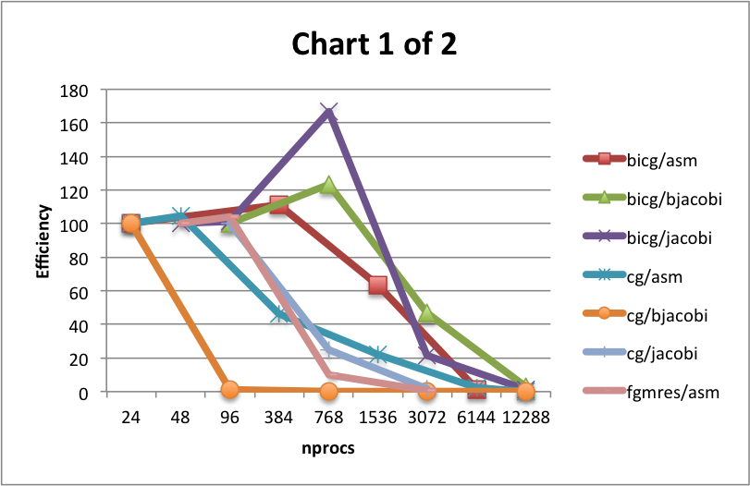
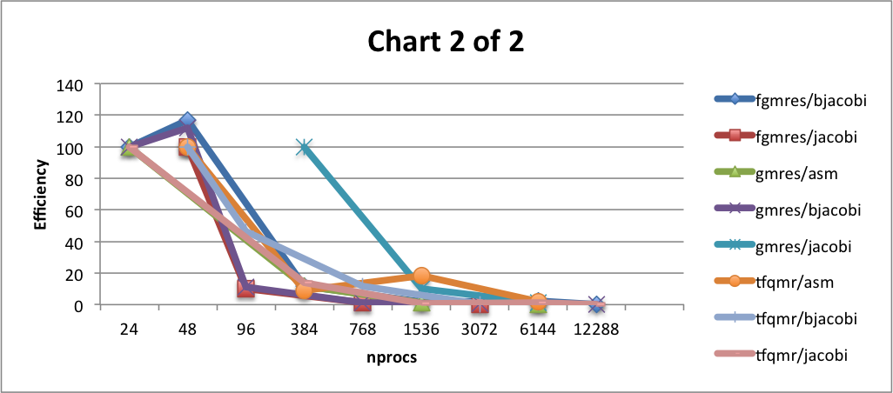
bicg/jacobi | 12288 | 3.395061728 | 1.326195988 | bicg/jacobi
cg/asm | 24 | 1 | 100 | nprocs | efficiency | speedup
cg/asm | 48 | 2.088967972 | 104.4483986 | 48 | 100 | 1
cg/asm | 384 | 7.420986094 | 46.38116308 | 96 | 101.4760148 | 2.029520295
cg/asm | 1536 | 14.24757282 | 22.26183252 | 768 | 166.868932 | 26.69902913
cg/asm | 6144 | 5.485981308 | 2.142961449 | 3072 | 21.70138889 | 13.88888889
cg/asm | 12288 | 0.080410959 | 0.015705265 | 12288 | 1.326195988 | 3.395061728
cg/bjacobi | 24 | 1 | 100 | cg/asm
cg/bjacobi | 96 | 0.040806452 | 1.02016129 | nprocs | efficiency | speedup
cg/bjacobi | 768 | 0.046851852 | 0.146412037 | 24 | 100 | 1
cg/bjacobi | 3072 | 0.068378378 | 0.053420608 | 48 | 104.4483986 | 2.088967972
cg/bjacobi | 12288 | 1.252475248 | 0.244624072 | 384 | 46.38116308 | 7.420986094
cg/jacobi | 96 | 1 | 100 | 1536 | 22.26183252 | 14.24757282
cg/jacobi | 768 | 2.009884679 | 25.12355848 | 6144 | 2.142961449 | 5.485981308
cg/jacobi | 3072 | 0.516949153 | 1.615466102 | 12288 | 0.015705265 | 0.080410959
fgmres/asm | 48 | 1 | 100 | cg/bjacobi
fgmres/asm | 96 | 2.083333333 | 104.1666667 | nprocs | efficiency | speedup
fgmres/asm | 768 | 1.5625 | 9.765625 | 24 | 100 | 1
fgmres/asm | 3072 | 0.352112676 | 0.550176056 | 96 | 1.02016129 | 0.040806452
fgmres/bjacobi | 24 | 1 | 100 | 768 | 0.146412037 | 0.046851852
fgmres/bjacobi | 48 | 2.333333333 | 116.6666667 | 3072 | 0.053420608 | 0.068378378
fgmres/bjacobi | 384 | 1.866666667 | 11.66666667 | 12288 | 0.244624072 | 1.252475248
fgmres/bjacobi | 1536 | 1 | 1.5625 | cg/jacobi
fgmres/bjacobi | 6144 | 5.6 | 2.1875 | nprocs | efficiency | speedup
fgmres/bjacobi | 12288 | 0.658823529 | 0.128676471 | 96 | 100 | 1
fgmres/jacobi | 48 | 1 | 100 | 768 | 25.12355848 | 2.009884679
fgmres/jacobi | 96 | 0.203703704 | 10.18518519 | 3072 | 1.615466102 | 0.516949153
fgmres/jacobi | 768 | 0.203703704 | 1.273148148 | fgmres/asm
fgmres/jacobi | 3072 | 0.255813953 | 0.399709302 | nprocs | efficiency | speedup
gmres/asm | 24 | 1 | 100 | 48 | 100 | 1
gmres/asm | 384 | 1.863636364 | 11.64772727 | 96 | 104.1666667 | 2.083333333
gmres/asm | 1536 | 0.911111111 | 1.423611111 | 768 | 9.765625 | 1.5625
gmres/asm | 6144 | 0.445652174 | 0.17408288 | 3072 | 0.550176056 | 0.352112676
gmres/bjacobi | 24 | 1 | 100 | fgmres/bjacobi
gmres/bjacobi | 48 | 2.235294118 | 111.7647059 | nprocs | efficiency | speedup
gmres/bjacobi | 96 | 0.436781609 | 10.91954023 | 24 | 100 | 1
gmres/bjacobi | 768 | 0.422222222 | 1.319444444 | 48 | 116.6666667 | 2.333333333
gmres/bjacobi | 3072 | 1.1875 | 0.927734375 | 384 | 11.66666667 | 1.866666667
gmres/bjacobi | 12288 | 0.690909091 | 0.134943182 | 1536 | 1.5625 | 1
gmres/jacobi | 384 | 1 | 100 | 6144 | 2.1875 | 5.6
gmres/jacobi | 1536 | 0.407407407 | 10.18518519 | 12288 | 0.128676471 | 0.658823529
gmres/jacobi | 6144 | 0.189655172 | 1.185344828 | fgmres/jacobi
tfqmr/asm | 48 | 1 | 100 | nprocs | efficiency | speedup
tfqmr/asm | 384 | 0.735751295 | 9.196891192 | 48 | 100 | 1
tfqmr/asm | 1536 | 5.916666667 | 18.48958333 | 96 | 10.18518519 | 0.203703704
tfqmr/asm | 6144 | 2.581818182 | 2.017045455 | 768 | 1.273148148 | 0.203703704
tfqmr/bjacobi | 48 | 1 | 100 | 3072 | 0.399709302 | 0.255813953
tfqmr/bjacobi | 96 | 0.923076923 | 46.15384615 | gmres/asm
tfqmr/bjacobi | 768 | 1.846153846 | 11.53846154 | nprocs | efficiency | speedup
tfqmr/bjacobi | 3072 | 0.260869565 | 0.407608696 | 24 | 100 | 1
tfqmr/jacobi | 24 | 1 | 100 | 384 | 11.64772727 | 1.863636364
tfqmr/jacobi | 384 | 2.2 | 13.75 | 1536 | 1.423611111 | 0.911111111
tfqmr/jacobi | 1536 | 0.47826087 | 0.747282609 | 6144 | 0.17408288 | 0.445652174
tfqmr/jacobi | 6144 | 3.3 | 1.2890625 | gmres/bjacobi
tfqmr/jacobi | 12288 | 0.407407407 | 0.079571759 | nprocs | efficiency | speedup
 |  |  |  | 24 | 100 | 1
 |  |  |  | 48 | 111.7647059 | 2.235294118
 |  |  |  | 96 | 10.91954023 | 0.436781609
 |  |  |  | 768 | 1.319444444 | 0.422222222
 |  |  |  | 3072 | 0.927734375 | 1.1875
 |  |  |  | 12288 | 0.134943182 | 0.690909091
 |  |  |  | gmres/jacobi
 |  |  |  | nprocs | efficiency | speedup
 |  |  |  | 384 | 100 | 1
 |  |  |  | 1536 | 10.18518519 | 0.407407407
 |  |  |  | 6144 | 1.185344828 | 0.189655172
 |  |  |  | tfqmr/asm
 |  |  |  | nprocs | efficiency | speedup
 |  |  |  | 48 | 100 | 1
 |  |  |  | 384 | 9.196891192 | 0.735751295
 |  |  |  | 1536 | 18.48958333 | 5.916666667
 |  |  |  | 6144 | 2.017045455 | 2.581818182
 |  |  |  | tfqmr/bjacobi
 |  |  |  | nprocs | efficiency | speedup
 |  |  |  | 48 | 100 | 1
 |  |  |  | 96 | 46.15384615 | 0.923076923
 |  |  |  | 768 | 11.53846154 | 1.846153846
 |  |  |  | 3072 | 0.407608696 | 0.260869565
 |  |  |  | tfqmr/jacobi
 |  |  |  | nprocs | efficiency | speedup
 |  |  |  | 24 | 100 | 1
 |  |  |  | 384 | 13.75 | 2.2
 |  |  |  | 1536 | 0.747282609 | 0.47826087
 |  |  |  | 6144 | 1.2890625 | 3.3
 |  |  |  | 12288 | 0.079571759 | 0.407407407

