Bug-Report
Bug ID | Priority | Description/Bug Summary | Pre-requisites | Bug steps | Expected result | Actual result | Status | Test executed by | Browser/Device/OS | Screenshot/video recording
bb_001 | P1 | The Shop by category functionality is not working fine as expected - Not showing the results on the same page, but displaying the results for some category when the user again clicks on the categories on the next page | 1. Open the browser 2. Enter the URL - https://66405eedbcb7ce8c1a800ea6--timely-froyo-5c39a1.netlify.app/index.html | 1. Enter the URL, application will be opened 2. check shop by category functionality | After clicking on Shop by Category button a list of item categories should be displayed, then if user selects a category, then the related items should be displayed | Defect in Shop by category functionality | Fail | Kanishk Chaddha | Browser - Chrome OS - Ubuntu 22.04.4 LTS Devices - Laptop and Android mobile | 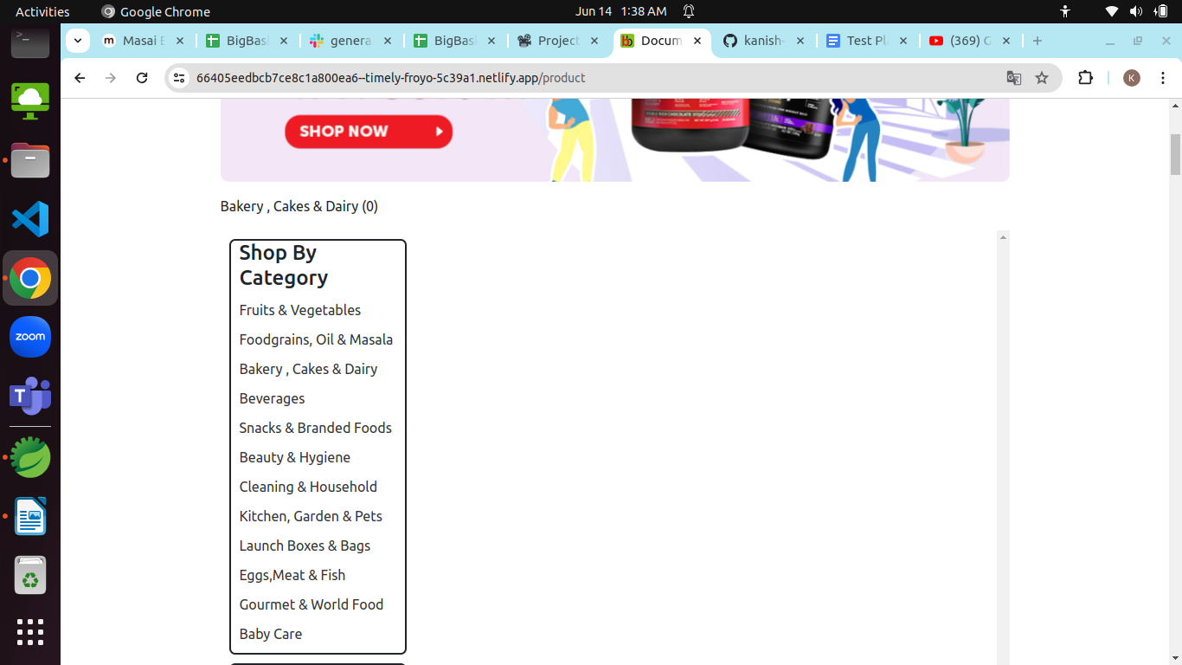
bb_002 | P1 | The Smart Basket button on the top right corner is not clickable | 1. Open the browser 2. Enter the URL - https://66405eedbcb7ce8c1a800ea6--timely-froyo-5c39a1.netlify.app/index.html | 1. Enter the URL, application will be opened 2. Click on smart basket button | Smart basket button should be clickable | Defect in smart basket button it is not clickable | Fail | Kanishk Chaddha | Browser - Chrome OS - Ubuntu 22.04.4 LTS Devices - Laptop and Android mobile | 
bb_003 | P1 | The % offers button which is on the right of smart basket button is not clickable | 1. Open the browser 2. Enter the URL - https://66405eedbcb7ce8c1a800ea6--timely-froyo-5c39a1.netlify.app/index.html | 1. Enter the URL, application will be opened 2. Click on % offers button | The % offers button should be clickable | Defect in % offers button it is not clickable | Fail | Kanishk Chaddha | Browser - Chrome OS - Ubuntu 22.04.4 LTS Devices - Laptop and Android mobile | 
bb_004 | P1 | when the user type "Potato" in the search textfield The dropdown list is showing Lays classic potato chips intead of potato | 1. Open the browser 2. Enter the URL - https://66405eedbcb7ce8c1a800ea6--timely-froyo-5c39a1.netlify.app/index.html | 1. Enter the URL, application will be opened 2. Enter Keyword - Potato | The available stock of potato should be displayed | Defect in search textfield not showing relevant results | Fail | Kanishk Chaddha | Browser - Chrome OS - Ubuntu 22.04.4 LTS Devices - Laptop and Android mobile | 
bb_005 | P1 | The apple is displayed but when user enters another item - orange is not displayed | 1. Open the browser 2. Enter the URL - https://66405eedbcb7ce8c1a800ea6--timely-froyo-5c39a1.netlify.app/index.html | 1. Enter the URL, application will be opened 2. First item - apple and click on search 3. second item - orange and click on search | First apple should be displayed, Secondly orange should be displayed | Defect in search textfield, displaying 1 item at once but if user type another item it is not showing another | Fail | Kanishk Chaddha | Browser - Chrome OS - Ubuntu 22.04.4 LTS Devices - Laptop and Android mobile | 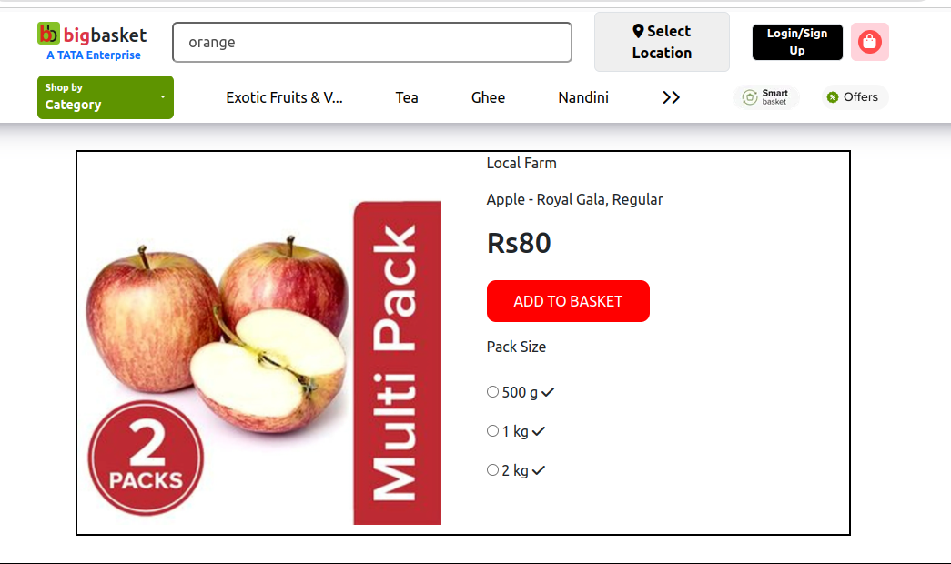
bb_006 | P1 | When the user enters Tomato 500 gm, the Search text field is not even displaying the Tomato | 1. Open the browser 2. Enter the URL - https://66405eedbcb7ce8c1a800ea6--timely-froyo-5c39a1.netlify.app/index.html | 1. Enter the URL, application will be opened 2. Enter the item - Tomato 500 gm | The search text field should be displayed Tomato with 500 gm quantity if available | Defect in search textfield The Search text field is not even displaying the Tomato | Fail | Kanishk Chaddha | Browser - Chrome OS - Ubuntu 22.04.4 LTS Devices - Laptop and Android mobile | 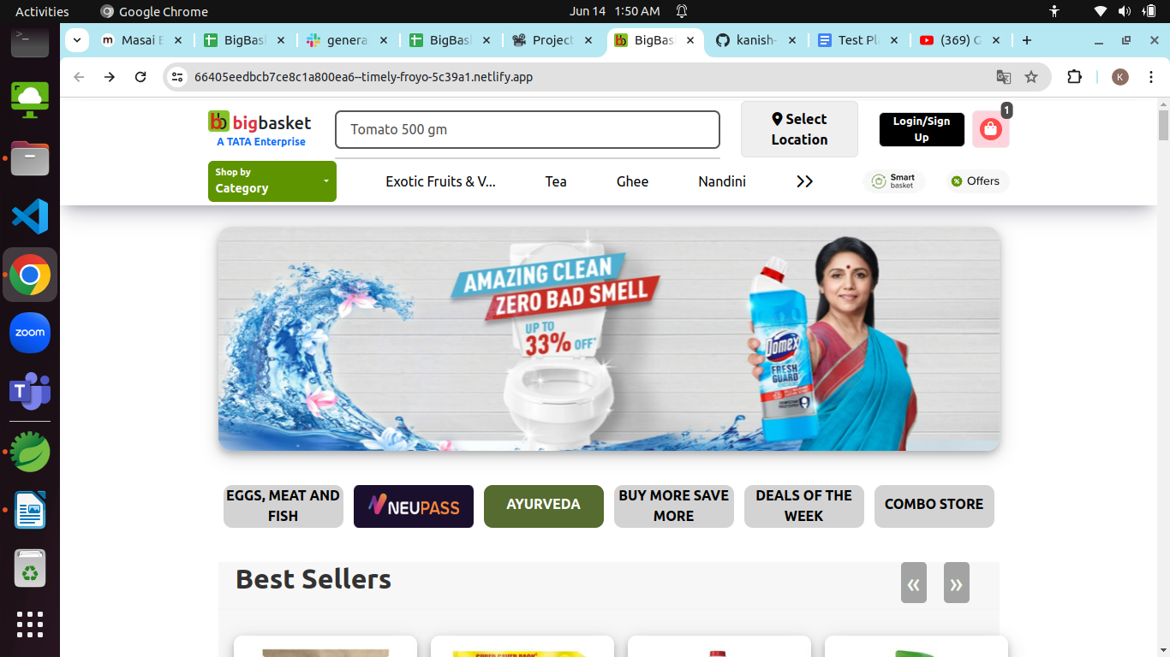
bb_007 | P1 | When the user enters a keyword - #amul kool the search textfield is not displaying any item | 1. Open the browser 2. Enter the URL - https://66405eedbcb7ce8c1a800ea6--timely-froyo-5c39a1.netlify.app/index.html | 1. Enter the URL, application will be opened 2. Enter the item - #amul kool | The search textfield should be displayed amul kool | Defect in search textfield it is not displaying any item | Fail | Kanishk Chaddha | Browser - Chrome OS - Ubuntu 22.04.4 LTS Devices - Laptop and Android mobile | 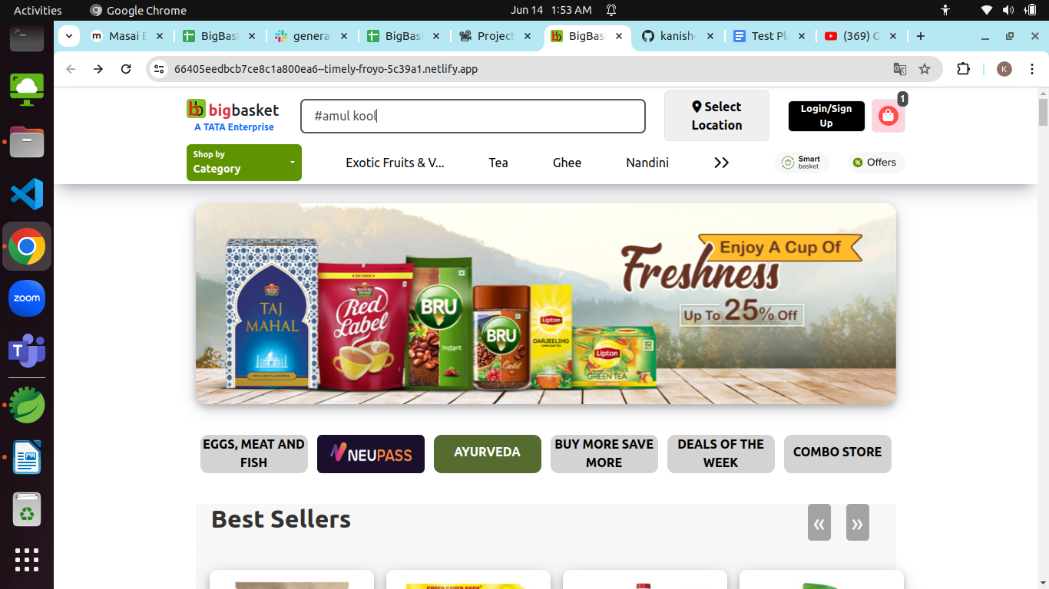
bb_008 | P1 | After selecting a product when the user clicks on add to basket button the product is not added to the basket of the user because the button is not clickable | 1. Open the browser 2. Enter the URL - https://66405eedbcb7ce8c1a800ea6--timely-froyo-5c39a1.netlify.app/index.html | 1. Enter the URL, application will be opened 2. choose a product 3. Click on add to basket button | A particular product should be added to the basket of the customer when he clicks on the add to basket button | Defect A particular product is not added to the basket of the customer because add to basket button is not clickable | Fail | Kanishk Chaddha | Browser - Chrome OS - Ubuntu 22.04.4 LTS Devices - Laptop and Android mobile | 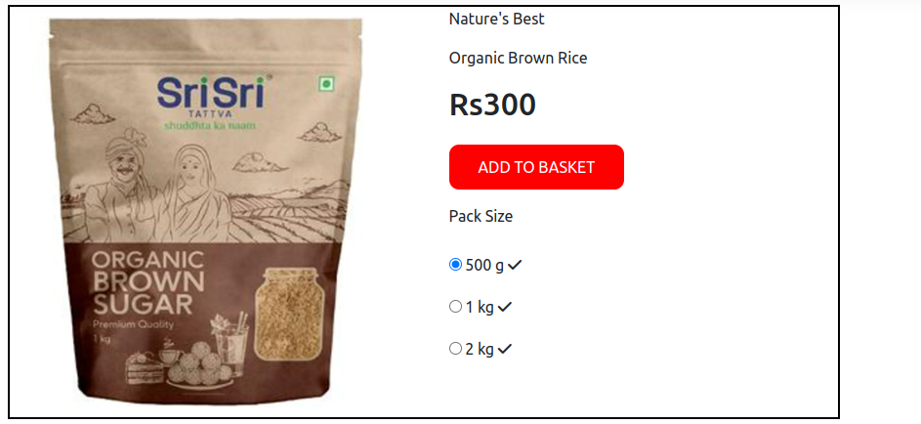
bb_009 | P1 | The Select location button is not working fine, locations are not displaying,because button is not clickable | 1. Open the browser 2. Enter the URL - https://66405eedbcb7ce8c1a800ea6--timely-froyo-5c39a1.netlify.app/index.html | 1. Enter the URL, application will be opened 2. Click on Select location button 3. Search for the location | The location searched by the user should be displayed | Defect The location searched by the user is not displayed because Search for location button is not clickable | Fail | Kanishk Chaddha | Browser - Chrome OS - Ubuntu 22.04.4 LTS Devices - Laptop and Android mobile | 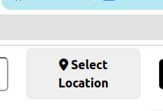
bb_010 | P1 | Login functionality is not working fine, it is accepting wrong email id | 1. Open the browser 2. Enter the URL - https://66405eedbcb7ce8c1a800ea6--timely-froyo-5c39a1.netlify.app/index.html | 1. Enter the URL, application will be opened 2. Click on Login button 3. Enter the wrong email id 4. Enter correct password 4. Click on submit | The wrong email id should not be accepted | Defect The wrong email id is accepted and also user is able to login successfully | Fail | Kanishk Chaddha | 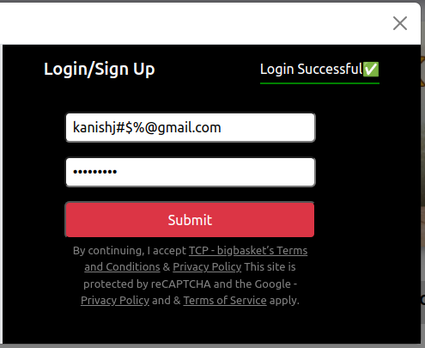 Browser - Chrome OS - Ubuntu 22.04.4 LTS Devices - Laptop and Android mobile
bb_011 | P1 | Login functionality is not working fine, it is accepting wrong password | 1. Open the browser 2. Enter the URL - https://66405eedbcb7ce8c1a800ea6--timely-froyo-5c39a1.netlify.app/index.html | 1. Enter the URL, application will be opened 2. Click on Login button 3. Enter the correct email id 4. Enter wrong password 4. Click on submit | The wrong Password should not be accepted | Defect The wrong Password is accepted and also user is able to login successfully | Fail | Kanishk Chaddha | Browser - Chrome OS - Ubuntu 22.04.4 LTS Devices - Laptop and Android mobile | 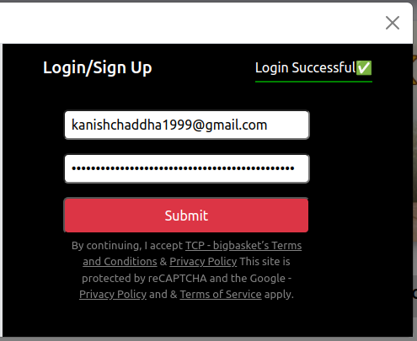
bb_012 | P1 | The product's image on the homepage is not clickable except 4 most purchased products | 1. Open the browser 2. Enter the URL - https://66405eedbcb7ce8c1a800ea6--timely-froyo-5c39a1.netlify.app/index.html | 1. Enter the URL, application will be opened 2. Click on any product's image the homepage | The product's image on the homepage should be clickable | UI Defect, The product's image on the homepage is not clickable except 4 most purchased products | Fail | Kanishk Chaddha | Browser - Chrome OS - Ubuntu 22.04.4 LTS Devices - Laptop and Android mobile | 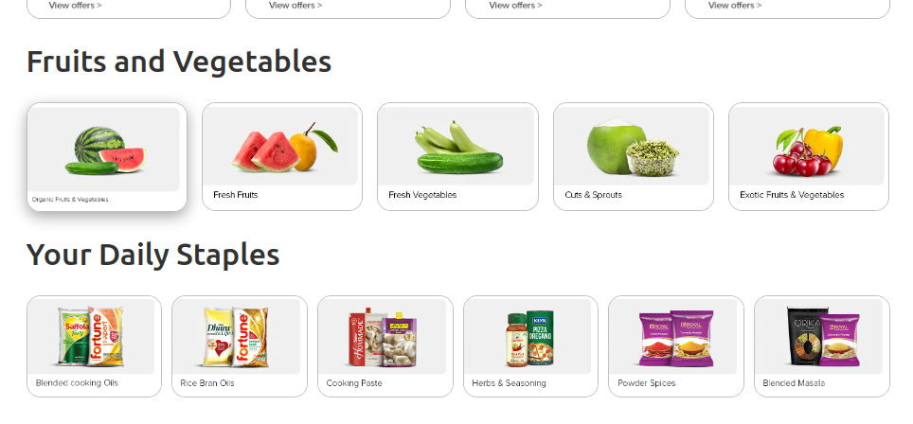
bb_013 | P1 | The spelling of Purchased is incorrect, in Most Purchased heading it is showing - Purchesed | 1. Open the browser 2. Enter the URL - https://66405eedbcb7ce8c1a800ea6--timely-froyo-5c39a1.netlify.app/index.html | 1. Enter the URL, application will be opened 2. Check the spelling of the content on the homepage | The spelling of the content on the homepage should be correct | UI Defect, The spelling of Purchased is incorrect, in Most Purchased heading it is showing - Purchesed | Fail | Kanishk Chaddha | Browser - Chrome OS - Ubuntu 22.04.4 LTS Devices - Laptop and Android mobile | 
bb_014 | P1 | The about us page is not displayed it shows the same page, when the user clicks on about us | 1. Open the browser 2. Enter the URL - https://66405eedbcb7ce8c1a800ea6--timely-froyo-5c39a1.netlify.app/index.html | 1. Enter the URL, application will be opened 2. Click on the about us | The about us page should be displayed whenever the user clicks on about us button | UI Defect, The about us page is not displayed it shows the same page | Fail | Kanishk Chaddha | Browser - Chrome OS - Ubuntu 22.04.4 LTS Devices - Laptop and Android mobile
bb_015 | P1 | Some products name font size is very small and blurred on the homepage which is not readable by the user | 1. Open the browser 2. Enter the URL - https://66405eedbcb7ce8c1a800ea6--timely-froyo-5c39a1.netlify.app/index.html | 1. Enter the URL, application will be opened 2. Try to read the name of products which have small font size | The products name on the homepage should be readable | UI Defect, The products name which have small font size is blurred and not readable | Fail | Kanishk Chaddha | Browser - Chrome OS - Ubuntu 22.04.4 LTS Devices - Laptop and Android mobile | 