Bug-Report
BUG REPORT
Bug ID | Priority | Description/Bug Summary | Pre-requisites | Bug steps | Expected result | Actual result | Status | Test executed by | Browser/Device/OS | Screenshot/video recording
bb_001 | P1 | The Shop by category functionality is not working fine as expected - Not showing the results on the same page, but displaying the results for some category when the user again clicks on the categories on the next page | 1. Open the browser 2. Enter the URL - https://66405eedbcb7ce8c1a800ea6--timely-froyo-5c39a1.netlify.app/index.html | 1. Enter the URL, application will be opened 2. check shop by category functionality | After clicking on Shop by Category button a list of item categories should be displayed, then if user selects a category, then the related items should be displayed | Defect in Shop by category functionality | Fail | Kanishk Chaddha | Browser - Chrome OS - Ubuntu 22.04.4 LTS Devices - Laptop and Android mobile | 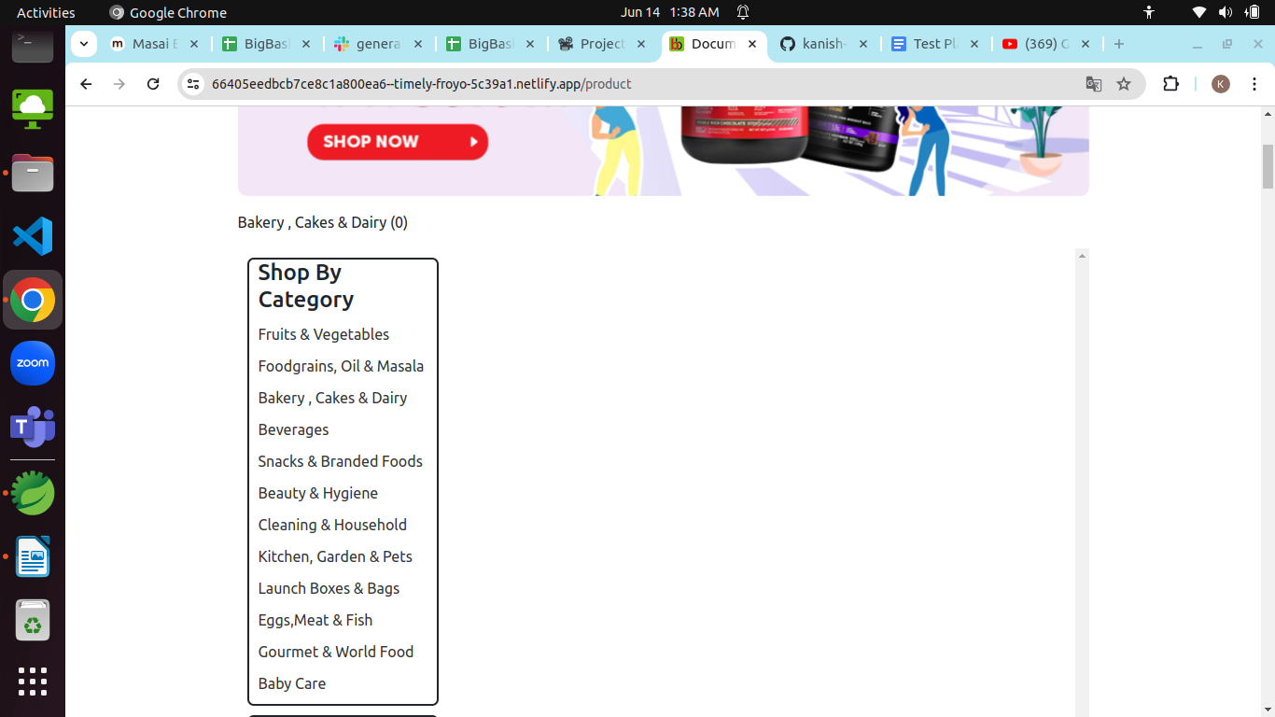
bb_002 | P1 | The Smart Basket button on the top right corner is not clickable | 1. Open the browser 2. Enter the URL - https://66405eedbcb7ce8c1a800ea6--timely-froyo-5c39a1.netlify.app/index.html | 1. Enter the URL, application will be opened 2. Click on smart basket button | Smart basket button should be clickable | Defect in smart basket button it is not clickable | Fail | Kanishk Chaddha | Browser - Chrome OS - Ubuntu 22.04.4 LTS Devices - Laptop and Android mobile | 
bb_003 | P1 | The % offers button which is on the right of smart basket button is not clickable | 1. Open the browser 2. Enter the URL - https://66405eedbcb7ce8c1a800ea6--timely-froyo-5c39a1.netlify.app/index.html | 1. Enter the URL, application will be opened 2. Click on % offers button | The % offers button should be clickable | Defect in % offers button it is not clickable | Fail | Kanishk Chaddha | Browser - Chrome OS - Ubuntu 22.04.4 LTS Devices - Laptop and Android mobile | 
bb_004 | P1 | when the user type "Potato" in the search textfield The dropdown list is showing Lays classic potato chips intead of potato | 1. Open the browser 2. Enter the URL - https://66405eedbcb7ce8c1a800ea6--timely-froyo-5c39a1.netlify.app/index.html | 1. Enter the URL, application will be opened 2. Enter Keyword - Potato | The available stock of potato should be displayed | Defect in search textfield not showing relevant results | Fail | Kanishk Chaddha | Browser - Chrome OS - Ubuntu 22.04.4 LTS Devices - Laptop and Android mobile | 
bb_005 | P1 | When the user enters apple in the search textfield, apple is displayed but when user enters another item - orange is not displayed | 1. Open the browser 2. Enter the URL - https://66405eedbcb7ce8c1a800ea6--timely-froyo-5c39a1.netlify.app/index.html | 1. Enter the URL, application will be opened 2. First item - apple and click on search 3. second item - orange and click on search | First apple should be displayed, Secondly orange should be displayed | Defect in search textfield, displaying 1 item at once but if user type another item it is not showing another | Fail | Kanishk Chaddha | Browser - Chrome OS - Ubuntu 22.04.4 LTS Devices - Laptop and Android mobile | 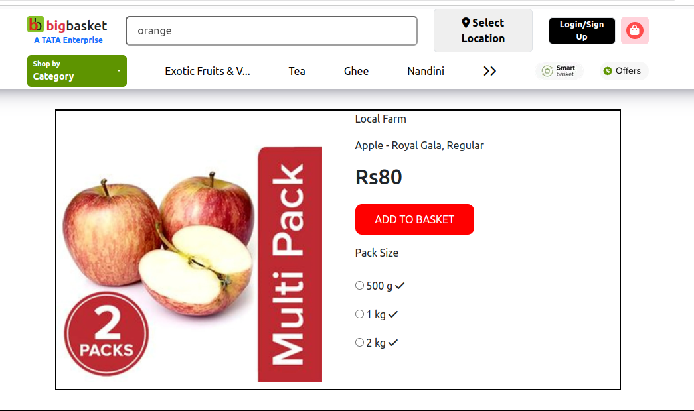
bb_006 | P1 | When the user enters Tomato 500 gm, the Search text field is not even displaying the Tomato | 1. Open the browser 2. Enter the URL - https://66405eedbcb7ce8c1a800ea6--timely-froyo-5c39a1.netlify.app/index.html | 1. Enter the URL, application will be opened 2. Enter the item - Tomato 500 gm | The search text field should be displayed Tomato with 500 gm quantity if available | Defect in search textfield The Search text field is not even displaying the Tomato | Fail | Kanishk Chaddha | Browser - Chrome OS - Ubuntu 22.04.4 LTS Devices - Laptop and Android mobile | 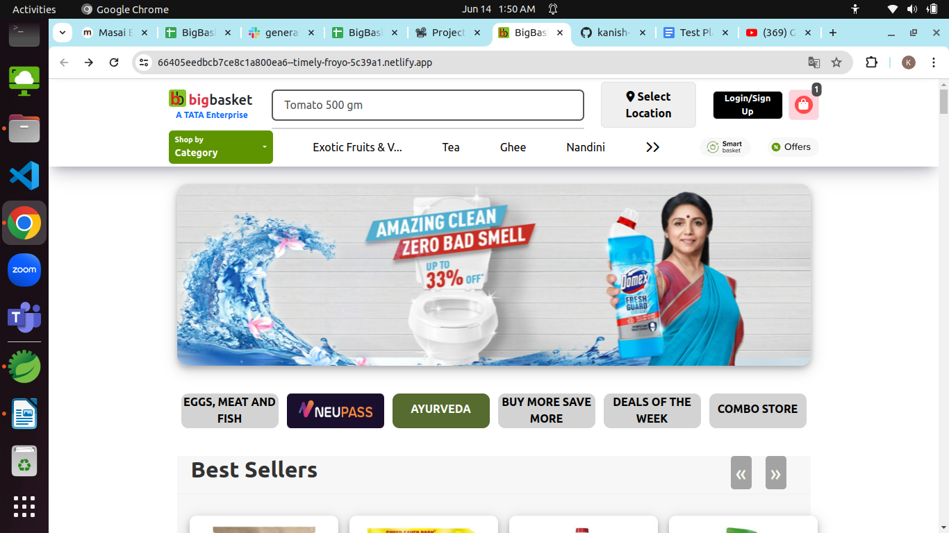
bb_007 | P1 | When the user enters a keyword - #amul kool the search textfield is not displaying any item | 1. Open the browser 2. Enter the URL - https://66405eedbcb7ce8c1a800ea6--timely-froyo-5c39a1.netlify.app/index.html | 1. Enter the URL, application will be opened 2. Enter the item - #amul kool | The search textfield should be displayed amul kool | Defect in search textfield it is not displaying any item | Fail | Kanishk Chaddha | Browser - Chrome OS - Ubuntu 22.04.4 LTS Devices - Laptop and Android mobile | 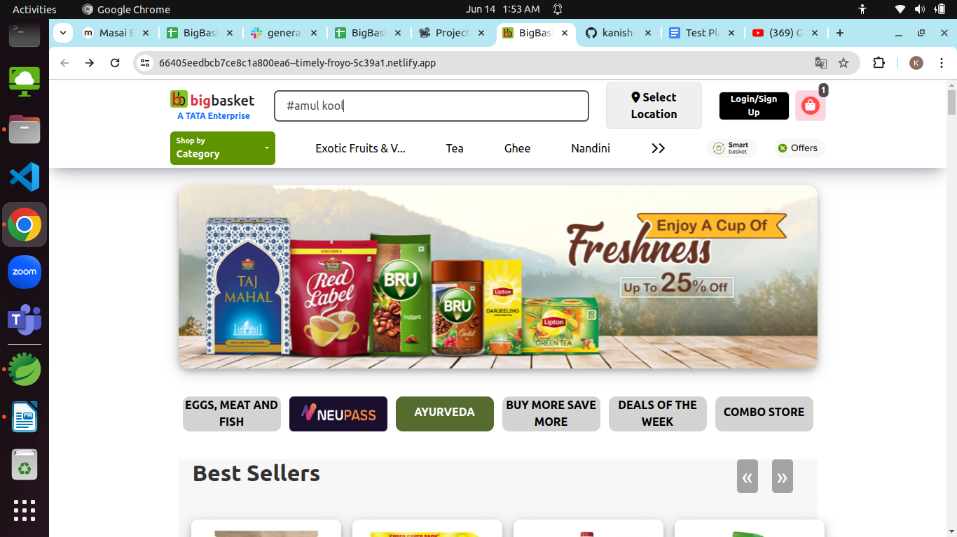
bb_008 | P1 | After selecting a product when the user clicks on add to basket button the product is not added to the basket of the user because the button is not clickable | 1. Open the browser 2. Enter the URL - https://66405eedbcb7ce8c1a800ea6--timely-froyo-5c39a1.netlify.app/index.html | 1. Enter the URL, application will be opened 2. choose a product 3. Click on add to basket button | A particular product should be added to the basket of the customer when he clicks on the add to basket button | Defect A particular product is not added to the basket of the customer because add to basket button is not clickable | Fail | Kanishk Chaddha | Browser - Chrome OS - Ubuntu 22.04.4 LTS Devices - Laptop and Android mobile | 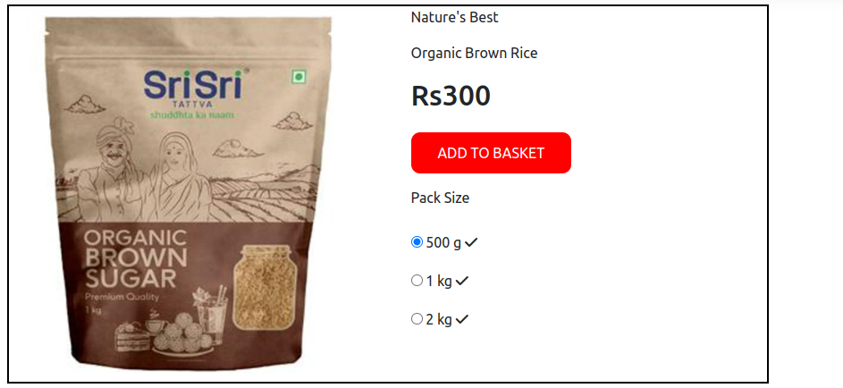
bb_009 | P1 | The Select location button is not working fine, locations are not displaying,because button is not clickable | 1. Open the browser 2. Enter the URL - https://66405eedbcb7ce8c1a800ea6--timely-froyo-5c39a1.netlify.app/index.html | 1. Enter the URL, application will be opened 2. Click on Select location button 3. Search for the location | The location searched by the user should be displayed | Defect The location searched by the user is not displayed because Search for location button is not clickable | Fail | Kanishk Chaddha | Browser - Chrome OS - Ubuntu 22.04.4 LTS Devices - Laptop and Android mobile | 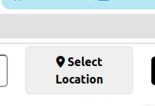
bb_010 | P1 | Login functionality is not working fine, it is accepting wrong email id | 1. Open the browser 2. Enter the URL - https://66405eedbcb7ce8c1a800ea6--timely-froyo-5c39a1.netlify.app/index.html | 1. Enter the URL, application will be opened 2. Click on Login button 3. Enter the wrong email id 4. Enter correct password 4. Click on submit | The wrong email id should not be accepted | Defect The wrong email id is accepted and also user is able to login successfully | Fail | Kanishk Chaddha | Browser - Chrome OS - Ubuntu 22.04.4 LTS Devices - Laptop and Android mobile | 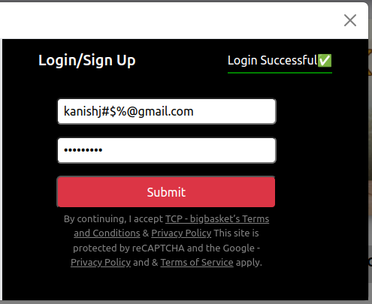
bb_011 | P1 | Login functionality is not working fine, it is accepting wrong password | 1. Open the browser 2. Enter the URL - https://66405eedbcb7ce8c1a800ea6--timely-froyo-5c39a1.netlify.app/index.html | 1. Enter the URL, application will be opened 2. Click on Login button 3. Enter the correct email id 4. Enter wrong password 4. Click on submit | The wrong Password should not be accepted | Defect The wrong Password is accepted and also user is able to login successfully | Fail | Kanishk Chaddha | Browser - Chrome OS - Ubuntu 22.04.4 LTS Devices - Laptop and Android mobile | 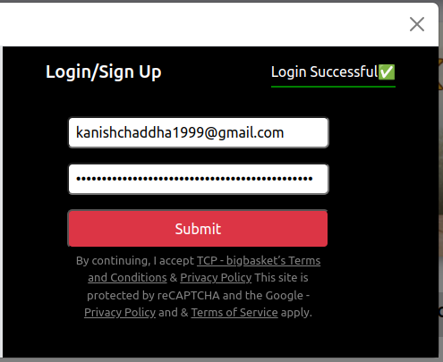
bb_012 | P1 | The product's image on the homepage is not clickable except 4 most purchased products | 1. Open the browser 2. Enter the URL - https://66405eedbcb7ce8c1a800ea6--timely-froyo-5c39a1.netlify.app/index.html | 1. Enter the URL, application will be opened 2. Click on any product's image the homepage | The product's image on the homepage should be clickable | UI Defect, The product's image on the homepage is not clickable except 4 most purchased products | Fail | Kanishk Chaddha | Browser - Chrome OS - Ubuntu 22.04.4 LTS Devices - Laptop and Android mobile | 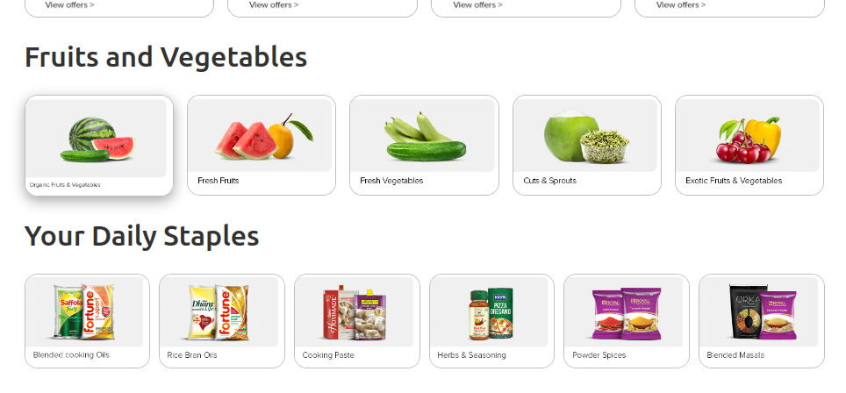
bb_013 | P1 | The spelling of Purchased is incorrect, in Most Purchased heading it is showing - Purchesed | 1. Open the browser 2. Enter the URL - https://66405eedbcb7ce8c1a800ea6--timely-froyo-5c39a1.netlify.app/index.html | 1. Enter the URL, application will be opened 2. Check the spelling of the content on the homepage | The spelling of the content on the homepage should be correct | UI Defect, The spelling of Purchased is incorrect, in Most Purchased heading it is showing - Purchesed | Fail | Kanishk Chaddha | Browser - Chrome OS - Ubuntu 22.04.4 LTS Devices - Laptop and Android mobile | 
bb_014 | P1 | The about us page is not displayed it shows the same page, when the user clicks on about us | 1. Open the browser 2. Enter the URL - https://66405eedbcb7ce8c1a800ea6--timely-froyo-5c39a1.netlify.app/index.html | 1. Enter the URL, application will be opened 2. Click on the about us | The about us page should be displayed whenever the user clicks on about us button | UI Defect, The about us page is not displayed it shows the same page | Fail | Kanishk Chaddha | Browser - Chrome OS - Ubuntu 22.04.4 LTS Devices - Laptop and Android mobile | 
bb_015 | P1 | Some products name font size is very small and blurred on the homepage which is not readable by the user | 1. Open the browser 2. Enter the URL - https://66405eedbcb7ce8c1a800ea6--timely-froyo-5c39a1.netlify.app/index.html | 1. Enter the URL, application will be opened 2. Try to read the name of products which have small font size | The products name on the homepage should be readable | UI Defect, The products name which have small font size is blurred and not readable | Fail | Kanishk Chaddha | Browser - Chrome OS - Ubuntu 22.04.4 LTS Devices - Laptop and Android mobile | 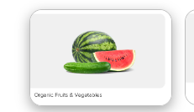
bb_016 | P1 | When the user clicks on the DEALS OF THE WEEK button the web application is reloading but not displaying the deals of the week page | 1. Open the browser 2. Enter the URL - https://66405eedbcb7ce8c1a800ea6--timely-froyo-5c39a1.netlify.app/index.html | 1. Enter the URL, application will be opened 2. click on DEALS OF THE WEEK button 3. check if it is redirected the user to deals of the week page or not | The DEALS OF THE WEEK button should redirected the user to the deals of the week page | Defect, When the user clicks on the DEALS OF THE WEEK button the web application is reloading but not displaying the deals of the week page | Fail | Kanishk Chaddha | Browser - Chrome OS - Ubuntu 22.04.4 LTS Devices - Laptop and Android mobile | 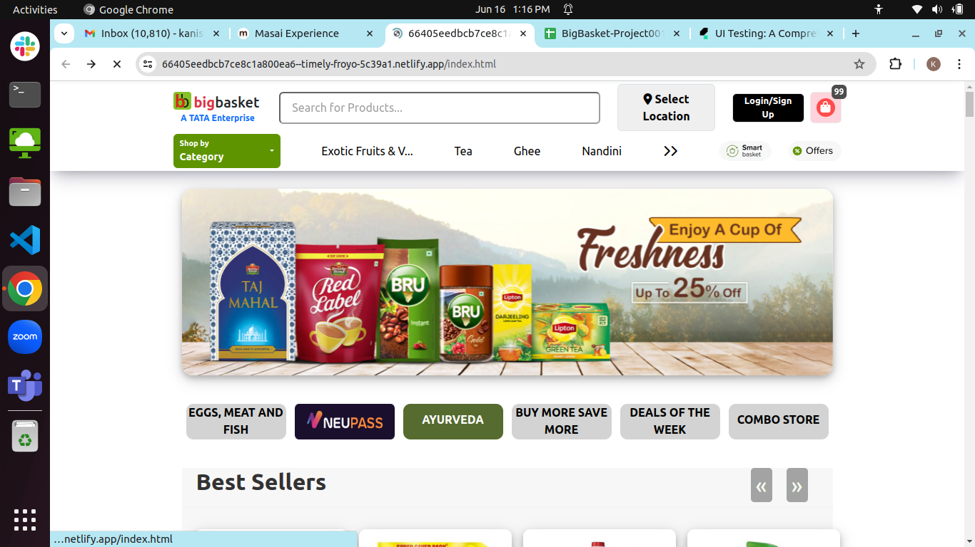
bb_017 | P1 | The product's image quality is very bad in case of some products the user is not able to recognize what type of product it is. | 1. Open the browser 2. Enter the URL - https://66405eedbcb7ce8c1a800ea6--timely-froyo-5c39a1.netlify.app/index.html | 1. Enter the URL, application will be opened 2. Try to recognize the product by looking at the image | The product's image quality should be good | UI Defect, The product's image quality is very bad in case of some products the user is not able to recognize what type of product it is. | Fail | Kanishk Chaddha | Browser - Chrome OS - Ubuntu 22.04.4 LTS Devices - Laptop and Android mobile | 
bb_018 | P1 | The name textfield of contact us page is accepting invalid name | 1. Open the browser 2. Enter the URL - https://66405eedbcb7ce8c1a800ea6--timely-froyo-5c39a1.netlify.app/index.html | 1. Enter the URL, application will be opened 2. click on contact us button 3. Enter the invalid or inappropriate name in the name textfield | The name textfield should not accept invalid name | Defect,The name textfield is accepting invalid name | Fail | Kanishk Chaddha | Browser - Chrome OS - Ubuntu 22.04.4 LTS Devices - Laptop and Android mobile | 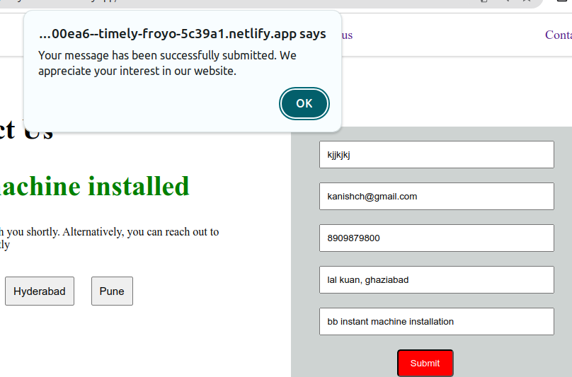
bb_019 | P1 | The email textfield of contact us page is accepting invalid email id | 1. Open the browser 2. Enter the URL - https://66405eedbcb7ce8c1a800ea6--timely-froyo-5c39a1.netlify.app/index.html | 1. Enter the URL, application will be opened 2. click on contact us button 3. Enter the invalid email id in the email textfield | The email textfield should not accept invalid email id | Defect,The email textfield is accepting invalid email id | Fail | Kanishk Chaddha | Browser - Chrome OS - Ubuntu 22.04.4 LTS Devices - Laptop and Android mobile | 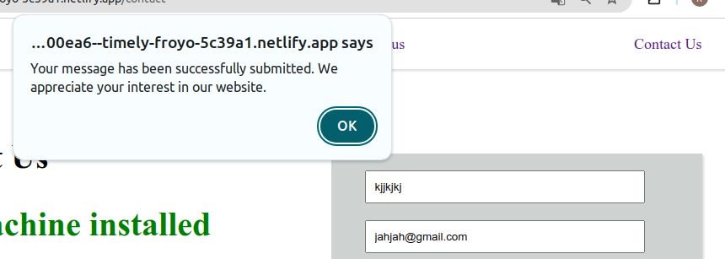
bb_020 | P1 | The Phone textfield of contact us page is accepting invalid or more than 10 digits phone number | 1. Open the browser 2. Enter the URL - https://66405eedbcb7ce8c1a800ea6--timely-froyo-5c39a1.netlify.app/index.html | 1. Enter the URL, application will be opened 2. click on contact us button 3. Enter the invalid phone number in the Phone textfield | The Phone textfield should not accept invalid or more than 10 digits phone number | Defect, The Phone textfield is accepting invalid or more than 10 digits phone number | Fail | Kanishk Chaddha | 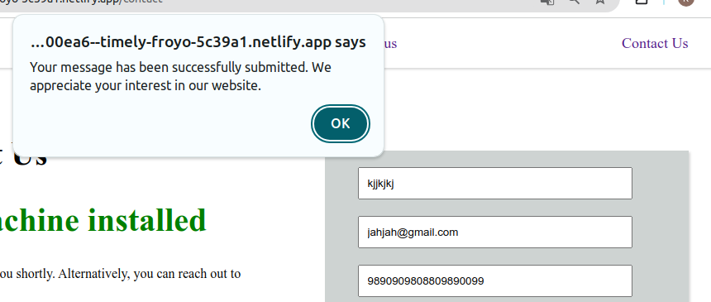 Browser - Chrome OS - Ubuntu 22.04.4 LTS Devices - Laptop and Android mobile
bb_021 | P1 | The Address textfield of contact us page is accepting invalid address | 1. Open the browser 2. Enter the URL - https://66405eedbcb7ce8c1a800ea6--timely-froyo-5c39a1.netlify.app/index.html | 1. Enter the URL, application will be opened 2. click on contact us button 3. Enter the invalid address in the Address textfield | The Address textfield should not accept invalid address | Defect, The Address textfield is accepting invalid address | Fail | Kanishk Chaddha | 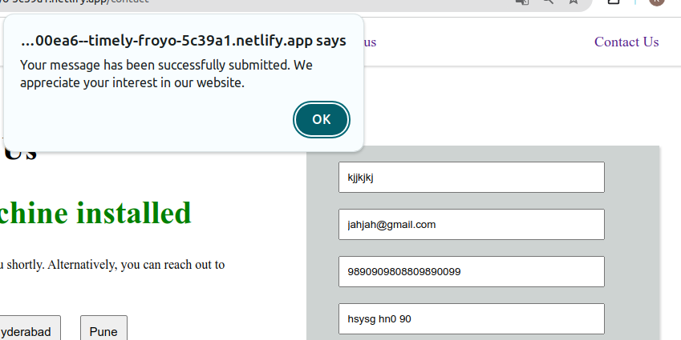 Browser - Chrome OS - Ubuntu 22.04.4 LTS Devices - Laptop and Android mobile
bb_022 | P1 | The message textfield of contact us page is accepting invalid message | 1. Open the browser 2. Enter the URL - https://66405eedbcb7ce8c1a800ea6--timely-froyo-5c39a1.netlify.app/index.html | 1. Enter the URL, application will be opened 2. click on contact us button 3. Enter the invalid message in the message textfield | The message textfield should not accept invalid message | Defect, The message textfield is accepting invalid message | Fail | Kanishk Chaddha | Browser - Chrome OS - Ubuntu 22.04.4 LTS Devices - Laptop and Android mobile | 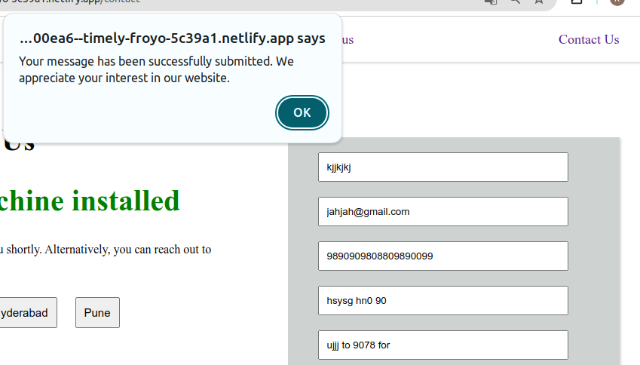
bb_023 | P1 | The web application is not able to fit in the screen of the mobile and some features is not displayed in their respective positions | 1. Open the browser 2. Enter the URL - https://66405eedbcb7ce8c1a800ea6--timely-froyo-5c39a1.netlify.app/index.html | 1. Enter the URL in the android mobile, application will be opened 2. Check the web application is responsive or not | The web application should properly fits in the screen of the mobile and all the buttons, features should be displayed in their respective positions | Defect, The web application is not able to fit in the screen of the mobile and some features is not displayed in their respective positions | Fail | Kanishk Chaddha | Browser - Chrome OS - Ubuntu 22.04.4 LTS Devices - Laptop and Android mobile | 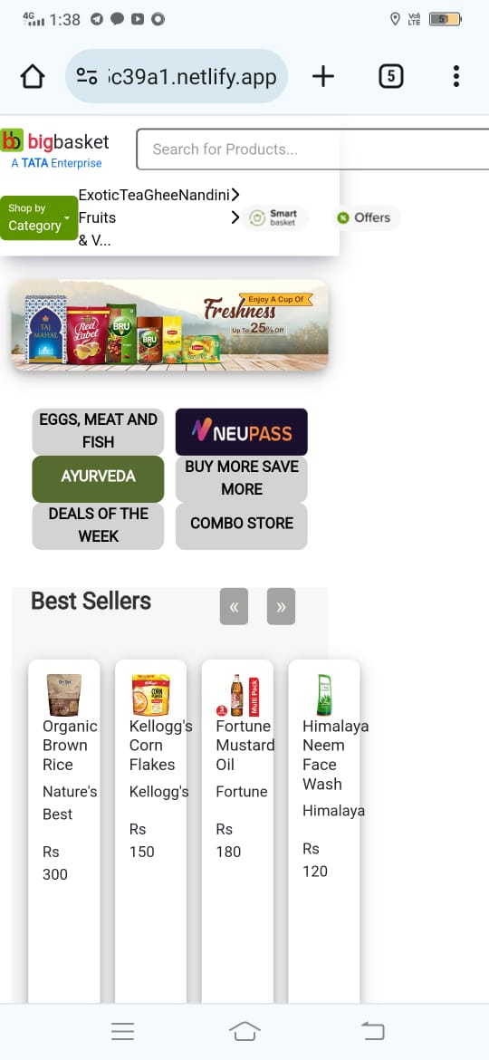
bb_024 | P1 | The web application is not reliable and stable enough to ensure smooth navigation between all the features many features are blocking the customers to proceed further | 1. Open the browser 2. Enter the URL - https://66405eedbcb7ce8c1a800ea6--timely-froyo-5c39a1.netlify.app/index.html | 1. Enter the URL in the android mobile, application will be opened 2. Check the load time,speed, and reliability of the web application | The web application should be fast,reliable and stable enough to ensure smooth navigation between all the features | Defect, The web application is not reliable and stable enough to ensure smooth navigation between all the features many features are blocking the customers to proceed further | Fail | Kanishk Chaddha | Browser - Chrome OS - Ubuntu 22.04.4 LTS Devices - Laptop and Android mobile | 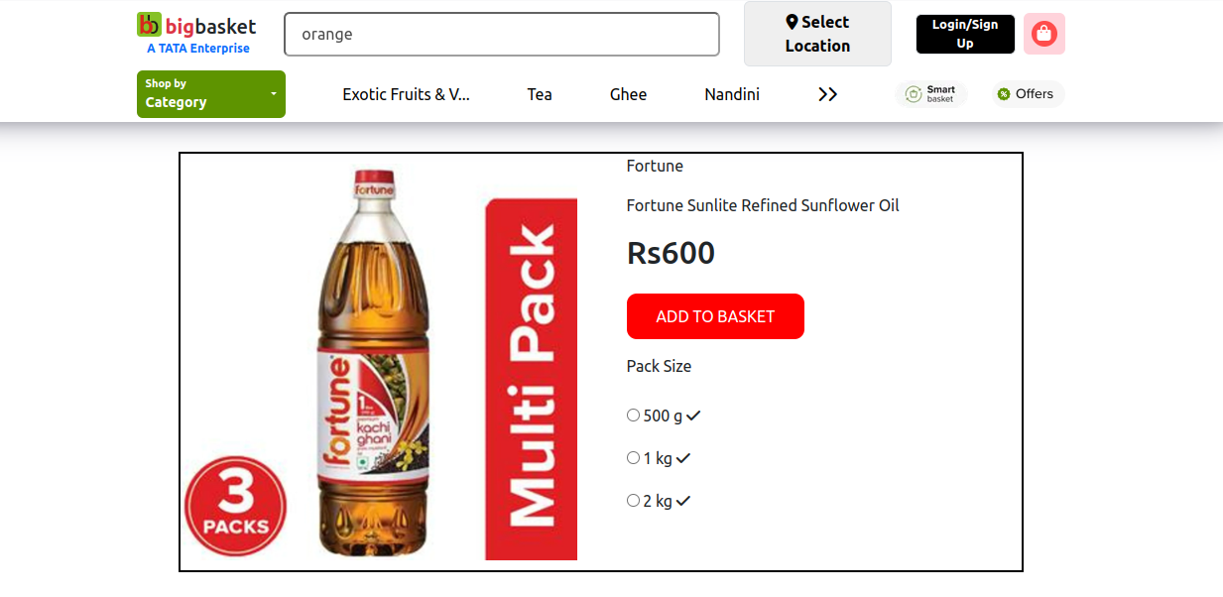
bb_025 | P1 | The web application is not compatible enough to run even in the popular browsers, the web application is not opening in the yahoo browser | 1. Open the browser 2. Enter the URL - https://66405eedbcb7ce8c1a800ea6--timely-froyo-5c39a1.netlify.app/index.html | 1. Enter the URL in yahoo.com browser 2. Check if the web application is open in yahoo browser or not | The web application should be compatible enough to run in the popular browsers | Defect, The web application is not compatible enough to run even in the popular browsers, the web application is not opening in the yahoo browser | Fail | Kanishk Chaddha | Browser - Chrome, Yahoo OS - Ubuntu 22.04.4 LTS Devices - Laptop and Android mobile | 