FreeBASIC
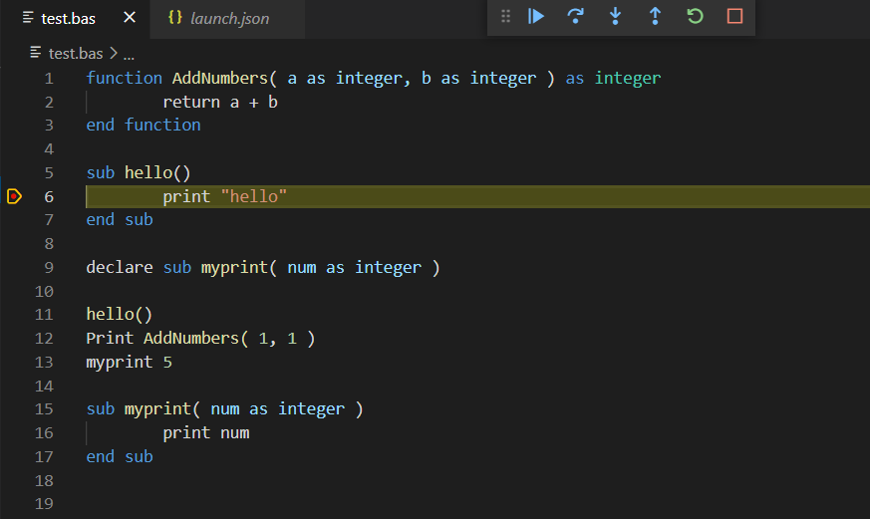
 |  | How to use VSCode to write FreeBASIC codes and debug

1) | Download and install VSCode from microsoft site.
 | URL: |  | https://code.visualstudio.com/
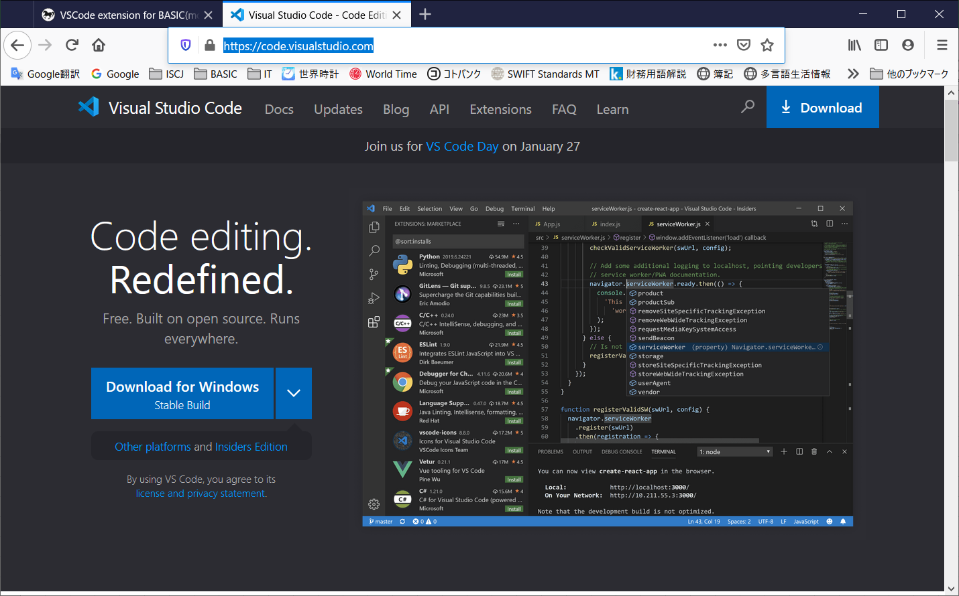

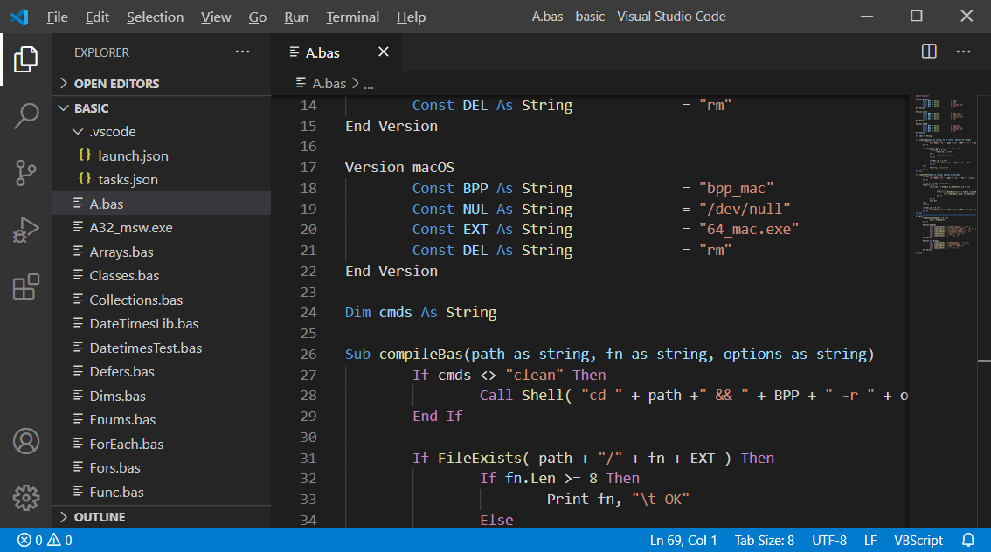
2) | Open VSCode and install C/C++ extension
 | click the Extensions icon(or Ctrl + Shift + X)

 | type C++ keyword to search the [C/C++] extension(maked by Microsoft) and click Install.
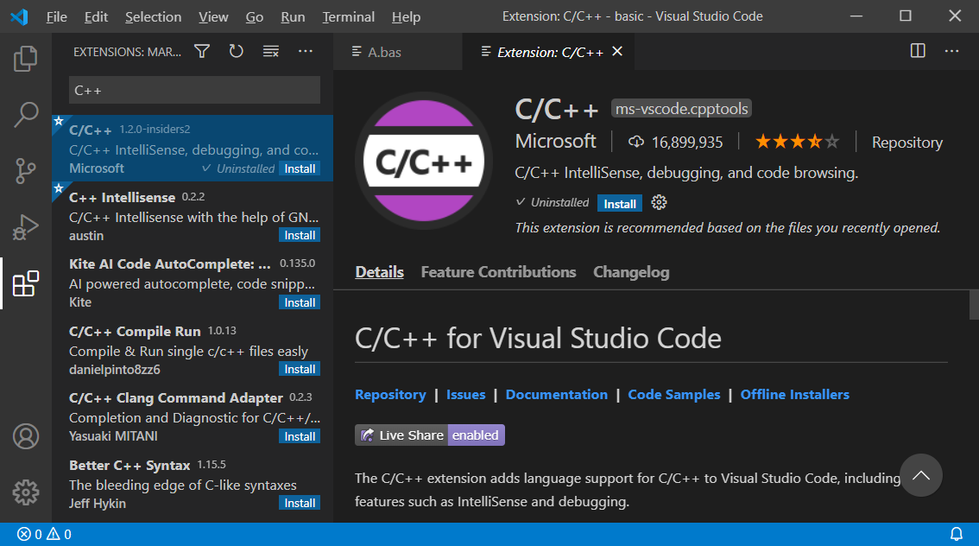

3) | install VBS extension for Code Completion and Tips

 | because VBS extension only apply on VBScript(*.vbs) file.
 | for BASIC(*.bas) file, we need do:
 |  | 1) | CLOSE VSCode at first
 |  | 2) | Download modifed VBS extension
 |  |  |  | https://github.com/kankouhin/Kaya-BASIC/blob/master/others/serpen.vbsvscode-1.2.0.zip
 |  | 3) | unzip and overwrite all the files under C:\Users\[USERNAME]\.vscode\extensions
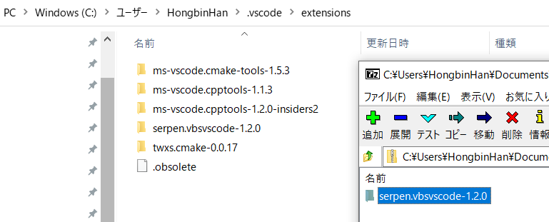

4) | make [SOURCE ROOT PATH, this sameple is named FreeBASIC] like below
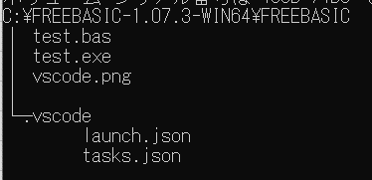

 | NOTE:
 |  | folder [.vscode] for VSCode to known how to build task and launch/Debug target exe
 |  |  |  | tasks.json | Ctrl + Shift + B to call this task to build BASIC
 |  |  |  | launch.json | F5 to launch exe
 |  | this sample can download from:
 |  |  | https://github.com/kankouhin/Kaya-BASIC/blob/master/others/FreeBASIC.zip

 |  | <tasks.json>
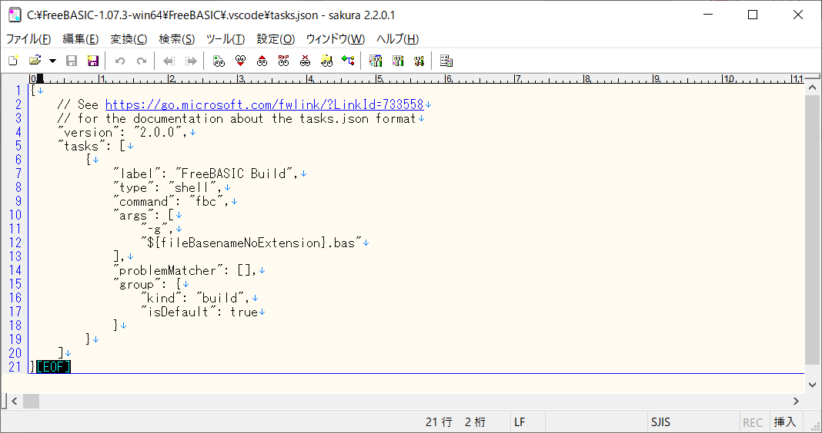

change args to compile your bas file(s) if need

 |  | <launch.json>
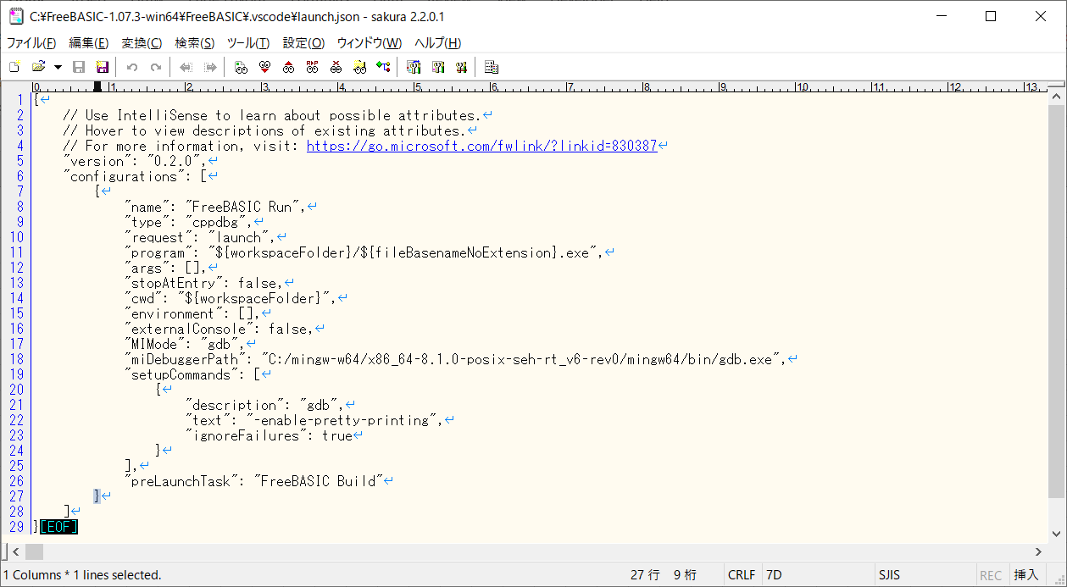

change target exe name to run/debug
if need

change to your GDB path

5) | Open VSCode and open the [SOURCE ROOT PATH] folder
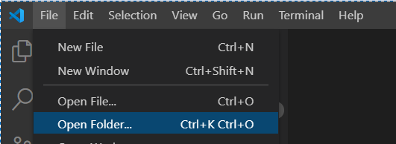

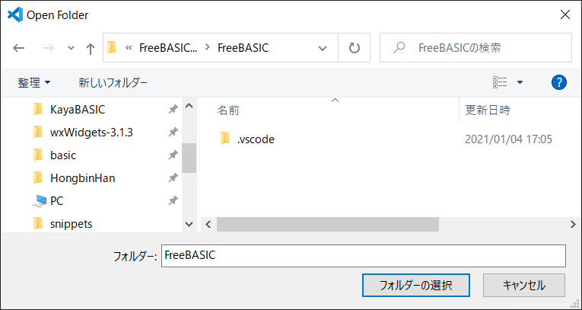

 |  | click the test.bas file and enjoy write codes with code completion.
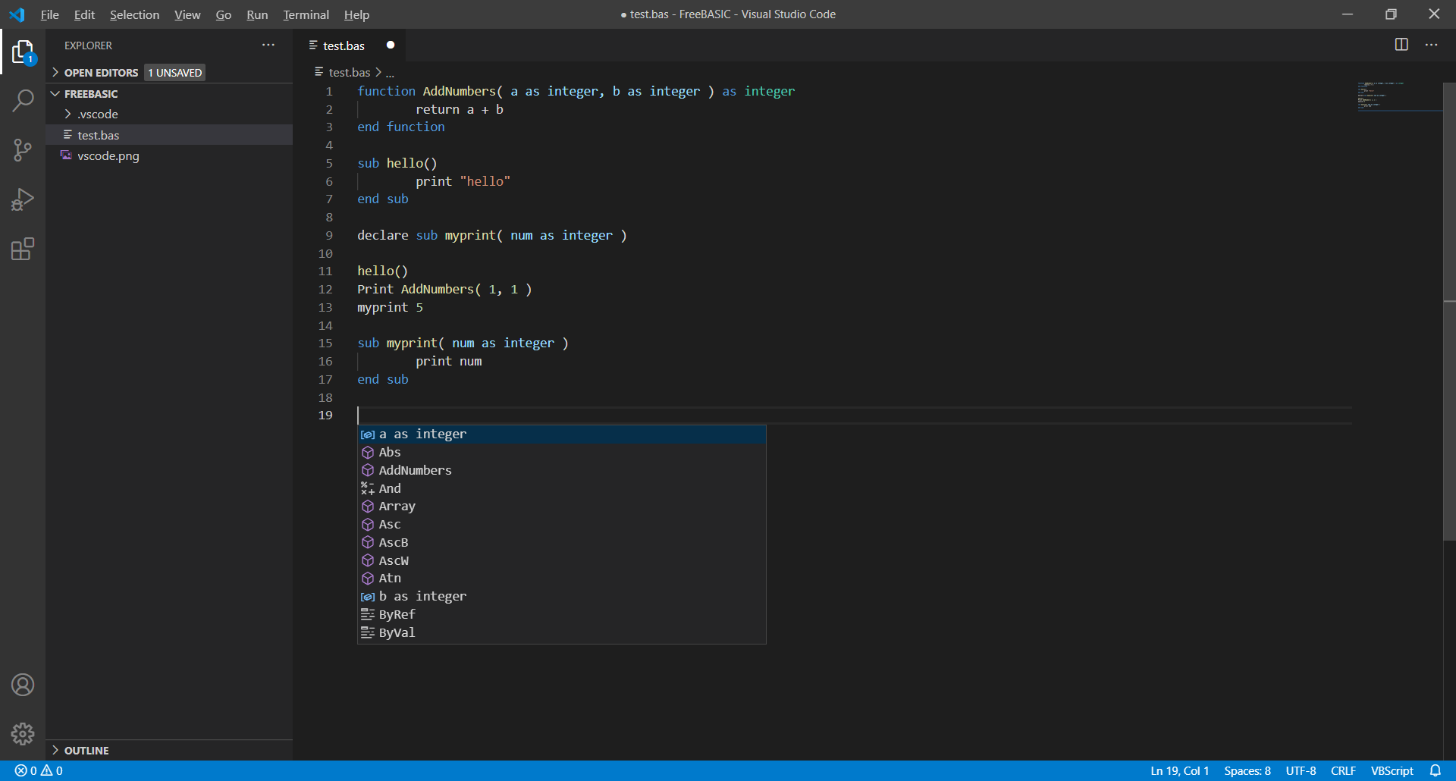

6) | Debug
 |  | because the C/C++ extension can only set breakpoint to c/c++ file, we need to change Debug settings.
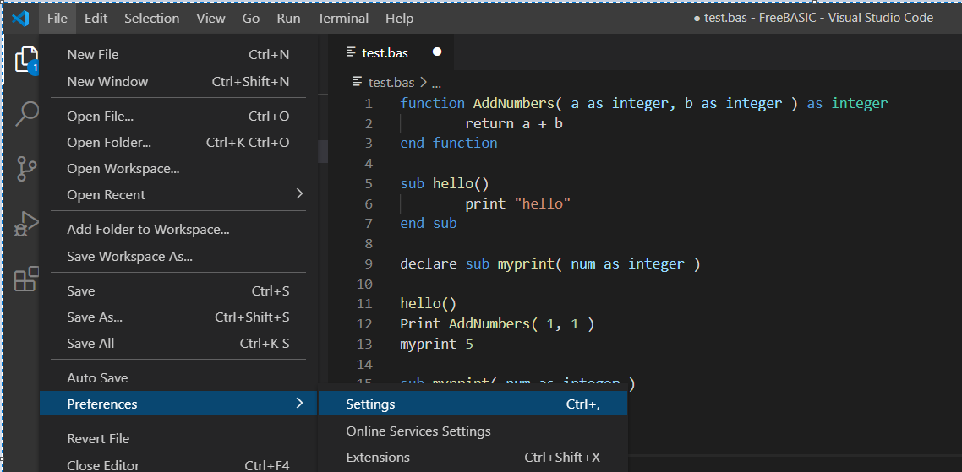

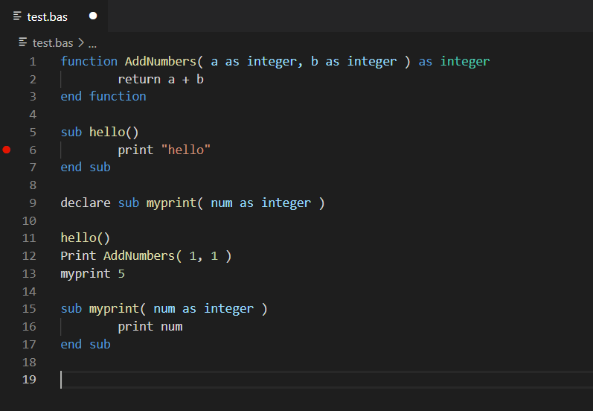
 |  | check [All setting breakpoints in any file] and now we can set breakpoint to BASIC file.
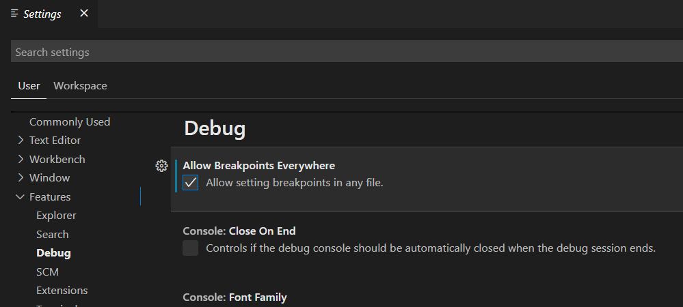

 |  | F5 to run/debug, enjoy GDB debugging.

