KayaBASIC
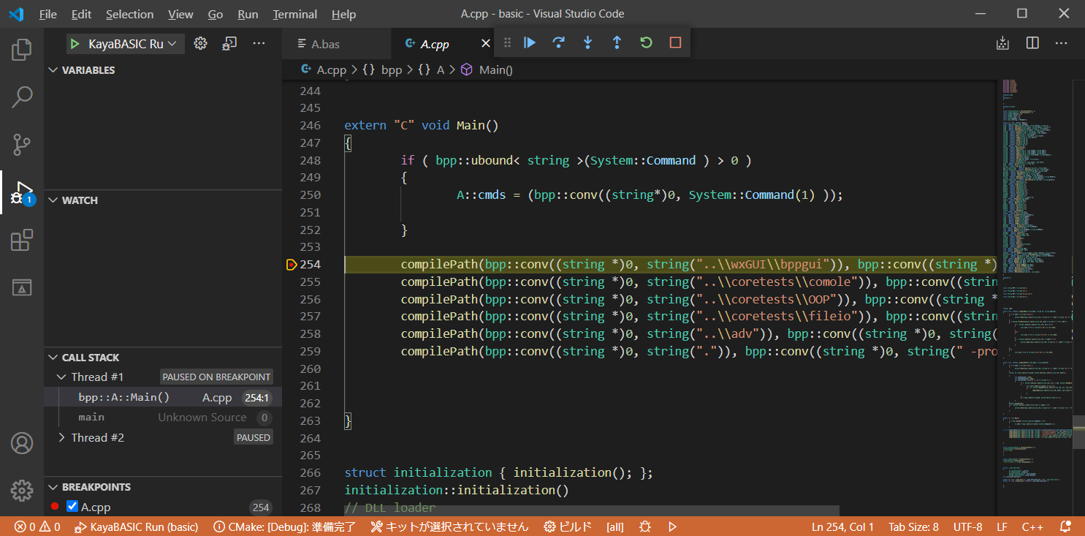
 |  | How to use VSCode to write KayaBASIC codes and debug

1) | Download and install VSCode from microsoft site.
 | URL: |  | https://code.visualstudio.com/
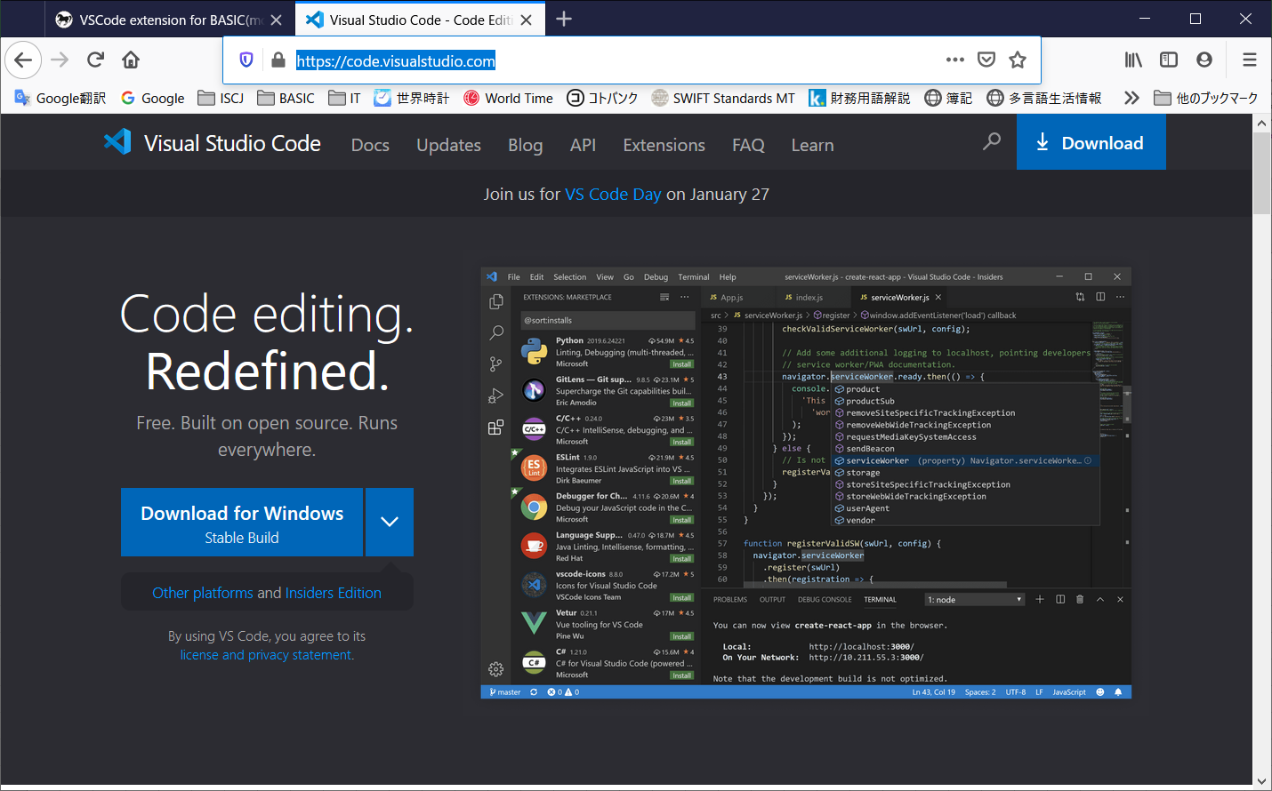

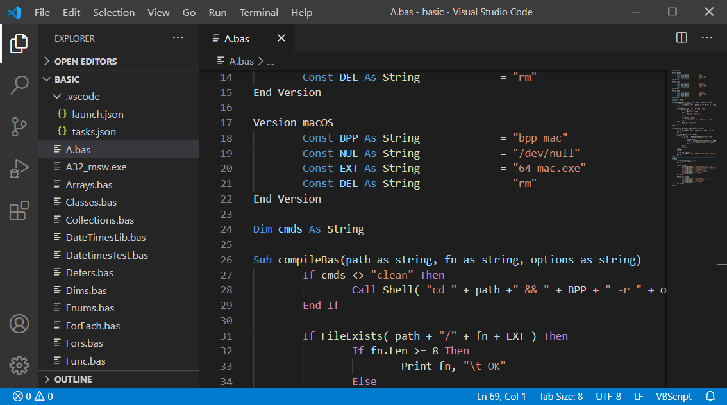
2) | Open VSCode and install C/C++ extension
 | click the Extensions icon(or Ctrl + Shift + X)

 | type C++ keyword to search the [C/C++] extension(maked by Microsoft) and click Install.
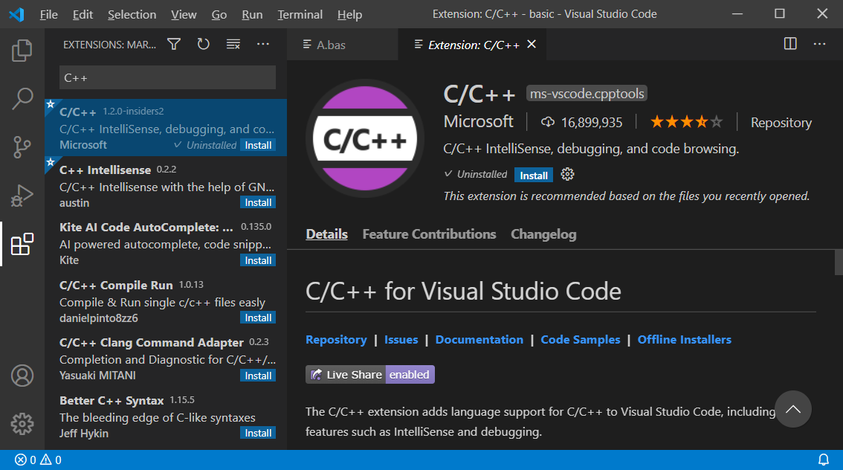

3) | install VBS extension for Code Completion and Tips

 | because VBS extension only apply on VBScript(*.vbs) file.
 | for BASIC(*.bas) file, we need do:
 |  | 1) | CLOSE VSCode at first
 |  | 2) | Download modifed VBS extension
 |  |  |  | https://github.com/kankouhin/Kaya-BASIC/blob/master/others/serpen.vbsvscode-1.2.0.zip
 |  | 3) | unzip and overwrite all the files under C:\Users\[USERNAME]\.vscode\extensions
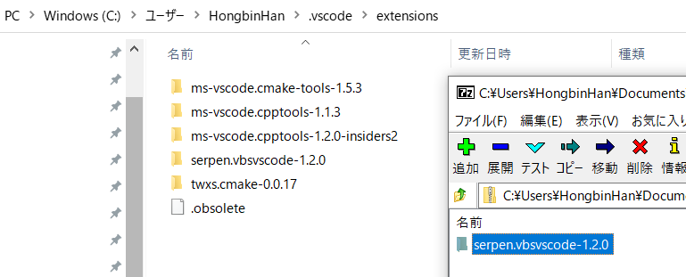

4) | make a folder like below
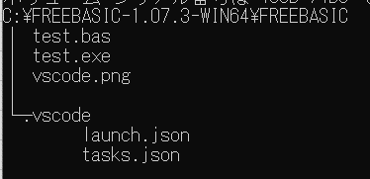

 | NOTE:
 |  | folder [.vscode] for VSCode to known how to build task and launch/Debug target exe
 |  |  |  | tasks.json | Ctrl + Shift + B to call this task to build BASIC
 |  |  |  | launch.json | F5 to launch exe

 |  | <tasks.json>
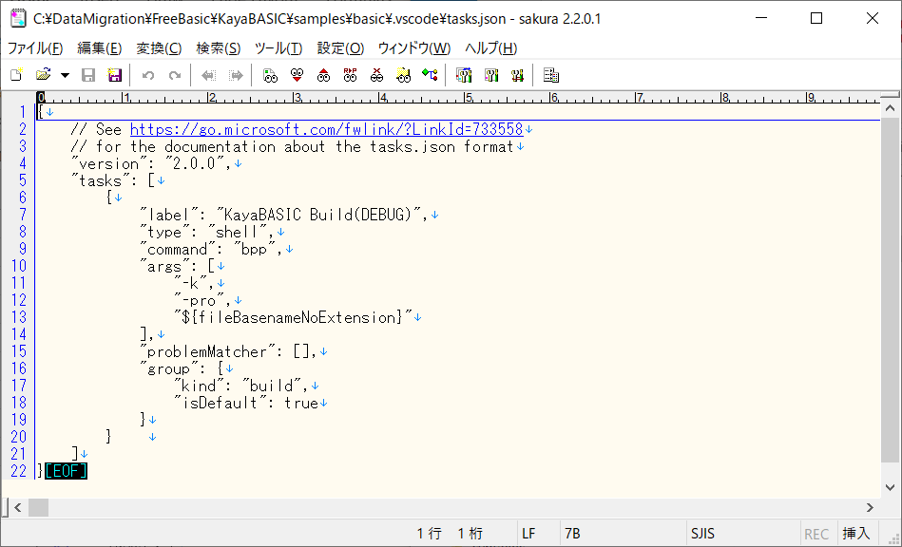

change args to compile your bas file(s) if need
[-k] this option is used to debug with generated cpp file

 |  | <launch.json>
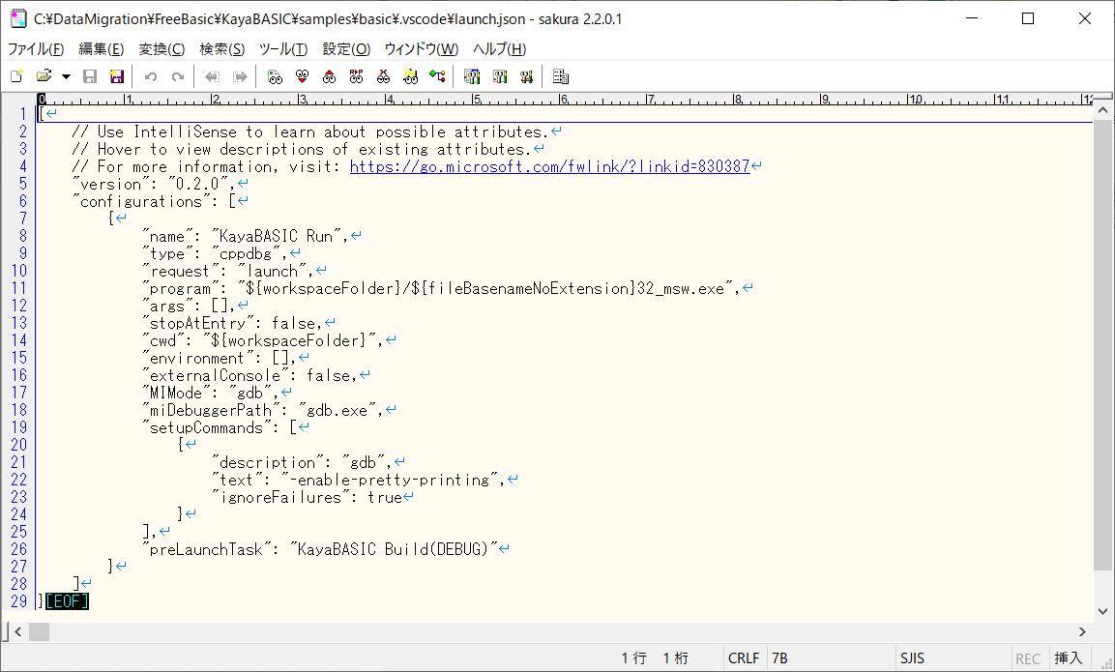

change target exe name to run/debug
if need

change to your GDB path

5) | Open VSCode and open the [SOURCE ROOT PATH] folder, for example [KayaBASIC\samples\basic]
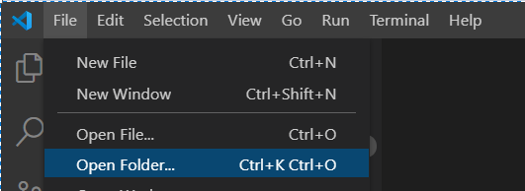

 |  | click bas file and enjoy write codes with code completion.
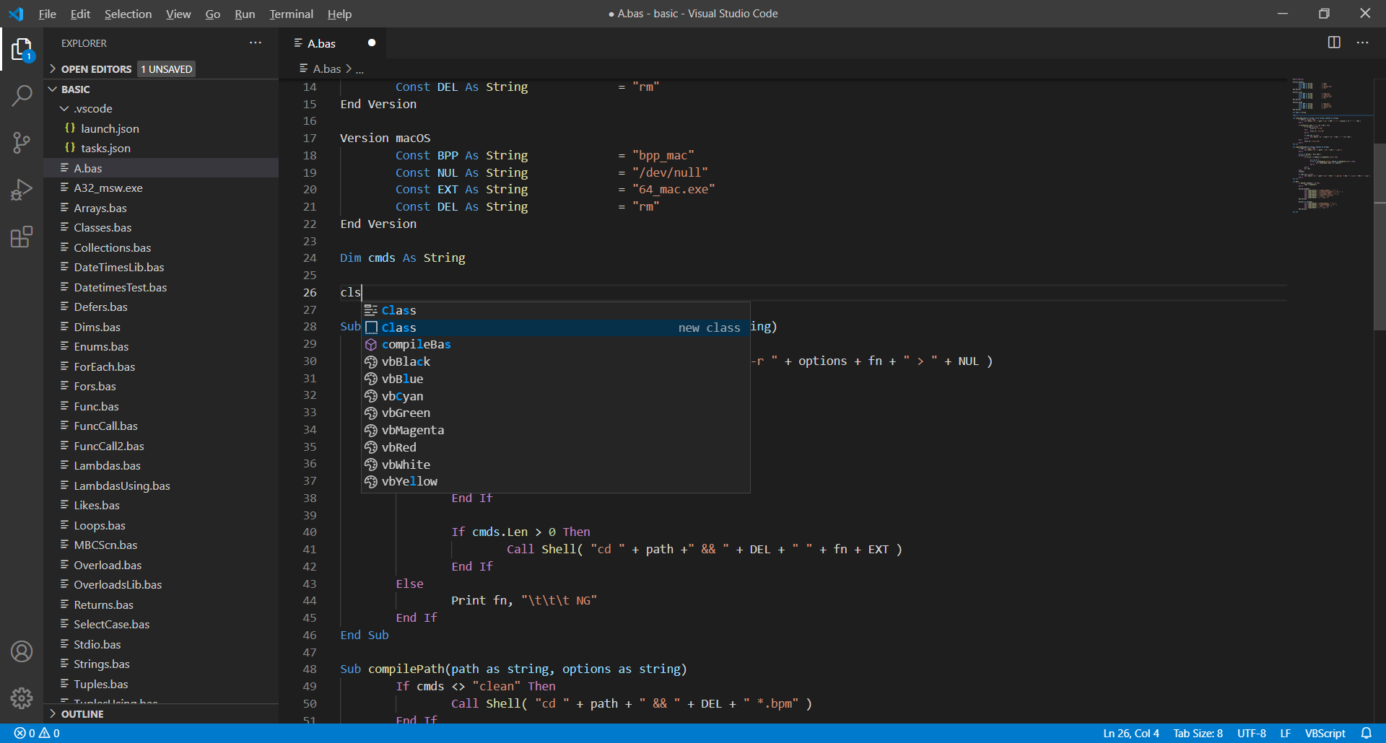

6) | Debug
 |  | KayaBASIC now can only debug with the generated c++ files.
 |  |  | 2021/1/26 Now can directly debug(still experimental)) bas file like FreeBAISC, please refrence [VSCode-For-FreeBASIC.xlsx]
 |  | Ctrl + Shift + B to build the bas file and generate cpp file
 |  | open cpp file and set breakpoints
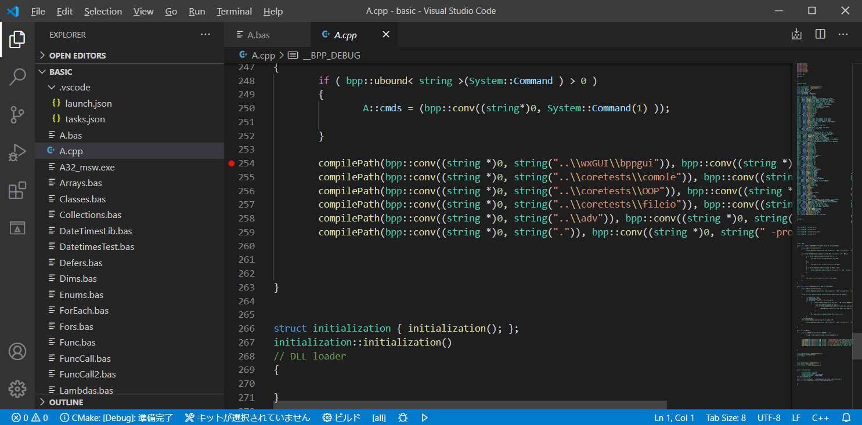

 |  | check [All setting breakpoints in any file] and now we can set breakpoint to BASIC file.

 |  | F5 to run/debug, enjoy GDB debugging.

