manual_filter
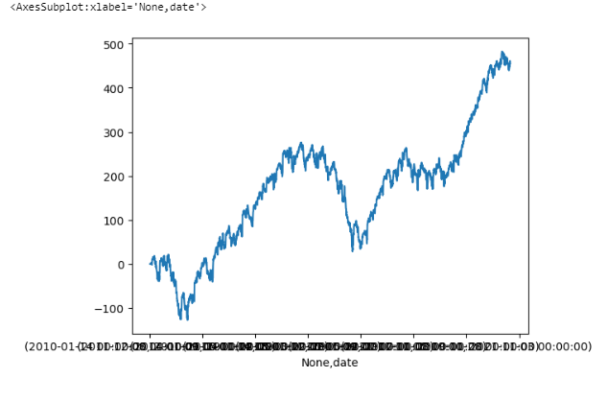
콜 데빗은 단타성으로 운용
진입후 50% 수익 / -50% 손절

bbands_{'C', [('number', 2.5, 1), ('number', 5, -1)]}_[35, 70]_1 | bbands_{'C', [('number', 2.5, 1), ('number', 5, -1)]}_[35, 70]_1 | bbands_{'C' | [('number' | 2.5 | 1) | ('number' | 5 | -1)]}_[35 | 70]_1 | {'n' | 247 | 'win' | 106 | 42.9% | 'total_ret' | 36.292922892 | 'avg_ret' | 0.14693491049 | 'avg_win' | 1.39528807 | 'avg_loss' | -0.79154335123 | 'vol' | 0.33463843953 | 'single_strat_mdd' | (-3.7991553634427486 | 2021-05-03 2021-05-04
stoch_{'C', [('number', 0, 1), ('number', 2.5, -1)]}_[35, 70]_1 | stoch_{'C', [('number', 0, 1), ('number', 2.5, -1)]}_[35, 70]_1 | stoch_{'C' | [('number' | 0 | 1) | ('number' | 2.5 | -1)]}_[35 | 70]_1 | {'n' | 291 | 'win' | 128 | 44.0% | 'total_ret' | 31.607850344 | 'avg_ret' | 0.10861804242 | 'avg_win' | 1.3839121943 | 'avg_loss' | -0.89283994187 | 'vol' | 0.40351728325 | 'single_strat_mdd' | (-4.941409394247325 | 2018-03-07 2018-03-23

거꾸로 콜크레딧 매도차원에서 누적수익 좋은 전략
alltime_{'C', [('number', 5, 1), ('number', 7.5, -1)]}_[35, 70]_4 | alltime_{'C', [('number', 5, 1), ('number', 7.5, -1)]}_[35, 70]_4 | alltime_{'C' | [('number' | 5 | 1) | ('number' | 7.5 | -1)]}_[35 | 70]_4 | {'n' | 3810 | 'win' | 847 | 22.2% | 'total_ret' | -455.21839125 | 'avg_ret' | -0.11947989272 | 'avg_win' | 1.6455717889 | 'avg_loss' | -0.6240356721 | 'vol' | 2.6376232916 | 'single_strat_mdd' | (-9.177362463434246 | Timestamp('2020-03-25 00 | 0 | 00')) | 'net_liq_mdd' | (-29.71303545295647 | Timestamp('2021-01-05 00 | 0 | 00'))}
익절 0.5 / 손절 -4 / 승률 77%
손절 -2로 둬도 비슷한 차트 (수익은 300따리로 확 줄어즘)
누적수익 자체는 좋지만 풋대비 drawdown이 너무 큼
상방 가능성 회피하는 차원에서 TA 도입 필요

