main
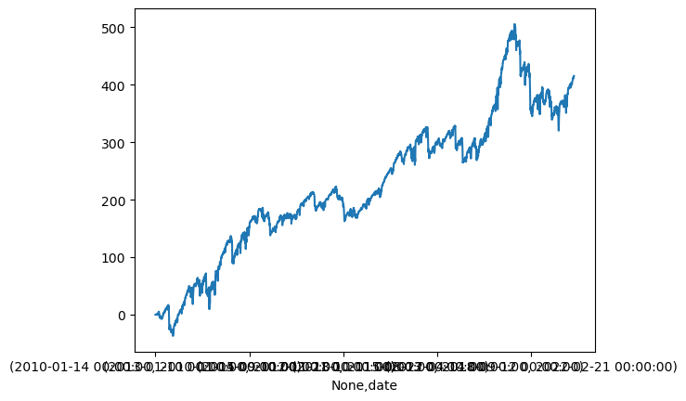
naked call
psar_{'C', [('delta', 0.4, 1)]}_[7, 35]_4 | psar_{'C' | [('delta' | 0.4 | 1)]}_[7 | 35]_4 | {'n' | 140 | 'win' | 33 | 23.57% | 'total_ret' | 40.84 | 'avg_ret' | 0.29171428571 | 'avg_win' | 6.5887878788 | 'avg_loss' | -1.6503738318 | 'vol' | 0.78753994411 | 'single_strat_mdd' | (-6.659999999999999 | Timestamp('2020-04-01 00 | 0 | 00')) | 'net_liq_mdd' | (-6.659999999999999 | Timestamp('2020-04-01 00 | 0 | 00'))}
psar_0.4델타_4배익절/0.5배손절
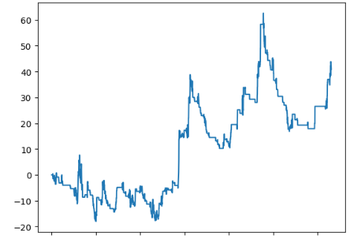
 |  |  |  |  |  |  | {'n': | 140
 |  |  |  |  |  |  | 'win': | 33
 |  |  |  |  |  |  | 'total_ret': | 40.84
 |  |  |  |  |  |  | 'avg_ret': | 0.29171428571
 |  |  |  |  |  |  | 'avg_win': | 6.5887878788
 |  |  |  |  |  |  | 'avg_loss': | -1.6503738318
 |  |  |  |  |  |  | 'vol': | 0.78753994411
 |  |  |  |  |  |  | 'single_strat_mdd': | (-6.659999999999999 | Timestamp('2020-04-01
 |  |  |  |  |  |  | 'net_liq_mdd': | (-6.659999999999999 | Timestamp('2020-04-01

call_debit
bbands_{'C', [('number', 2.5, 1), ('number', 5, -1)]}_[35, 70]_1 | bbands_{'C', [('number', 2.5, 1), ('number', 5, -1)]}_[35, 70]_1 | bbands_{'C' | [('number' | 2.5 | 1) | ('number' | 5 | -1)]}_[35 | 70]_1 | {'n' | 247 | 'win' | 106 | 42.9% | 'total_ret' | 36.292922892 | 'avg_ret' | 0.14693491049 | 'avg_win' | 1.39528807 | 'avg_loss' | -0.79154335123 | 'vol' | 0.33463843953 | 'single_strat_mdd' | (-3.7991553634427486 | 2021-05-03 2021-05-04
stoch_{'C', [('number', 0, 1), ('number', 2.5, -1)]}_[35, 70]_1 | stoch_{'C', [('number', 0, 1), ('number', 2.5, -1)]}_[35, 70]_1 | stoch_{'C' | [('number' | 0 | 1) | ('number' | 2.5 | -1)]}_[35 | 70]_1 | {'n' | 291 | 'win' | 128 | 44.0% | 'total_ret' | 31.607850344 | 'avg_ret' | 0.10861804242 | 'avg_win' | 1.3839121943 | 'avg_loss' | -0.89283994187 | 'vol' | 0.40351728325 | 'single_strat_mdd' | (-4.941409394247325 | 2018-03-07 2018-03-23
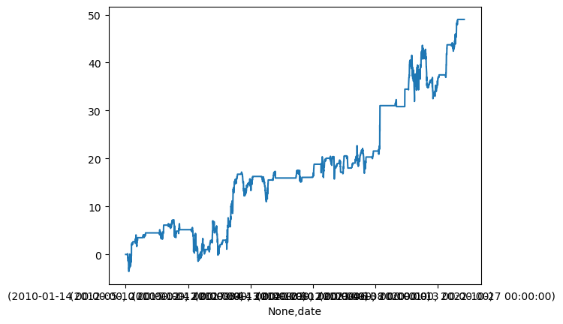
bband_2.5/5_0.75익절_0.5손절 |  |  |  |  |  |  |  |  |  |  | bband_0/2.5_0.75익절_-0.5손절 + stoch_0/2.5_0.75익절_0.5손절
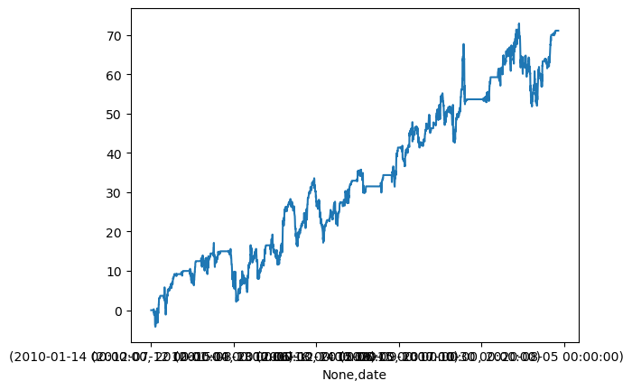
 |  |  |  |  |  |  | ({'n': | 247 |  |  |  |  |  | {'n': | 491
 |  |  |  |  |  |  | 'win': | 124 |  |  |  |  |  | 'win': | 246
 |  |  |  |  |  |  | 'total_ret': | 48.997683259 |  |  |  |  |  | 'total_ret': | 71.076970529
 |  |  |  |  |  |  | 'avg_ret': | 0.19837118728 |  |  |  |  |  | 'avg_ret': | 0.14475961411
 |  |  |  |  |  |  | 'avg_win': | 1.1606698341 |  |  |  |  |  | 'avg_win': | 1.1679972891
 |  |  |  |  |  |  | 'avg_loss': | -0.77175102579 |  |  |  |  |  | 'avg_loss': | -0.88265454114
 |  |  |  |  |  |  | 'vol': | 0.29819947828 |  |  |  |  |  | 'vol': | 0.52453709079
 |  |  |  |  |  |  | 'single_strat_mdd': | (-2.932362214965039 | Timestamp('2018-02-08 |  |  |  |  | 'single_strat_mdd': | (-4.941409394247325
 |  |  |  |  |  |  | 'net_liq_mdd': | (-2.932362214965039 | Timestamp('2018-02-08 |  |  |  |  | 2018-03-07 | 2018-03-14
 |  |  |  |  |  |  |  |  |  |  |  |  |  | 2018-03-07 | 2018-03-09
 |  |  |  |  |  |  |  |  |  |  |  |  |  | Name: | drawdown_date
 |  |  |  |  |  |  |  |  |  |  |  |  |  | 'net_liq_mdd': | (-7.424278305885511

call_bspread
이익 8 / 손실 -2
어떻게 해도 승률 66% 수준에서 나옴 |  |  |  | 수요일 무지성 진입 vs 볼밴 + psar union
alltime_ | 'C': [('delta', 0.3, -1), ('delta', 0.15, 2)]}_[7, 35]_5, | alltime_{'C': [('delta', 0.3, -1), ('delta', 0.15, 2)]}_[7, 35]_5, | 'n' | 3073 | 'win' | 2015 | 65.6% | 'total_ret' | 558.30111925 | 'avg_ret' | 0.18167950513 | 'avg_win' | 0.89062693285 | 'avg_loss' | -1.1718598582 | 'vol' | 3.758917747 | 'single_strat_mdd' | (-4.820000000000004 | Timestamp('2022-11-10 00 | 0 | 00')) | 'net_liq_mdd' | (-28.0900000000003 | Timestamp('2017-07-13 00 | 0 | 00'))} | 0.76001146945 | 0.048332929145 | -4.82 |  | 1 | 0 | 0 | 0 | 0 | 1
bbands_ | 'C': [('delta', 0.3, -1), ('delta', 0.15, 2)]}_[7, 35]_5, | bbands_{'C': [('delta', 0.3, -1), ('delta', 0.15, 2)]}_[7, 35]_5, | 'n' | 191 | 'win' | 114 | 59.7% | 'total_ret' | 55.03 | 'avg_ret' | 0.28811518325 | 'avg_win' | 1.2853508772 | 'avg_loss' | -1.2039473684 | 'vol' | 0.52261778667 | 'single_strat_mdd' | (-3.0600000000000045 | Timestamp('2013-07-11 00 | 0 | 00')) | 'net_liq_mdd' | (-5.26 | Timestamp('2015-09-09 00 | 0 | 00'))} | 1.0676138434 | 0.55129234136 | -3.06 |  | 0 | 0 | 0 | 0 | 0 | 0
psar_ | 'C': [('delta', 0.4, -1), ('delta', 0.2, 3)]}_[7, 35]_5, | psar_{'C': [('delta', 0.4, -1), ('delta', 0.2, 3)]}_[7, 35]_5, | 'n' | 140 | 'win' | 48 | 34.3% | 'total_ret' | 48.48 | 'avg_ret' | 0.34628571429 | 'avg_win' | 3.3572916667 | 'avg_loss' | -1.224673913 | 'vol' | 0.60832696668 | 'single_strat_mdd' | (-5.39999999999999 | Timestamp('2020-12-10 00 | 0 | 00')) | 'net_liq_mdd' | (-5.39999999999999 | Timestamp('2020-12-10 00 | 0 | 00'))} | 2.7413759948 | 0.56924274814 | -5.4 |  | 0 | 0 | 0 | 0 | 0 | 0
다 진입조건만 다르지 손익분포 비슷함 콜bs는 풋과 달리 롱베가 (변동성) 거래가 아니라 무비용 롱감마 거래로 방향성 거래 취급해야

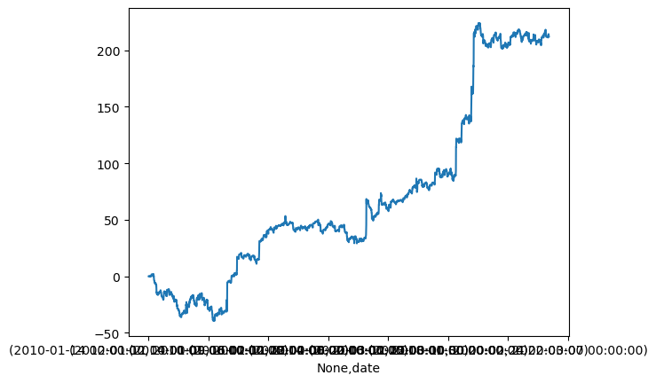
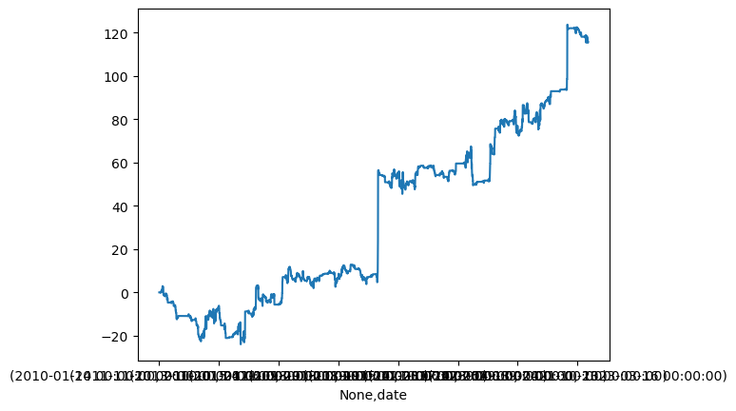
수요일 무지성_델타0.4/0.2_8p익절_2p손절 |  |  |  |  |  |  |  |  |  |  | bband+psar 0.4/0.2_8p익절_2p손절 |  |  | {'n': | 331
 |  |  |  |  |  |  | ({'n': | 609 |  |  |  |  |  | 'win': | 213
 |  |  |  |  |  |  | 'win': | 409 |  |  |  |  |  | 'total_ret': | 115.7
 |  |  |  |  |  |  | 'total_ret': | 212.07839129 |  |  |  |  |  | 'avg_ret': | 0.34954682779
 |  |  |  |  |  |  | 'avg_ret': | 0.34824037979 |  |  |  |  |  | 'avg_win': | 1.4850704225
 |  |  |  |  |  |  | 'avg_win': | 1.3988713723 |  |  |  |  |  | 'avg_loss': | -1.7001694915
 |  |  |  |  |  |  | 'avg_loss': | -1.8003 |  |  |  |  |  | 'vol': | 1.0071657405
 |  |  |  |  |  |  | 'vol': | 1.3411609209 |  |  |  |  |  | 'single_strat_mdd': | (-5.279999999999998
 |  |  |  |  |  |  | 'single_strat_mdd': | (-5.239999999999998 | Timestamp('2020-12-08 |  |  |  |  | 'net_liq_mdd': | (-5.720000000000001
 |  |  |  |  |  |  | 'net_liq_mdd': | (-7.08 | Timestamp('2022-11-10

call calendar
마땅한 전략 도출 안 됨

sell_call
psar_no_highvol_{'C' | [('delta' | 0.4 | -1)]}_[42 | 70]_-1 | {'n' | 96 | 'win' | 75 | 78.1% | 'total_ret' | 101.91665009 | 'avg_ret' | 1.0616317718 | 'avg_win' | 2.9141111408 | 'avg_loss' | -5.5543659746 | 'vol' | 0.5435038768 | 'single_strat_mdd' | (-4.75 | Timestamp('2021-02-25 00 | 0 | 00')) | 'net_liq_mdd' | (-4.75 | Timestamp('2021-02-25 00 | 0 | 00'))}
stoch_{'C' | [('delta' | 0.4 | -1)]}_[42 | 70]_-3 | {'n' | 370 | 'win' | 305 | 82.4% | 'total_ret' | 96.019405696 | 'avg_ret' | 0.25951190729 | 'avg_win' | 2.6751230613 | 'avg_loss' | -11.075278892 | 'vol' | 3.2023839668 | 'single_strat_mdd' | (-13.2 | Timestamp('2021-01-08 00 | 0 | 00')) | 'net_liq_mdd' | (-36.18999999999999 | Timestamp('2020-12-04 00 | 0 | 00'))}
psar_{'C' | [('delta' | 0.4 | -1)]}_[42 | 70]_-1 | {'n' | 139 | 'win' | 102 | 73.4% | 'total_ret' | 86.027530013 | 'avg_ret' | 0.61890309362 | 'avg_win' | 2.6272472106 | 'avg_loss' | -4.9176131207 | 'vol' | 0.68644703338 | 'single_strat_mdd' | (-4.75 | Timestamp('2021-02-25 00 | 0 | 00')) | 'net_liq_mdd' | (-4.75 | Timestamp('2021-02-25 00 | 0 | 00'))}
rsi_{'C' | [('delta' | 0.4 | -1)]}_[21 | 49]_-4 | {'n' | 128 | 'win' | 108 | 84.4% | 'total_ret' | 62.25 | 'avg_ret' | 0.486328125 | 'avg_win' | 2.0637962963 | 'avg_loss' | -8.032 | 'vol' | 0.99496126321 | 'single_strat_mdd' | (-9.770000000000001 | Timestamp('2022-11-11 00 | 0 | 00')) | 'net_liq_mdd' | (-13.95 | Timestamp('2020-08-10 00 | 0 | 00'))}
bbands_no_highvol_{'C' | [('delta' | 0.4 | -1)]}_[7 | 35]_-4 | {'n' | 92 | 'win' | 55 | 59.8% | 'total_ret' | -302.91 | 'avg_ret' | -3.2925 | 'avg_win' | 2.0645454545 | 'avg_loss' | -11.255675676 | 'vol' | 1.5737674362 | 'single_strat_mdd' | (-17.4 | Timestamp('2021-01-08 00 | 0 | 00')) | 'net_liq_mdd' | (-77.12 | Timestamp('2021-01-08 00 | 0 | 00'))}
bband : 특이 케이스 : 수익의 대부분이 20년 상승장에서 발생 : 지속가능한 수익 X
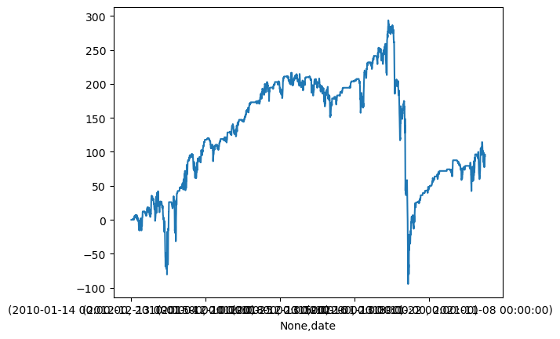
psar_no_vix80_0.4델타_수익0.5_손절-1 |  |  |  |  |  |  |  |  |  |  |  | stoch_0.4델타_수익0.5_손절-3 |  |  | > 스토캐스틱 기준으로 콜 까려면 아예 손절 -3으로 잡고 대담하게
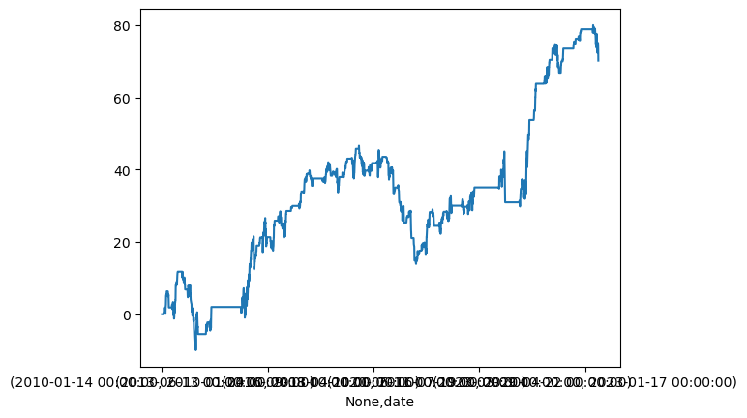
 |  |  |  |  |  |  | {'n': | 130 |  |  |  |  |  |  | {'n': | 370
 |  |  |  |  |  |  | 'win': | 95 |  |  |  |  |  |  | 'win': | 305
 |  |  |  |  |  |  | 'total_ret': | 70.18921548 |  |  |  |  |  |  | 'total_ret': | 96.019405696
 |  |  |  |  |  |  | 'avg_ret': | 0.53991704216 |  |  |  |  |  |  | 'avg_ret': | 0.25951190729
 |  |  |  |  |  |  | 'avg_win': | 2.4856759524 |  |  |  |  |  |  | 'avg_win': | 2.6751230613
 |  |  |  |  |  |  | 'avg_loss': | -4.7414285714 |  |  |  |  |  |  | 'avg_loss': | -11.075278892
 |  |  |  |  |  |  | 'vol': | 0.58357033591 |  |  |  |  |  |  | 'vol': | 3.2023839668
 |  |  |  |  |  |  | 'single_strat_mdd': | (-4.450000000000001 | Timestamp('2012-07-31 |  |  |  |  |  | 'single_strat_mdd': | (-13.2 | Timestamp('2021-01-08 | 00:00:00'))
 |  |  |  |  |  |  | 'net_liq_mdd': | (-4.450000000000001 | Timestamp('2012-07-31 |  |  |  |  |  | 'net_liq_mdd': | (-36.18999999999999 | Timestamp('2020-12-04 | 00:00:00'))}

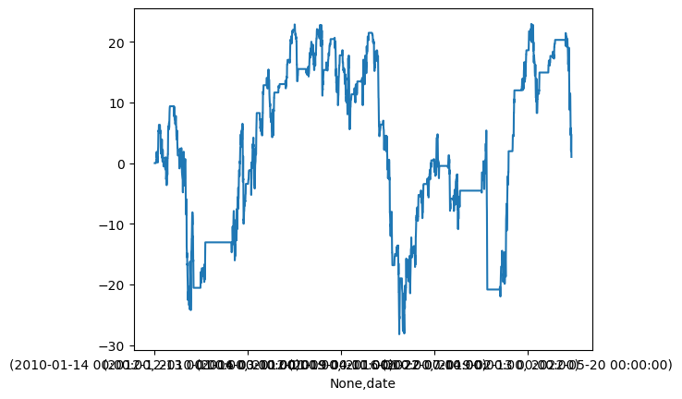
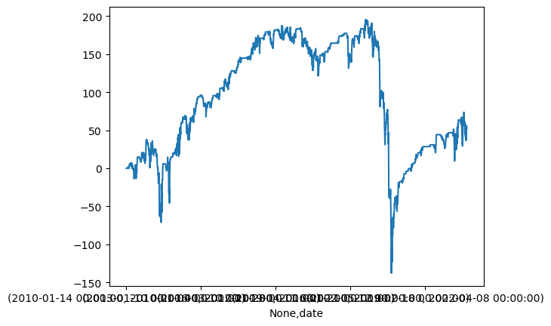
psar_no_vix80_0.4델타_수익0.5_손절-1 |  |  |  |  |  |  |  |  |  |  |  | stoch_0.4델타_수익0.5_손절-2
 |  |  |  |  |  |  | {'n': | 130 |  |  |  |  |  |  | {'n': | 370
 |  |  |  |  |  |  | 'win': | 103 |  |  |  |  |  |  | 'win': | 292
 |  |  |  |  |  |  | 'total_ret': | 1.0192154804 |  |  |  |  |  |  | 'total_ret': | 55.177440674
 |  |  |  |  |  |  | 'avg_ret': | 0.00784011908 |  |  |  |  |  |  | 'avg_ret': | 0.14912821804
 |  |  |  |  |  |  | 'avg_win': | 2.4297982085 |  |  |  |  |  |  | 'avg_win': | 2.680899088
 |  |  |  |  |  |  | 'avg_loss': | -9.2314814815 |  |  |  |  |  |  | 'avg_loss': | -9.3287832437
 |  |  |  |  |  |  | 'vol': | 0.71870018355 |  |  |  |  |  |  | 'vol': | 2.8549417434
 |  |  |  |  |  |  | 'single_strat_mdd': | (-5.620000000000015 | Timestamp('2022-08-11 |  |  |  |  |  | 'single_strat_mdd': | (-13.2 | Timestamp('2021-01-08 | 00:00:00'))
 |  |  |  |  |  |  | 'net_liq_mdd': | (-5.620000000000015 | Timestamp('2022-08-11 |  |  |  |  |  | 'net_liq_mdd': | (-32.52811482869704 | Timestamp('2020-06-03 | 00:00:00'))}

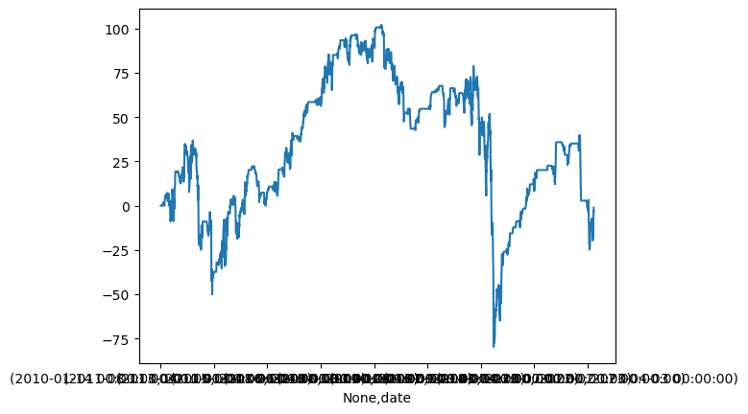
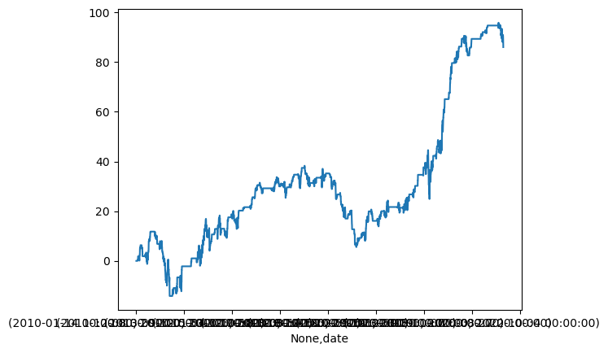
psar_0.4델타_수익0.5_손절-1 |  |  |  |  |  |  |  |  |  |  |  | stoch_0.4델타_수익0.5_손절-1
 |  |  |  |  |  |  | 'n': | 139 |  |  |  |  |  |  | 'n': | 370
 |  |  |  |  |  |  | 'win': | 102 |  |  |  |  |  |  | 'win': | 249
 |  |  |  |  |  |  | 'total_ret': | 86.027530013 |  |  |  |  |  |  | 'total_ret': | -1.0605943043
 |  |  |  |  |  |  | 'avg_ret': | 0.61890309362 |  |  |  |  |  |  | 'avg_ret': | -0.0028664710927
 |  |  |  |  |  |  | 'avg_win': | 2.6272472106 |  |  |  |  |  |  | 'avg_win': | 2.6453917015
 |  |  |  |  |  |  | 'avg_loss': | -4.9176131207 |  |  |  |  |  |  | 'avg_loss': | -5.4525878346
 |  |  |  |  |  |  | 'vol': | 0.68644703338 |  |  |  |  |  |  | 'vol': | 1.9005918936
 |  |  |  |  |  |  | 'single_strat_mdd': | (-4.75 | Timestamp('2021-02-25 |  |  |  |  |  | 'single_strat_mdd': | (-13.2 | Timestamp('2021-01-08 | 00:00:00'))
 |  |  |  |  |  |  | 'net_liq_mdd': | (-4.75 | Timestamp('2021-02-25 |  |  |  |  |  | 'net_liq_mdd': | (-20.570000000000004 | Timestamp('2021-01-11 | 00:00:00'))}

call_111
alltime_{'C': | [('delta' | 0.5 | 1) | ('delta' | 0.46 | -1) | ('delta' | 0.15 | -1)]}_[42 | 70]_-4 | alltime_{'C': [('delta', 0.5, 1), ('delta', 0.46, -1), ('delta', 0.15, -1)]}_[42, 70]_-4 | :{'n': | 3062 | 'win': | 2271 | 74.2% | 'total_ret': | 198.90234243 | 'avg_ret': | 0.064958309088 | 'avg_win': | 1.0449238746 | 'avg_loss': | -2.7485711465 | 'vol': | 3.7909331819 | 'single_strat_mdd': | (-8.220000000000002 | Timestamp('2021-01-04 | 00:00:00')) | 'net_liq_mdd': | (-66.91999999999999 | Timestamp('2017-01-11 | 00:00:00'))}
stoch_{'C': | [('delta' | 0.5 | 1) | ('delta' | 0.46 | -1) | ('delta' | 0.15 | -1)]}_[42 | 70]_-4 | stoch_{'C': [('delta', 0.5, 1), ('delta', 0.46, -1), ('delta', 0.15, -1)]}_[42, 70]_-4 | :{'n': | 370 | 'win': | 284 | 76.8% | 'total_ret': | 57.413597193 | 'avg_ret': | 0.15517188431 | 'avg_win': | 1.0738924557 | 'avg_loss': | -2.8787425607 | 'vol': | 0.88890937458 | 'single_strat_mdd': | (-8.220000000000002 | Timestamp('2021-01-04 | 00:00:00')) | 'net_liq_mdd': | (-29.78062063464045 | Timestamp('2020-12-04 | 00:00:00'))}
stoch_no_highvol_{'C': | [('delta' | 0.5 | 1) | ('delta' | 0.46 | -1) | ('delta' | 0.15 | -1)]}_[42 | 70]_-4 | stoch_no_highvol_{'C': [('delta', 0.5, 1), ('delta', 0.46, -1), ('delta', 0.15, -1)]}_[42, 70]_-4 | :{'n': | 246 | 'win': | 198 | 80.5% | 'total_ret': | 43.460209774 | 'avg_ret': | 0.17666751941 | 'avg_win': | 1.123791206 | 'avg_loss': | -3.7302176877 | 'vol': | 0.73264011766 | 'single_strat_mdd': | (-8.220000000000002 | Timestamp('2021-01-04 | 00:00:00')) | 'net_liq_mdd': | (-29.78062063464045 | Timestamp('2020-12-04 | 00:00:00'))}
rsi_{'C': | [('delta' | 0.4 | 1) | ('delta' | 0.36 | -1) | ('delta' | 0.125 | -1)]}_[21 | 49]_-3 | rsi_{'C': [('delta', 0.4, 1), ('delta', 0.36, -1), ('delta', 0.125, -1)]}_[21, 49]_-3 | :{'n': | 128 | 'win': | 100 | 78.1% | 'total_ret': | 32.648074273 | 'avg_ret': | 0.25506308025 | 'avg_win': | 0.7596 | 'avg_loss': | -1.5468544903 | 'vol': | 0.23969934986 | 'single_strat_mdd': | (-5.019999999999998 | Timestamp('2022-11-11 | 00:00:00')) | 'net_liq_mdd': | (-5.599999999999999 | Timestamp('2020-08-06 | 00:00:00'))}
rsi_{'C': | [('delta' | 0.5 | 1) | ('delta' | 0.46 | -1) | ('delta' | 0.15 | -1)]}_[42 | 70]_-3 | rsi_{'C': [('delta', 0.5, 1), ('delta', 0.46, -1), ('delta', 0.15, -1)]}_[42, 70]_-3 | :{'n': | 127 | 'win': | 91 | 71.7% | 'total_ret': | 29.832150979 | 'avg_ret': | 0.2348988266 | 'avg_win': | 1.0033328583 | 'avg_loss': | -1.7075316424 | 'vol': | 0.30404872845 | 'single_strat_mdd': | (-4.949999999999999 | Timestamp('2017-05-08 | 00:00:00')) | 'net_liq_mdd': | (-4.949999999999999 | Timestamp('2017-05-08 | 00:00:00'))}
alltime |  |  |  |  |  |  |  |  |  |  | stoch |  |  |  |  |  |  |  |  | stoch + rsi 델타 0.5/다음/델타0.15 1p익절 / 4p손절
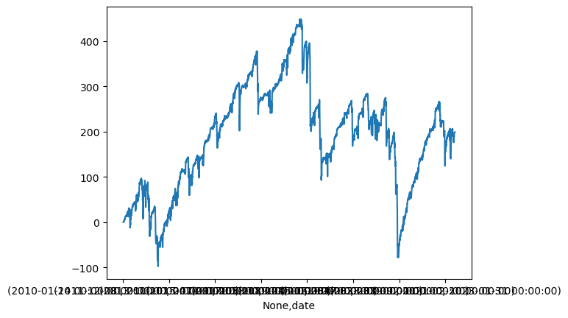
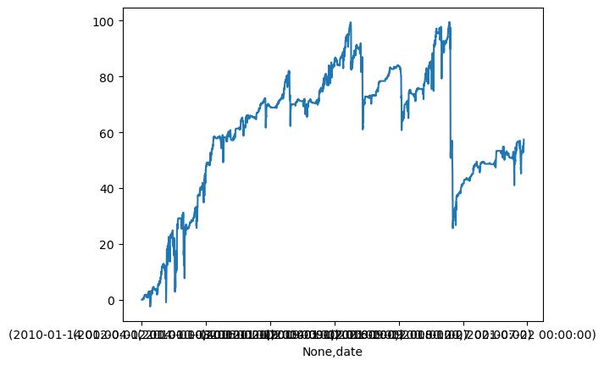
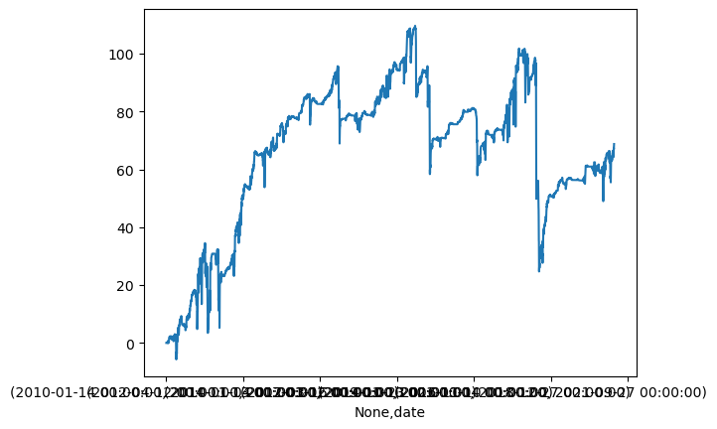
 |  |  |  |  |  |  | {'n': | 3062 |  |  |  |  |  | {'n': | 370 |  |  |  |  |  |  |  | {'n': | 461
 |  |  |  |  |  |  | 'win': | 2271 |  |  |  |  |  | 'win': | 284 |  |  |  |  |  |  |  | 'win': | 347
 |  |  |  |  |  |  | 'total_ret': | 198.90234243 |  |  |  |  |  | 'total_ret': | 57.413597193 |  |  |  |  |  |  |  | 'total_ret': | 68.765699292
 |  |  |  |  |  |  | 'avg_ret': | 0.064958309088 |  |  |  |  |  | 'avg_ret': | 0.15517188431 |  |  |  |  |  |  |  | 'avg_ret': | 0.1491663759
 |  |  |  |  |  |  | 'avg_win': | 1.0449238746 |  |  |  |  |  | 'avg_win': | 1.0738924557 |  |  |  |  |  |  |  | 'avg_win': | 1.0574913119
 |  |  |  |  |  |  | 'avg_loss': | -2.7485711465 |  |  |  |  |  | 'avg_loss': | -2.8787425607 |  |  |  |  |  |  |  | 'avg_loss': | -2.6156472451
 |  |  |  |  |  |  | 'vol': | 3.7909331819 |  |  |  |  |  | 'vol': | 0.88890937458 |  |  |  |  |  |  |  | 'vol': | 1.0091777106
 |  |  |  |  |  |  | 'single_strat_mdd': | (-8.220000000000002 | Timestamp('2021-01-04 |  |  |  |  | 'single_strat_mdd': | (-8.220000000000002 | Timestamp('2021-01-04 |  |  |  |  |  |  | 'single_strat_mdd': | (-8.220000000000002 | Timestamp('2021-01-04
 |  |  |  |  |  |  | 'net_liq_mdd': | (-66.91999999999999 | Timestamp('2017-01-11 |  |  |  |  | 'net_liq_mdd': | (-29.78062063464045 | Timestamp('2020-12-04 |  |  |  |  |  |  | 'net_liq_mdd': | (-29.78062063464045 | Timestamp('2020-12-04

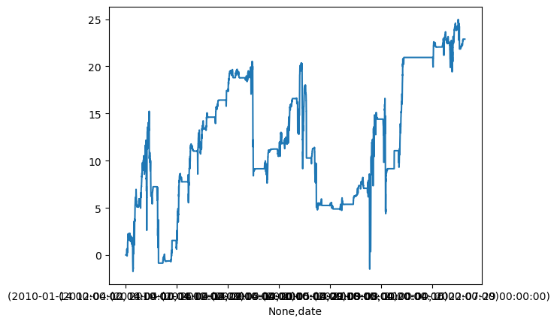
 |  |  |  |  |  |  |  |  |  |  | rsi

 |  |  |  |  |  |  |  |  |  |  |  |  |  | {'n': | 127
 |  |  |  |  |  |  |  |  |  |  |  |  |  | 'win': | 93
 |  |  |  |  |  |  |  |  |  |  |  |  |  | 'total_ret': | 22.882150979
 |  |  |  |  |  |  |  |  |  |  |  |  |  | 'avg_ret': | 0.18017441716
 |  |  |  |  |  |  |  |  |  |  |  |  |  | 'avg_win': | 1.0036912915
 |  |  |  |  |  |  |  |  |  |  |  |  |  | 'avg_loss': | -2.0723864449
 |  |  |  |  |  |  |  |  |  |  |  |  |  | 'vol': | 0.32448704423
 |  |  |  |  |  |  |  |  |  |  |  |  |  | 'single_strat_mdd': | (-4.949999999999999
 |  |  |  |  |  |  |  |  |  |  |  |  |  | 'net_liq_mdd': | (-4.949999999999999

call_ratio
stoch_{'C' | [('delta' | 0.4 | 1) | ('delta' | 0.2 | -3)]}_[42 | 70]_-3 | {'n' | 370 | 'win' | 260 | 70.3% | 'total_ret' | 94.824285893 | 'avg_ret' | 0.25628185377 | 'avg_win' | 1.7238286034 | 'avg_loss' | -3.2419371651 | 'vol' | 0.97950394446 | 'single_strat_mdd' | (-9.159999999999993 | Timestamp('2020-11-23 00 | 0 | 00')) | 'net_liq_mdd' | (-13.5 | Timestamp('2020-12-02 00 | 0 | 00'))}
stoch_{'C' | [('delta' | 0.5 | 1) | ('delta' | 0.25 | -2)]}_[42 | 70]_-2 | {'n' | 370 | 'win' | 186 | 50.3% | 'total_ret' | 82.520968178 | 'avg_ret' | 0.22302964373 | 'avg_win' | 2.3983020201 | 'avg_loss' | -1.9758869976 | 'vol' | 0.93990732017 | 'single_strat_mdd' | (-15.560000000000002 | Timestamp('2023-04-18 00 | 0 | 00')) | 'net_liq_mdd' | (-16.11490486568602 | Timestamp('2023-04-18 00 | 0 | 00'))}
stoch_no_highvol_{'C' | [('delta' | 0.5 | 1) | ('delta' | 0.25 | -2)]}_[42 | 70]_-2 | {'n' | 246 | 'win' | 134 | 54.5% | 'total_ret' | 81.529535351 | 'avg_ret' | 0.33142087541 | 'avg_win' | 2.5025325605 | 'avg_loss' | -2.2661591764 | 'vol' | 0.75369412199 | 'single_strat_mdd' | (-15.560000000000002 | Timestamp('2023-04-18 00 | 0 | 00')) | 'net_liq_mdd' | (-16.11490486568602 | Timestamp('2023-04-18 00 | 0 | 00'))}
stoch_{'C' | [('delta' | 0.4 | 1) | ('delta' | 0.2 | -2)]}_[42 | 70]_-4 | {'n' | 370 | 'win' | 164 | 44.3% | 'total_ret' | 69.593342766 | 'avg_ret' | 0.18809011558 | 'avg_win' | 2.3382342927 | 'avg_loss' | -1.5236751517 | 'vol' | 0.91953713408 | 'single_strat_mdd' | (-8.049999999999997 | Timestamp('2021-01-11 00 | 0 | 00')) | 'net_liq_mdd' | (-18.90000000000001 | Timestamp('2020-12-04 00 | 0 | 00'))}
stoch_{'C' | [('delta' | 0.5 | 1) | ('delta' | 0.25 | -2)]}_[42 | 70]_-3 | {'n' | 370 | 'win' | 193 | 52.2% | 'total_ret' | 60.960968178 | 'avg_ret' | 0.16475937345 | 'avg_win' | 2.3968610142 | 'avg_loss' | -2.269114167 | 'vol' | 0.99689789029 | 'single_strat_mdd' | (-15.560000000000002 | Timestamp('2023-04-18 00 | 0 | 00')) | 'net_liq_mdd' | (-16.41062063464043 | Timestamp('2020-12-04 00 | 0 | 00'))}
stoch_{'C' | [('delta' | 0.4 | 1) | ('delta' | 0.2 | -2)]}_[42 | 70]_-2 | {'n' | 370 | 'win' | 155 | 41.9% | 'total_ret' | 60.904411637 | 'avg_ret' | 0.16460651794 | 'avg_win' | 2.3465833807 | 'avg_loss' | -1.4084465692 | 'vol' | 0.79576704343 | 'single_strat_mdd' | (-8.049999999999997 | Timestamp('2021-01-11 00 | 0 | 00')) | 'net_liq_mdd' | (-13.629999999999997 | Timestamp('2020-06-03 00 | 0 | 00'))}
stoch_no_highvol_{'C' | [('delta' | 0.5 | 1) | ('delta' | 0.25 | -2)]}_[42 | 70]_-1 | {'n' | 246 | 'win' | 104 | 42.3% | 'total_ret' | 59.674427283 | 'avg_ret' | 0.2425789727 | 'avg_win' | 2.4242533088 | 'avg_loss' | -1.3552670199 | 'vol' | 0.56777567117 | 'single_strat_mdd' | (-3.4092918947965067 | Timestamp('2021-01-08 00 | 0 | 00')) | 'net_liq_mdd' | (-6.739999999999997 | Timestamp('2020-12-02 00 | 0 | 00'))}

1:2_stoch_50_25델타_2p익절_2p손절
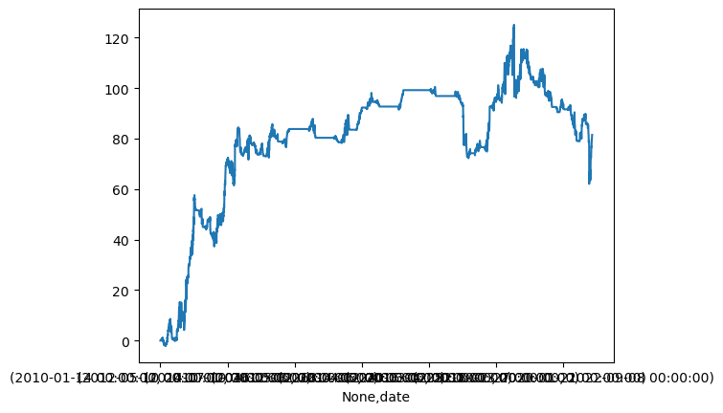
 |  |  |  |  |  |  | {'n': | 246
 |  |  |  |  |  |  | 'win': | 134
 |  |  |  |  |  |  | 'total_ret': | 81.529535351
 |  |  |  |  |  |  | 'avg_ret': | 0.33142087541
 |  |  |  |  |  |  | 'avg_win': | 2.5025325605
 |  |  |  |  |  |  | 'avg_loss': | -2.2661591764
 |  |  |  |  |  |  | 'vol': | 0.75369412199
 |  |  |  |  |  |  | 'single_strat_mdd': | (-15.560000000000002 | Timestamp('2023-04-18
 |  |  |  |  |  |  | 'net_liq_mdd': | (-16.11490486568602 | Timestamp('2023-04-18

call_credit
stoch_{'C' | [('number' | 2.5 | -1) | ('number' | 5 | 1)]}_[42 | 70]_-4 | {'n' | 370 | 'win' | 271 | 73.2% | 'total_ret' | 76.527465309 | 'avg_ret' | 0.20683098732 | 'avg_win' | 0.86095489671 | 'avg_loss' | -1.5837506232 | 'vol' | 0.7087916571 | 'single_strat_mdd' | (-9.1 | Timestamp('2021-01-08 00 | 0 | 00')) | 'net_liq_mdd' | (-7.120708105203493 | Timestamp('2021-01-08 00 | 0 | 00'))}
stoch_{'C' | [('number' | 7.5 | -1) | ('number' | 10 | 1)]}_[42 | 70]_-3 | {'n' | 370 | 'win' | 314 | 84.9% | 'total_ret' | 57.456455835 | 'avg_ret' | 0.15528771847 | 'avg_win' | 0.52216756131 | 'avg_loss' | -1.9018599717 | 'vol' | 0.63427583959 | 'single_strat_mdd' | (-7.199999999999996 | Timestamp('2021-01-05 00 | 0 | 00')) | 'net_liq_mdd' | (-11.202558653433172 | Timestamp('2021-01-06 00 | 0 | 00'))}
stoch_{'C' | [('number' | 5 | -1) | ('number' | 7.5 | 1)]}_[42 | 70]_-3 | {'n' | 370 | 'win' | 292 | 78.9% | 'total_ret' | 55.924843583 | 'avg_ret' | 0.1511482259 | 'avg_win' | 0.66924975779 | 'avg_loss' | -1.788411355 | 'vol' | 0.53124498585 | 'single_strat_mdd' | (-4.900000000000002 | Timestamp('2021-01-11 00 | 0 | 00')) | 'net_liq_mdd' | (-6.061898918718015 | Timestamp('2021-01-13 00 | 0 | 00'))}
stoch_{'C' | [('number' | 7.5 | -1) | ('number' | 10 | 1)]}_[42 | 70]_-4 | {'n' | 370 | 'win' | 318 | 85.9% | 'total_ret' | 52.807553808 | 'avg_ret' | 0.1427231184 | 'avg_win' | 0.51858683727 | 'avg_loss' | -2.1558280854 | 'vol' | 0.56933343643 | 'single_strat_mdd' | (-4.0600000000000005 | Timestamp('2020-06-15 00 | 0 | 00')) | 'net_liq_mdd' | (-6.509999999999995 | Timestamp('2020-12-08 00 | 0 | 00'))}
stoch_{'C' | [('number' | 7.5 | -1) | ('number' | 10 | 1)]}_[42 | 70]_-4 | {'n' | 370 | 'win' | 318 | 85.9% | 'total_ret' | 52.807553808 | 'avg_ret' | 0.1427231184 | 'avg_win' | 0.51858683727 | 'avg_loss' | -2.1558280854 | 'vol' | 0.5308075146 | 'single_strat_mdd' | (-7.199999999999996 | Timestamp('2021-01-05 00 | 0 | 00')) | 'net_liq_mdd' | (-6.061898918718015 | Timestamp('2021-01-13 00 | 0 | 00'))}
bbands_{'C' | [('number' | 5 | -1) | ('number' | 7.5 | 1)]}_[42 | 70]_-4 | {'n' | 167 | 'win' | 137 | 82.0% | 'total_ret' | 49.780456025 | 'avg_ret' | 0.29808656302 | 'avg_win' | 0.74301382327 | 'avg_loss' | -1.7337479254 | 'vol' | 0.37791673149 | 'single_strat_mdd' | (-3.1999999999999957 | Timestamp('2020-06-04 00 | 0 | 00')) | 'net_liq_mdd' | (-10.599999999999987 | Timestamp('2020-06-04 00 | 0 | 00'))}
psar_{'C' | [('number' | 0 | -1) | ('number' | 2.5 | 1)]}_[21 | 49]_-4 | {'n' | 140 | 'win' | 104 | 74.3% | 'total_ret' | 44.97 | 'avg_ret' | 0.32121428571 | 'avg_win' | 0.86134615385 | 'avg_loss' | -1.2391666667 | 'vol' | 0.33335024323 | 'single_strat_mdd' | (-3.3000000000000007 | Timestamp('2021-03-02 00 | 0 | 00')) | 'net_liq_mdd' | (-4.699999999999999 | Timestamp('2020-12-29 00 | 0 | 00'))}
 |  |  |  |  |  |  |  |  |  | stoch_7.5/10_0.5익절/-3손절 |  |  |  |  | psar_5/7.5_0.5익절/-2손절
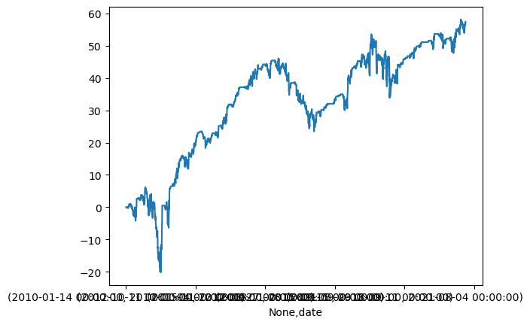
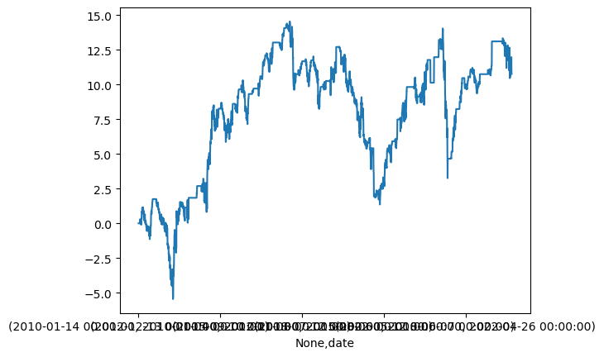
 |  |  |  |  |  |  |  |  |  |  |  |  |  |  |  |  |  |  |  |  |  |  | {'n': | 139
 |  |  |  |  |  |  |  |  |  |  |  |  | {'n': | 370 |  |  |  |  |  |  |  |  | 'win': | 107
 |  |  |  |  |  |  |  |  |  |  |  |  | 'win': | 314 |  |  |  |  |  |  |  |  | 'total_ret': | 10.765840854
 |  |  |  |  |  |  |  |  |  |  |  |  | 'total_ret': | 57.456455835 |  |  |  |  |  |  |  |  | 'avg_ret': | 0.077452092472
 |  |  |  |  |  |  |  |  |  |  |  |  | 'avg_ret': | 0.15528771847 |  |  |  |  |  |  |  |  | 'avg_win': | 0.60823877436
 |  |  |  |  |  |  |  |  |  |  |  |  | 'avg_win': | 0.52216756131 |  |  |  |  |  |  |  |  | 'avg_loss': | -1.6973658751
 |  |  |  |  |  |  |  |  |  |  |  |  | 'avg_loss': | -1.9018599717 |  |  |  |  |  |  |  |  | 'vol': | 0.2124799701
 |  |  |  |  |  |  |  |  |  |  |  |  | 'vol': | 0.53124498585 |  |  |  |  |  |  |  |  | 'single_strat_mdd': | (-2.0500000000000007 | Timestamp('2021-01-04
 |  |  |  |  |  |  |  |  |  |  |  |  | 'single_strat_mdd': | (-4.900000000000002 |  |  |  |  |  |  |  |  | 'net_liq_mdd': | (-2.0500000000000007 | Timestamp('2021-01-04
 |  |  |  |  |  |  |  |  |  |  |  |  | 'net_liq_mdd': | (-6.061898918718015

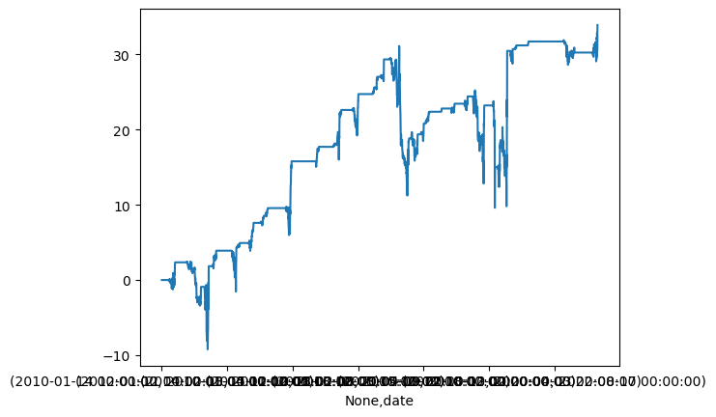
 |  |  |  |  |  |  |  |  |  |  |  |  |  |  | bbands_5/7.5_0.5익절/-3손절
 |  |  |  |  |  |  |  |  |  |  |  |  |  |  |  |  |  |  |  |  |  |  | {'n': | 167
 |  |  |  |  |  |  |  |  |  |  |  |  |  |  |  |  |  |  |  |  |  |  | 'win': | 133
 |  |  |  |  |  |  |  |  |  |  |  |  |  |  |  |  |  |  |  |  |  |  | 'total_ret': | 33.900456025
 |  |  |  |  |  |  |  |  |  |  |  |  |  |  |  |  |  |  |  |  |  |  | 'avg_ret': | 0.20299674266
 |  |  |  |  |  |  |  |  |  |  |  |  |  |  |  |  |  |  |  |  |  |  | 'avg_win': | 0.724533036
 |  |  |  |  |  |  |  |  |  |  |  |  |  |  |  |  |  |  |  |  |  |  | 'avg_loss': | -1.8371305225
 |  |  |  |  |  |  |  |  |  |  |  |  |  |  |  |  |  |  |  |  |  |  | 'vol': | 0.33468979152
 |  |  |  |  |  |  |  |  |  |  |  |  |  |  |  |  |  |  |  |  |  |  | 'single_strat_mdd': | (-3.1999999999999957 | Timestamp('2020-06-04 |  | 00:00:00'))
 |  |  |  |  |  |  |  |  |  |  |  |  |  |  |  |  |  |  |  |  |  |  | 'net_liq_mdd': | (-10.599999999999987 | Timestamp('2020-06-04 |  | 00:00:00'))}

buy_put
psar_no_highvol_{'P' | [('delta' | -0.4 | 1)]}_[21 | 49]_4 | psar_no_highvol_{'P' [('delta'-0.4 1)]}_[21 49]_4 | {'n' | 130 | 'win' | 30 | 23.1% | 'total_ret' | 126.54 | 'avg_ret' | 0.97338461538 | 'avg_win' | 12.066666667 | 'avg_loss' | -2.3546 | 'vol' | 1.3365091211 | 'single_strat_mdd' | (-7.199999999999999 | Timestamp('2021-08-24 00 | 0 | 00')) | 'net_liq_mdd' | (-13.979999999999999 | Timestamp('2021-08-24 00 | 0 | 00'))}
psar_{'P' | [('delta' | -0.4 | 1)]}_[21 | 49]_4 | psar_{'P' [('delta'-0.4 1)]}_[21 49]_4 | {'n' | 140 | 'win' | 31 | 22.1% | 'total_ret' | 89.3 | 'avg_ret' | 0.63785714286 | 'avg_win' | 11.932580645 | 'avg_loss' | -2.5744036697 | 'vol' | 1.4872610977 | 'single_strat_mdd' | (-9.999999999999998 | Timestamp('2020-06-16 00 | 0 | 00')) | 'net_liq_mdd' | (-13.979999999999999 | Timestamp('2021-08-24 00 | 0 | 00'))}
psar_no_highvol_{'P' | [('delta' | -0.4 | 1)]}_[21 | 49]_6 | psar_no_highvol_{'P' [('delta'-0.4 1)]}_[21 49]_6 | {'n' | 130 | 'win' | 30 | 23.1% | 'total_ret' | 87.21 | 'avg_ret' | 0.67084615385 | 'avg_win' | 10.755666667 | 'avg_loss' | -2.3546 | 'vol' | 1.4789799638 | 'single_strat_mdd' | (-9.350000000000001 | Timestamp('2022-01-28 00 | 0 | 00')) | 'net_liq_mdd' | (-15.75 | Timestamp('2022-01-28 00 | 0 | 00'))}
stoch_no_highvol_{'P' | [('delta' | -0.4 | 1)]}_[42 | 70]_4 | stoch_no_highvol_{'P' [('delta'-0.4 1)]}_[42 70]_4 | {'n' | 331 | 'win' | 57 | 17.2% | 'total_ret' | 77.309848745 | 'avg_ret' | 0.23356449772 | 'avg_win' | 15.424868282 | 'avg_loss' | -2.9266702311 | 'vol' | 2.929541323 | 'single_strat_mdd' | (-8.55 | Timestamp('2022-02-03 00 | 0 | 00')) | 'net_liq_mdd' | (-24.0 | Timestamp('2023-01-09 00 | 0 | 00'))}
psar_no_highvol_{'P' | [('delta' | -0.3 | 1)]}_[21 | 49]_6 | psar_no_highvol_{'P' [('delta'-0.3 1)]}_[21 49]_6 | {'n' | 130 | 'win' | 20 | 15.4% | 'total_ret' | 76.27 | 'avg_ret' | 0.58669230769 | 'avg_win' | 13.0645 | 'avg_loss' | -1.682 | 'vol' | 1.0894285119 | 'single_strat_mdd' | (-7.0 | Timestamp('2022-10-04 00 | 0 | 00')) | 'net_liq_mdd' | (-7.0 | Timestamp('2022-10-04 00 | 0 | 00'))}
psar_no_highvol_{'P' | [('delta' | -0.2 | 1)]}_[21 | 49]_6 | psar_no_highvol_{'P' [('delta'-0.2 1)]}_[21 49]_6 | {'n' | 130 | 'win' | 16 | 12.3% | 'total_ret' | 63.88 | 'avg_ret' | 0.49138461538 | 'avg_win' | 11.7775 | 'avg_loss' | -1.0926315789 | 'vol' | 0.85465371126 | 'single_strat_mdd' | (-6.75 | Timestamp('2022-10-04 00 | 0 | 00')) | 'net_liq_mdd' | (-6.75 | Timestamp('2022-10-04 00 | 0 | 00'))}

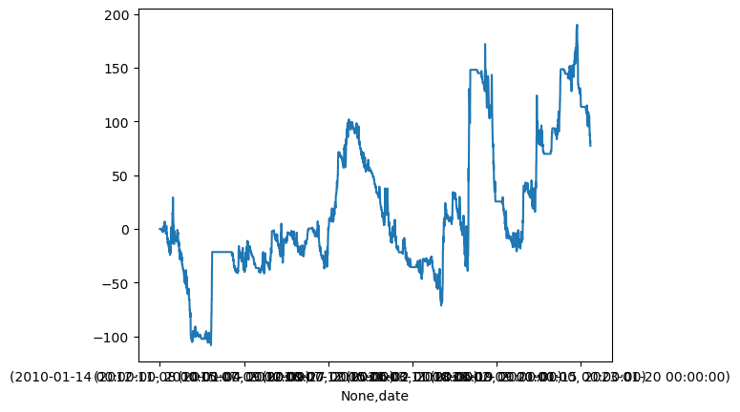
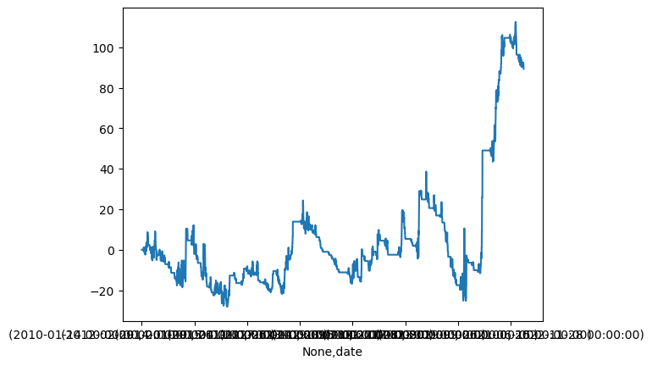
psar_novix80_delta40_2149_4_-0.5
 |  |  |  |  |  |  |  |  |  | {'n': 140, |  |  |  |  |  |  |  |  | {'n': 331,
 |  |  |  |  |  |  |  |  |  | 'win': 31, |  |  |  |  |  |  |  |  | 'win': 57,
 |  |  |  |  |  |  |  |  |  | 'total_ret': 89.3000000000001, |  |  |  |  |  |  |  |  | 'total_ret': 77.30984874502371,
 |  |  |  |  |  |  |  |  |  | 'avg_ret': 0.6378571428571436, |  |  |  |  |  |  |  |  | 'avg_ret': 0.23356449771910487,
 |  |  |  |  |  |  |  |  |  | 'avg_win': 11.932580645161295, |  |  |  |  |  |  |  |  | 'avg_win': 15.42486828172955,
 |  |  |  |  |  |  |  |  |  | 'avg_loss': -2.5744036697247714, |  |  |  |  |  |  |  |  | 'avg_loss': -2.926670231071387,
 |  |  |  |  |  |  |  |  |  | 'vol': 1.4872610976764804, |  |  |  |  |  |  |  |  | 'vol': 2.929541323000936,
 |  |  |  |  |  |  |  |  |  | 'single_strat_mdd': (-9.999999999999998, Timestamp('2020-06-16 00:00:00')), |  |  |  |  |  |  |  |  | 'single_strat_mdd': (-8.55, Timestamp('2022-02-03 00:00:00')),
 |  |  |  |  |  |  |  |  |  | 'net_liq_mdd': (-13.979999999999999, Timestamp('2021-08-24 00:00:00'))} |  |  |  |  |  |  |  |  | 'net_liq_mdd': (-24.0, Timestamp('2023-01-09 00:00:00'))}

put_debit

sell_put

ret_call
 |  |  |  |  |  |  |  |  |  |  | call_bs[1]_수요일무지성_735 |  |  | buy_call[0]_psar_long_735 |  |  | call_bs[1]_bband_long+psar_long_735 |  |  | call_debit[0]_bband_long+stoch_long_3570 |  |  | call_111[0]_stoch+rsi_4270 |  |  | call_credit[3]_bbands_4270 |  |  | call_credit[3]_stoch_4270_0.5_3 |  |  | sell_call[0]_psar_4270_0.5_-1
 | bs | call_debit | sell_call | call_credit | (sum) | (cumsum) | drawdown | mdd |  | date | 0 |  | date | 0 |  | date | 0 |  | date | 0 |  | date | 0 |  | date | 0 |  | date | 0 |  | date | 0
2010-01-04 | 0 | 0 | 0 | 0 | 0 |  |  | -46.4 | 2010-01-14 | 2010-01-06 | 0 | 2010-01-14 | 2010-01-04 | 0 | 2010-01-14 | 2010-01-04 | 0 | 2010-01-14 | 2010-01-04 | 0 | 2010-01-14 | 2010-01-04 | 0 | 2010-01-14 | 2010-01-04 | 0 | 2010-01-14 | 2010-01-04 | 0 | 2010-01-14 | 2010-01-04 | 0
2010-01-05 | 0 | 0 | 0 | 0 | 0 | 0 | 0 |  | 2010-01-14 | 2010-01-07 | -0.07 | 2010-01-14 | 2010-01-05 | 0 | 2010-01-14 | 2010-01-05 | 0 | 2010-02-11 | 2010-01-04 | 0 | 2010-02-11 | 2010-01-04 | 0 | 2010-02-11 | 2010-01-04 | 0 | 2010-02-11 | 2010-01-04 | 0 | 2010-02-11 | 2010-01-04 | 0
2010-01-06 | 0 | 0 | 0 | 0 | 0 | 0 | 0 |  | 2010-01-14 | 2010-01-08 | -0.03 | 2010-01-14 | 2010-01-06 | 0 | 2010-01-14 | 2010-01-06 | 0 | 2010-01-14 | 2010-01-05 | 0 | 2010-01-14 | 2010-01-05 | 0 | 2010-03-11 | 2010-01-04 | 0 | 2010-01-14 | 2010-01-05 | 0 | 2010-01-14 | 2010-01-05 | 0
2010-01-07 | -0.07 | 0 | 0 | 0 | -0.07 | -0.07 | -0.07 |  | 2010-01-14 | 2010-01-11 | 0.06 | 2010-01-14 | 2010-01-07 | 0 | 2010-01-14 | 2010-01-07 | 0 | 2010-02-11 | 2010-01-05 | 0 | 2010-02-11 | 2010-01-05 | 0 | 2010-01-14 | 2010-01-05 | 0 | 2010-02-11 | 2010-01-05 | 0 | 2010-02-11 | 2010-01-05 | 0
2010-01-08 | -0.03 | 0 | 0 | 0 | -0.03 | -0.1 | -0.1 |  | 2010-01-14 | 2010-01-12 | -0.04 | 2010-01-14 | 2010-01-08 | 0 | 2010-01-14 | 2010-01-08 | 0 | 2010-01-14 | 2010-01-06 | 0 | 2010-01-14 | 2010-01-06 | 0 | 2010-02-11 | 2010-01-05 | 0 | 2010-01-14 | 2010-01-06 | 0 | 2010-01-14 | 2010-01-06 | 0
2010-01-11 | 0.06 | 0 | 0 | 0 | 0.06 | -0.04 | -0.04 |  | 2010-01-14 | 2010-01-13 | 0.11 | 2010-01-14 | 2010-01-11 | 0 | 2010-01-14 | 2010-01-11 | 0 | 2010-02-11 | 2010-01-06 | 0 | 2010-02-11 | 2010-01-06 | 0 | 2010-03-11 | 2010-01-05 | 0 | 2010-02-11 | 2010-01-06 | 0 | 2010-02-11 | 2010-01-06 | 0
2010-01-12 | -0.04 | 0 | 0 | 0 | -0.04 | -0.08 | -0.08 |  | 2010-02-11 | 2010-01-13 | 0 | 2010-01-14 | 2010-01-12 | 0 | 2010-01-14 | 2010-01-12 | 0 | 2010-01-14 | 2010-01-07 | 0 | 2010-01-14 | 2010-01-07 | 0 | 2010-01-14 | 2010-01-06 | 0 | 2010-01-14 | 2010-01-07 | 0 | 2010-01-14 | 2010-01-07 | 0
2010-01-13 | 0.11 | 0 | 0 | 0 | 0.11 | 0.03 | 0 |  | 2010-01-14 | 2010-01-14 | -0.03 | 2010-01-14 | 2010-01-13 | 0 | 2010-01-14 | 2010-01-13 | 0 | 2010-02-11 | 2010-01-07 | 0 | 2010-02-11 | 2010-01-07 | 0 | 2010-02-11 | 2010-01-06 | 0 | 2010-02-11 | 2010-01-07 | 0 | 2010-02-11 | 2010-01-07 | 0
2010-01-14 | -0.03 | 0 | 0 | 0 | -0.03 | -7.9103390505E-16 | -0.03 |  | 2010-02-11 | 2010-01-14 | 0.18 | 2010-01-14 | 2010-01-14 | 0 | 2010-01-14 | 2010-01-14 | 0 | 2010-01-14 | 2010-01-08 | 0 | 2010-03-11 | 2010-01-07 | 0 | 2010-03-11 | 2010-01-06 | 0 | 2010-03-11 | 2010-01-07 | 0 | 2010-01-14 | 2010-01-08 | 0
2010-01-18 | 0.1 | 0 | 0 | 0 | 0.1 | 0.1 | 0 |  | 2010-02-11 | 2010-01-15 | -0.29 | 2010-02-11 | 2010-01-18 | 0 | 2010-02-11 | 2010-01-18 | 0 | 2010-02-11 | 2010-01-08 | 0 | 2010-01-14 | 2010-01-08 | 0 | 2010-01-14 | 2010-01-07 | 0 | 2010-01-14 | 2010-01-08 | 0 | 2010-02-11 | 2010-01-08 | 0
2010-01-19 | -0.25 | 0 | 0 | 0 | -0.25 | -0.15 | -0.25 |  | 2010-02-11 | 2010-01-18 | 0.1 | 2010-02-11 | 2010-01-19 | -0.2 | 2010-02-11 | 2010-01-19 | 0.08 | 2010-01-14 | 2010-01-11 | 0 | 2010-02-11 | 2010-01-08 | 0 | 2010-02-11 | 2010-01-07 | 0 | 2010-02-11 | 2010-01-08 | 0 | 2010-03-11 | 2010-01-08 | 0
2010-01-20 | -0.11 | 0 | 0 | 0 | -0.11 | -0.26 | -0.36 |  | 2010-02-11 | 2010-01-19 | -0.25 | 2010-02-11 | 2010-01-20 | -0.18 | 2010-02-11 | 2010-01-20 | -0.08 | 2010-02-11 | 2010-01-11 | 0 | 2010-03-11 | 2010-01-08 | -4.44E-16 | 2010-03-11 | 2010-01-07 | 0 | 2010-03-11 | 2010-01-08 | -0.1 | 2010-01-14 | 2010-01-11 | 0
2010-01-21 | 0.14 | 0 | 0 | 0 | 0.14 | -0.12 | -0.22 |  | 2010-02-11 | 2010-01-20 | -0.11 | 2010-02-11 | 2010-01-21 | 0.8 | 2010-02-11 | 2010-01-21 | -0.16 | 2010-01-14 | 2010-01-12 | 0 | 2010-01-14 | 2010-01-11 | 0 | 2010-01-14 | 2010-01-08 | 0 | 2010-01-14 | 2010-01-11 | 0 | 2010-02-11 | 2010-01-11 | 0
 | 0
 | 0
 | -0.07
 | -0.1
 | -0.04
 | -0.08
 | 0.03
 | -7.9103390505E-16
 | 0.1
 | -0.15
 | -0.26
 | -0.12
 | -0.13
 | -0.18
 | 0.21
 | 0.36
 | 0.11
 | 0.51
 | 0.54
 | 0.78
 | 0.55
 | 0.59
 | 1.81
 | 1.87
 | 1.9
 | 1.95
 | 1.93
 | 1.86
 | 2.56
 | 3.47
 | 3.51
 | 1.85
 | 4.1
 | 3.65
 | 3.67
 | 1.77
 | 0.92
 | 2.44
 | 1.41
 | 2.24
 | 1.28
 | -1.25
 | -1.2
 | -1.4
 | -2.95
 | -2.82
 | -2.52
 | -2.79
 | -2.33
 | -2.24
...
2010-01-22 | -0.01 | 0 | 0 | 0 | -0.01 | -0.13 | -0.23 |  | 2010-02-11 | 2010-01-21 | 0.14 | 2010-02-11 | 2010-01-22 | -1.61 | 2010-02-11 | 2010-01-22 | 0.35 | 2010-02-11 | 2010-01-12 | 0 | 2010-02-11 | 2010-01-11 | 0 | 2010-02-11 | 2010-01-08 | 0 | 2010-02-11 | 2010-01-11 | 0 | 2010-03-11 | 2010-01-11 | 0.2
2010-01-25 | -0.05 | 0 | 0 | 0 | -0.05 | -0.18 | -0.28 |  | 2010-02-11 | 2010-01-22 | -0.01 | 2010-02-11 | 2010-01-25 | -0.29 | 2010-02-11 | 2010-01-25 | -0.01 | 2010-01-14 | 2010-01-13 | 0 | 2010-03-11 | 2010-01-11 | 0.17 | 2010-03-11 | 2010-01-08 | 0 | 2010-03-11 | 2010-01-11 | -0.1 | 2010-01-14 | 2010-01-12 | 0
2010-01-26 | 0.39 | 0 | 0 | 0 | 0.39 | 0.21 | 0 |  | 2010-02-11 | 2010-01-25 | -0.05 | 2010-04-08 | 2010-02-01 | 0 | 2010-02-11 | 2010-01-26 | 0.23 | 2010-02-11 | 2010-01-13 | 0 | 2010-01-14 | 2010-01-12 | 0 | 2010-01-14 | 2010-01-11 | 0 | 2010-01-14 | 2010-01-12 | 0 | 2010-02-11 | 2010-01-12 | 0
2010-01-27 | 0.15 | 0 | 0 | 0 | 0.15 | 0.36 | 0 |  | 2010-02-11 | 2010-01-26 | 0.39 | 2010-04-08 | 2010-02-02 | 0 | 2010-02-11 | 2010-01-27 | 0.05 | 2010-01-14 | 2010-01-14 | 0 | 2010-02-11 | 2010-01-12 | 0 | 2010-02-11 | 2010-01-11 | 0 | 2010-02-11 | 2010-01-12 | 0 | 2010-03-11 | 2010-01-12 | 0.35
2010-01-28 | -0.25 | 0 | 0 | 0 | -0.25 | 0.11 | -0.25 |  | 2010-02-11 | 2010-01-27 | 0.15 | 2010-04-08 | 2010-02-03 | 0 | 2010-02-11 | 2010-01-28 | -0.28 | 2010-02-11 | 2010-01-14 | 0 | 2010-03-11 | 2010-01-12 | 0.37 | 2010-03-11 | 2010-01-11 | 0 | 2010-03-11 | 2010-01-12 | -0.06 | 2010-01-14 | 2010-01-13 | 0
2010-01-29 | 0.4 | 0 | 0 | 0 | 0.4 | 0.51 | 0 |  | 2010-02-11 | 2010-01-28 | -0.25 | 2010-04-08 | 2010-02-04 | 0 | 2010-02-11 | 2010-01-29 | 0.46 | 2010-02-11 | 2010-01-15 | 0 | 2010-01-14 | 2010-01-13 | 0 | 2010-01-14 | 2010-01-12 | 0 | 2010-01-14 | 2010-01-13 | 0 | 2010-02-11 | 2010-01-13 | 0
2010-02-01 | 0.03 | 0 | 0 | 0 | 0.03 | 0.54 | 0 |  | 2010-02-11 | 2010-01-29 | 0.4 | 2010-04-08 | 2010-02-05 | 0 | 2010-02-11 | 2010-02-01 | -0.02 | 2010-02-11 | 2010-01-18 | 0 | 2010-02-11 | 2010-01-13 | 0 | 2010-02-11 | 2010-01-12 | 0 | 2010-02-11 | 2010-01-13 | 0 | 2010-03-11 | 2010-01-13 | 1.3
2010-02-02 | 0.24 | 0 | 0 | 0 | 0.24 | 0.78 | 0 |  | 2010-02-11 | 2010-02-01 | 0.03 | 2010-04-08 | 2010-02-08 | 0 | 2010-04-08 | 2010-02-01 | 0 | 2010-02-11 | 2010-01-19 | 0 | 2010-03-11 | 2010-01-13 | 0.11 | 2010-03-11 | 2010-01-12 | 0 | 2010-03-11 | 2010-01-13 | 0.25 | 2010-01-14 | 2010-01-14 | 0
2010-02-03 | -0.23 | 0 | 0 | 0 | -0.23 | 0.55 | -0.23 |  | 2010-02-11 | 2010-02-02 | 0.24 | 2010-04-08 | 2010-02-09 | 0 | 2010-02-11 | 2010-02-02 | 0.63 | 2010-02-11 | 2010-01-20 | 0 | 2010-01-14 | 2010-01-14 | 0 | 2010-01-14 | 2010-01-13 | 0 | 2010-01-14 | 2010-01-14 | 0 | 2010-02-11 | 2010-01-14 | 0
2010-02-04 | 0.04 | 0 | 0 | 0 | 0.04 | 0.59 | -0.19 |  | 2010-02-11 | 2010-02-03 | -0.23 | 2010-04-08 | 2010-02-10 | 0 | 2010-04-08 | 2010-02-02 | 0 | 2010-02-11 | 2010-01-21 | 0 | 2010-02-11 | 2010-01-14 | 0 | 2010-02-11 | 2010-01-13 | 0 | 2010-02-11 | 2010-01-14 | 0 | 2010-03-11 | 2010-01-14 | -0.9
2010-02-05 | 1.22 | 0 | 0 | 0 | 1.22 | 1.81 | 0 |  | 2010-02-11 | 2010-02-04 | 0.04 | 2010-03-11 | 2010-02-11 | 0 | 2010-02-11 | 2010-02-03 | -0.9 | 2010-02-11 | 2010-01-22 | 0 | 2010-03-11 | 2010-01-14 | -0.75 | 2010-03-11 | 2010-01-13 | 0 | 2010-03-11 | 2010-01-14 | -0.17 | 2010-02-11 | 2010-01-15 | 0
2010-02-08 | 0.06 | 0 | 0 | 0 | 0.06 | 1.87 | 0 |  | 2010-02-11 | 2010-02-05 | 1.22 | 2010-04-08 | 2010-02-11 | 0 | 2010-04-08 | 2010-02-03 | 0 | 2010-02-11 | 2010-01-25 | 0 | 2010-02-11 | 2010-01-15 | 0 | 2010-01-14 | 2010-01-14 | 0 | 2010-02-11 | 2010-01-15 | 0 | 2010-03-11 | 2010-01-15 | -0.05
2010-02-09 | 0.03 | 0 | 0 | 0 | 0.03 | 1.9 | 0 |  | 2010-02-11 | 2010-02-08 | 0.06 | 2010-03-11 | 2010-02-12 | -0.77 | 2010-02-11 | 2010-02-04 | 0.1 | 2010-02-11 | 2010-01-26 | 0 | 2010-03-11 | 2010-01-15 | 0.62 | 2010-02-11 | 2010-01-14 | 0 | 2010-03-11 | 2010-01-15 | 0.03 | 2010-02-11 | 2010-01-18 | 0
2010-02-10 | 0.05 | 0 | 0 | 0 | 0.05 | 1.95 | 0 |  | 2010-02-11 | 2010-02-09 | 0.03 | 2010-04-08 | 2010-02-12 | 0 | 2010-04-08 | 2010-02-04 | 0 | 2010-03-11 | 2010-01-26 | 0 | 2010-02-11 | 2010-01-18 | 0 | 2010-03-11 | 2010-01-14 | 0 | 2010-02-11 | 2010-01-18 | 0 | 2010-03-11 | 2010-01-18 | -0.1
2010-02-11 | -0.02 | 0 | 0 | 0 | -0.02 | 1.93 | -0.02 |  | 2010-02-11 | 2010-02-10 | 0.05 | 2010-03-11 | 2010-02-16 | 0.37 | 2010-02-11 | 2010-02-05 | 2.1 | 2010-02-11 | 2010-01-27 | 0 | 2010-03-11 | 2010-01-18 | -0.06 | 2010-02-11 | 2010-01-15 | 0 | 2010-03-11 | 2010-01-18 | 0.05 | 2010-02-11 | 2010-01-19 | 0
2010-02-12 | -0.05 | -0.02 | 0 | 0 | -0.07 | 1.86 | -0.09 |  | 2010-03-11 | 2010-02-10 | 0 | 2010-04-08 | 2010-02-16 | 0 | 2010-04-08 | 2010-02-05 | 0 | 2010-03-11 | 2010-01-27 | -0.15 | 2010-02-11 | 2010-01-19 | 0 | 2010-03-11 | 2010-01-15 | 0 | 2010-02-11 | 2010-01-19 | 0 | 2010-03-11 | 2010-01-19 | -0.1
2010-02-16 | -0.32 | 1.02 | 0 | 0 | 0.7 | 2.56 | 0 |  | 2010-02-11 | 2010-02-11 | -0.02 | 2010-03-11 | 2010-02-17 | 1.7 | 2010-02-11 | 2010-02-08 | 0.31 | 2010-02-11 | 2010-01-28 | 0 | 2010-03-11 | 2010-01-19 | 0.12 | 2010-02-11 | 2010-01-18 | 0 | 2010-03-11 | 2010-01-19 | -0.06 | 2010-02-11 | 2010-01-20 | 0
2010-02-17 | -0.29 | 1.2 | 0 | 0 | 0.91 | 3.47 | 0 |  | 2010-03-11 | 2010-02-11 | -0.23 | 2010-04-08 | 2010-02-17 | 0 | 2010-04-08 | 2010-02-08 | 0 | 2010-03-11 | 2010-01-28 | 0.4 | 2010-02-11 | 2010-01-20 | 0 | 2010-03-11 | 2010-01-18 | 0 | 2010-02-11 | 2010-01-20 | 0 | 2010-03-11 | 2010-01-20 | 0.25
2010-02-18 | -0.16 | 0.2 | 0 | 0 | 0.04 | 3.51 | 0 |  | 2010-03-11 | 2010-02-12 | -0.05 | 2010-03-11 | 2010-02-18 | -0.75 | 2010-02-11 | 2010-02-09 | -0.37 | 2010-02-11 | 2010-01-29 | 0 | 2010-03-11 | 2010-01-20 | 0.11 | 2010-02-11 | 2010-01-19 | 0 | 2010-03-11 | 2010-01-20 | 0.05 | 2010-02-11 | 2010-01-21 | 0
2010-02-19 | 0.46 | -2.12 | 0 | 0 | -1.66 | 1.85 | -1.66 |  | 2010-03-11 | 2010-02-16 | -0.32 | 2010-04-08 | 2010-02-18 | 0 | 2010-04-08 | 2010-02-09 | 0 | 2010-03-11 | 2010-01-29 | -0.95 | 2010-02-11 | 2010-01-21 | 0 | 2010-03-11 | 2010-01-19 | 0 | 2010-02-11 | 2010-01-21 | 0 | 2010-03-11 | 2010-01-21 | -0.85
 | drawdown
 | 0
 | 0
 | -0.07
 | -0.1
 | -0.04
 | -0.08
 | 0
 | -0.03
 | 0
 | -0.25
 | -0.36
 | -0.22
 | -0.23
 | -0.28
 | 0
 | 0
 | -0.25
 | 0
 | 0
 | 0
 | -0.23
 | -0.19
 | 0
 | 0
 | 0
 | 0
 | -0.02
 | -0.09
 | 0
 | 0
 | 0
 | -1.66
 | 0
 | -0.45
 | -0.43
 | -2.33
 | -3.18
 | -1.66
 | -2.69
 | -1.86
 | -2.82
 | -5.35
 | -5.3
 | -5.5
 | -7.05
 | -6.92
 | -6.62
 | -6.89
 | -6.43
...
2010-02-22 | -0.88 | 3.52 | 0 | -0.39 | 2.25 | 4.1 | 0 |  | 2010-03-11 | 2010-02-17 | -0.29 | 2010-03-11 | 2010-02-19 | -1.62 | 2010-02-11 | 2010-02-10 | -0.1 | 2010-02-11 | 2010-02-01 | 0 | 2010-03-11 | 2010-01-21 | -0.42 | 2010-02-11 | 2010-01-20 | 0 | 2010-03-11 | 2010-01-21 | -0.14 | 2010-02-11 | 2010-01-22 | 0
2010-02-23 | -0.2 | -0.3 | 0 | 0.05 | -0.45 | 3.65 | -0.45 |  | 2010-03-11 | 2010-02-18 | -0.16 | 2010-04-08 | 2010-02-19 | 0 | 2010-04-08 | 2010-02-10 | 0 | 2010-03-11 | 2010-02-01 | 0.11 | 2010-02-11 | 2010-01-22 | 0 | 2010-03-11 | 2010-01-20 | 0 | 2010-02-11 | 2010-01-22 | 0 | 2010-03-11 | 2010-01-22 | 1.95
2010-02-24 | 0.44 | -0.66 | 0 | 0.24 | 0.02 | 3.67 | -0.43 |  | 2010-03-11 | 2010-02-19 | 0.46 | 2010-03-11 | 2010-02-22 | 1.67 | 2010-02-11 | 2010-02-11 | -3.33 | 2010-04-08 | 2010-02-01 | 0 | 2010-03-11 | 2010-01-22 | 1.13 | 2010-02-11 | 2010-01-21 | 0 | 2010-03-11 | 2010-01-22 | 0.25 | 2010-02-11 | 2010-01-25 | 0
2010-02-25 | 1.53 | -3.64 | 0 | 0.21 | -1.9 | 1.77 | -2.33 |  | 2010-03-11 | 2010-02-22 | -0.88 | 2010-04-08 | 2010-02-22 | 0 | 2010-03-11 | 2010-02-11 | 0 | 2010-02-11 | 2010-02-02 | 0 | 2010-02-11 | 2010-01-25 | 0 | 2010-03-11 | 2010-01-21 | 0 | 2010-02-11 | 2010-01-25 | 0 | 2010-03-11 | 2010-01-25 | 0.61
2010-02-26 | -0.01 | -0.8 | -0.05 | 0.01 | -0.85 | 0.92 | -3.18 |  | 2010-03-11 | 2010-02-23 | -0.2 | 2010-03-11 | 2010-02-23 | -0.1 | 2010-04-08 | 2010-02-11 | 0 | 2010-03-11 | 2010-02-02 | -0.68 | 2010-03-11 | 2010-01-25 | 0.01 | 2010-02-11 | 2010-01-22 | 0 | 2010-03-11 | 2010-01-25 | 0.17 | 2010-02-11 | 2010-01-26 | 0
2010-03-02 | -1.83 | 4.66 | -1.2 | -0.11 | 1.52 | 2.44 | -1.66 |  | 2010-03-11 | 2010-02-24 | 0.44 | 2010-04-08 | 2010-02-23 | 0 | 2010-03-11 | 2010-02-12 | 0.15 | 2010-04-08 | 2010-02-02 | 0.35 | 2010-02-11 | 2010-01-26 | 0 | 2010-03-11 | 2010-01-22 | 0 | 2010-02-11 | 2010-01-26 | 0 | 2010-03-11 | 2010-01-26 | 2.39
2010-03-03 | -0.03 | -0.8 | -0.15 | -0.05 | -1.03 | 1.41 | -2.69 |  | 2010-03-11 | 2010-02-25 | 1.53 | 2010-03-11 | 2010-02-24 | -1.41 | 2010-04-08 | 2010-02-12 | 0 | 2010-02-11 | 2010-02-03 | 0 | 2010-03-11 | 2010-01-26 | 0.57 | 2010-02-11 | 2010-01-25 | 0 | 2010-03-11 | 2010-01-26 | 0.38 | 2010-02-11 | 2010-01-27 | 0
2010-03-04 | 0.38 | 0.02 | 0.45 | -0.02 | 0.83 | 2.24 | -1.86 |  | 2010-03-11 | 2010-02-26 | -0.01 | 2010-04-08 | 2010-02-24 | 0 | 2010-03-11 | 2010-02-16 | -0.29 | 2010-03-11 | 2010-02-03 | 0.58 | 2010-02-11 | 2010-01-27 | 0 | 2010-03-11 | 2010-01-25 | 0 | 2010-02-11 | 2010-01-27 | 0 | 2010-03-11 | 2010-01-27 | 0.35
2010-03-05 | -2.45 | 3.52 | -1.55 | -0.48 | -0.96 | 1.28 | -2.82 |  | 2010-03-11 | 2010-03-02 | -1.83 | 2010-03-11 | 2010-02-25 | -1.19 | 2010-04-08 | 2010-02-16 | 0 | 2010-04-08 | 2010-02-03 | -0.4 | 2010-03-11 | 2010-01-27 | -0.05 | 2010-02-11 | 2010-01-26 | 0 | 2010-03-11 | 2010-01-27 | 0.09 | 2010-02-11 | 2010-01-28 | 0
2010-03-08 | -1.28 | 0.8 | -1.95 | -0.1 | -2.53 | -1.25 | -5.35 |  | 2010-03-11 | 2010-03-03 | -0.03 | 2010-04-08 | 2010-02-25 | 0 | 2010-03-11 | 2010-02-17 | -0.56 | 2010-02-11 | 2010-02-04 | 0 | 2010-02-11 | 2010-01-28 | 0 | 2010-03-11 | 2010-01-26 | 0 | 2010-02-11 | 2010-01-28 | 0 | 2010-03-11 | 2010-01-28 | -0.22
2010-03-09 | -0.45 | 0.5 | 0 | 0 | 0.05 | -1.2 | -5.3 |  | 2010-03-11 | 2010-03-04 | 0.38 | 2010-04-08 | 2010-02-26 | 0 | 2010-04-08 | 2010-02-17 | 0 | 2010-03-11 | 2010-02-04 | -0.29 | 2010-03-11 | 2010-01-28 | 0.3 | 2010-02-11 | 2010-01-27 | 0 | 2010-03-11 | 2010-01-28 | -0.03 | 2010-02-11 | 2010-01-29 | 0
2010-03-10 | -0.45 | 0.1 | 0 | 0.15 | -0.2 | -1.4 | -5.5 |  | 2010-03-11 | 2010-03-05 | -2.45 | 2010-04-08 | 2010-03-02 | 0 | 2010-03-11 | 2010-02-18 | 0.25 | 2010-04-08 | 2010-02-04 | 0.5 | 2010-02-11 | 2010-01-29 | 0 | 2010-03-11 | 2010-01-27 | 0 | 2010-02-11 | 2010-01-29 | 0 | 2010-03-11 | 2010-01-29 | 1.14
2010-03-11 | -1.55 | 0.1 | 0 | -0.1 | -1.55 | -2.95 | -7.05 |  | 2010-03-11 | 2010-03-08 | -1.28 | 2010-04-08 | 2010-03-03 | 0 | 2010-04-08 | 2010-02-18 | 0 | 2010-02-11 | 2010-02-05 | 0 | 2010-03-11 | 2010-01-29 | -0.11 | 2010-02-11 | 2010-01-28 | 0 | 2010-03-11 | 2010-01-29 | 0.33 | 2010-02-11 | 2010-02-01 | 0
2010-03-12 | -0.12 | 0.3 | 0 | -0.05 | 0.13 | -2.82 | -6.92 |  | 2010-03-11 | 2010-03-09 | -0.45 | 2010-03-11 | 2010-03-04 | 0 | 2010-03-11 | 2010-02-19 | 0.46 | 2010-03-11 | 2010-02-05 | -2.12 | 2010-02-11 | 2010-02-01 | 0 | 2010-03-11 | 2010-01-28 | 0 | 2010-02-11 | 2010-02-01 | 0 | 2010-02-11 | 2010-02-02 | 0
2010-03-15 | 0.23 | -0.1 | 0 | 0.17 | 0.3 | -2.52 | -6.62 |  | 2010-03-11 | 2010-03-10 | -0.45 | 2010-04-08 | 2010-03-04 | 0 | 2010-04-08 | 2010-02-19 | 0 | 2010-04-08 | 2010-02-05 | -1.05 | 2010-03-11 | 2010-02-01 | 0.12 | 2010-02-11 | 2010-01-29 | 0 | 2010-02-11 | 2010-02-02 | 0 | 2010-02-11 | 2010-02-03 | 0
2010-03-16 | 1.1102230246E-16 | -0.1 | 0 | -0.17 | -0.27 | -2.79 | -6.89 |  | 2010-04-08 | 2010-03-10 | 0 | 2010-03-11 | 2010-03-05 | 1.33 | 2010-03-11 | 2010-02-22 | -0.75 | 2010-02-11 | 2010-02-08 | 0 | 2010-02-11 | 2010-02-02 | 0 | 2010-03-11 | 2010-01-29 | 0 | 2010-02-11 | 2010-02-03 | 0 | 2010-02-11 | 2010-02-04 | 0
2010-03-17 | -0.49 | 1.1 | 0 | -0.15 | 0.46 | -2.33 | -6.43 |  | 2010-03-11 | 2010-03-11 | -1.55 | 2010-04-08 | 2010-03-05 | 0 | 2010-04-08 | 2010-02-22 | 0 | 2010-03-11 | 2010-02-08 | -0.34 | 2010-03-11 | 2010-02-02 | -0.21 | 2010-02-11 | 2010-02-01 | 0 | 2010-02-11 | 2010-02-04 | 0 | 2010-02-11 | 2010-02-05 | 0
2010-03-18 | 0.04 | 0 | 0 | 0.05 | 0.09 | -2.24 | -6.34 |  | 2010-04-08 | 2010-03-11 | -0.02 | 2010-03-11 | 2010-03-08 | 2.7 | 2010-03-11 | 2010-02-23 | -0.12 | 2010-04-08 | 2010-02-08 | -0.17 | 2010-02-11 | 2010-02-03 | 0 | 2010-03-11 | 2010-02-01 | 0 | 2010-02-11 | 2010-02-05 | 0 | 2010-02-11 | 2010-02-08 | 0
2010-03-19 | -0.69 | 0 | 0 | -0.25 | -0.94 | -3.18 | -7.28 |  | 2010-04-08 | 2010-03-12 | -0.12 | 2010-04-08 | 2010-03-08 | 0 | 2010-04-08 | 2010-02-23 | 0 | 2010-02-11 | 2010-02-09 | 0 | 2010-03-11 | 2010-02-03 | 0.24 | 2010-04-08 | 2010-02-01 | 0 | 2010-02-11 | 2010-02-08 | 0 | 2010-02-11 | 2010-02-09 | 0
2010-03-22 | 0.87 | 0 | 0 | 0.05 | 0.92 | -2.26 | -6.36 |  | 2010-04-08 | 2010-03-15 | 0.23 | 2010-03-11 | 2010-03-09 | 0.35 | 2010-03-11 | 2010-02-24 | 0.57 | 2010-03-11 | 2010-02-09 | 0.05 | 2010-02-11 | 2010-02-04 | 0 | 2010-02-11 | 2010-02-02 | 0 | 2010-02-11 | 2010-02-09 | 0 | 2010-02-11 | 2010-02-10 | 0
2010-03-23 | -0.5 | 0 | 0 | -0.2 | -0.7 | -2.96 | -7.06 |  | 2010-04-08 | 2010-03-16 | 1.11E-16 | 2010-04-08 | 2010-03-09 | 0 | 2010-04-08 | 2010-02-24 | 0 | 2010-04-08 | 2010-02-09 | 0.12 | 2010-03-11 | 2010-02-04 | -0.02 | 2010-03-11 | 2010-02-02 | 0 | 2010-02-11 | 2010-02-10 | 0 | 2010-02-11 | 2010-02-11 | 0
2010-03-24 | -0.35 | 0 | 0 | 0.1 | -0.25 | -3.21 | -7.31 |  | 2010-04-08 | 2010-03-17 | -0.49 | 2010-03-11 | 2010-03-10 | -0.2 | 2010-03-11 | 2010-02-25 | 0.77 | 2010-02-11 | 2010-02-10 | 0 | 2010-02-11 | 2010-02-05 | 0 | 2010-04-08 | 2010-02-02 | 0 | 2010-02-11 | 2010-02-11 | 0 | 2010-04-08 | 2010-02-25 | 0
2010-03-25 | -0.18 | 0 | 0 | -0.05 | -0.23 | -3.44 | -7.54 |  | 2010-04-08 | 2010-03-18 | 0.04 | 2010-04-08 | 2010-03-10 | 0 | 2010-04-08 | 2010-02-25 | 0 | 2010-03-11 | 2010-02-10 | 0.5 | 2010-03-11 | 2010-02-05 | -0.6 | 2010-02-11 | 2010-02-03 | 0 | 2010-04-08 | 2010-02-19 | 0 | 2010-04-08 | 2010-02-26 | -0.05
2010-03-26 | -0.87 | 0 | 0 | -0.25 | -1.12 | -4.56 | -8.66 |  | 2010-04-08 | 2010-03-19 | -0.69 | 2010-03-11 | 2010-03-11 | -1.44 | 2010-03-11 | 2010-02-26 | -0.08 | 2010-04-08 | 2010-02-10 | 0.25 | 2010-02-11 | 2010-02-08 | 0 | 2010-03-11 | 2010-02-03 | 0 | 2010-04-08 | 2010-02-22 | -0.39 | 2010-05-13 | 2010-02-26 | 0
2010-03-29 | -0.03 | 0 | 0 | 0.1 | 0.07 | -4.49 | -8.59 |  | 2010-04-08 | 2010-03-22 | 0.87 | 2010-04-08 | 2010-03-11 | 0 | 2010-04-08 | 2010-02-26 | 0 | 2010-02-11 | 2010-02-11 | 0 | 2010-03-11 | 2010-02-08 | -0.05 | 2010-04-08 | 2010-02-03 | 0 | 2010-04-08 | 2010-02-23 | 0.05 | 2010-04-08 | 2010-03-02 | -1.2
2010-03-30 | -0.58 | 0 | 0 | -0.2 | -0.78 | -5.27 | -9.37 |  | 2010-04-08 | 2010-03-23 | -0.5 | 2010-04-08 | 2010-03-12 | 0 | 2010-03-11 | 2010-03-02 | -0.62 | 2010-03-11 | 2010-02-11 | 0.4 | 2010-02-11 | 2010-02-09 | 0 | 2010-02-11 | 2010-02-04 | 0 | 2010-04-08 | 2010-02-24 | 0.24 | 2010-05-13 | 2010-03-02 | 0
2010-03-31 | 0.52 | 0 | 0 | 0.05 | 0.57 | -4.7 | -8.8 |  | 2010-04-08 | 2010-03-24 | -0.35 | 2010-04-08 | 2010-03-15 | 0 | 2010-04-08 | 2010-03-02 | 0 | 2010-04-08 | 2010-02-11 | -0.25 | 2010-03-11 | 2010-02-09 | 0.17 | 2010-03-11 | 2010-02-04 | 0 | 2010-04-08 | 2010-02-25 | 0.21 | 2010-04-08 | 2010-03-03 | -0.15
2010-04-01 | -4.37 | 0 | 0 | -0.1 | -4.47 | -9.17 | -13.27 |  | 2010-04-08 | 2010-03-25 | -0.18 | 2010-04-08 | 2010-03-16 | 0 | 2010-03-11 | 2010-03-03 | -0.13 | 2010-03-11 | 2010-02-12 | -0.01 | 2010-02-11 | 2010-02-10 | 0 | 2010-04-08 | 2010-02-04 | 0 | 2010-04-08 | 2010-02-26 | 0.01 | 2010-05-13 | 2010-03-03 | 0
2010-04-02 | -2.26 | 0 | 0 | 0 | -2.26 | -11.43 | -15.53 |  | 2010-04-08 | 2010-03-26 | -0.87 | 2010-04-08 | 2010-03-17 | 0 | 2010-04-08 | 2010-03-03 | 0 | 2010-04-08 | 2010-02-12 | 0.25 | 2010-03-11 | 2010-02-10 | 0.01 | 2010-02-11 | 2010-02-05 | 0 | 2010-04-08 | 2010-03-02 | -0.11 | 2010-04-08 | 2010-03-04 | 0.45
2010-04-05 | 0.4 | 0 | 0 | 0 | 0.4 | -11.03 | -15.13 |  | 2010-04-08 | 2010-03-29 | -0.03 | 2010-04-08 | 2010-03-18 | 0 | 2010-03-11 | 2010-03-04 | 0.28 | 2010-03-11 | 2010-02-16 | 0.51 | 2010-02-11 | 2010-02-11 | 0 | 2010-03-11 | 2010-02-05 | 0 | 2010-04-08 | 2010-03-03 | -0.05 | 2010-05-13 | 2010-03-04 | 0
2010-04-06 | -0.7 | 0 | 0 | -0.05 | -0.75 | -11.78 | -15.88 |  | 2010-04-08 | 2010-03-30 | -0.58 | 2010-04-08 | 2010-03-19 | 0 | 2010-04-08 | 2010-03-04 | 0 | 2010-04-08 | 2010-02-16 | 0.6 | 2010-03-11 | 2010-02-11 | 0.27 | 2010-04-08 | 2010-02-05 | 0 | 2010-04-08 | 2010-03-04 | -0.02 | 2010-04-08 | 2010-03-05 | -1.55
2010-04-07 | -1.34 | 0 | 0 | -0.25 | -1.59 | -13.37 | -17.47 |  | 2010-04-08 | 2010-03-31 | 0.52 | 2010-04-08 | 2010-03-22 | 0 | 2010-03-11 | 2010-03-05 | -0.78 | 2010-03-11 | 2010-02-17 | 0.6 | 2010-03-11 | 2010-02-12 | -0.2 | 2010-02-11 | 2010-02-08 | 0 | 2010-04-08 | 2010-03-05 | -0.48 | 2010-05-13 | 2010-03-05 | 0
2010-04-08 | 0 | 0 | 0 | 0.1 | 0.1 | -13.27 | -17.37 |  | 2010-04-08 | 2010-04-01 | -4.37 | 2010-04-08 | 2010-03-23 | 0 | 2010-04-08 | 2010-03-05 | 0 | 2010-04-08 | 2010-02-17 | 0.35 | 2010-03-11 | 2010-02-16 | 0.1 | 2010-03-11 | 2010-02-08 | 0 | 2010-04-08 | 2010-03-08 | -0.1 | 2010-04-08 | 2010-03-08 | -1.95
2010-04-15 | -0.09 | 0 | 0 | -0.64 | -0.73 | -14 | -18.1 |  | 2010-04-08 | 2010-04-02 | -2.26 | 2010-04-08 | 2010-03-24 | 0 | 2010-03-11 | 2010-03-08 | -1.64 | 2010-03-11 | 2010-02-18 | 0.1 | 2010-03-11 | 2010-02-17 | 0.36 | 2010-04-08 | 2010-02-08 | 0 | 2010-04-08 | 2010-03-09 | 0 | 2010-05-13 | 2010-03-08 | 0
2010-04-16 | 0.15 | 0 | 0 | 0.66 | 0.81 | -13.19 | -17.29 |  | 2010-04-08 | 2010-04-05 | 0.4 | 2010-04-08 | 2010-03-25 | 0 | 2010-04-08 | 2010-03-08 | 0 | 2010-04-08 | 2010-02-18 | 0.55 | 2010-03-11 | 2010-02-18 | -0.15 | 2010-02-11 | 2010-02-09 | 0 | 2010-04-08 | 2010-03-10 | 0.15 | 2010-05-13 | 2010-03-09 | 0
2010-04-19 | 0.72 | 0 | 0 | 1.26 | 1.98 | -11.21 | -15.31 |  | 2010-04-08 | 2010-04-06 | -0.7 | 2010-04-08 | 2010-03-26 | 0 | 2010-03-11 | 2010-03-09 | 0.75 | 2010-03-11 | 2010-02-19 | -1.06 | 2010-03-11 | 2010-02-19 | -0.46 | 2010-03-11 | 2010-02-09 | 0 | 2010-04-08 | 2010-03-11 | -0.1 | 2010-05-13 | 2010-03-10 | 0
2010-04-20 | -0.19 | 0 | 0 | -0.37 | -0.56 | -11.77 | -15.87 |  | 2010-04-08 | 2010-04-07 | -1.34 | 2010-04-08 | 2010-03-29 | 0 | 2010-04-08 | 2010-03-09 | 0 | 2010-04-08 | 2010-02-19 | -0.6 | 2010-04-08 | 2010-02-19 | 0 | 2010-04-08 | 2010-02-09 | 0 | 2010-05-13 | 2010-03-11 | 0 | 2010-05-13 | 2010-03-11 | 0
2010-04-21 | -0.62 | 0 | 0 | -1.16 | -1.78 | -13.55 | -17.65 |  | 2010-05-13 | 2010-04-14 | 0 | 2010-04-08 | 2010-03-30 | 0 | 2010-03-11 | 2010-03-10 | -0.2 | 2010-03-11 | 2010-02-22 | 1.76 | 2010-03-11 | 2010-02-22 | 0.4 | 2010-02-11 | 2010-02-10 | 0 | 2010-04-08 | 2010-03-12 | -0.05 | 2010-05-13 | 2010-03-12 | 0
2010-04-22 | -0.04 | 0 | 0 | -0.08 | -0.12 | -13.67 | -17.77 |  | 2010-05-13 | 2010-04-15 | -0.09 | 2010-04-08 | 2010-03-31 | 0 | 2010-04-08 | 2010-03-10 | 0 | 2010-04-08 | 2010-02-22 | 0.45 | 2010-04-08 | 2010-02-22 | -0.71 | 2010-03-11 | 2010-02-10 | 0 | 2010-05-13 | 2010-03-12 | 0.06 | 2010-05-13 | 2010-03-15 | 0
2010-04-23 | 0.19 | 0 | 0 | 0.29 | 0.48 | -13.19 | -17.29 |  | 2010-05-13 | 2010-04-16 | 0.15 | 2010-04-08 | 2010-04-01 | 0 | 2010-03-11 | 2010-03-11 | -1.84 | 2010-03-11 | 2010-02-23 | -0.15 | 2010-03-11 | 2010-02-23 | -0.06 | 2010-04-08 | 2010-02-10 | 0 | 2010-04-08 | 2010-03-15 | 0.17 | 2010-05-13 | 2010-03-16 | 0
2010-04-26 | -0.58 | 0 | 0 | -0.86 | -1.44 | -14.63 | -18.73 |  | 2010-05-13 | 2010-04-19 | 0.72 | 2010-04-08 | 2010-04-02 | 0 | 2010-04-08 | 2010-03-11 | 0 | 2010-04-08 | 2010-02-23 | 0.25 | 2010-04-08 | 2010-02-23 | 0.17 | 2010-02-11 | 2010-02-11 | 0 | 2010-05-13 | 2010-03-15 | 0.3 | 2010-05-13 | 2010-03-17 | 0
2010-04-27 | 0.09 | 0 | 0 | -0.21 | -0.12 | -14.75 | -18.85 |  | 2010-05-13 | 2010-04-20 | -0.19 | 2010-04-08 | 2010-04-05 | 0 | 2010-04-08 | 2010-03-12 | 0 | 2010-03-11 | 2010-02-24 | -0.33 | 2010-03-11 | 2010-02-24 | -0.33 | 2010-03-11 | 2010-02-11 | 0 | 2010-04-08 | 2010-03-16 | -0.17 | 2010-05-13 | 2010-03-18 | 0
2010-04-28 | 1 | 0 | 0 | 1.38 | 2.38 | -12.37 | -16.47 |  | 2010-05-13 | 2010-04-21 | -0.62 | 2010-04-08 | 2010-04-06 | 0 | 2010-04-08 | 2010-03-15 | 0 | 2010-04-08 | 2010-02-24 | -0.35 | 2010-04-08 | 2010-02-24 | 0.5 | 2010-04-08 | 2010-02-11 | 0 | 2010-05-13 | 2010-03-16 | -0.08 | 2010-05-13 | 2010-03-19 | 0
2010-04-29 | 0.2 | 0 | 0 | 0.24 | 0.44 | -11.93 | -16.03 |  | 2010-05-13 | 2010-04-22 | -0.04 | 2010-04-08 | 2010-04-07 | 0 | 2010-04-08 | 2010-03-16 | 0 | 2010-03-11 | 2010-02-25 | -1.82 | 2010-03-11 | 2010-02-25 | -0.2 | 2010-03-11 | 2010-02-12 | 0 | 2010-04-08 | 2010-03-17 | -0.15 | 2010-05-13 | 2010-03-22 | 0
2010-04-30 | -0.59 | 0 | 0 | -1.02 | -1.61 | -13.54 | -17.64 |  | 2010-05-13 | 2010-04-23 | 0.19 | 2010-04-08 | 2010-04-08 | 0 | 2010-04-08 | 2010-03-17 | 0 | 2010-04-08 | 2010-02-25 | -0.75 | 2010-04-08 | 2010-02-25 | 0.41 | 2010-04-08 | 2010-02-12 | 0 | 2010-05-13 | 2010-03-17 | -0.4 | 2010-05-13 | 2010-03-23 | 0
2010-05-03 | 1.13 | 0 | 0 | 1.78 | 2.91 | -10.63 | -14.73 |  | 2010-05-13 | 2010-04-26 | -0.58 | 2010-05-13 | 2010-04-15 | 0 | 2010-04-08 | 2010-03-18 | 0 | 2010-03-11 | 2010-02-26 | -0.4 | 2010-03-11 | 2010-02-26 | -0.06 | 2010-03-11 | 2010-02-16 | 0 | 2010-04-08 | 2010-03-18 | 0.05 | 2010-05-13 | 2010-03-24 | 0
2010-05-04 | 0.2 | 0 | 0 | 0.32 | 0.52 | -10.11 | -14.21 |  | 2010-05-13 | 2010-04-27 | 0.09 | 2010-05-13 | 2010-04-16 | -0.57 | 2010-04-08 | 2010-03-19 | 0 | 2010-04-08 | 2010-02-26 | 0.15 | 2010-04-08 | 2010-02-26 | -0.05 | 2010-04-08 | 2010-02-16 | 0 | 2010-05-13 | 2010-03-18 | 0.24 | 2010-05-13 | 2010-03-25 | 0
2010-05-06 | 0.32 | 0 | 0 | 1.42 | 1.74 | -8.37 | -12.47 |  | 2010-05-13 | 2010-04-28 | 1 | 2010-05-13 | 2010-04-19 | -0.86 | 2010-04-08 | 2010-03-22 | 0 | 2010-05-13 | 2010-02-26 | 0 | 2010-03-11 | 2010-03-02 | 0.06 | 2010-03-11 | 2010-02-17 | 0 | 2010-04-08 | 2010-03-19 | -0.25 | 2010-05-13 | 2010-03-26 | 0
2010-05-07 | 0.08 | 0 | 0 | 0.02 | 0.1 | -8.27 | -12.37 |  | 2010-05-13 | 2010-04-29 | 0.2 | 2010-05-13 | 2010-04-26 | 0 | 2010-04-08 | 2010-03-23 | 0 | 2010-03-11 | 2010-03-02 | 2.33 | 2010-04-08 | 2010-03-02 | -0.16 | 2010-04-08 | 2010-02-17 | 0 | 2010-05-13 | 2010-03-19 | -0.44 | 2010-05-13 | 2010-03-29 | 0
2010-05-10 | 0.01 | 0 | 0 | -0.11 | -0.1 | -8.37 | -12.47 |  | 2010-05-13 | 2010-04-30 | -0.59 | 2010-05-13 | 2010-04-27 | -0.11 | 2010-04-08 | 2010-03-24 | 0 | 2010-04-08 | 2010-03-02 | 0.5 | 2010-03-11 | 2010-03-03 | 0.02 | 2010-03-11 | 2010-02-18 | 0 | 2010-04-08 | 2010-03-22 | 0.05 | 2010-05-13 | 2010-03-30 | 0
2010-05-11 | 0.01 | 0 | 0 | 0.15 | 0.16 | -8.21 | -12.31 |  | 2010-05-13 | 2010-05-03 | 1.13 | 2010-05-13 | 2010-04-28 | -0.63 | 2010-04-08 | 2010-03-25 | 0 | 2010-05-13 | 2010-03-02 | 0 | 2010-04-08 | 2010-03-03 | 0 | 2010-04-08 | 2010-02-18 | 0 | 2010-05-13 | 2010-03-22 | 0.52 | 2010-05-13 | 2010-03-31 | 0
2010-05-12 | 0.04 | 0 | 0 | 0.05 | 0.09 | -8.12 | -12.22 |  | 2010-05-13 | 2010-05-04 | 0.2 | 2010-05-13 | 2010-04-29 | -0.12 | 2010-04-08 | 2010-03-26 | 0 | 2010-03-11 | 2010-03-03 | -0.4 | 2010-03-11 | 2010-03-04 | -0.08 | 2010-03-11 | 2010-02-19 | 0 | 2010-04-08 | 2010-03-23 | -0.2 | 2010-05-13 | 2010-04-01 | 0
2010-05-13 | -0.03 | 0 | 0 | 0 | -0.03 | -8.15 | -12.25 |  | 2010-05-13 | 2010-05-06 | 0.32 | 2010-07-08 | 2010-04-30 | 0 | 2010-04-08 | 2010-03-29 | 0 | 2010-04-08 | 2010-03-03 | -0.2 | 2010-04-08 | 2010-03-04 | 0.13 | 2010-04-08 | 2010-02-19 | 0 | 2010-05-13 | 2010-03-23 | -0.1 | 2010-05-13 | 2010-04-02 | 0
2010-05-14 | -0.19 | -0.3 | 0.35 | 0 | -0.14 | -8.29 | -12.39 |  | 2010-05-13 | 2010-05-07 | 0.08 | 2010-07-08 | 2010-05-03 | 0 | 2010-04-08 | 2010-03-30 | 0 | 2010-05-13 | 2010-03-03 | 0 | 2010-03-11 | 2010-03-05 | 0.13 | 2010-03-11 | 2010-02-22 | 0 | 2010-04-08 | 2010-03-24 | 0.1 | 2010-05-13 | 2010-04-05 | 0
2010-05-17 | 0.23 | -1.72 | 1.05 | 0 | -0.44 | -8.73 | -12.83 |  | 2010-05-13 | 2010-05-10 | 0.01 | 2010-07-08 | 2010-05-04 | 0 | 2010-04-08 | 2010-03-31 | 0 | 2010-03-11 | 2010-03-04 | 0.01 | 2010-04-08 | 2010-03-05 | -0.3 | 2010-04-08 | 2010-02-22 | 0 | 2010-05-13 | 2010-03-24 | -0.12 | 2010-05-13 | 2010-04-06 | 0
2010-05-18 | 0.09 | -0.34 | 0 | 0 | -0.25 | -8.98 | -13.08 |  | 2010-05-13 | 2010-05-11 | 0.01 | 2010-07-08 | 2010-05-06 | 0 | 2010-04-08 | 2010-04-01 | 0 | 2010-04-08 | 2010-03-04 | 0.15 | 2010-03-11 | 2010-03-08 | 0.31 | 2010-03-11 | 2010-02-23 | 0 | 2010-04-08 | 2010-03-25 | -0.05 | 2010-05-13 | 2010-04-07 | 0
2010-05-19 | 0.23 | -0.72 | 0 | 0 | -0.49 | -9.47 | -13.57 |  | 2010-05-13 | 2010-05-12 | 0.04 | 2010-07-08 | 2010-05-07 | 0 | 2010-04-08 | 2010-04-02 | 0 | 2010-05-13 | 2010-03-04 | 0 | 2010-04-08 | 2010-03-08 | -0.75 | 2010-04-08 | 2010-02-23 | 0 | 2010-05-13 | 2010-03-25 | -0.24 | 2010-05-13 | 2010-04-08 | 0
2010-05-20 | 0.52 | -0.9 | 0 | 0 | -0.38 | -9.85 | -13.95 |  | 2010-06-10 | 2010-05-12 | 0 | 2010-07-08 | 2010-05-10 | 0 | 2010-04-08 | 2010-04-05 | 0 | 2010-03-11 | 2010-03-05 | 1.76 | 2010-03-11 | 2010-03-09 | 0.09 | 2010-03-11 | 2010-02-24 | 0 | 2010-04-08 | 2010-03-26 | -0.25 | 2010-05-13 | 2010-04-09 | 0
2010-05-24 | -0.07 | 4.4408920985E-16 | 0 | 0 | -0.07 | -9.92 | -14.02 |  | 2010-05-13 | 2010-05-13 | -0.03 | 2010-07-08 | 2010-05-11 | 0 | 2010-04-08 | 2010-04-06 | 0 | 2010-04-08 | 2010-03-05 | 0.35 | 2010-04-08 | 2010-03-09 | -0.04 | 2010-04-08 | 2010-02-24 | 0 | 2010-05-13 | 2010-03-26 | -0.2 | 2010-06-10 | 2010-04-09 | 0
2010-05-25 | 1.07 | -0.6 | 0 | 0 | 0.47 | -9.45 | -13.55 |  | 2010-06-10 | 2010-05-13 | -0.18 | 2010-07-08 | 2010-05-12 | 0 | 2010-04-08 | 2010-04-07 | 0 | 2010-05-13 | 2010-03-05 | 0 | 2010-03-11 | 2010-03-10 | -0.22 | 2010-03-11 | 2010-02-25 | 0 | 2010-04-08 | 2010-03-29 | 0.1 | 2010-05-13 | 2010-04-12 | 0
2010-05-26 | -0.09 | 0.3 | 0 | 0 | 0.21 | -9.24 | -13.34 |  | 2010-06-10 | 2010-05-14 | -0.19 | 2010-07-08 | 2010-05-13 | 0 | 2010-04-08 | 2010-04-08 | 0 | 2010-03-11 | 2010-03-08 | 0.4 | 2010-04-08 | 2010-03-10 | -0.01 | 2010-04-08 | 2010-02-25 | 0 | 2010-05-13 | 2010-03-29 | 0.02 | 2010-06-10 | 2010-04-12 | 0.5
2010-05-27 | -0.77 | 2 | 0 | 0 | 1.23 | -8.01 | -12.11 |  | 2010-06-10 | 2010-05-17 | 0.23 | 2010-07-08 | 2010-05-14 | 0 | 2010-05-13 | 2010-04-15 | 0 | 2010-04-08 | 2010-03-08 | 0.95 | 2010-03-11 | 2010-03-11 | -0.36 | 2010-03-11 | 2010-02-26 | 0 | 2010-04-08 | 2010-03-30 | -0.2 | 2010-05-13 | 2010-04-13 | 0
2010-05-28 | -0.33 | 1.8 | 0 | 0 | 1.47 | -6.54 | -10.64 |  | 2010-06-10 | 2010-05-18 | 0.09 | 2010-07-08 | 2010-05-17 | 0 | 2010-05-13 | 2010-04-16 | 0.09 | 2010-05-13 | 2010-03-08 | 0 | 2010-04-08 | 2010-03-11 | 0.38 | 2010-04-08 | 2010-02-26 | 0 | 2010-05-13 | 2010-03-30 | 0.1 | 2010-06-10 | 2010-04-13 | 0.33
2010-05-31 | -0.6 | 0.8 | 0 | 0 | 0.2 | -6.34 | -10.44 |  | 2010-06-10 | 2010-05-19 | 0.23 | 2010-07-08 | 2010-05-18 | 0 | 2010-05-13 | 2010-04-19 | 0.24 | 2010-03-11 | 2010-03-09 | 0.25 | 2010-05-13 | 2010-03-11 | 0 | 2010-03-11 | 2010-03-02 | 0 | 2010-04-08 | 2010-03-31 | 0.05 | 2010-05-13 | 2010-04-14 | 0
2010-06-01 | -0.04 | -0.3 | 0 | 0 | -0.34 | -6.68 | -10.78 |  | 2010-06-10 | 2010-05-20 | 0.52 | 2010-07-08 | 2010-05-19 | 0 | 2010-05-13 | 2010-04-20 | -0.1 | 2010-04-08 | 2010-03-09 | -0.1 | 2010-04-08 | 2010-03-12 | 0.12 | 2010-04-08 | 2010-03-02 | 0 | 2010-05-13 | 2010-03-31 | 0.07 | 2010-06-10 | 2010-04-14 | -0.98
2010-06-03 | -1.19 | 1.7 | 0 | 0 | 0.51 | -6.17 | -10.27 |  | 2010-06-10 | 2010-05-24 | -0.07 | 2010-07-08 | 2010-05-20 | 0 | 2010-05-13 | 2010-04-21 | -0.26 | 2010-05-13 | 2010-03-09 | 0 | 2010-05-13 | 2010-03-12 | 0.099964081126 | 2010-03-11 | 2010-03-03 | 0 | 2010-04-08 | 2010-04-01 | -0.1 | 2010-05-13 | 2010-04-15 | 0
2010-06-04 | -0.23 | 0.8 | 0 | 0 | 0.57 | -5.6 | -9.7 |  | 2010-06-10 | 2010-05-25 | 1.07 | 2010-07-08 | 2010-05-24 | 0 | 2010-05-13 | 2010-04-22 | -0.03 | 2010-04-08 | 2010-03-10 | 0.05 | 2010-04-08 | 2010-03-15 | 0.44 | 2010-04-08 | 2010-03-03 | 0 | 2010-05-13 | 2010-04-01 | -1.01 | 2010-06-10 | 2010-04-15 | -0.35
2010-06-07 | -1.27 | -1.6 | 0 | 0 | -2.87 | -8.47 | -12.57 |  | 2010-06-10 | 2010-05-26 | -0.09 | 2010-07-08 | 2010-05-25 | 0 | 2010-05-13 | 2010-04-23 | 0.05 | 2010-05-13 | 2010-03-10 | 0 | 2010-05-13 | 2010-03-15 | 0.48201804809 | 2010-03-11 | 2010-03-04 | 0 | 2010-04-08 | 2010-04-02 | 0 | 2010-05-13 | 2010-04-16 | 0
2010-06-08 | -0.62 | 0.1 | 0 | 0 | -0.52 | -8.99 | -13.09 |  | 2010-06-10 | 2010-05-27 | -0.77 | 2010-07-08 | 2010-05-26 | 0 | 2010-05-13 | 2010-04-26 | -0.16 | 2010-04-08 | 2010-03-11 | 0.05 | 2010-04-08 | 2010-03-16 | 0.05 | 2010-04-08 | 2010-03-04 | 0 | 2010-05-13 | 2010-04-02 | -0.59 | 2010-06-10 | 2010-04-16 | 0.65
2010-06-09 | -0.38 | 0.6 | 0 | 0 | 0.22 | -8.77 | -12.87 |  | 2010-06-10 | 2010-05-28 | -0.33 | 2010-07-08 | 2010-05-27 | 0 | 2010-05-13 | 2010-04-27 | 2.22E-16 | 2010-05-13 | 2010-03-11 | 0 | 2010-05-13 | 2010-03-16 | 0.42310768003 | 2010-03-11 | 2010-03-05 | 0 | 2010-04-08 | 2010-04-05 | 0 | 2010-05-13 | 2010-04-19 | 0
2010-06-10 | 0.08 | 0.8 | 0 | 0 | 0.88 | -7.89 | -11.99 |  | 2010-06-10 | 2010-05-31 | -0.6 | 2010-06-10 | 2010-05-28 | 0 | 2010-05-13 | 2010-04-28 | 0.32 | 2010-04-08 | 2010-03-12 | 0.15 | 2010-04-08 | 2010-03-17 | -0.82 | 2010-04-08 | 2010-03-05 | 0 | 2010-05-13 | 2010-04-05 | -0.12 | 2010-06-10 | 2010-04-19 | 1.35
2010-06-11 | -0.32 | 1.4 | 0 | 0 | 1.08 | -6.81 | -10.91 |  | 2010-06-10 | 2010-06-01 | -0.04 | 2010-07-08 | 2010-05-28 | 0 | 2010-05-13 | 2010-04-29 | -0.04 | 2010-05-13 | 2010-03-12 | 0 | 2010-05-13 | 2010-03-17 | -0.79788117051 | 2010-03-11 | 2010-03-08 | 0 | 2010-04-08 | 2010-04-06 | -0.05 | 2010-05-13 | 2010-04-20 | 0
2010-06-14 | -0.28 | 0 | 0 | 0 | -0.28 | -7.09 | -11.19 |  | 2010-06-10 | 2010-06-03 | -1.19 | 2010-06-10 | 2010-05-31 | 0.15 | 2010-05-13 | 2010-04-30 | -0.16 | 2010-04-08 | 2010-03-15 | -0.05 | 2010-04-08 | 2010-03-18 | 0.25 | 2010-04-08 | 2010-03-08 | 0 | 2010-05-13 | 2010-04-06 | 0.78 | 2010-06-10 | 2010-04-20 | -0.67
2010-06-15 | 0.31 | -1 | 0 | 0 | -0.69 | -7.78 | -11.88 |  | 2010-06-10 | 2010-06-04 | -0.23 | 2010-07-08 | 2010-05-31 | 0 | 2010-07-08 | 2010-04-30 | 0 | 2010-05-13 | 2010-03-15 | 0 | 2010-05-13 | 2010-03-18 | 0.67292899427 | 2010-05-13 | 2010-03-08 | 0 | 2010-04-08 | 2010-04-07 | -0.25 | 2010-05-13 | 2010-04-21 | 0
2010-06-16 | -0.16 | 0.4 | 0 | 0 | 0.24 | -7.54 | -11.64 |  | 2010-06-10 | 2010-06-07 | -1.27 | 2010-06-10 | 2010-06-01 | -0.12 | 2010-05-13 | 2010-05-03 | 0.28 | 2010-04-08 | 2010-03-16 | -0.05 | 2010-04-08 | 2010-03-19 | -0.26 | 2010-03-11 | 2010-03-09 | 0 | 2010-05-13 | 2010-04-07 | -0.12 | 2010-06-10 | 2010-04-21 | -2.98
2010-06-17 | -0.16 | 0.8 | 0 | 0 | 0.64 | -6.9 | -11 |  | 2010-06-10 | 2010-06-08 | -0.62 | 2010-07-08 | 2010-06-01 | 0 | 2010-07-08 | 2010-05-03 | 0 | 2010-05-13 | 2010-03-16 | 0 | 2010-05-13 | 2010-03-19 | -0.31 | 2010-04-08 | 2010-03-09 | 0 | 2010-06-10 | 2010-04-07 | 0 | 2010-05-13 | 2010-04-22 | 0
2010-06-18 | -0.28 | 0.8 | 0 | 0 | 0.52 | -6.38 | -10.48 |  | 2010-06-10 | 2010-06-09 | -0.38 | 2010-08-12 | 2010-06-01 | 0 | 2010-05-13 | 2010-05-04 | 0.12 | 2010-04-08 | 2010-03-17 | 0.55 | 2010-04-08 | 2010-03-22 | 0.7 | 2010-05-13 | 2010-03-09 | -0.05 | 2010-04-08 | 2010-04-08 | 0.1 | 2010-06-10 | 2010-04-22 | 0.25
2010-06-21 | -0.51 | 0.8 | 0 | 0 | 0.29 | -6.09 | -10.19 |  | 2010-07-08 | 2010-06-09 | 0 | 2010-06-10 | 2010-06-03 | 2.47 | 2010-07-08 | 2010-05-04 | 0 | 2010-05-13 | 2010-03-17 | 0 | 2010-05-13 | 2010-03-22 | 1.01 | 2010-03-11 | 2010-03-10 | 0 | 2010-05-13 | 2010-04-08 | -0.31 | 2010-05-13 | 2010-04-23 | 0
2010-06-22 | -0.48 | 0 | 0 | 0 | -0.48 | -6.57 | -10.67 |  | 2010-06-10 | 2010-06-10 | 0.08 | 2010-07-08 | 2010-06-03 | 0 | 2010-05-13 | 2010-05-06 | 0.1 | 2010-05-13 | 2010-03-18 | 0 | 2010-04-08 | 2010-03-23 | -0.26 | 2010-04-08 | 2010-03-10 | 0 | 2010-06-10 | 2010-04-08 | 0.08 | 2010-06-10 | 2010-04-23 | 0.65
2010-06-23 | 0.09 | 0 | 0 | 0 | 0.09 | -6.48 | -10.58 |  | 2010-07-08 | 2010-06-10 | -0.15 | 2010-08-12 | 2010-06-03 | 0 | 2010-07-08 | 2010-05-06 | 0 | 2010-05-13 | 2010-03-19 | 0 | 2010-05-13 | 2010-03-23 | -0.23 | 2010-05-13 | 2010-03-10 | 0.05 | 2010-05-13 | 2010-04-09 | 0.09 | 2010-05-13 | 2010-04-26 | 0
2010-06-24 | -0.83 | 0 | 0 | 0 | -0.83 | -7.31 | -11.41 |  | 2010-07-08 | 2010-06-11 | -0.32 | 2010-06-10 | 2010-06-04 | 0.6 | 2010-05-13 | 2010-05-07 | 0.14 | 2010-05-13 | 2010-03-22 | 0 | 2010-04-08 | 2010-03-24 | 0.02 | 2010-03-11 | 2010-03-11 | 0 | 2010-06-10 | 2010-04-09 | 0.14 | 2010-06-10 | 2010-04-26 | -1.85
2010-06-25 | 0.28 | 0 | 0 | 0 | 0.28 | -7.03 | -11.13 |  | 2010-07-08 | 2010-06-14 | -0.28 | 2010-07-08 | 2010-06-04 | 0 | 2010-07-08 | 2010-05-07 | 0 | 2010-05-13 | 2010-03-23 | 0 | 2010-05-13 | 2010-03-24 | -0.21 | 2010-04-08 | 2010-03-11 | 0 | 2010-05-13 | 2010-04-12 | 0.67 | 2010-05-13 | 2010-04-27 | 0
2010-06-28 | -0.32 | 0 | 0 | 0 | -0.32 | -7.35 | -11.45 |  | 2010-07-08 | 2010-06-15 | 0.31 | 2010-08-12 | 2010-06-04 | 0 | 2010-05-13 | 2010-05-10 | -0.3 | 2010-05-13 | 2010-03-24 | 0 | 2010-04-08 | 2010-03-25 | 0.02 | 2010-05-13 | 2010-03-11 | 0.1 | 2010-06-10 | 2010-04-12 | -6.66E-16 | 2010-06-10 | 2010-04-27 | 0.35
2010-06-29 | 1.64 | 0 | 0 | 0 | 1.64 | -5.71 | -9.81 |  | 2010-07-08 | 2010-06-16 | -0.16 | 2010-06-10 | 2010-06-07 | -3 | 2010-07-08 | 2010-05-10 | 0 | 2010-05-13 | 2010-03-25 | 0 | 2010-05-13 | 2010-03-25 | 0.11 | 2010-04-08 | 2010-03-12 | 0 | 2010-05-13 | 2010-04-13 | -0.21 | 2010-05-13 | 2010-04-28 | 0
2010-06-30 | 1.95 | 0 | 1.1 | 0 | 3.05 | -2.66 | -6.76 |  | 2010-07-08 | 2010-06-17 | -0.16 | 2010-07-08 | 2010-06-07 | 0 | 2010-05-13 | 2010-05-11 | -0.39 | 2010-05-13 | 2010-03-26 | 0 | 2010-04-08 | 2010-03-26 | -0.31 | 2010-05-13 | 2010-03-12 | -0.2 | 2010-06-10 | 2010-04-13 | 0.24 | 2010-06-10 | 2010-04-28 | 2.15
2010-07-01 | 1.79 | 0 | 0.78 | 0 | 2.57 | -0.09 | -4.19 |  | 2010-07-08 | 2010-06-18 | -0.28 | 2010-08-12 | 2010-06-07 | 0 | 2010-07-08 | 2010-05-11 | 0 | 2010-05-13 | 2010-03-29 | 0 | 2010-05-13 | 2010-03-26 | -0.66 | 2010-04-08 | 2010-03-15 | 0 | 2010-05-13 | 2010-04-14 | -0.44 | 2010-05-13 | 2010-04-29 | 0
2010-07-02 | 0.96 | 0 | 0.27 | 0 | 1.23 | 1.14 | -2.96 |  | 2010-07-08 | 2010-06-21 | -0.51 | 2010-06-10 | 2010-06-08 | 0.72 | 2010-05-13 | 2010-05-12 | -0.08 | 2010-05-13 | 2010-03-30 | 0 | 2010-04-08 | 2010-03-29 | 0.11 | 2010-05-13 | 2010-03-15 | 0.15 | 2010-06-10 | 2010-04-14 | -0.33 | 2010-06-10 | 2010-04-29 | 0.4
2010-07-05 | 0.47 | 0 | 0 | 0 | 0.47 | 1.61 | -2.49 |  | 2010-07-08 | 2010-06-22 | -0.48 | 2010-07-08 | 2010-06-08 | 0 | 2010-07-08 | 2010-05-12 | 0 | 2010-05-13 | 2010-03-31 | 0 | 2010-05-13 | 2010-03-29 | -0.08 | 2010-04-08 | 2010-03-16 | 0 | 2010-05-13 | 2010-04-15 | -0.64 | 2010-05-13 | 2010-04-30 | 0
2010-07-06 | -0.48 | 0 | 0 | 0 | -0.48 | 1.13 | -2.97 |  | 2010-07-08 | 2010-06-23 | 0.09 | 2010-08-12 | 2010-06-08 | 0 | 2010-05-13 | 2010-05-13 | -1.4 | 2010-05-13 | 2010-04-01 | 0 | 2010-04-08 | 2010-03-30 | -0.02 | 2010-05-13 | 2010-03-16 | 0.06 | 2010-06-10 | 2010-04-15 | -0.24 | 2010-06-10 | 2010-04-30 | -1.2
2010-07-07 | 1.04 | -0.2 | 0 | 0 | 0.84 | 1.97 | -2.13 |  | 2010-07-08 | 2010-06-24 | -0.83 | 2010-06-10 | 2010-06-09 | -0.88 | 2010-07-08 | 2010-05-13 | 0 | 2010-05-13 | 2010-04-02 | 0 | 2010-05-13 | 2010-03-30 | 0.27 | 2010-04-08 | 2010-03-17 | 0 | 2010-05-13 | 2010-04-16 | 0.66 | 2010-05-13 | 2010-05-03 | 0
2010-07-08 | -0.56 | 0.5 | 0 | 0 | -0.06 | 1.91 | -2.19 |  | 2010-07-08 | 2010-06-25 | 0.28 | 2010-07-08 | 2010-06-09 | 0 | 2010-07-08 | 2010-05-14 | 0 | 2010-05-13 | 2010-04-05 | 0 | 2010-04-08 | 2010-03-31 | 0.37 | 2010-05-13 | 2010-03-17 | -0.41 | 2010-06-10 | 2010-04-16 | 0.33 | 2010-06-10 | 2010-05-03 | 2.78
2010-07-09 | 0 | 1.2 | 0 | -0.4 | 0.8 | 2.71 | -1.39 |  | 2010-07-08 | 2010-06-28 | -0.32 | 2010-08-12 | 2010-06-09 | 0 | 2010-07-08 | 2010-05-17 | 0 | 2010-05-13 | 2010-04-06 | 0 | 2010-05-13 | 2010-03-31 | 0.75 | 2010-04-08 | 2010-03-18 | 0 | 2010-05-13 | 2010-04-19 | 1.26 | 2010-07-08 | 2010-05-03 | 0
2010-07-12 | 0 | -0.4 | 0 | -0.15 | -0.55 | 2.16 | -1.94 |  | 2010-07-08 | 2010-06-29 | 1.64 | 2010-06-10 | 2010-06-10 | -0.81 | 2010-07-08 | 2010-05-18 | 0 | 2010-05-13 | 2010-04-07 | 0 | 2010-04-08 | 2010-04-01 | -1.24 | 2010-05-13 | 2010-03-18 | 0.25 | 2010-06-10 | 2010-04-19 | 0.72 | 2010-05-13 | 2010-05-04 | 0
2010-07-13 | 0 | -1.7763568394E-15 | 0 | -0.05 | -0.05 | 2.11 | -1.99 |  | 2010-07-08 | 2010-06-30 | 1.95 | 2010-07-08 | 2010-06-10 | 0 | 2010-07-08 | 2010-05-19 | 0 | 2010-05-13 | 2010-04-08 | 0 | 2010-05-13 | 2010-04-01 | -2.88 | 2010-04-08 | 2010-03-19 | 0 | 2010-05-13 | 2010-04-20 | -0.37 | 2010-06-10 | 2010-05-04 | 0.49
2010-07-14 | 0 | 0.7 | 0 | -0.1 | 0.6 | 2.71 | -1.39 |  | 2010-07-08 | 2010-07-01 | 1.79 | 2010-08-12 | 2010-06-10 | 0 | 2010-06-10 | 2010-05-20 | 0 | 2010-05-13 | 2010-04-09 | 0 | 2010-04-08 | 2010-04-02 | -0.33 | 2010-05-13 | 2010-03-19 | -0.25 | 2010-06-10 | 2010-04-20 | -0.14 | 2010-07-08 | 2010-05-04 | 0.2
2010-07-15 | -0.21 | -0.2 | 0 | -0.15 | -0.56 | 2.15 | -1.95 |  | 2010-07-08 | 2010-07-02 | 0.96 | 2010-07-08 | 2010-06-11 | 0 | 2010-07-08 | 2010-05-20 | 0 | 2010-05-13 | 2010-04-12 | 0 | 2010-05-13 | 2010-04-02 | -0.81 | 2010-04-08 | 2010-03-22 | 0 | 2010-05-13 | 2010-04-21 | -1.16 | 2010-05-13 | 2010-05-06 | 0
2010-07-16 | 2.2204460493E-16 | -0.6 | 0 | 0.15 | -0.45 | 1.7 | -2.4 |  | 2010-07-08 | 2010-07-05 | 0.47 | 2010-08-12 | 2010-06-11 | 0 | 2010-06-10 | 2010-05-24 | -0.05 | 2010-05-13 | 2010-04-13 | 0 | 2010-04-08 | 2010-04-05 | -0.97 | 2010-05-13 | 2010-03-22 | 0.18 | 2010-06-10 | 2010-04-21 | -1.11 | 2010-06-10 | 2010-05-06 | 2.45
2010-07-19 | -0.01 | 0 | 0 | 0.25 | 0.24 | 1.94 | -2.16 |  | 2010-07-08 | 2010-07-06 | -0.48 | 2010-07-08 | 2010-06-14 | 0 | 2010-07-08 | 2010-05-24 | 0 | 2010-05-13 | 2010-04-14 | 0 | 2010-05-13 | 2010-04-05 | -2.38 | 2010-04-08 | 2010-03-23 | 0 | 2010-05-13 | 2010-04-22 | -0.08 | 2010-07-08 | 2010-05-06 | 1.5
2010-07-20 | -0.04 | -1.7763568394E-15 | 0 | -0.15 | -0.19 | 1.75 | -2.35 |  | 2010-07-08 | 2010-07-07 | 1.04 | 2010-08-12 | 2010-06-14 | 0 | 2010-06-10 | 2010-05-25 | 0.45 | 2010-05-13 | 2010-04-15 | 0 | 2010-04-08 | 2010-04-06 | 0.35 | 2010-05-13 | 2010-03-23 | -0.08 | 2010-06-10 | 2010-04-22 | 0.13 | 2010-05-13 | 2010-05-07 | 0
2010-07-21 | -0.06 | 0.3 | 0 | -0.15 | 0.09 | 1.84 | -2.26 |  | 2010-07-08 | 2010-07-08 | -0.56 | 2010-07-08 | 2010-06-15 | 0 | 2010-07-08 | 2010-05-25 | 0 | 2010-05-13 | 2010-04-16 | 0 | 2010-05-13 | 2010-04-06 | 1.02 | 2010-04-08 | 2010-03-24 | 0 | 2010-05-13 | 2010-04-23 | 0.29 | 2010-06-10 | 2010-05-07 | 0.44
2010-07-22 | 0.32 | -0.2 | 0 | 0.15 | 0.27 | 2.11 | -1.99 |  | 2010-08-12 | 2010-07-14 | 0 | 2010-08-12 | 2010-06-15 | 0 | 2010-06-10 | 2010-05-26 | -0.03 | 2010-05-13 | 2010-04-19 | 0 | 2010-04-08 | 2010-04-07 | 0.6 | 2010-05-13 | 2010-03-24 | -0.05 | 2010-06-10 | 2010-04-23 | 0.07 | 2010-07-08 | 2010-05-07 | 0.15
2010-07-23 | -0.77 | 1 | 0 | -0.3 | -0.07 | 2.04 | -2.06 |  | 2010-08-12 | 2010-07-15 | -0.21 | 2010-07-08 | 2010-06-16 | 0 | 2010-07-08 | 2010-05-26 | 0 | 2010-05-13 | 2010-04-20 | 0 | 2010-05-13 | 2010-04-07 | 0.72 | 2010-04-08 | 2010-03-25 | 0 | 2010-05-13 | 2010-04-26 | -0.86 | 2010-05-13 | 2010-05-10 | 0
2010-07-26 | -0.5 | -3.5527136788E-15 | 0 | -0.1 | -0.6 | 1.44 | -2.66 |  | 2010-08-12 | 2010-07-16 | 2.22E-16 | 2010-08-12 | 2010-06-16 | 0 | 2010-06-10 | 2010-05-27 | -0.87 | 2010-05-13 | 2010-04-21 | 0 | 2010-06-10 | 2010-04-07 | 0 | 2010-05-13 | 2010-03-25 | -8.88E-16 | 2010-06-10 | 2010-04-26 | -0.27 | 2010-07-08 | 2010-05-10 | -0.55
2010-07-27 | -0.12 | 0 | 0 | -0.2 | -0.32 | 1.12 | -2.98 |  | 2010-08-12 | 2010-07-19 | -0.01 | 2010-07-08 | 2010-06-17 | 0 | 2010-07-08 | 2010-05-27 | 0 | 2010-05-13 | 2010-04-22 | 0 | 2010-04-08 | 2010-04-08 | -0.72 | 2010-04-08 | 2010-03-26 | 0 | 2010-05-13 | 2010-04-27 | -0.21 | 2010-05-13 | 2010-05-11 | 0
2010-07-28 | -0.17 | -0.1 | 0 | 0.2 | -0.07 | 1.05 | -3.05 |  | 2010-08-12 | 2010-07-20 | -0.04 | 2010-08-12 | 2010-06-17 | 0 | 2010-06-10 | 2010-05-28 | -1.31 | 2010-05-13 | 2010-04-23 | 0 | 2010-05-13 | 2010-04-08 | 0.16 | 2010-05-13 | 2010-03-26 | 0 | 2010-06-10 | 2010-04-27 | -0.46 | 2010-07-08 | 2010-05-11 | 0.85
2010-07-29 | -0.26 | 0.1 | 0 | -0.1 | -0.26 | 0.79 | -3.31 |  | 2010-08-12 | 2010-07-21 | -0.06 | 2010-07-08 | 2010-06-18 | 0 | 2010-07-08 | 2010-05-28 | 0 | 2010-05-13 | 2010-04-26 | 0 | 2010-06-10 | 2010-04-08 | -0.15808601769 | 2010-04-08 | 2010-03-29 | 0 | 2010-05-13 | 2010-04-28 | 1.38 | 2010-05-13 | 2010-05-12 | 0
2010-07-30 | 0.5 | -0.7 | 0 | 0.1 | -0.1 | 0.69 | -3.41 |  | 2010-08-12 | 2010-07-22 | 0.32 | 2010-08-12 | 2010-06-18 | 0 | 2010-06-10 | 2010-05-31 | -0.87 | 2010-05-13 | 2010-04-27 | 0 | 2010-05-13 | 2010-04-09 | 2.74 | 2010-05-13 | 2010-03-29 | -0.15 | 2010-06-10 | 2010-04-28 | 0.76 | 2010-07-08 | 2010-05-12 | 0.3
2010-08-02 | -1.83 | 0.9 | 0 | -0.4 | -1.33 | -0.64 | -4.74 |  | 2010-08-12 | 2010-07-23 | -0.77 | 2010-07-08 | 2010-06-21 | 0 | 2010-07-08 | 2010-05-31 | 0 | 2010-05-13 | 2010-04-28 | 0 | 2010-06-10 | 2010-04-09 | 0.66056264279 | 2010-04-08 | 2010-03-30 | 0 | 2010-05-13 | 2010-04-29 | 0.24 | 2010-05-13 | 2010-05-13 | 0
2010-08-03 | -0.3 | 0.2 | 0 | 0.2 | 0.1 | -0.54 | -4.64 |  | 2010-08-12 | 2010-07-26 | -0.5 | 2010-08-12 | 2010-06-21 | 0 | 2010-06-10 | 2010-06-01 | -0.35 | 2010-05-13 | 2010-04-29 | 0 | 2010-05-13 | 2010-04-12 | 1.87 | 2010-05-13 | 2010-03-30 | 0 | 2010-06-10 | 2010-04-29 | 0.19 | 2010-07-08 | 2010-05-13 | -0.85
2010-08-04 | -0.25 | -0.1 | 0 | -0.4 | -0.75 | -1.29 | -5.39 |  | 2010-08-12 | 2010-07-27 | -0.12 | 2010-07-08 | 2010-06-22 | 0 | 2010-07-08 | 2010-06-01 | 0 | 2010-05-13 | 2010-04-30 | 0 | 2010-06-10 | 2010-04-12 | 0.43064574956 | 2010-04-08 | 2010-03-31 | 0 | 2010-05-13 | 2010-04-30 | -1.02 | 2010-07-08 | 2010-05-14 | 0.35
2010-08-05 | 0.56 | 3.5527136788E-15 | 0 | 0.2 | 0.76 | -0.53 | -4.63 |  | 2010-08-12 | 2010-07-28 | -0.17 | 2010-08-12 | 2010-06-22 | 0 | 2010-08-12 | 2010-06-01 | 0 | 2010-05-13 | 2010-05-03 | 0 | 2010-05-13 | 2010-04-13 | 0.91 | 2010-05-13 | 2010-03-31 | 0 | 2010-06-10 | 2010-04-30 | -0.36 | 2010-07-08 | 2010-05-17 | 1.05
2010-08-06 | -0.17 | 0.3 | 0 | -0.1 | 0.03 | -0.5 | -4.6 |  | 2010-08-12 | 2010-07-29 | -0.26 | 2010-07-08 | 2010-06-23 | 0 | 2010-06-10 | 2010-06-03 | -2.69 | 2010-05-13 | 2010-05-04 | 0 | 2010-06-10 | 2010-04-13 | -0.25980993549 | 2010-04-08 | 2010-04-01 | 0 | 2010-07-08 | 2010-04-30 | 0 | 2010-08-12 | 2010-06-29 | 0
2010-08-09 | -0.46 | 0.3 | 0 | 0.2 | 0.04 | -0.46 | -4.56 |  | 2010-08-12 | 2010-07-30 | 0.5 | 2010-08-12 | 2010-06-23 | 0 | 2010-07-08 | 2010-06-03 | 0 | 2010-05-13 | 2010-05-06 | 0 | 2010-05-13 | 2010-04-14 | -0.79 | 2010-05-13 | 2010-04-01 | -0.2 | 2010-05-13 | 2010-05-03 | 1.78 | 2010-08-12 | 2010-06-30 | 1.1
2010-08-10 | 1.31 | 0 | 0 | 1.7763568394E-15 | 1.31 | 0.85 | -3.25 |  | 2010-08-12 | 2010-08-02 | -1.83 | 2010-07-08 | 2010-06-24 | 0 | 2010-08-12 | 2010-06-03 | 0 | 2010-06-10 | 2010-05-06 | 0 | 2010-06-10 | 2010-04-14 | -0.63933423715 | 2010-04-08 | 2010-04-02 | 0 | 2010-06-10 | 2010-05-03 | 0.92 | 2010-08-12 | 2010-07-01 | 0.78
2010-08-11 | 4.09 | 0 | 0 | -0.05 | 4.04 | 4.89 | 0 |  | 2010-08-12 | 2010-08-03 | -0.3 | 2010-08-12 | 2010-06-24 | 0 | 2010-06-10 | 2010-06-04 | -0.4 | 2010-07-08 | 2010-05-06 | 0 | 2010-05-13 | 2010-04-15 | -0.67 | 2010-05-13 | 2010-04-02 | -0.04 | 2010-07-08 | 2010-05-03 | 0 | 2010-09-09 | 2010-07-01 | 0
2010-08-12 | 0.28 | 0 | 0 | 0.89 | 1.17 | 6.06 | 0 |  | 2010-08-12 | 2010-08-04 | -0.25 | 2010-07-08 | 2010-06-25 | 0 | 2010-07-08 | 2010-06-04 | 0 | 2010-05-13 | 2010-05-07 | 0 | 2010-06-10 | 2010-04-15 | 0.38351141929 | 2010-04-08 | 2010-04-05 | 0 | 2010-05-13 | 2010-05-04 | 0.32 | 2010-08-12 | 2010-07-02 | 0.27
2010-08-13 | -0.12 | 0.1 | 0 | 0 | -0.02 | 6.04 | -0.02 |  | 2010-08-12 | 2010-08-05 | 0.56 | 2010-08-12 | 2010-06-25 | 0 | 2010-08-12 | 2010-06-04 | 0 | 2010-06-10 | 2010-05-07 | -0.35 | 2010-05-13 | 2010-04-16 | 1.22 | 2010-05-13 | 2010-04-05 | -0.44 | 2010-06-10 | 2010-05-04 | 0.2 | 2010-09-09 | 2010-07-02 | 0
2010-08-16 | 0.01 | -0.2 | 0 | 0 | -0.19 | 5.85 | -0.21 |  | 2010-08-12 | 2010-08-06 | -0.17 | 2010-07-08 | 2010-06-28 | 0 | 2010-06-10 | 2010-06-07 | 1.04 | 2010-07-08 | 2010-05-07 | -0.15 | 2010-06-10 | 2010-04-16 | 0.51886026976 | 2010-06-10 | 2010-04-05 | 0 | 2010-07-08 | 2010-05-04 | 0 | 2010-09-09 | 2010-07-05 | 0
2010-08-17 | 0 | 0 | 0 | 0 | 0 | 5.85 | -0.21 |  | 2010-08-12 | 2010-08-09 | -0.46 | 2010-08-12 | 2010-06-28 | 0 | 2010-07-08 | 2010-06-07 | 0 | 2010-05-13 | 2010-05-10 | 0 | 2010-05-13 | 2010-04-19 | 1.69 | 2010-04-08 | 2010-04-06 | 0 | 2010-05-13 | 2010-05-06 | 1.42 | 2010-09-09 | 2010-07-06 | 0
2010-08-18 | -0.16 | 0.6 | 0 | 0 | 0.44 | 6.29 | 0 |  | 2010-08-12 | 2010-08-10 | 1.31 | 2010-07-08 | 2010-06-29 | 0 | 2010-08-12 | 2010-06-07 | 0 | 2010-06-10 | 2010-05-10 | 0.55 | 2010-06-10 | 2010-04-19 | 0.7 | 2010-05-13 | 2010-04-06 | -0.04 | 2010-06-10 | 2010-05-06 | 0.99 | 2010-09-09 | 2010-07-07 | 0
2010-08-19 | -0.12 | 0.6 | 0 | 0 | 0.48 | 6.77 | 0 |  | 2010-08-12 | 2010-08-11 | 4.09 | 2010-08-12 | 2010-06-29 | 0 | 2010-06-10 | 2010-06-08 | -0.44 | 2010-07-08 | 2010-05-10 | 0 | 2010-05-13 | 2010-04-20 | 0.18 | 2010-06-10 | 2010-04-06 | 0.05 | 2010-07-08 | 2010-05-06 | 0 | 2010-09-09 | 2010-07-08 | 0
2010-08-20 | -0.08 | 1.7763568394E-15 | 0 | 0 | -0.08 | 6.69 | -0.08 |  | 2010-09-09 | 2010-08-11 | 0 | 2010-07-08 | 2010-06-30 | 0 | 2010-07-08 | 2010-06-08 | 0 | 2010-05-13 | 2010-05-11 | 0 | 2010-06-10 | 2010-04-20 | 0.1 | 2010-04-08 | 2010-04-07 | 0 | 2010-06-10 | 2010-05-07 | 0.02 | 2010-09-09 | 2010-07-09 | 0
2010-08-23 | -0.02 | -0.3 | 0 | 0 | -0.32 | 6.37 | -0.4 |  | 2010-08-12 | 2010-08-12 | 0.28 | 2010-08-12 | 2010-06-30 | 0 | 2010-08-12 | 2010-06-08 | 0 | 2010-06-10 | 2010-05-11 | -0.2 | 2010-05-13 | 2010-04-21 | -1.26 | 2010-05-13 | 2010-04-07 | 0.19 | 2010-07-08 | 2010-05-07 | 0 | 2010-09-09 | 2010-07-12 | 0
2010-08-24 | -0.24 | -0.4 | 0 | 0.09 | -0.55 | 5.82 | -0.95 |  | 2010-09-09 | 2010-08-12 | -0.02 | 2010-07-08 | 2010-07-01 | 0 | 2010-06-10 | 2010-06-09 | 0.32 | 2010-07-08 | 2010-05-11 | -0.55 | 2010-06-10 | 2010-04-21 | -1.3 | 2010-06-10 | 2010-04-07 | 0.1 | 2010-06-10 | 2010-05-10 | -0.11 | 2010-09-09 | 2010-07-13 | 0
2010-08-25 | 0.76 | -0.6 | 0 | 0.34 | 0.5 | 6.32 | -0.45 |  | 2010-09-09 | 2010-08-13 | -0.12 | 2010-08-12 | 2010-07-01 | 0 | 2010-07-08 | 2010-06-09 | 0 | 2010-05-13 | 2010-05-12 | 0 | 2010-05-13 | 2010-04-22 | 0.56 | 2010-04-08 | 2010-04-08 | 0 | 2010-07-08 | 2010-05-10 | 0 | 2010-09-09 | 2010-07-14 | 0
2010-08-26 | 0.21 | -0.1 | 0 | 0.18 | 0.29 | 6.61 | -0.16 |  | 2010-09-09 | 2010-08-16 | 0.01 | 2010-07-08 | 2010-07-02 | 0 | 2010-08-12 | 2010-06-09 | 0 | 2010-06-10 | 2010-05-12 | -0.39 | 2010-06-10 | 2010-04-22 | 0.37 | 2010-05-13 | 2010-04-08 | -0.04 | 2010-06-10 | 2010-05-11 | 0.15 | 2010-09-09 | 2010-07-15 | 0
2010-08-27 | 0.19 | -0.5 | 0 | 0.08 | -0.23 | 6.38 | -0.39 |  | 2010-09-09 | 2010-08-17 | 0 | 2010-08-12 | 2010-07-02 | 0 | 2010-06-10 | 2010-06-10 | 0.61 | 2010-07-08 | 2010-05-12 | 2.66E-15 | 2010-05-13 | 2010-04-23 | 0.7 | 2010-06-10 | 2010-04-08 | -0.05 | 2010-07-08 | 2010-05-11 | 0 | 2010-09-09 | 2010-07-16 | 0
2010-08-30 | -1.58 | 1.9 | 0 | -0.62 | -0.3 | 6.08 | -0.69 |  | 2010-09-09 | 2010-08-18 | -0.16 | 2010-07-08 | 2010-07-05 | 0 | 2010-07-08 | 2010-06-10 | 0 | 2010-05-13 | 2010-05-13 | 0 | 2010-06-10 | 2010-04-23 | 0.04 | 2010-05-13 | 2010-04-09 | 0.48 | 2010-06-10 | 2010-05-12 | 0.05 | 2010-09-09 | 2010-07-19 | 0
2010-08-31 | 1.36 | -1.9 | 0 | 0.54 | 0 | 6.08 | -0.69 |  | 2010-09-09 | 2010-08-19 | -0.12 | 2010-08-12 | 2010-07-05 | 0 | 2010-08-12 | 2010-06-10 | 0 | 2010-06-10 | 2010-05-13 | 0.99 | 2010-05-13 | 2010-04-26 | -0.65 | 2010-06-10 | 2010-04-09 | 0 | 2010-07-08 | 2010-05-12 | 0 | 2010-09-09 | 2010-07-20 | 0
2010-09-01 | -1.33 | 1.5 | 0 | -0.42 | -0.25 | 5.83 | -0.94 |  | 2010-09-09 | 2010-08-20 | -0.08 | 2010-07-08 | 2010-07-06 | 0 | 2010-07-08 | 2010-06-11 | 0 | 2010-07-08 | 2010-05-13 | 2.25 | 2010-06-10 | 2010-04-26 | -0.91 | 2010-05-13 | 2010-04-12 | 0.35 | 2010-07-08 | 2010-05-13 | 0 | 2010-09-09 | 2010-07-21 | 0
2010-09-02 | -1.43 | 0.6 | 0 | -0.14 | -0.97 | 4.86 | -1.91 |  | 2010-09-09 | 2010-08-23 | -0.02 | 2010-08-12 | 2010-07-06 | 0 | 2010-08-12 | 2010-06-11 | 0 | 2010-06-10 | 2010-05-14 | -0.15 | 2010-05-13 | 2010-04-27 | 0.19 | 2010-06-10 | 2010-04-12 | 0.1 | 2010-07-08 | 2010-05-14 | 0 | 2010-09-09 | 2010-07-22 | 0
2010-09-03 | 0.15 | -0.3 | 0 | 0.06 | -0.09 | 4.77 | -2 |  | 2010-09-09 | 2010-08-24 | -0.24 | 2010-07-08 | 2010-07-07 | 0 | 2010-07-08 | 2010-06-14 | 0 | 2010-07-08 | 2010-05-14 | -1.4 | 2010-06-10 | 2010-04-27 | 0.22 | 2010-05-13 | 2010-04-13 | 0.12 | 2010-07-08 | 2010-05-17 | 0 | 2010-09-09 | 2010-07-23 | 0
2010-09-06 | -2.3 | 1.1 | 0 | -0.48 | -1.68 | 3.09 | -3.68 |  | 2010-09-09 | 2010-08-25 | 0.76 | 2010-08-12 | 2010-07-07 | 0 | 2010-08-12 | 2010-06-14 | 0 | 2010-06-10 | 2010-05-17 | -0.86 | 2010-05-13 | 2010-04-28 | 0.94 | 2010-06-10 | 2010-04-13 | 0.12 | 2010-07-08 | 2010-05-18 | 0 | 2010-09-09 | 2010-07-26 | 0
2010-09-07 | 0.37 | -0.1 | 0 | 0.42 | 0.69 | 3.78 | -2.99 |  | 2010-09-09 | 2010-08-26 | 0.21 | 2010-07-08 | 2010-07-08 | 0 | 2010-07-08 | 2010-06-15 | 0 | 2010-07-08 | 2010-05-17 | -0.9 | 2010-06-10 | 2010-04-28 | 1.06 | 2010-05-13 | 2010-04-14 | -1.02 | 2010-07-08 | 2010-05-19 | 0 | 2010-09-09 | 2010-07-27 | 0
2010-09-08 | 2.6 | -1 | 0 | 0.18 | 1.78 | 5.56 | -1.21 |  | 2010-09-09 | 2010-08-27 | 0.19 | 2010-08-12 | 2010-07-08 | 0 | 2010-08-12 | 2010-06-15 | 0 | 2010-06-10 | 2010-05-18 | -0.17 | 2010-05-13 | 2010-04-29 | 0.22 | 2010-06-10 | 2010-04-14 | -0.31 | 2010-07-08 | 2010-05-20 | 0 | 2010-09-09 | 2010-07-28 | 0
2010-09-09 | -0.78 | 0.6 | 0 | -0.3 | -0.48 | 5.08 | -1.69 |  | 2010-09-09 | 2010-08-30 | -1.58 | 2010-08-12 | 2010-07-09 | 0 | 2010-07-08 | 2010-06-16 | 0 | 2010-07-08 | 2010-05-18 | 1.78E-15 | 2010-06-10 | 2010-04-29 | 0.72 | 2010-05-13 | 2010-04-15 | -0.16 | 2010-07-08 | 2010-05-24 | 0 | 2010-09-09 | 2010-07-29 | 0
2010-09-10 | 0 | 1.7 | -1.2 | -0.62 | -0.12 | 4.96 | -1.81 |  | 2010-09-09 | 2010-08-31 | 1.36 | 2010-08-12 | 2010-07-12 | 0 | 2010-08-12 | 2010-06-16 | 0 | 2010-06-10 | 2010-05-19 | -0.36 | 2010-05-13 | 2010-04-30 | -0.14 | 2010-06-10 | 2010-04-15 | -0.06 | 2010-07-08 | 2010-05-25 | 0 | 2010-09-09 | 2010-07-30 | 0
2010-09-13 | 0 | 0.9 | -1.5 | -0.1 | -0.7 | 4.26 | -2.51 |  | 2010-09-09 | 2010-09-01 | -1.33 | 2010-08-12 | 2010-07-13 | 0 | 2010-07-08 | 2010-06-17 | 0 | 2010-07-08 | 2010-05-19 | -0.4 | 2010-06-10 | 2010-04-30 | -0.12 | 2010-05-13 | 2010-04-16 | 0.53 | 2010-07-08 | 2010-05-26 | 0 | 2010-09-09 | 2010-08-02 | 0
2010-09-14 | 0 | -0.3 | 0 | 0.1 | -0.2 | 4.06 | -2.71 |  | 2010-09-09 | 2010-09-02 | -1.43 | 2010-08-12 | 2010-07-14 | 0 | 2010-08-12 | 2010-06-17 | 0 | 2010-06-10 | 2010-05-20 | -0.45 | 2010-07-08 | 2010-04-30 | 0 | 2010-06-10 | 2010-04-16 | 0.1 | 2010-07-08 | 2010-05-27 | 0 | 2010-09-09 | 2010-08-03 | 0
2010-09-15 | 0 | 0.3 | 0 | -0.22 | 0.08 | 4.14 | -2.63 |  | 2010-09-09 | 2010-09-03 | 0.15 | 2010-08-12 | 2010-07-15 | 0 | 2010-07-08 | 2010-06-18 | 0 | 2010-07-08 | 2010-05-20 | -0.51 | 2010-05-13 | 2010-05-03 | 0.47 | 2010-05-13 | 2010-04-19 | 1.31 | 2010-07-08 | 2010-05-28 | 0 | 2010-09-09 | 2010-08-04 | 0
2010-09-16 | -0.1 | -0.2 | 0 | 0.52 | 0.22 | 4.36 | -2.41 |  | 2010-09-09 | 2010-09-06 | -2.3 | 2010-08-12 | 2010-07-16 | 0 | 2010-08-12 | 2010-06-18 | 0 | 2010-06-10 | 2010-05-24 | 2.22E-16 | 2010-06-10 | 2010-05-03 | 0.89 | 2010-06-10 | 2010-04-19 | 0.25 | 2010-07-08 | 2010-05-31 | 0 | 2010-09-09 | 2010-08-05 | 0
2010-09-17 | 0 | 0.9 | 0 | -0.46 | 0.44 | 4.8 | -1.97 |  | 2010-09-09 | 2010-09-07 | 0.37 | 2010-08-12 | 2010-07-19 | 0 | 2010-07-08 | 2010-06-21 | 0 | 2010-07-08 | 2010-05-24 | 0.21 | 2010-07-08 | 2010-05-03 | 0 | 2010-05-13 | 2010-04-20 | -0.46 | 2010-07-08 | 2010-06-01 | 0 | 2010-09-09 | 2010-08-06 | 0
2010-09-20 | -0.01 | 0.1 | 0 | 0 | 0.09 | 4.89 | -1.88 |  | 2010-09-09 | 2010-09-08 | 2.6 | 2010-08-12 | 2010-07-20 | 0 | 2010-08-12 | 2010-06-21 | 0 | 2010-06-10 | 2010-05-25 | -0.3 | 2010-05-13 | 2010-05-04 | 0.26 | 2010-06-10 | 2010-04-20 | -0.04 | 2010-07-08 | 2010-06-03 | 0 | 2010-09-09 | 2010-08-09 | 0
2010-09-24 | -0.46 | 0 | 0 | -0.54 | -1 | 3.89 | -2.88 |  | 2010-09-09 | 2010-09-09 | -0.78 | 2010-08-12 | 2010-07-21 | 0 | 2010-07-08 | 2010-06-22 | 0 | 2010-07-08 | 2010-05-25 | -1.65 | 2010-06-10 | 2010-05-04 | 0.03 | 2010-05-13 | 2010-04-21 | -0.81 | 2010-07-08 | 2010-06-04 | 0 | 2010-09-09 | 2010-08-10 | 0
2010-09-27 | 0.07 | 0.6 | 0 | -0.3 | 0.37 | 4.26 | -2.51 |  | 2010-10-14 | 2010-09-15 | 0 | 2010-08-12 | 2010-07-22 | 0 | 2010-08-12 | 2010-06-22 | 0 | 2010-07-08 | 2010-05-26 | 0.15 | 2010-07-08 | 2010-05-04 | 0 | 2010-06-10 | 2010-04-21 | -0.24 | 2010-07-08 | 2010-06-07 | 0 | 2010-09-09 | 2010-08-11 | 0
2010-09-28 | 0.02 | -0.1 | 0 | -0.2 | -0.28 | 3.98 | -2.79 |  | 2010-10-14 | 2010-09-16 | -0.1 | 2010-08-12 | 2010-07-23 | 0 | 2010-07-08 | 2010-06-23 | 0 | 2010-07-08 | 2010-05-27 | 1 | 2010-05-13 | 2010-05-06 | 0.23 | 2010-05-13 | 2010-04-22 | 0.17 | 2010-08-12 | 2010-06-07 | 0 | 2010-09-09 | 2010-08-12 | 0
2010-09-29 | -0.18 | 0.7 | 0 | -0.4 | 0.12 | 4.1 | -2.67 |  | 2010-10-14 | 2010-09-17 | 0 | 2010-08-12 | 2010-07-26 | 0 | 2010-08-12 | 2010-06-23 | 0 | 2010-07-08 | 2010-05-28 | 0.9 | 2010-06-10 | 2010-05-06 | 0.37 | 2010-06-10 | 2010-04-22 | 0 | 2010-07-08 | 2010-06-08 | 0 | 2010-09-09 | 2010-08-13 | 0
2010-09-30 | -0.19 | -0.3 | 0 | -0.2 | -0.69 | 3.41 | -3.36 |  | 2010-10-14 | 2010-09-20 | -0.01 | 2010-08-12 | 2010-07-27 | 0 | 2010-07-08 | 2010-06-24 | 0 | 2010-07-08 | 2010-05-31 | 0.4 | 2010-07-08 | 2010-05-06 | 0 | 2010-05-13 | 2010-04-23 | 0.09 | 2010-08-12 | 2010-06-08 | -0.05 | 2010-09-09 | 2010-08-16 | 0
2010-10-01 | -0.1 | 3.5527136788E-15 | 0 | -0.6 | -0.7 | 2.71 | -4.06 |  | 2010-10-14 | 2010-09-24 | -0.46 | 2010-08-12 | 2010-07-28 | 0 | 2010-08-12 | 2010-06-24 | 0 | 2010-07-08 | 2010-06-01 | -0.15 | 2010-05-13 | 2010-05-07 | 0.05 | 2010-06-10 | 2010-04-23 | 0.14 | 2010-07-08 | 2010-06-09 | 0 | 2010-09-09 | 2010-08-17 | 0
2010-10-04 | -0.21 | -0.1 | 0 | 0.3 | -0.01 | 2.7 | -4.07 |  | 2010-10-14 | 2010-09-27 | 0.07 | 2010-08-12 | 2010-07-29 | 0 | 2010-07-08 | 2010-06-25 | 0 | 2010-07-08 | 2010-06-03 | 0.85 | 2010-06-10 | 2010-05-07 | -0.95 | 2010-05-13 | 2010-04-26 | -0.46 | 2010-08-12 | 2010-06-09 | 0.3 | 2010-09-09 | 2010-08-18 | 0
2010-10-05 | -0.14 | 0.2 | 0 | -0.1 | -0.04 | 2.66 | -4.11 |  | 2010-10-14 | 2010-09-28 | 0.02 | 2010-08-12 | 2010-07-30 | 0 | 2010-08-12 | 2010-06-25 | 0 | 2010-07-08 | 2010-06-04 | 0.4 | 2010-07-08 | 2010-05-07 | 0 | 2010-06-10 | 2010-04-26 | -0.26 | 2010-07-08 | 2010-06-10 | 0 | 2010-09-09 | 2010-08-19 | 0
2010-10-06 | 1.88 | -0.2 | 0 | -0.2 | 1.48 | 4.14 | -2.63 |  | 2010-10-14 | 2010-09-29 | -0.18 | 2010-10-14 | 2010-07-30 | 0 | 2010-07-08 | 2010-06-28 | 0 | 2010-07-08 | 2010-06-07 | -0.8 | 2010-05-13 | 2010-05-10 | 0.05 | 2010-05-13 | 2010-04-27 | -0.01 | 2010-08-12 | 2010-06-10 | -0.4 | 2010-09-09 | 2010-08-20 | 0
2010-10-07 | -0.75 | -0.1 | 0 | -0.2 | -1.05 | 3.09 | -3.68 |  | 2010-10-14 | 2010-09-30 | -0.19 | 2010-08-12 | 2010-08-02 | 0 | 2010-08-12 | 2010-06-28 | 0 | 2010-07-08 | 2010-06-08 | 0.05 | 2010-06-10 | 2010-05-10 | 0.27 | 2010-06-10 | 2010-04-27 | 0.17 | 2010-07-08 | 2010-06-11 | 0 | 2010-09-09 | 2010-08-23 | 0
2010-10-08 | -1.23 | 0.5 | 0 | -0.3 | -1.03 | 2.06 | -4.71 |  | 2010-10-14 | 2010-10-01 | -0.1 | 2010-10-14 | 2010-08-02 | 0 | 2010-07-08 | 2010-06-29 | 0 | 2010-07-08 | 2010-06-09 | 0.3 | 2010-07-08 | 2010-05-10 | 0 | 2010-05-13 | 2010-04-28 | 0.83 | 2010-08-12 | 2010-06-11 | -0.05 | 2010-09-09 | 2010-08-24 | 0
2010-10-11 | -0.75 | -1.1 | 0 | 0.2 | -1.65 | 0.41 | -6.36 |  | 2010-10-14 | 2010-10-04 | -0.21 | 2010-08-12 | 2010-08-03 | 0 | 2010-08-12 | 2010-06-29 | 0 | 2010-07-08 | 2010-06-10 | 0.4 | 2010-05-13 | 2010-05-11 | 0.01 | 2010-06-10 | 2010-04-28 | 0.13 | 2010-07-08 | 2010-06-14 | 0 | 2010-09-09 | 2010-08-25 | 0
2010-10-12 | 0.81 | 1 | 0 | 0.42 | 2.23 | 2.64 | -4.13 |  | 2010-10-14 | 2010-10-05 | -0.14 | 2010-10-14 | 2010-08-03 | 0 | 2010-07-08 | 2010-06-30 | 0 | 2010-07-08 | 2010-06-11 | 0.7 | 2010-06-10 | 2010-05-11 | 0.45 | 2010-05-13 | 2010-04-29 | -0.13 | 2010-08-12 | 2010-06-14 | -0.05 | 2010-09-09 | 2010-08-26 | 0
2010-10-13 | -0.79 | -0.3 | 0 | -0.42 | -1.51 | 1.13 | -5.64 |  | 2010-10-14 | 2010-10-06 | 1.88 | 2010-08-12 | 2010-08-04 | 0 | 2010-08-12 | 2010-06-30 | 0 | 2010-07-08 | 2010-06-14 | 0 | 2010-07-08 | 2010-05-11 | 0 | 2010-06-10 | 2010-04-29 | 0.1 | 2010-07-08 | 2010-06-15 | 0 | 2010-09-09 | 2010-08-27 | 0
2010-10-14 | -1.09 | 0.3 | 0 | -0.1 | -0.89 | 0.24 | -6.53 |  | 2010-10-14 | 2010-10-07 | -0.75 | 2010-10-14 | 2010-08-04 | 0 | 2010-07-08 | 2010-07-01 | 0 | 2010-07-08 | 2010-06-15 | -0.5 | 2010-05-13 | 2010-05-12 | 0 | 2010-05-13 | 2010-04-30 | -0.59 | 2010-08-12 | 2010-06-15 | 0 | 2010-10-14 | 2010-08-27 | 0
2010-10-25 | -0.84 | 0 | 0 | -0.93 | -1.77 | -1.53 | -8.3 |  | 2010-10-14 | 2010-10-08 | -1.23 | 2010-08-12 | 2010-08-05 | 0 | 2010-08-12 | 2010-07-01 | 0 | 2010-07-08 | 2010-06-16 | 0.2 | 2010-06-10 | 2010-05-12 | -0.22 | 2010-06-10 | 2010-04-30 | -0.25 | 2010-07-08 | 2010-06-16 | 0 | 2010-09-09 | 2010-08-30 | 0
2010-10-26 | 0.22 | 0 | 0 | -0.14 | 0.08 | -1.45 | -8.22 |  | 2010-10-14 | 2010-10-11 | -0.75 | 2010-10-14 | 2010-08-05 | 0 | 2010-07-08 | 2010-07-02 | 0 | 2010-07-08 | 2010-06-17 | 0.4 | 2010-07-08 | 2010-05-12 | 0 | 2010-07-08 | 2010-04-30 | 0 | 2010-08-12 | 2010-06-16 | -0.1 | 2010-10-14 | 2010-08-30 | -1.65
2010-10-27 | -0.06 | 0 | 0 | 0.95 | 0.89 | -0.56 | -7.33 |  | 2010-10-14 | 2010-10-12 | 0.81 | 2010-08-12 | 2010-08-06 | 0 | 2010-08-12 | 2010-07-02 | 0 | 2010-07-08 | 2010-06-18 | 0.4 | 2010-05-13 | 2010-05-13 | 0.01 | 2010-05-13 | 2010-05-03 | 1.35 | 2010-07-08 | 2010-06-17 | 0 | 2010-09-09 | 2010-08-31 | 0
2010-10-28 | -0.41 | 0 | 0 | -0.35 | -0.76 | -1.32 | -8.09 |  | 2010-10-14 | 2010-10-13 | -0.79 | 2010-10-14 | 2010-08-06 | 0 | 2010-07-08 | 2010-07-05 | 0 | 2010-07-08 | 2010-06-21 | 0.4 | 2010-06-10 | 2010-05-13 | 1.43 | 2010-06-10 | 2010-05-03 | 0.27 | 2010-08-12 | 2010-06-17 | -0.1 | 2010-10-14 | 2010-08-31 | 1.55
2010-10-29 | 2.35 | 0 | 0 | 1.75 | 4.1 | 2.78 | -3.99 |  | 2010-11-11 | 2010-10-13 | 0 | 2010-08-12 | 2010-08-09 | 0 | 2010-08-12 | 2010-07-05 | 0 | 2010-08-12 | 2010-07-06 | 0 | 2010-07-08 | 2010-05-13 | 0 | 2010-07-08 | 2010-05-03 | 0 | 2010-07-08 | 2010-06-18 | 0 | 2010-09-09 | 2010-09-01 | 0
2010-11-01 | -2.75 | 0 | 0 | -2.13 | -4.88 | -2.1 | -8.87 |  | 2010-10-14 | 2010-10-14 | -1.09 | 2010-10-14 | 2010-08-09 | 0 | 2010-07-08 | 2010-07-06 | 0 | 2010-09-09 | 2010-07-06 | 0 | 2010-06-10 | 2010-05-14 | -0.51 | 2010-05-13 | 2010-05-04 | -0.23 | 2010-08-12 | 2010-06-18 | -0.15 | 2010-10-14 | 2010-09-01 | -1.45
2010-11-02 | 0.32 | 0 | 0 | 0.15 | 0.47 | -1.63 | -8.4 |  | 2010-11-11 | 2010-10-14 | -0.25 | 2010-08-12 | 2010-08-10 | 0 | 2010-08-12 | 2010-07-06 | 0 | 2010-08-12 | 2010-07-07 | -0.1 | 2010-07-08 | 2010-05-14 | 0 | 2010-06-10 | 2010-05-04 | -2.22E-16 | 2010-07-08 | 2010-06-21 | 0 | 2010-11-11 | 2010-09-01 | 0
2010-11-03 | -0.92 | 0 | 0 | -0.5 | -1.42 | -3.05 | -9.82 |  | 2010-11-11 | 2010-10-15 | -0.06 | 2010-10-14 | 2010-08-10 | 0 | 2010-07-08 | 2010-07-07 | 0 | 2010-09-09 | 2010-07-07 | -0.25 | 2010-06-10 | 2010-05-17 | -0.89 | 2010-07-08 | 2010-05-04 | 0 | 2010-08-12 | 2010-06-21 | 0.05 | 2010-09-09 | 2010-09-02 | 0
2010-11-04 | -0.37 | 0 | 0 | -0.72 | -1.09 | -4.14 | -10.91 |  | 2010-11-11 | 2010-10-18 | 0.17 | 2010-08-12 | 2010-08-11 | 0 | 2010-08-12 | 2010-07-07 | 0 | 2010-08-12 | 2010-07-08 | 0.25 | 2010-07-08 | 2010-05-17 | 0 | 2010-05-13 | 2010-05-06 | 1.02 | 2010-07-08 | 2010-06-22 | 0 | 2010-10-14 | 2010-09-02 | -0.65
2010-11-05 | -0.18 | 0 | 0 | 0.04 | -0.14 | -4.28 | -11.05 |  | 2010-11-11 | 2010-10-19 | 0.26 | 2010-10-14 | 2010-08-11 | 0 | 2010-07-08 | 2010-07-08 | 0 | 2010-09-09 | 2010-07-08 | 0.4 | 2010-06-10 | 2010-05-18 | -0.57 | 2010-06-10 | 2010-05-06 | 0.28 | 2010-08-12 | 2010-06-22 | 0.05 | 2010-11-11 | 2010-09-02 | 0
2010-11-08 | -1.05 | 0 | 0 | -0.14 | -1.19 | -5.47 | -12.24 |  | 2010-11-11 | 2010-10-20 | -0.22 | 2010-08-12 | 2010-08-12 | 0 | 2010-08-12 | 2010-07-08 | 0 | 2010-08-12 | 2010-07-09 | 0.6 | 2010-07-08 | 2010-05-18 | 0 | 2010-07-08 | 2010-05-06 | 0 | 2010-07-08 | 2010-06-23 | 0 | 2010-09-09 | 2010-09-03 | 0
2010-11-09 | -0.4 | 0 | 0 | -0.77 | -1.17 | -6.64 | -13.41 |  | 2010-11-11 | 2010-10-21 | -0.22 | 2010-10-14 | 2010-08-12 | 0 | 2010-08-12 | 2010-07-09 | 0 | 2010-09-09 | 2010-07-09 | 0.2 | 2010-06-10 | 2010-05-19 | -0.31 | 2010-05-13 | 2010-05-07 | 0.34 | 2010-08-12 | 2010-06-23 | 0.1 | 2010-10-14 | 2010-09-03 | 0.15
2010-11-10 | 2.14 | 0 | 0 | -0.14 | 2 | -4.64 | -11.41 |  | 2010-11-11 | 2010-10-22 | -0.6 | 2010-10-14 | 2010-08-13 | 0 | 2010-08-12 | 2010-07-12 | 0 | 2010-08-12 | 2010-07-12 | -0.2 | 2010-07-08 | 2010-05-19 | 0 | 2010-07-08 | 2010-05-07 | 0 | 2010-07-08 | 2010-06-24 | 0 | 2010-11-11 | 2010-09-03 | 0
2010-11-22 | -4.4408920985E-16 | 0 | -0.25 | -0.21 | -0.46 | -5.1 | -11.87 |  | 2010-11-11 | 2010-10-25 | -0.84 | 2010-10-14 | 2010-08-16 | 0 | 2010-08-12 | 2010-07-13 | 0 | 2010-09-09 | 2010-07-12 | -0.15 | 2010-06-10 | 2010-05-20 | -0.45 | 2010-07-08 | 2010-05-10 | 0 | 2010-08-12 | 2010-06-24 | -0.03 | 2010-09-09 | 2010-09-06 | 0
2010-11-23 | 0.24 | 0 | 1.15 | 1.27 | 2.66 | -2.44 | -9.21 |  | 2010-11-11 | 2010-10-26 | 0.22 | 2010-10-14 | 2010-08-17 | 0 | 2010-08-12 | 2010-07-14 | 0 | 2010-08-12 | 2010-07-13 | -8.88E-16 | 2010-07-08 | 2010-05-20 | 0 | 2010-07-08 | 2010-05-11 | 0 | 2010-07-08 | 2010-06-25 | 0 | 2010-10-14 | 2010-09-06 | -0.9
2010-11-24 | -0.53 | 0 | -0.65 | -0.86 | -2.04 | -4.48 | -11.25 |  | 2010-11-11 | 2010-10-27 | -0.06 | 2010-10-14 | 2010-08-18 | 0 | 2010-08-12 | 2010-07-15 | 0 | 2010-09-09 | 2010-07-13 | 0.15 | 2010-06-10 | 2010-05-24 | -0.1 | 2010-07-08 | 2010-05-12 | 0 | 2010-08-12 | 2010-06-25 | -0.1 | 2010-11-11 | 2010-09-06 | 0
2010-11-25 | -0.07 | 0 | -0.15 | -0.27 | -0.49 | -4.97 | -11.74 |  | 2010-11-11 | 2010-10-28 | -0.41 | 2010-09-09 | 2010-08-19 | 0 | 2010-08-12 | 2010-07-16 | 0 | 2010-08-12 | 2010-07-14 | 0.35 | 2010-07-08 | 2010-05-24 | 0 | 2010-07-08 | 2010-05-13 | 0 | 2010-07-08 | 2010-06-28 | 0 | 2010-09-09 | 2010-09-07 | 0
2010-11-26 | 0.72 | 0 | 0.75 | 1.24 | 2.71 | -2.26 | -9.03 |  | 2010-11-11 | 2010-10-29 | 2.35 | 2010-10-14 | 2010-08-19 | 0 | 2010-08-12 | 2010-07-19 | 0 | 2010-09-09 | 2010-07-14 | 0.15 | 2010-06-10 | 2010-05-25 | -0.22 | 2010-07-08 | 2010-05-14 | 0 | 2010-08-12 | 2010-06-28 | 0.07 | 2010-10-14 | 2010-09-07 | 0.5
2010-11-29 | 0.48 | 0 | 0.2 | 0.26 | 0.94 | -1.32 | -8.09 |  | 2010-11-11 | 2010-11-01 | -2.75 | 2010-09-09 | 2010-08-20 | -0.36 | 2010-08-12 | 2010-07-20 | 0 | 2010-08-12 | 2010-07-15 | -0.1 | 2010-07-08 | 2010-05-25 | 0 | 2010-07-08 | 2010-05-17 | 0 | 2010-07-08 | 2010-06-29 | 0 | 2010-11-11 | 2010-09-07 | 0
2010-11-30 | -1.04 | 0 | -0.2 | -0.58 | -1.82 | -3.14 | -9.91 |  | 2010-11-11 | 2010-11-02 | 0.32 | 2010-10-14 | 2010-08-20 | 0 | 2010-08-12 | 2010-07-21 | 0 | 2010-09-09 | 2010-07-15 | 0 | 2010-06-10 | 2010-05-26 | -0.09 | 2010-07-08 | 2010-05-18 | 0 | 2010-08-12 | 2010-06-29 | 0.61 | 2010-09-09 | 2010-09-08 | 0
2010-12-01 | -0.58 | 0 | -0.85 | -0.59 | -2.02 | -5.16 | -11.93 |  | 2010-11-11 | 2010-11-03 | -0.92 | 2010-09-09 | 2010-08-23 | -0.49 | 2010-08-12 | 2010-07-22 | 0 | 2010-08-12 | 2010-07-16 | -0.3 | 2010-07-08 | 2010-05-26 | 0 | 2010-07-08 | 2010-05-19 | 0 | 2010-07-08 | 2010-06-30 | 0 | 2010-10-14 | 2010-09-08 | 0.85
2010-12-02 | -1.94 | 0 | -0.85 | -1.21 | -4 | -9.16 | -15.93 |  | 2010-11-11 | 2010-11-04 | -0.37 | 2010-10-14 | 2010-08-23 | 0 | 2010-08-12 | 2010-07-23 | 0 | 2010-09-09 | 2010-07-16 | 0.05 | 2010-06-10 | 2010-05-27 | 0.03 | 2010-07-08 | 2010-05-20 | 0 | 2010-08-12 | 2010-06-30 | 0.45 | 2010-11-11 | 2010-09-08 | 0
2010-12-03 | -1.29 | 0 | -0.75 | -1.39 | -3.43 | -12.59 | -19.36 |  | 2010-11-11 | 2010-11-05 | -0.18 | 2010-09-09 | 2010-08-24 | -0.46 | 2010-08-12 | 2010-07-26 | 0 | 2010-08-12 | 2010-07-19 | 0 | 2010-07-08 | 2010-05-27 | 0 | 2010-07-08 | 2010-05-24 | 0 | 2010-07-08 | 2010-07-01 | 0 | 2010-09-09 | 2010-09-09 | 0
2010-12-06 | -0.32 | 0 | 0.3 | 0.74 | 0.72 | -11.87 | -18.64 |  | 2010-11-11 | 2010-11-08 | -1.05 | 2010-10-14 | 2010-08-24 | 0 | 2010-08-12 | 2010-07-27 | 0 | 2010-09-09 | 2010-07-19 | -0.1 | 2010-06-10 | 2010-05-28 | -0.05 | 2010-07-08 | 2010-05-25 | 0 | 2010-08-12 | 2010-07-01 | 0.27 | 2010-10-14 | 2010-09-09 | -0.65
2010-12-07 | -0.42 | 0 | -0.5 | -1.2 | -2.12 | -13.99 | -20.76 |  | 2010-11-11 | 2010-11-09 | -0.4 | 2010-10-14 | 2010-08-25 | 0 | 2010-08-12 | 2010-07-28 | 0 | 2010-08-12 | 2010-07-20 | -8.88E-16 | 2010-07-08 | 2010-05-28 | 0 | 2010-07-08 | 2010-05-26 | 0 | 2010-07-08 | 2010-07-02 | 0 | 2010-11-11 | 2010-09-09 | 0
2010-12-08 | 0.91 | 0 | 1.05 | 0.42 | 2.38 | -11.61 | -18.38 |  | 2010-11-11 | 2010-11-10 | 2.14 | 2010-10-14 | 2010-08-26 | 0 | 2010-08-12 | 2010-07-29 | 0 | 2010-09-09 | 2010-07-20 | 0.1 | 2010-06-10 | 2010-05-31 | 0.01 | 2010-07-08 | 2010-05-27 | 0 | 2010-08-12 | 2010-07-02 | 0.23 | 2010-10-14 | 2010-09-10 | -1.2
2010-12-09 | -3.14 | 0 | -3 | -1.26 | -7.4 | -19.01 | -25.78 |  | 2010-12-09 | 2010-11-10 | 0 | 2010-10-14 | 2010-08-27 | 0 | 2010-08-12 | 2010-07-30 | 0 | 2010-08-12 | 2010-07-21 | 0.15 | 2010-07-08 | 2010-05-31 | 0 | 2010-07-08 | 2010-05-28 | 0 | 2010-07-08 | 2010-07-05 | 0 | 2010-11-11 | 2010-09-10 | 0
2010-12-28 | -0.57 | 0 | -0.55 | -0.6 | -1.72 | -20.73 | -27.5 |  | 2010-11-11 | 2010-11-11 | 0.07 | 2010-10-14 | 2010-08-30 | 0 | 2010-10-14 | 2010-07-30 | 0 | 2010-09-09 | 2010-07-21 | -0.1 | 2010-06-10 | 2010-06-01 | 0.01 | 2010-07-08 | 2010-05-31 | 0 | 2010-08-12 | 2010-07-05 | 0.01 | 2010-10-14 | 2010-09-13 | -1.5
2010-12-29 | -0.35 | 0 | -1.3 | -0.6 | -2.25 | -22.98 | -29.75 |  | 2010-12-09 | 2010-11-11 | -0.21 | 2010-10-14 | 2010-08-31 | 0 | 2010-08-12 | 2010-08-02 | 0 | 2010-08-12 | 2010-07-22 | -0.1 | 2010-07-08 | 2010-06-01 | 0 | 2010-07-08 | 2010-06-01 | 0 | 2010-07-08 | 2010-07-06 | 0 | 2010-11-11 | 2010-09-13 | 0
2010-12-30 | -0.56 | 0 | -0.45 | 0.2 | -0.81 | -23.79 | -30.56 |  | 2010-12-09 | 2010-11-12 | -0.04 | 2010-10-14 | 2010-09-01 | 0 | 2010-10-14 | 2010-08-02 | 0 | 2010-09-09 | 2010-07-22 | 0 | 2010-06-10 | 2010-06-03 | 0.21 | 2010-08-12 | 2010-06-01 | 0 | 2010-08-12 | 2010-07-06 | -0.11 | 2010-11-11 | 2010-09-14 | 0
2011-01-03 | 0.27 | 0 | -0.7 | -0.4 | -0.83 | -24.62 | -31.39 |  | 2010-12-09 | 2010-11-15 | 0.03 | 2010-10-14 | 2010-09-02 | 0 | 2010-08-12 | 2010-08-03 | 0 | 2010-08-12 | 2010-07-23 | 0.5 | 2010-07-08 | 2010-06-03 | 0 | 2010-07-08 | 2010-06-03 | 0 | 2010-07-08 | 2010-07-07 | 0 | 2010-11-11 | 2010-09-15 | 0
2011-01-04 | -0.58 | 0 | -1.05 | 0.1 | -1.53 | -26.15 | -32.92 |  | 2010-12-09 | 2010-11-16 | 0.06 | 2010-10-14 | 2010-09-03 | 0 | 2010-10-14 | 2010-08-03 | 0 | 2010-09-09 | 2010-07-23 | 0.2 | 2010-06-10 | 2010-06-04 | -0.05 | 2010-08-12 | 2010-06-03 | 0 | 2010-08-12 | 2010-07-07 | 0.07 | 2010-11-11 | 2010-09-16 | 0
2011-01-05 | -0.15 | 0 | 0 | -0.1 | -0.25 | -26.4 | -33.17 |  | 2010-12-09 | 2010-11-17 | -0.01 | 2010-10-14 | 2010-09-06 | 0 | 2010-08-12 | 2010-08-04 | 0 | 2010-09-09 | 2010-07-26 | -1.78E-15 | 2010-07-08 | 2010-06-04 | 0 | 2010-07-08 | 2010-06-04 | 0 | 2010-07-08 | 2010-07-08 | 0 | 2010-11-11 | 2010-09-17 | 0
2011-01-06 | -1 | 0 | 0 | -0.1 | -1.1 | -27.5 | -34.27 |  | 2010-12-09 | 2010-11-18 | -0.57 | 2010-10-14 | 2010-09-07 | 0 | 2010-10-14 | 2010-08-04 | 0 | 2010-09-09 | 2010-07-27 | 0 | 2010-06-10 | 2010-06-07 | -0.19 | 2010-08-12 | 2010-06-04 | 0 | 2010-08-12 | 2010-07-08 | -0.1 | 2010-11-11 | 2010-09-20 | 0
2011-01-07 | -0.31 | 0 | 0 | 0.3 | -0.01 | -27.51 | -34.28 |  | 2010-12-09 | 2010-11-19 | -0.45 | 2010-10-14 | 2010-09-08 | 0 | 2010-08-12 | 2010-08-05 | 0 | 2010-09-09 | 2010-07-28 | -0.05 | 2010-07-08 | 2010-06-07 | 0 | 2010-07-08 | 2010-06-07 | 0 | 2010-08-12 | 2010-07-09 | -0.4 | 2010-11-11 | 2010-09-24 | 0
2011-01-10 | 0.2 | 0 | 0 | 0.2 | 0.4 | -27.11 | -33.88 |  | 2010-12-09 | 2010-11-22 | -4.44E-16 | 2010-10-14 | 2010-09-09 | 0 | 2010-10-14 | 2010-08-05 | 0 | 2010-09-09 | 2010-07-29 | 0.05 | 2010-08-12 | 2010-06-07 | 0 | 2010-08-12 | 2010-06-07 | 0 | 2010-08-12 | 2010-07-12 | -0.15 | 2010-11-11 | 2010-09-27 | 0
2011-01-11 | -1.88 | 0 | 0 | -1 | -2.88 | -29.99 | -36.76 |  | 2010-12-09 | 2010-11-23 | 0.24 | 2010-10-14 | 2010-09-10 | 0 | 2010-08-12 | 2010-08-06 | 0 | 2010-09-09 | 2010-07-30 | -0.35 | 2010-06-10 | 2010-06-08 | -0.05 | 2010-07-08 | 2010-06-08 | 0 | 2010-08-12 | 2010-07-13 | -0.05 | 2010-11-11 | 2010-09-28 | 0
2011-01-12 | -0.8 | 0 | 0.05 | 0.55 | -0.2 | -30.19 | -36.96 |  | 2010-12-09 | 2010-11-24 | -0.53 | 2010-10-14 | 2010-09-13 | 0 | 2010-10-14 | 2010-08-06 | 0 | 2010-09-09 | 2010-08-02 | 0.45 | 2010-07-08 | 2010-06-08 | 0 | 2010-08-12 | 2010-06-08 | 0 | 2010-08-12 | 2010-07-14 | -0.1 | 2010-11-11 | 2010-09-29 | 0
2011-01-13 | -0.8 | 0 | 0.6 | -0.3 | -0.5 | -30.69 | -37.46 |  | 2010-12-09 | 2010-11-25 | -0.07 | 2010-10-14 | 2010-09-14 | 0 | 2010-08-12 | 2010-08-09 | 0 | 2010-09-09 | 2010-08-03 | 0.1 | 2010-08-12 | 2010-06-08 | -0.22 | 2010-07-08 | 2010-06-09 | 0 | 2010-09-09 | 2010-07-14 | 0 | 2010-11-11 | 2010-09-30 | 0
2011-01-14 | -0.06 | 0 | -1.3 | -3.67 | -5.03 | -35.72 | -42.49 |  | 2010-12-09 | 2010-11-26 | 0.72 | 2010-10-14 | 2010-09-15 | 0 | 2010-10-14 | 2010-08-09 | 0 | 2010-09-09 | 2010-08-04 | -0.05 | 2010-06-10 | 2010-06-09 | -0.01 | 2010-08-12 | 2010-06-09 | 0 | 2010-08-12 | 2010-07-15 | -0.15 | 2010-11-11 | 2010-10-01 | 0
2011-01-17 | -0.04 | 0 | 0.5 | 0.02 | 0.48 | -35.24 | -42.01 |  | 2010-12-09 | 2010-11-29 | 0.48 | 2010-10-14 | 2010-09-16 | 0 | 2010-08-12 | 2010-08-10 | 0 | 2010-09-09 | 2010-08-05 | 1.78E-15 | 2010-07-08 | 2010-06-09 | 0 | 2010-07-08 | 2010-06-10 | 0 | 2010-09-09 | 2010-07-15 | -0.1 | 2010-11-11 | 2010-10-04 | 0
2011-01-18 | -0.12 | 0 | 0.85 | 2.1 | 2.83 | -32.41 | -39.18 |  | 2010-12-09 | 2010-11-30 | -1.04 | 2010-10-14 | 2010-09-17 | 0 | 2010-10-14 | 2010-08-10 | 0 | 2010-09-09 | 2010-08-06 | 0.15 | 2010-08-12 | 2010-06-09 | 0.69 | 2010-08-12 | 2010-06-10 | 0 | 2010-08-12 | 2010-07-16 | 0.15 | 2010-11-11 | 2010-10-05 | 0
2011-01-19 | -0.18 | 0 | -1.5 | -3.62 | -5.3 | -37.71 | -44.48 |  | 2010-12-09 | 2010-12-01 | -0.58 | 2010-10-14 | 2010-09-20 | 0 | 2010-08-12 | 2010-08-11 | 0 | 2010-09-09 | 2010-08-09 | 0.15 | 2010-06-10 | 2010-06-10 | 0.05 | 2010-07-08 | 2010-06-11 | 0 | 2010-09-09 | 2010-07-16 | 0.15 | 2010-11-11 | 2010-10-06 | 0
2011-01-20 | 0.06 | 0 | 0.9 | 0.67 | 1.63 | -36.08 | -42.85 |  | 2010-12-09 | 2010-12-02 | -1.94 | 2010-10-14 | 2010-09-24 | 0 | 2010-10-14 | 2010-08-11 | 0 | 2010-10-14 | 2010-08-12 | 0 | 2010-07-08 | 2010-06-10 | 0 | 2010-08-12 | 2010-06-11 | 0 | 2010-08-12 | 2010-07-19 | 0.25 | 2010-11-11 | 2010-10-07 | 0
2011-01-21 | 0.84 | 0 | 2.2 | 6.04 | 9.08 | -27 | -33.77 |  | 2010-12-09 | 2010-12-03 | -1.29 | 2010-10-14 | 2010-09-27 | 0 | 2010-08-12 | 2010-08-12 | 0 | 2010-10-14 | 2010-08-13 | 0.05 | 2010-08-12 | 2010-06-10 | -0.21 | 2010-07-08 | 2010-06-14 | 0 | 2010-09-09 | 2010-07-19 | 0.19 | 2010-11-11 | 2010-10-08 | 0
2011-01-24 | -0.19 | 0 | -0.9 | -0.5 | -1.59 | -28.59 | -35.36 |  | 2010-12-09 | 2010-12-06 | -0.32 | 2010-10-14 | 2010-09-28 | 0 | 2010-09-09 | 2010-08-12 | 0 | 2010-10-14 | 2010-08-16 | -0.1 | 2010-07-08 | 2010-06-11 | 0 | 2010-08-12 | 2010-06-14 | 0 | 2010-08-12 | 2010-07-20 | -0.15 | 2010-11-11 | 2010-10-11 | 0
2011-01-25 | -0.1 | 0 | -0.4 | -1.93 | -2.43 | -31.02 | -37.79 |  | 2010-12-09 | 2010-12-07 | -0.42 | 2010-10-14 | 2010-09-29 | 0 | 2010-10-14 | 2010-08-12 | 0 | 2010-10-14 | 2010-08-17 | 0 | 2010-08-12 | 2010-06-11 | -0.58 | 2010-07-08 | 2010-06-15 | 0 | 2010-09-09 | 2010-07-20 | 0.03 | 2010-11-11 | 2010-10-12 | 0
2011-01-26 | -0.63 | 0 | -2.75 | -4.67 | -8.05 | -39.07 | -45.84 |  | 2010-12-09 | 2010-12-08 | 0.91 | 2010-10-14 | 2010-09-30 | 0 | 2010-09-09 | 2010-08-13 | -0.04 | 2010-10-14 | 2010-08-18 | 0.3 | 2010-07-08 | 2010-06-14 | 0 | 2010-08-12 | 2010-06-15 | 0 | 2010-08-12 | 2010-07-21 | -0.15 | 2010-12-09 | 2010-10-12 | 0
2011-01-27 | -0.51 | 0 | -0.25 | 0.2 | -0.56 | -39.63 | -46.4 |  | 2010-12-09 | 2010-12-09 | -3.14 | 2010-10-14 | 2010-10-01 | 0 | 2010-10-14 | 2010-08-13 | 0 | 2010-10-14 | 2010-08-19 | 0.3 | 2010-08-12 | 2010-06-14 | 0.22 | 2010-07-08 | 2010-06-16 | 0 | 2010-09-09 | 2010-07-21 | -0.26 | 2010-11-11 | 2010-10-13 | 0
2011-01-28 | 0.54 | 0 | 1.2 | 0.65 | 2.39 | -37.24 | -44.01 |  | 2011-01-13 | 2010-12-15 | 0 | 2010-10-14 | 2010-10-04 | 0 | 2010-09-09 | 2010-08-16 | -0.03 | 2010-10-14 | 2010-08-20 | 8.88E-16 | 2010-07-08 | 2010-06-15 | 0 | 2010-08-12 | 2010-06-16 | 0 | 2010-08-12 | 2010-07-22 | 0.15 | 2010-12-09 | 2010-10-13 | -0.25
2011-01-31 | 1.9 | 0 | 4 | 6.97 | 12.87 | -24.37 | -31.14 |  | 2011-01-13 | 2010-12-16 | 0.03 | 2010-10-14 | 2010-10-05 | 0 | 2010-10-14 | 2010-08-16 | 0 | 2010-10-14 | 2010-08-23 | -0.15 | 2010-08-12 | 2010-06-15 | -0.16 | 2010-07-08 | 2010-06-17 | 0 | 2010-09-09 | 2010-07-22 | 0.37 | 2010-11-11 | 2010-10-14 | 0
2011-02-01 | -0.09 | 0 | 0.15 | -0.65 | -0.59 | -24.96 | -31.73 |  | 2011-01-13 | 2010-12-17 | -0.21 | 2010-10-14 | 2010-10-06 | 0 | 2010-09-09 | 2010-08-17 | -0.08 | 2010-10-14 | 2010-08-24 | -0.2 | 2010-07-08 | 2010-06-16 | 0 | 2010-08-12 | 2010-06-17 | 0 | 2010-08-12 | 2010-07-23 | -0.3 | 2010-12-09 | 2010-10-14 | -1.65
2011-02-07 | 0.22 | 0 | 0.1 | -0.74 | -0.42 | -25.38 | -32.15 |  | 2011-01-13 | 2010-12-20 | 0.08 | 2010-10-14 | 2010-10-07 | 0 | 2010-10-14 | 2010-08-17 | 0 | 2010-10-14 | 2010-08-25 | -0.3 | 2010-08-12 | 2010-06-16 | -0.23 | 2010-07-08 | 2010-06-18 | 0 | 2010-09-09 | 2010-07-23 | -0.5 | 2010-11-11 | 2010-10-15 | 0
...

ret_put
...
 |  |  |  |  | buy_put_delta40_psar_novix80_2149_4_-0.5 | buy_call[0]_psar_long_735 | call_bs[1]_bband_long+psar_long_735 | call_debit[0]_bband_long+stoch_long_3570
0 | 0 | 0 | 2010-03-11 | 2010-01-05 | 0
0 | 0 | 0 | 2010-01-14 | 2010-01-06 | 0
0 | 0 | 0 | 2010-03-11 | 2010-01-06 | 0
0 | 0 | 0 | 2010-01-14 | 2010-01-07 | 0
0 | 0 | 0 | 2010-03-11 | 2010-01-07 | 0
0 | 0 | 0 | 2010-01-14 | 2010-01-08 | 0
-0.7 | -0.7 | -0.7 | 2010-02-11 | 2010-01-08 | 0
-0.09 | -0.79 | -0.79 | 2010-03-11 | 2010-01-08 | 0
-0.18 | -0.97 | -0.97 | 2010-01-14 | 2010-01-11 | 0
-0.57 | -1.54 | -1.54 | 2010-02-11 | 2010-01-11 | -0.15
 | 0
 | 0
 | 0
 | 0
 | 0
 | 0
 | 0
 | 0
 | -0.7
 | -0.79
 | -0.97
 | -1.54
 | -1.54
 | -1.29
 | 1.06
 | 2.51
 | 0.11
 | 4.16
 | 3.81
 | 4.66
 | 2.06
 | 2.41
 | 8.66
 | 9.51
 | 7.91
 | 7.26
 | 3.18
 | 3.18
 | 3.18
 | 3.18
 | 3.18
 | 3.18
 | 3.18
 | 3.18
 | 3.18
 | 3.18
 | 3.18
 | 3.18
 | 3.18
 | 3.18
 | 3.18
 | 3.18
 | 3.18
 | 3.18
 | 3.18
 | 3.18
 | 3.18
 | 3.18
 | 3.18
 | 3.18
...
0 | -1.54 | -1.54 | 2010-03-11 | 2010-01-11 | 0
0.25 | -1.29 | -1.29 | 2010-01-14 | 2010-01-12 | 0
2.35 | 1.06 | 0 | 2010-02-11 | 2010-01-12 | -0.35
1.45 | 2.51 | 0 | 2010-03-11 | 2010-01-12 | 0
-2.4 | 0.11 | -2.4 | 2010-01-14 | 2010-01-13 | 0
4.05 | 4.16 | 0 | 2010-02-11 | 2010-01-13 | 1.7
-0.35 | 3.81 | -0.35 | 2010-03-11 | 2010-01-13 | 0
0.85 | 4.66 | 0 | 2010-01-14 | 2010-01-14 | 0
-2.6 | 2.06 | -2.6 | 2010-02-11 | 2010-01-14 | -1.4
0.35 | 2.41 | -2.25 | 2010-03-11 | 2010-01-14 | 0
6.25 | 8.66 | 0 | 2010-02-11 | 2010-01-15 | -0.65
0.85 | 9.51 | 0 | 2010-03-11 | 2010-01-15 | 0
-1.6 | 7.91 | -1.6 | 2010-02-11 | 2010-01-18 | -0.7
-0.65 | 7.26 | -2.25 | 2010-03-11 | 2010-01-18 | 0
-4.08 | 3.18 | -6.33 | 2010-02-11 | 2010-01-19 | -0.09
0 | 3.18 | -6.33 | 2010-03-11 | 2010-01-19 | 0
0 | 3.18 | -6.33 | 2010-02-11 | 2010-01-20 | -0.18
0 | 3.18 | -6.33 | 2010-03-11 | 2010-01-20 | 0
0 | 3.18 | -6.33 | 2010-02-11 | 2010-01-21 | -0.57
0 | 3.18 | -6.33 | 2010-03-11 | 2010-01-21 | 0
 | drawdown
 | 0
 | 0
 | 0
 | 0
 | 0
 | 0
 | 0
 | 0
 | -0.7
 | -0.79
 | -0.97
 | -1.54
 | -1.54
 | -1.29
 | 0
 | 0
 | -2.4
 | 0
 | -0.35
 | 0
 | -2.6
 | -2.25
 | 0
 | 0
 | -1.6
 | -2.25
 | -6.33
 | -6.33
 | -6.33
 | -6.33
 | -6.33
 | -6.33
 | -6.33
 | -6.33
 | -6.33
 | -6.33
 | -6.33
 | -6.33
 | -6.33
 | -6.33
 | -6.33
 | -6.33
 | -6.33
 | -6.33
 | -6.33
 | -6.33
 | -6.33
 | -6.33
 | -6.33
...
0 | 3.18 | -6.33 | 2010-02-11 | 2010-01-22 | 0
0 | 3.18 | -6.33 | 2010-03-11 | 2010-01-22 | 0
0 | 3.18 | -6.33 | 2010-02-11 | 2010-01-25 | 0.25
0 | 3.18 | -6.33 | 2010-03-11 | 2010-01-25 | 0
0 | 3.18 | -6.33 | 2010-02-11 | 2010-01-26 | 2.35
0 | 3.18 | -6.33 | 2010-03-11 | 2010-01-26 | 0
0 | 3.18 | -6.33 | 2010-02-11 | 2010-01-27 | 1.45
0 | 3.18 | -6.33 | 2010-03-11 | 2010-01-27 | 0
0 | 3.18 | -6.33 | 2010-02-11 | 2010-01-28 | -2.4
0 | 3.18 | -6.33 | 2010-03-11 | 2010-01-28 | 0
0 | 3.18 | -6.33 | 2010-02-11 | 2010-01-29 | 4.05
0 | 3.18 | -6.33 | 2010-03-11 | 2010-01-29 | 0
0 | 3.18 | -6.33 | 2010-02-11 | 2010-02-01 | -0.35
0 | 3.18 | -6.33 | 2010-03-11 | 2010-02-01 | 0
0 | 3.18 | -6.33 | 2010-02-11 | 2010-02-02 | 0.85
0 | 3.18 | -6.33 | 2010-03-11 | 2010-02-02 | 0
0 | 3.18 | -6.33 | 2010-02-11 | 2010-02-03 | -2.6
0 | 3.18 | -6.33 | 2010-03-11 | 2010-02-03 | 0
0 | 3.18 | -6.33 | 2010-02-11 | 2010-02-04 | 0.35
0 | 3.18 | -6.33 | 2010-03-11 | 2010-02-04 | 0
0 | 3.18 | -6.33 | 2010-02-11 | 2010-02-05 | 6.25
0 | 3.18 | -6.33 | 2010-03-11 | 2010-02-05 | 0
0 | 3.18 | -6.33 | 2010-02-11 | 2010-02-08 | 0.85
0 | 3.18 | -6.33 | 2010-03-11 | 2010-02-08 | 0
...

