Pivot
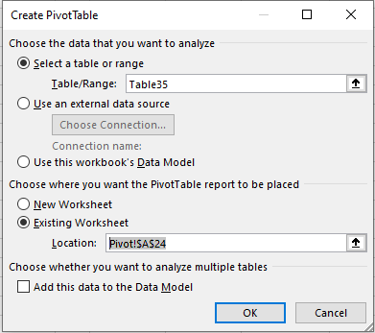
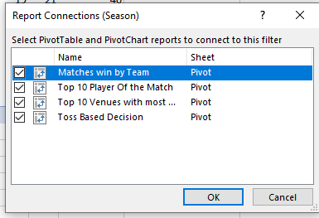
Count of toss_winner | Column Labels |  |  |  | Row Labels | Count of winner |  | Count of winner | Column Labels
Row Labels | bat | field | Grand Total |  | bat | 39 |  | Row Labels | bat | field | Grand Total
Mumbai Indians | 5 | 6 | 11 |  | field | 21 |  | Vidarbha Cricket Association Stadium, Jamtha | 2 | 1 | 3
Chennai Super Kings | 8 | 1 | 9 |  | Grand Total | 60 |  | Sawai Mansingh Stadium | 2 | 1 | 3
Deccan Chargers | 4 | 4 | 8 |  |  |  |  | Sardar Patel Stadium, Motera | 3 | 1 | 4
Royal Challengers Bangalore | 5 | 3 | 8 |  |  |  |  | Punjab Cricket Association Stadium, Mohali | 3 | 2 | 5
Delhi Daredevils | 4 | 3 | 7 |  |  |  |  | Dr DY Patil Sports Academy | 4 | 2 | 6
Kolkata Knight Riders | 5 | 2 | 7 |  |  |  |  | M Chinnaswamy Stadium | 1 | 6 | 7
Rajasthan Royals | 5 | 1 | 6 |  |  |  |  | Feroz Shah Kotla | 6 | 1 | 7
Kings XI Punjab | 3 | 1 | 4 |  |  |  |  | Brabourne Stadium | 5 | 2 | 7
Grand Total | 39 | 21 | 60 |  |  |  |  | Eden Gardens | 6 | 1 | 7
 |  |  |  |  |  |  |  | MA Chidambaram Stadium, Chepauk | 6 | 1 | 7
 |  |  |  |  |  |  |  | Grand Total | 38 | 18 | 56

Row Labels | Count of Winner |  |  |  |  |  | Row Labels | Count of player_of_match
Chennai Super Kings | 3 |  | Chennai Super Kings | 3 |  |  | SR Tendulkar | 4
Deccan Chargers | 1 |  | Deccan Chargers | 1 |  |  | JH Kallis | 3
Kolkata Knight Riders | 2 |  | Kolkata Knight Riders | 2 |  |  | A Symonds | 3
Mumbai Indians | 4 |  | Mumbai Indians | 4 |  |  | G Gambhir | 2
Rajasthan Royals | 1 |  | Rajasthan Royals | 1 |  |  | SC Ganguly | 2
Sunrisers Hyderabad | 1 |  | Sunrisers Hyderabad | 1 |  |  | MS Dhoni | 2
Grand Total | 12 |  |  |  |  |  | KP Pietersen | 2
 |  |  |  |  |  |  | SK Raina | 2
 |  |  |  |  |  |  | YK Pathan | 2
 |  |  |  |  |  |  | KA Pollard | 2
 |  |  |  |  |  |  | MK Tiwary | 2
 |  |  |  |  |  |  | M Vijay | 2
 |  |  |  |  |  |  | Grand Total | 28

Final-Dashboard

INDIAN PREMIER LEAGUE ANALYSIS
Season
IPL-2010
Winner
Chennai Super Kings
Runner Up
Mumbai Indians
Captain
MS Dhoni
Player of the Match
Suresh Raina
Player of the Series
Sachin Tendulkar

Matches win by Team wrt Bat first and Filed First since 2007
 | bat | field
Mumbai Indians | 5 | 6
Chennai Super Kings | 8 | 1
Deccan Chargers | 4 | 4
Royal Challengers Bangalore | 5 | 3
Delhi Daredevils | 4 | 3
Kolkata Knight Riders | 5 | 2
Rajasthan Royals | 5 | 1
Kings XI Punjab | 3 | 1
Toss Decision Based winning %
 | Total
bat | 39
field | 21
Top 10 Venues with most Matches and winning Based on Bat First & Field First
 | bat | field
Vidarbha Cricket Association Stadium, Jamtha | 2 | 1
Sawai Mansingh Stadium | 2 | 1
Sardar Patel Stadium, Motera | 3 | 1
Punjab Cricket Association Stadium, Mohali | 3 | 2
Dr DY Patil Sports Academy | 4 | 2
M Chinnaswamy Stadium | 1 | 6
Feroz Shah Kotla | 6 | 1
Brabourne Stadium | 5 | 2
Eden Gardens | 6 | 1
MA Chidambaram Stadium, Chepauk | 6 | 1

Top 10 Player Of the Match Award Winners
 | Total
SR Tendulkar | 4
JH Kallis | 3
A Symonds | 3
G Gambhir | 2
SC Ganguly | 2
MS Dhoni | 2
KP Pietersen | 2
SK Raina | 2
YK Pathan | 2
KA Pollard | 2
MK Tiwary | 2
M Vijay | 2

Dashboard Screenshot
