Region-Time Slices
 |  |  |  |  | AT,DE,FR,ES,IT,BE,NL,UK
 |  |  |  |  | REG1,REG2
~BookRegions_Map
BookName | Region | Season | Weekly | DayNite
REG1 | REG1 | S |  | D | S: Summer
REG2 | REG2 | F |  | N | R: Spring
EREG1 | AT | W |  | P | F: Fall
 | DE | R |  |  | W: Winter
 | FR |  |  |  | D: Day
 | ES |  |  |  | N: Night
EREG2 | IT |  |  |  | P: Peak
 | BE
 | NL
~TimeSlices is used to define:
- the time-slices resolution for the model, by declaring the elements of each time-slice. In the column-SEASON, WEEKLY and DAYNITE.
 | UK
ExtREG | ExtREG1
 | ExtREG2
 | ExtREG3

~BookRegions_Map is used to define:
- the workbook name (cells B5 and B6); the name must be the same for each base year template workbook VT_REG1_<sector>_<version> (for REG1);
- the list of region names (cell E5,6,,...) maps the names used in the B-Y templates to the model regions: in this case REG1 and REG2.

TimePeriods
~StartYear is used to define:
- the start year of the model (2005);
~ActivePDef is used to define:
- the set of active periods. Alternate period definitions can be made and the active one is declared under the tag ~ActiveDef.
~TimePeriods is used to define:
- the time horizon of the model for the ActivePdef. In this example two period definitions (Pdef-1 and Pdef-5)
- For Pdef-1 the number of years for the start year (first period is 1 year long), the second period has 2 years.

 | ~StartYear |  |  | ~DefaultYear
 | 2005 |  |  | 2005

 | ~ActivePDef
 | Def4

 | ~TimePeriods
 | Pdef-1 | Pdef-5 | Pdef-11
 | 1 | 1 | 1
 | 2 | 2 | 2
 |  | 5 | 5
 |  | 5 | 5
 |  | 5 | 5
 |  |  | 5
 |  |  | 5
 |  |  | 5
 |  |  | 5
 |  |  | 5
 |  |  | 5

~Milestoneyears
type | Def1 | Def2 | Def3 | Def4 | Def5 | Def6 | Def7
Endyear | 2011 | 2019 | 2054
milestoneyear | 2005 | 2005 | 2005 | 2005 | 2005 | 2005 | 2001
milestoneyear | 2007 | 2006 | 2006 | 2006 | 2010 | 2010 | 2002
milestoneyear |  | 2007 | 2007 | 2007 | 2020 | 2020 | 2003
milestoneyear |  | 2010 | 2010 | 2010 | 2025 | 2025 | 2004
milestoneyear |  | 2015 | 2015 | 2015 | 2026 | 2030 | 2005
milestoneyear |  |  | 2020 | 2020 | 2027 | 2035 | 2006
milestoneyear |  |  | 2030 | 2030 | 2028 | 2040 | 2007
milestoneyear |  |  | 2050 | 2050 | 2029 | 2045 | 2008
milestoneyear |  |  |  | 2060 | 2030 | 2050 | 2009
milestoneyear |  |  |  | 2075 | 2040 |  | 2010
milestoneyear |  |  |  | 2100 | 2050 |  | 2011
 |  |  |  |  |  |  | 2012
 |  |  |  |  |  |  | 2013
 |  |  |  |  |  |  | 2014
 |  |  |  |  |  |  | 2015
 |  |  |  |  |  |  | 2016
 |  |  |  |  |  |  | 2017
 |  |  |  |  |  |  | 2018
 |  |  |  |  |  |  | 2019
 |  |  |  |  |  |  | 2020
 |  |  |  |  |  |  | 2021
 |  |  |  |  |  |  | 2022
 |  |  |  |  |  |  | 2023
 |  |  |  |  |  |  | 2024
 |  |  |  |  |  |  | 2025
 |  |  |  |  |  |  | 2026
 |  |  |  |  |  |  | 2027
 |  |  |  |  |  |  | 2028
 |  |  |  |  |  |  | 2029
 |  |  |  |  |  |  | 2030
 |  |  |  |  |  |  | 2031
 |  |  |  |  |  |  | 2032
 |  |  |  |  |  |  | 2033
 |  |  |  |  |  |  | 2034
 |  |  |  |  |  |  | 2035
 |  |  |  |  |  |  | 2036
 |  |  |  |  |  |  | 2037
 |  |  |  |  |  |  | 2038
 |  |  |  |  |  |  | 2039
 |  |  |  |  |  |  | 2040
 |  |  |  |  |  |  | 2041
 |  |  |  |  |  |  | 2042
 |  |  |  |  |  |  | 2043
 |  |  |  |  |  |  | 2044
 |  |  |  |  |  |  | 2045
 |  |  |  |  |  |  | 2046
 |  |  |  |  |  |  | 2047
 |  |  |  |  |  |  | 2048
 |  |  |  |  |  |  | 2049
 |  |  |  |  |  |  | 2050

Interpol_Extrapol_Defaults
1
~TFM_UPD is used to declare a table in SysSetting (and/or scenario file and/or _Trans files) which is a simple transformation to pre-existing data in a rule-based manner.
In this case case , the 1st block deals with setting the default interpolation rules (indicated by the 0 in the Yr column) for the parameter defined in the column attribute and all the processes defined in the model.
The 2nd block sets default prices (ACTCOST) for the “backstop” options for fuels (dummy IMPort technologies ending with “Z”) and demands (a dummy IMPDEMZ process that can feed any demand).
For more details see www.kanors-emr.com/vedasupport in "templates basic"or the getting started with VEDA-TIMES from pag.22
 | ~TFM_MIG
 | TimeSlice | LimType | Attribute | Year2 | AllRegions | Pset_PN
 |  | UP | ACT_BND | 0 | 5
 |  | UP | Share-O | 0 | 5
 |  | UP | Share-I | 0 | 3

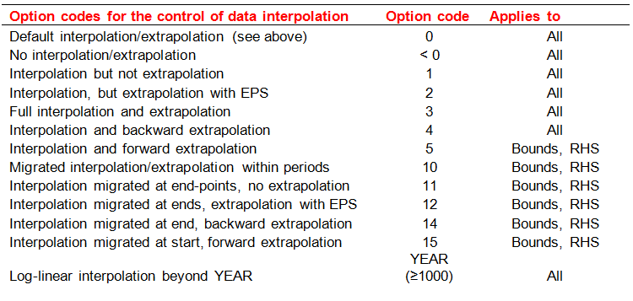

 | *Set a default price or apply a factor for those IMPorts with "Z" in the name.

 | Dummy Imp Prices
 | ~TFM_UPD
 | TimeSlice | LimType | Attribute | Year | Other_Indexes | AllRegions | REG1 | REG2 | Pset_Set | Pset_PN | Pset_PD | Pset_CI | Pset_CO | Cset_Set | Cset_CN | Cset_CD
 |  |  | ACTCOST |  |  | 2222 |  |  | IRE | IMP*Z
 |  |  | ACTCOST |  |  | 8888 |  |  | IRE | IMPDEMZ

Constants
* Define constants for the model

~TFM_INS (transformation insert table) is used to assign an absolute value for parameters that are based on rules.
ATTRIBUTE, a reserved word indicating that a VEDA-TIMES parameter names appear in this column; in this example these parameters are G_DYEAR (discounting year), DISCOUNT (overall discount rate) and YRFR (fraction of year for season and dayniote level. There are four timeslice because it is the combination of the seasonal timeslice with the daynite timeslice)
TIMESLICE indicating the particular time-slice for which data is provided.
For more information see Transformation tables, Insert Value section at www.kanors.com/vedasupport.
The full description of the time-slices is given in paragraph 3.2.1.1.
For more details see www.kanors-emr.com/vedasupport in "templates basic"or the getting started with VEDA-TIMES from pag.22
~TFM_INS
TimeSlice | LimType | Attribute | AllRegions | REG1 | REG2 | Cset_CN
 |  | G_DYEAR | 2005
 |  | Discount | 0.05
 |  | COM_IE | 0.9 |  |  | ELC

Time slices calculation

Attribute | RD | RN | RP | SD | SN | SP | FD | FN | FP | WD | WN | WP
 | Spring Day | Spring Night | Spring Peak | Summer Day | Summer Night | Summer Peak | Fall Day | Fall Night | Fall Peak | Winter Day | Winter Night | Winter Peak
YRFR | 0.094 | 0.103 | 0.009 | 0.138 | 0.127 | 0.012 | 0.099 | 0.108 | 0.009 | 0.138 | 0.151 | 0.013

Seasons | N. of Days | Fraction | DD/MM
R | 75 | 0.205 | 15/03-31/05
S | 101 | 0.277 | 01/06-30/08
F | 79 | 0.216 | 31/08-15/11
W | 110 | 0.301 | 16/11-14/03
 | 365 | 1

Time of day | D | N | P
R | 11 | 12 | 1 | 24
S | 12 | 11 | 1 | 24
F | 11 | 12 | 1 | 24
W | 11 | 12 | 1 | 24

reporting options
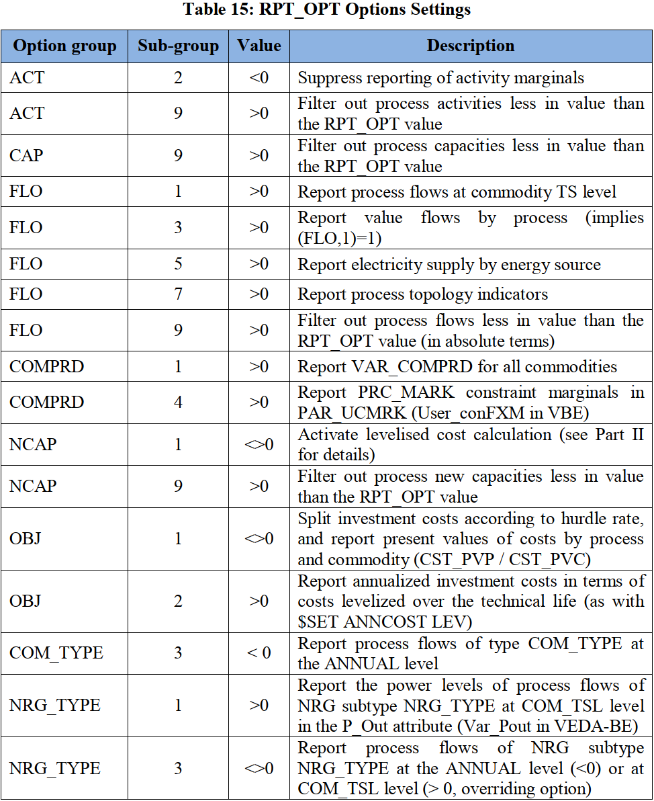

~TFM_INS
Attribute | Other_Indexes | AllRegions
RPT_OPT | NCAP~1 | 1
RPT_OPT | FLO~1 | 1
RPT_OPT | FLO~3 | 1
RPT_OPT | FLO~5 | 1
RPT_OPT | FLO~7 | 0
RPT_OPT | COMPRD~1 | 1
RPT_OPT | OBJ~1 | 1
RPT_OPT | ELC~1 | 1
RPT_OPT | ACT~2 | -1

Defaults
~Currencies is used :
- to define a default currency for the whole model
~DefUnits is used :
- to define default units by activity, capacity and commodity for each sector in the model
~Currencies |  | ~DefUnits
Currency |  | Option | PRI | ELC | IND | RCA | TRA
MEuro05 |  | Process_ActUnit | PJ | PJ | PJ | PJ | kPk
USD12 |  | Process_CapUnit | Pja | GW | GW | Pja | 000_Units
 |  | Commodity_Unit | PJ | PJ | PJ | PJ | kPk

~UnitConversion
from_unit | to_unit | multiplier
QBtu | PJ | 1055.55 |  |  |  |  |  | user selects original units. For conversion, we display all units where to_unit = <to_unit of <original units>>
Billion Kwh | PJ | 3.60
Mt | Kt | 1000.00 |  |  |  |  |  | if original units are Qbtu and display units are bcm, then mult factor will be 1055.55 / 37.68
B Euro | M Euro | 1000.00
TBtu | PJ | 1.06
ktoe | PJ | 0.04
mtoe | PJ | 41.87
Gwh | PJ | 0.00
Gt | Kt | 1000000.00
b$ | m$ | 1000.00
$ per bbl | $ per GJ | 0.15
$ per ton | m$ per kt | 0.00
EJ | PJ | 1000.00
bcm | PJ | 37.68
mbpd | PJ | 2299.00
Cents per Kwh | $ per GJ | 2.78
Twh | PJ | 3.60
PJ | PJ | 1.00
GW | MW | 1000.00

