Manual Test_1
WalletHub |  |  | Test data: |  | Additional information:
Functionality: | Profile photo uploading process |  | Username: | test_inscomp@evolutionfinance.com | [a] List of files which allowed to use as file to change the profile pic [b] All except [a] [c] Tech info about what is max file size in MB
Design By: | Rohit negi |  | Password: | Abcd123*
Tested By: | Rohit negi

TestCaseID | Module/Section | Test Scenarios | Pre-requisites | Test Steps | Expected Results | Actual Results | Status | Screenshot/Video | Comments
TC001 | Photo upload | Verify upload image button is enabled | Use should be logged in and on public info page | #Navigate to "https://wallethub.com" #Login with Test data mentioned #Select Setting from right upper profile menu link #Choose Public info | Upload image button should be enabled and file selection dialog open up on clicking the button | Upload image button is enabled | Pass | 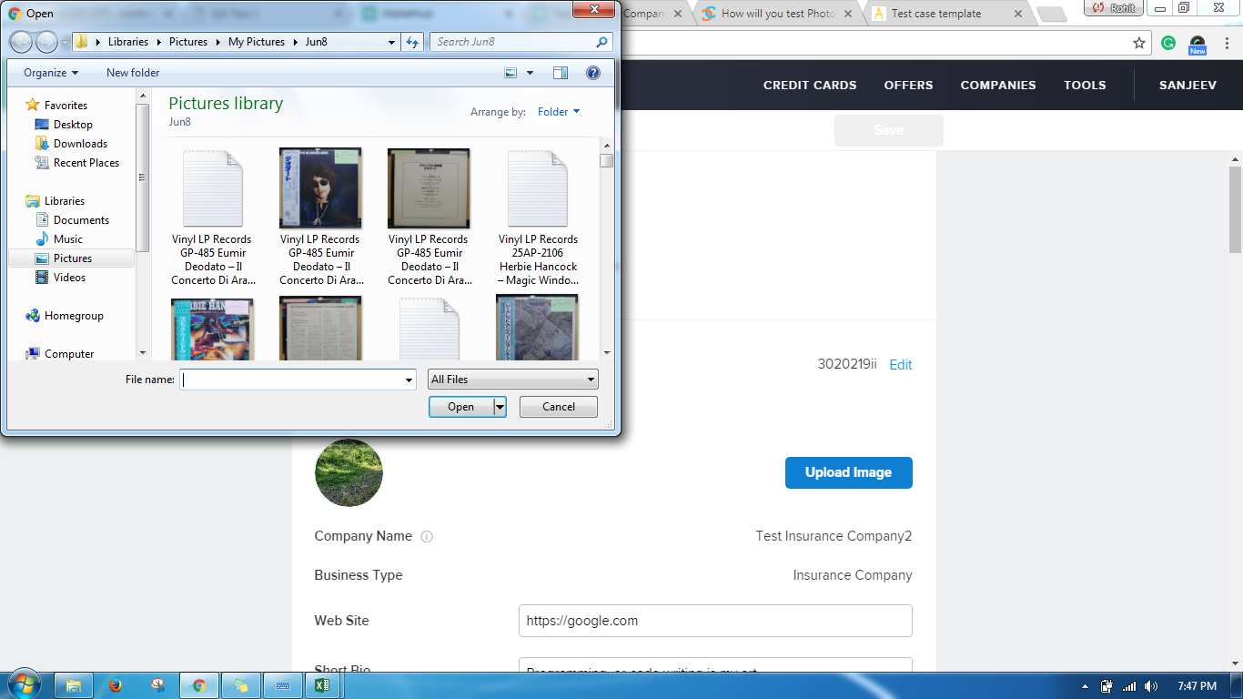
TC002 | Photo upload | Verify only image files loads in opened window file dialog | Use should be logged in and on public info page | Click on upload image button | All files loaded in file dialog should be of image type | File selection dialogue open with all type of files other than images too and set to "All Files" | Fail
TC003 | Photo upload | Verify use is still able to upload file after cancelling upload | Use should be logged in and on public info page | #Click on upload image button #Select a file and click open #Click Cancel #Click on upload image button again #Select cancel from file dialogue box #Click away from the upload image | #File selection dialogue box opens #File loads in page to cop down #Save, Cancel should hide and use is on initial step #use is on initial step | When you click away from the upload image, the save, cancel button becomes enable and if you click on save it shows progress of saving. The save, cancel should not be enable on clicking away. | Fail
TC004 | Photo upload | Verify use is able to select only one image file | Use should be logged in and on public info page | #Click on upload image #Try to select multiple images at once | user shouldn't able to select multiple images | use is able to select only one images | Pass
Additional Test scenarios
TC005 | Photo upload | User can upload pricture profile with allowed file formats | Use should be logged in and on public info page | # Click Upload button # Select file with allowed format [a] # Click Save button # Open profile and verify Pricure Profile | Profile picture is updated and new uploaded picture resized and displayed | As Expected | Pass
TC006 | Photo upload | User cannot upload picture profile with not allowed file formats | Use should be logged in and on public info page | # Click Upload button # Select file with Not allowed format [b] # Click Save button # Open profile and verify Pricure Profile | Old profile picture is displayed. |  |  |  | [a] not defined
TC007 | Photo upload | User can cancel upload picture profile | Use should be logged in and on public info page | # Click Upload button # Select file with not/allowed format [a][b] # Click Cancel button # Open profile and verify Pricure Profile | Old profile picture is displayed. | As Expected | Pass
TC008 | Photo upload | User cannot upload picture profile with file size > max | Use should be logged in and on public info page | # Click Upload button # Select file with allowed format [a] and size more then max[c] # Click Save button # Open profile and verify Pricure Profile | Old profile picture is displayed. |  |  |  | [c] not defined

