Order Form
Order Form
Header
Order Form Date |  |  |  |  |  | Order Form Sr. No.
Company Name
Address, Contact Detail, VAT, TIN
Party Name |  |  |  | Agent Name
Address
Contact
Payment Terms
Party Payment History
Party Order History
Transporter

Detail

Sr. No. | Product Category | Product Size | Quality | Product Name | Design No. | Metre/ Pcs/ Kg. | Rate - Rs. | Image
1 | Fabric | Width - 90/ 60/ (pano) | GSM/ Thread Count | Glaciour/ silky/ grace | if selected all colums will be filled directly | Order Qty to be entered | Default will be seen/ to quote will be asked | Image Not available
2 | Bath Linen | Bath Towel - 30x60 | 450 | Prime | 3900010, 390002, 390003
3 | Bath Linen | Hand Towel - 16x24 | 450 | Prime
4 | Bed Linen | Double | 180 | Serene
5
6
7
8
9
10
11
12
13
14
15
Footer
 |  |  |  |  |  | Signature | Salesmen
 |  |  |  |  |  | Authorized | Admin

Sheet11
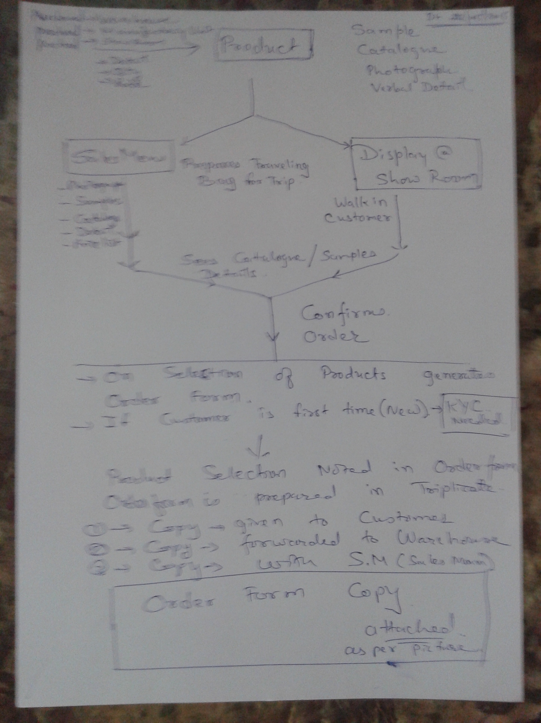
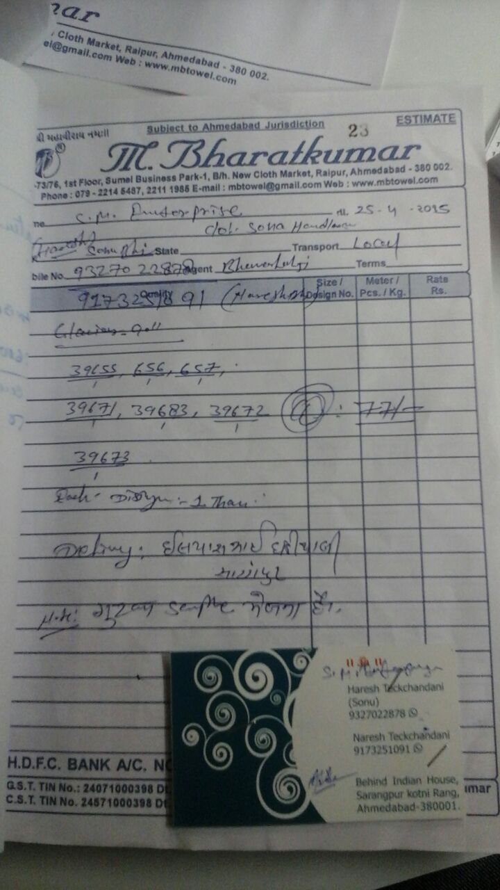
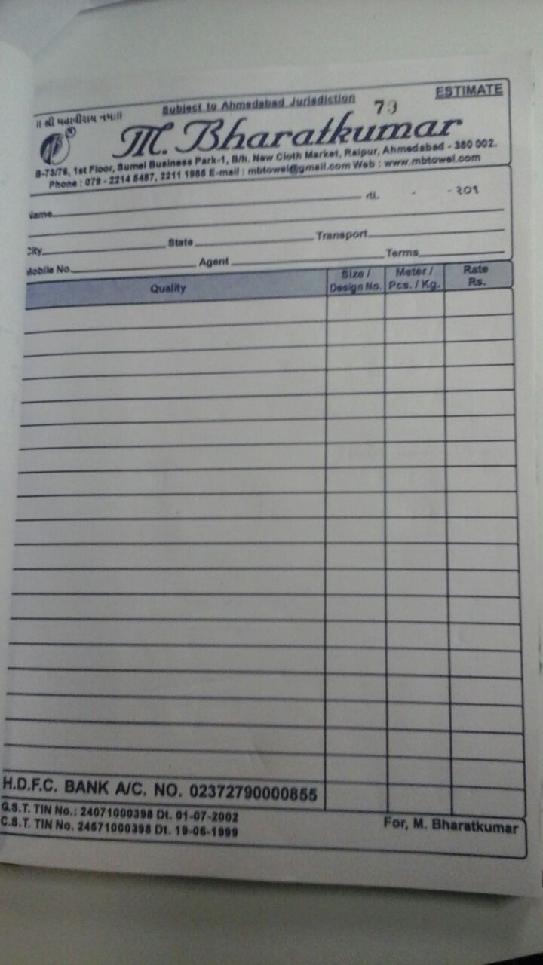

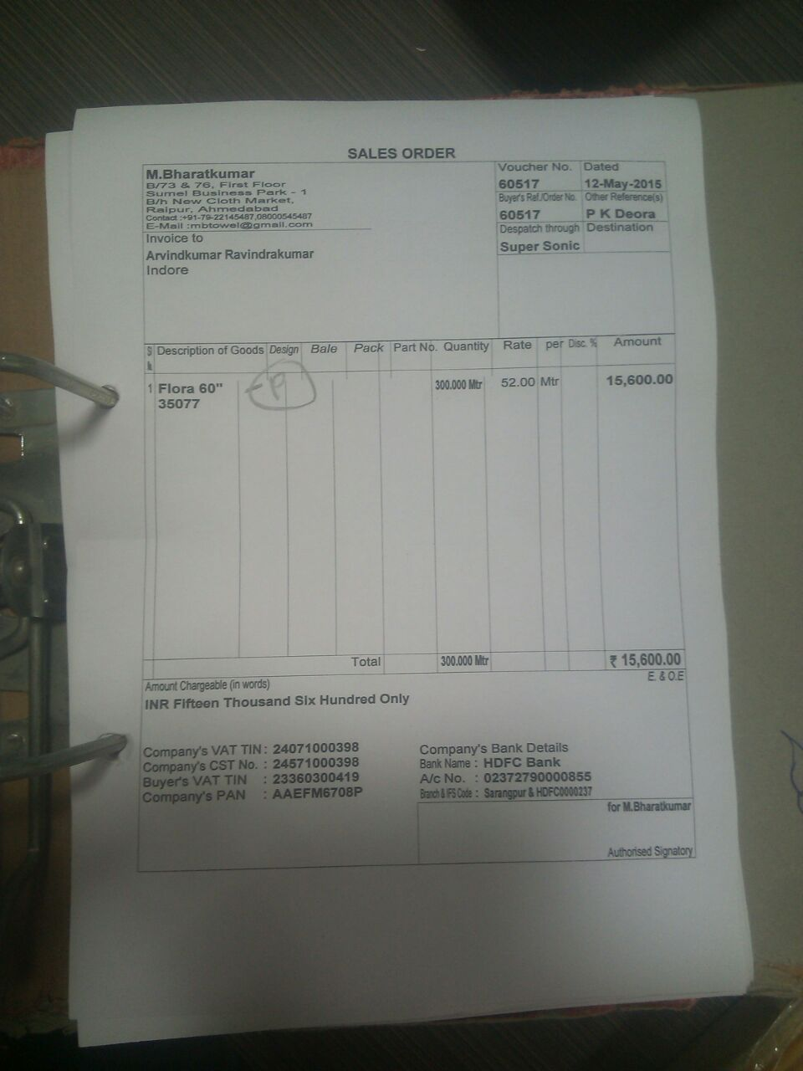

order_form_packing_slip_deliver
 | Order form can be generated by below mentioned different ways | Action |  | Image
1) | walk in customer to Show Room/ Ware house
2) | SalesMen goes to party place/ calls to Party
3) | through Agent
4) | Through Party Directly via phone
5) | By Email/ Whatsapp

 | On receipt of Copy of Order Form | It has to be approved considering certain criteria
 |  | Agent/ Salesmen/ Sandeep(authorised Person)
a) | New Customer
b) | Existing Customer - Purchase - History
C) | Existing Customer - Payment - History
 | Due/ over due payment | if any payment is pending/ over due, then order form is to be authorised by concerned authority
 | order item - Inventory - if not Syncronised | Then verify at warehouse/ check availability/ confirm stock and approve it.
 | if inventory is not as per required order quantity than go for manual confirmation. | Block inventory till invoice is generated
 |  | if any previous blocked inventory is there than confirm previous dispatches and than go for new order.

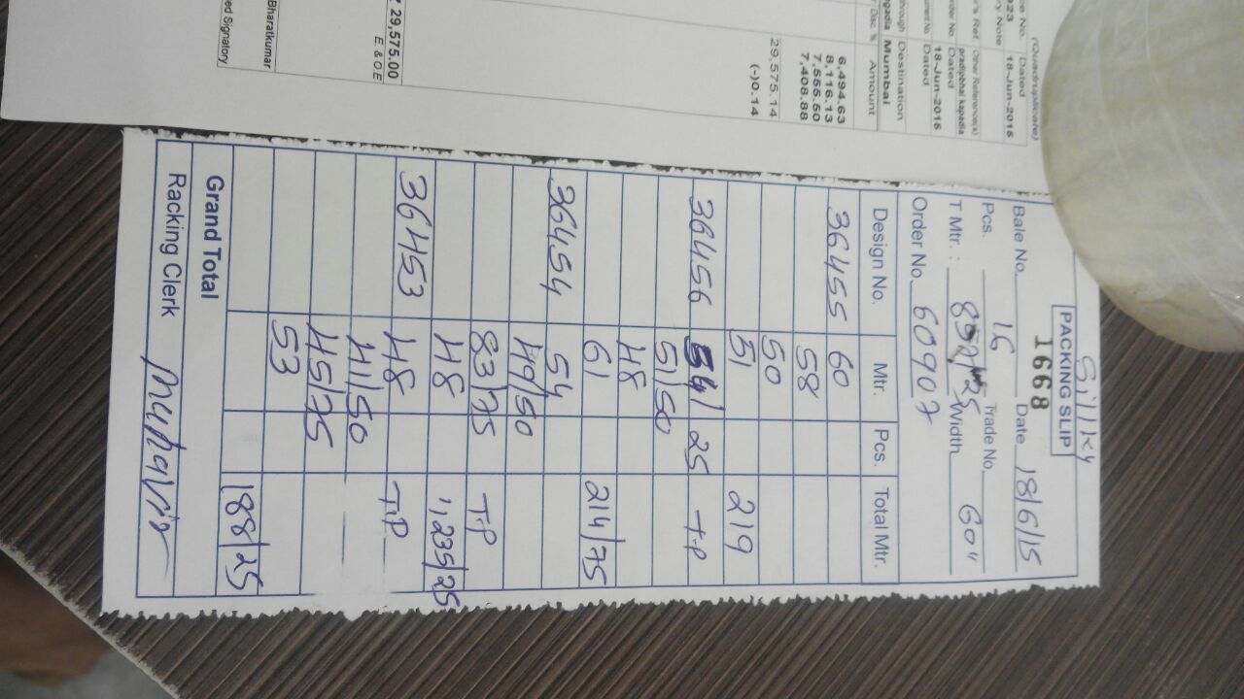
 | Packing Slip
 | Sr. No. | 1668 |  | This will be Bale No.
 | Packing Slip Date

 | Order form No. | 60907 |  | Refering Order form
 | Fabric | Silky
 | Product: Fabric Width | 60 inches
 | 36455, 36456, 36454, 36453 | 36455, 36456, 36454, 36453
 | Qty: | 4 Sets/ 16 pcs

 | Detail
 | Fabric Design No: 36456 | Set is defined for total meters for 4 colors of one design
 |  |  | Meter
 | 39456-A | Blue | 54.25 | TP
 | 39456-B | Red | 51.5
 | 39456-C | Brown | 48
 | 39456-D | Orange | 61
 |  | This four color makes 1 Set | 214.75
 |  | Thus this 214.75 meters is considered as 1 SET
 |  | If order is for 4 set, than 4 repeats will be there.
 | Packing Clerk

 | This packing slip is prepared manually on verifing actual "taka" meter- made available to packing staff
 | if that in certain taka, there is cut then in remark it is mentioned "TP" tow piece

 | There may be multiple packing slip towards one order form
 | untill all items of the order form is not dispatched its status will be open, it can be manually preclosed under certain circumstances of unavailibility of short dispatch with approval only…

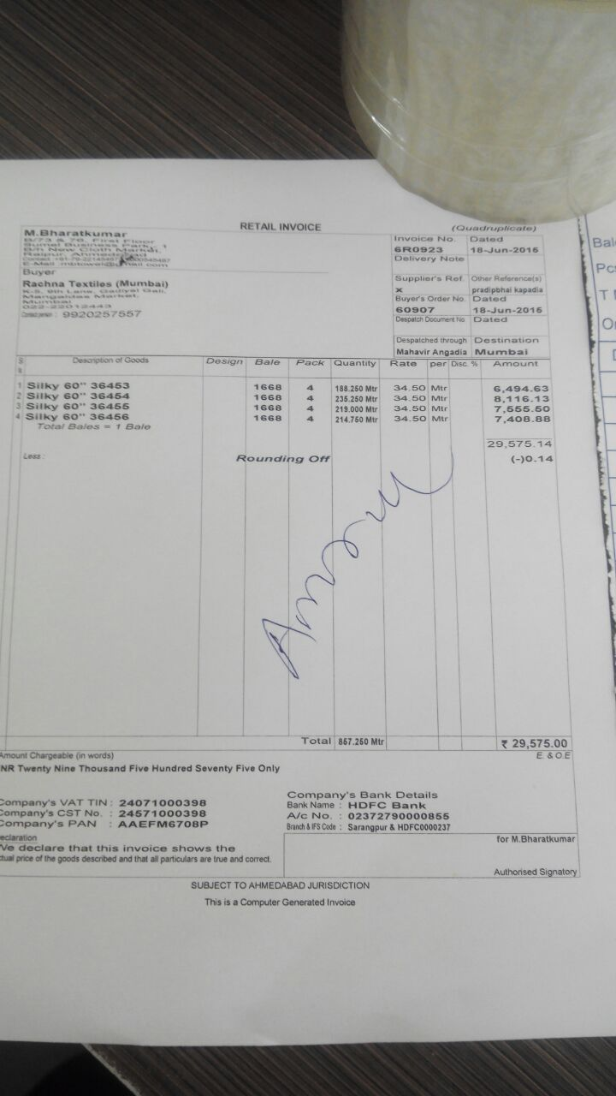
 | Delivery Challan/ Invoice

 | Delivery challan and Invoice are mostly same only DC is printed initially with small size paper.
 | It is printed prior to dispatch so there is no Transport LR No. detail / and if local than delivery detail.

 | After receiving this detail and entering it in the dat.. Invoice is being generated.

 | Company Name
 | Buyer Name
 | Buyer address
 | Buyer Contact
 | Payment Terms
 | Invoice No.
 | Date
 | Delivery Note
 | Supplier Ref
 | Other Reference | Agent Detail
 | Order Form No.
 | Order form Date
 | Dispatch Doc No. | Transport LR no.
 | Date
 | Dispatch Through | Transporter detail
 | Destination | Place of Delivery
 | Description | String with all details (Fabric/ Width/design Code
 | Bale | Packing slip no.
 | Pack | Set of 4- mostly 4 may vary
 | meter | from Packing slip
 | Rate
 | Unit | Mtrs/ pcs/ weight
 | Discount | %
 | Total
 | If taxes
 | grand total
 | in words | total net amount in words
 | Company statutory details | VAT/ CST/ PAN…….other if any
 | Bank details | Bank name. account no, branch, IFSC code
 | Conditions
 | Signatory | person who prepares invoice, may be user detail who has logged in application
 | Footer

