Pivot
Churn Breakdown by Internet Service Type
Sum of Count | Column Labels
 | DSL | Fiber optic | No | Grand Total
No | 37.92% | 34.77% | 27.31% | 100.00%
Yes | 24.56% | 69.40% | 6.05% | 100.00%
Grand Total | 34.37% | 43.96% | 21.67% | 100.00%

Dashboard
Churn Rate by Senior Citizen Status
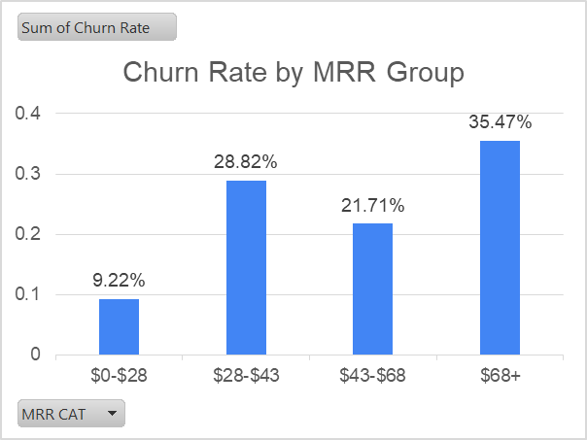
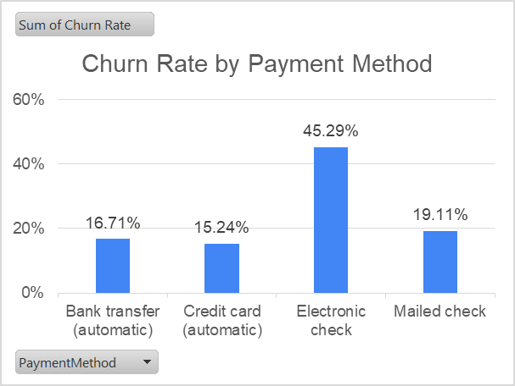
Senior Citizens | Sum of Churn Rate
0 | 0.23606168446
1 | 0.41681260946

Senior Citizens | Churned | Active
Not Senior Citizens | 23.61% | 76.39%
Senior Citizens | 41.68% | 58.32%

MRR Group | Sum of Churn Rate
$0-$28 | 9.22%
$28-$43 | 28.82%
$43-$68 | 21.71%
$68+ | 35.47%

Churn Breakdown by Internet Service Type

Payment Method | Sum of Churn Rate
Bank transfer (automatic) | 0.1670984456
Credit card (automatic) | 0.15243101183
Electronic check | 0.45285412262
Mailed check | 0.19106699752

 | DSL | Fiber optic | No
Active | 37.92% | 34.77% | 27.31%
Churned | 24.56% | 69.40% | 6.05%

